Charts
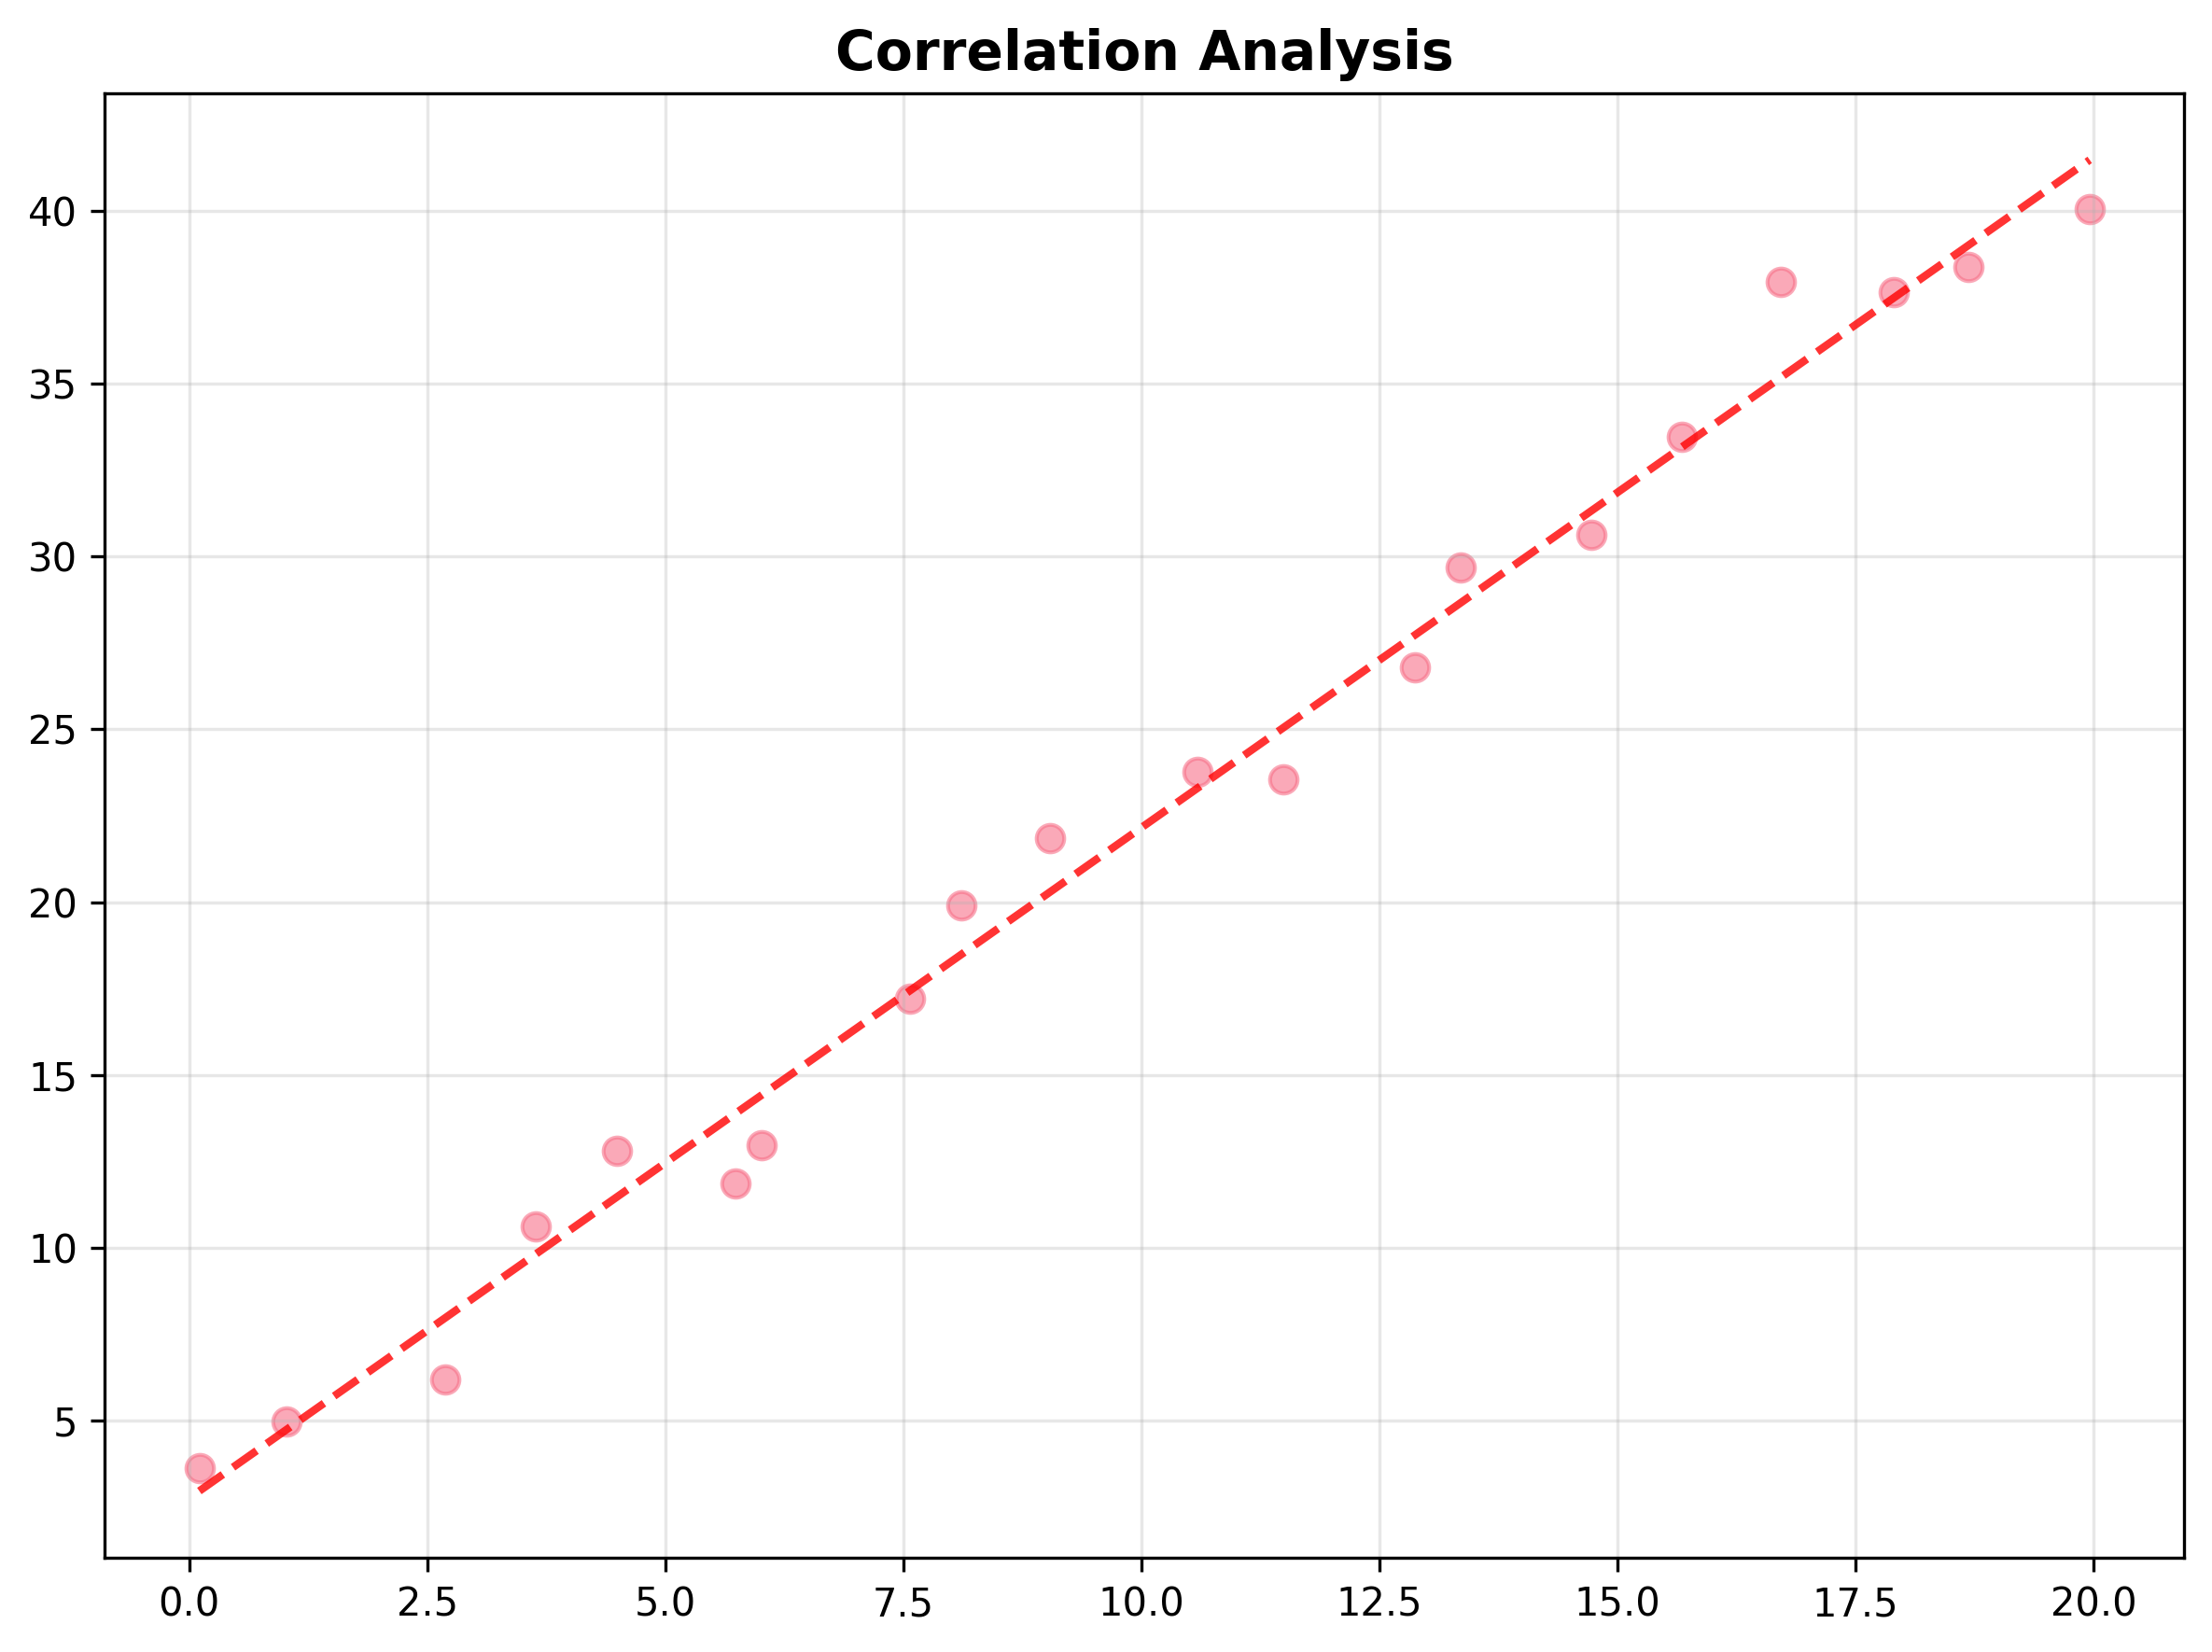
Data Visualizations

Correlation Analysis

