Charts
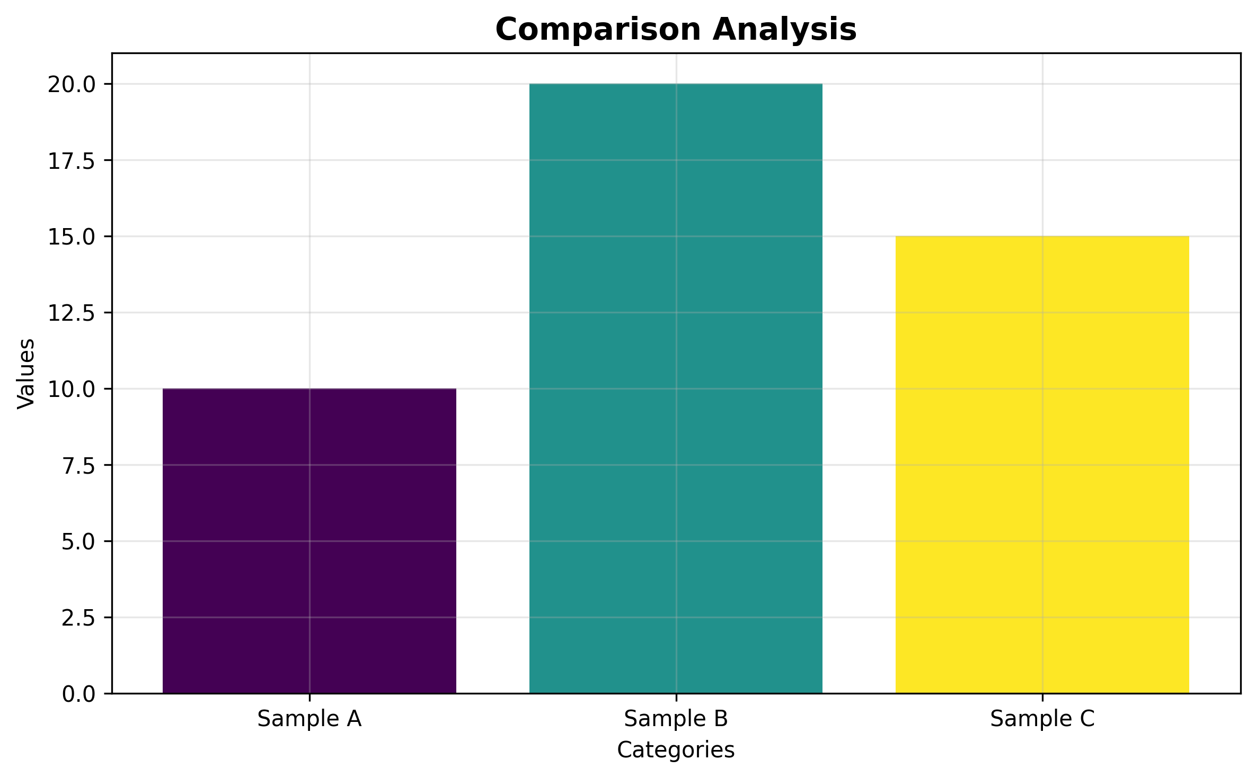
Data Visualizations

Comparison Analysis

