SUMMARY
FedAVG
NORMALIZATION | GLOBAL EPOCHS | lr | C | B | E | IID | UNBALANCE | OPTIM | WEIGHT DECAY | GROUPS |  |  |  | new seed |  | weighted avg
BN | 500 | 0.001 | 0.1 | 10 | 1 | 1 | 0 | SGD | 5.00E-04 | NaN | 0.89 |  |  |  |  |  |  | = v1
GN | 500 | 0.001 | 0.1 | 10 | 1 | 1 | 0 | SGD | 5.00E-04 | 4 | 0.74 |  |  |  |  |  |  | = v2

BN | 100 | 0.001 | 0.1 | 10 | 1 | 1 | 0 | SGD | 5.00E-04 | NaN | 0.67 | 0.68 |  | 0.68 |  |  |  | -> BatchNorm
BN | 100 | 0.001 | 0.1 | 10 | 1 | 0 | 0 | SGD | 5.00E-04 | NaN | 0.32 | 0.67 |  | 0.16 | -> | drop |  | -> GroupNorm
BN | 100 | 0.001 | 0.1 | 10 | 1 | 0 | 1 | SGD | 5.00E-04 | NaN | 0.52 | 0.66 |  | 0.56 |  | 0.29 | -> not saved?
GN | 100 | 0.001 | 0.1 | 10 | 1 | 1 | 0 | SGD | 5.00E-04 | 4 | 0.45 | 0.42 |  | 0.45 |  |  |  | = results we use
GN | 100 | 0.001 | 0.1 | 10 | 1 | 0 | 0 | SGD | 5.00E-04 | 4 | 0.29 | 0.46 |  | 0.22
GN | 100 | 0.001 | 0.1 | 10 | 1 | 0 | 1 | SGD | 5.00E-04 | 4 | 0.27 | 0.45 |  | 0.37 |  | 0.21

FedGKT

NORMALIZATION | COMM ROUNDS | lr | C | B | Es | Ec | IID | UNBALANCE | OPTIM | WEIGHT DECAY | GROUPS
BN | 10 | 0.001 | 0.1 | 128 | 10 | 1 | 1 | 0 | SGD | 5.00E-04 | NaN | 0.71 |  | 0.7
BN | 10 | 0.001 | 0.1 | 128 | 10 | 1 | 0 | 0 | SGD | 5.00E-04 | NaN | 0.31 |  | 0.23 | -> | drop
BN | 10 | 0.001 | 0.1 | 128 | 10 | 1 | 0 | 1 | SGD | 5.00E-04 | NaN | 0.52
GN | 10 | 0.001 | 0.1 | 128 | 10 | 1 | 1 | 0 | SGD | 5.00E-04 | 4 | 0.73 |  | 0.74
GN | 10 | 0.001 | 0.1 | 128 | 10 | 1 | 0 | 0 | SGD | 5.00E-04 | 4 | 0.24 |  | 0.25
GN | 10 | 0.001 | 0.1 | 128 | 10 | 1 | 0 | 1 | SGD | 5.00E-04 | 4 | 0.37

FedProx

NORMALIZATION | COMM ROUNDS | lr | C | B | E | MU | IID | UNBALANCE | OPTIM | WEIGHT DECAY | GROUPS | PERCENTAGE
BN | 30 | 0.001 | 0.1 | 10 | 10 | 0 | 1 | 0 | SGD | 5.00E-04 | NaN | 0 | 0.73 | -> FedAVG == FedProx(mu=0) if no strugglers |  |  |  | -> mu=0
BN | 30 | 0.001 | 0.1 | 10 | 10 | 0 | 0 | 0 | SGD | 5.00E-04 | NaN | 0 | 0.21 | -> FedAVG == FedProx(mu=0) if no strugglers |  |  |  | -> mu=0,01
BN | 30 | 0.001 | 0.1 | 10 | 10 | 0 | 0 | 1 | SGD | 5.00E-04 | NaN | 0 | 0.24 | -> FedAVG == FedProx(mu=0) if no strugglers
 |  |  |  |  |  |  |  |  |  |  |  |  |  |  |  |  |  | -> 0% strugglers
BN | 30 | 0.001 | 0.1 | 10 | 10 | 0 | 1 | 0 | SGD | 5.00E-04 | NaN | 50 | 0.71 | -> FedAVG != FedProx(mu=0) if there are strugglers |  |  |  | -> 50% strugglers
BN | 30 | 0.001 | 0.1 | 10 | 10 | 0 | 0 | 0 | SGD | 5.00E-04 | NaN | 50 | 0.14 | -> FedAVG |  |  |  | -> 90% strugglers
BN | 30 | 0.001 | 0.1 | 10 | 10 | 0 | 0 | 1 | SGD | 5.00E-04 | NaN | 50 | 0.42 | -> FedAVG
 |  |  |  |  |  |  |  |  |  |  |  |  |  |  |  |  |  | -> FedAVG
BN | 30 | 0.001 | 0.1 | 10 | 10 | 0 | 1 | 0 | SGD | 5.00E-04 | NaN | 90 | 0.59 | -> FedAVG != FedProx(mu=0) if there are strugglers |  |  |  | -> FedProx(mu=0)
BN | 30 | 0.001 | 0.1 | 10 | 10 | 0 | 0 | 0 | SGD | 5.00E-04 | NaN | 90 | 0.12 | -> FedAVG |  |  |  | -> FedProx(mu=0,01)
BN | 30 | 0.001 | 0.1 | 10 | 10 | 0 | 0 | 1 | SGD | 5.00E-04 | NaN | 90 | 0.42 | -> FedAVG

BN | 30 | 0.001 | 0.1 | 10 | 10 | 0 | 1 | 0 | SGD | 0.0005 | NaN | 50 | 0.7 | -> FedProx(mu=0) != FedAVG if there are strugglers
BN | 30 | 0.001 | 0.1 | 10 | 10 | 0 | 0 | 0 | SGD | 5.00E-04 | NaN | 50 | 0.14 | -> FedProx
BN | 30 | 0.001 | 0.1 | 10 | 10 | 0 | 0 | 1 | SGD | 5.00E-04 | NaN | 50 | 0.31 | -> FedProx

BN | 30 | 0.001 | 0.1 | 10 | 10 | 0 | 1 | 0 | SGD | 0.0005 | NaN | 90 | 0.64 | -> FedProx(mu=0) != FedAVG if there are strugglers
BN | 30 | 0.001 | 0.1 | 10 | 10 | 0 | 0 | 0 | SGD | 5.00E-04 | NaN | 90 | 0.18 | -> FedProx
BN | 30 | 0.001 | 0.1 | 10 | 10 | 0 | 0 | 1 | SGD | 5.00E-04 | NaN | 90 | 0.3 | -> FedProx

BN | 30 | 0.001 | 0.1 | 10 | 10 | 0.01 | 1 | 0 | SGD | 5.00E-04 | NaN | 0 | 0.72 | FedProx(mu=0,01)
BN | 30 | 0.001 | 0.1 | 10 | 10 | 0.01 | 0 | 0 | SGD | 5.00E-04 | NaN | 0 | 0.2 | -> FedProx
BN | 30 | 0.001 | 0.1 | 10 | 10 | 0.01 | 0 | 1 | SGD | 5.00E-04 | NaN | 0 | 0.29 | -> FedProx

BN | 30 | 0.001 | 0.1 | 10 | 10 | 0.01 | 1 | 0 | SGD | 5.00E-04 | NaN | 50 | 0.71 | -> FedProx
BN | 30 | 0.001 | 0.1 | 10 | 10 | 0.01 | 0 | 0 | SGD | 5.00E-04 | NaN | 50 | 0.16 | -> FedProx
BN | 30 | 0.001 | 0.1 | 10 | 10 | 0.01 | 0 | 1 | SGD | 5.00E-04 | NaN | 50 | 0.33 | -> FedProx

BN | 30 | 0.001 | 0.1 | 10 | 10 | 0.01 | 1 | 0 | SGD | 5.00E-04 | NaN | 90 | 0.63 | -> FedProx
BN | 30 | 0.001 | 0.1 | 10 | 10 | 0.01 | 0 | 0 | SGD | 5.00E-04 | NaN | 90 | 0.17 | -> FedProx
BN | 30 | 0.001 | 0.1 | 10 | 10 | 0.01 | 0 | 1 | SGD | 5.00E-04 | NaN | 90 | 0.32 | -> FedProx

CCVR

 |  |  |  |  |  | B | E | lr | IID | UNBALACED | Mc
 |  |  |  |  |  | 1000 | 1000 | 1.00E-05 | 1 | 0 | 1000 | 0.6638 | (-1,6%)
 |  |  |  |  |  | 1000 | 1000 | 1.00E-05 | 0 | 0 | 1000 | 0.4245 | (+10,4%)
 |  |  |  |  |  | 1000 | 1000 | 1.00E-05 | 0 | 1 | 1000 | 0.3707 | (+8%)

 |  |  |  |  |  | 500 | 1000 | 1.00E-05 | 1 | 0 | 500 | 0.6639 | (-1,6%)
 |  |  |  |  |  | 500 | 1000 | 1.00E-05 | 0 | 0 | 500 | 0.4255 | (+10,5%)
 |  |  |  |  |  |  |  |  | 0 | 1 | 500 | 0.371 | (+8,1%)

 |  |  |  |  |  | 50 | 1000 | 1.00E-05 | 1 | 0 | 100 | 0.6643 | (-1,6%)
 |  |  |  |  |  | 50 | 1000 | 1.00E-05 | 0 | 0 | 100 | 0.4252 | (+10,5%)
 |  |  |  |  |  | 50 | 1000 | 1.00E-05 | 0 | 1 | 100 | 0.3717 | (+8,2%)

CENTRALIZED
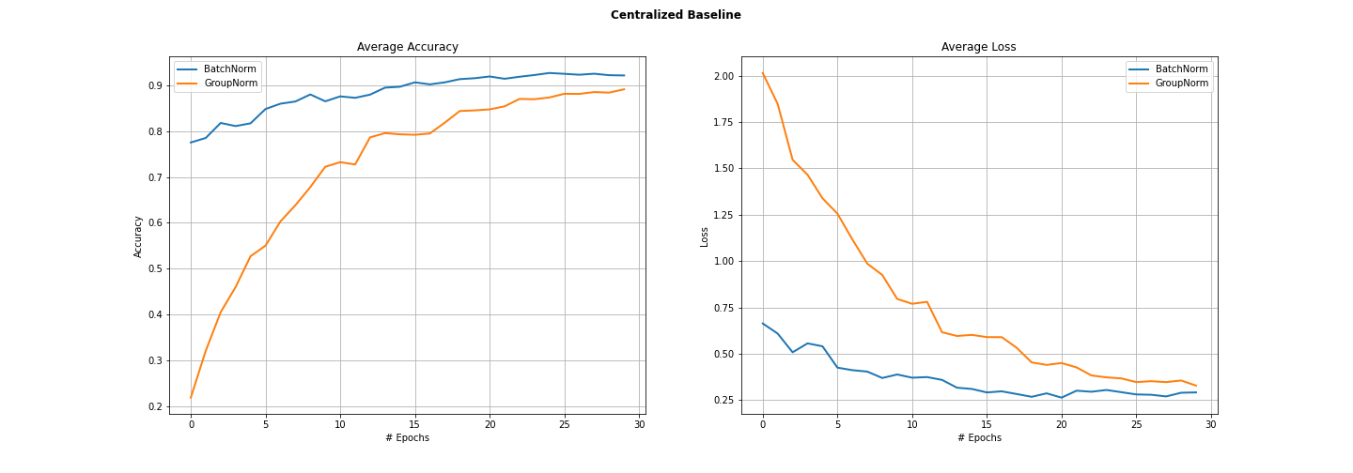

FedAVG
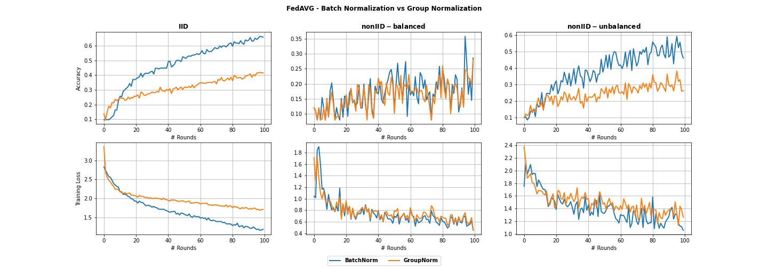

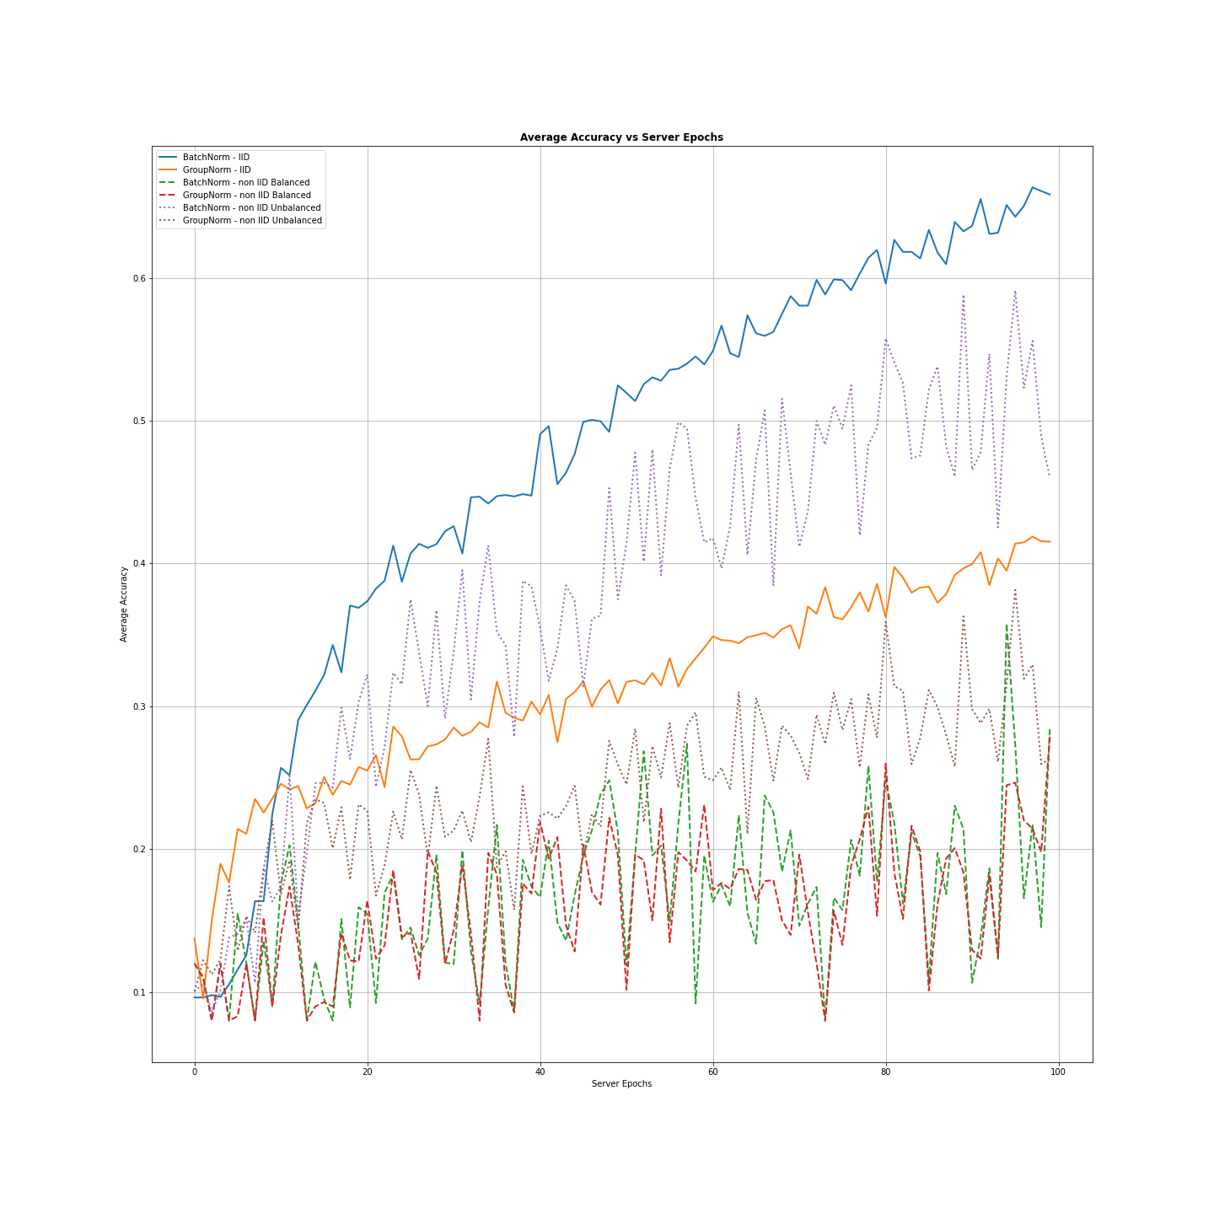
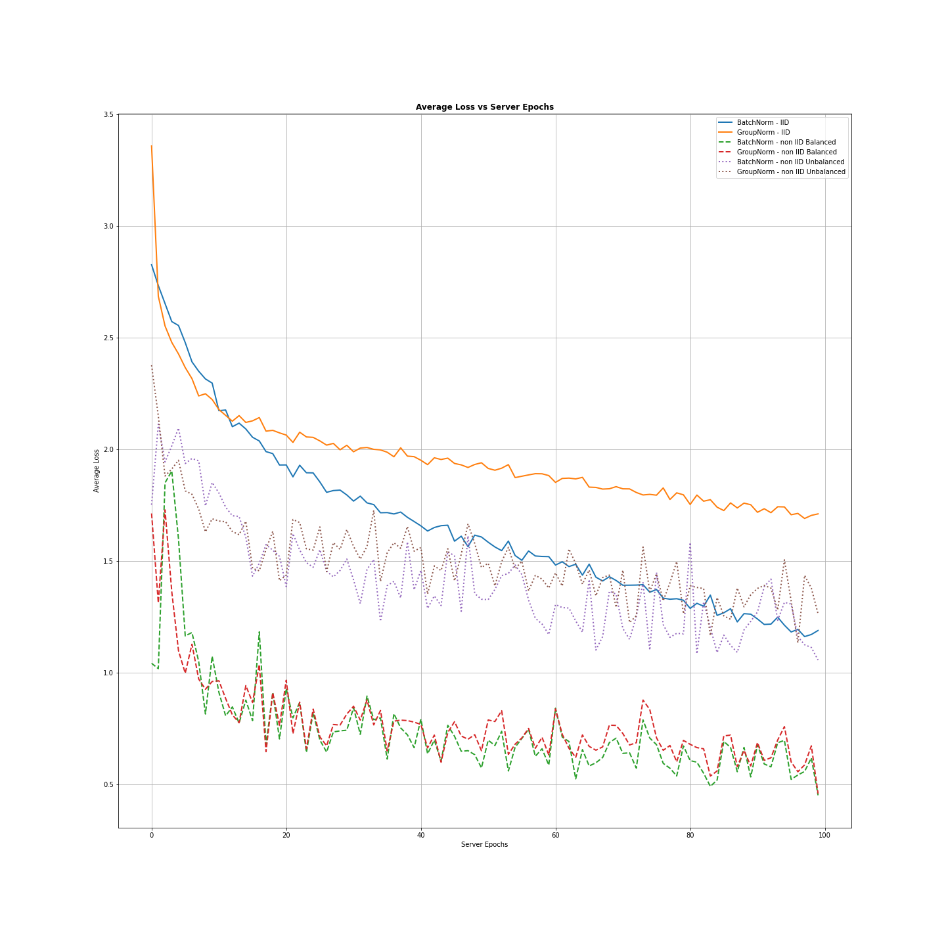

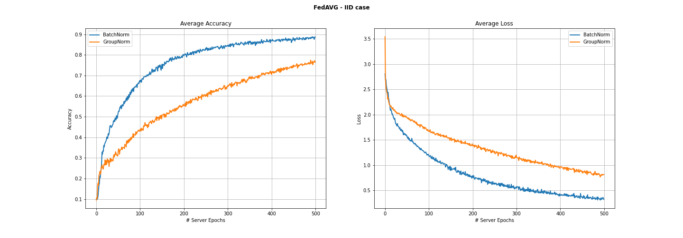

FedGKT
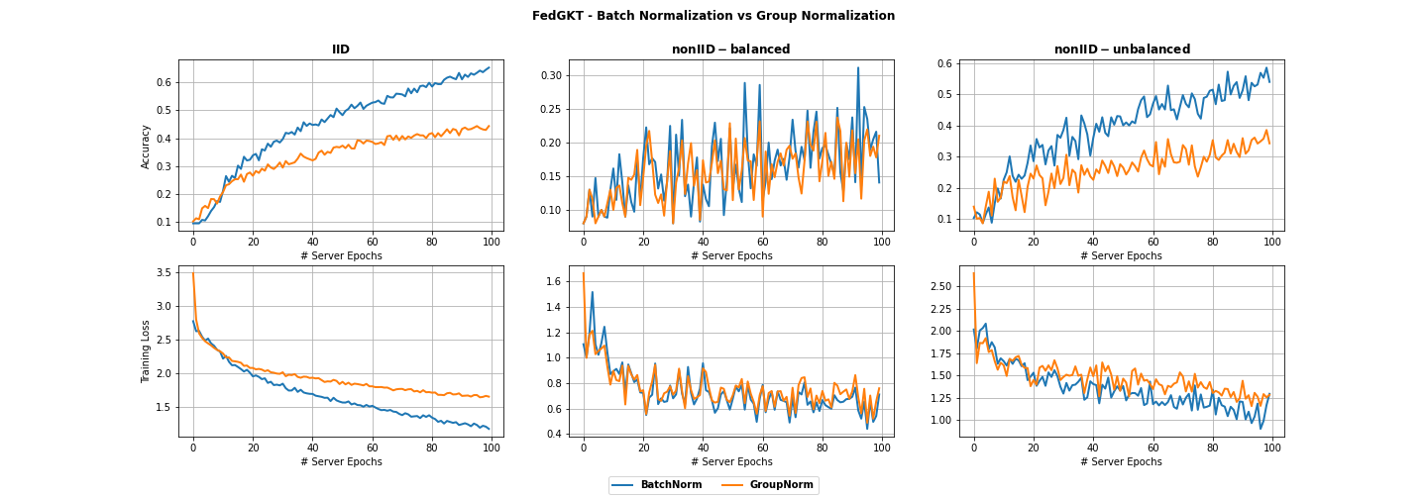

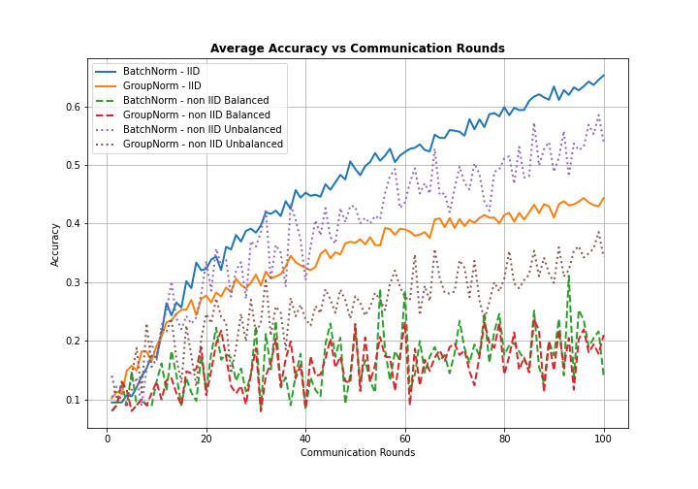
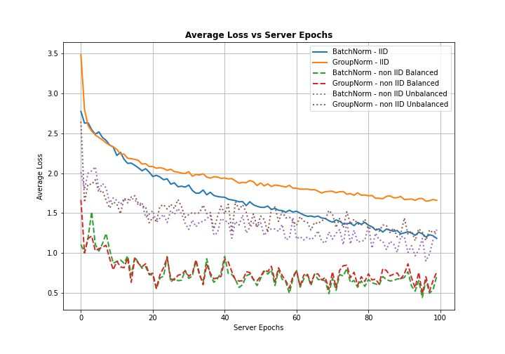

Gradient Inversion






FedProx
