correlation
0

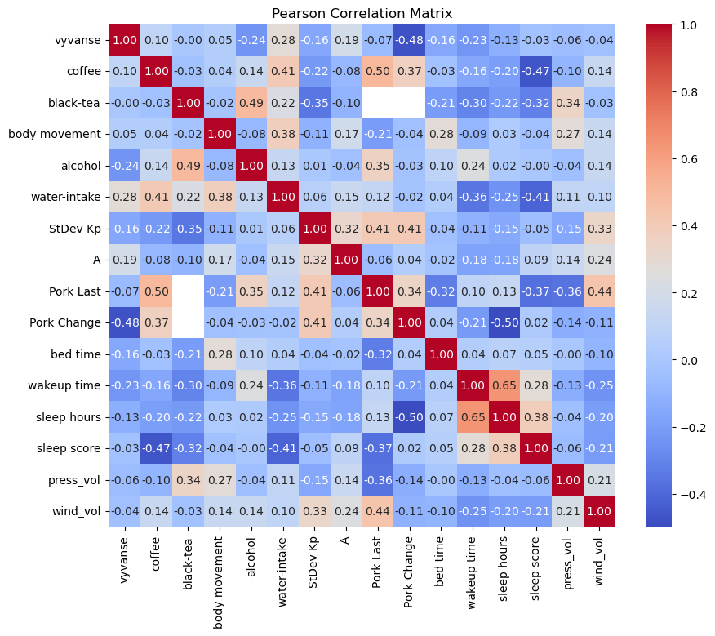
0
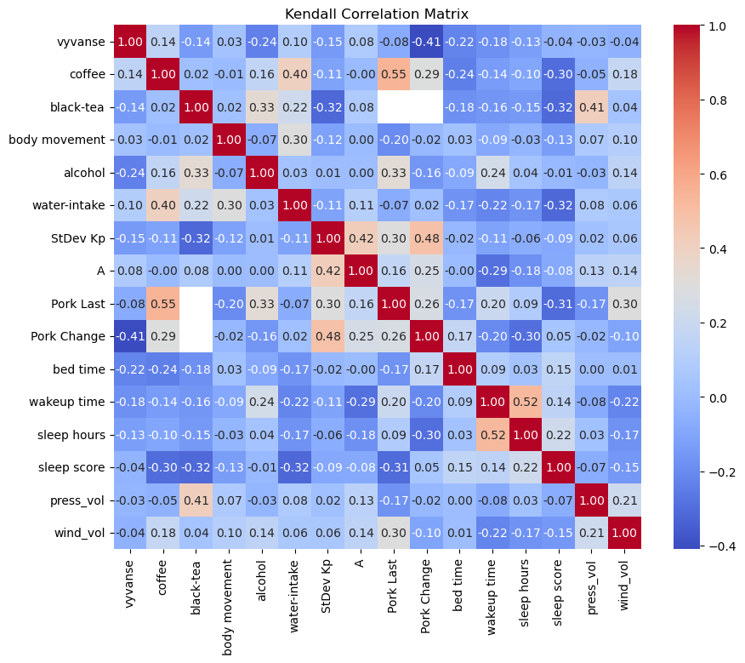
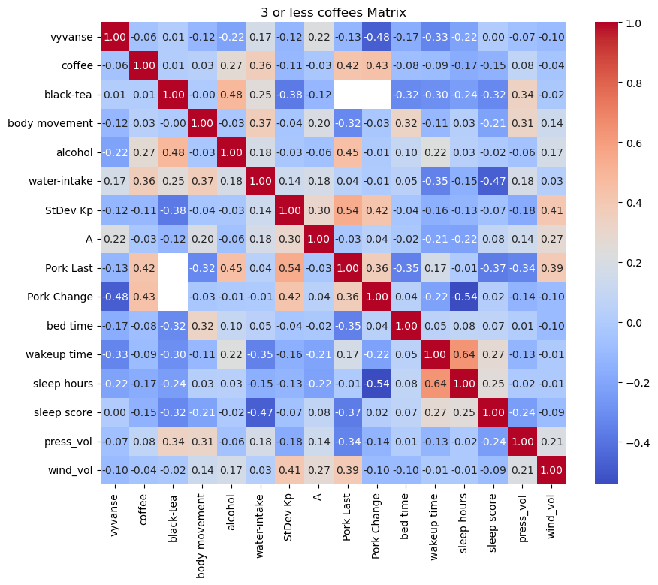
 | vyvanse | coffee | black-tea | body movement | alcohol | water-intake | StDev Kp | A | Pork Last | Pork Change | bed time | wakeup time | sleep hours | sleep score | press_vol | wind_vol
vyvanse | 1 | 0.10200469767 | -1.5535147057E-17 | 0.045579286462 | -0.23845524162 | 0.28238980963 | -0.1624891115 | 0.19102090987 | -0.068366004898 | -0.47625068035 | -0.15701853664 | -0.23162026272 | -0.12814390226 | -0.034995833553 | -0.056099679117 | -0.040640700467
coffee | 0.10200469767 | 1 | -0.031782086308 | 0.043130487328 | 0.13913448115 | 0.40932649028 | -0.21795793987 | -0.080665626594 | 0.50191338876 | 0.37272252379 | -0.032138346929 | -0.16201225145 | -0.19624510412 | -0.46705783609 | -0.09806815986 | 0.13591698453
black-tea | -1.5535147057E-17 | -0.031782086308 | 1 | -0.022519169287 | 0.48795003647 | 0.22347823559 | -0.34766638471 | -0.10253120079 | #NUM! | #NUM! | -0.206251311 | -0.30158721502 | -0.21865924469 | -0.31592177481 | 0.33893115287 | -0.032777456678
body movement | 0.045579286462 | 0.043130487328 | -0.022519169287 | 1 | -0.075992641875 | 0.37858851329 | -0.10727695738 | 0.17486258021 | -0.20670951584 | -0.038020204258 | 0.27656774072 | -0.089792782358 | 0.02690433227 | -0.036681731727 | 0.27437261438 | 0.13554807575
alcohol | -0.23845524162 | 0.13913448115 | 0.48795003647 | -0.075992641875 | 1 | 0.13012488114 | 0.0094562137614 | -0.041394768535 | 0.35193751913 | -0.028877542125 | 0.098365035333 | 0.24217665247 | 0.017445669425 | -0.0034031918531 | -0.043356761375 | 0.13621457295
water-intake | 0.28238980963 | 0.40932649028 | 0.22347823559 | 0.37858851329 | 0.13012488114 | 1 | 0.05856924142 | 0.1472941301 | 0.11615379617 | -0.02018348828 | 0.043995112574 | -0.35697516168 | -0.24579328356 | -0.41360876296 | 0.10745303275 | 0.098681109721
StDev Kp | -0.1624891115 | -0.21795793987 | -0.34766638471 | -0.10727695738 | 0.0094562137614 | 0.05856924142 | 1 | 0.32219283329 | 0.40892512571 | 0.41294462903 | -0.037459250218 | -0.11102025451 | -0.14934625074 | -0.051777793229 | -0.15494869065 | 0.32853218449
A | 0.19102090987 | -0.080665626594 | -0.10253120079 | 0.17486258021 | -0.041394768535 | 0.1472941301 | 0.32219283329 | 1 | -0.058057403182 | 0.042209490814 | -0.022695195627 | -0.17793593064 | -0.17505066688 | 0.087074021051 | 0.14220895404 | 0.23525416528
Pork Last | -0.068366004898 | 0.50191338876 | #NUM! | -0.20670951584 | 0.35193751913 | 0.11615379617 | 0.40892512571 | -0.058057403182 | 1 | 0.33915109277 | -0.32362926978 | 0.096752126884 | 0.12602968514 | -0.37073387348 | -0.3630149823 | 0.44370529234
Pork Change | -0.47625068035 | 0.37272252379 | #NUM! | -0.038020204258 | -0.028877542125 | -0.02018348828 | 0.41294462903 | 0.042209490814 | 0.33915109277 | 1 | 0.036649041887 | -0.2143334327 | -0.49858075341 | 0.021480249935 | -0.1350854263 | -0.11185228583
bed time | -0.15701853664 | -0.032138346929 | -0.206251311 | 0.27656774072 | 0.098365035333 | 0.043995112574 | -0.037459250218 | -0.022695195627 | -0.32362926978 | 0.036649041887 | 1 | 0.044102646169 | 0.066865211697 | 0.051994435266 | -0.0032029022401 | -0.09999832373
wakeup time | -0.23162026272 | -0.16201225145 | -0.30158721502 | -0.089792782358 | 0.24217665247 | -0.35697516168 | -0.11102025451 | -0.17793593064 | 0.096752126884 | -0.2143334327 | 0.044102646169 | 1 | 0.64768567332 | 0.28356169569 | -0.133277452 | -0.24883516128
sleep hours | -0.12814390226 | -0.19624510412 | -0.21865924469 | 0.02690433227 | 0.017445669425 | -0.24579328356 | -0.14934625074 | -0.17505066688 | 0.12602968514 | -0.49858075341 | 0.066865211697 | 0.64768567332 | 1 | 0.38088020233 | -0.04452230072 | -0.20337360875
sleep score | -0.034995833553 | -0.46705783609 | -0.31592177481 | -0.036681731727 | -0.0034031918531 | -0.41360876296 | -0.051777793229 | 0.087074021051 | -0.37073387348 | 0.021480249935 | 0.051994435266 | 0.28356169569 | 0.38088020233 | 1 | -0.062190367533 | -0.20898103422
press_vol | -0.056099679117 | -0.09806815986 | 0.33893115287 | 0.27437261438 | -0.043356761375 | 0.10745303275 | -0.15494869065 | 0.14220895404 | -0.3630149823 | -0.1350854263 | -0.0032029022401 | -0.133277452 | -0.04452230072 | -0.062190367533 | 1 | 0.21395895281
wind_vol | -0.040640700467 | 0.13591698453 | -0.032777456678 | 0.13554807575 | 0.13621457295 | 0.098681109721 | 0.32853218449 | 0.23525416528 | 0.44370529234 | -0.11185228583 | -0.09999832373 | -0.24883516128 | -0.20337360875 | -0.20898103422 | 0.21395895281 | 1

less coffee <=1000
 | vyvanse | coffee | black-tea | body movement | alcohol | water-intake | StDev Kp | A | Pork Last | Pork Change | bed time | wakeup time | sleep hours | sleep score | press_vol | wind_vol
vyvanse | 1 | -0.056489836339 | 0.01007278705 | -0.12032957654 | -0.21684124109 | 0.17337602868 | -0.12225876521 | 0.21691611949 | -0.12555608791 | -0.47978885407 | -0.16555960248 | -0.3327854433 | -0.21502866914 | 0.002716967792 | -0.066571462184 | -0.102089678
coffee | -0.056489836339 | 1 | 0.007767122075 | 0.030366479254 | 0.26574132262 | 0.36218261261 | -0.1111929269 | -0.034526795181 | 0.42465341944 | 0.43396416345 | -0.081325535409 | -0.092810275864 | -0.17450589177 | -0.14692012184 | 0.076914899365 | -0.044938864183
black-tea | 0.01007278705 | 0.007767122075 | 1 | -0.0045391214851 | 0.48483173698 | 0.2486730684 | -0.37543160822 | -0.11593034518 | #NUM! | #NUM! | -0.31575636175 | -0.30086308971 | -0.23640178106 | -0.32157928425 | 0.33762149069 | -0.0227466998
body movement | -0.12032957654 | 0.030366479254 | -0.0045391214851 | 1 | -0.031937040975 | 0.36614753717 | -0.036641914716 | 0.20451847777 | -0.32366695691 | -0.034477874498 | 0.32006795322 | -0.10981265045 | 0.029106108613 | -0.21320870815 | 0.31436580318 | 0.13747419952
alcohol | -0.21684124109 | 0.26574132262 | 0.48483173698 | -0.031937040975 | 1 | 0.18383938445 | -0.025770037348 | -0.06052793365 | 0.44710266567 | -0.0105886823 | 0.10075415908 | 0.2237730656 | 0.030265726699 | -0.018050659143 | -0.057237271304 | 0.170137295
water-intake | 0.17337602868 | 0.36218261261 | 0.2486730684 | 0.36614753717 | 0.18383938445 | 1 | 0.14227381891 | 0.17971573348 | 0.039561957998 | -0.0052399222411 | 0.046453151393 | -0.34956769364 | -0.15093551134 | -0.47234916258 | 0.17674184362 | 0.025472789048
StDev Kp | -0.12225876521 | -0.1111929269 | -0.37543160822 | -0.036641914716 | -0.025770037348 | 0.14227381891 | 1 | 0.30485457922 | 0.54071839254 | 0.4248823221 | -0.036908654165 | -0.15662438443 | -0.12938013482 | -0.065154408835 | -0.17840074413 | 0.40560088699
A | 0.21691611949 | -0.034526795181 | -0.11593034518 | 0.20451847777 | -0.06052793365 | 0.17971573348 | 0.30485457922 | 1 | -0.03315942137 | 0.040861672805 | -0.023201224444 | -0.20913224987 | -0.21933437584 | 0.079915973069 | 0.13844585302 | 0.27160128161
Pork Last | -0.12555608791 | 0.42465341944 | #NUM! | -0.32366695691 | 0.44710266567 | 0.039561957998 | 0.54071839254 | -0.03315942137 | 1 | 0.36209152417 | -0.35482520299 | 0.17211247139 | -0.0051694075328 | -0.37073387348 | -0.34359938316 | 0.3867787545
Pork Change | -0.47978885407 | 0.43396416345 | #NUM! | -0.034477874498 | -0.0105886823 | -0.0052399222411 | 0.4248823221 | 0.040861672805 | 0.36209152417 | 1 | 0.037466275067 | -0.22276444079 | -0.54255932245 | 0.021480249935 | -0.13839282806 | -0.099260839287
bed time | -0.16555960248 | -0.081325535409 | -0.31575636175 | 0.32006795322 | 0.10075415908 | 0.046453151393 | -0.036908654165 | -0.023201224444 | -0.35482520299 | 0.037466275067 | 1 | 0.04959315121 | 0.076976861889 | 0.071074043576 | 0.0087198655201 | -0.10265070167
wakeup time | -0.3327854433 | -0.092810275864 | -0.30086308971 | -0.10981265045 | 0.2237730656 | -0.34956769364 | -0.15662438443 | -0.20913224987 | 0.17211247139 | -0.22276444079 | 0.04959315121 | 1 | 0.63585468428 | 0.27493172671 | -0.12954396568 | -0.010207614021 |  |  |  |  |  |  |  |  |  |  |  |  |  |  |  | 876
sleep hours | -0.21502866914 | -0.17450589177 | -0.23640178106 | 0.029106108613 | 0.030265726699 | -0.15093551134 | -0.12938013482 | -0.21933437584 | -0.0051694075328 | -0.54255932245 | 0.076976861889 | 0.63585468428 | 1 | 0.25272255931 | -0.017758509646 | -0.010898728924 |  |  |  |  |  |  |  |  |  |  |  |  |  |  |  | 779
sleep score | 0.002716967792 | -0.14692012184 | -0.32157928425 | -0.21320870815 | -0.018050659143 | -0.47234916258 | -0.065154408835 | 0.079915973069 | -0.37073387348 | 0.021480249935 | 0.071074043576 | 0.27493172671 | 0.25272255931 | 1 | -0.236808615 | -0.093840654641
press_vol | -0.066571462184 | 0.076914899365 | 0.33762149069 | 0.31436580318 | -0.057237271304 | 0.17674184362 | -0.17840074413 | 0.13844585302 | -0.34359938316 | -0.13839282806 | 0.0087198655201 | -0.12954396568 | -0.017758509646 | -0.236808615 | 1 | 0.20659357944
wind_vol | -0.102089678 | -0.044938864183 | -0.0227466998 | 0.13747419952 | 0.170137295 | 0.025472789048 | 0.40560088699 | 0.27160128161 | 0.3867787545 | -0.099260839287 | -0.10265070167 | -0.010207614021 | -0.010898728924 | -0.093840654641 | 0.20659357944 | 1
 | vyvanse | coffee | black-tea | body movement | alcohol | water-intake | StDev Kp | A | Pork Last | Pork Change | bed time | wakeup time | sleep hours | sleep score | press_vol | wind_vol
vyvanse | 1 | 0.14344282948 | -0.1443375673 | 0.033468679649 | -0.23845524162 | 0.10116413584 | -0.14553175578 | 0.080675564129 | -0.076583958107 | -0.41038386715 | -0.22323006222 | -0.18292837772 | -0.1290133112 | -0.039328655905 | -0.026232208374 | -0.041354867327
coffee | 0.14344282948 | 1 | 0.017170070494 | -0.005167078973 | 0.16070868074 | 0.40177787369 | -0.10966454316 | -0.0038705649986 | 0.54562227154 | 0.29185673946 | -0.24116205725 | -0.13776507822 | -0.097742088424 | -0.3026153251 | -0.05167078973 | 0.17605357805
black-tea | -0.1443375673 | 0.017170070494 | 1 | 0.022821773229 | 0.33071891388 | 0.21771589304 | -0.31950482521 | 0.081241710452 | #NUM! | #NUM! | -0.18257418584 | -0.16110055813 | -0.14896350577 | -0.31666666667 | 0.41079191813 | 0.038115410317
body movement | 0.033468679649 | -0.005167078973 | 0.022821773229 | 1 | -0.066571632168 | 0.29639987829 | -0.1164021164 | 0.0027534734604 | -0.19830309313 | -0.015626907698 | 0.026020211737 | -0.090110076257 | -0.028407443958 | -0.13371979722 | 0.070707070707 | 0.10283687943
alcohol | -0.23845524162 | 0.16070868074 | 0.33071891388 | -0.066571632168 | 1 | 0.030429030973 | 0.0054133196196 | 0.0048243358945 | 0.32577918207 | -0.15811388301 | -0.085836997711 | 0.23877843961 | 0.038259560518 | -0.013086158272 | -0.028530699501 | 0.14059189831
water-intake | 0.10116413584 | 0.40177787369 | 0.21771589304 | 0.29639987829 | 0.030429030973 | 1 | -0.1084166581 | 0.10887279174 | -0.070675349274 | 0.020965696734 | -0.17239154831 | -0.22089737164 | -0.17345659591 | -0.31711642774 | 0.081090532741 | 0.064745017453
StDev Kp | -0.14553175578 | -0.10966454316 | -0.31950482521 | -0.1164021164 | 0.0054133196196 | -0.1084166581 | 1 | 0.42056004125 | 0.29745463969 | 0.48443413864 | -0.015915175352 | -0.11170370791 | -0.063830690232 | -0.087038827978 | 0.021164021164 | 0.058461538462
A | 0.080675564129 | -0.0038705649986 | 0.081241710452 | 0.0027534734604 | 0.0048243358945 | 0.10887279174 | 0.42056004125 | 1 | 0.16428080438 | 0.25493354918 | -0.0013842292303 | -0.28989775973 | -0.17970480351 | -0.08163641367 | 0.1321667261 | 0.14165493297
Pork Last | -0.076583958107 | 0.54562227154 | #NUM! | -0.19830309313 | 0.32577918207 | -0.070675349274 | 0.29745463969 | 0.16428080438 | 1 | 0.2643718463 | -0.17351520649 | 0.19830309313 | 0.087595860425 | -0.31008683647 | -0.17351520649 | 0.29683646695 |  | vyvanse | coffee | black-tea | body movement | alcohol | water-intake | StDev Kp | A | Pork Last | Pork Change | bed time | wakeup time | sleep hours | sleep score | press_vol | wind_vol
Pork Change | -0.41038386715 | 0.29185673946 | #NUM! | -0.015626907698 | -0.15811388301 | 0.020965696734 | 0.48443413864 | 0.25493354918 | 0.2643718463 | 1 | 0.17189598468 | -0.20314980007 | -0.29978002058 | 0.047140452079 | -0.015626907698 | -0.10482848367 | date
bed time | -0.22323006222 | -0.24116205725 | -0.18257418584 | 0.026020211737 | -0.085836997711 | -0.17239154831 | -0.015915175352 | -0.0013842292303 | -0.17351520649 | 0.17189598468 | 1 | 0.09271054494 | 0.032497401444 | 0.15247134733 | 0.004922742761 | 0.0071302267286 | 45815 | 20 | 900 | 300 | 4444 | 1 | 3178 | 1.1028082052 | 20 | #NUM! | #NUM! | 0.90902777778 | 0.22847222222 | 0.27291666667 | 91 | 0.0019940654189 | 1.6272867987
wakeup time | -0.18292837772 | -0.13776507822 | -0.16110055813 | -0.090110076257 | 0.23877843961 | -0.22089737164 | -0.11170370791 | -0.28989775973 | 0.19830309313 | -0.20314980007 | 0.09271054494 | 1 | 0.52279506176 | 0.14133037414 | -0.079687856319 | -0.22184742144 | 45816 | 20 | 900 | 300 | 6130 | 0 | 3692 | 0.83210482363 | 15 | #NUM! | #NUM! | 0.91944444444 | 0.22777777778 | 0.27847222222 | #NUM! | 0.0019400968127 | 1.5891024677
sleep hours | -0.1290133112 | -0.097742088424 | -0.14896350577 | -0.028407443958 | 0.038259560518 | -0.17345659591 | -0.063830690232 | -0.17970480351 | 0.087595860425 | -0.29978002058 | 0.032497401444 | 0.52279506176 | 1 | 0.22224514172 | 0.026736464502 | -0.17187097441 | 45817 | 30 | 900 | 300 | 5244 | 0 | 3441 | 0.72529304422 | 15 | #NUM! | #NUM! | 0.94097222222 | 0.20138888889 | 0.20972222222 | 85 | 0.0030699362899 | #NUM!
sleep score | -0.039328655905 | -0.3026153251 | -0.31666666667 | -0.13371979722 | -0.013086158272 | -0.31711642774 | -0.087038827978 | -0.08163641367 | -0.31008683647 | 0.047140452079 | 0.15247134733 | 0.14133037414 | 0.22224514172 | 1 | -0.067717671683 | -0.15409224819 | 45818 | 30 | 900 | 300 | 4890 | 0 | 3387 | 0.47023265518 | 9 | #NUM! | #NUM! | 0.93819444444 | 0.23055555556 | 0.27152777778 | 87 | 0.0026911605326 | 1.5974152777
press_vol | -0.026232208374 | -0.05167078973 | 0.41079191813 | 0.070707070707 | -0.028530699501 | 0.081090532741 | 0.021164021164 | 0.1321667261 | -0.17351520649 | -0.015626907698 | 0.004922742761 | -0.079687856319 | 0.026736464502 | -0.067717671683 | 1 | 0.21428571429 | 45819 | 30 | 900 | 300 | 3105 | 0 | 3410 | 1.0666704915 | 18 | #NUM! | #NUM! | 0.92291666667 | 0.20069444444 | 0.24305555556 | 85 | 0.0019954876796 | 1.963612975
wind_vol | -0.041354867327 | 0.17605357805 | 0.038115410317 | 0.10283687943 | 0.14059189831 | 0.064745017453 | 0.058461538462 | 0.14165493297 | 0.29683646695 | -0.10482848367 | 0.0071302267286 | -0.22184742144 | -0.17187097441 | -0.15409224819 | 0.21428571429 | 1

 | vyvanse | coffee | black-tea | body movement | alcohol | water-intake | StDev Kp | A | Pork Last | Pork Change | bed time | wakeup time | sleep hours | sleep score | press_vol | wind_vol
vyvanse | 1 | 0.15634036703 | -0.15244318679 | 0.033976479429 | -0.23845524162 | 0.13253427093 | -0.17513922161 | 0.099477887283 | -0.078640268938 | -0.42401179072 | -0.27960519556 | -0.22837011221 | -0.16727626764 | -0.050756438321 | -0.035038244411 | -0.043454243486
coffee | 0.15634036703 | 1 | 0.021190435948 | -0.0049850094019 | 0.17013718904 | 0.49817956849 | -0.1236443389 | -0.0072162780836 | 0.58895768198 | 0.31956992942 | -0.3225630966 | -0.17853010986 | -0.12527430546 | -0.37022373839 | -0.058921176701 | 0.2146939007
black-tea | -0.15244318679 | 0.021190435948 | 1 | 0.023269258979 | 0.34929122133 | 0.27227160912 | -0.38125785866 | 0.073658967604 | #NUM! | #NUM! | -0.2165831028 | -0.24199844691 | -0.22211631271 | -0.39866413121 | 0.50834381154 | 0.014902389683
body movement | 0.033976479429 | -0.0049850094019 | 0.023269258979 | 1 | -0.080064076903 | 0.42547027777 | -0.17405582923 | -0.0046667470048 | -0.25153400438 | -0.010211527151 | 0.061549028296 | -0.13685085347 | -0.055246826782 | -0.19230843472 | 0.10743145743 | 0.14491967
alcohol | -0.23845524162 | 0.17013718904 | 0.34929122133 | -0.080064076903 | 1 | 0.03652108062 | 0.0065060004863 | 0.0057293656064 | 0.33493206353 | -0.16089615895 | -0.10297096416 | 0.28607414813 | 0.045778857644 | -0.015076759115 | -0.034313175815 | 0.16884540838
water-intake | 0.13253427093 | 0.49817956849 | 0.27227160912 | 0.42547027777 | 0.03652108062 | 1 | -0.050068692386 | 0.17692270253 | -0.10566035498 | 0.046880723094 | -0.24657149894 | -0.30741512942 | -0.24357044444 | -0.42144027236 | 0.12902856927 | 0.1079599425
StDev Kp | -0.17513922161 | -0.1236443389 | -0.38125785866 | -0.17405582923 | 0.0065060004863 | -0.050068692386 | 1 | 0.54034232002 | 0.37428259852 | 0.56673975688 | 0 | -0.15390938839 | -0.10761228339 | -0.13807160039 | 0.037219485495 | 0.066666666667
A | 0.099477887283 | -0.0072162780836 | 0.073658967604 | -0.0046667470048 | 0.0057293656064 | 0.17692270253 | 0.54034232002 | 1 | 0.17686514999 | 0.32310878942 | -0.00076122945664 | -0.39266001207 | -0.26518547895 | -0.099577803358 | 0.18920615574 | 0.21464676882
Pork Last | -0.078640268938 | 0.58895768198 | #NUM! | -0.25153400438 | 0.33493206353 | -0.10566035498 | 0.37428259852 | 0.17686514999 | 1 | 0.28192364355 | -0.19720265944 | 0.24348491624 | 0.12296837694 | -0.35317878728 | -0.20122720351 | 0.35875376342
Pork Change | -0.42401179072 | 0.31956992942 | #NUM! | -0.010211527151 | -0.16089615895 | 0.046880723094 | 0.56673975688 | 0.32310878942 | 0.28192364355 | 1 | 0.23231224269 | -0.25784106056 | -0.36827319637 | 0.088287141406 | -0.02297593609 | -0.14064216928
bed time | -0.27960519556 | -0.3225630966 | -0.2165831028 | 0.061549028296 | -0.10297096416 | -0.24657149894 | 0 | -0.00076122945664 | -0.19720265944 | 0.23231224269 | 1 | 0.13234396469 | 0.041769979506 | 0.21772099958 | 0.018533350528 | 0.015257643498
wakeup time | -0.22837011221 | -0.17853010986 | -0.24199844691 | -0.13685085347 | 0.28607414813 | -0.30741512942 | -0.15390938839 | -0.39266001207 | 0.24348491624 | -0.25784106056 | 0.13234396469 | 1 | 0.68903252645 | 0.1929007386 | -0.12185032829 | -0.30123284656
sleep hours | -0.16727626764 | -0.12527430546 | -0.22211631271 | -0.055246826782 | 0.045778857644 | -0.24357044444 | -0.10761228339 | -0.26518547895 | 0.12296837694 | -0.36827319637 | 0.041769979506 | 0.68903252645 | 1 | 0.32127504291 | 0.041398880257 | -0.2580134964
sleep score | -0.050756438321 | -0.37022373839 | -0.39866413121 | -0.19230843472 | -0.015076759115 | -0.42144027236 | -0.13807160039 | -0.099577803358 | -0.35317878728 | 0.088287141406 | 0.21772099958 | 0.1929007386 | 0.32127504291 | 1 | -0.095353621051 | -0.20683354991
press_vol | -0.035038244411 | -0.058921176701 | 0.50834381154 | 0.10743145743 | -0.034313175815 | 0.12902856927 | 0.037219485495 | 0.18920615574 | -0.20122720351 | -0.02297593609 | 0.018533350528 | -0.12185032829 | 0.041398880257 | -0.095353621051 | 1 | 0.31551020408
wind_vol | -0.043454243486 | 0.2146939007 | 0.014902389683 | 0.14491967 | 0.16884540838 | 0.1079599425 | 0.066666666667 | 0.21464676882 | 0.35875376342 | -0.14064216928 | 0.015257643498 | -0.30123284656 | -0.2580134964 | -0.20683354991 | 0.31551020408 | 1

