correlation
journal-date | coffee | vyvanse | Body movement | sleep-hours | fitbit-sleep-score | wake-up-time | 0
2025-04-19 | 900 | 10 | 4316 | 0.29 | 87 | 0.21
2025-04-18 | 1200 | 20 | 4261 | 0.31 | 86 | 0.30 | 0
2025-04-20 | 1200 | 10 | 3956 | 0.27 | 87 | 0.22
2025-04-21 | 900 | 30 | 5112 | 0.26 | 89 | 0.22 |  | journal-date | coffee | vyvanse | Body movement | sleep-hours | fitbit-sleep-score | wake-up-time
2025-04-22 | 900 | 30 | 5860 | 0.26 | 88 | 0.22 | journal-date | 1 | -0.52279901397 | -0.17647058824 | 0.33660579737 | -0.15398696827 | -0.17165895575 | -0.14778261413
2025-04-25 | 1200 | 30 | 4829 | 0.22 | 85 | 0.22 | coffee | -0.52279901397 | 1 | 0.48507125007 | 0.015590364659 | 0.041843017213 | -0.22472293098 | 0.076266729697
2025-04-23 | 1500 | 30 | 6785 | 0.26 | 85 | 0.23 | vyvanse | -0.17647058824 | 0.48507125007 | 1 | 0.29611445722 | -0.18189276958 | -0.040016339224 | -0.033991530186
2025-04-24 | 1200 | 30 | 4154 | 0.35 | 85 | 0.34 | Body movement | 0.33660579737 | 0.015590364659 | 0.29611445722 | 1 | 0.049612468284 | 0.041297700607 | 0.032993840207
2025-04-26 | 900 | 20 | 4750 | 0.28 | 87 | 0.23 | sleep-hours | -0.15398696827 | 0.041843017213 | -0.18189276958 | 0.049612468284 | 1 | 0.19144083919 | 0.67998827015
2025-04-28 | 900 | 30 | 4681 | 0.26 | 90 | 0.21 | fitbit-sleep-score | -0.17165895575 | -0.22472293098 | -0.040016339224 | 0.041297700607 | 0.19144083919 | 1 | 0.0702023305
2025-04-27 | 1200 | 20 | 4467 | 0.26 | 88 | 0.20 | wake-up-time | -0.14778261413 | 0.076266729697 | -0.033991530186 | 0.032993840207 | 0.67998827015 | 0.0702023305 | 1
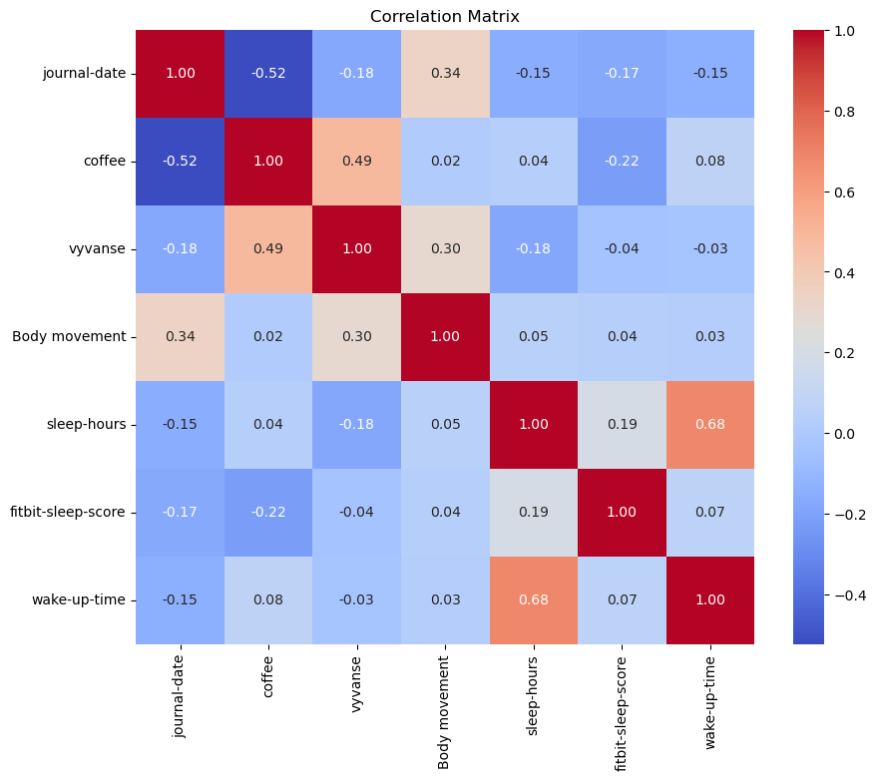
2025-04-29 | 1200 | 30 | 5607 | 0.27 | 91 | 0.19
2025-04-30 | 1500 | 30 | 3831 | 0.29 | 84 | 0.20
2025-05-02 | 1500 | 30 | 5922 | 0.23 | 74 | 0.18
2025-05-01 | 1200 | 30 | 5745 | 0.23 | 81 | 0.22
2025-05-03 | 900 | 20 | 6710 | 0.37 |  | 0.32
2025-05-04 | 900 | 20 | 5928 | 0.40 | 86 | 0.23
2025-05-05 | 600 | 10 | 3319 | 0.28 | 80 | 0.23
2025-05-07 | 900 | 20 | 5544 | 0.27 | 89 | 0.23
2025-05-06 | 600 | 20 | 5531 | 0.26 |  | 0.23
2025-05-08 | 900 | 20 | 4851 | 0.22 | 85 | 0.20
2025-05-09 | 900 | 20 | 5183 | 0.27 | 87 | 0.25
2025-05-10 | 600 | 20 | 5589 | 0.22 | 87 | 0.18
2025-05-12 | 900 | 20 | 5783 | 0.29 | 86 | 0.27
2025-05-11 | 900 | 20 | 7124 | 0.28 | 87 | 0.23
2025-05-13 | 300 | 20 | 4918 | 0.23 | 84 | 0.19

