VLSM
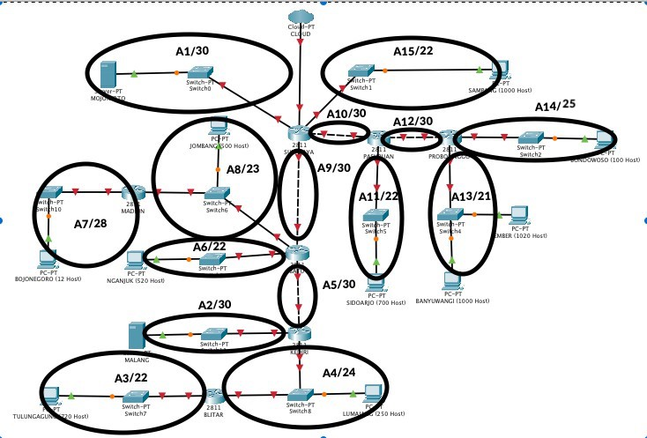
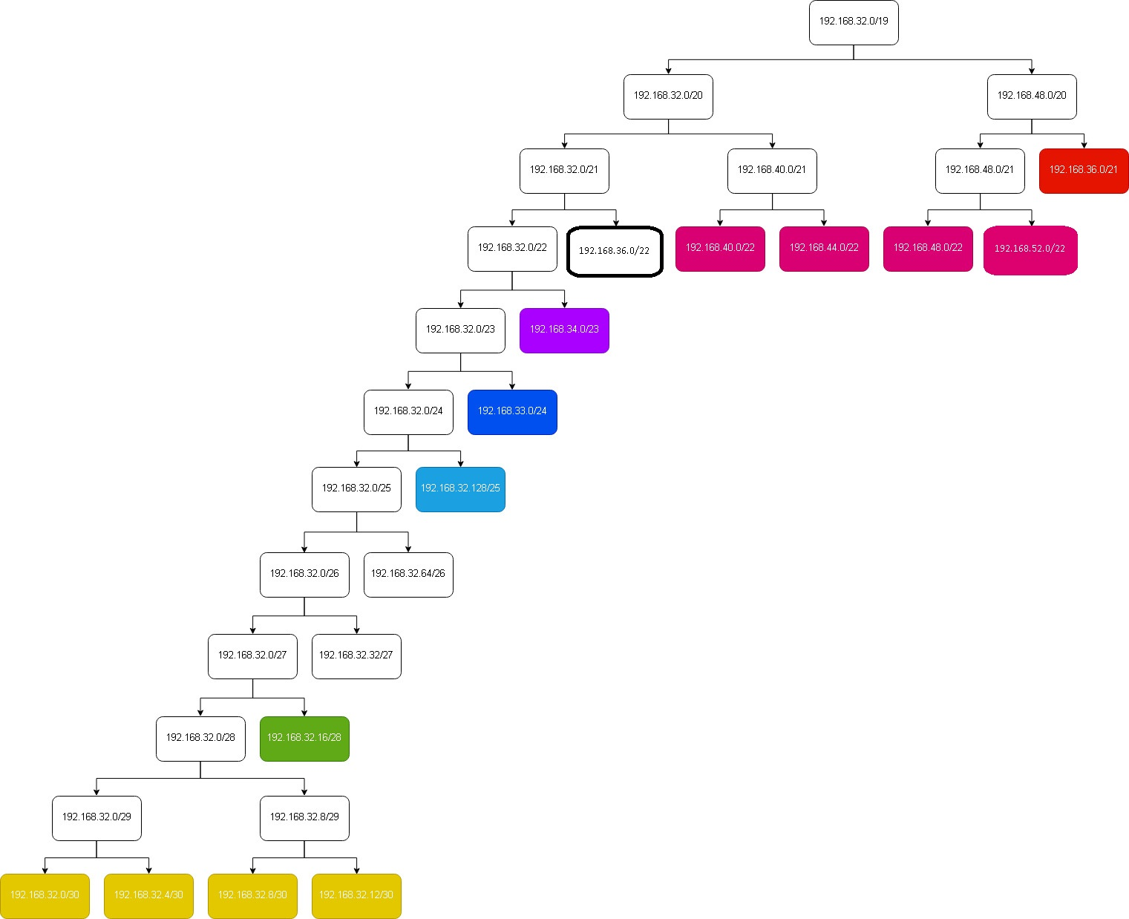
Server
Subnet | Jumlah IP | Netmask | NID
A1 | 2 | /30 | 10.151.73.48/30
A2 | 2 | /30 | 10.151.73.52/30
Client
Subnet | Jumlah IP | Netmask | NID | Netmask | Host
A3 | 721 | /22 | 192.168.52.0/22 | 255.255.252.0 | 720 Host
A4 | 252 | /24 | 192.168.33.0/24 | 255.255.255.0 | 250 Host
A5 | 2 | /30 | 192.168.32.0/30 | 255,255,255,252 | 2 Host
A6 | 521 | /22 | 192.168.40.0/22 | 255.255.252.0 | 520 Host
A7 | 13 | /28 | 192.168.32.16/28 | 255,255,255,240 | 12 Host
A8 | 502 | /23 | 192.168.34.0/23 | 255.255.254.0 | 500 Host
A9 | 2 | /30 | 192.168.32.4/30 | 255,255,255,252 | 2 Host
A10 | 2 | /30 | 192.168.32.8/30 | 255,255,255,252 | 2 Host
A11 | 701 | /22 | 192.168.44.0/22 | 255.255.252.0 | 700 Host
A12 | 2 | /30 | 192.168.32.12/30 | 255,255,255,252 | 2 Host
A13 | 2021 | /21 | 192.168.36.0/22 | 255.255.252.0 | 2020 Host
A14 | 101 | /25 | 192.168.32.128/25 | 255,255,255,128 | 100 Host
A15 | 1001 | /22 | 192.168.48.0/22 | 255.255.252.0 | 1000 Host
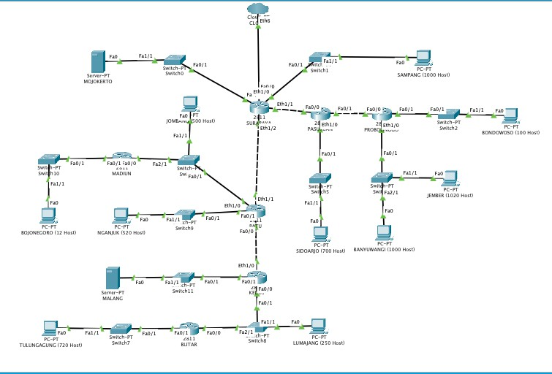
Total | 5841 | /19 | 192.168.0.0/19

CIDR
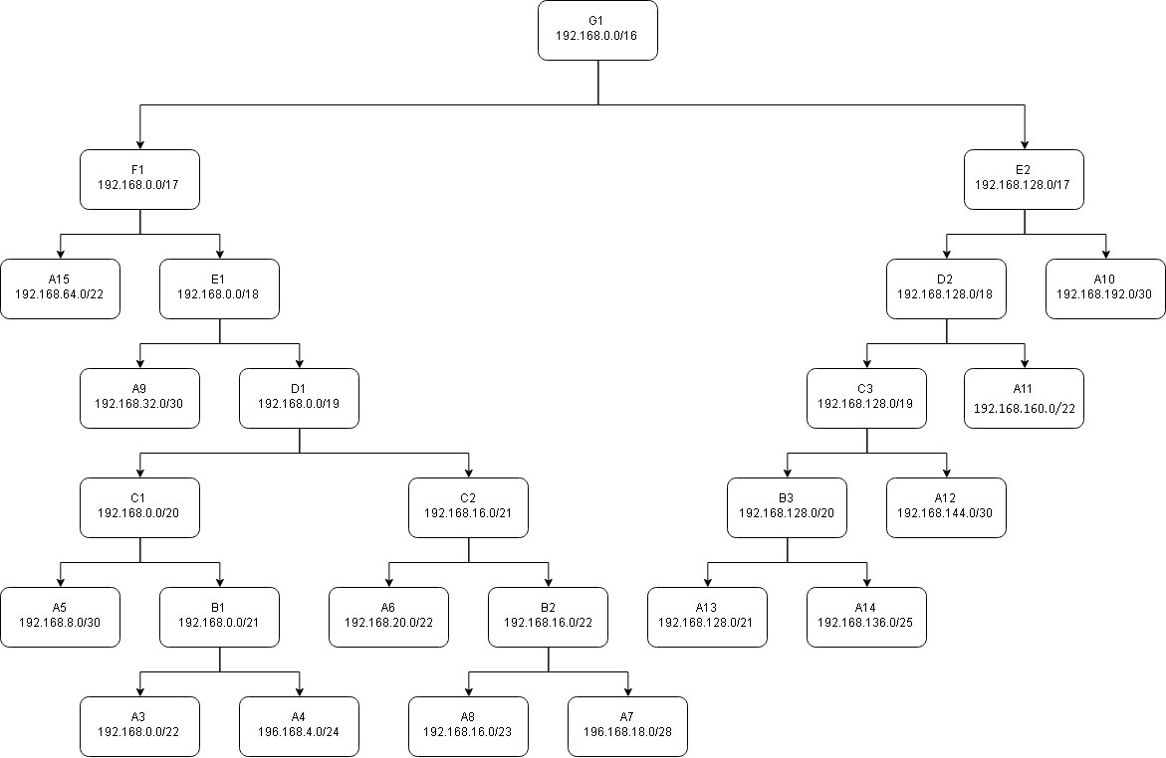
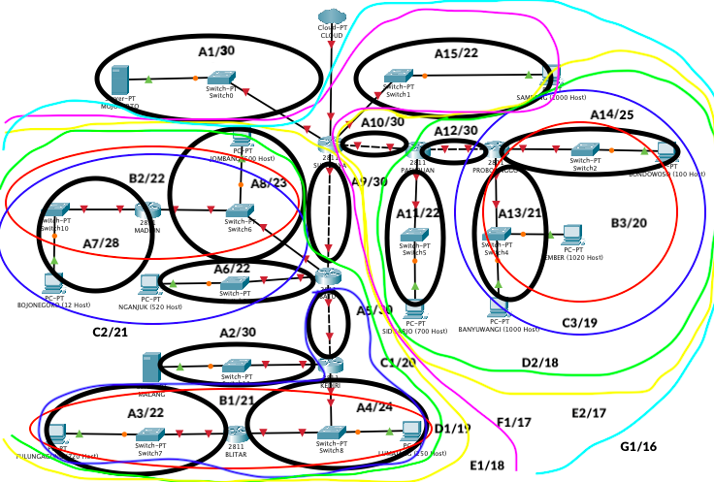

 | IP | Netmask | Broadcast Address | Perhitungan Broadcast Address
A3 | 192.168.0.0/22 | 255.255.252.0 | 192.168.3.255 | A3 | IP | 192.168.0.0 | 1100.0000-1010.1000-0000.0000-0000.0000 |  | A10 | IP | 192.168.192.0 | 1100.0000-1010.1000-1100.0000-0000.0000
A4 | 192.168.4.0/24 | 255.255.255.0 | 192.168.4.255 |  | bit | 1100.0000-1010.1000-0000.0000-0000.0000 |  |  |  | bit | 1100.0000-1010.1000-1100.0000-0000.0000
A5 | 192.168.8.0/30 | 255,255,255,252 | 192.168.8.3 |  | Netmask | 255.255.252.0 | 0000.0000-0000.0000-0000.0011-1111.1111 |  |  | Netmask | 255,255,255,252 | 0000.0000-0000.0000-0000.0000-0000.0011
A6 | 192.168.20.0/22 | 255.255.252.0 | 192.168.23.255 |  | bit | 1111.1111-1111.1111-1111.1100-0000.0000 |  |  |  | bit | 1111.1111-1111.1111-1111.1111-1111.1100
A7 | 192.168.18.0/28 | 255,255,255,240 | 192.168.18.15 |  | bit' | 0000.0000-0000.0000-0000.0011-1111.1111 | 1100.0000-1010.1000-0000.0011-1111.1111 | 192.168.3.255 |  | bit' | 0000.0000-0000.0000-0000.0000-0000.0011 | 1100.0000-1010.1000-1100.0000-0000.0011 | 192.168.192.3
A8 | 192.168.16.0/23 | 255.255.254.0 | 192.168.17.255 | A4 | IP | 192.168.4.0 | 1100.000-1010.1000-0000.0100-0000.0000 |  | A11 | IP | 192.168.160.0 | 1100.0000-1010.1000-1010.0000-0000.0000
A9 | 192.168.32.0/30 | 255,255,255,252 | 192.168.39.255 |  | bit | 1100.000-1010.1000-0000.0100-0000.0000 |  |  |  | bit | 1100.0000-1010.1000-1010.0000-0000.0000
A10 | 192.168.192.0/30 | 255,255,255,252 | 192.168.192.3 |  | Netmask | 255.255.255.0 | 0000.0000-0000.0000-0000.0000-1111.1111 |  |  | Netmask | 255.255.252.0 | 0000.0000-0000.0000-0000.0011-1111.1111
A11 | 192.168.160.0/22 | 255.255.252.0 | 192,168,163,255 |  | bit | 1111.1111-1111.1111-1111.1111-0000.0000 |  |  |  | bit | 1111.1111-1111.1111-1111.1100-0000.0000
A12 | 192.168.144.0/30 | 255,255,255,252 | 192.168.144.3 |  | bit' | 0000.0000-0000.0000-0000.0000-1111.1111 | 1100.0000-1010.0000-0100.0000-1111.1111 | 192.168.4.255 |  | bit' | 0000.0000-0000.0000-0000.0011-1111.1111 | 1100.0000-1010.1000-1010.0011-1111.1111 | 192,168,163,255
A13 | 192.168.128.0/21 | 255.255.248.0 | 192,168,135,255 | A5 | IP | 192.168.8.0 | 1100.0000-1010.1000-0000.1000-0000.0000 |  | A12 | IP | 192.168.144.0 | 1100.0000-1010.1000-1001.0000-0000.0000
A14 | 192.168.136.0/25 | 255,255,255,128 | 192,168,136,127 |  | bit | 1100.0000-1010.1000-0000.1000-0000.0000 |  |  |  | bit | 1100.0000-1010.1000-1001.0000-0000.0000
A15 | 192.168.64.0/22 | 255.255.252.0 | 192.168.67.255 |  | Netmask | 255,255,255,252 | 0000.0000-0000.0000-0000.0000-0000.0011 |  |  | Netmask | 255,255,255,252 | 0000.0000-0000.0000-0000.0000-0000.0011
 |  |  |  |  | bit | 1111.1111-1111.1111-1111.1111-1111.1100 |  |  |  | bit | 1111.1111-1111.1111-1111.1111-1111.1100
 |  |  |  |  | bit' | 0000.0000-0000.0000-0000.0000-0000.0011 | 1100.0000-1010.1000-0000.1000-0000.0011 | 192.168.8.3 |  | bit' | 0000.0000-0000.0000-0000.0000-0000.0011 | 1100.0000-1010.1000-1001.0000-0000.0011 | 192.168.144.3
 |  |  |  | A6 | IP | 192.168.20.0 | 1100.0000-1010.1000-0001.0100-0000.0000 |  | A13 | IP | 192.168.128.0 | 1100.0000-1010.1000-1000.0000-0000.0000
 |  |  |  |  | bit | 1100.0000-1010.1000-0001.0100-0000.0000 |  |  |  | bit | 1100.0000-1010.1000-1000.0000-0000.0000
 |  |  |  |  | Netmask | 255.255.252.0 | 0000.0000-0000.0000-0000.0011.1111.1111 |  |  | Netmask | 255.255.248.0 | 0000.0000-0000.0000-0000.0111-1111.1111
 |  |  |  |  | bit | 1111.1111-1111.1111-1111.1100-0000.0000 |  |  |  | bit | 1111.1111-1111.1111-1111.1000-0000.0000
 |  |  |  |  | bit' | 0000.0000-0000.0000-0000.0011.1111.1111 | 1100.0000-1010.1000-0001.0111-1111.1111 | 192.168.23.255 |  | bit' | 0000.0000-0000.0000-0000.0111-1111.1111 | 1100.0000-1010.1000-1000.0111-1111.1111 | 192,168,135,255
 |  |  |  | A7 | IP | 192.168.18.0 | 1100.0000-1010.1000-0001.0010-0000.0000 |  | A14 | IP | 192.168.136.0 | 1100.0000-1010.1000-1000.1000-0000.0000
 |  |  |  |  | bit | 1100.0000-1010.1000-0001.0010-0000.0000 |  |  |  | bit | 1100.0000-1010.1000-1000.1000-0000.0000
 |  |  |  |  | Netmask | 255,255,255,240 | 0000.0000-0000.0000-0000.0000-0000.1111 |  |  | Netmask | 255,255,255,128 | 0000.0000-0000.0000-0000.0000-0111.1111
 |  |  |  |  | bit | 1111.1111-1111.1111-1111.1111-1111.0000 |  |  |  | bit | 1111.1111-1111.1111-11111.1111-1000.0000
 |  |  |  |  | bit' | 0000.0000-0000.0000-0000.0000-0000.1111 | 1100.0000-1010.1000-0001.0010-0000.1111 | 192.168.18.15 |  | bit' | 0000.0000-0000.0000-0000.0000-0111.1111 | 1100.0000-1010.1000-1000.1000-0111.1111 | 192,168,136,127
 |  |  |  | A8 | IP | 192.168.16.0 | 1100.0000-1010.1000-0001.0000-0000.0000 |  | A15 | IP | 192.168.64.0 | 1100.0000-1010.1000-0100.0000-0000.0000
 |  |  |  |  | bit | 1100.0000-1010.1000-0001.0000-0000.0000 |  |  |  | bit | 1100.0000-1010.1000-0100.0000-0000.0000
 |  |  |  |  | Netmask | 255.255.254.0 | 0000.0000-0000.0000-0000.0001-1111.1111 |  |  | Netmask | 255.255.252.0 | 0000.0000-0000.0000-0000.0011.1111.1111
 |  |  |  |  | bit | 1111.1111-1111.1111-1111.1110-0000.0000 |  |  |  | bit | 1111.1111-1111.1111-1111.1100-0000.0000
 |  |  |  |  | bit' | 0000.0000-0000.0000-0000.0001-1111.1111 | 1100.0000-1010.1000-0001.0001-1111.1111 | 192.168.17.255 |  | bit' | 0000.0000-0000.0000-0000.0011.1111.1111 | 1100.0000-1010.1000-0100.0011-1111.1111 | 192.168.67.255
 |  |  |  | A9 | IP | 192.168.32.0 | 1100.0000-1010.1000-0010.0000-0000.0000
 |  |  |  |  | bit | 1100.0000-1010.1000-0010.0000-0000.0000
 |  |  |  |  | Netmask | 255.255.252.0 | 0000.0000-0000.0000-0000.0111-1111.1111
 |  |  |  |  | bit | 1111.1111-1111.1111-1111.1000-0000.0000
 |  |  |  |  | bit' | 0000.0000-0000.0000-0000.0111-1111.1111 | 1100.0000-1010.1000-0010.0111-1111.1111 | 192.168.39.255

