19.09 to 25.09
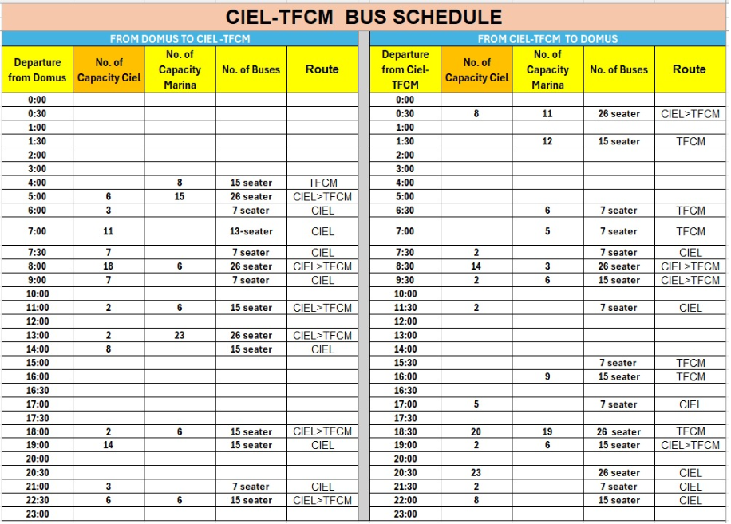
 |  |  |  | Saturday | Sunday | Monday | Tuesday | Wednesday | Thursday | Friday
 | DATE | Emp ID | Phone Number | 2026-09-19 | 2026-09-20 | 2026-09-21 | 2026-09-22 | 2026-09-23 | 2026-09-24 | 2026-09-25 | 2026-09-12
 | Forecasted Arrivals |  |  | 33 | 30 | 43 | 45 | 39 | 49 | 40
 | Forecasted Departures |  |  | 82 | 107 | 41 | 32 | 30 | 24 | 40
 | Forecasted Occupancy |  |  | 59% | 66% | 43% | 48% | 48% | 50% | 33%
DOR | Harshit Dhawan | 19119 | 507020513 | OFF | OFF | PH | PH | PH | P OFF | P OFF | 2 Pending Offs
DGE | Tatiana Shvets | 26298 | 585942189 | 09:00-18:00 | 09:00-18:00 | 09:00-18:00 | 09:00-18:00 | OFF | 09:00-18:00 | 09:00-18:00 | 2 OFF PENDING
AFOM | Hashan Manatungha | 26328 |  | 12:00 - 21:00 | 12:00 - 21:00 | OFF | OFF | 09:00-18:00 | 12:00 - 21:00 | 12:00 - 21:00
GSM | Robinson Thimothy Paul | 26326 | 565317407 | 09:00-18:00 | 09:00-18:00 | 12:00 - 21:00 | 12:00 - 21:00 | 12:00 - 21:00 | P OFF | OFF | 1 OFF PENDING
NM | Ma. Bianca Timoner | 20171 |  | 09:00-21:00 | OFF | OFF | 09:00-21:00 | 09:00-21:00 | 09:00-21:00 | 09:00-21:00 | 1 OFF PENDING
DM | Walid Dahou | 19739 | 589155476 | 19:00-07:00 | 19:00-07:00 | 19:00-07:00 | 19:00-07:00 | OFF | OFF | 19:00-07:00 | 3 Pending Offs
CS | Chintaka Perera | 20336 | 503037450 | 10:00 - 19:00 | 09:00 - 21:00 | P- OFF | OFF | OFF | 08:00 - 20:00 | 08:00 - 20:00 | 3PENDING OFF
GRS | Khushboo Tehlani (Guest Relations Supervisor) | 19833 |  | SL | 09:00-21:00 | OFF | OFF | 09:00-21:00 | 09:00-21:00 | 09:00-21:00 | REQUEST OFF 27-28,29 SEPT PH**
Rooms Controller | Vivek Ray | 19806 |  | 21:00-09:00 | 21:00-09:00 | 21:00-09:00 | 21:00-09:00 | 21:00-09:00 | 21:00-09:00 | OFF | 1 Pending Off
 | Ehab Wagih Ahmed Mohamed Abbas | 22867 |  | OFF | 09:00-21:00 | 10:00-22:00 | 10:00-22:00 | 10:00-22:00 | 10:00-22:00 | 10:00-22:00 | 1 Pending Off
 | Shubham Gupta | 20051 |  | OFF | OFF | 08:00 - 20:00 | 08:00 - 20:00 | 19:00-07:00 | 19:00-07:00 | 21:00-09:00
Front Desk Agents | Zahir Ahamad ** | 19784 | 508138005 | 07:00 - 19:00 | 07:00 - 19:00 | 08:00 - 17:30 | 08:00 - 17:30 | 08:00 - 17:30 | 08:00 - 17:30 | OFF | 28 september PH AND LD REQUEST until 15 OCT
 | Heba Abdallah * | 20119 | 563794255 | OFF | VL | VL | VL | VL | VL | VL | Bereavement Leave from 12Sept 16 sept From 19 Sept Annual leave and Acrued Overtime Liue day( 6 annual leave, 13 Lieu days overtime )
 | May Me Soe ** | 20169 |  | 07:00 - 19:00 | 07:00 - 19:00 | 10:00-19:30 | OFF* | OFF* | PH* | 08:00 - 17:30 | sept 22-23-24 Days off request
 | Swetha Putalath * | 20119 |  | 12:00 - 00:00 | 12:00 - 00:00 | OFF | Pending OFF | 08:00 - 17:30 | 08:00 - 17:30 | 08:00 - 17:30
 | Mukhammadrasul Jakbaraliev ** | 21143 |  | 19:00 -07:00 | OFF | 14:00 - 23:30 | 14:00 - 23:30 | 14:00 - 23:30 | 14:00 - 23:30 | OFF | 1 Pending Off
 | Aditya Nigam * | 20018 |  | 07:00 - 19:00 | 07:00 - 19:00 | 14:00 - 23:30 | 14:00 - 23:30 | 23:00 - 08:30 | OFF | 14:00 - 23:30 | 1 Pending Off
 | Pichamon Chiensumai ** | 20538 |  | OFF | 19:00 - 07:00 | 23:00 - 08:30 | 23:00 - 08:30 | OFF | 23:00 - 08:30 | 23:00 - 08:30 | Next week Night Shifts

CC Supervisor | Jane Anyango Owiyo * | 16401-2 |  | 9:00- 18:30 | 9:00- 18:30 | 08:00 - 17:30 | 08:00 - 17:30 | 08:00 - 17:30 | Pending OFF* | OFF* | PREGNANT/WORKING NORMAL HOURS
Ciel Connect | Ankit Chowdhury ** | 20177 |  | OFF | OFF | Pending OFF | 14:00 - 23:30 | 14:00 - 23:30 | 23:00 - 08:30 | 23:00 - 08:30 | 1 Pending Off
 | Sarah Enodien * | 20091 |  | 19:00 - 07:00 | 19:00 - 07:00 | 23:00 - 08:30 | 23:00 - 08:30 | 23:00 - 08:30 | OFF | 10:00 - 19:30 | 15-17 August off request ( DONE)
 | Simon Ansuro ** | 20156 | 562236857 | OFF | 12:00 - 00:00 | 14:00 - 23:30 | OFF | 10:00 - 19:30 | 14:00 - 23:30 | 14:00 - 23:30 | 1 Pending Off
 | Azizakhon Tadjibaeva * | 21044 |  | 08:00 - 20:00 | 08:00 - 20:00 | 10:00 - 19:30 | 10:00 - 19:30 | OFF | 08:00 - 17:30 | 08:00 - 17:30
Butler | James Akaki ** | 20564 | 551564042 | 10:00-22:00 | 10:00-22:00 | OFF | OFF | 10:00-19:30 | 10:00-19:30 | 10:00-19:30 | VACATION OCTOBER 1 - 30 OCTOBER 1 pending oFF

Nest Supervisor | Manpreet | 20010 | 501849446 | 09:00-21:00 | 09:00-21:00 | 10:00 - 22:00 | OFF | OFF | 10:00 - 22:00 | 10:00 - 22:00
Nest Team | Joevenold Ruela | 20191 | 554423687 | 08:00-20:00 | 08:00-20:00 | 9:00- 18:30 | 9:00- 18:30 | 9:00- 18:30 | OFF | 9:00- 18:30 | 1 pending off
 | Amisha Gupta | 20486 |  | 10:00 - 22:00 | 10:00 - 22:00 | 12:00-21:30 | 12:00-21:30 | 12:00-21:30 | 12:00-21:30 | OFF | Joining 10-Sep
 | Ashwin Sajeev | 20058 |  | OFF | OFF | 12:00-21:30 | 12:00-21:30 | 12:00-21:30 | 12:00-21:30 | 12:00-21:30 | Joining 09-Sep
 | Khin Kyaw | 19985 |  | 10:00 - 22:00 | 10:00 - 22:00 | 12:00-21:30 | OFF | OFF | 12:00-21:30 | 12:00-21:30
 | Fiona Odhiambo | 26354 |  | 07:00-19:00 | 07:00-19:00 | 07:00-19:00 | 10:00 - 22:00 | 10:00 - 22:00 | OFF | OFF
 | Ellen Magaya | 20215 |  |  |  |  |  | 12:00-21:30 | 12:00-21:30 | 12:00-21:30 | 22 Sept flight

Concierge TL | Kensmith | 22862 | 501849446 | 10:00 - 22:00 | 10:00 - 22:00 | 10:00 - 22:00 | 10:00 - 22:00 | OFF | OFF | 10:00 - 22:00
Door Supervisor | Shashank Sharma | 20020 | 588281091 | 19:00 - 07:00 | 19:00 - 07:00 | 19:00 - 07:00 | 19:00 - 07:00 | OFF | OFF | 15:00 - 03:00
Bell Captain | Dipak Kumar Thakur | 19938 | 565605193 | 07:00 - 19:00 | 07:00 - 19:00 | OFF | OFF | 07:00 - 19:00 | 07:00 - 19:00 | 07:00 - 19:00
Bellmen | Richard Ohene | 16283-2 | 553131492 | 19:00 - 07:00 | 19:00 - 07:00 | OFF | OFF | 19:00 - 04:30 | 19:00 - 04:30 | 19:00 - 04:30
 | Mahad Kizito Kyobe | 20030 | 582900657 | OFF | OFF | 23:00 - 08:30 | 23:00 - 08:30 | 23:00 - 08:30 | 23:00 - 08:30 | 23:00 - 08:30
 | Alex Wilson | 20019 | 582991069 | 10:00 - 22:00 | 10:00 - 22:00 | OFF | OFF | 08:00 - 17:30 | 08:00 - 17:30 | 08:00 - 17:30
 | Frank Natimoah | 20022 | 554423687 | 07:00 - 19:00 | 07:00 - 19:00 | 08:00 - 17:30 | 08:00 - 17:30 | OFF | OFF | 10:00 - 19:30
 | Nimzie | 20917 | 557134117 | 07:00 - 19:00 | 07:00 - 19:00 | 08:00 - 17:30 | 08:00 - 17:30 | OFF | OFF | 08:00 - 17:30
 | Rizwan | 20029 | 502097303 | 15:00 - 03:00 | 15:00 - 03:00 | OFF | OFF | 14:00 - 23:30 | 14:00 - 23:30 | 14:00 - 23:30
 | Mohamed Shifran Abdulhasan | 20024 | 559069124 | OFF | 12:00 - 00:00 | 12:00 - 21:30 | 12:00 - 21:30 | 12:00 - 21:30 | 12:00 - 21:30 | OFF
 | Dipankar Biswas | 20074 | 501634259 | OFF | OFF | 08:00 - 17:30 | 08:00 - 17:30 | 08:00 - 17:30 | 08:00 - 17:30 | 08:00 - 17:30
 | Moksh Proch | 16196 | 544523066 | 12:00 - 00:00 | 12:00 - 00:00 | 14:00 - 23:30 | 14:00 - 23:30 | OFF | OFF | 14:00 - 23:30
Doorman | Shaban Abdallah | 20241 | 589957762 | V | V | V | OFF | OFF | V | V

