结构对照 (507 pick)
专利 | 化合物ID | PDF页 | Agent判定 | Agent理由 | 对照图（左PDF裁剪/右解析） | 人工判定(yes/no)
CN108164468 | 实施例1 | 12 | match (visual) | Scaffold and substituents preserved (perfect layer) | 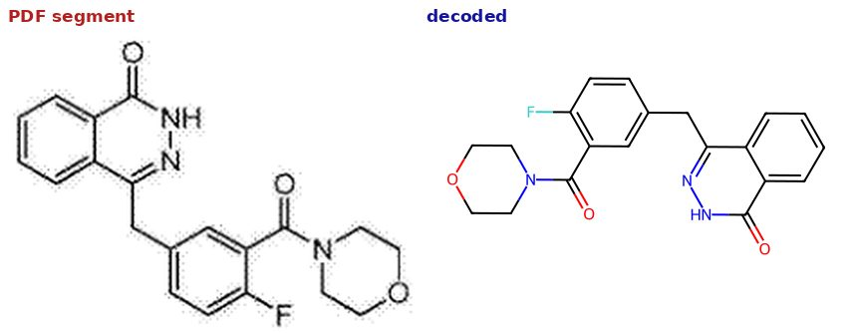 | yes
CN108164468 | 实施例1 | 12 | match (visual) | Scaffold and substituents preserved (perfect layer) |  | yes
CN108329274 | I-16 | 4 | match (visual) | Fused heterocyclic system and substituents preserved |  | yes
CN108341814 | 57 | 31 | match (visual) | Fused heterocyclic system and substituents preserved | 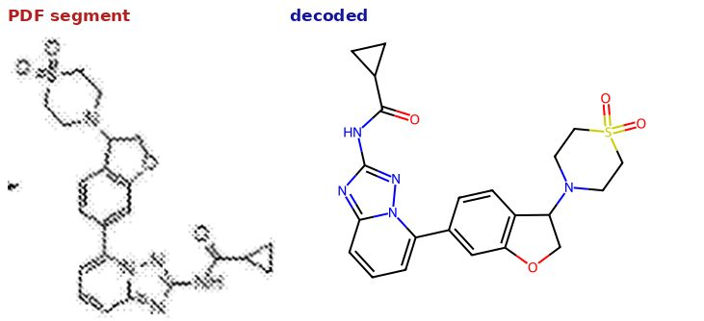 | yes
CN108358850 | I-1 | 4 | match (visual) | Phthalazinone core and substituents preserved |  | yes
CN108467370 | 5c | 42 | match (visual) | Quinazoline core and substituents preserved in both picks | 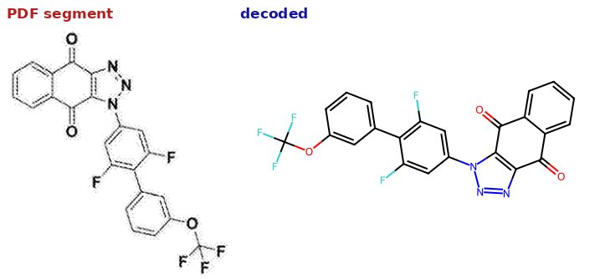 | yes
CN108467370 | 5k | 46 | match (visual) | Quinazoline core and substituents preserved in both picks | 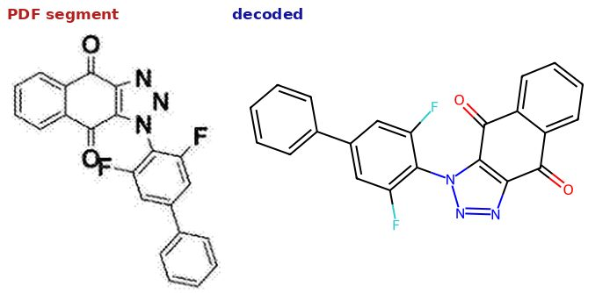 | yes
CN109134336 | CN 109134336 A | 8 | match (visual) | Fused heterocyclic system and substituents preserved |  | yes
CN109134434 | 1 | 27 | match (visual) | Decoded molecule 1 preserves the fused-ring scaffold shown on the page |  | yes
CN109134448 | I-6 | 14 | match (visual) | Fused heterocyclic system and substituents preserved | 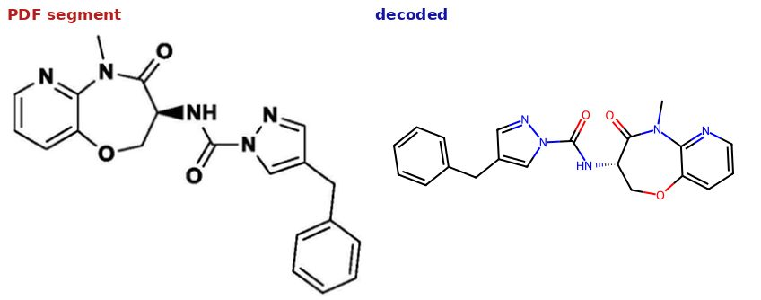 | yes
CN109678803 | 20 | 25 | match (visual) | Fused heterocyclic scaffold and substituents preserved | 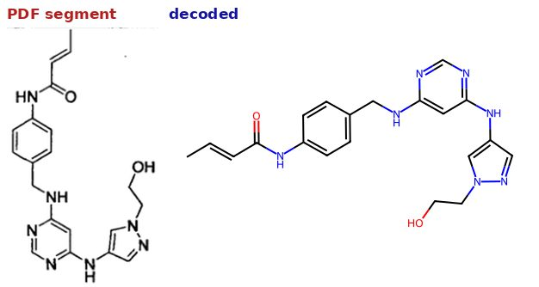 | yes
CN109721620 | 1 | 17 | match (visual) | Fused heterocyclic system and substituents preserved |  | yes
CN109721620 | 39 | 19 | match (visual) | Fused heterocyclic system and substituents preserved |  | yes
CN109867675 | 10 | 4 | match (visual) | Bicyclic heteroaromatic core shared with the page depiction | 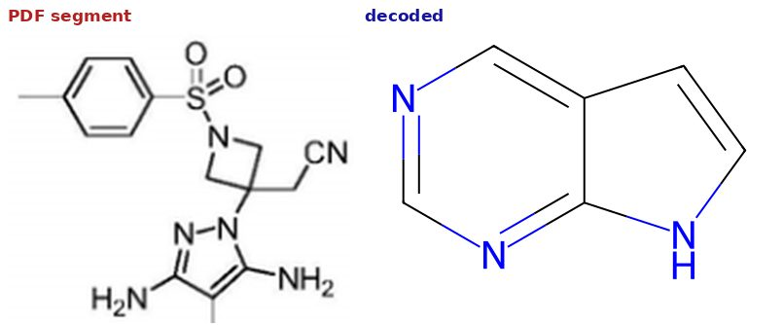 | no
CN109867675 | 26 | 5 | match (visual) | Bicyclic heteroaromatic core shared with the page depiction | 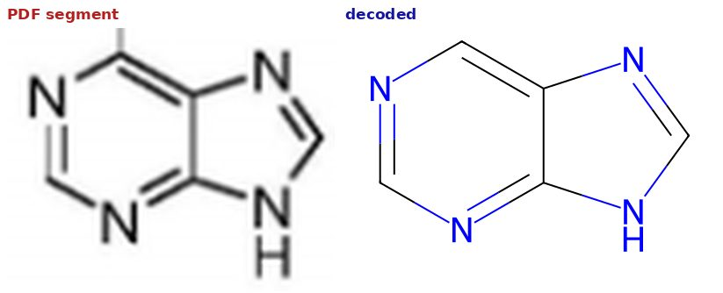 | no
CN110028509 | I-68 | 9 | match (visual) | Fused heterocyclic system and substituents preserved | 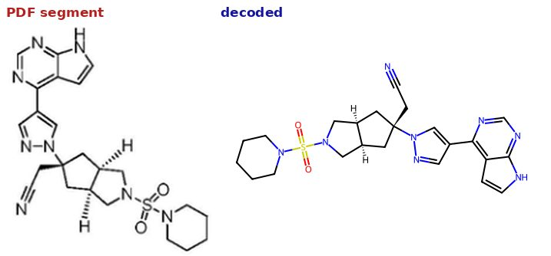 | yes
CN110028509 | I-12 | 15 | match (visual) | Fused heterocyclic system and substituents preserved | 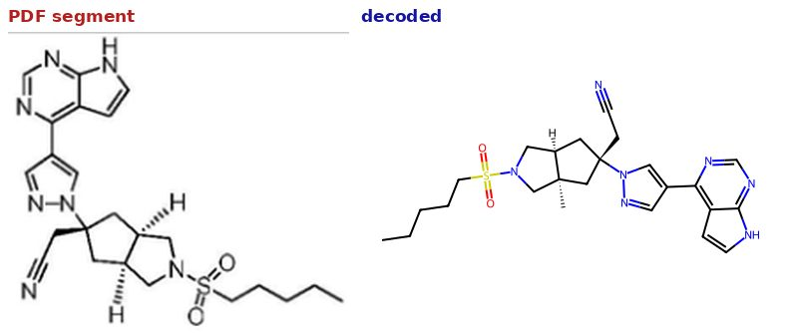 | yes
CN110078724 | 实施例19 | 11 | match (visual) | Succinimide-indole scaffold matches (reconfirmed on full sheet)
CN110143949 | 7 | 95 | match (visual) | Quinazoline-type core preserved in both picks | 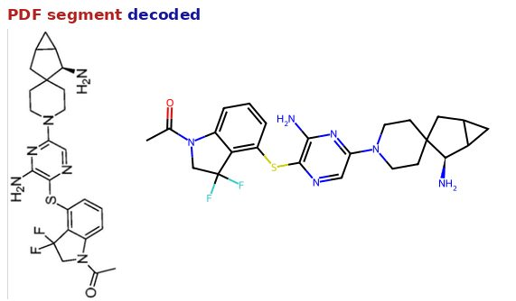 | yes
CN110143949 | 44 | 102 | match (visual) | Quinazoline-type core preserved in both picks | 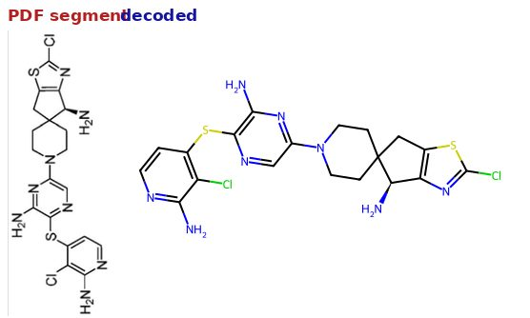 | yes
CN110305140 | I-22 | 4 | match (visual) | Fused heterocyclic system and substituents preserved |  | yes
CN110305140 | I-12 | 4 | match (visual) | Fused heterocyclic system and substituents preserved |  | yes
CN110862397 | 4 | 13 | match (visual) | Fused heterocyclic system and substituents preserved |  | yes
CN110862397 | 13 | 18 | match (visual) | Fused heterocyclic system and substituents preserved |  | no
CN111116585 | 1 | 3 | match (visual) | Fused heterocyclic core and substituents preserved | 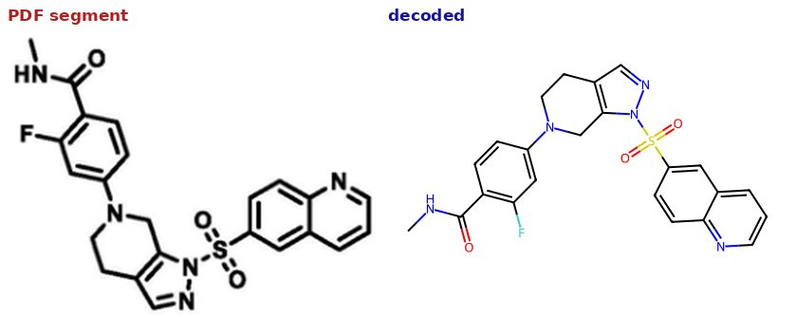 | yes
CN111116585 | 22 | 4 | match (visual) | Fused heterocyclic core and substituents preserved | 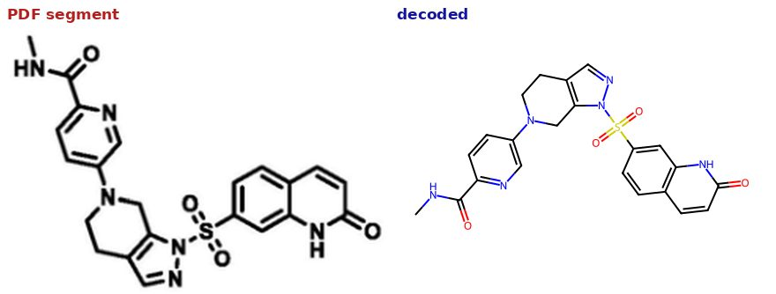 | yes
CN111410667 | I-1 | 3 | match (visual) | Fused heterocyclic system and substituents preserved | 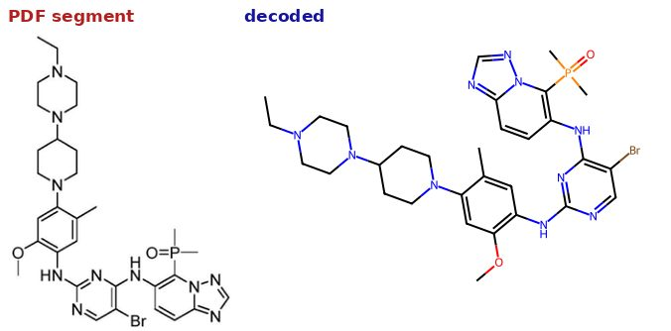 | yes
CN111410667 | I-9 | 4 | match (visual) | Fused heterocyclic system and substituents preserved | 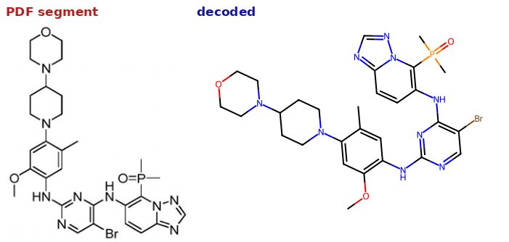 | yes
CN111434654 | 3c | 11 | match (visual) | Same heterocyclic system, ring count and substituent positions | 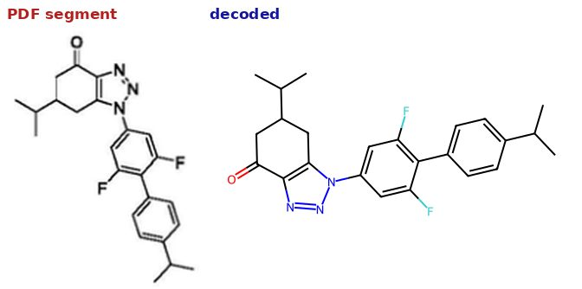 | yes
CN111434654 | 3d | 12 | match (visual) | Same heterocyclic system, ring count and substituent positions | 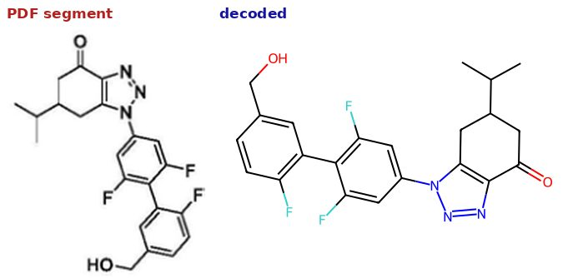 | yes
CN111518051 | IA-33 | 30 | match (visual) | Fused heterocyclic system and substituents preserved | 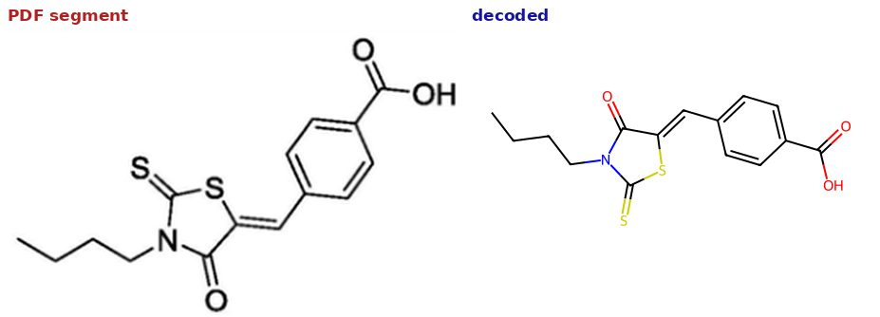 | yes
CN111518082 | 45 | 5 | match (visual) | Fused polycyclic system and substituents preserved | 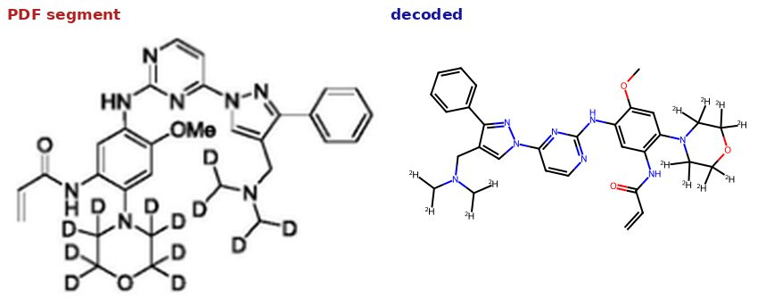 | yes
CN111620878A | 实施例 48 | 27 | match (visual) | Fused heterocyclic scaffold and substituents preserved | 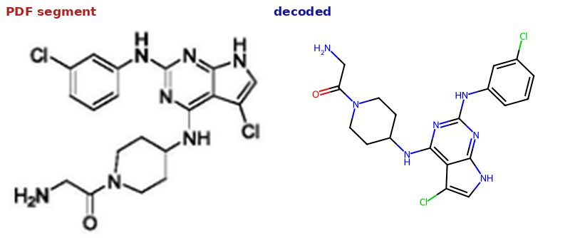 | yes
CN111620878A | 实施例 29 | 24 | match (visual) | Fused heterocyclic scaffold and substituents preserved |  | yes
CN111825719 | Afatinib | 7 | match (visual) | Fused heterocyclic system and substituents preserved | 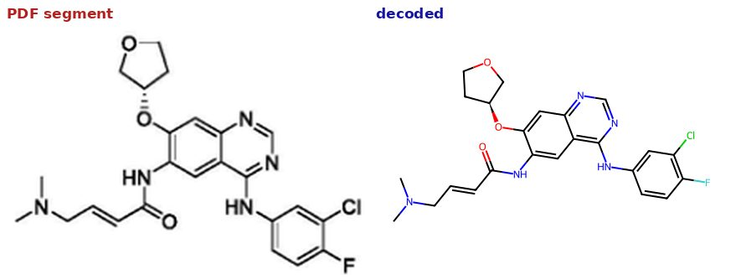 | yes
CN112174935 | 实施例4 | 63 | match (visual) | Fused heterocyclic system and substituents preserved | 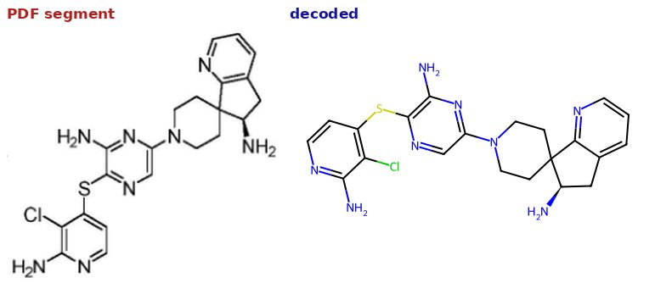 | yes
CN112174935 | 56 | 76 | match (visual) | Fused heterocyclic system and substituents preserved | 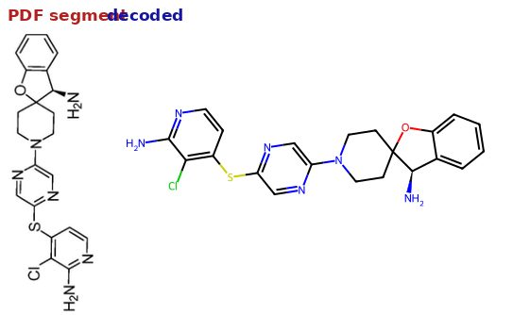 | yes
CN112409334 | 实施例2 | 79 | match (visual) | Fused heterocyclic system and substituents preserved |  | yes
CN112409334 | 56 | 95 | match (visual) | Fused heterocyclic system and substituents preserved |  | yes
CN112759588 | I-1 | 3 | match (visual) | Heterocyclic system and substituents preserved |  | yes
CN112759588 | I-22 | 4 | match (visual) | Heterocyclic system and substituents preserved |  | yes
CN113200947 | 9k | 5 | match (visual) | Fused heterocyclic system and substituents preserved |  | yes
CN113200947 | 15c | 6 | match (visual) | Fused heterocyclic system and substituents preserved | 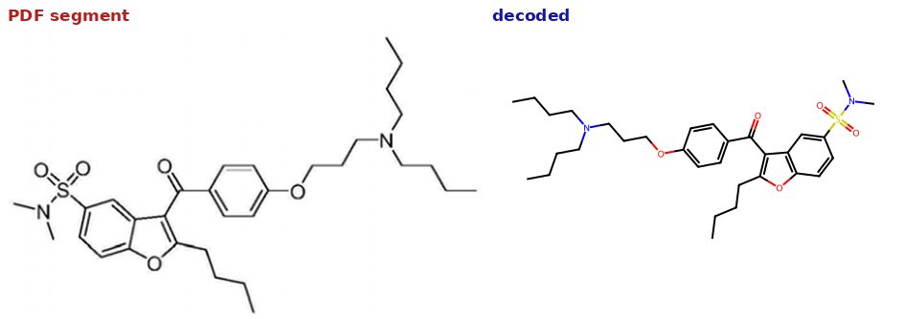 | yes
CN113248448 | 3:31b | 6 | match (visual) | Heterocyclic core preserved (3:31b) | 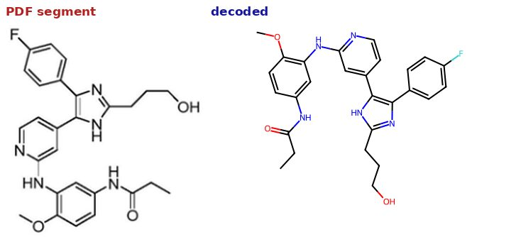 | yes
CN113292510 | 9 | 9 | match (visual) | Fused heterocyclic core and substituents preserved |  | yes
CN113480479 | (III-18) | 4 | match (visual) | Fused heterocyclic system and substituents preserved |  | yes
CN113480479 | SM3-13 | 28 | match (visual) | Fused heterocyclic system and substituents preserved | 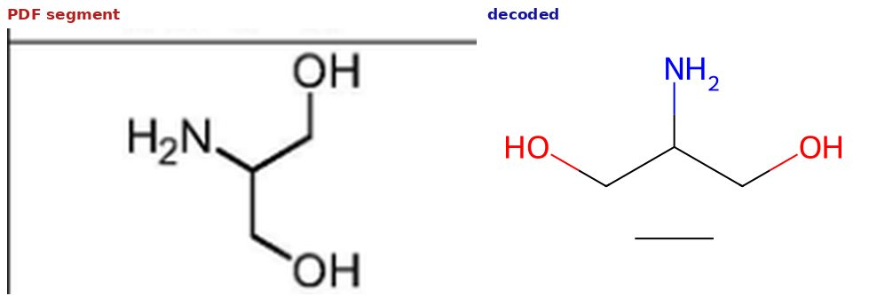 | yes
CN113773275 | ZONK2003-18 | 12 | match (visual) | Fused bicyclic heterocycle and substituent arrangement preserved (ZONK2003-18) |  | no
CN113880845 | 实施例2 | 13 | match (visual) | Fused heterocyclic core and substituents preserved
CN113999205 | 1 | 3 | match (visual) | Fused heterocyclic system and substituents preserved | 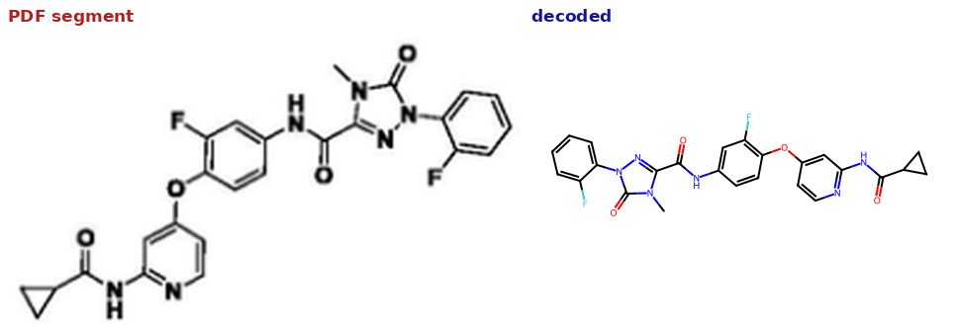 | yes
CN113999205 | 24 | 4 | match (visual) | Fused heterocyclic system and substituents preserved |  | yes
CN114605391 | 2 | 17 | match (visual) | Fused heterocyclic core and substituents preserved | 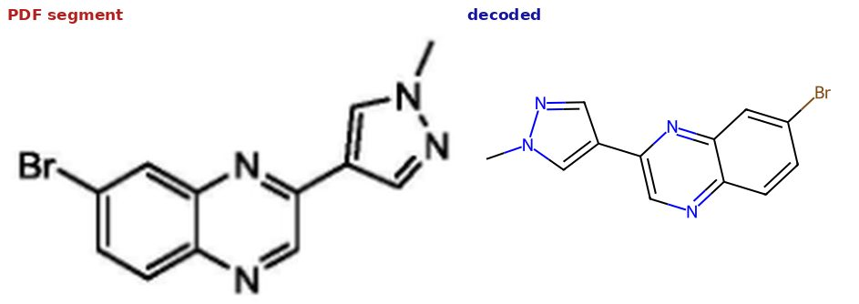 | yes
CN114605391 | 5 | 30 | match (visual) | Fused heterocyclic core and substituents preserved |  | yes
CN114716440 | 实施例6 | 15 | match (visual) | Fused heterocyclic scaffold and substituents preserved |  | yes
CN115304606 | 1 | 7 | match (visual) | Fused heterocyclic system and substituents preserved | 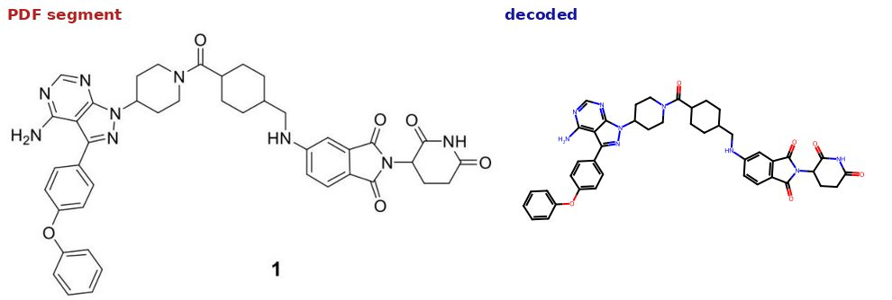 | yes
CN115304606 | 101 | 131 | match (visual) | Fused heterocyclic system and substituents preserved |  | yes
CN115403545 | 1 | 2 | match (visual) | Fused heterocyclic system and substituents preserved | 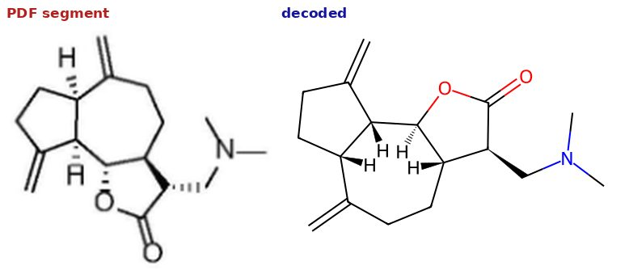 | yes
CN115403545 | 8 | 2 | match (visual) | Fused heterocyclic system and substituents preserved | 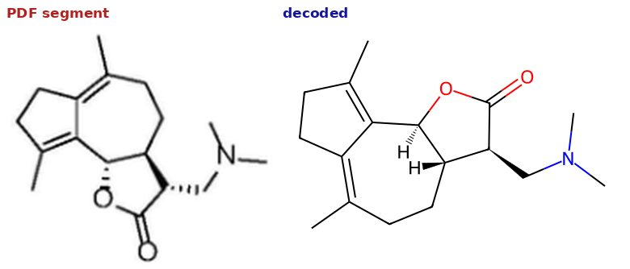 | yes
CN115721648 | 6 | 85 | match (visual) | Fused heterocyclic system and substituents preserved | 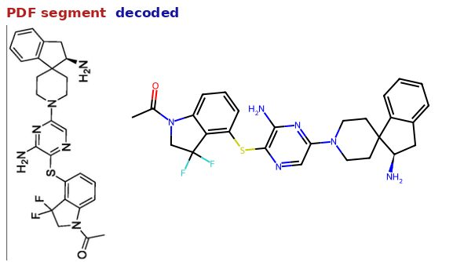 | yes
CN115721648 | 57 | 95 | match (visual) | Fused heterocyclic system and substituents preserved | 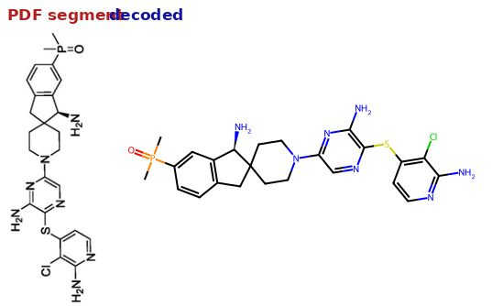 | yes
CN115784986 | 实施例 2 | 34 | match (visual) | Fused heterocyclic system and substituents preserved |  | yes
CN115784986 | 实施例 21 | 35 | match (visual) | Fused heterocyclic system and substituents preserved | 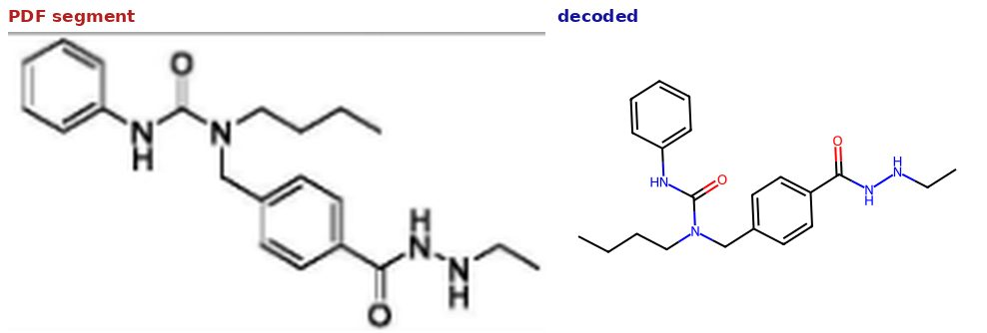 | yes
CN115872947 | 15 | 7 | match (visual) | Fused heterocyclic core and substituents preserved | 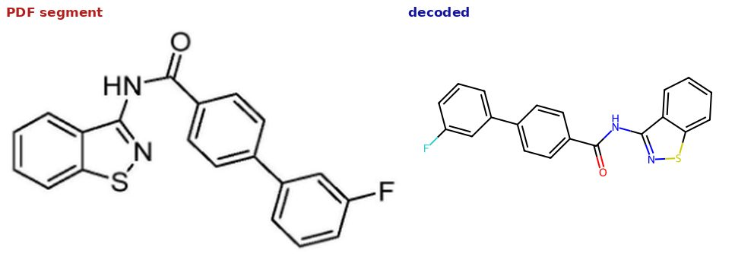 | yes
CN115872947 | 18 | 7 | match (visual) | Fused heterocyclic core and substituents preserved |  | yes
CN115894478 | 2 | 43 | match (visual) | Bicyclic heteroaromatic core preserved | 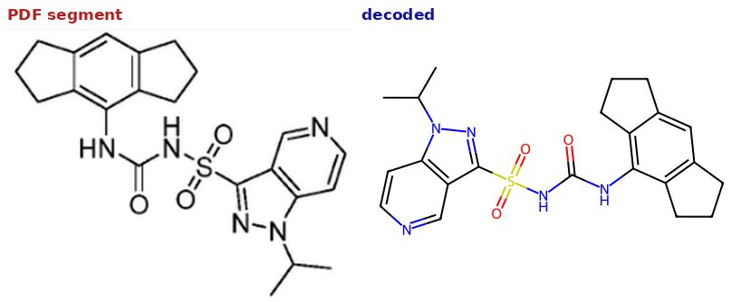 | yes
CN115894478 | 3 | 43 | match (visual) | Bicyclic heteroaromatic core preserved | 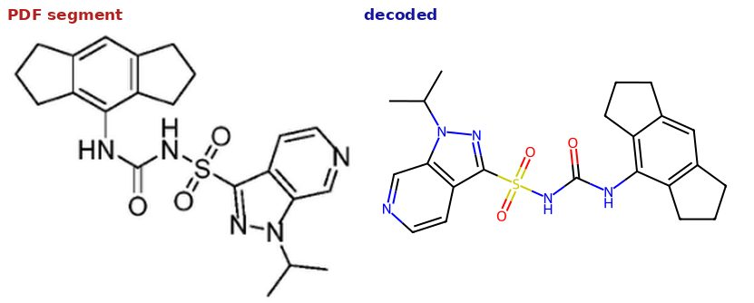 | yes
CN115974872 | 42 | 9 | match (visual) | Heterocyclic scaffold and substituents preserved | 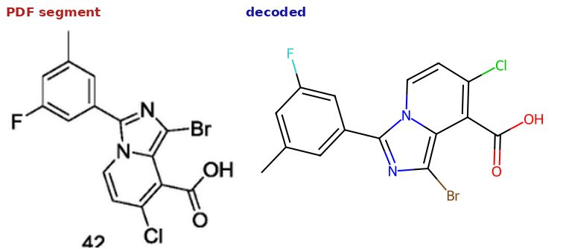 | yes
CN116283658 | YB-6 | 4 | match (visual) | Fused heterocyclic core and substituent pattern preserved (YB-6) |  | yes
CN116283997 | 1 | 3 | match (visual) | Fused heterocyclic system and substituents preserved |  | yes
CN116283997 | 1 | 3 | match (visual) | Fused heterocyclic system and substituents preserved |  | yes
CN116836168 | IB-8 | 7 | match (visual) | Fused bicyclic system and key heteroatoms preserved | 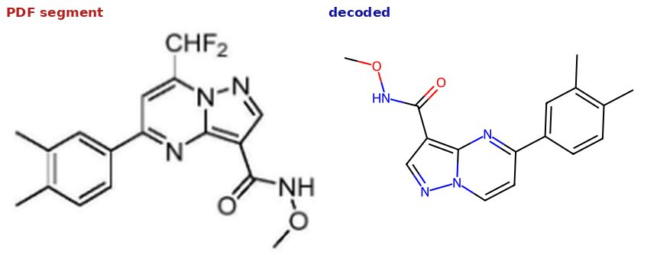 | yes
CN116836168 | IB-8 | 7 | match (visual) | Fused bicyclic system and key heteroatoms preserved |  | yes
CN117917402 | WYY-19 | 8 | match (visual) | Fused heterocyclic system and substituents preserved | 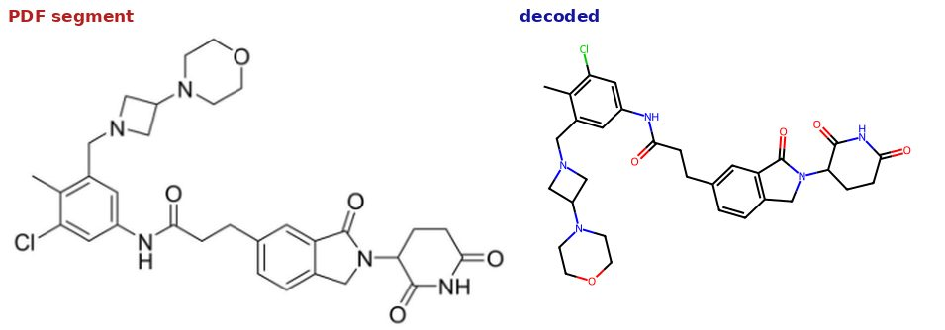 | yes
CN117917402 | WYY-14 | 33 | match (visual) | Fused heterocyclic system and substituents preserved |  | yes
CN118459466 | 化合物8 | 71 | match (visual) | Decoded molecule matches the depicted structure (reconfirmed on full sheet) | 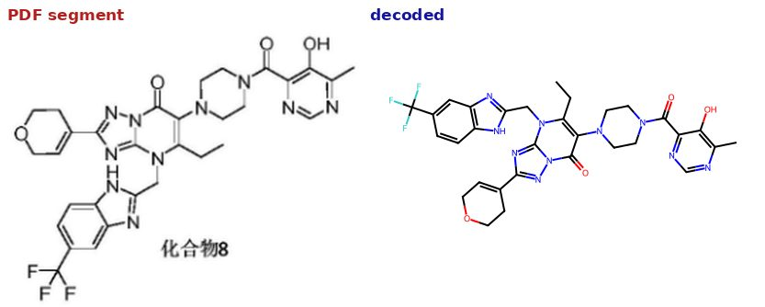 | yes
CN118496213 | CC-90009 | 23 | match (visual) | Fused heterocyclic system and substituents preserved |  | yes
CN118496213 | A-25 | 34 | match (visual) | Fused heterocyclic system and substituents preserved |  | yes
CN118684676 | 3 | 23 | match (visual) | Fused heterocyclic core and substituents preserved | 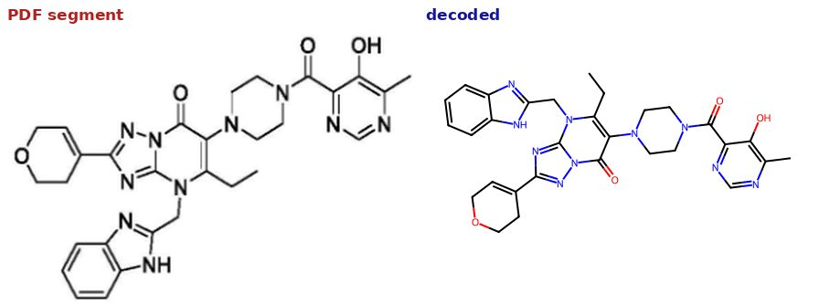 | yes
CN118684676 | 4 | 24 | match (visual) | Fused heterocyclic core and substituents preserved | 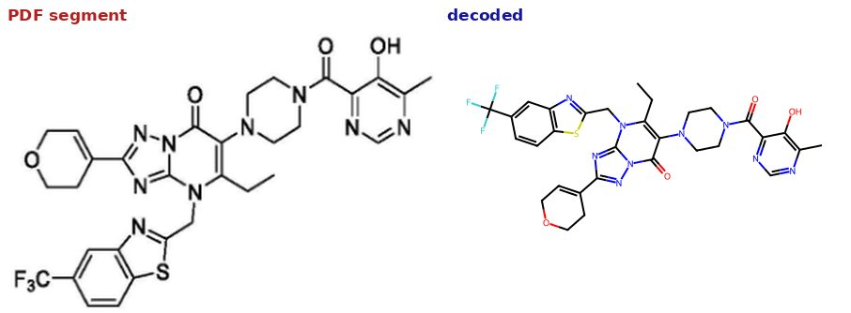 | yes
CN118684678 | 1 | 20 | match (visual) | Fused heterocyclic system and substituents preserved | 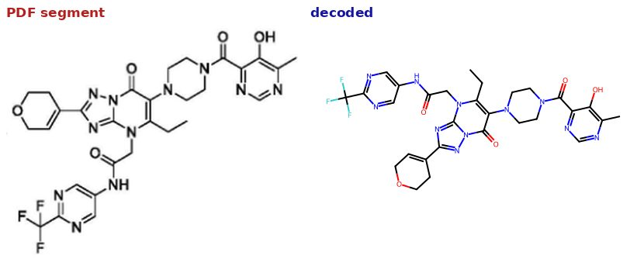 | yes
CN118684678 | 4 | 23 | match (visual) | Fused heterocyclic system and substituents preserved | 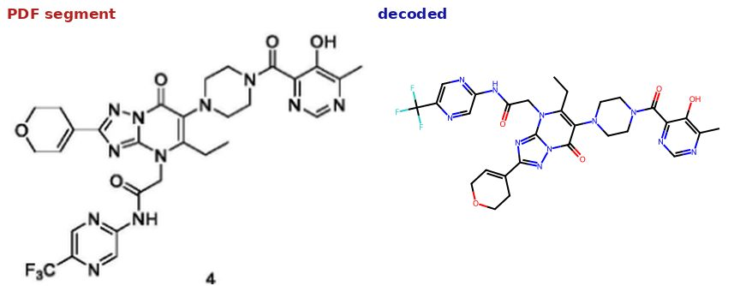 | yes
CN119039190 | EVO32742 | 2 | match (visual) | Fused heterocyclic system and substituents preserved |  | yes
CN119039190 | EVO32695 | 2 | match (visual) | Fused heterocyclic system and substituents preserved |  | yes
CN119161363 | 实施例2 | 16 | match (visual) | Fused-ring core topology preserved (reconfirmed on full sheet) | 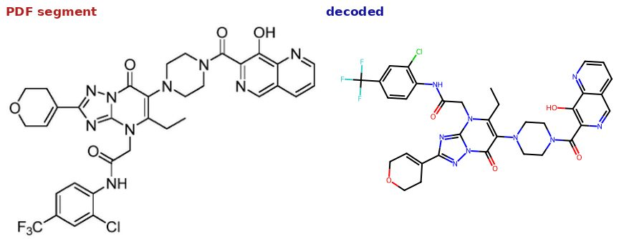 | yes
CN119161363 | 9 | 19 | match (visual) | Fused-ring core topology preserved (reconfirmed on full sheet) | 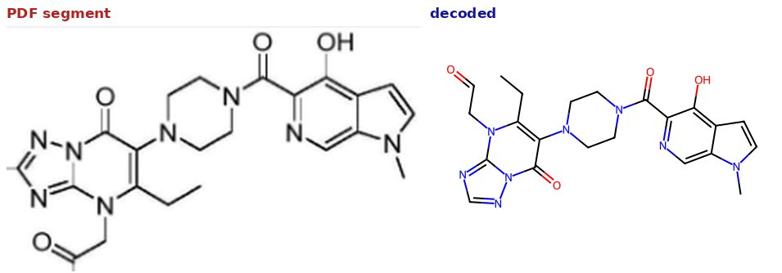 | yes
CN119591581 | Compound 2 | 66 | match (visual) | Fused heterocyclic system and substituents preserved |  | yes
CN119591581 | 实施例6 | 69 | match (visual) | Fused heterocyclic system and substituents preserved |  | yes
EP3553052 | Compound (I) | 3 | match (visual) | Fused heterocyclic system and substituents preserved | 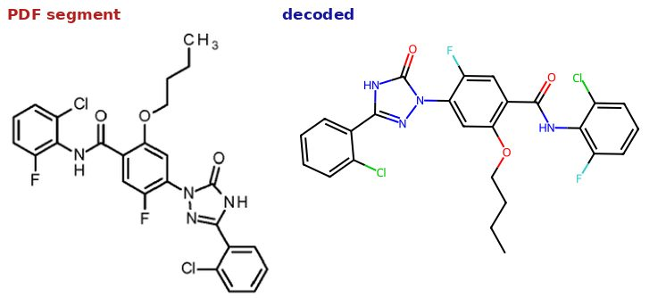 | yes
EP3553052 | (II) | 13 | match (visual) | Fused heterocyclic system and substituents preserved | 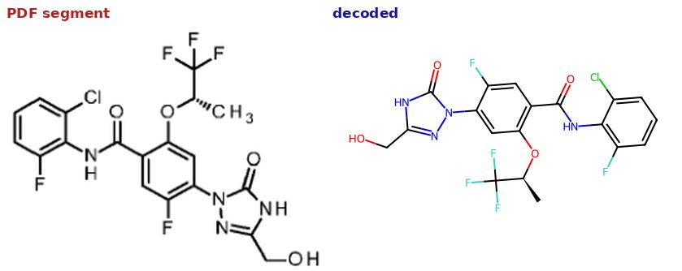 | yes
US11319319 | 1 | 20 | match (visual) | Fused heterocyclic system and substituents preserved |  | yes
US11319319 | 54 | 30 | match (visual) | Fused heterocyclic system and substituents preserved |  | yes
US2011217300 | Example 4 | 16 | match (visual) | Fused heterocyclic scaffold and substituents preserved |  | yes
US2011217300 | Example 73 | 34 | match (visual) | Fused heterocyclic scaffold and substituents preserved |  | yes
US2012302631 | YZ9 | 27 | match (visual) | Fused heterocyclic system and substituents preserved |  | yes
US2012302631 | RBC2, NSC278631 | 32 | match (visual) | Fused heterocyclic system and substituents preserved |  | yes
US2016362390 | Compound 13 | 43 | match (visual) | Fused heterocyclic system and substituents preserved |  | yes
US2019062302 | OUL35 | 2 | match (visual) | N-heterocyclic scaffold and ring count preserved |  | yes
US2019119275 | 8 | 20 | match (visual) | Fused heterocyclic system and substituents preserved (range-ID patent) |  | yes
US2019119275 | Example 3 | 22 | match (visual) | Fused heterocyclic system and substituents preserved (range-ID patent) |  | yes
US2019127382 | 141 | 21 | match (visual) | Fused heterocyclic system and substituents preserved |  | yes
US2019127382 | Example 157 | 86 | match (visual) | Fused heterocyclic system and substituents preserved |  | yes
US2020317691 | 12B | 46 | match (visual) | Fused heterocyclic system and substituents preserved |  | yes
US2020317691 | Example 8 | 136 | match (visual) | Fused heterocyclic system and substituents preserved |  | yes
US2021154204 | Example 43 | 55 | uncertain (visual) | Pick 1 spirocyclic core matches; pick 2 similar-but-incomplete (benzene ring appears missing) — flagged for human judgment |  | yes
US2021154204 | Example 48 | 59 | uncertain (visual) | Pick 1 spirocyclic core matches; pick 2 similar-but-incomplete (benzene ring appears missing) — flagged for human judgment |  | yes
US2021276956 | Senexin A | 5 | match (visual) | Fused heterocyclic system and substituents preserved |  | yes
US2021276956 | 6134 | 48 | match (visual) | Fused heterocyclic system and substituents preserved |  | no
US2021340143 | Ex. 1 | 23 | match (visual) | Fused bicyclic heterocyclic core and substituent pattern preserved |  | yes
US2021340143 | Ex. 8 | 26 | match (visual) | Fused bicyclic heterocyclic core and substituent pattern preserved |  | yes
US2022281862 | KD-016 | 47 | match (visual) | Fused heterocyclic system and substituents preserved |  | yes
US2022281862 | KD-021 | 49 | match (visual) | Fused heterocyclic system and substituents preserved |  | yes
US2022339129 | Example 3, Method #3 | 26 | match (visual) | Fused heterocyclic system and substituents preserved |  | yes
US2022339129 | Example 50 | 49 | match (visual) | Fused heterocyclic system and substituents preserved |  | yes
US2022340567 | 3 | 21 | match (visual) | Fused heterocyclic system and substituents preserved |  | yes
US2022340567 | 57 | 32 | match (visual) | Fused heterocyclic system and substituents preserved |  | yes
US2023002391 | 141 | 21 | match (visual) | Fused heterocyclic system and substituents preserved |  | yes
US2023002391 | Example 147 | 83 | match (visual) | Fused heterocyclic system and substituents preserved |  | yes
US2023159526 | 1 | 21 | match (visual) | Fused heterocyclic system and substituents preserved |  | yes
US2023159526 | 52 | 31 | match (visual) | Fused heterocyclic system and substituents preserved |  | yes
US2023331693 | Example 32 | 56 | match (visual) | Fused heterocyclic system and substituents preserved |  | yes
US2023331693 | EX. 32 | 60 | match (visual) | Fused heterocyclic system and substituents preserved |  | yes
US2024158396 | 42 | 29 | match (visual) | Fused heterocyclic system and substituents preserved |  | yes
US2024158396 | 53 | 31 | match (visual) | Fused heterocyclic system and substituents preserved |  | yes
US2024174668 | 74 | 36 | match (visual) | Fused heterocyclic system and substituents preserved |  | yes
US2024199554 | 1 | 62 | match (visual) | Fused bicyclic heterocyclic core shared with the page |  | yes
US2024199554 | Example 43 | 101 | match (visual) | Fused bicyclic heterocyclic core shared with the page |  | yes
US2024360128 | 5 | 21 | match (visual) | Fused heterocyclic system and substituents preserved |  | yes
US2024360128 | 57 | 32 | match (visual) | Fused heterocyclic system and substituents preserved |  | yes
US2025084056 | 159 | 67 | match (visual) | Fused heterocyclic system and substituents preserved |  | yes
US2025084056 | 132A | 60 | match (visual) | Fused heterocyclic system and substituents preserved |  | yes
US2025092012 | 25 | 63 | match (visual) | Fused heterocyclic system and substituents preserved |  | yes
US2025092012 | EX. 32 | 61 | match (visual) | Fused heterocyclic system and substituents preserved |  | yes
US8349899 | MSTCO 1.0 | 20 | match (visual) | Fused heterocyclic system and substituents preserved |  | yes
US8349899 | 3.6 | 24 | match (visual) | Fused heterocyclic system and substituents preserved |  | yes
US8765817 | 1.1 | 29 | match (visual) | Same pyrazolo-fused ring system as depicted |  | yes
US8765817 | ASTCC 3.6 | 23 | match (visual) | Same pyrazolo-fused ring system as depicted |  | yes
WO 2024_173453 Al | 1 | 35 | match (visual) | Fused heterocyclic system and substituents preserved (296-page patent) |  | yes
WO 2024_173453 Al | 200 | 93 | match (visual) | Fused heterocyclic system and substituents preserved (296-page patent) |  | yes
WO2006003146 | Co. No. 22 | 27 | match (visual) | Fused heterocyclic system and substituents preserved |  | yes
WO2006003146 | Co. No. 22 | 27 | match (visual) | Fused heterocyclic system and substituents preserved |  | yes
WO2006003147 | Co. No. 11 | 14 | match (visual) | Fused heterocyclic system and substituents preserved |  | yes
WO2006003147 | Co. No. 19 | 39 | match (visual) | Fused heterocyclic system and substituents preserved |  | yes
WO2006003148 | compound 1 | 13 | match (visual) | Fused heterocyclic system and substituents preserved |  | yes
WO2006003148 | compound 2 | 22 | match (visual) | Fused heterocyclic system and substituents preserved |  | yes
WO2006003150 | Co. No. 1, EP 13612 | 25 | match (visual) | Fused polycyclic scaffold preserved |  | yes
WO2006003150 | Co. No. 11 | 25 | match (visual) | Fused polycyclic scaffold preserved |  | yes
WO2006074293 | 1 | 73 | match (visual) | Fused heterocyclic system and substituents preserved |  | yes
WO2006074293 | Example 14 | 70 | match (visual) | Fused heterocyclic system and substituents preserved |  | yes
WO2006098961 | (1) | 7 | match (visual) | Fused heterocyclic system and substituents preserved (letter-grade assay patent) |  | yes
WO2006098961 | 31 | 108 | match (visual) | Fused heterocyclic system and substituents preserved (letter-grade assay patent) |  | yes
WO2006098962 | 2 | 32 | match (visual) | Fused heterocyclic system and substituents preserved |  | yes
WO2006098962 | 15 | 33 | match (visual) | Fused heterocyclic system and substituents preserved |  | yes
WO2007096393 | 125 | 150 | match (visual) | Bicyclic heteroaromatic core and substituents preserved |  | yes
WO2007096393 | 331 | 185 | match (visual) | Bicyclic heteroaromatic core and substituents preserved |  | no
WO2007096395 | 68 | 105 | match (visual) | Fused bicyclic parent core preserved |  | yes
WO2008119771 | Compound 5 | 29 | match (visual) | Fused heterocyclic system and substituents preserved |  | yes
WO2008119771 | Compound 11 | 32 | match (visual) | Fused heterocyclic system and substituents preserved |  | yes
WO2008153701 | compound #33 | 64 | match (visual) | Fused heterocyclic system and substituents preserved |  | yes
WO2008153701 | 254 | 174 | match (visual) | Fused heterocyclic system and substituents preserved |  | yes
WO2009036055 | 9 | 14 | match (visual) | Fused tricyclic scaffold preserved |  | yes
WO2009036055 | 14 | 14 | match (visual) | Fused tricyclic scaffold preserved |  | yes
WO2009053373 | compound 12 | 69 | match (visual) | Fused heterocyclic system and substituents preserved |  | yes
WO2009053373 | compound 16 | 70 | match (visual) | Fused heterocyclic system and substituents preserved |  | yes
WO2009097287 | Example 3 | 114 | match (visual) | Fused heterocyclic system and substituents preserved |  | yes
WO2009097287 | 699 | 150 | match (visual) | Fused heterocyclic system and substituents preserved |  | yes
WO2009111354 | 1 | 53 | match (visual) | Fused heterobicyclic core and substituent layout preserved |  | yes
WO2009111354 | thiepane | 18 | match (visual) | Fused heterobicyclic core and substituent layout preserved |  | yes
WO2009118382 | Co. No. 18 | 60 | match (visual) | Indole-type structure preserved (reconfirmed on full sheet) |  | yes
WO2009118382 | compound 6 | 53 | match (visual) | Indole-type structure preserved (reconfirmed on full sheet) |  | yes
WO2011014515 | 24 | 101 | match (visual) | Fused heterocyclic system and substituents preserved |  | yes
WO2011014515 | 764 | 194 | match (visual) | Fused heterocyclic system and substituents preserved |  | yes
WO2011014795 | 3 | 82 | match (visual) | Fused heterocyclic system and substituents preserved |  | yes
WO2011014795 | 357 | 151 | match (visual) | Fused heterocyclic system and substituents preserved |  | yes
WO2011060295 | Compound 40 | 58 | match (visual) | Fused heterocyclic system and substituents preserved |  | yes
WO2011060295 | Compound No. 96 | 60 | match (visual) | Fused heterocyclic system and substituents preserved |  | yes
WO2011068899 | Example #L.1.1 | 190 | match (visual) | Fused heterocyclic system and substituents preserved |  | yes
WO2011068899 | AC.1 | 260 | match (visual) | Fused heterocyclic system and substituents preserved |  | yes
WO2011084439 | 1a | 43 | match (visual) | Fused heterocyclic system and substituents preserved |  | yes
WO2011103557 | ACT-PFK-096 | 15 | match (visual) | Fused heterocyclic system and substituents preserved |  | yes
WO2011103557 | ACT-PFK-119 | 21 | match (visual) | Fused heterocyclic system and substituents preserved |  | yes
WO2011128381 | Example 1 | 52 | match (visual) | Fused heterocyclic system and substituents preserved |  | yes
WO2011128381 | CHIR782903 | 66 | match (visual) | Fused heterocyclic system and substituents preserved |  | yes
WO2011128388 | Example 1 | 45 | match (visual) | Fused ring system preserved |  | yes
WO2011128388 | Example 5 | 65 | match (visual) | Fused ring system preserved |  | yes
WO2012035171 | Example 1 | 59 | match (visual) | Fused heterocyclic system and substituents preserved |  | yes
WO2012035171 | Example 76 | 88 | match (visual) | Fused heterocyclic system and substituents preserved |  | yes
WO2013010092 | Example 1 | 31 | match (visual) | Fused heterocyclic system and substituents preserved |  | yes
WO2013010092 | Example 23 | 41 | match (visual) | Fused heterocyclic system and substituents preserved |  | yes
WO2014029726 | 1 | 6 | match (visual) | Fused heterocyclic system and substituents preserved |  | yes
WO2014029726 | 18 | 8 | match (visual) | Fused heterocyclic system and substituents preserved |  | yes
WO2014090692 | 2 | 11 | match (visual) | Fused heterocyclic system and substituents preserved |  | yes
WO2014090692 | 29 | 17 | match (visual) | Fused heterocyclic system and substituents preserved |  | yes
WO2014106606 | 1 | 8 | match (visual) | Fused heterocyclic system and substituents preserved |  | yes
WO2014106606 | 56 | 14 | match (visual) | Fused heterocyclic system and substituents preserved |  | yes
WO2014154723 | 1 | 8 | match (visual) | Fused heterocyclic system and substituents preserved |  | yes
WO2014154723 | 13 | 10 | match (visual) | Fused heterocyclic system and substituents preserved |  | yes
WO2015035223 | 11 | 43 | match (visual) | Fused polycyclic system and heteroatoms preserved |  | yes
WO2015035223 | Compound 179 | 217 | match (visual) | Fused polycyclic system and heteroatoms preserved |  | yes
WO2015049325 | Example 1 | 42 | match (visual) | Fused heterocyclic system and substituents preserved |  | yes
WO2015049325 | Example 26 | 62 | match (visual) | Fused heterocyclic system and substituents preserved |  | yes
WO2015095048 | 3 | 28 | match (visual) | Fused heterocyclic system and substituents preserved |  | yes
WO2015095048 | Example 55 | 95 | match (visual) | Fused heterocyclic system and substituents preserved |  | yes
WO2016009076 | 112 | 44 | match (visual) | Fused heterocyclic system and substituents preserved |  | yes
WO2016026549 | 113 | 99 | match (visual) | Fused heterocyclic system and substituents preserved |  | yes
WO2016041618 | 17 | 70 | match (visual) | Fused heterocyclic system and substituents preserved |  | yes
WO2016041618 | 50 | 120 | match (visual) | Fused heterocyclic system and substituents preserved |  | yes
WO2016057242 | Compound 1 | 44 | match (visual) | Fused heterocyclic scaffold and substituents preserved |  | yes
WO2016057242 | Compound 128 | 171 | match (visual) | Fused heterocyclic scaffold and substituents preserved |  | yes
WO2016144825 | Compound 13 | 183 | match (visual) | Heterocyclic core and substituent pattern preserved |  | yes
WO2016144826 | Compound 3 | 109 | match (visual) | Fused heterocyclic system and substituents preserved |  | yes
WO2016144826 | Compound 7 | 118 | match (visual) | Fused heterocyclic system and substituents preserved |  | yes
WO2016145045 | 717 | 173 | match (visual) | Heterocyclic core and key substituents preserved |  | yes
WO2016180536 | Example 1 | 120 | match (visual) | Fused heterocyclic system and substituents preserved |  | yes
WO2016180536 | Example 168 | 288 | match (visual) | Fused heterocyclic system and substituents preserved |  | yes
WO2016180537 | Example 1 | 104 | match (visual) | Fused heterocyclic system and substituents preserved |  | yes
WO2016180537 | Example 97 | 207 | match (visual) | Fused heterocyclic system and substituents preserved |  | yes
WO2017042100 | 1 | 17 | match (visual) | Fused heterocyclic system and substituents preserved |  | yes
WO2017042100 | 6.3 | 52 | match (visual) | Fused heterocyclic system and substituents preserved |  | yes
WO2017202719 | I-002 | 60 | match (visual) | Fused heterocyclic system and substituents preserved |  | yes
WO2017202719 | I-003 | 60 | match (visual) | Fused heterocyclic system and substituents preserved |  | yes
WO2018035951 | 实施例 5 | 17 | match (visual) | Fused heterocyclic system and substituents preserved |  | yes
WO2018035951 | 14 | 23 | match (visual) | Fused heterocyclic system and substituents preserved |  | yes
WO2018077227 | 实施例 9 | 5 | match (visual) | Fused heterocyclic system and substituents preserved |  | yes
WO2018077227 | 8 | 19 | match (visual) | Fused heterocyclic system and substituents preserved |  | yes
WO2018077246 | I2 | 27 | match (visual) | Fused heterocyclic core and substituent layout preserved |  | yes
WO2018077923 | Example 2 | 304 | match (visual) | Fused heterocyclic system and substituents preserved |  | yes
WO2018077923 | Example 131 | 379 | match (visual) | Fused heterocyclic system and substituents preserved |  | yes
WO2018077944 | Example 1 | 280 | match (visual) | Fused heterocyclic system and substituents preserved |  | yes
WO2018077944 | Example 141 | 369 | match (visual) | Fused heterocyclic system and substituents preserved |  | yes
WO2018078005 | 21 | 164 | match (visual) | Fused heterocyclic system and substituents preserved |  | yes
WO2018078005 | 35 | 167 | match (visual) | Fused heterocyclic system and substituents preserved |  | yes
WO2018078009 | 3 | 153 | match (visual) | Fused heterocyclic system and substituents preserved |  | yes
WO2018078009 | 17 | 161 | match (visual) | Fused heterocyclic system and substituents preserved |  | yes
WO2018081091 | Compound 6 | 61 | match (visual) | Fused heterocyclic system and substituents preserved |  | yes
WO2018081091 | 37 | 82 | match (visual) | Fused heterocyclic system and substituents preserved |  | yes
WO2018087021 | Example 1 | 45 | match (visual) | Fused heterocyclic system and substituents preserved |  | yes
WO2018087021 | Example 17 | 62 | match (visual) | Fused heterocyclic system and substituents preserved |  | yes
WO2018087126 | 2 | 77 | match (visual) | Fused heterocyclic system and substituents preserved |  | yes
WO2018087126 | Example 20 | 83 | match (visual) | Fused heterocyclic system and substituents preserved |  | yes
WO2018100070 | Example 2, Method #2 | 46 | match (visual) | Fused heterocyclic system and substituents preserved |  | yes
WO2018100070 | Example 68 | 95 | match (visual) | Fused heterocyclic system and substituents preserved |  | yes
WO2018107060 | 13 | 37 | match (visual) | Fused heterocyclic system and substituents preserved |  | yes
WO2018107060 | EXAMPLES 6 AND 7 | 95 | match (visual) | Fused heterocyclic system and substituents preserved |  | yes
WO2018108084 | D4R | 11 | match (visual) | Fused heterocyclic system and substituents preserved |  | yes
WO2018108084 | B1S | 37 | match (visual) | Fused heterocyclic system and substituents preserved |  | yes
WO2018122212 | 51 | 75 | match (visual) | Fused heterocyclic system and substituents preserved |  | yes
WO2018122212 | 108 | 89 | match (visual) | Fused heterocyclic system and substituents preserved |  | yes
WO2018134213 | Example 38 | 19 | match (visual) | Fused heterocyclic system and substituents preserved |  | yes
WO2018136264 | Example 1 | 147 | match (visual) | Fused heterocyclic system and substituents preserved |  | yes
WO2018136264 | Example 11 | 171 | match (visual) | Fused heterocyclic system and substituents preserved |  | yes
WO2018136265 | Example 2 | 197 | match (visual) | Fused heterocyclic system and substituents preserved |  | yes
WO2018136265 | Example 26 | 234 | match (visual) | Fused heterocyclic system and substituents preserved |  | yes
WO2018141842 | Example 130 | 72 | match (visual) | Heterocyclic scaffold and substituents preserved |  | yes
WO2018141842 | 88 | 107 | match (visual) | Heterocyclic scaffold and substituents preserved |  | yes
WO2018154088 | 4 | 56 | match (visual) | Fused heterocyclic system and substituents preserved |  | yes
WO2018154088 | 83 | 70 | match (visual) | Fused heterocyclic system and substituents preserved |  | yes
WO2018165395 | Example 1 | 13 | match (visual) | Fused heterocyclic scaffold and substituents preserved (range-ID patent) |  | yes
WO2018165395 | 17-5 | 81 | match (visual) | Fused heterocyclic scaffold and substituents preserved (range-ID patent) |  | yes
WO2018166993 | 1 | 31 | match (visual) | Fused heterocyclic core and substituents preserved |  | yes
WO2018166993 | 5 | 59 | match (visual) | Fused heterocyclic core and substituents preserved |  | yes
WO2018167147 | Compound 1-2 | 53 | match (visual) | Fused heterocyclic system and substituents preserved (range-ID-heavy patent) |  | yes
WO2018172984 | 16 | 94 | match (visual) | Heterocyclic scaffold and substituents preserved |  | yes
WO2018172984 | 126 | 117 | match (visual) | Heterocyclic scaffold and substituents preserved |  | yes
WO2018206739 | Example 2 | 29 | match (visual) | Fused heterocyclic system and substituents preserved |  | yes
WO2018213632 | 136 | 154 | match (visual) | Heterocyclic core and substituents preserved |  | yes
WO2018213632 | Method AB | 110 | match (visual) | Heterocyclic core and substituents preserved |  | yes
WO2018215668 | 40 | 164 | match (visual) | Fused heterocyclic system and substituents preserved |  | yes
WO2018215668 | 93 | 177 | match (visual) | Fused heterocyclic system and substituents preserved |  | yes
WO2018218133 | Compound 26 | 60 | match (visual) | Fused heterocyclic system and substituents preserved |  | yes
WO2018218133 | Compound 166 | 281 | match (visual) | Fused heterocyclic system and substituents preserved |  | yes
WO2019012063 | Example 1 | 39 | match (visual) | Both picks reproduce the fused polycyclic core (reconfirmed on full sheet) |  | yes
WO2019012063 | Step 8 | 162 | match (visual) | Both picks reproduce the fused polycyclic core (reconfirmed on full sheet) |  | yes
WO2019027960 | compound 3 | 30 | match (visual) | Fused heterocyclic system and substituents preserved |  | yes
WO2019027960 | 11 | 102 | match (visual) | Fused heterocyclic system and substituents preserved |  | yes
WO2019034153 | 1 | 26 | match (visual) | Fused heterocyclic system and substituents preserved |  | yes
WO2019034153 | 45 | 51 | match (visual) | Fused heterocyclic system and substituents preserved |  | yes
WO2019067843 | 25 | 49 | match (visual) | Fused heterocyclic system and substituents preserved |  | yes
WO2019068613 | I-005 | 69 | match (visual) | Fused heterocyclic system and substituents preserved |  | yes
WO2019068613 | I-007 | 75 | match (visual) | Fused heterocyclic system and substituents preserved |  | yes
WO2019075265 | (5) | 61 | match (visual) | Fused heterocyclic system and substituents preserved |  | yes
WO2019075265 | (10) | 167 | match (visual) | Fused heterocyclic system and substituents preserved |  | yes
WO2019090198 | (1) | 52 | match (visual) | Fused heterocyclic core and substituents preserved |  | yes
WO2019090198 | (48) | 97 | match (visual) | Fused heterocyclic core and substituents preserved |  | yes
WO2019118909 | (71) | 70 | match (visual) | Fused heterocyclic system and substituents preserved |  | yes
WO2019118909 | Compound 5 | 119 | match (visual) | Fused heterocyclic system and substituents preserved |  | yes
WO2019154133 | 1 | 16 | match (visual) | Fused heterocyclic system and substituents preserved |  | yes
WO2019154133 | 22 | 28 | match (visual) | Fused heterocyclic system and substituents preserved |  | yes
WO2019158019 | C-1 | 50 | match (visual) | Fused heterocyclic system and substituents preserved |  | yes
WO2019158019 | 实施例 70 | 113 | match (visual) | Fused heterocyclic system and substituents preserved |  | yes
WO2019182960 | 13 | 22 | match (visual) | Fused heterocyclic system and substituents preserved |  | yes
WO2019182960 | 109 | 39 | match (visual) | Fused heterocyclic system and substituents preserved |  | yes
WO2019183364 | Compound 3A | 116 | match (visual) | Fused heterocyclic system and substituents preserved |  | yes
WO2019183364 | Compound 11C | 155 | match (visual) | Fused heterocyclic system and substituents preserved |  | yes
WO2019183367 | 81 | 67 | match (visual) | Heterocyclic system and substituents preserved |  | yes
WO2019183367 | FZ | 334 | match (visual) | Heterocyclic system and substituents preserved |  | yes
WO2019191227 | 529 | 119 | match (visual) | Fused heterocyclic core and substituents preserved |  | yes
WO2019196714 | 2 | 18 | match (visual) | Heterocyclic scaffold and substituents preserved |  | yes
WO2019196714 | 64 | 43 | match (visual) | Heterocyclic scaffold and substituents preserved |  | yes
WO2019200120 | II-9 | 137 | match (visual) | Fused heterocyclic system and substituents preserved (HPK1) |  | yes
WO2019200120 | XIII-11 | 296 | match (visual) | Fused heterocyclic system and substituents preserved (HPK1) |  | yes
WO2019204537 | Example 1 | 44 | match (visual) | Fused heterocyclic system and substituents preserved |  | yes
WO2019204537 | Example 5 | 52 | match (visual) | Fused heterocyclic system and substituents preserved |  | yes
WO2019206049 | A23 | 168 | match (visual) | Fused heterocyclic system and substituents preserved |  | yes
WO2019213318 | Example 1 | 97 | match (visual) | Fused heterocyclic system and substituents preserved |  | yes
WO2019213318 | Example 12 | 115 | match (visual) | Fused heterocyclic system and substituents preserved |  | yes
WO2019219731 | 23a | 65 | match (visual) | Fused heterocyclic system and substituents preserved |  | yes
WO2019219731 | (23a) | 75 | match (visual) | Fused heterocyclic system and substituents preserved |  | yes
WO2019238067 | Compound 471 | 421 | match (visual) | Fused heterocyclic system and substituents preserved |  | yes
WO2019238067 | Example 260 | 238 | match (visual) | Fused heterocyclic system and substituents preserved |  | yes
WO2019238929 | 19 | 51 | match (visual) | Fused heterocyclic system and substituents preserved |  | yes
WO2019238929 | Example 26 | 113 | match (visual) | Fused heterocyclic system and substituents preserved |  | yes
WO2019243822 | 81 | 30 | match (visual) | Fused heterocyclic system and substituents preserved |  | yes
WO2019243822 | Example 109 | 113 | match (visual) | Fused heterocyclic system and substituents preserved |  | yes
WO2019246603 | Cpd3 | 115 | match (visual) | Fused heterocyclic core and substituents preserved |  | yes
WO2019246603 | Cpd38 | 126 | match (visual) | Fused heterocyclic core and substituents preserved |  | yes
WO2020001420 | RIP1-062 | 19 | match (visual) | Fused heterocyclic system and substituents preserved |  | yes
WO2020001420 | RIP1-149 | 25 | match (visual) | Fused heterocyclic system and substituents preserved |  | yes
WO2020022323 | Chem.43 | 80 | match (visual) | Fused heterocyclic scaffold and substituents preserved |  | yes
WO2020022323 | 70 | 229 | match (visual) | Fused heterocyclic scaffold and substituents preserved |  | yes
WO2020047184 | 91 | 83 | match (visual) | Fused heterocyclic system and substituents preserved (AXL/MER/TYRO3) |  | yes
WO2020047184 | 97 | 296 | match (visual) | Fused heterocyclic system and substituents preserved (AXL/MER/TYRO3) |  | yes
WO2020080979 | 23 | 76 | match (visual) | Heterocyclic system and substituents preserved |  | yes
WO2020080979 | Example 54 | 166 | match (visual) | Heterocyclic system and substituents preserved |  | yes
WO2020092528 | 9 | 198 | match (visual) | Fused heterocyclic system and substituents preserved |  | yes
WO2020092528 | Example 106 | 317 | match (visual) | Fused heterocyclic system and substituents preserved |  | yes
WO2020092621 | 105 | 106 | match (visual) | Fused heterocyclic system and substituents preserved |  | yes
WO2020092621 | 177 | 403 | match (visual) | Fused heterocyclic system and substituents preserved |  | yes
WO2020114892 | C1 | 48 | match (visual) | Fused heterocyclic system and substituents preserved |  | yes
WO2020114892 | C10 | 56 | match (visual) | Fused heterocyclic system and substituents preserved |  | yes
WO2020120257 | Example 1 | 88 | match (visual) | Fused heterocyclic system and substituents preserved |  | yes
WO2020120257 | Example 8 | 93 | match (visual) | Fused heterocyclic system and substituents preserved |  | yes
WO2020141470 | 1 | 156 | match (visual) | Fused heterocyclic system and substituents preserved |  | yes
WO2020141470 | 29 | 174 | match (visual) | Fused heterocyclic system and substituents preserved |  | yes
WO2020188467 | 1R | 9 | match (visual) | Fused heterocyclic system and substituents preserved |  | yes
WO2020188467 | 36R | 11 | match (visual) | Fused heterocyclic system and substituents preserved |  | yes
WO2020193511 | 15a | 21 | match (visual) | Fused heterocyclic system and substituents preserved |  | yes
WO2020193511 | Co. 21 | 130 | match (visual) | Fused heterocyclic system and substituents preserved |  | yes
WO2020193512 | 14 | 78 | match (visual) | Fused heterocyclic system and substituents preserved |  | yes
WO2020193512 | Co. 17 | 94 | match (visual) | Fused heterocyclic system and substituents preserved |  | yes
WO2020200291 | JA-258 | 177 | match (visual) | Fused heterocyclic system and substituents preserved |  | yes
WO2020212897 | Example 4 | 100 | match (visual) | Heterocyclic core and substituents preserved |  | yes
WO2020212897 | Example 87 | 198 | match (visual) | Heterocyclic core and substituents preserved |  | yes
WO2020216773 | Example 1 | 148 | match (visual) | Fused heterocyclic system and substituents preserved |  | yes
WO2020216773 | Example 47 | 190 | match (visual) | Fused heterocyclic system and substituents preserved |  | yes
WO2020237025 | C14 | 173 | match (visual) | Decoded structure visually corresponds to a structure on the page (reconfirmed on full sheet) |  | yes
WO2020237025 | C39 | 186 | match (visual) | Decoded structure visually corresponds to a structure on the page (reconfirmed on full sheet) |  | yes
WO2020247418 | 10 | 43 | match (visual) | Fused heterocyclic system and substituents preserved |  | yes
WO2020247418 | 113 | 59 | match (visual) | Fused heterocyclic system and substituents preserved |  | yes
WO2020254544 | Example 2, step 2 | 30 | match (visual) | Fused heterocyclic system and substituents preserved |  | yes
WO2020254546 | 2 | 10 | match (visual) | Fused heterocyclic system and substituents preserved |  | yes
WO2020254546 | 10 | 12 | match (visual) | Fused heterocyclic system and substituents preserved |  | yes
WO2020254547 | Example 1 | 11 | match (visual) | Fused heterocyclic system and substituents preserved |  | yes
WO2020254547 | Example 1 | 11 | match (visual) | Fused heterocyclic system and substituents preserved |  | yes
WO2020254565 | Example 13 | 30 | match (visual) | Fused heterocyclic system and substituents preserved |  | yes
WO2020254568 | Example 10 | 19 | match (visual) | Fused heterocyclic system and substituents preserved |  | yes
WO2020254568 | Example 17 | 24 | match (visual) | Fused heterocyclic system and substituents preserved |  | yes
WO2020254572 | Example 75 | 113 | match (visual) | Fused heterocyclic system and substituents preserved |  | yes
WO2020254697 | Example 4 | 13 | match (visual) | Fused heterocyclic system and substituents preserved (NLRP3, 128p) |  | yes
WO2020254697 | 22 | 85 | match (visual) | Fused heterocyclic system and substituents preserved (NLRP3, 128p) |  | yes
WO2021000912 | 36 | 8 | match (visual) | Fused heterocyclic system and substituents preserved |  | yes
WO2021000925 | Example 11 | 60 | match (visual) | Fused heterocyclic system and substituents preserved |  | yes
WO2021004535 | 1 | 13 | match (visual) | Fused heterocyclic system and substituents preserved |  | yes
WO2021004535 | 81 | 33 | match (visual) | Fused heterocyclic system and substituents preserved |  | yes
WO2021013083 | Example 13A/13B | 69 | match (visual) | Heterocyclic scaffold and substituents preserved |  | yes
WO2021013083 | Example 8A/8B | 56 | match (visual) | Heterocyclic scaffold and substituents preserved |  | yes
WO2021029632 | Example 2 | 54 | match (visual) | Compound 4 correspondence reconfirmed on full sheet |  | yes
WO2021029632 | Example 18 | 61 | match (visual) | Compound 4 correspondence reconfirmed on full sheet |  | yes
WO2021046515 | EXAMPLE 1 | 81 | match (visual) | Fused heterocyclic system and substituents preserved |  | yes
WO2021046515 | Ethyl 1-(2,5-difluorobenzyl)-5-methoxy-4-(2-oxoethyl)-1H-pyrazole-3-carboxylate | 138 | match (visual) | Fused heterocyclic system and substituents preserved |  | yes
WO2021062199 | 245 | 93 | match (visual) | Fused heterocyclic core and substituents preserved |  | yes
WO2021062199 | tert-Butyl (R)-3-(2,5-difluorophenoxy)pyrrolidine-1-carboxylate | 135 | match (visual) | Fused heterocyclic core and substituents preserved |  | yes
WO2021084498 | Example 1 | 74 | match (visual) | Fused heterocyclic system and substituents preserved |  | yes
WO2021084498 | Example 11 | 84 | match (visual) | Fused heterocyclic system and substituents preserved |  | yes
WO2021084500 | Example 2 | 88 | match (visual) | Fused heterocyclic system and substituents preserved |  | yes
WO2021084500 | Example 20 | 109 | match (visual) | Fused heterocyclic system and substituents preserved |  | yes
WO2021093724 | 化合物 2 | 17 | match (visual) | Fused heterocyclic system and substituents preserved |  | yes
WO2021093724 | 7 | 26 | match (visual) | Fused heterocyclic system and substituents preserved |  | yes
WO2021105069 | 8a | 59 | match (visual) | Fused heterocyclic system and substituents preserved |  | yes
WO2021105069 | (6a) | 62 | match (visual) | Fused heterocyclic system and substituents preserved |  | yes
WO2021108581 | Compound 009 | 29 | match (visual) | Fused heterocyclic system and substituents preserved |  | yes
WO2021113436 | Example 9 | 65 | match (visual) | Heterocyclic scaffold and substituents preserved |  | yes
WO2021133831 | Cpd1 | 96 | match (visual) | Fused heterocyclic system and substituents preserved |  | yes
WO2021133831 | RefCpd3 | 103 | match (visual) | Fused heterocyclic system and substituents preserved |  | yes
WO2021133833 | Cpd2 | 85 | match (visual) | Fused heterocyclic system and substituents preserved |  | yes
WO2021133833 | Cpd2 | 85 | match (visual) | Fused heterocyclic system and substituents preserved |  | yes
WO2021134042 | Cpd1 | 131 | match (visual) | Fused heterocyclic system and substituents preserved |  | yes
WO2021134042 | Cpd10 | 137 | match (visual) | Fused heterocyclic system and substituents preserved |  | yes
WO2021142203 | Example 4 | 59 | match (visual) | Fused heterocyclic system and substituents preserved |  | yes
WO2021142203 | 9 | 99 | match (visual) | Fused heterocyclic system and substituents preserved |  | yes
WO2021188450 | 13 | 67 | match (visual) | Fused heterocyclic system and substituents preserved (NLRP3) |  | yes
WO2021188450 | 40 | 73 | match (visual) | Fused heterocyclic system and substituents preserved (NLRP3) |  | yes
WO2021188769 | 52 | 101 | match (visual) | Fused heterocyclic system and substituents preserved |  | yes
WO2021188769 | 100 | 107 | match (visual) | Fused heterocyclic system and substituents preserved |  | yes
WO2021219100 | 19R | 33 | match (visual) | Fused-ring core and substituents preserved |  | yes
WO2021219100 | 18R | 46 | match (visual) | Fused-ring core and substituents preserved |  | yes
WO2021220170 | Example 3 | 54 | match (visual) | Fused heterocyclic system and substituents preserved |  | yes
WO2021220170 | Example 64 | 93 | match (visual) | Fused heterocyclic system and substituents preserved |  | yes
WO2021226629 | I-158 | 113 | match (visual) | Fused heterocyclic system and substituents preserved |  | yes
WO2021226629 | I-852 | 198 | match (visual) | Fused heterocyclic system and substituents preserved |  | yes
WO2021228173 | 1 | 13 | match (visual) | Fused heterocyclic system and substituents preserved |  | yes
WO2021228173 | 12 | 45 | match (visual) | Fused heterocyclic system and substituents preserved |  | yes
WO2021238881 | 5 | 17 | match (visual) | Fused heterocyclic core and substituents preserved |  | yes
WO2021238881 | 25 | 27 | match (visual) | Fused heterocyclic core and substituents preserved |  | yes
WO2021240423 | Example 2 | 62 | match (visual) | Fused heterocyclic system and substituents preserved |  | yes
WO2021240423 | Example 11 | 70 | match (visual) | Fused heterocyclic system and substituents preserved |  | yes
WO2021240429 | Example 2 | 63 | match (visual) | Fused tricyclic parent core and substituents preserved |  | yes
WO2021240429 | Example 5 | 65 | match (visual) | Fused tricyclic parent core and substituents preserved |  | yes
WO2021245070 | 100 | 101 | match (visual) | Fused heterocyclic system and substituents preserved |  | yes
WO2021245070 | I-57c | 215 | match (visual) | Fused heterocyclic system and substituents preserved |  | yes
WO2021249463 | 20 | 40 | match (visual) | Fused heterocyclic system and substituents preserved |  | yes
WO2021249463 | 71 | 58 | match (visual) | Fused heterocyclic system and substituents preserved |  | yes
WO2021252307 | Example 1.1 | 105 | match (visual) | Heterocyclic system and substituents preserved |  | yes
WO2021252307 | AD.2 | 101 | match (visual) | Heterocyclic system and substituents preserved |  | yes
WO2021255279 | Example 1 | 100 | match (visual) | Fused heterocyclic system and substituents preserved |  | yes
WO2021255279 | Example 44 | 123 | match (visual) | Fused heterocyclic system and substituents preserved |  | yes
WO2022008896 | 1 | 34 | match (visual) | Fused heterocyclic system and substituents preserved |  | yes
WO2022008896 | Example 11 | 62 | match (visual) | Fused heterocyclic system and substituents preserved |  | yes
WO2022029573 | I-1 | 130 | match (visual) | Fused heterocyclic system and substituents preserved |  | yes
WO2022029573 | I-46 | 138 | match (visual) | Fused heterocyclic system and substituents preserved |  | yes
WO2022036204 | 108 | 37 | match (visual) | Fused heterocyclic system and substituents preserved (NLRP3, 204p) |  | yes
WO2022037585 | 28 | 28 | match (visual) | Fused heterocyclic system and substituents preserved |  | yes
WO2022037585 | Compound 23 | 79 | match (visual) | Fused heterocyclic system and substituents preserved |  | yes
WO2022179524 | 1 | 16 | match (visual) | Fused heterocyclic system and substituents preserved |  | yes
WO2022225934 | 49 | 64 | match (visual) | Fused heterocyclic system and substituents preserved |  | yes
WO2022225934 | Example 12 | 121 | match (visual) | Fused heterocyclic system and substituents preserved |  | yes
WO2022251224 | Compound 2 | 136 | match (visual) | Fused heterocyclic system and substituents preserved |  | yes
WO2022251224 | Compound 31 | 169 | match (visual) | Fused heterocyclic system and substituents preserved |  | yes
WO2023051716 | 化合物 1 | 44 | match (visual) | Fused heterocyclic system and substituents preserved |  | yes
WO2023051716 | 31 | 71 | match (visual) | Fused heterocyclic system and substituents preserved |  | yes
WO2023059581 | 1 | 248 | match (visual) | Fused heterocyclic core and substituents preserved (range-ID patent) |  | yes
WO2023059609 | I-77 | 170 | match (visual) | Fused heterocyclic system and substituents preserved |  | yes
WO2023070120 | A5 | 30 | match (visual) | Fused heterocyclic system and substituents preserved |  | yes
WO2023070120 | A49 | 40 | match (visual) | Fused heterocyclic system and substituents preserved |  | yes
WO2023077046 | Example 121 | 172 | match (visual) | Fused heterocyclic system and substituents preserved |  | yes
WO2023077046 | Example 25 | 95 | match (visual) | Fused heterocyclic system and substituents preserved |  | yes
WO2023078369 | 20 | 58 | match (visual) | Fused heterocyclic system and substituents preserved |  | yes
WO2023078369 | A21 | 55 | match (visual) | Fused heterocyclic system and substituents preserved |  | yes
WO2023086799 | Ex 1 | 106 | match (visual) | Fused heterocyclic system and substituents preserved |  | yes
WO2023086799 | I-84 | 139 | match (visual) | Fused heterocyclic system and substituents preserved |  | yes
WO2023086800 | I-40 | 66 | match (visual) | Fused heterocyclic system and substituents preserved |  | yes
WO2023086800 | Compound I-120 | 150 | match (visual) | Fused heterocyclic system and substituents preserved |  | yes
WO2023086801 | I-99 | 76 | match (visual) | Fused heterocyclic system and substituents preserved |  | yes
WO2023086801 | I-227 | 85 | match (visual) | Fused heterocyclic system and substituents preserved |  | yes
WO2023138612 | Ex.26 | 153 | match (visual) | Fused heterocyclic system and substituents preserved |  | yes
WO2023178094 | Compound S970 | 10 | match (visual) | Heterocyclic system and substituents preserved |  | yes
WO2023178094 | Compound S1115 | 11 | match (visual) | Heterocyclic system and substituents preserved |  | yes
WO2023185673 | I-1 | 16 | match (visual) | Fused heterocyclic system and substituents preserved |  | yes
WO2023185673 | I-32 | 29 | match (visual) | Fused heterocyclic system and substituents preserved |  | yes
WO2023193054 | 2 | 203 | match (visual) | Fused heterocyclic system and substituents preserved |  | yes
WO2023193054 | 7-bromoquinolin-5-ol | 199 | match (visual) | Fused heterocyclic system and substituents preserved |  | yes
WO2023201282 | Example 1 | 104 | match (visual) | Fused heterocyclic system and substituents preserved |  | yes
WO2023201282 | 19 | 117 | match (visual) | Fused heterocyclic system and substituents preserved |  | yes
WO2023275230 | 3 | 69 | match (visual) | Heterocyclic core and substituents preserved |  | yes
WO2023275230 | I-54 | 67 | match (visual) | Heterocyclic core and substituents preserved |  | yes
WO2023283369 | Example 71 | 70 | match (visual) | Fused heterocyclic system and substituents preserved |  | yes
WO2024012572 | 实施例 1 | 29 | match (visual) | Fused heterocyclic system and substituents preserved |  | yes
WO2024012572 | 化合物28 | 51 | match (visual) | Fused heterocyclic system and substituents preserved |  | yes
WO2024059808 | 1 | 24 | match (visual) | Fused heterocyclic system and substituents preserved |  | yes
WO2024059808 | Compound 1 | 99 | match (visual) | Fused heterocyclic system and substituents preserved |  | yes
WO2024067463 | 1 | 27 | match (visual) | Fused heterocyclic system and substituents preserved |  | yes
WO2024067463 | 4 | 31 | match (visual) | Fused heterocyclic system and substituents preserved |  | yes
WO2024067708 | 1 | 12 | match (visual) | Fused heterocyclic system and substituents preserved |  | yes
WO2024067708 | 71-P1 | 19 | match (visual) | Fused heterocyclic system and substituents preserved |  | yes
WO2024067709 | 98 | 20 | match (visual) | Fused heterocyclic system and substituents preserved |  | yes
WO2024067709 | 67-P1 | 48 | match (visual) | Fused heterocyclic system and substituents preserved |  | yes
WO2024067792 | compound 3 | 20 | match (visual) | Fused heterocyclic system and substituents preserved |  | yes
WO2024067792 | 实施例 7 | 24 | match (visual) | Fused heterocyclic system and substituents preserved |  | yes
WO2024073133 | 1 | 61 | match (visual) | Fused heterocyclic system and substituents preserved |  | yes
WO2024073133 | WO 2024/073133 | 214 | match (visual) | Fused heterocyclic system and substituents preserved |  | yes
WO2024077057 | 1 | 29 | match (visual) | Fused heterocyclic system and substituents preserved |  | yes
WO2024077057 | 53 | 37 | match (visual) | Fused heterocyclic system and substituents preserved |  | yes
WO2024079623 | Example 1A | 194 | match (visual) | Fused heterocyclic system and substituents preserved |  | yes
WO2024079623 | Example 15A | 220 | match (visual) | Fused heterocyclic system and substituents preserved |  | yes
WO2024109918 | 6 | 21 | match (visual) | Fused heterocyclic system and substituents preserved |  | yes
WO2024109918 | 110 | 36 | match (visual) | Fused heterocyclic system and substituents preserved |  | yes
WO2024180521 | Example-8 | 31 | match (visual) | Heterocyclic system and substituents preserved |  | yes
WO2024193716 | 1 | 11 | match (visual) | Fused heterocyclic system and substituents preserved |  | yes
WO2024193716 | 3 | 13 | match (visual) | Fused heterocyclic system and substituents preserved |  | yes
WO2024199108 | 11 | 46 | match (visual) | Fused heterocyclic system and substituents preserved |  | yes
WO2024199109 | 1 | 26 | match (visual) | Fused heterocyclic system and substituents preserved |  | yes
WO2024199109 | 14 | 42 | match (visual) | Fused heterocyclic system and substituents preserved |  | yes
WO2024215923 | I-403 | 289 | match (visual) | Fused heterocyclic system and substituents preserved |  | yes
WO2024220887 | I-39 | 138 | match (visual) | Fused heterocyclic system and substituents preserved |  | yes
WO2024233847 | Compound 100 | 103 | match (visual) | Fused heterocyclic system and substituents preserved |  | yes
WO2024233847 | 105 | 112 | match (visual) | Fused heterocyclic system and substituents preserved |  | yes
WO2024233848 | 114 | 74 | match (visual) | Fused heterocyclic system and substituents preserved |  | yes
WO2024233848 | Compound 118 | 131 | match (visual) | Fused heterocyclic system and substituents preserved |  | yes
WO2024235292 | EX53 | 27 | match (visual) | Fused heterocyclic system and substituents preserved |  | yes
WO2024246018 | Example 1 | 105 | match (visual) | Fused heterocyclic system and substituents preserved |  | yes
WO2024246018 | Example 61 | 142 | match (visual) | Fused heterocyclic system and substituents preserved |  | yes
WO2024251301 | NX-1 | 14 | match (visual) | Fused heterocyclic system and substituents preserved |  | yes
WO2024254511 | I-126 | 236 | match (visual) | Fused heterocyclic system and substituents preserved |  | yes
WO2024254511 | I-176 | 436 | match (visual) | Fused heterocyclic system and substituents preserved |  | yes
WO2024254602 | I-10a | 140 | match (visual) | Fused heterocyclic system and substituents preserved |  | yes
WO2024254602 | I-59a | 153 | match (visual) | Fused heterocyclic system and substituents preserved |  | yes
WO2024255765 | 51 | 49 | match (visual) | Fused heterocyclic system and substituents preserved |  | yes
WO2024255765 | 238 | 62 | match (visual) | Fused heterocyclic system and substituents preserved |  | yes
WO2024255790 | A1 | 23 | match (visual) | Fused heterocyclic system and substituents preserved |  | yes
WO2024255790 | A177 | 79 | match (visual) | Fused heterocyclic system and substituents preserved |  | yes
WO2024259048 | I-64a | 156 | match (visual) | Fused heterocyclic system and substituents preserved |  | yes
WO2025014877 | I-13 | 178 | match (visual) | Fused heterocyclic system and substituents preserved |  | yes
WO2025014877 | I-160 | 226 | match (visual) | Fused heterocyclic system and substituents preserved |  | yes
WO2025021148 | 269 | 43 | match (visual) | Fused heterocyclic system and substituents preserved |  | yes
WO2025021148 | 240 | 40 | match (visual) | Fused heterocyclic system and substituents preserved |  | yes
WO2025038857 | 13 | 24 | match (visual) | Fused heterocyclic system and substituents preserved |  | yes
WO2025146129 | 11 | 13 | match (visual) | Fused heterocyclic system and substituents preserved |  | yes
WO2025146129 | 22 | 15 | match (visual) | Fused heterocyclic system and substituents preserved |  | yes

活性溯源 (40)
专利 | 化合物ID | 提取值 | 单位 | 来源列 | 溯源页 | 自动判定 | 自动说明 | 人工判定 | 人工备注 | 溯源对照图（左OCR原文/右提取值）
WO2020047184 | 14 | 5.4 |  | AXL enzyme IC50 |  | 未溯源(OCR误识待查) |  value not found in OCR source text — needs human check
WO2020047184 | 38 | 1.1 |  | AXL enzyme IC50 |  | 未溯源(OCR误识待查) |  value not found in OCR source text — needs human check
WO2020047184 | 165 | 3.3 |  | AXL enzyme IC50 |  | 未溯源(OCR误识待查) |  value not found in OCR source text — needs human check
WO2020047184 | 15 | 4.4 |  | AXL enzyme IC50 |  | 未溯源(OCR误识待查) |  value not found in OCR source text — needs human check
WO2006098961 | PREPARATIVE EXAMPLE 1 | C | nM | IC50 | 1 | 符号型(需人工读表) |  value 'C' is a symbol/grade (non-numeric) — needs human reading of the OCR table
WO2006098961 | 40 | A | nM | IC50 | 1 | 符号型(需人工读表) |  value 'A' is a symbol/grade (non-numeric) — needs human reading of the OCR table
WO2006098961 | 29 | D | nM | IC50 | 1 | 符号型(需人工读表) |  value 'D' is a symbol/grade (non-numeric) — needs human reading of the OCR table
WO2006098961 | 226C | B | nM | IC50 | 1 | 符号型(需人工读表) |  value 'B' is a symbol/grade (non-numeric) — needs human reading of the OCR table
WO2020212897 | Example 85 | 20 | nM | MOLM-13 IC50 |  | 未溯源(OCR误识待查) |  value not found in OCR source text — needs human check
WO2020212897 | Example 41 | 2 | nM | MOLM-13 IC50 |  | uncertain |  value too short for unambiguous text match
WO2020212897 | Example 65 | 20 | nM | MOLM-13 IC50 |  | 未溯源(OCR误识待查) |  value not found in OCR source text — needs human check
WO2020212897 | Example 105 | 0.2 | nM | MOLM-13 IC50 |  | 未溯源(OCR误识待查) |  value not found in OCR source text — needs human check
CN113999205 | 10 | C | μM | c-Met IC50 |  | 符号型(需人工读表) |  value 'C' is a symbol/grade (non-numeric) — needs human reading of the OCR table
CN113999205 | 化合物 2 | B | μM | c-Met IC50 |  | 符号型(需人工读表) |  value 'B' is a symbol/grade (non-numeric) — needs human reading of the OCR table
CN113999205 | 6 | C | μM | c-Met IC50 |  | 符号型(需人工读表) |  value 'C' is a symbol/grade (non-numeric) — needs human reading of the OCR table
CN113999205 | 31 | D |  | c-Met IC50 |  | 符号型(需人工读表) |  value 'D' is a symbol/grade (non-numeric) — needs human reading of the OCR table
WO2024077057 | 37 | * | μM | RON IC50 |  | 符号型(需人工读表) |  value '*' is a symbol/grade (non-numeric) — needs human reading of the OCR table
WO2024077057 | Compound 31 | ** | μM | RON IC50 |  | 符号型(需人工读表) |  value '**' is a symbol/grade (non-numeric) — needs human reading of the OCR table
WO2024077057 | Compound 34 | * | μM | RON IC50 |  | 符号型(需人工读表) |  value '*' is a symbol/grade (non-numeric) — needs human reading of the OCR table
WO2024077057 | 35 | *** | μM | RON IC50 |  | 符号型(需人工读表) |  value '***' is a symbol/grade (non-numeric) — needs human reading of the OCR table
WO2021062199 | 211 | 211 | nM | IC50 | 29 | verified(值+ID同页) |  value present in OCR source (p29), compound id on same page
WO2021062199 | EXAMPLE 40 | 4451 | nM | IC50 | 236 | 值可溯源(ID异页) |  value present in OCR source (p236), id on another page
WO2021062199 | EXAMPLE 12 | 887 | nM | IC50 | 85 | 值可溯源(ID异页) |  value present in OCR source (p85), id on another page
WO2021062199 | EXAMPLE 16 | >10000 | nM | IC50 | 239 | 值可溯源(ID异页) |  value present in OCR source (p239), id on another page
CN112174935 | 8 | 81 | nM | IC50 | 1 | verified(值+ID同页) |  value present in OCR source (p1), compound id on same page
CN112174935 | 137 | 3.3 | nM | IC50 | 23 | 值可溯源(ID异页) |  value present in OCR source (p23), id on another page
CN112174935 | 实施例5 | 57 | nM | IC50 | 1 | 值可溯源(ID异页) |  value present in OCR source (p1), id on another page
CN112174935 | 实施例4 | 30 | nM | IC50 | 1 | 值可溯源(ID异页) |  value present in OCR source (p1), id on another page
US2019127382 | 83 | 0.130 | μM | Ki | 135 | verified(值+ID同页) |  value present in OCR source (p135), compound id on same page
US2019127382 | Example 227 | 0.006 | μM | Ki | 124 | 值可溯源(ID异页) |  value present in OCR source (p124), id on another page
US2019127382 | Example 57 | 0.009 | μM | Ki | 129 | 值可溯源(ID异页) |  value present in OCR source (p129), id on another page
US2019127382 | Example 157 | 0.023 | μM | Ki | 133 | 值可溯源(ID异页) |  value present in OCR source (p133), id on another page
WO2012035171 | Example 13 | 0,08 | μM | IC50 | 121 | 值可溯源(ID异页) |  value present in OCR source (p121), id on another page
WO2012035171 | Example 60 | 1,30 | μM | IC50 | 121 | 值可溯源(ID异页) |  value present in OCR source (p121), id on another page
WO2012035171 | Example 134 | 800 | μM | IC50 | 54 | 值可溯源(ID异页) |  value present in OCR source (p54), id on another page
WO2012035171 | Example 4 | 7.5 | μM | IC50 | 46 | 值可溯源(ID异页) |  value present in OCR source (p46), id on another page
WO2011014795 | 102 | 0.074 | uM | IC50 | 93 | 值可溯源(ID异页) |  value present in OCR source (p93), id on another page
WO2011014795 | 473 | 0.019 | uM | IC50 | 97 | 值可溯源(ID异页) |  value present in OCR source (p97), id on another page
WO2011014795 | 32 | 0.123 | uM | IC50 | 106 | verified(值+ID同页) |  value present in OCR source (p106), compound id on same page
WO2011014795 | 357 | 2.452 | uM | IC50 | 151 | verified(值+ID同页) |  value present in OCR source (p151), compound id on same page

