Summary
Category | Count
Passed | 2
Failed | 1
Skipped | 0
Total | 3
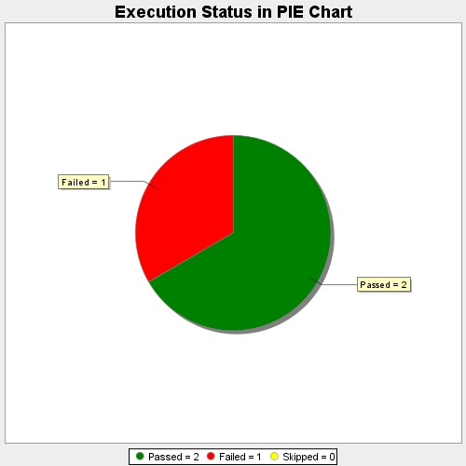
Start Time | 2017-11-17T11:58:39Z
End Time | 2017-11-17T11:59:43Z
Duration | 63735 ms

