工作表1
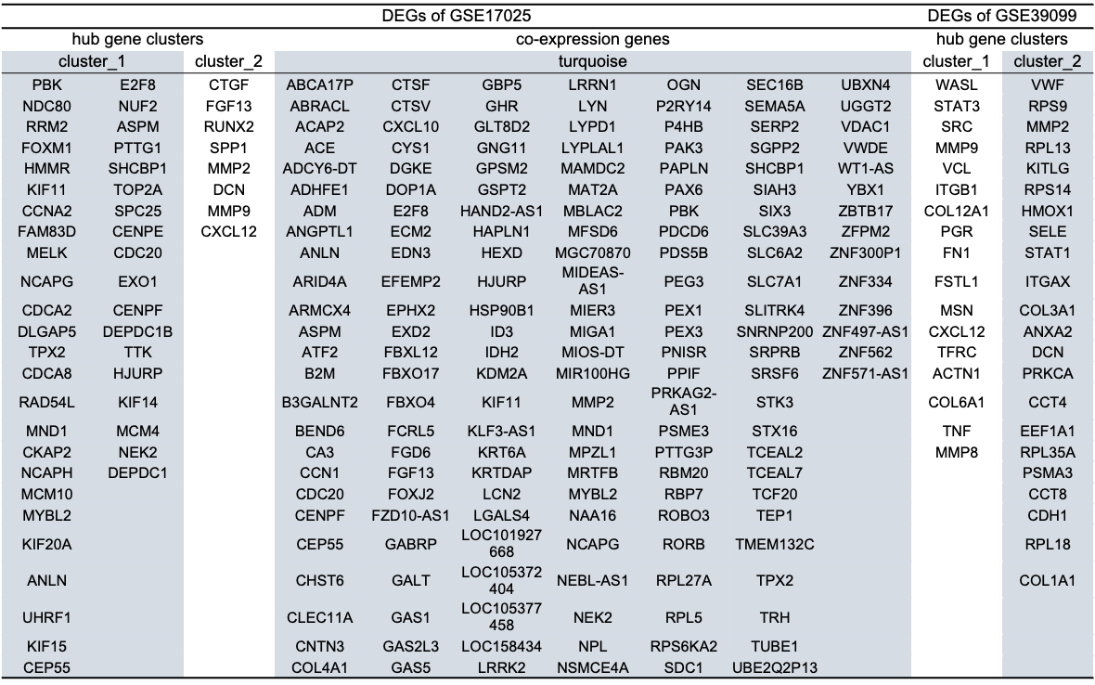
DEGs of GSE17025 |  |  |  |  |  |  |  |  |  | DEGs of GSE39099
hub gene clusters |  |  | co-expression genes |  |  |  |  |  |  | hub gene clusters
cluster_1 |  | cluster_2 | turquoise |  |  |  |  |  |  | cluster_1 | cluster_2
PBK | E2F8 | CTGF | ABCA17P | CTSF | GBP5 | LRRN1 | OGN | SEC16B | UBXN4 | WASL | VWF
NDC80 | NUF2 | FGF13 | ABRACL | CTSV | GHR | LYN | P2RY14 | SEMA5A | UGGT2 | STAT3 | RPS9
RRM2 | ASPM | RUNX2 | ACAP2 | CXCL10 | GLT8D2 | LYPD1 | P4HB | SERP2 | VDAC1 | SRC | MMP2
FOXM1 | PTTG1 | SPP1 | ACE | CYS1 | GNG11 | LYPLAL1 | PAK3 | SGPP2 | VWDE | MMP9 | RPL13
HMMR | SHCBP1 | MMP2 | ADCY6-DT | DGKE | GPSM2 | MAMDC2 | PAPLN | SHCBP1 | WT1-AS | VCL | KITLG
KIF11 | TOP2A | DCN | ADHFE1 | DOP1A | GSPT2 | MAT2A | PAX6 | SIAH3 | YBX1 | ITGB1 | RPS14
CCNA2 | SPC25 | MMP9 | ADM | E2F8 | HAND2-AS1 | MBLAC2 | PBK | SIX3 | ZBTB17 | COL12A1 | HMOX1
FAM83D | CENPE | CXCL12 | ANGPTL1 | ECM2 | HAPLN1 | MFSD6 | PDCD6 | SLC39A3 | ZFPM2 | PGR | SELE
MELK | CDC20 |  | ANLN | EDN3 | HEXD | MGC70870 | PDS5B | SLC6A2 | ZNF300P1 | FN1 | STAT1
NCAPG | EXO1 |  | ARID4A | EFEMP2 | HJURP | MIDEAS-AS1 | PEG3 | SLC7A1 | ZNF334 | FSTL1 | ITGAX
CDCA2 | CENPF |  | ARMCX4 | EPHX2 | HSP90B1 | MIER3 | PEX1 | SLITRK4 | ZNF396 | MSN | COL3A1
DLGAP5 | DEPDC1B |  | ASPM | EXD2 | ID3 | MIGA1 | PEX3 | SNRNP200 | ZNF497-AS1 | CXCL12 | ANXA2
TPX2 | TTK |  | ATF2 | FBXL12 | IDH2 | MIOS-DT | PNISR | SRPRB | ZNF562 | TFRC | DCN
CDCA8 | HJURP |  | B2M | FBXO17 | KDM2A | MIR100HG | PPIF | SRSF6 | ZNF571-AS1 | ACTN1 | PRKCA
RAD54L | KIF14 |  | B3GALNT2 | FBXO4 | KIF11 | MMP2 | PRKAG2-AS1 | STK3 |  | COL6A1 | CCT4
MND1 | MCM4 |  | BEND6 | FCRL5 | KLF3-AS1 | MND1 | PSME3 | STX16 |  | TNF | EEF1A1
CKAP2 | NEK2 |  | CA3 | FGD6 | KRT6A | MPZL1 | PTTG3P | TCEAL2 |  | MMP8 | RPL35A
NCAPH | DEPDC1 |  | CCN1 | FGF13 | KRTDAP | MRTFB | RBM20 | TCEAL7 |  |  | PSMA3
MCM10 |  |  | CDC20 | FOXJ2 | LCN2 | MYBL2 | RBP7 | TCF20 |  |  | CCT8
MYBL2 |  |  | CENPF | FZD10-AS1 | LGALS4 | NAA16 | ROBO3 | TEP1 |  |  | CDH1
KIF20A |  |  | CEP55 | GABRP | LOC101927668 | NCAPG | RORB | TMEM132C |  |  | RPL18
ANLN |  |  | CHST6 | GALT | LOC105372404 | NEBL-AS1 | RPL27A | TPX2 |  |  | COL1A1
UHRF1 |  |  | CLEC11A | GAS1 | LOC105377458 | NEK2 | RPL5 | TRH
KIF15 |  |  | CNTN3 | GAS2L3 | LOC158434 | NPL | RPS6KA2 | TUBE1
CEP55 |  |  | COL4A1 | GAS5 | LRRK2 | NSMCE4A | SDC1 | UBE2Q2P13

