Ramos Dose Curve with sIFNAR2
Ramos Cell Dose Curve with sIFNAR2

Raw Data
 |  | Treatment
sIFNAR2 Concentration (ug/mL) |  | IFNb | IFNa2 | IFNa1 | IFNa1m
 | 0.001 | 10323 | 15909 | 6897 | 11981
 | 0.041152263374 | 4913 | 15659 | 6618 | 12528
 | 0.12345679012 | 2947 | 14778 | 6447 | 13691
 | 0.37037037037 | 2215 | 11362 | 8775 | 13866
 | 1.1111111111 | 1500 | 6611 | 8992 | 14600
 | 3.3333333333 | 1549 | 3441 | 8617 | 11689
 | 10 | 1409 | 2064 | 6902 | 6074

 |  | Treatment
sIFNAR2 Concentration (ug/mL) |  | IFNb | IFNa2 | IFNa1 | IFNa1m
 | 0.001 | 100 | 100 | 100 | 100
 | 0.041152263374 | 47.592754044 | 98.428562449 | 95.95476294 | 104.56556214
 | 0.12345679012 | 28.547902741 | 92.890816519 | 93.475424097 | 114.27259828
 | 0.37037037037 | 21.456940812 | 71.418693821 | 127.2292301 | 115.7332443
 | 1.1111111111 | 14.530659692 | 41.555094601 | 130.37552559 | 121.85961105
 | 3.3333333333 | 15.005327909 | 21.629266453 | 124.93837901 | 97.562807779
 | 10 | 13.649133004 | 12.973788422 | 100.07249529 | 50.696936817

Normalized Ramos Cell Flow Cytometry Data for STAT1 Phosphorylation with sIFNAR2 Dose Curve
 | IFNb | IFNa2 | IFNa1 | IFNa1m
0.00 | 100 | 100 | 100 | 100
0.04 | 47.592754044 | 98.428562449 | 95.95476294 | 104.56556214
0.12 | 28.547902741 | 92.890816519 | 93.475424097 | 114.27259828
0.37 | 21.456940812 | 71.418693821 | 127.2292301 | 115.7332443
1.11 | 14.530659692 | 41.555094601 | 130.37552559 | 121.85961105
3.33 | 15.005327909 | 21.629266453 | 124.93837901 | 97.562807779
10.00 | 13.649133004 | 12.973788422 | 100.07249529 | 50.696936817

Beas-2B Cells Time Course
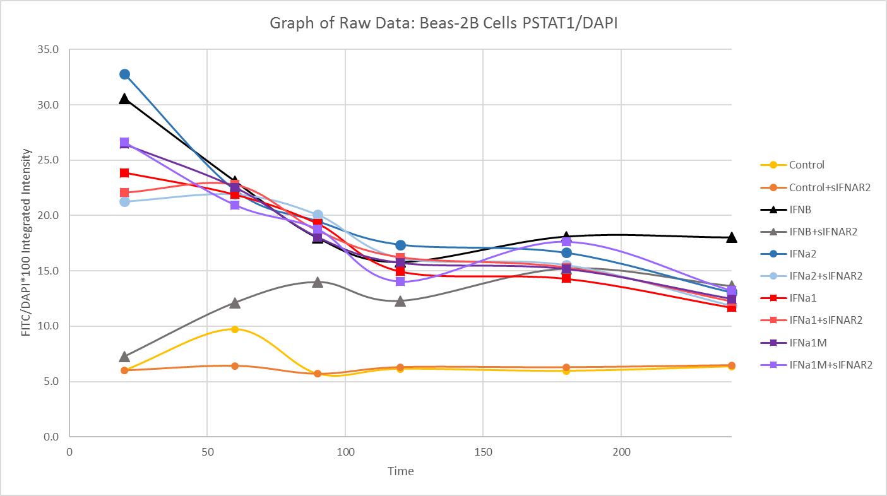
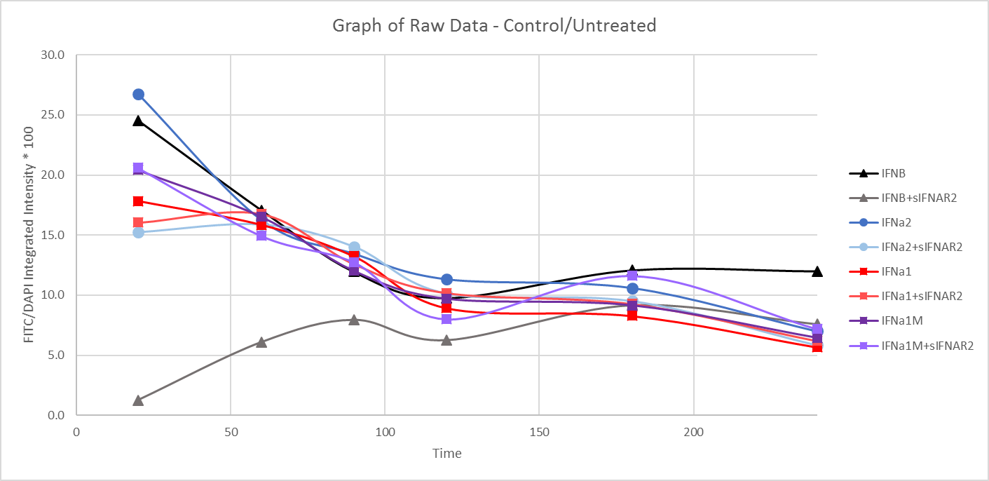
B2B Cells Treated with 10 ng/mL of IFNs and 0 or 1 ug/mL of sIFNAR2 |  |  |  |  |  |  |  |  | Additional Info: |  | Beas-2B Cells are bronchial epithelial cells that are adherent and have fewer receptors than the Ramos cell type.
Time Points: 20, 60, 90, 120, 180, and 240 minutes |  |  |  |  |  |  |  |  |  |  | Cells were plated in a 48 well plate, treated with IFN and sIFNAR2 and then the PSTAT1 and DAPI observed via Celigo.
Celigo Machine Used to Analyze the Fluorescence of Beas-2B Cell for STAT1 Phosphorylation

Table 1: Target1(FITC)/Mask(DAPI) * 100
 | Treatment
Time | Control | Control+sIFNAR2 | IFNB | IFNB+sIFNAR2 | IFNa2 | IFNa2+sIFNAR2 | IFNa1 | IFNa1+sIFNAR2 | IFNa1M | IFNa1M+sIFNAR2
20 | 6.0073 | 5.9973 | 30.5681 | 7.2745 | 32.7817 | 21.2583 | 23.8665 | 22.0672 | 26.4489 | 26.6205
60 | 9.7088 | 6.4219 | 23.1046 | 12.1250 | 22.2963 | 21.9078 | 21.8834 | 22.7946 | 22.5524 | 20.9596
90 | 5.6886 | 5.6909 | 17.9811 | 13.9873 | 19.4792 | 20.0622 | 19.2642 | 18.6298 | 18.0402 | 18.7583
120 | 6.1339 | 6.2963 | 15.8051 | 12.2829 | 17.3588 | 16.1668 | 14.9505 | 16.2157 | 15.7193 | 14.0293
180 | 5.9491 | 6.2870 | 18.1073 | 15.1981 | 16.6319 | 15.5396 | 14.2999 | 15.3028 | 15.1732 | 17.6310
240 | 6.3521 | 6.4737 | 18.0271 | 13.6111 | 13.0282 | 11.8630 | 11.6969 | 12.2197 | 12.4652 | 13.2107

Table 2: Table 1 Data - Control
 | Treatment
Time | IFNB | IFNB+sIFNAR2 | IFNa2 | IFNa2+sIFNAR2 | IFNa1 | IFNa1+sIFNAR2 | IFNa1M | IFNa1M+sIFNAR2
20 | 24.5419 | 1.2483 | 26.7555 | 15.2321 | 17.8402 | 16.0410 | 20.4227 | 20.5943
60 | 17.0784 | 6.0988 | 16.2701 | 15.8816 | 15.8572 | 16.7684 | 16.5262 | 14.9334
90 | 11.9549 | 7.9611 | 13.4530 | 14.0360 | 13.2380 | 12.6036 | 12.0140 | 12.7321
120 | 9.7788 | 6.2567 | 11.3326 | 10.1406 | 8.9243 | 10.1895 | 9.6931 | 8.0031
180 | 12.0811 | 9.1719 | 10.6057 | 9.5134 | 8.2737 | 9.2766 | 9.1470 | 11.6048
240 | 12.0009 | 7.5849 | 7.0020 | 5.8368 | 5.6707 | 6.1935 | 6.4390 | 7.1845

