Smoker Mom Age
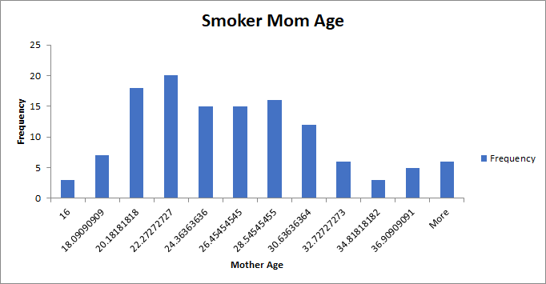
Bin | Frequency
16 | 3
18.090909091 | 7
20.181818182 | 18
22.272727273 | 20
24.363636364 | 15
26.454545455 | 15
28.545454545 | 16
30.636363636 | 12
32.727272727 | 6
34.818181818 | 3
36.909090909 | 5
More | 6

Nonsmoker Mom Age
Nonsmoker Mom Age
Bin | Frequency
13 | 1
14.275862069 | 1
15.551724138 | 6
16.827586207 | 7
18.103448276 | 50
19.379310345 | 28
20.655172414 | 55
21.931034483 | 43
23.206896552 | 94
24.482758621 | 43
25.75862069 | 46
27.034482759 | 81
28.310344828 | 47
29.586206897 | 47
30.862068966 | 32
32.137931034 | 84
33.413793103 | 42
34.689655172 | 45
35.965517241 | 33
37.24137931 | 52
38.517241379 | 11
39.793103448 | 4
41.068965517 | 16
42.344827586 | 2
43.620689655 | 0
44.896551724 | 0
46.172413793 | 2
47.448275862 | 0
48.724137931 | 0
More | 1

Smoker Baby Weight
Smoker Mom Baby Weight
Bin | Frequency
1.69 | 1
2.3718181818 | 1
3.0536363636 | 1
3.7354545455 | 1
4.4172727273 | 2
5.0990909091 | 7
5.7809090909 | 9
6.4627272727 | 22
7.1445454545 | 26
7.8263636364 | 29
8.5081818182 | 17
More | 10

Nonsmoker Baby Weight
Nonsmoker Mom Baby Weight
Bin | Frequency
1 | 2
1.3706896552 | 2
1.7413793103 | 10
2.1120689655 | 1
2.4827586207 | 2
2.8534482759 | 3
3.224137931 | 6
3.5948275862 | 3
3.9655172414 | 6
4.3362068966 | 7
4.7068965517 | 14
5.0775862069 | 11
5.4482758621 | 20
5.8189655172 | 29
6.1896551724 | 49
6.5603448276 | 79
6.9310344828 | 72
7.3017241379 | 109
7.6724137931 | 116
8.0431034483 | 103
8.4137931034 | 82
8.7844827586 | 60
9.1551724138 | 40
9.525862069 | 23
9.8965517241 | 14
10.267241379 | 7
10.637931034 | 1
11.00862069 | 0
11.379310345 | 0
More | 2

