Demanda_Real
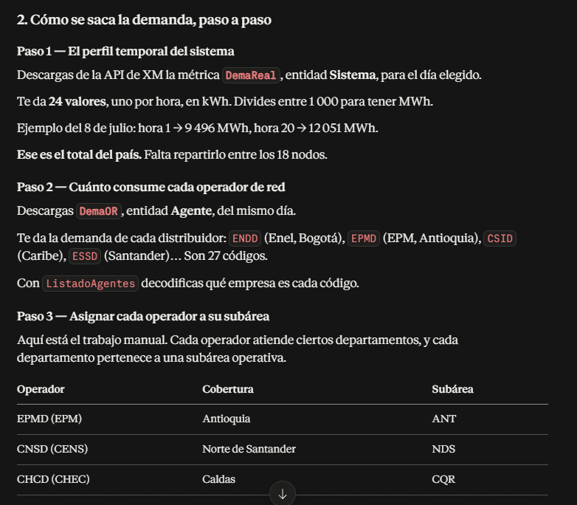
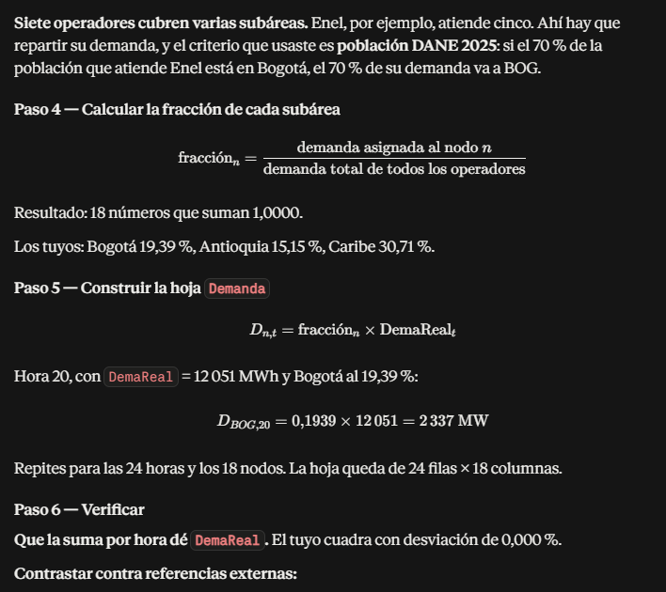
t | timestamp | fecha | hora | nombre_dia | dia_semana | es_habil | codigo | DemaReal_MW
169 | 2026-07-08 | 2026-07-08 | 1 | Wednesday | 2 | TRUE | Sistema | 9701.15016
170 | 2026-07-08 | 2026-07-08 | 2 | Wednesday | 2 | TRUE | Sistema | 9441.101
171 | 2026-07-08 | 2026-07-08 | 3 | Wednesday | 2 | TRUE | Sistema | 9172.41444
172 | 2026-07-08 | 2026-07-08 | 4 | Wednesday | 2 | TRUE | Sistema | 9036.36724
173 | 2026-07-08 | 2026-07-08 | 5 | Wednesday | 2 | TRUE | Sistema | 9145.85664
174 | 2026-07-08 | 2026-07-08 | 6 | Wednesday | 2 | TRUE | Sistema | 9399.46593
175 | 2026-07-08 | 2026-07-08 | 7 | Wednesday | 2 | TRUE | Sistema | 9516.50841
176 | 2026-07-08 | 2026-07-08 | 8 | Wednesday | 2 | TRUE | Sistema | 9966.40288
177 | 2026-07-08 | 2026-07-08 | 9 | Wednesday | 2 | TRUE | Sistema | 10475.85966
178 | 2026-07-08 | 2026-07-08 | 10 | Wednesday | 2 | TRUE | Sistema | 10765.16545
179 | 2026-07-08 | 2026-07-08 | 11 | Wednesday | 2 | TRUE | Sistema | 11121.39839
180 | 2026-07-08 | 2026-07-08 | 12 | Wednesday | 2 | TRUE | Sistema | 11443.48239
181 | 2026-07-08 | 2026-07-08 | 13 | Wednesday | 2 | TRUE | Sistema | 11481.43932
182 | 2026-07-08 | 2026-07-08 | 14 | Wednesday | 2 | TRUE | Sistema | 11646.21781
183 | 2026-07-08 | 2026-07-08 | 15 | Wednesday | 2 | TRUE | Sistema | 11922.98291
184 | 2026-07-08 | 2026-07-08 | 16 | Wednesday | 2 | TRUE | Sistema | 11947.62501
185 | 2026-07-08 | 2026-07-08 | 17 | Wednesday | 2 | TRUE | Sistema | 11796.78747
186 | 2026-07-08 | 2026-07-08 | 18 | Wednesday | 2 | TRUE | Sistema | 11532.53478
187 | 2026-07-08 | 2026-07-08 | 19 | Wednesday | 2 | TRUE | Sistema | 11907.31551
188 | 2026-07-08 | 2026-07-08 | 20 | Wednesday | 2 | TRUE | Sistema | 12201.62417
189 | 2026-07-08 | 2026-07-08 | 21 | Wednesday | 2 | TRUE | Sistema | 11934.53833
190 | 2026-07-08 | 2026-07-08 | 22 | Wednesday | 2 | TRUE | Sistema | 11497.19097
191 | 2026-07-08 | 2026-07-08 | 23 | Wednesday | 2 | TRUE | Sistema | 10866.80751
192 | 2026-07-08 | 2026-07-08 | 24 | Wednesday | 2 | TRUE | Sistema | 10250.67928

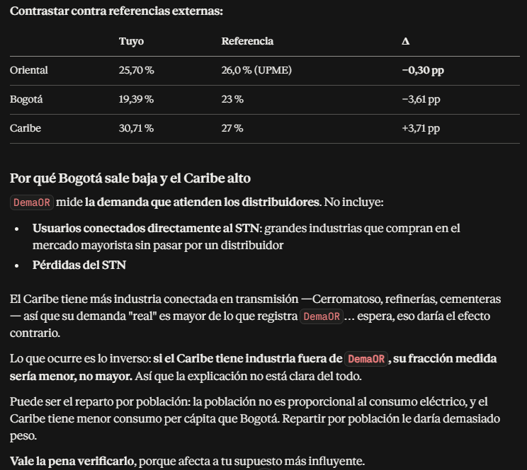

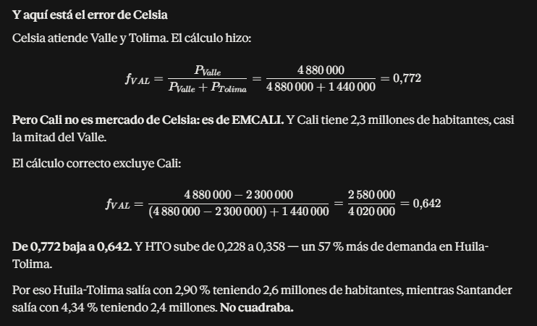

 | hora | ANT | ARA | ATL | BOG | BOL | BYC | CQR | CAQ | CAN | CER | CSU | GCM | HTO | MET | NDS | PUT | SAN | VAL
 | 1 | 1465.2943325 | 40.245438658 | 848.98779242 | 1866.5203316 | 499.17757657 | 322.66228326 | 443.05989852 | 35.039704494 | 237.11370028 | 0 | 659.80314412 | 1007.3196913 | 328.66733862 | 270.32513308 | 230.91080182 | 24.811249602 | 380.3102906 | 1040.9014526
 | 2 | 1426.0156332 | 39.166618895 | 826.22981438 | 1816.4863628 | 485.79661582 | 314.01299381 | 431.18322899 | 34.10042971 | 230.75762728 | 0 | 642.11645228 | 980.31746629 | 319.85707757 | 263.07879397 | 224.7210038 | 24.146158916 | 370.1156879 | 1012.9990344
 | 3 | 1385.4323119 | 38.051966684 | 802.71594173 | 1764.7905413 | 471.9712133 | 305.07642263 | 418.91208196 | 33.129957394 | 224.19044057 | 0 | 623.842306 | 952.41837616 | 310.75418821 | 255.59177141 | 218.3256148 | 23.458977582 | 359.58247668 | 984.16985167
 | 4 | 1364.8832855 | 37.487571829 | 790.80988831 | 1738.614793 | 464.97083598 | 300.55146431 | 412.69868895 | 32.638566826 | 220.86520032 | 0 | 614.58934436 | 938.29190443 | 306.14501606 | 251.80077995 | 215.08736289 | 23.111029042 | 354.24907298 | 969.57243531
 | 5 | 1381.4209325 | 37.941791056 | 800.39175876 | 1759.6807685 | 470.6046683 | 304.19310465 | 417.69916432 | 33.034032947 | 223.54131978 | 0 | 622.03603359 | 949.66074491 | 309.85443083 | 254.85173124 | 217.69347502 | 23.391054481 | 358.54134192 | 981.32028723
 | 6 | 1419.7269322 | 38.993894874 | 822.58615712 | 1808.4756936 | 483.65426229 | 312.62820268 | 429.28171942 | 33.950047485 | 229.73999068 | 0 | 639.28473133 | 975.99428552 | 318.44651414 | 261.91862166 | 223.72998858 | 24.039674829 | 368.48348498 | 1008.5317286
 | 7 | 1437.4054219 | 39.479448223 | 832.82902885 | 1830.9948965 | 489.67674215 | 316.52106004 | 434.62715047 | 34.372794669 | 232.60072111 | 0 | 647.24512727 | 988.14740065 | 322.41182133 | 265.18004153 | 226.51588226 | 24.339017705 | 373.07185429 | 1021.0900011
 | 8 | 1505.358995 | 41.345845506 | 872.20115552 | 1917.5554756 | 512.82628912 | 331.4846442 | 455.17421911 | 35.997774081 | 243.59695772 | 0 | 677.84374505 | 1034.8622284 | 337.65389218 | 277.71647077 | 237.22445713 | 25.489648692 | 390.70888637 | 1069.3621956
 | 9 | 1582.3090597 | 43.459338365 | 916.78582639 | 2015.57596 | 539.0406448 | 348.42928326 | 478.44154984 | 37.837887338 | 256.04900519 | 0 | 712.49336697 | 1087.7617133 | 354.91388726 | 291.91261964 | 249.35075882 | 26.792613714 | 410.68091575 | 1124.0252297
 | 10 | 1626.0067788 | 44.659529913 | 942.10417318 | 2071.2389618 | 553.9270202 | 358.05165434 | 491.6543949 | 38.882834507 | 263.12016327 | 0 | 732.16988643 | 1117.8018028 | 364.71533992 | 299.97420253 | 256.23693528 | 27.532529915 | 422.02245436 | 1155.0667879
 | 11 | 1679.8133996 | 46.137370241 | 973.2795918 | 2139.7788787 | 572.25716588 | 369.90003643 | 507.92386065 | 40.169516678 | 271.82714225 | 0 | 756.39831398 | 1154.7912782 | 376.78423179 | 309.90072828 | 264.71613955 | 28.443616151 | 435.98771113 | 1193.2894087
 | 12 | 1728.4620497 | 47.473542926 | 1001.4664954 | 2201.7484724 | 588.83016062 | 380.61261763 | 522.63371484 | 41.332855869 | 279.69945922 | 0 | 778.30417384 | 1188.2348957 | 387.69618443 | 318.87568473 | 272.38251657 | 29.26736451 | 448.61424073 | 1227.8479609
 | 13 | 1734.195192 | 47.6310081 | 1004.7882634 | 2209.0514602 | 590.78325361 | 381.87507306 | 524.36724059 | 41.469952975 | 280.62719542 | 0 | 780.8857339 | 1192.1761565 | 388.98213537 | 319.9333647 | 273.28598317 | 29.364441542 | 450.102251 | 1231.9206144
 | 14 | 1759.0838891 | 48.314595356 | 1019.2087109 | 2240.7551651 | 599.26201396 | 387.3556401 | 531.89281641 | 42.065118445 | 284.65468049 | 0 | 792.09279327 | 1209.285944 | 394.56470103 | 324.52496121 | 277.20810917 | 29.785872009 | 456.56199591 | 1249.6008035
 | 15 | 1800.8874202 | 49.46276157 | 1043.42957 | 2294.0053136 | 613.50310183 | 396.56090521 | 544.53291733 | 43.06476974 | 291.41932138 | 0 | 810.9163843 | 1238.02387 | 403.94128498 | 332.23709443 | 283.79578693 | 30.493714673 | 467.41190689 | 1279.296787
 | 16 | 1804.6094458 | 49.564989874 | 1045.5861021 | 2298.746502 | 614.77107352 | 397.38050661 | 545.6583433 | 43.153774846 | 292.02161898 | 0 | 812.59236445 | 1240.5825844 | 404.77613995 | 332.92375311 | 284.38232842 | 30.556738262 | 468.37794123 | 1281.9408031
 | 17 | 1781.8264367 | 48.939236962 | 1032.3856848 | 2269.7250633 | 607.00965179 | 392.36361848 | 538.7694627 | 42.608962866 | 288.334876 | 0 | 802.33346921 | 1224.9203565 | 399.66588271 | 328.72062489 | 280.7920307 | 30.170962576 | 462.46471778 | 1265.756432
 | 18 | 1741.9128221 | 47.84297876 | 1009.2598385 | 2218.882327 | 593.41239629 | 383.57451874 | 526.70081433 | 41.6545053 | 281.87606111 | 0 | 784.3608832 | 1197.4816576 | 390.71320938 | 321.3571533 | 274.50217851 | 29.49512112 | 452.10532578 | 1237.4029889
 | 19 | 1798.5209634 | 49.39776501 | 1042.058451 | 2290.9908751 | 612.69692786 | 396.03980421 | 543.81737366 | 43.008180464 | 291.03638171 | 0 | 809.85079933 | 1236.3970443 | 403.41048579 | 331.80051816 | 283.42286497 | 30.453644396 | 466.7977041 | 1277.6157266
 | 20 | 1842.9743328 | 50.618711076 | 1067.8146196 | 2347.6164389 | 627.84072846 | 405.82857179 | 557.2587041 | 44.07119756 | 298.22981901 | 0 | 829.86757838 | 1266.9566072 | 413.38143175 | 340.00150736 | 290.42812183 | 31.206355725 | 478.33536821 | 1309.1940762
 | 21 | 1802.6327897 | 49.510699489 | 1044.4408326 | 2296.2285991 | 614.0976918 | 396.94524089 | 545.06066333 | 43.106506905 | 291.70175679 | 0 | 811.70230167 | 1239.2237279 | 404.33277352 | 332.55908929 | 284.07083383 | 30.523268325 | 467.86490937 | 1280.5366455
 | 22 | 1736.5743742 | 47.696354173 | 1006.1667554 | 2212.0821086 | 591.59376271 | 382.39897623 | 525.08663203 | 41.526846555 | 281.01219431 | 0 | 781.95704895 | 1193.8117303 | 389.51578889 | 320.37228862 | 273.66091048 | 29.404727293 | 450.7197566 | 1233.6107146
 | 23 | 1641.3591372 | 45.081194274 | 950.99929043 | 2090.7950936 | 559.15706369 | 361.43229051 | 496.29647549 | 39.249956723 | 265.60447952 | 0 | 739.08285547 | 1128.3558141 | 368.15889298 | 302.8064856 | 258.65626178 | 27.79248533 | 426.00708718 | 1165.9726461
 | 24 | 1548.2970581 | 42.525172516 | 897.07935958 | 1972.2508129 | 527.45387472 | 340.93973672 | 468.15736759 | 37.024555533 | 250.5451884 | 0 | 697.17820122 | 1064.3800908 | 347.28495306 | 285.63790837 | 243.99092197 | 26.216701939 | 401.85325982 | 1099.8641168

