dashboard

sales dashboard

 | Total
Furniture | 82534.7842
Office Supplies | 85854.57
Technology | 74083.947
Furniture | 93583.919
Office Supplies | 99506.915
Technology | 132284.246
Furniture | 60014.83
Office Supplies | 59399.488
Technology | 69836.794
Furniture | 128633.3235
Office Supplies | 95178.407
Technology | 101999.595

 | Total
Central | 242473.3012
East | 325375.08
South | 189251.112
West | 325811.3255
 | Total
Furniture | 364766.8567
Office Supplies | 339939.38
Technology | 378204.582

 | Total
Consumer | 552594.5144
Corporate | 333366.2879
Home Office | 196950.0164


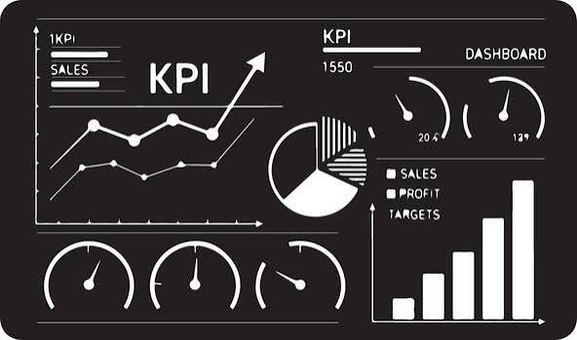

 | Total
California | 210349.0305
Illinois | 47974.573
Michigan | 45505.816
New York | 145909.309
Pennsylvania | 55239.332
Texas | 77193.5222
Washington | 53874.696
 | Total
Chicago | 28443.477
Detroit | 29232.642
Houston | 28521.2576
Los Angeles | 87068.9615
New York City | 116870.045
Newark | 21207.75
Philadelphia | 52856.151
San Diego | 25505.591
San Francisco | 46419.244
Seattle | 46992.724
 | Total
Central | 35679.1894
East | 54962.434
South | 22074.688
West | 55060.607
Central | 10428.942
East | 17518.824
South | 15811.267
West | 18908.179
Central | 49294.6622
East | 59236.304
South | 52356.239
West | 56851.849
Central | 147070.5076
East | 193657.518
South | 99008.918
West | 194990.6905

