Chart1
Immunization Using Second Derivatives
 | Bond 2 | Bond portfolio
0% | $1,868.87 | $1,774.63
1% | $1,844.71 | $1,781.79
2% | $1,825.14 | $1,786.37
3% | $1,810.05 | $1,789.02
4% | $1,799.35 | $1,790.32
5% | $1,792.97 | $1,790.78
6% | $1,790.85 | $1,790.85
7% | $1,792.95 | $1,790.91
8% | $1,799.26 | $1,791.31
9% | $1,809.76 | $1,792.38
10% | $1,824.46 | $1,794.38
11% | $1,843.37 | $1,797.58
12% | $1,866.53 | $1,802.21
13% | $1,893.98 | $1,808.46
14% | $1,925.77 | $1,816.55
15% | $1,961.98 | $1,826.65

Page 701, 703-4
BOND CONVEXITY
Yield to maturity | 6%
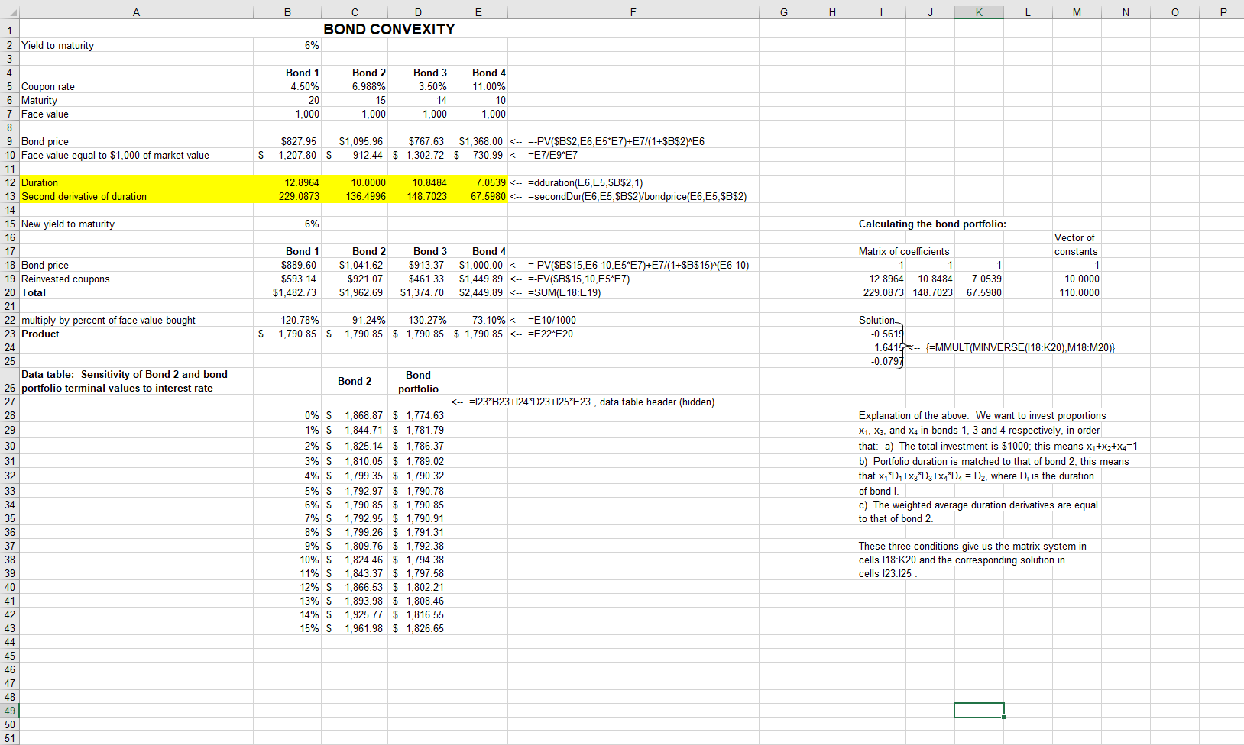
 | Bond 1 | Bond 2 | Bond 3 | Bond 4
Coupon rate | 4.50% | 6.988% | 3.50% | 11.00%
Maturity | 20 | 15 | 14 | 10
Face value | 1,000 | 1,000 | 1,000 | 1,000

Bond price | $827.95 | $1,095.96 | $767.63 | $1,368.00 | =-PV($B$2,E6,E5*E7)+E7/(1+$B$2)^E6
Face value equal to $1,000 of market value | $1,207.80 | $912.44 | $1,302.72 | $730.99 | =E7/E9*E7

Duration | 12.8964 | 10.0000 | 10.8484 | 7.0539 | =dduration(E6,E5,$B$2,1)
Second derivative of duration | 229.0873 | 136.4996 | 148.7023 | 67.5980 | =secondDur(E6,E5,$B$2)/bondprice(E6,E5,$B$2)

New yield to maturity | 6% |  |  |  |  | Calculating the bond portfolio:
 |  |  |  |  |  |  |  |  | Vector of
 | Bond 1 | Bond 2 | Bond 3 | Bond 4 |  | Matrix of coefficients |  |  | constants
Bond price | $889.60 | $1,041.62 | $913.37 | $1,000.00 | =-PV($B$15,E6-10,E5*E7)+E7/(1+$B$15)^(E6-10) | 1 | 1 | 1 | 1
Reinvested coupons | $593.14 | $921.07 | $461.33 | $1,449.89 | =-FV($B$15,10,E5*E7) | 12.8964 | 10.8484 | 7.0539 | 10.0000
Total | $1,482.73 | $1,962.69 | $1,374.70 | $2,449.89 | =SUM(E18:E19) | 229.0873 | 148.7023 | 67.5980 | 110.0000

multiply by percent of face value bought | 120.78% | 91.24% | 130.27% | 73.10% | =E10/1000 | Solution
Product | $1,790.85 | $1,790.85 | $1,790.85 | $1,790.85 | =E22*E20 | -0.5619
 |  |  |  |  |  | 1.6415 | {=MMULT(MINVERSE(I18:K20),M18:M20)}
 |  |  |  |  |  | -0.0797
Data table: Sensitivity of Bond 2 and bond portfolio terminal values to interest rate |  | Bond 2 | Bond portfolio
 |  |  |  | =I23*B23+I24*D23+I25*E23 , data table header (hidden)
 | 0% | $1,868.87 | $1,774.63 |  |  | Explanation of the above: We want to invest proportions
 | 1% | $1,844.71 | $1,781.79 |  |  | x1, x3, and x4 in bonds 1, 3 and 4 respectively, in order
 | 2% | $1,825.14 | $1,786.37 |  |  | that: a) The total investment is $1000; this means x1+x2+x4=1
 | 3% | $1,810.05 | $1,789.02 |  |  | b) Portfolio duration is matched to that of bond 2; this means
 | 4% | $1,799.35 | $1,790.32 |  |  | that x1*D1+x3*D3+x4*D4 = D2, where Di is the duration
 | 5% | $1,792.97 | $1,790.78 |  |  | of bond I.
 | 6% | $1,790.85 | $1,790.85 |  |  | c) The weighted average duration derivatives are equal
 | 7% | $1,792.95 | $1,790.91 |  |  | to that of bond 2.
 | 8% | $1,799.26 | $1,791.31
 | 9% | $1,809.76 | $1,792.38 |  |  | These three conditions give us the matrix system in
 | 10% | $1,824.46 | $1,794.38 |  |  | cells I18:K20 and the corresponding solution in
 | 11% | $1,843.37 | $1,797.58 |  |  | cells I23:I25 .
 | 12% | $1,866.53 | $1,802.21
 | 13% | $1,893.98 | $1,808.46
 | 14% | $1,925.77 | $1,816.55
 | 15% | $1,961.98 | $1,826.65

Sheet2
