Sheet1
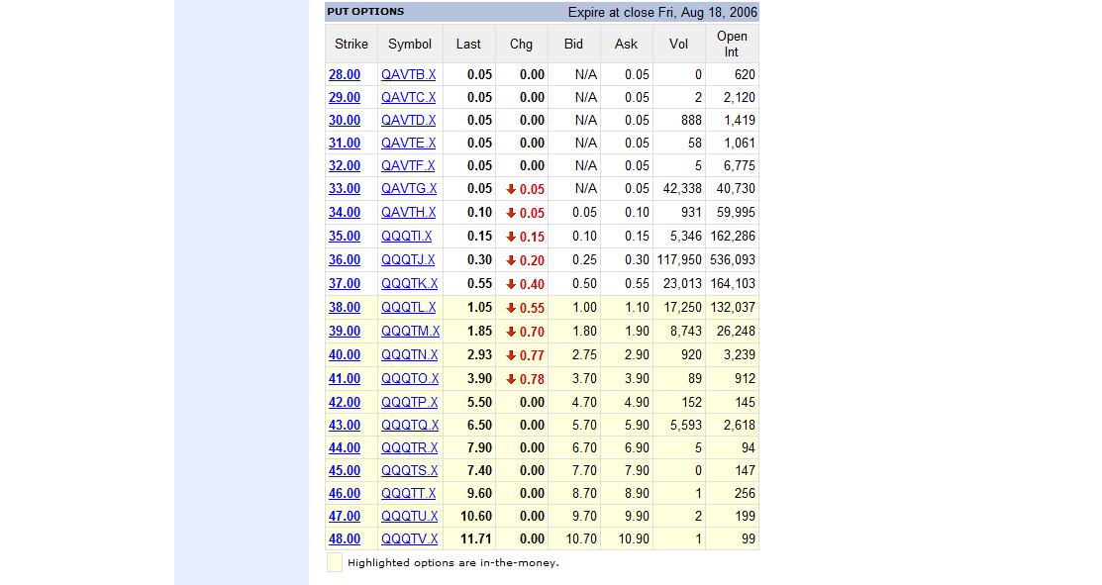
PRICING THE AUGUST 2006 QQQQ OPTIONS Using the historical volatility s
Current date | 28-Jul-06
Option expiration date | 18-Aug-06

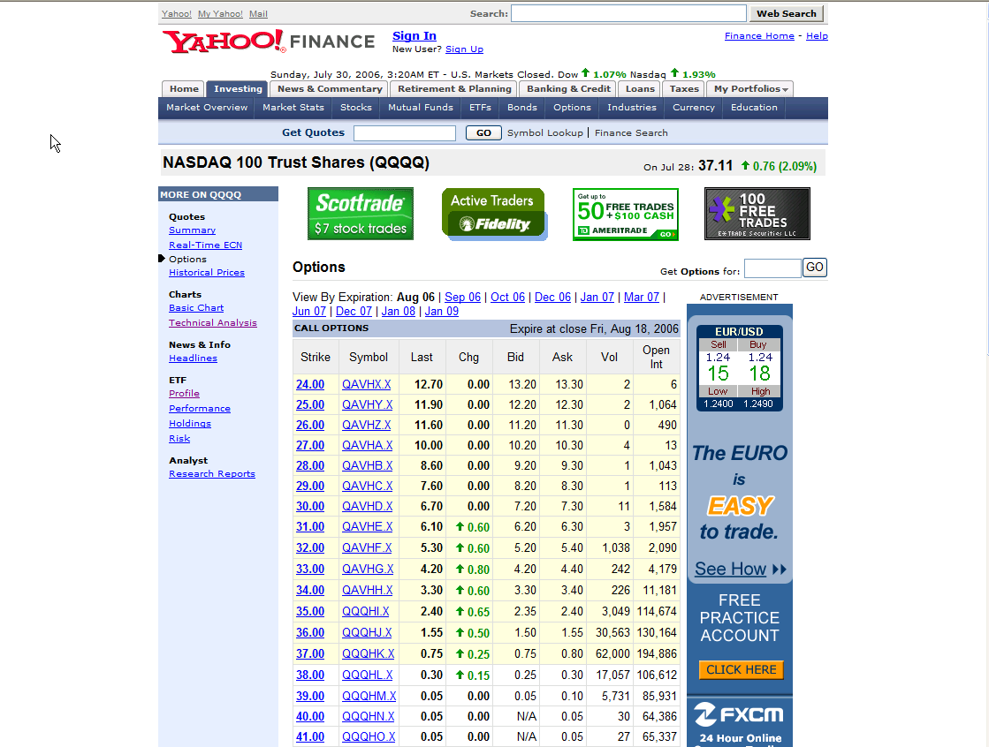
S | 37.11
X | 37
T | 0.06 | <-- =(B3-B2)/365
Interest | 5.00%
Sigma | 20.66%

Call price | 0.8447 | <-- =BSCall(B5,B6,B7,B8,B9)
Put price | 0.6284 | <-- =BSPut(B5,B6,B7,B8,B9)

Actual prices
Call | 0.75
Put | 0.55

