Page 732, 734
CALCULATING THE EXPECTED BOND RETURN This version computes the expected bond return for AMR taking into account actual dates Uses annual transition matrix
Bond price | 76.75% |  |  |  |  | Payoff (t<N) |  |  | Payoff (N)
Coupon rate, Q | 10.55% |  |  | Vector to | AAA | 5.28% |  | Vector to | 105.28% |  |  | Accrued interest calculation
Actual price (includes accrued) | 80.39% | <-- =B2+N8 |  | right | AA | 5.28% |  | right | 105.28% |  |  | Last payment date | 15-Mar-05
Recovery rate, l | 50.00% |  |  | called | A | 5.28% |  | called | 105.28% |  |  | Next payment date | 15-Sep-05
Maturity date | 12-Mar-21 |  |  | "payoff1" | BBB | 5.28% |  | "payoff2" | 105.28% |  |  | Current date | 20-Jul-05
Current date | 20-Jul-05 |  |  |  | BB | 5.28% |  |  | 105.28% |  |  | Percentage of period | 0.69 | =(N6-N4)/(N5-N4)
Coupon paid semiannually
Initial rating | CCC |  |  |  | B | 5.28% |  |  | 105.28% |  |  | Accrued interest | 0.0364 | =B3*N7/2
Bond YTM | 14.78% |  |  |  | CCC | 5.28% |  |  | 105.28%
 |  |  |  |  | Default | 50.00% |  |  | 50.00%
 |  |  |  |  | E | 0% |  |  | 0%

 | original rating | probability of migrating to rating by year end (%)
Transition matrix → |  | AAA | AA | A | BBB | BB | B | CCC | Default | E
 | AAA | 0.9366 | 0.0583 | 0.0040 | 0.0008 | 0.0003 | 0.0000 | 0.0000 | 0.0000 | 0.0000
 | AA | 0.0066 | 0.9172 | 0.0694 | 0.0049 | 0.0006 | 0.0009 | 0.0002 | 0.0001 | 0.0000
 | A | 0.0007 | 0.0225 | 0.9176 | 0.0519 | 0.0049 | 0.0020 | 0.0001 | 0.0004 | 0.0000
 | BBB | 0.0003 | 0.0025 | 0.0483 | 0.8926 | 0.0444 | 0.0081 | 0.0016 | 0.0022 | 0.0000
 | BB | 0.0003 | 0.0007 | 0.0044 | 0.0667 | 0.8331 | 0.0747 | 0.0105 | 0.0098 | 0.0000
 | B | 0.0000 | 0.0010 | 0.0033 | 0.0046 | 0.0577 | 0.8419 | 0.0387 | 0.0530 | 0.0000
 | CCC | 0.0016 | 0.0000 | 0.0031 | 0.0093 | 0.0200 | 0.1074 | 0.6396 | 0.2194 | 0.0000
 | Default | 0.0000 | 0.0000 | 0.0000 | 0.0000 | 0.0000 | 0.0000 | 0.0000 | 0.0000 | 1.0000
 | E | 0.0000 | 0.0000 | 0.0000 | 0.0000 | 0.0000 | 0.0000 | 0.0000 | 0.0000 | 1.0000

 | AAA | AA | A | BBB | BB | B | CCC | Default | E
Initial vector | 0 | 0 | 0 | 0 | 0 | 0 | 1 | 0 | 0

Computing the AMR bond expected return
 | 0 | 1 | 2 | 3 | 4 | 5 | 6 | 7 | 8 | 9 | 10 | 11 | 12 | 13 | 14 | 15 | 16 | 17 | 18 | 19 | 20 | 21 | 22 | 23 | 24 | 25 | 26 | 27 | 28 | 29 | 30 | 31 | 32 | 33 | 34 | 35 | 36 | 37 | 38 | 39 | 40 | 41 | 42 | 43 | 44 | 45 | 46 | 47 | 48 | 49 | 50 | 51 | 52 | 53 | 54 | 55 | 56 | 57 | 58 | 59 | 60 | 61 | 62 | 63 | 64 | 65 | 66 | 67 | 68 | 69 | 70 | 71 | 72 | 73 | 74 | 75 | 76 | 77 | 78 | 79 | 80 | 81 | 82 | 83 | 84 | 85 | 86 | 87 | 88 | 89 | 90 | 91 | 92 | 93 | 94 | 95 | 96 | 97 | 98 | 99 | 100 | 101 | 102 | 103 | 104 | 105 | 106 | 107 | 108 | 109 | 110 | 111 | 112 | 113 | 114 | 115 | 116 | 117 | 118 | 119 | 120 | 121 | 122 | 123 | 124 | 125 | 126 | 127 | 128 | 129 | 130 | 131 | 132 | 133 | 134 | 135 | 136 | 137 | 138 | 139 | 140 | 141 | 142 | 143 | 144 | 145 | 146 | 147 | 148 | 149 | 150 | 151 | 152 | 153 | 154 | 155 | 156 | 157 | 158 | 159 | 160 | 161 | 162 | 163 | 164 | 165 | 166 | 167 | 168 | 169 | 170 | 171 | 172 | 173 | 174 | 175 | 176 | 177 | 178 | 179 | 180 | 181 | 182 | 183 | 184 | 185 | 186 | 187 | 188 | 189 | 190 | 191 | 192 | 193 | 194 | 195 | 196 | 197 | 198 | 199 | 200 | 201 | 202 | 203 | 204 | 205 | 206 | 207 | 208 | 209 | 210 | 211 | 212 | 213 | 214 | 215 | 216 | 217 | 218 | 219 | 220 | 221 | 222 | 223 | 224 | 225 | 226
Date | 20-Jul-05 | 15-Nov-05 | 15-Mar-06 | 15-Sep-06 | 15-Mar-07 | 15-Sep-07 | 15-Mar-08 | 15-Sep-08 | 15-Mar-09 | 15-Sep-09 | 15-Mar-10 | 15-Sep-10 | 15-Mar-11 | 15-Sep-11 | 15-Mar-12 | 15-Sep-12 | 15-Mar-13 | 15-Sep-13 | 15-Mar-14 | 15-Sep-14 | 15-Mar-15 | 15-Sep-15 | 15-Mar-16 | 15-Sep-16 | 15-Mar-17 | 15-Sep-17 | 15-Mar-18 | 15-Sep-18 | 15-Mar-19 | 15-Sep-19 | 15-Mar-20 | 15-Sep-20 | 15-Mar-21 | 15-Sep-21 | 15-Mar-22 | 15-Sep-22 | 15-Mar-23 | 15-Sep-23 | 15-Mar-24 | 15-Sep-24 | 15-Mar-25
Expected payoffs | -0.8039 | 0.1509 | 0.1066 | 0.0781 | 0.0594 | 0.0471 | 0.0387 | 0.0329 | 0.0287 | 0.0257 | 0.0234 | 0.0215 | 0.0201 | 0.0188 | 0.0178 | 0.0169 | 0.0161 | 0.0154 | 0.0148 | 0.0142 | 0.0137 | 0.0132 | 0.0128 | 0.0124 | 0.0120 | 0.0116 | 0.0113 | 0.0110 | 0.0107 | 0.0105 | 0.0102 | 0.0100 | 0.0000 | 0.0000 | 0.0000 | 0.0000 | 0.0000 | 0.0000 | 0.0000 | 0.0000 | 0.0000
Expected bond return | 2.47% | <-- =XIRR(B32:AP32,B31:AP31)

Annualized IRR of expected payoffs computed using actual dates with XIRR.
=IF(E31>$B$6,0,
IF(E31=$B$6,MMULT(initial,MMULT(matrixpower(transition,E30),payoff2)),
MMULT(initial,MMULT(matrixpower(transition,E30),payoff1))))
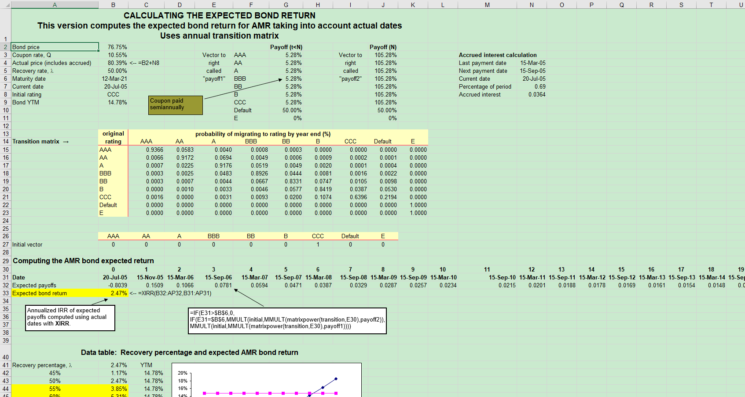

Data table: Recovery percentage and expected AMR bond return
Recovery percentage, l | 2.47% | YTM
45% | 1.17% | 14.78%
50% | 2.47% | 14.78%
55% | 3.85% | 14.78%
60% | 5.31% | 14.78%
65% | 6.86% | 14.78%
70% | 8.52% | 14.78%
75% | 10.28% | 14.78%
80% | 12.15% | 14.78%
85% | 14.15% | 14.78%
90% | 16.27% | 14.78%
95% | 18.53% | 14.78%

Cell B41 contains the data table header =B33

step | 5%
 |  |  |  |  |  | AMR Bond Expected Return vs. Recovery Rate Bond price = 77%, Bond Rating = CCC, Coupon = 10.55%, YTM = 14.78%

YTM calculation
Year | 20-Jul-05 | 15-Nov-05 | 15-Mar-06 | 15-Sep-06 | 15-Mar-07 | 15-Sep-07 | 15-Mar-08 | 15-Sep-08 | 15-Mar-09 | 15-Sep-09 | 15-Mar-10 | 15-Sep-10 | 15-Mar-11 | 15-Sep-11 | 15-Mar-12 | 15-Sep-12 | 15-Mar-13 | 15-Sep-13 | 15-Mar-14 | 15-Sep-14 | 15-Mar-15 | 15-Sep-15 | 15-Mar-16 | 15-Sep-16 | 15-Mar-17 | 15-Sep-17 | 15-Mar-18 | 15-Sep-18 | 15-Mar-19 | 15-Sep-19 | 15-Mar-20 | 15-Sep-20 | 12-Mar-21 | 15-Sep-21 | 15-Mar-22 | 15-Sep-22 | 15-Mar-23 | 15-Sep-23 | 15-Mar-24 | 15-Sep-24 | 15-Mar-25
Expected payoffs | -0.8039 | 0.0528 | 0.0528 | 0.0528 | 0.0528 | 0.0528 | 0.0528 | 0.0528 | 0.0528 | 0.0528 | 0.0528 | 0.0528 | 0.0528 | 0.0528 | 0.0528 | 0.0528 | 0.0528 | 0.0528 | 0.0528 | 0.0528 | 0.0528 | 0.0528 | 0.0528 | 0.0528 | 0.0528 | 0.0528 | 0.0528 | 0.0528 | 0.0528 | 0.0528 | 0.0528 | 0.0528 | 1.0528 | 0.0000 | 0.0000 | 0.0000 | 0.0000 | 0.0000 | 0.0000 | 0.0000 | 0.0000
Annualized YTM | 14.78%

Sheet1
