Sheet1
OPTIMIZING WITH SHORT SALE CONSTRAINTS
 |  |  |  |  |  |  |  | Results
 | A | B | C | D | E | F | Mean returns | Constant | Porfolio sigma | Porfolio mean | A | B | C | D | E | F
A | 0.0100 | 0.0000 | 0.0000 | 0.0000 | 0.0000 | 0.0000 | 0.0100 | -0.04 | 0.0831 | 0.0192 | 0.5829 | 0.1749 | 0.0907 | 0.0622 | 0.0525 | 0.0369
B | 0.0000 | 0.0400 | 0.0000 | 0.0000 | 0.0000 | 0.0000 | 0.0200 | -0.03 | 0.0839 | 0.0197 | 0.5660 | 0.1769 | 0.0943 | 0.0660 | 0.0566 | 0.0401
C | 0.0000 | 0.0000 | 0.0900 | 0.0000 | 0.0000 | 0.0000 | 0.0300 | -0.02 | 0.0854 | 0.0205 | 0.5400 | 0.1800 | 0.1000 | 0.0720 | 0.0630 | 0.0450
D | 0.0000 | 0.0000 | 0.0000 | 0.1500 | 0.0000 | 0.0000 | 0.0400 | -0.01 | 0.0888 | 0.0219 | 0.4945 | 0.1854 | 0.1099 | 0.0824 | 0.0742 | 0.0536
E | 0.0000 | 0.0000 | 0.0000 | 0.0000 | 0.2000 | 0.0000 | 0.0500 | 0 | 0.0993 | 0.0250 | 0.3947 | 0.1974 | 0.1316 | 0.1053 | 0.0987 | 0.0724
F | 0.0000 | 0.0000 | 0.0000 | 0.0000 | 0.0000 | 0.3000 | 0.0550 | 0.01 | 0.1628 | 0.0371 | 0.0000 | 0.2446 | 0.2174 | 0.1957 | 0.1957 | 0.1467
 |  |  |  |  |  |  |  | 0.02 | 0.2175 | 0.0442 | 0.0000 | 0.0000 | 0.2174 | 0.2609 | 0.2935 | 0.2283
Constant | 10.00% |  |  |  |  |  |  | 0.03 | 0.2757 | 0.0490 | 0.0000 | 0.0000 | 0.0000 | 0.2667 | 0.4000 | 0.3333
Start | -5.00% |  |  |  |  |  |  | 0.04 | 0.3536 | 0.0525 | 0.0000 | 0.0000 | 0.0000 | 0.0000 | 0.5000 | 0.5000
Iterations | 15 |  | Press [Ctrl] + a to run macro |  |  |  |  | 0.05 | 0.5477 | 0.0550 | 0.0000 | 0.0000 | 0.0000 | 0.0000 | 0.0000 | 1.0000
Jump | 0.01 |  |  |  |  |  |  | 0.06 | 0.5477 | 0.0550 | 0.0000 | 0.0000 | 0.0000 | 0.0000 | 0.0000 | 1.0000
 |  |  |  |  |  |  |  | 0.07 | 0.5477 | 0.0550 | 0.0000 | 0.0000 | 0.0000 | 0.0000 | 0.0000 | 1.0000
Portfolio weights | 0 |  |  |  |  |  |  | 0.08 | 0.5477 | 0.0550 | 0.0000 | 0.0000 | 0.0000 | 0.0000 | 0.0000 | 1.0000
A | 0.0000 |  |  |  |  |  |  | 0.09 | 0.5477 | 0.0550 | 0.0000 | 0.0000 | 0.0000 | 0.0000 | 0.0000 | 1.0000
B | 0.0000 |  |  |  |  |  |  | 0.1 | 0.5477 | 0.0550 | 0.0000 | 0.0000 | 0.0000 | 0.0000 | 0.0000 | 1.0000
C | 0.0000
D | 0.0000
E | 0.0000
F | 1.0000
Sum | 1

Portfolio mean | 5.50% | <-- {=MMULT(TRANSPOSE(B17:B22),I4:I9)}
Portfolio sigma | 54.77% | <-- {=SQRT(MMULT(MMULT(TRANSPOSE(B17:B22),B4:G9),B17:B22))}
Theta | -8.22% | <-- =(B25-B11)/B26

Two efficient portfolios with shortsales
Constant | 0% | 1%

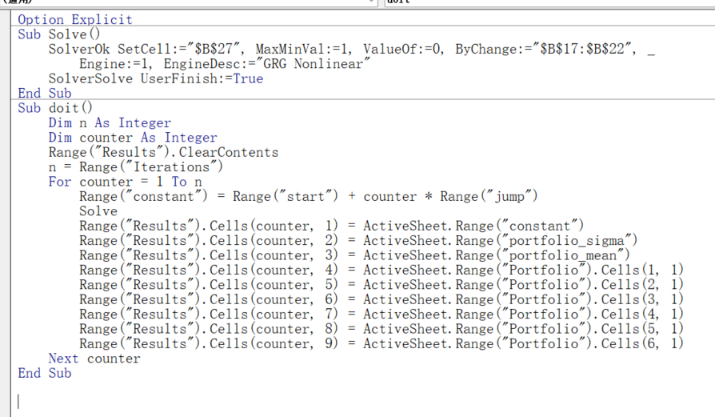
A | 0.3947 | 0.0000 | <-- {=MMULT(MINVERSE($B$4:$G$9),$I$4:$I$9-C32)/SUM(MMULT(MINVERSE($B$4:$G$9),$I$4:$I$9-C32))}
B | 0.1974 | 0.2446
C | 0.1316 | 0.2174
D | 0.1053 | 0.1957
E | 0.0987 | 0.1957
F | 0.0724 | 0.1467
Sum | 1 | 1

Expected | 0.0250 | 0.0371 | <-- {=MMULT(TRANSPOSE(C34:C39),$I$4:$I$9)}
Sigma | 0.0993 | 0.1628 | <-- {=SQRT(MMULT(MMULT(TRANSPOSE(C34:C39),$B$4:$G$9),C34:C39))}
Covariance | 0.0146 | <-- {=MMULT(MMULT(TRANSPOSE(B34:B39),$B$4:$G$9),C34:C39)}

One portfolio
Proportion of first | 0.25
Proportion of second | 0.75

Expected return | 3.41% | <-- =B47*B42+B48*C42
Sigma | 14.50% | <-- =SQRT(B47^2*B43^2+B48^2*C43^2+2*B47*B48*B44)

Data table
 | Sigma | Mean | No shorts
Proportion | 14.50% | 3.41%
-2 | 31.98% | 6.13%
 | with shortsales | sale constraints
14.50% | 3.41%
31.98% | 6.13%
28.74% | 5.65%
20.80% | 4.44%
19.27% | 4.19%
17.76% | 3.95%
16.28% | 3.71%
14.85% | 3.47%
14.15% | 3.35%
12.17% | 2.98%
10.98% | 2.74%
9.93% | 2.50%
9.07% | 2.25%
8.46% | 2.01%
8.16% | 1.77%
8.20% | 1.53%
8.58% | 1.28%
8.31% |  | 0.019187078114
8.39% |  | 0.019705176913
8.54% |  | 0.02050494574
8.88% |  | 0.021902418359
9.93% |  | 0.024967046008
16.28% |  | 0.037092311156
21.75% |  | 0.044184757996
27.57% |  | 0.049000000067
35.36% |  | 0.052500000016
54.77% |  | 0.055
54.77% |  | 0.055
-1.6 | 28.74% | 5.65%
-0.6 | 20.80% | 4.44%
-0.4 | 19.27% | 4.19%
-0.2 | 17.76% | 3.95%
0 | 16.28% | 3.71%
0.2 | 14.85% | 3.47%
0.3 | 14.15% | 3.35%
0.6 | 12.17% | 2.98%
0.8 | 10.98% | 2.74%
1 | 9.93% | 2.50%
1.2 | 9.07% | 2.25%
1.4 | 8.46% | 2.01%
1.6 | 8.16% | 1.77%
1.8 | 8.20% | 1.53%
2 | 8.58% | 1.28%
Data for short sale | 0.0831 |  | 0.0192
restrictions | 0.0839 |  | 0.0197
 | 0.0854 |  | 0.0205
 | 0.0888 |  | 0.0219
 | 0.0993 |  | 0.0250
 | 0.1628 |  | 0.0371
 | 0.2175 |  | 0.0442
 | 0.2757 |  | 0.0490
 | 0.3536 |  | 0.0525
 | 0.5477 |  | 0.0550
 | 0.5477 |  | 0.0550

