sheet1
COMPUTING THE BETA FOR INTEL monthly returns for Intel and S&P 500, 2001-2006
Alpha | -0.00292 | <-- =INTERCEPT(E13:E72,F13:F72)
Beta
Intel Returns vs SP500, 2001-2006
Using Excel's Slope function | 2.2516 | <-- =SLOPE(E13:E72,F13:F72)
Using Cov/Var | 2.2516 | <-- =COVAR(E13:E72,F13:F72)/VARP(F13:F72)
R-squared | 0.5304 | <-- =RSQ(E13:E72,F13:F72)
t-statistic for alpha | -0.2438 | <-- =tintercept(E13:E72,F13:F72)
t-statistic for beta | 8.0942 | <-- =tslope(E13:E72,F13:F72)

 | Prices |  | Returns
Date | Intel | SP500 | Intel | SP500
2001-01-09 | 35.38 | 1366.01
2001-02-01 | 27.32 | 1239.94 | -25.85% | -9.68% | <-- =LN(C13/C12)
2001-03-01 | 25.17 | 1160.33 | -8.20% | -6.64% | <-- =LN(C14/C13)
2001-04-02 | 29.57 | 1249.46 | 16.11% | 7.40% | <-- =LN(C15/C14)
2001-05-01 | 25.86 | 1255.82 | -13.41% | 0.51%
2001-06-01 | 28 | 1224.38 | 7.95% | -2.54% |  |  |  |  |  |  |  | 90
2001-07-02 | 28.54 | 1211.23 | 1.91% | -1.08% |  |  |  |  |  |  |  | 80
2001-08-01 | 26.78 | 1133.58 | -6.37% | -6.63% |  |  |  |  |  |  |  | 100
2001-09-04 | 19.58 | 1040.94 | -31.31% | -8.53% |  |  |  |  |  |  |  | 120
2001-10-01 | 23.39 | 1059.78 | 17.78% | 1.79% |  |  |  |  |  |  |  | 110
2001-11-01 | 31.31 | 1139.45 | 29.16% | 7.25%
2001-12-03 | 30.15 | 1148.08 | -3.78% | 0.75% |  |  |  |  |  |  |  | 15.811388301 | =STDEV.S(V17:V21)
2002-01-02 | 33.59 | 1130.2 | 10.80% | -1.57% |  |  |  |  |  |  |  | 14.142135624 | =STDEV.P(V17:V21)
2002-02-01 | 27.38 | 1106.73 | -20.44% | -2.10% |  |  |  |  |  |  |  | 15.811388301 | =STDEVA(V17:V21)
2002-03-01 | 29.17 | 1147.39 | 6.33% | 3.61% |  |  |  |  |  |  |  | 14.142135624 | =STDEVPA(V17:V21)
2002-04-01 | 27.44 | 1076.92 | -6.11% | -6.34%
2002-05-01 | 26.51 | 1067.14 | -3.45% | -0.91%
2002-06-03 | 17.54 | 989.82 | -41.30% | -7.52%
2002-07-01 | 18.04 | 911.62 | 2.81% | -8.23%
2002-08-01 | 16.02 | 916.07 | -11.88% | 0.49%
2002-09-03 | 13.35 | 815.28 | -18.23% | -11.66%
2002-10-01 | 16.62 | 885.76 | 21.91% | 8.29%
2002-11-01 | 20.09 | 936.31 | 18.96% | 5.55%
2002-12-02 | 14.98 | 879.82 | -29.35% | -6.22%
2003-01-02 | 15.06 | 855.7 | 0.53% | -2.78%
2003-02-03 | 16.62 | 841.15 | 9.86% | -1.71%
2003-03-03 | 15.68 | 848.18 | -5.82% | 0.83%
2003-04-01 | 17.72 | 916.92 | 12.23% | 7.79%
2003-05-01 | 20.08 | 963.59 | 12.50% | 4.96% |  |  | {=LINEST(E13:E72,F13:F72,TRUE,TRUE)}
2003-06-02 | 20.07 | 974.5 | -0.05% | 1.13% |  |  | Slope | Intercept |  | t-statistic for alpha | t-statistic for beta
2003-07-01 | 24 | 990.31 | 17.88% | 1.61% |  | 斜率 | 2.2516049449 | -0.0029173232533 | 截距 | =P42/P43 | =O42/O43
2003-08-01 | 27.59 | 1008.01 | 13.94% | 1.77% |  | 斜率的标准误 | 0.27817632684 | 0.011967911446 | 截距的标准误 | -0.24376210222 | 8.0941644836
2003-09-02 | 26.56 | 995.97 | -3.80% | -1.20% |  | R2 | 0.5304233022 | 0.092677338213 | y值的标准误
2003-10-01 | 31.8 | 1050.71 | 18.01% | 5.35% |  | F统计量 | 65.515498687 | 58 | 自由度
2003-11-03 | 32.39 | 1058.2 | 1.84% | 0.71% |  | SSxy | 0.56271845029 | 0.49816716306 | SSE=残差平方和
2003-12-01 | 30.95 | 1111.92 | -4.55% | 4.95%
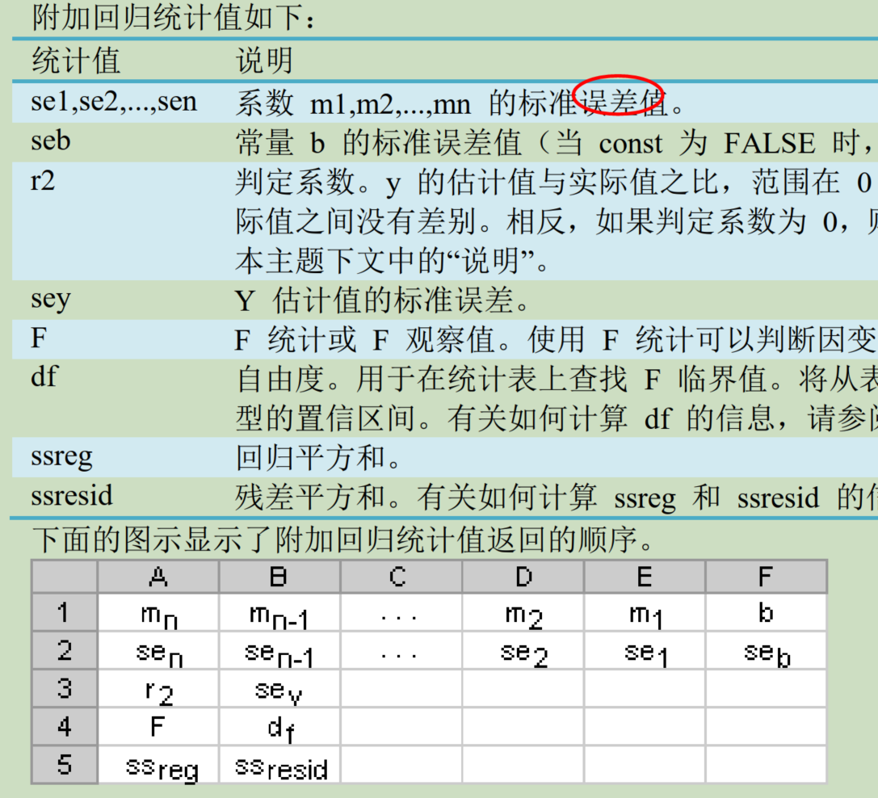
2004-01-02 | 29.47 | 1131.13 | -4.90% | 1.71%
2004-02-02 | 28.23 | 1144.94 | -4.30% | 1.21%
2004-03-01 | 26.3 | 1126.21 | -7.08% | -1.65%
2004-04-01 | 24.88 | 1107.3 | -5.55% | -1.69%
2004-05-03 | 27.64 | 1120.68 | 10.52% | 1.20%
2004-06-01 | 26.72 | 1140.84 | -3.39% | 1.78%
2004-07-01 | 23.61 | 1101.72 | -12.37% | -3.49%
2004-08-02 | 20.65 | 1104.24 | -13.40% | 0.23%
2004-09-01 | 19.46 | 1114.58 | -5.94% | 0.93%
2004-10-01 | 21.59 | 1130.2 | 10.39% | 1.39%
2004-11-01 | 21.74 | 1173.82 | 0.69% | 3.79%
2004-12-01 | 22.73 | 1211.92 | 4.45% | 3.19%
2005-01-03 | 21.81 | 1181.27 | -4.13% | -2.56%
2005-02-01 | 23.39 | 1203.6 | 6.99% | 1.87%
2005-03-01 | 22.65 | 1180.59 | -3.21% | -1.93%
2005-04-01 | 22.93 | 1156.85 | 1.23% | -2.03%
2005-05-02 | 26.38 | 1191.5 | 14.02% | 2.95%
2005-06-01 | 25.46 | 1191.33 | -3.55% | -0.01%
2005-07-01 | 26.55 | 1234.18 | 4.19% | 3.53%
2005-08-01 | 25.24 | 1220.33 | -5.06% | -1.13%
2005-09-01 | 24.19 | 1228.81 | -4.25% | 0.69%
2005-10-03 | 23.06 | 1207.01 | -4.78% | -1.79%
2005-11-01 | 26.27 | 1249.48 | 13.03% | 3.46%
2005-12-01 | 24.57 | 1248.29 | -6.69% | -0.10%
2006-01-03 | 25.9 | 1285.45 | 5.27% | 2.93%

