Kraft 10K, 2005
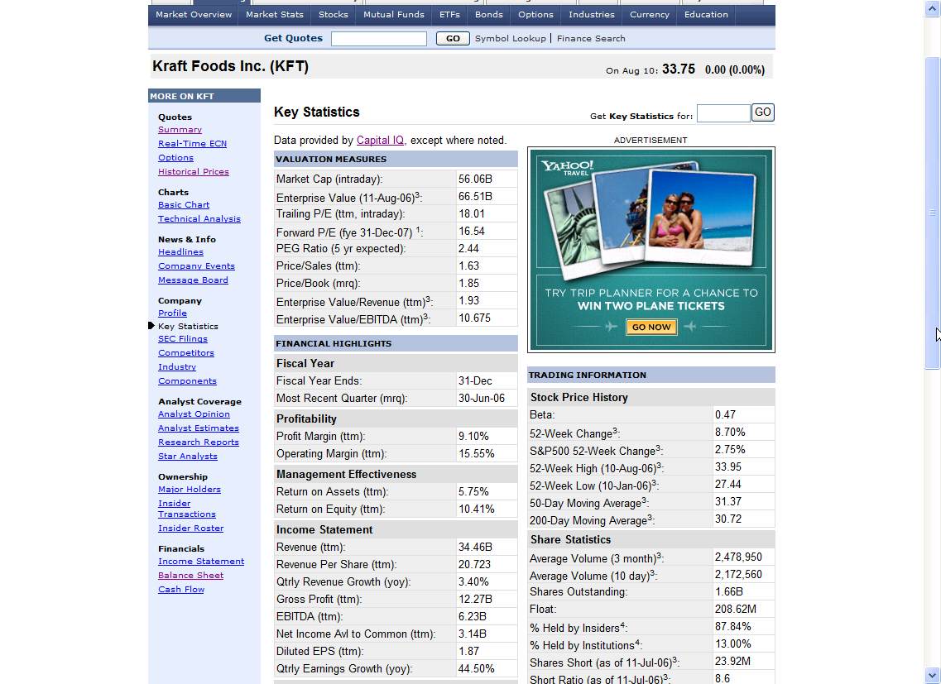
KRAFT FOODS INC 10-K 2005-12-31: Balance Sheet

 | 2005-12-31 | 2004-12-31
ASSETS
Cash and cash equivalents | $316,000,000 | $282,000,000
Receivables (less allowances of $92 in 2005 and $118 | $3,385,000,000 | $3,541,000,000
in 2004)
Inventories:
Raw materials | $1,363,000,000 | $1,367,000,000
Finished product | $1,980,000,000 | $2,080,000,000
 | $3,343,000,000 | $3,447,000,000
Deferred income taxes | $879,000,000 | $749,000,000
Assets of discontinued operations held for sale |  | $1,458,000,000
Other current assets | $230,000,000 | $245,000,000
Total current assets | $8,153,000,000 | $9,722,000,000
Property, plant and equipment, at cost:
Land and land improvements | $388,000,000 | $400,000,000
Buildings and building equipment | $3,551,000,000 | $3,545,000,000
Machinery and equipment | $12,008,000,000 | $11,892,000,000
Construction in progress | $651,000,000 | $646,000,000
 | $16,598,000,000 | $16,483,000,000
Less accumulated depreciation | $6,781,000,000 | $6,498,000,000
 | $9,817,000,000 | $9,985,000,000
Goodwill | $24,648,000,000 | $25,177,000,000
Other intangible assets, net | $10,516,000,000 | $10,634,000,000
Prepaid pension assets | $3,617,000,000 | $3,569,000,000
Other assets | $877,000,000 | $841,000,000
TOTAL ASSETS | $57,628,000,000 | $59,928,000,000
LIABILITIES
Short-term borrowings | $805,000,000 | $1,818,000,000
Current portion of long-term debt | $1,268,000,000 | $750,000,000
Due to Altria Group, Inc. and affiliates | $652,000,000 | $227,000,000
Accounts payable | $2,270,000,000 | $2,207,000,000
Accrued liabilities:
Marketing | $1,529,000,000 | $1,637,000,000
Employment costs | $625,000,000 | $732,000,000
Other | $1,338,000,000 | $1,537,000,000
Income taxes | $237,000,000 | $170,000,000
Total current liabilities | $8,724,000,000 | $9,078,000,000
Long-term debt | $8,475,000,000 | $9,723,000,000
Deferred income taxes | $6,067,000,000 | $6,468,000,000
Accrued postretirement health care costs | $1,931,000,000 | $1,887,000,000
Other liabilities | $2,838,000,000 | $2,861,000,000
Total liabilities | $28,035,000,000 | $30,017,000,000
Contingencies (Note 18)
SHAREHOLDERS' EQUITY
Class A common stock, no par value (555,000,000
shares issued in 2005 and 2004)
Class B common stock, no par value (1,180,000,000
shares issued and outstanding in 2005 and 2004)
Additional paid-in capital | $23,835,000,000 | $23,762,000,000
Earnings reinvested in the business | $9,453,000,000 | $8,304,000,000
Accumulated other comprehensive losses (including | ($1,663,000,000) | ($1,205,000,000)
currency translation of $(1,290) in 2005 and $(890) in 2004)
 | $31,625,000,000 | $30,861,000,000
Less cost of repurchased stock (65,119,245 Class A | ($2,032,000,000) | ($950,000,000)
shares in 2005 and 29,644,926 Class A shares in 2004)
Total shareholders' equity | $29,593,000,000 | $29,911,000,000
TOTAL LIABILITIES AND SHAREHOLDERS' EQUITY | $57,628,000,000 | $59,928,000,000

 | 2005-12-31 | 2004-12-31 | 2003-12-31
Net revenues | $34,113,000,000 | $32,168,000,000 | $30,498,000,000
Cost of sales | $21,845,000,000 | $20,281,000,000 | $18,531,000,000
Gross profit | $12,268,000,000 | $11,887,000,000 | $11,967,000,000
Marketing, administration and research costs | $7,135,000,000 | $6,658,000,000 | $6,123,000,000
Asset impairment and exit costs | $479,000,000 | $603,000,000 | $6,000,000
(Gains) losses on sales of businesses, net | ($108,000,000) | $3,000,000 | ($31,000,000)
Amortization of intangibles | $10,000,000 | $11,000,000 | $9,000,000
Operating income | $4,752,000,000 | $4,612,000,000 | $5,860,000,000
Interest and other debt expense, net | $636,000,000 | $666,000,000 | $665,000,000
Earnings from continuing operations before | $4,116,000,000 | $3,946,000,000 | $5,195,000,000
income taxes and minority interest
Provision for income taxes | $1,209,000,000 | $1,274,000,000 | $1,812,000,000
Earnings from continuing operations before | $2,907,000,000 | $2,672,000,000 | $3,383,000,000
minority interest
Minority interest in earnings from | $3,000,000 | $3,000,000 | $4,000,000
continuing operations, net
Earnings from continuing operations | $2,904,000,000 | $2,669,000,000 | $3,379,000,000
(Loss) earnings from discontinued | ($272,000,000) | ($4,000,000) | $97,000,000
operations, net of income taxes
Net earnings | $2,632,000,000 | $2,665,000,000 | $3,476,000,000
Per share data:
Basic earnings per share:
Continuing operations | $1,720,000 | $1,560,000 | $1,950,000
Discontinued operations | ($160,000) |  | $60,000
Net earnings | $1,560,000 | $1,560,000 | $2,010,000
Diluted earnings per share:
Continuing operations | $1,720,000 | $1,550,000 | $1,950,000
Discontinued operations | ($170,000) |  | $60,000
Net earnings | $1,550,000 | $1,550,000 | $2,010,000

 | 2005-12-31 | 2004-12-31 | 2003-12-31
CASH PROVIDED BY (USED IN) OPERATING
ACTIVITIES
Net earnings | $2,632,000,000 | $2,665,000,000 | $3,476,000,000
Adjustments to reconcile net earnings to operating cash flows:
Depreciation and amortization | $879,000,000 | $879,000,000 | $813,000,000
Deferred income tax (benefit) provision | ($408,000,000) | $41,000,000 | $244,000,000
(Gains) losses on sales of businesses, | ($108,000,000) | $3,000,000 | ($31,000,000)
net
Integration costs, net of cash paid | ($1,000,000) | ($1,000,000) | ($26,000,000)
Loss on sale of discontinued operations | $32,000,000
Impairment loss on discontinued |  | $107,000,000
operations
Asset impairment and exit costs, net of | $315,000,000 | $493,000,000 | $6,000,000
cash paid
Cash effects of changes, net of the effects from acquired and divested companies:
Receivables, net | $65,000,000 | $23,000,000 | ($45,000,000)
Inventories | ($42,000,000) | ($65,000,000) | $197,000,000
Accounts payable | $74,000,000 | $152,000,000 | ($116,000,000)
Income taxes | ($33,000,000) | ($251,000,000) | ($125,000,000)
Amounts due to Altria Group, Inc. and | $273,000,000 | $74,000,000 | $169,000,000
affiliates
Other working capital items | ($432,000,000) | $90,000,000 | ($167,000,000)
Change in pension assets and | ($10,000,000) | ($436,000,000) | ($419,000,000)
postretirement liabilities, net
Other | $228,000,000 | $234,000,000 | $143,000,000
Net cash provided by operating | $3,464,000,000 | $4,008,000,000 | $4,119,000,000
activities
CASH PROVIDED BY (USED IN) INVESTING
ACTIVITIES
Capital expenditures | ($1,171,000,000) | ($1,006,000,000) | ($1,085,000,000)
Purchases of businesses, net of acquired |  | ($137,000,000) | ($98,000,000)
cash
Proceeds from sales of businesses | $1,668,000,000 | $18,000,000 | $96,000,000
Other | $28,000,000 | $69,000,000 | $38,000,000
Net cash provided by (used in) investing | $525,000,000 | ($1,056,000,000) | ($1,049,000,000)
activities
CASH PROVIDED BY (USED IN) FINANCING
ACTIVITIES
Net (repayment) issuance of short-term | ($1,005,000,000) | ($635,000,000) | $819,000,000
borrowings
Long-term debt proceeds | $69,000,000 | $832,000,000 | $1,577,000,000
Long-term debt repaid | ($775,000,000) | ($842,000,000) | ($491,000,000)
Repayment of notes payable to Altria Group, |  |  | ($2,757,000,000)
Inc. and affiliates
Increase (decrease) in amounts due to | $107,000,000 | ($585,000,000) | ($525,000,000)
Altria Group, Inc. and affiliates
Repurchase of Class A common stock | ($1,175,000,000) | ($688,000,000) | ($372,000,000)
Dividends paid | ($1,437,000,000) | ($1,280,000,000) | ($1,089,000,000)
Other | $265,000,000 | ($20,000,000) | $52,000,000
Net cash used in financing activities | ($3,951,000,000) | ($3,218,000,000) | ($2,786,000,000)
Effect of exchange rate changes on cash and | ($4,000,000) | $34,000,000 | $15,000,000
cash equivalents
Cash and cash equivalents:
Increase (decrease) | $34,000,000 | ($232,000,000) | $299,000,000
Balance at beginning of year | $282,000,000 | $514,000,000 | $215,000,000
Balance at end of year | $316,000,000 | $282,000,000 | $514,000,000
Cash paid:
Interest | $679,000,000 | $633,000,000 | $642,000,000
Income taxes | $1,957,000,000 | $1,610,000,000 | $1,726,000,000

This data was extracted by EdgarScan from the PricewaterhouseCoopers Global Technology Centre.
Please read the on-line disclaimer at http://edgarscan.pwcglobal.com/EdgarScan/edgarscan_disclaimer.html

Tax rate, TC | 29.37% | 32.29% | 34.88%

Shares outstanding (from equity in balance sheet)
Class A | 555,000,000 | 555,000,000
Class B | 1,180,000,000 | 1,180,000,000
Repurchased | 65,119,245 | 29,644,926
Total | 1,669,880,755 | 1,705,355,074

Note: Yahoo shows 1.66B shares

