Page 806
BASIC STATISTICAL FUNCTIONS
Observation | X | Y
1 | 35.30 | 10.98
2 | 29.70 | 11.13
3 | 30.80 | 12.51
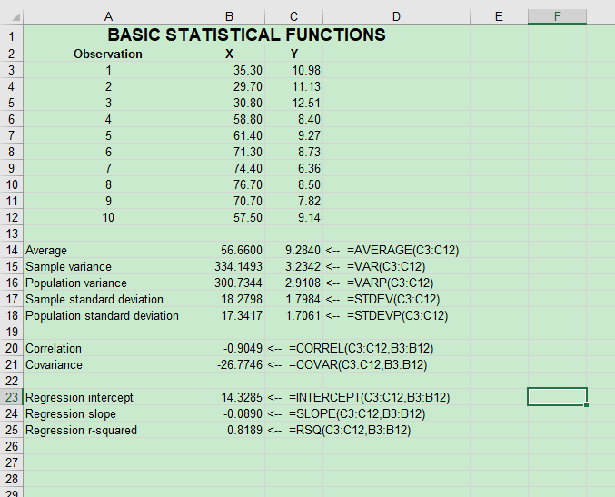
4 | 58.80 | 8.40
5 | 61.40 | 9.27
6 | 71.30 | 8.73
7 | 74.40 | 6.36
8 | 76.70 | 8.50
9 | 70.70 | 7.82
10 | 57.50 | 9.14

Average | 56.6600 | 9.2840 | <-- =AVERAGE(C3:C12)
Sample variance | 334.1493 | 3.2342 | <-- =VAR(C3:C12)
Population variance | 300.7344 | 2.9108 | <-- =VARP(C3:C12)
Sample standard deviation | 18.2798 | 1.7984 | <-- =STDEV.S(C3:C12)
Population standard deviation | 17.3417 | 1.7061 | <-- =STDEV.P(C3:C12)

Correlation | -0.9049 | <-- =CORREL(B3:B12,C3:C12)
Covariance | -26.7746 | <-- =COVARIANCE.P(B3:B12,C3:C12)

Regression intercept | 14.3285 | <-- =INTERCEPT(C3:C12,B3:B12)
Regression slope | -0.0890 | <-- =SLOPE(C3:C12,B3:B12)
Regression r-squared | 0.8189 | <-- =RSQ(C3:C12,B3:B12)

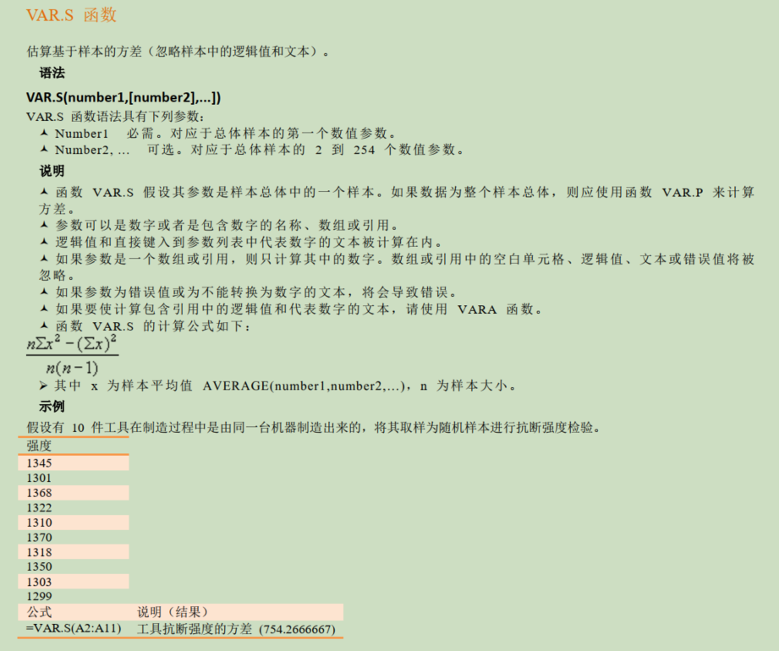
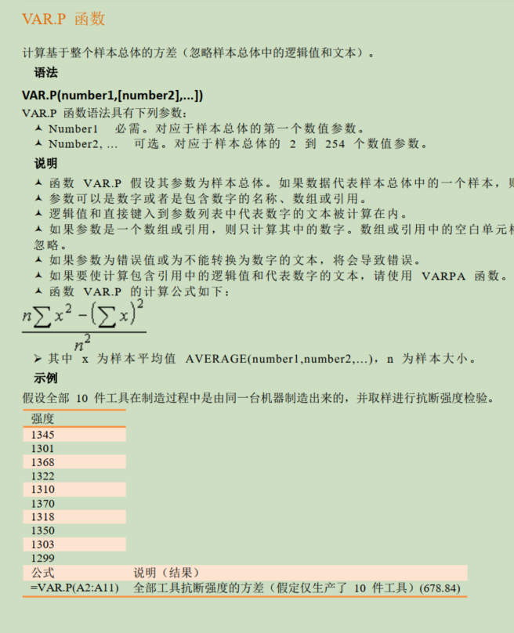

x为样本测量值

 |  |  | 1345 | 1809025
 |  |  | 1301 | 1692601
 |  |  | 1368 | 1871424
 |  |  | 1322 | 1747684
 |  |  | 1310 | 1716100
 |  |  | 1370 | 1876900
 |  |  | 1318 | 1737124
 |  |  | 1350 | 1822500
 |  |  | 1303 | 1697809
 |  |  | 1299 | 1687401

 |  |  | 754.26666667 | =VAR.S(D80:D89)

 |  | n | 10
 |  | sq_sum | 17658568
 |  | sum_sq | 176517796
 |  | n(n-1) | 90

 |  | Var.S | 754.26666667 | =(D93*D94-D95)/D96

