Evidence_1
テストケース | BackBone.js - Todo
Command | Click, div.view input[type=check]:contains('quick'),
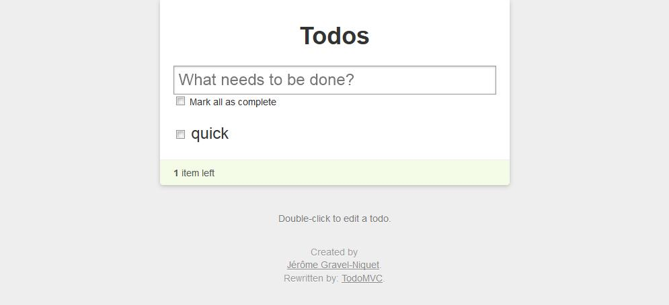 エラーメッセージ | The given selector div.view input[type=check]:contains('quick') is either invalid or does not result in a WebElement. The following error occurred: InvalidSelectorError: An invalid or illegal selector was specified
Browser | Firefox
タイトル | Backbone.js Todos
URL | http://localtodos.com/
日時 | 2014/04/22 18:43:16

Evidence_2
テストケース | BackBone.js - Todo
Command | Click, div.view input[type=check]:contains('jobs'),
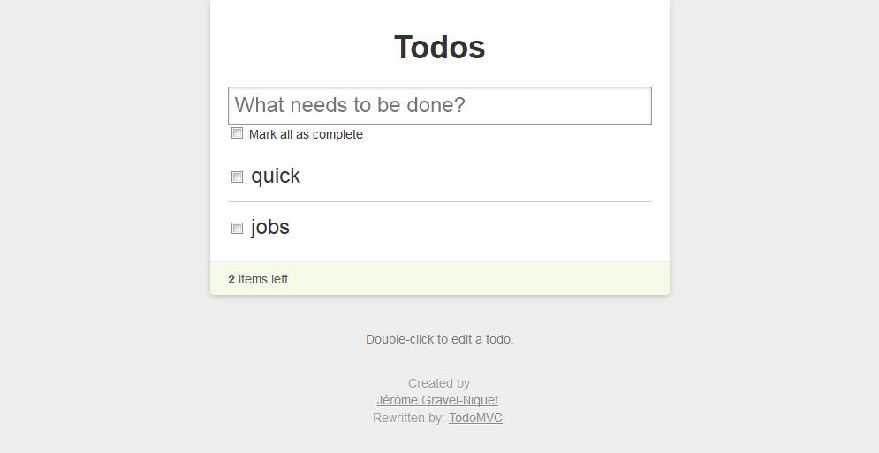 エラーメッセージ | The given selector div.view input[type=check]:contains('jobs') is either invalid or does not result in a WebElement. The following error occurred: InvalidSelectorError: An invalid or illegal selector was specified
Browser | Firefox
タイトル | Backbone.js Todos
URL | http://localtodos.com/
日時 | 2014/04/22 18:43:19

