Sheet1
parameteres | contents
MAX BET = 2.5 | This is the default value. When click the MAX BET button it show the MAX BET value. At that time, LINES shows the 5 and COINS show 0.5.
Bet = LINES * COIN | We can control the Bet value by multi between the LINES and COIN
WIN = COIN * paytable (value) | The value of win is multi between the COIN and Paytable value. You can see the pay table when click the INFO button. For example, when we get the 3 BARs side by side on a line ,the win value is coin value(now is 0.5) * paytable value(now is 15),so the result is 17.5 |  |  | 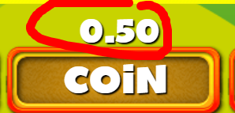 |  |  | 
Money = Monye - Bet + win | The default init money is $ 100 But the money always be changed. The calculation formula is Money = Money - Bet + win |  |  | - | - |  |  | 
LINE | There are 5 lilnes You can see the shap of each lines when you click sunflower button. It is formed from left to right and when the same image is putting on a line , it takes the Win And mentioned above about the win

