MONDAY
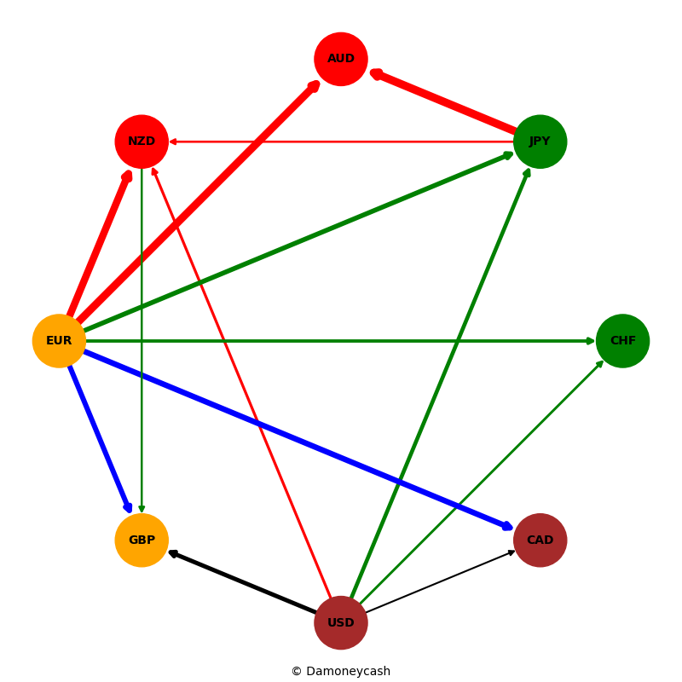
Date | Currency1 | Currency2 | Performance
 | USD | EUR
 | GBP | USD
 | CHF | USD
 | CAD | USD
 | USD | JPY
 | USD | AUD
 | USD | NZD
 | EUR | GBP
 | EUR | CAD
 | EUR | CHF
 | EUR | JPY
 | EUR | AUD
 | EUR | NZD
 | CAD | GBP
 | GBP | CHF
 | GBP | JPY
 | AUD | GBP
 | NZD | GBP
 | CAD | JPY
 | CHF | JPY
 | JPY | AUD
 | NZD | JPY

TUESDAY
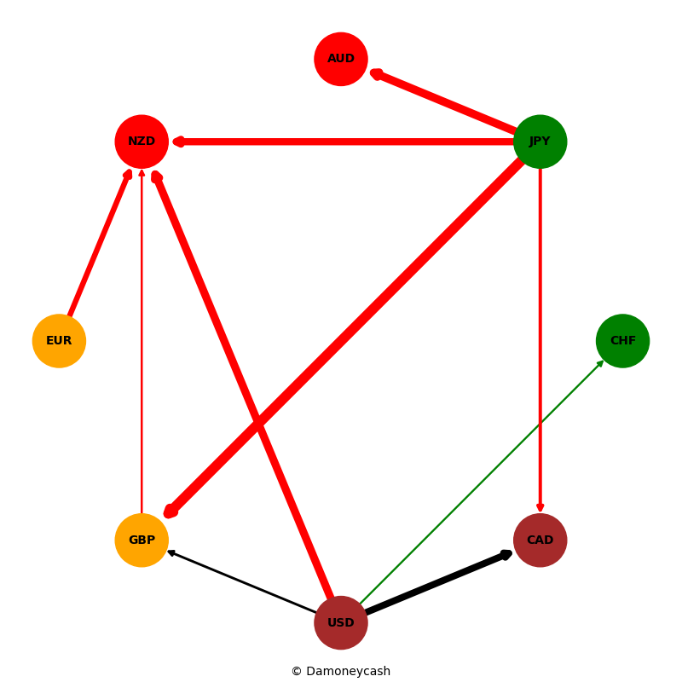
Date | Currency1 | Currency2 | Performance
 | USD | EUR
 | GBP | USD
 | CHF | USD
 | CAD | USD
 | USD | JPY
 | USD | AUD
 | USD | NZD
 | EUR | GBP
 | EUR | CAD
 | EUR | CHF
 | EUR | JPY
 | EUR | AUD
 | EUR | NZD
 | CAD | GBP
 | GBP | CHF
 | GBP | JPY
 | AUD | GBP
 | NZD | GBP
 | CAD | JPY
 | CHF | JPY
 | JPY | AUD
 | NZD | JPY

WEDNESDAY
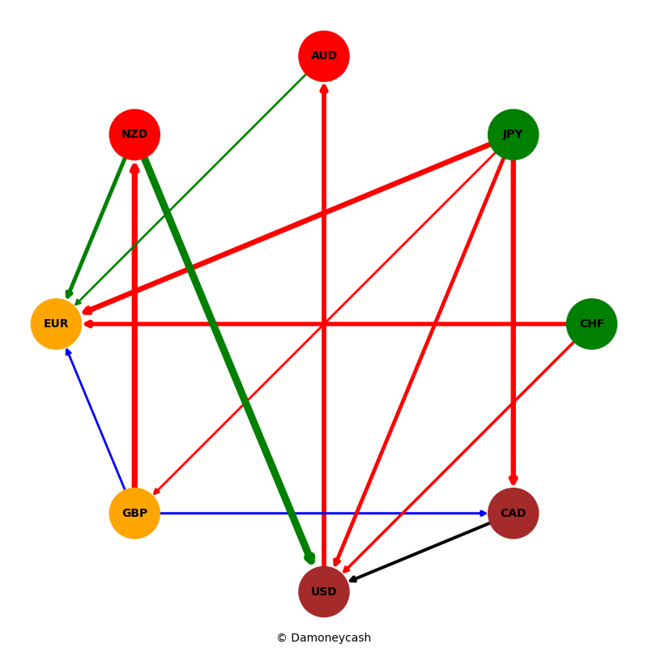

THURSDAY
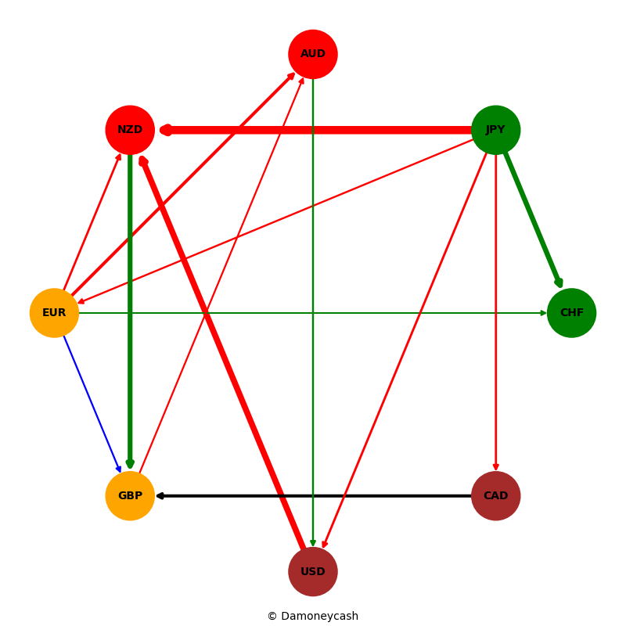

FRIDAY
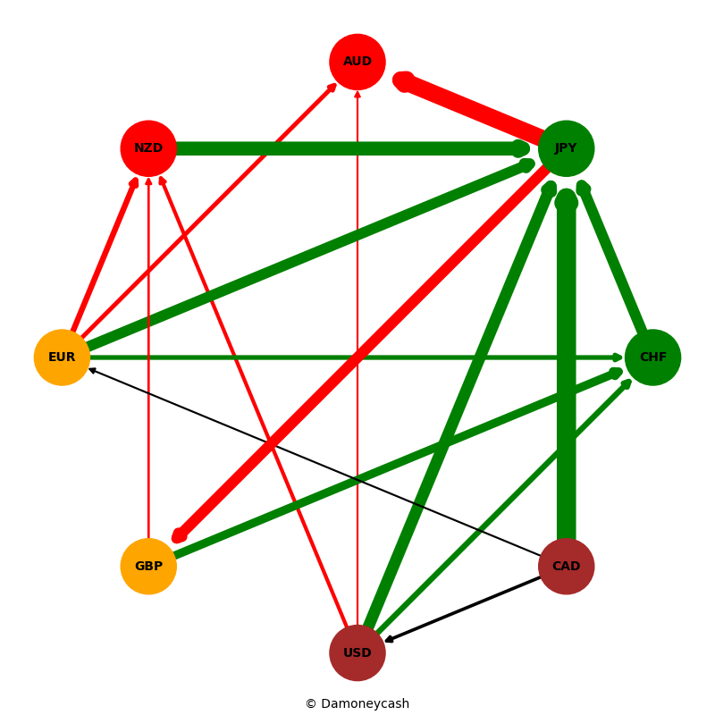
Date | Currency1 | Currency2 | Performance
 | USD | EUR
 | GBP | USD
 | CHF | USD
 | CAD | USD
 | USD | JPY
 | USD | AUD
 | USD | NZD
 | EUR | GBP
 | EUR | CAD
 | EUR | CHF
 | EUR | JPY
 | EUR | AUD
 | EUR | NZD
 | CAD | GBP
 | GBP | CHF
 | GBP | JPY
 | AUD | GBP
 | NZD | GBP
 | CAD | JPY
 | CHF | JPY
 | JPY | AUD
 | NZD | JPY

WEEKLY
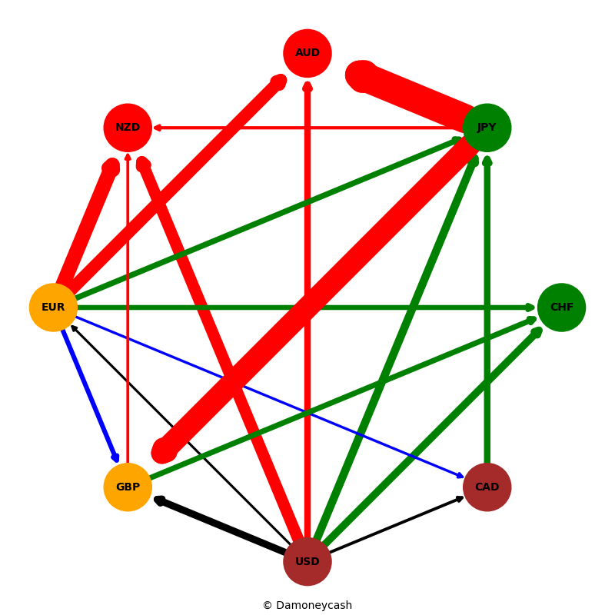
Date | Currency1 | Currency2 | Performance
 | USD | EUR
 | GBP | USD
 | CHF | USD
 | CAD | USD
 | USD | JPY
 | USD | AUD
 | USD | NZD
 | EUR | GBP
 | EUR | CAD
 | EUR | CHF
 | EUR | JPY
 | EUR | AUD
 | EUR | NZD
 | CAD | GBP
 | GBP | CHF
 | GBP | JPY
 | AUD | GBP
 | NZD | GBP
 | CAD | JPY
 | CHF | JPY
 | JPY | AUD
 | NZD | JPY

