notes
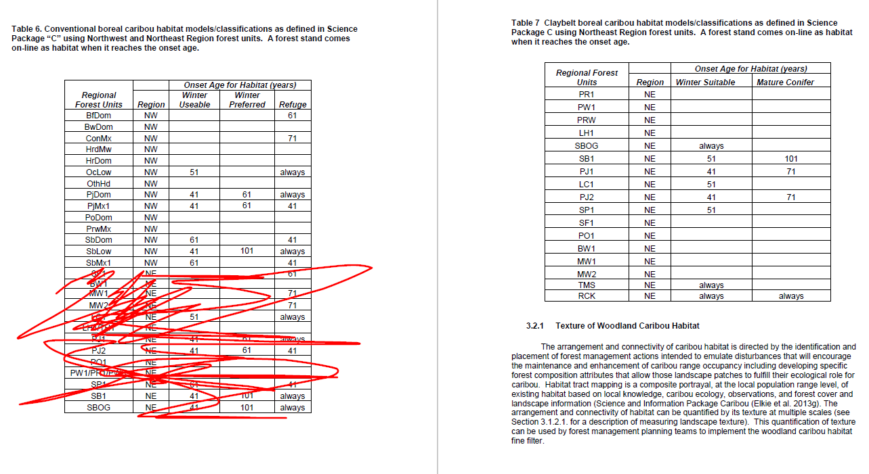
 | Notes
1 | In your input inventory, make sure to populate SFU field with POLYTYPE if POLYTYPE is not FOR AND if it's NER inventory. This is necessary for NER habitat classification where they use TMS and RCK
2 | TMS and RCK only applys to NER. Yes, this doesn't make much sense, but it is what it is.
3 | BLG Regional FU was mapped to PIAM's SFU

