instruction
How to edit your species grouping
Don't change fieldnames
End users may change the values under spc_grp_alt and spc_grp_alt_2
Tool only looks at the 'spc','spc_grp_orig','spc_grp_orig_2','spc_grp_alt', and 'spc_grp_alt_2' fields. Don't worry about cleaning up extra fields
After making the changes, save the tbl_spp worksheet as tbl_spp.csv file
When running the tool again, pick 'alternative' as spc group method.

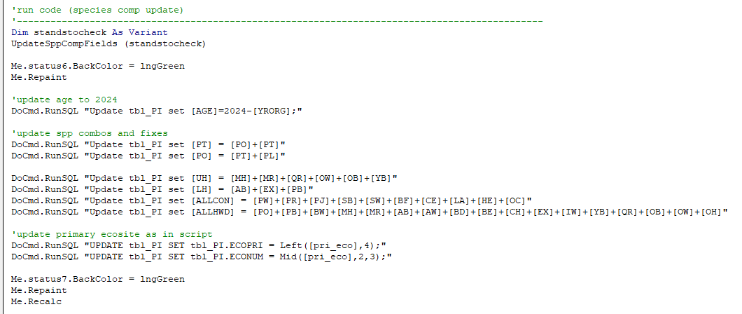

Notes
This script replicates a portion of Larry Watkins' script which can be found in ProcessPI.accdb
This script also follows further lumping of species (AllCon and All Hwd) as shown in the screenshot. However it's not going to implement the PT = PO+PT nor PO=PT+PL

