READ ME
FamInsureCo Data Analysis



Now it's time for us to get started on our Data Analysis for FamInsureCo!
As we've mentioned previously, there are a number of questions Management have expressed an interest in answering.

• Do individuals who tend to have a higher Body Mass Index (BMI), have higher insurance costs? • Does region (geography) appear to have any impact on insurance costs? • Does the biological marker have any bearing with insurance costs? • Does the biological marker have any impact regarding insurance costs? (i.e. Do Men have higher insurance costs than women?) • Does smoking have any impact regarding insurance costs? • Do any correlations exist between medical charges and lifestyle?

We'll seek to tackle this assignment in three parts.

Firstly, you'll work on the Basic Desc. Statistics Tab where you'll make use of your knowledge of descriptive stats, to visualise the Medical Charges data. You'll be using the data in the FamInsureCo. Desc Stats Data Tab.
Secondly, you'll work on the Intermediate Desc. Statistics Tab where you'll make use of your intermediate statistics knowledge, where you'll apply box and whisker plots and correlation analyses to identify the variables that have a linear relationship with medical charges. You'll be using the data in the FamInsureCo Int. Stats Data Tab.
Thirdly, you'll then build out your presentation where you'll synthesize your insights for the FamInsureCo team!

With this in mind, let's get started!

Definitions
We've included a high-level breakdown that explains the different columns you'll deal with in the FamInsureCo Desc. Stats Data Tab

Age | This column provides information on how old the individual is.
Biological Marker | This is a column filled with the individuals biological marker (i.e. Are they male or female).
BMI | This is a column that represents the Body Mass Index (BMI) of the respective individual. This is a commonly used metric to assess overhealth.
Smoker | This is a column that indicates whether the individual is a smoker or not.
Region | This is a column that indicates the geographical location of where the individual resides (i.e. Northwest, Northeast etc.)
Medical_Insurance_Charges | This is a column that represents the medical insurance charges incurred by that individual.

Intermediate Desc. Statistics
Descriptive Statistics Analysis - Part II
We've introduced you now to the concepts of intermediate statistics.
Often in our data analysis, we need to move beyond simple statistics covering mean, mode, median and histograms and dive a bit deeper in our analysis.

Using our previous Walmart example, say we've identified the average sales on the weekends versus weekdays and we've created a histogram showing the overall distribution of sales.
What if we want to understand just how distributed the data is via the quartiles, or to view how much variability in sales exist for a specific day?
Lastly, what about if we want to examine the relationship between sales and the discounts provided?

Well, to answer those questions we'd seek to use quartiles, box plots and correlation analyses to better understand how we could answer these questions!
With that in mind, let's get started!

Previously we observed the overall distribution of medical insurance charges via a Histogram.
While this helped us understand how medical charges were distributed - we don't have a hard metric regarding just how dispersed the medical insurance charges are.
Wouldn't it be nice if we had a method to split our medical insurance into 4 neat quartiles, to help us better understand just how distributed our data is?
That's exactly what we'll do in this question!
Q7. Using the quartile function you've learned about previously, calculate the 25th, 50th, 75th and 100th percentile for medical insurance charges.
After completing the quartile calculations, calculate the Interquartile Range (3rd Quartile - 1st Quartile).
Note: We use the phrase quartile and percentile interchangeably. Use the Quantile() function to answer this question.
 | Percentile | 25 | 50 | 75 | 100
 |  | $4,740.29 | $9,382.03 | $16,639.91 | $63,770.43

 | Interquantile Range | $11,899.63

Having now calculated the Interquartile Range, we have a better idea regarding how distributed the values are in our Medical Insurance Charges dataset.
You might have recalled that we previously covered Box and Whisker Plots that enable us to see how the data is distributed based off quartiles.
We've identified that smoking status, age and gender all seem to impact medical insurance charges to an extent.
We haven't yet explored regions - so we'll look at this next with a box plot.
Q8. Create a box plot using the Medical Insurance Charges and the Regions column, showing how costs are distributed across different living regions.
Note: We've included an example of what your box and whisker plot should look like below!
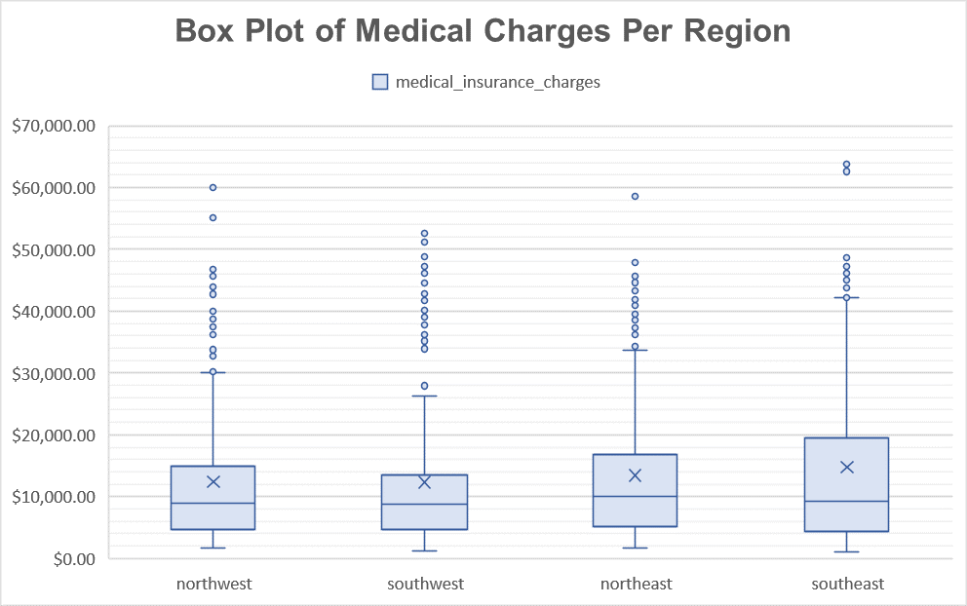

Observing our Box Plots, we don't see any particular changes with respect to Median Medical Charges.
How about if we filter on Smoking Status? Do we see any substantial changes here?
Q9. Create 2 Box Plots where Smoking Status = Yes and Smoking Status = No, using the Region and Medical Insurance Charges Columns. Does there appear to be a difference in costs regarding geography?
Note: We've included an example for you so you'll know what to expect when you create your visualisation!
 | Place your chart below here (Smoking = No ) |  |  |  | Place your chart below here (Smoking = Yes )

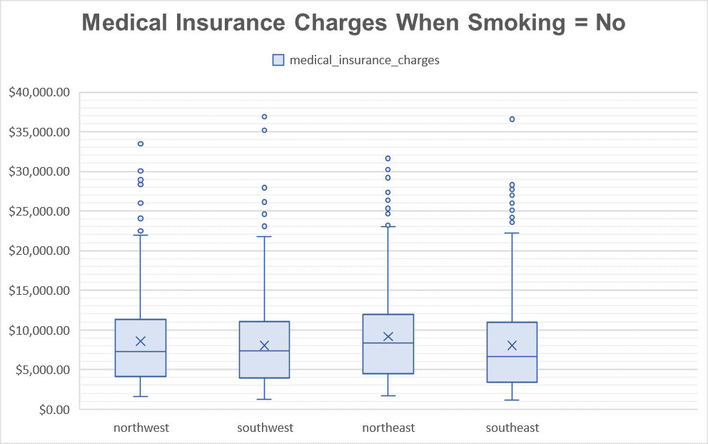

It seems that the prevalence of smoking seems to be quite a substantial factor when taking into lifestyle factors.
Whilst we might be tempted to discount looking at gender, we haven't looked at the medical insurance charges of males/females who smoke. Let's investigate!
Q10. Create two box plots using the Medical Insurance Column and the Sex Column. Please filter your Box Plots to account for the periods where the Smoking Status = Yes or the Smoking Status = No. From your box plots, what do you observe?
Note: We've included an example for you so you'll know what to expect when you create your visualisation!
 | Place your chart below here (Smoking = No ) |  |  |  | Place your chart below here (Smoking = Yes )

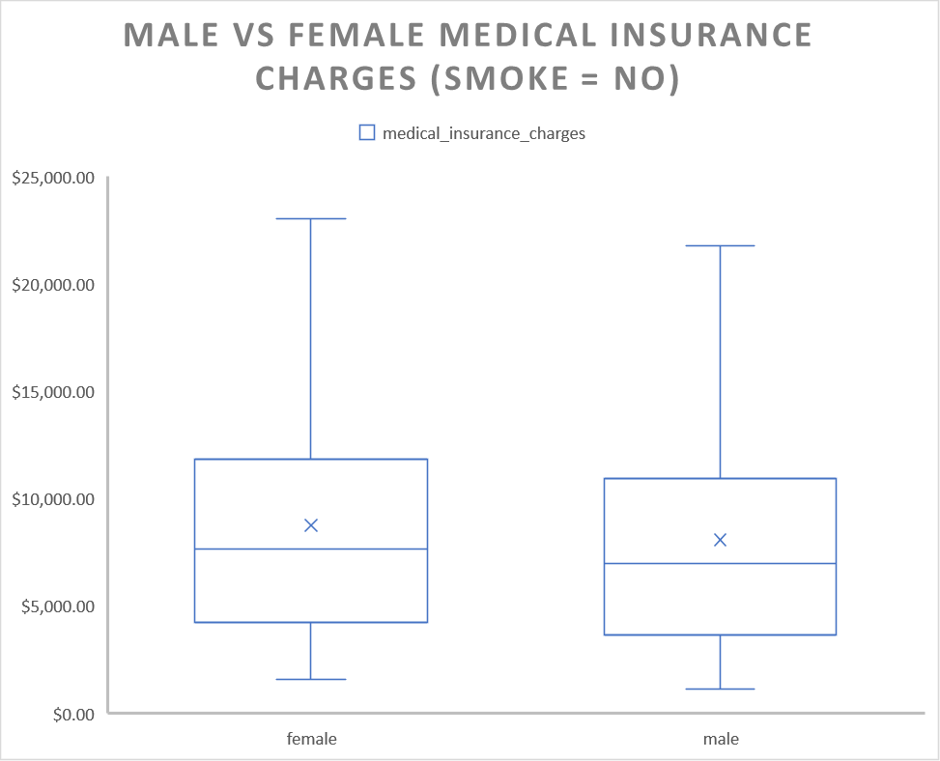

Great job so far! We're now ready to move onto the last part of our assignment - correlations!
We know that correlation helps us understand the relationship between two variables and whether they share a linear relationship or not.
Here we've noted age, BMI classification and regions - all might be related to our medical insurance charges.
Q11. Using the CORREL() function, calculate the Correlation Value using the BMI and Medical Insurance Columns.
Note: If you're stuck, please reference this link: https://support.microsoft.com/en-us/office/correl-function-995dcef7-0c0a-4bed-a3fb-239d7b68ca92
What do you observe from the Correlation Value?
Fill in the Correlation ( R ) value below
 |  | BMI
 | Medical Insurance Charges | 0.20

Now you might be surprised. Previously we thought we saw some clear relationships between BMI and Medical Insurance Charges.
Again, our R Value is a reflection of the linear relationship between medical charges and BMI. We have lots of noise in our data.
We've already prepared the data for you in the FamInsureCo Int Stats Data Tab, so there's no conversions you need to do.
Q12. Using the CORREL() function, fill out the Corrrelation Table below.
Fill in the Correlation ( R ) value below

 |  | BMI | BMI_Healthy | BMI_Overweight | BMI_Slightly_Overweight | BMI_Underweight
 | Medical Insurance Charges | 0.20 | -0.11 | 0.20 | -0.12 | -0.04

Now you've probably observed that since we've converted some of our textual categories, to numerical columns, we can now calculate some additional correlations.
This is what we've done for our remaining textual columns where we've done all the categorical conversions for you!
Q13. Using the CORREL() function, fill out the Correlation Table below.
Fill in the Correlation ( R ) value below

 |  | age | bmi | BMI_Healthy | BMI_Overweight | BMI_Slightly_Overweight | BMI_Underweight | Biological Marker | Smoker | southeast | southwest | northwest | northeast | Young Adult | Adult | Mature Age Adult | Senior
 | Medical Insurance Charges | 0.30 | 0.20 | -0.11 | 0.20 | -0.12 | -0.04 | 0.06 | 0.79 | 0.07 | -0.04 | -0.04 | 0.01 | -0.19 | -0.11 | 0.14 | 0.20

Now that we've got our correlation values calculated against our Medical Insurance Variable. Let's visualise this in an organised manner with a Bar Chart sorting the correlation values in descending order!
Q14. Using the Correlation Table you created in Q14, create a Correlated Bar Plot, with the Correlation Values organised in descending order.

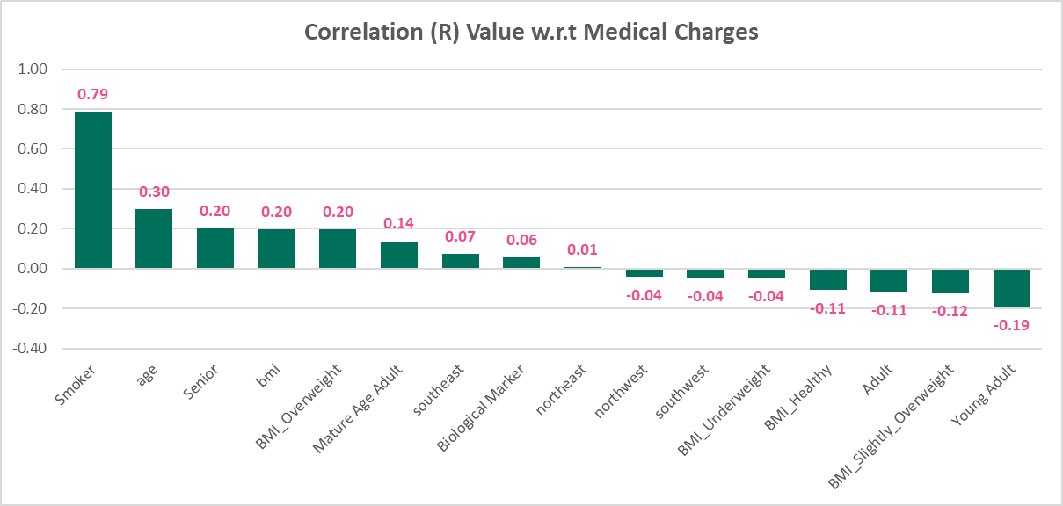
 | Smoker | 0.79
 | age | 0.30
 | Senior | 0.20 |  |  |  |  |  |  |  |  |  |  | Strongest Positive Correlation:
 | bmi | 0.20
 | BMI_Overweight | 0.20 |  |  |  |  |  |  |  |  |  |  | Smoker (0.79) → The highest correlation, meaning that being a smoker has the strongest impact on increasing medical insurance charges.
 | Mature Age Adult | 0.14 |  |  |  |  |  |  |  |  |  |  | Age (0.30) → Older individuals tend to have higher insurance charges.
 | southeast | 0.07 |  |  |  |  |  |  |  |  |  |  | Senior (0.20), BMI (0.20), and BMI_Overweight (0.20) → Older age and higher BMI are associated with increased charges.
 | Gender | 0.06
 | northeast | 0.01 |  |  |  |  |  |  |  |  |  |  | Moderate Positive Correlation:
 | northwest | -0.04
 | southwest | -0.04 |  |  |  |  |  |  |  |  |  |  | Mature Age Adult (0.14) → Middle-aged adults have slightly higher medical costs.
 | BMI_Underweight | -0.04 |  |  |  |  |  |  |  |  |  |  | Southeast (0.07) and Gender (0.06) → Living in the Southeast region and gender has a minor positive effect on insurance costs.
 | BMI_Healthy | -0.11
 | Adult | -0.11 |  |  |  |  |  |  |  |  |  |  | Near Zero Correlation:
 | BMI_Slightly_Overweight | -0.12
 | Young Adult | -0.19 |  |  |  |  |  |  |  |  |  |  | Northeast (0.01), Northwest (-0.04), Southwest (-0.04) → Regional impact is negligible.
 |  |  |  |  |  |  |  |  |  |  |  |  | BMI_Underweight (-0.04) → Being underweight has little effect on insurance charges.

And that's a wrap! We've now covered both basic and intermediate statistics! Let's pull together the visualizations you've created into the presentation template and close out this analysis! Well done! |  |  |  |  |  |  |  |  |  |  |  |  | Negative Correlation (Lower Medical Charges):

 |  |  |  |  |  |  |  |  |  |  |  |  | BMI_Healthy (-0.11) and Adult (-0.11) → Healthy BMI individuals and general adults tend to have lower medical insurance costs.
 |  |  |  |  |  |  |  |  |  |  |  |  | BMI_Slightly_Overweight (-0.12) → Slightly overweight individuals tend to have lower charges than overweight individuals.
 |  |  |  |  |  |  |  |  |  |  |  |  | Young Adult (-0.19) → Young adults have lower medical insurance costs, likely due to lower health risks.

