Dataframe Notes
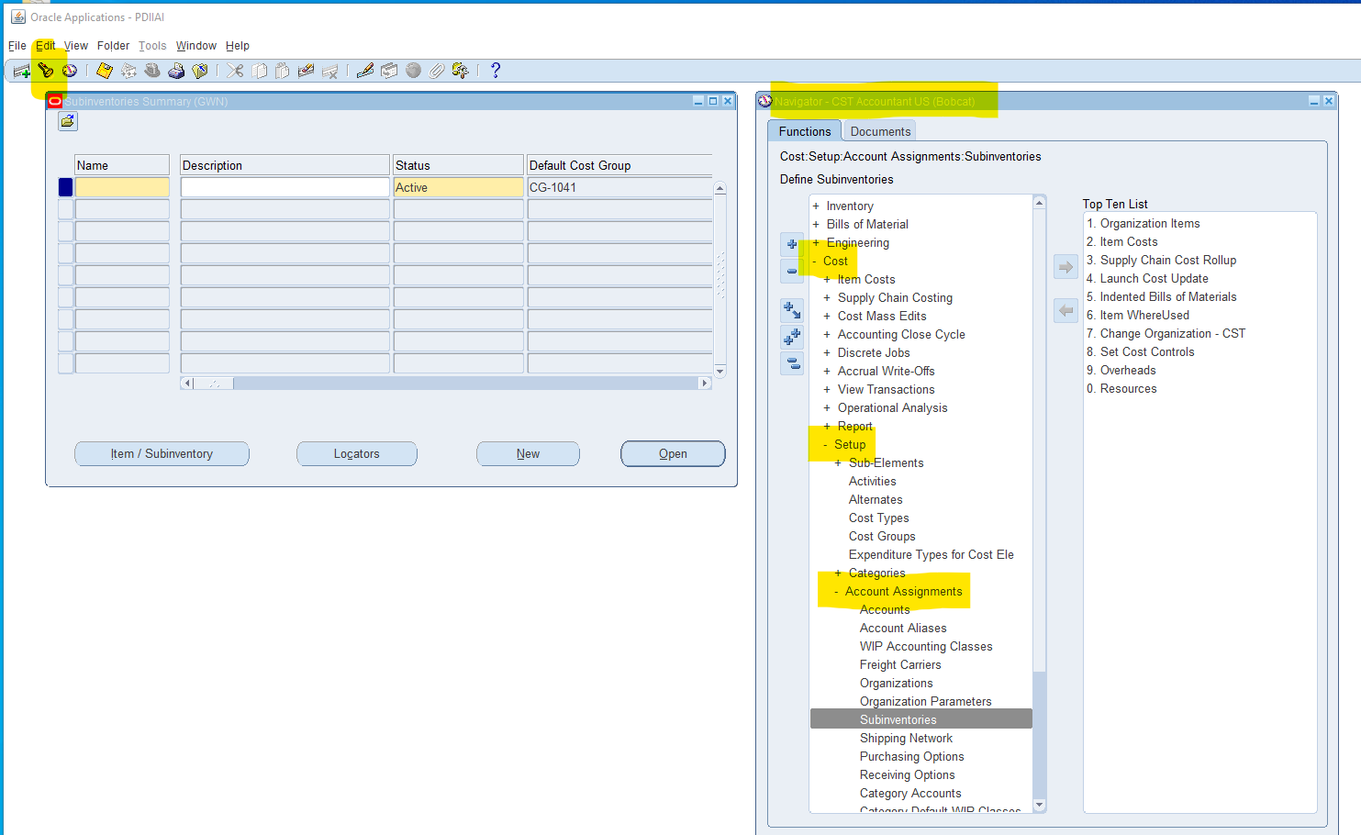
Identifying Missing Account Numbers in Accounts Dataset

Near the end of the code blocks is this code:

This code checks for new Accounts that are in the Elemental Inventory report but is not in the "Accounts" worksheet.

If there are any entries then this Subinventory account must be added to the "Accounts" worksheet, or, as in this case, the Suninventories (which are not in the Inventory by Subinventory Report) are changed to just be "Coil", "Decoil", and "Fab".

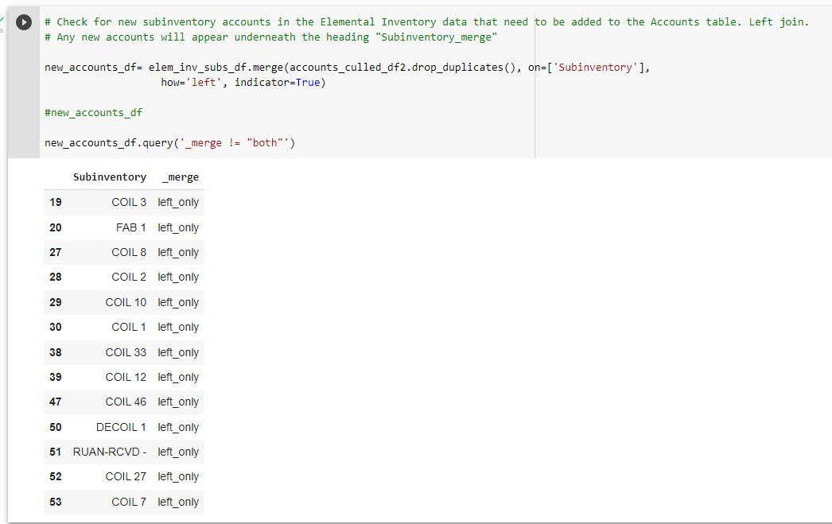

To find Subinventory Account numbers:

