Instructions-Read Me!
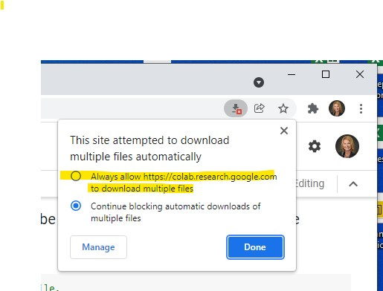
Instructions - Read Me!

1 | Python is used to transform the Elemental Inventory data into "stacked" data based on Resource type.
 | The GL Account associated with the Subinventory type and Resource type is then included from Accounts dataset.
 | This merged dataset is then merged with the Inventory by Subinventory dataset based on Part Number, subinventory, and Quantity.
 | A table "Inventory" is output in Excel format for further use and manipulation.
 | Common pivot table outputs are output as tables grouped by Accounts, Cost Category, Make/Buy, and Subinventory.

2 | Google Colaboratory (https://colab.research.google.com) will be used to run the Python script contained in the Jupyter Notebook (an editing and coding tool).
 | Open Google Colab in Google Chrome.
 | You will not need anything installed on your computer.
 | You will not need any Python experience.

3 | Why use Python?
 | Python doesn't care how many records are in the dataset and is pretty quick.
 | Python dataframes will easily adjust to a changing number of records month to month.
 | Colab is a virtual computer and may have more processing power than your laptop.

4 | Python is very specific in how it reads file names and columns for its pandas dataframes.
 | It is very important that tab and column names not be altered unless you make corresponding changes in the Python code.
 | Python will be looking for the workbook that contains the three worksheets that contain the data.

5 | Run the Elemental Inventory report in Oracle and paste its data into the Elemental_Inventory tab.
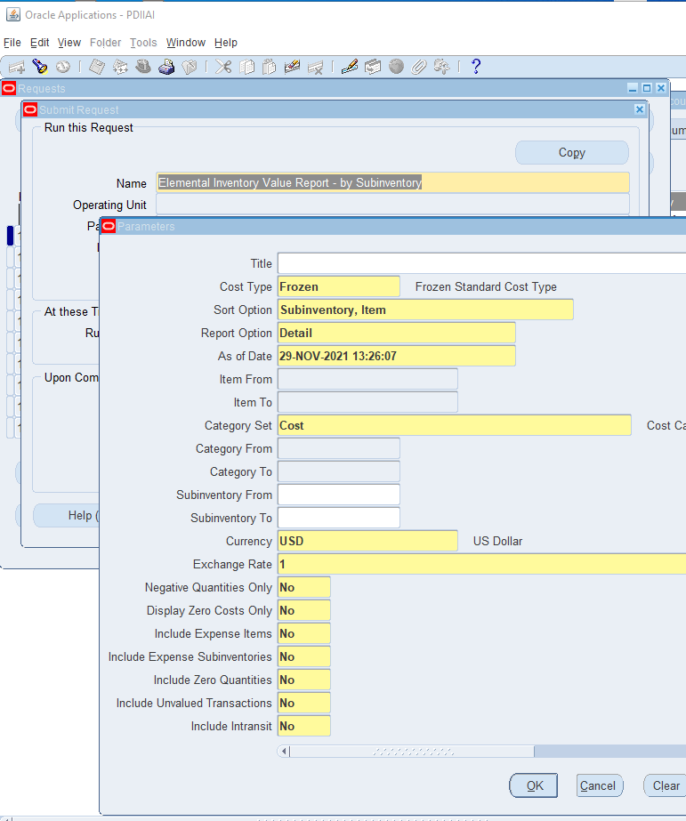
 | If you are not already in your organization, select it through "Change Organization".
 | Once in desired organization, eg Gwinner, go to "Requests"

 | Run the "Elemental Inventory Value Report-by Subinventory"

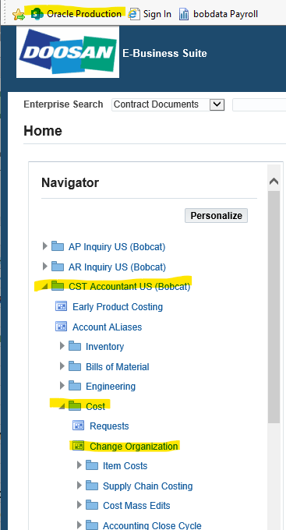

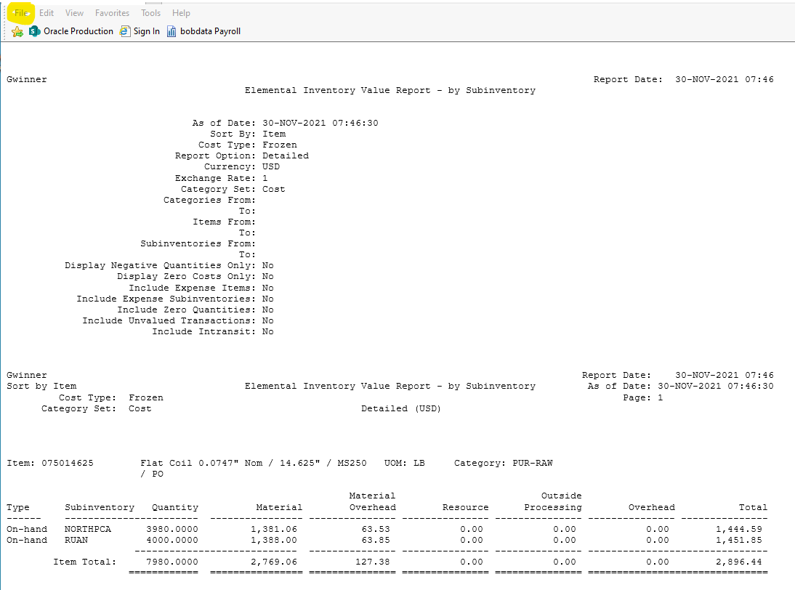
 | Save the text file (.txt)

 | In Monarch Classic (and Classic is very important) open the model "Elemental Value Report" model.
 |  | Once you've opened the model in Monarch Classic previously it should be sitting in your Monarch model pane.

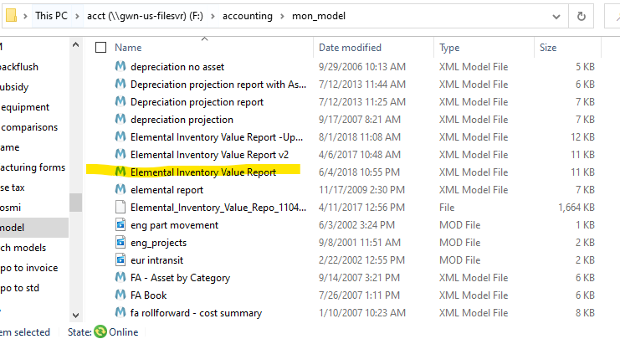

 | The output from the Monarch model will be the Excel worksheet that will be pasted into the "Data.xlsx" template in the "Elemental_Inventory" tab.
 |  | Delete old data from cell A2 downwards.
 |  | DO NOT DELETE COLUMN HEADINGS.
 |  | In theory it doesn't matter if the new report's column headings
 |  | are pasted in unless spaces, etc, have migrated in. It is safest to simply
 |  | retain the existing column headings.
 |  | Data can be pasted in cell A2.
 |  | Check that data marries up to its column heading,
 |  | eg, part numbers are under the Part Number column heading.

 |  | DO NOT rearrange columns.
 |  | DO NOT add or subtract columns.

6 | Run the "Inventory Value Report by Subinventory" in Oracle and paste its data into the Inv_bySubinv Inventory tab.
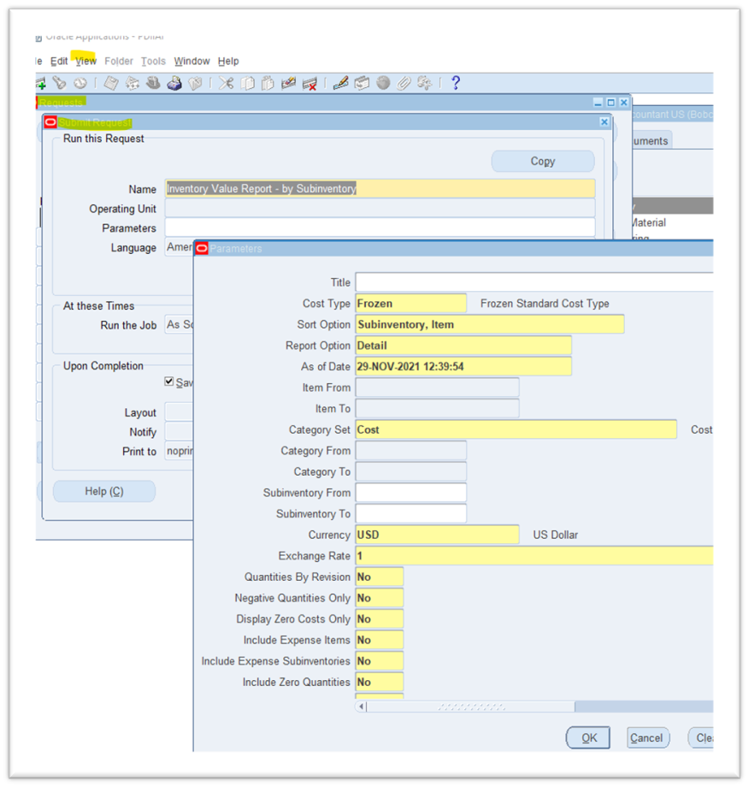
 | If you are not already in your organization, select it through "Change Organization".
 | Once in desired organization, e.g. Gwinner, go to "Requests"

 | Run the "Inventory Value Report by Subinventory" in Oracle

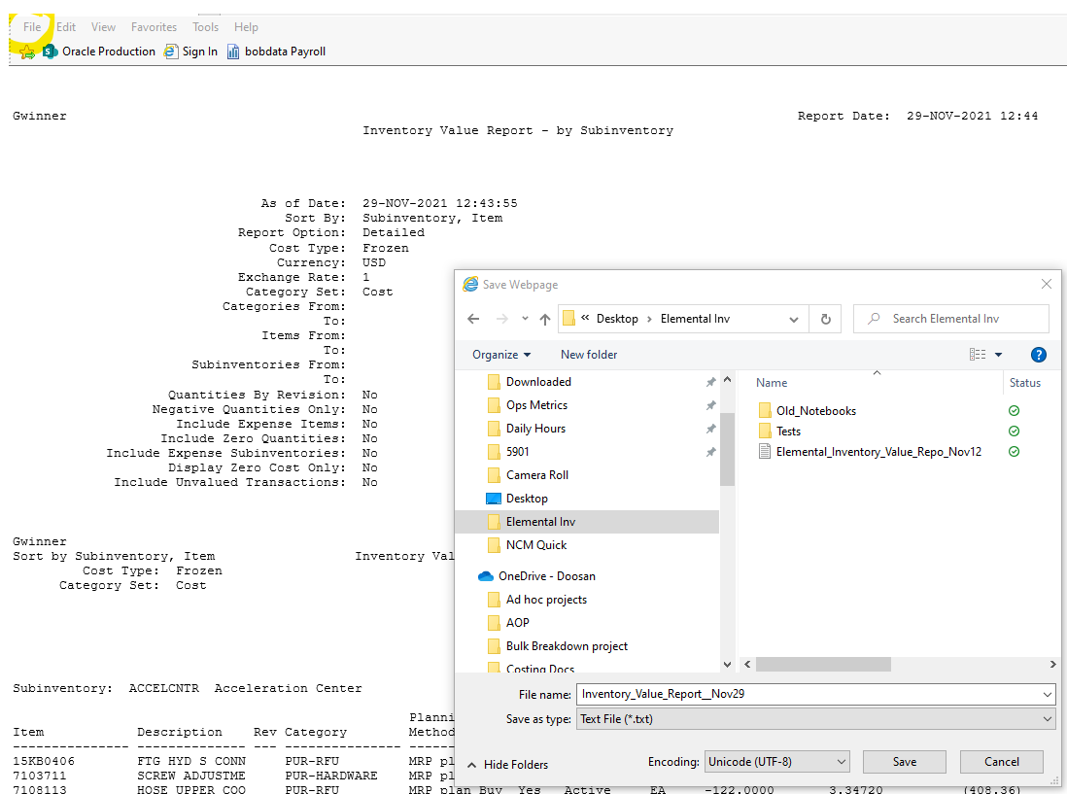
 | Save the text file (.txt)

 | In Monarch Classic (and Classic is very important) open the model "Inventory Value Report subinventory detail" model.
 |  | Once you've opened the model in Monarch Classic previously it should be sitting in your Monarch model pane.
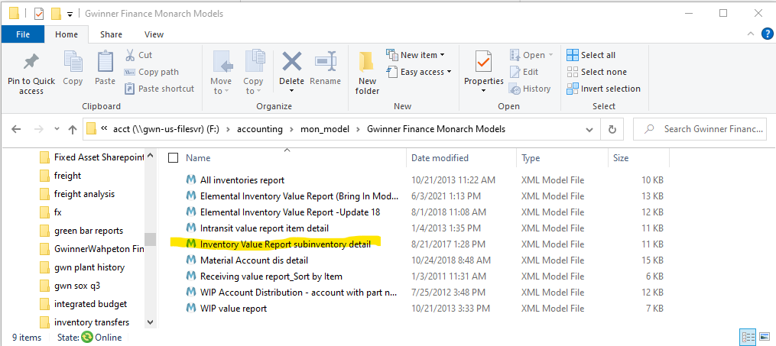
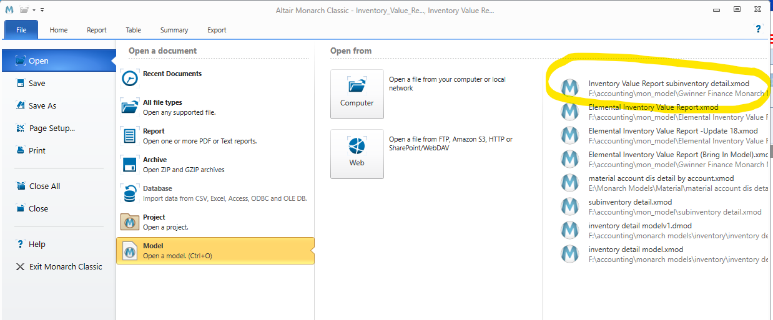

 | The output from the Monarch model will be the Excel worksheet that will be pasted into the "Data.xlsx" template in the "Inv_bySubinv" tab.
 |  | Delete old data from cell A2 downwards.
 |  | DO NOT DELETE COLUMN HEADINGS.
 |  | In theory it doesn't matter if the new report's column headings are pasted in unless spaces, etc, have migrated in. It is safest to simply retain the existing column headings.

 |  | Data can be pasted in cell A2.
 |  | Check that data marries up to its column heading,
 |  | eg, part numbers are under the Part Number column heading.

 |  | DO NOT rearrange columns.
 |  | DO NOT add or subtract columns.

7 | Accounts tab should change infrequently but new accounts will have to be added as they occur.
 | The Python code will alert you to new subinventory accounts found in the Elemental Inventory data and not found in the Accounts dataset.

8

 | Open in Google Chrome : https://colab.research.google.com/

 | Click "File" and Upload Notebook.
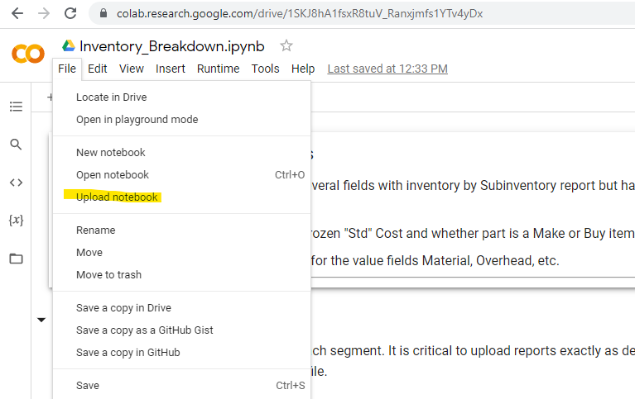

 | Upload the Jupyter Notebook titled "Inventory_Breakdown.ipynb"
 |  | Jupyter is an editting tool for Python. There are many editting tools available. The extension is ".jpynb"
 |  | After you've uploaded the notebook once Google Colab will remember it and you can "Open Notebook"

 | Next, open the file manager icon on the left pane by clicking icon.

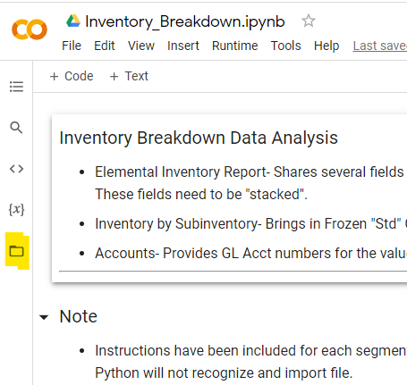

 | Panel will look like this…

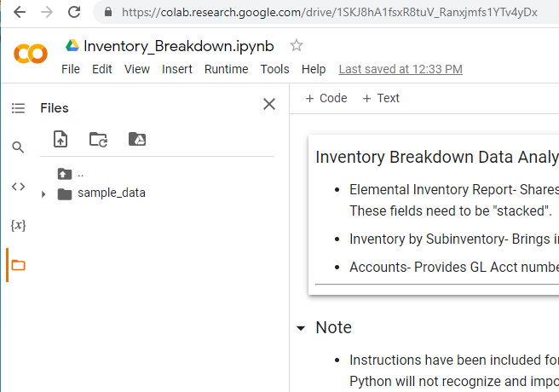

 | Drag the "Data.xlsx" file into pane.

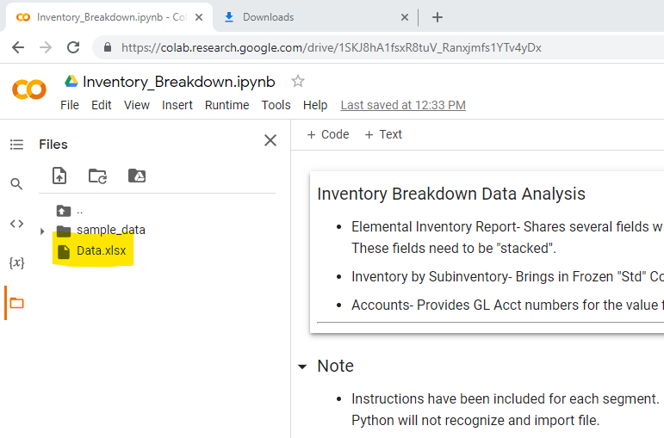

 | Click "Runtime" tab along top horizontal axis and click "Restart and Run All"
 |  | This will start running the code blocks sequentially.
 |  | Alternatively, you can run each code block one at a time by hovering over code block so it is slightly shaded and clicking the arrow that appears.

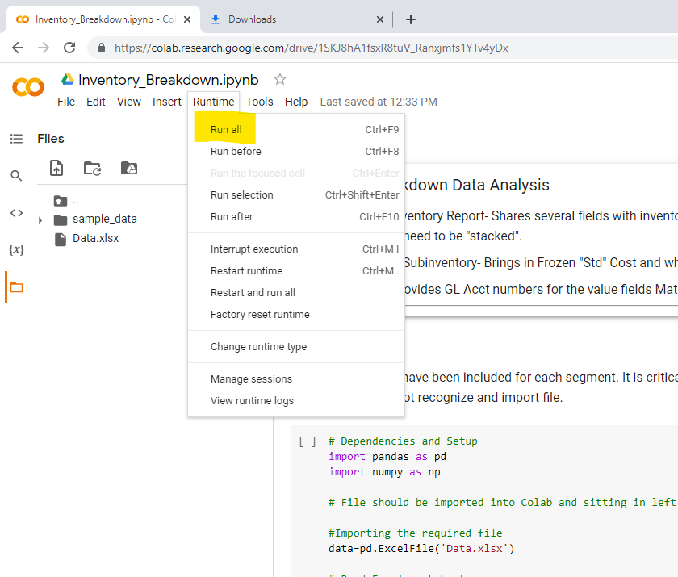
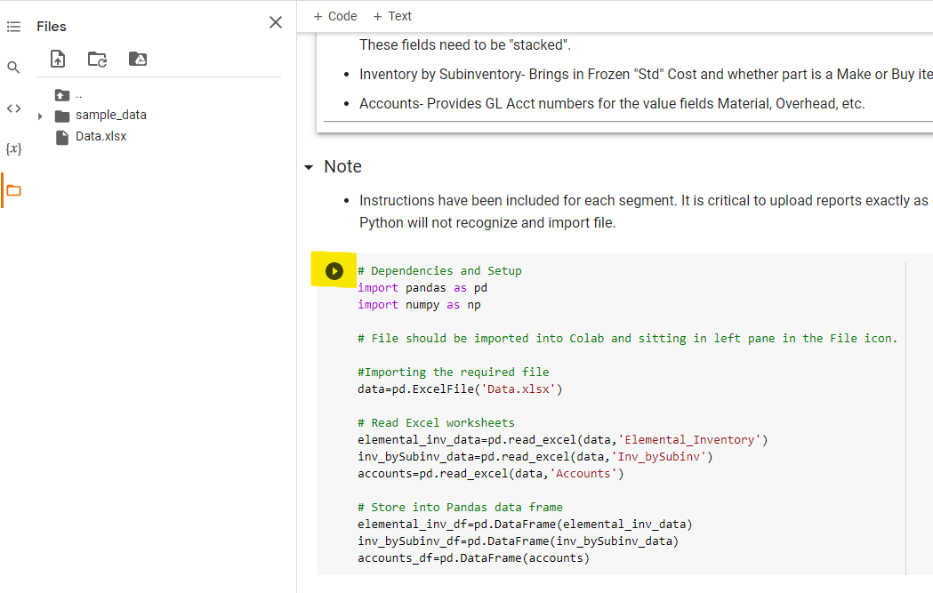

 | A running code block has a moving circle. If this turns red the code block did not run and you will have an error message.
 | A green check appears in upper left of code block when code has been executed.

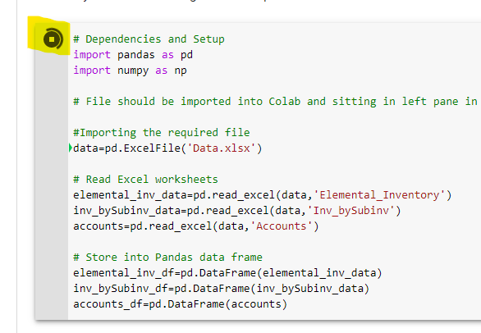
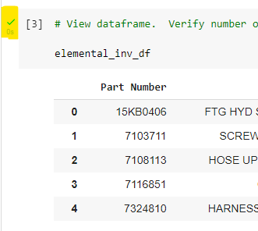

 | The executed code will be exported into an Excel workbook that includes both the original reports and the final files.

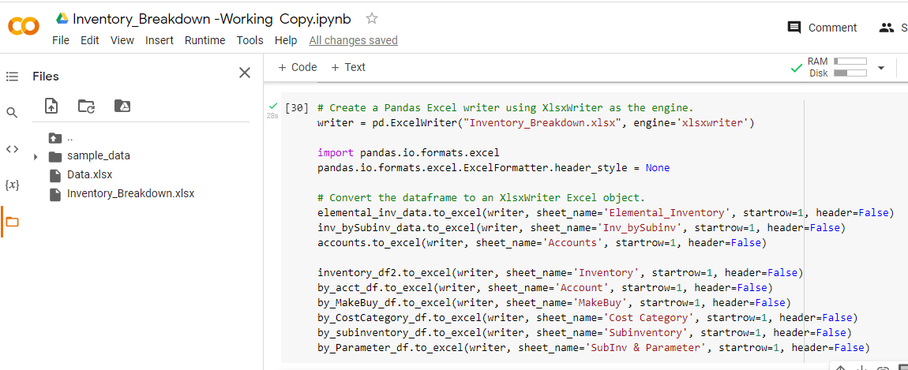

 | Note that the workbook is NOT SAVED TO YOUR COMPUTER. It is sitting in Google Colab.
 |  | Saving to the desktop would require changing the filepath name in the code…inconvenient for multiple users.

 | Hover over the file you wish to save and click the three vertical dots that appear to the right of the file name.

 | When the pop-up menu appears select "Download"
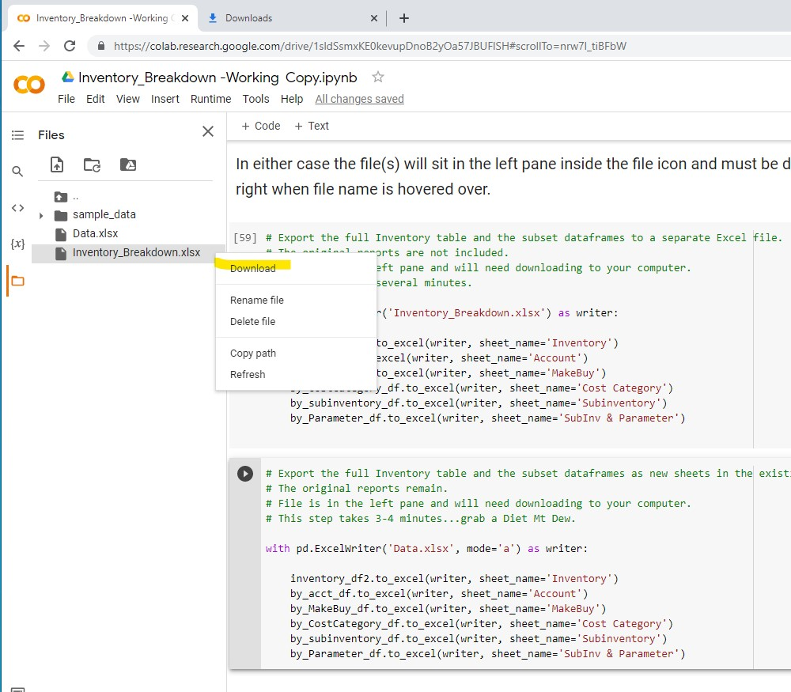

 | An orange circle will move as file downloads.

 | On many computers the downloaded file will appear at the bottom of the screen and one can "Show in Folder".
 | In any case you'll need to retrieve the file from the Google Download folder.

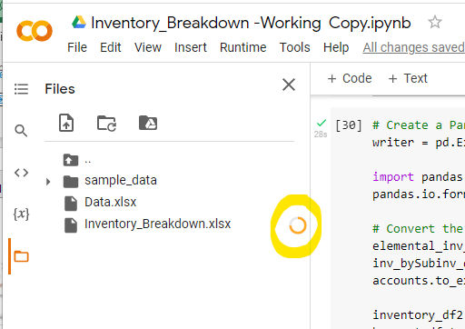

 | Google Chrome has settings that disallow multiple downloads. Sometimes this can hang up the download of Data.xlsx (if you chose to download it- no real need really).
 | Select the Download icon with the red x (located in address bar) and a menu will pop up. Always allow Google Colab to download multiple files.

Dataframe Notes
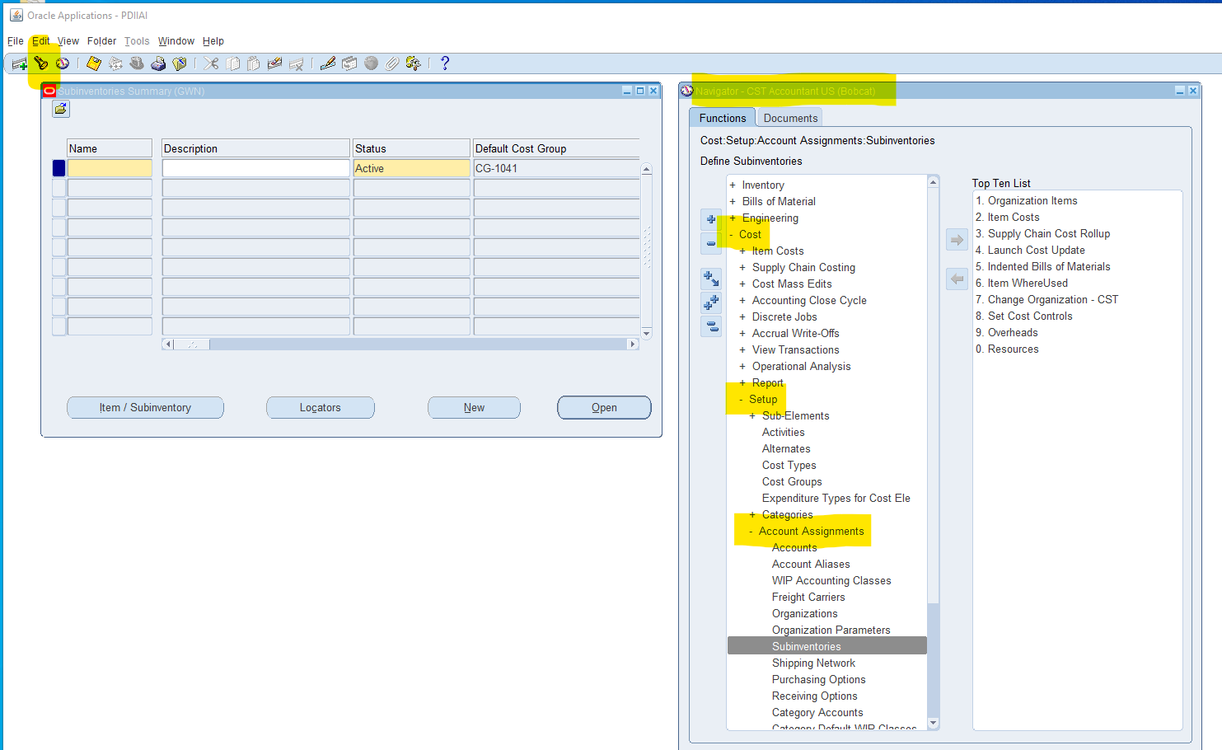
Identifying Missing Account Numbers in Accounts Dataset

Near the end of the code blocks is this code:

This code checks for new Accounts that are in the Elemental Inventory report but is not in the "Accounts" worksheet.

If there are any entries then this Subinventory account must be added to the "Accounts" worksheet, or, as in this case, the Suninventories (which are not in the Inventory by Subinventory Report) are changed to just be "Coil", "Decoil", and "Fab".

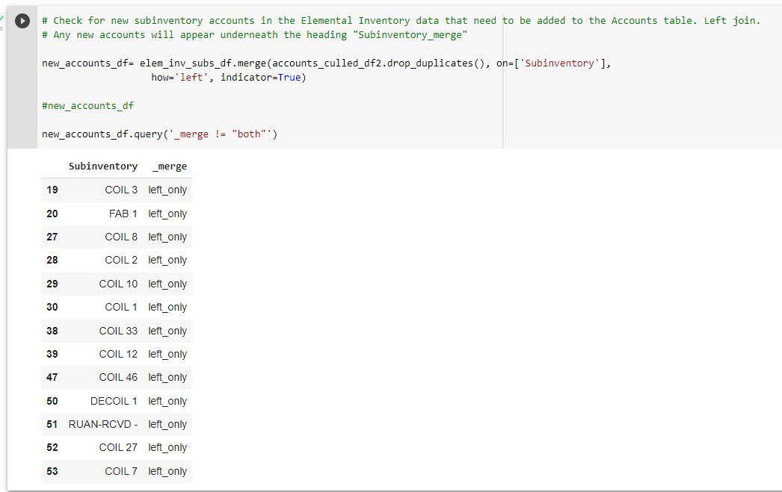

To find Subinventory Account numbers:

