Pictures
# | Picture ID | Type | Title shown | Used in case | Replaces this written clue | What the player sees | Correct answer | Other options shown | Explanation shown after answering | Status | Your correction
1 | antstemi | 12-lead ECG | 12-lead ECG | ST-Elevation Myocardial Infarction | Tests clue 1: ECG: ST elevation in V1–V4 | 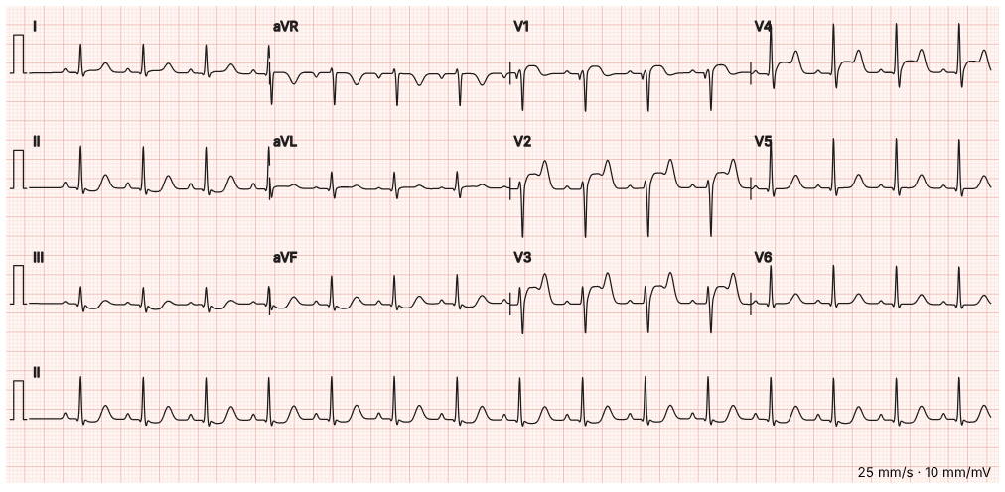 | Anterior ST elevation in V1–V4: anterior STEMI | • Inferior ST elevation: inferior STEMI • Widespread saddle-shaped ST elevation: pericarditis • Normal ECG | ST elevation across V1–V4 with reciprocal inferior depression is an anterior STEMI, usually the LAD. Call the cath lab.
2 | hyperk | 12-lead ECG | 12-lead ECG | Hyperkalaemia | Tests clue 2: ECG: tall peaked T waves, wide QRS, slow rate | 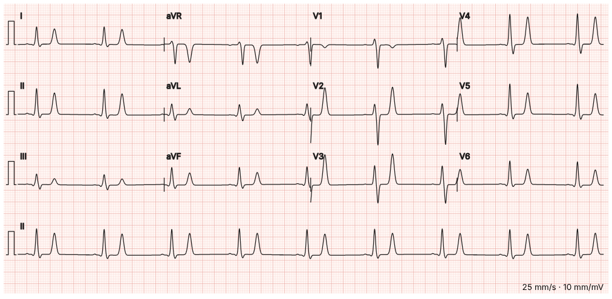 | Tall peaked T waves, wide QRS, flat P waves: hyperkalaemia | • Hyperacute T waves of an anterior STEMI • Hypokalaemia with U waves • Benign early repolarisation | Narrow, tented T waves in many leads with a broadening QRS and fading P waves is hyperkalaemia until proven otherwise. Give IV calcium now.
3 | pericarditis | 12-lead ECG | 12-lead ECG | Acute Pericarditis | Tests clue 1: ECG: widespread saddle-shaped ST elevation with PR depression | 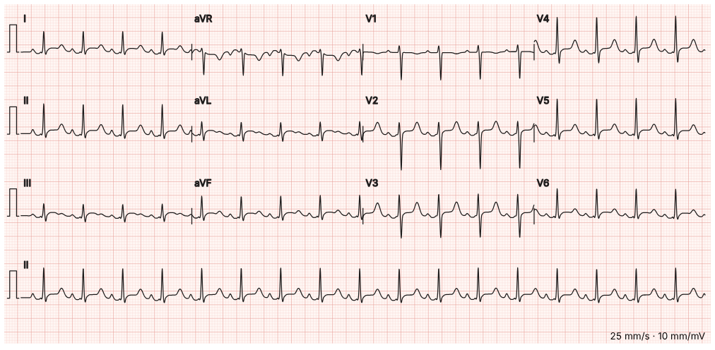 | Widespread concave ST elevation with PR depression: pericarditis | • Anterior STEMI • Brugada pattern • Wellens pattern | Saddle-shaped ST elevation in most leads, PR depression, and the opposite (ST depression, PR elevation) in aVR. It does not follow one coronary territory.
4 | brugada | 12-lead ECG | 12-lead ECG | Brugada Syndrome | Tests clue 1: ECG: coved ST elevation in V1–V2 with T-wave inversion | 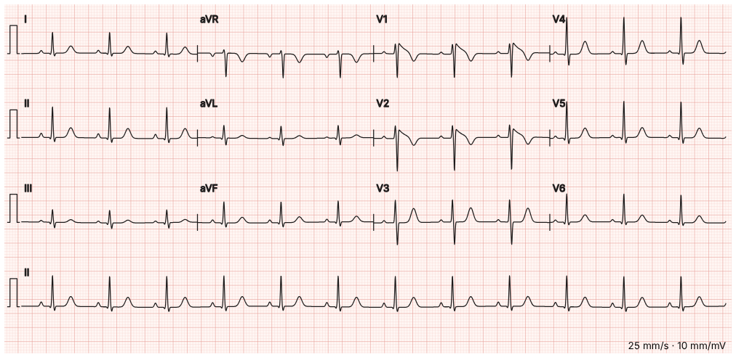 | Coved ST elevation in V1–V2 with T inversion: Brugada type 1 | • Right bundle branch block only • Anterior STEMI • Wellens pattern | A coved ST segment of 2 mm or more that slopes down into an inverted T wave in V1–V2 is the type 1 Brugada pattern: a risk of sudden death.
5 | wellens | 12-lead ECG | 12-lead ECG | Wellens Syndrome | Tests clue 1: ECG: deep symmetrical T-wave inversion in V2–V3, no ST elevation | 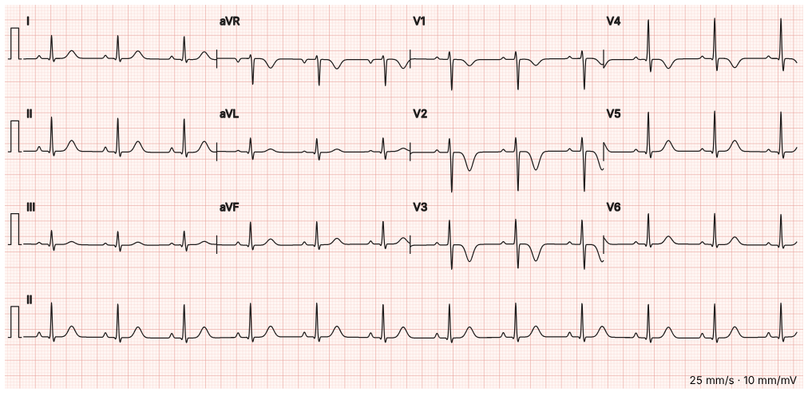 | Deep symmetrical T inversion in V2–V3: Wellens (critical LAD) | • Normal juvenile T waves • Posterior MI • Hypokalaemia | Deep, symmetrical T-wave inversion in V2–V3 in a pain-free patient is Wellens syndrome: a tight proximal LAD stenosis. Do not stress test.
6 | af | 12-lead ECG | 12-lead ECG | Atrial Fibrillation with Fast Ventricular Rate | Tests clue 1: ECG: atrial fibrillation at 152, no ischaemia | 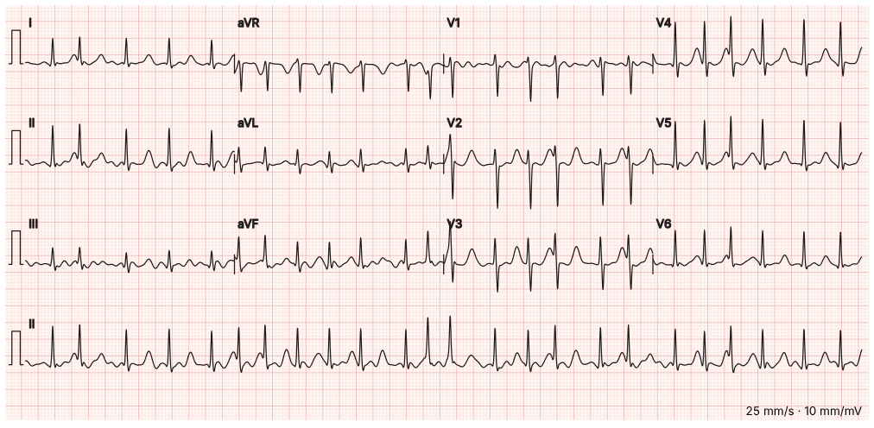 | Irregularly irregular with no P waves: AF with a fast rate | • Sinus tachycardia • Atrial flutter with 2:1 block • AV nodal re-entry tachycardia | No organised P waves, a wavy baseline and completely irregular R–R intervals: atrial fibrillation.
7 | s1q3t3 | 12-lead ECG | 12-lead ECG | Pulmonary Embolism | Tests clue 2: ECG: sinus tachycardia, S1Q3T3 pattern | 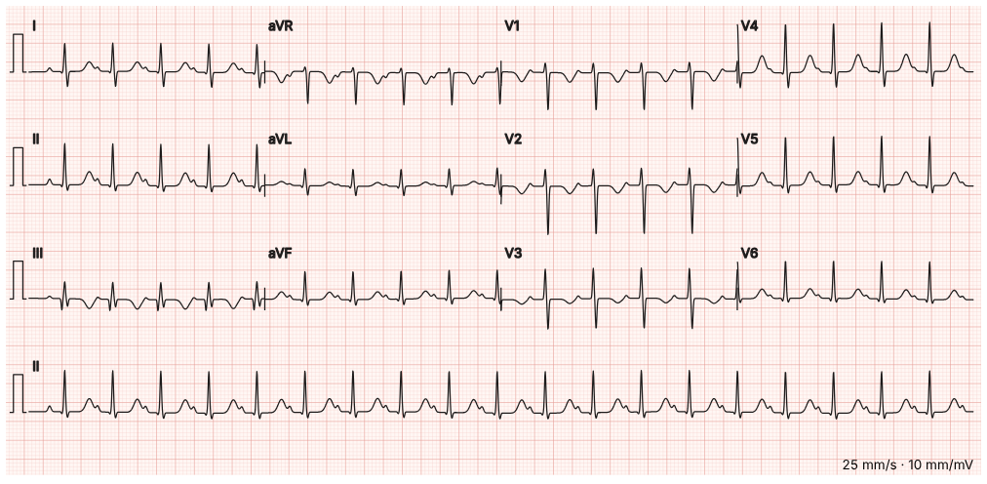 | Sinus tachycardia, S1Q3T3, right heart strain: think PE | • Inferior STEMI • Left bundle branch block • Normal sinus rhythm | A deep S in I, a Q and inverted T in III, and T inversion in V1–V3 with a tachycardia suggest right heart strain. Sinus tachycardia is still the commonest PE finding.
8 | digoxin | 12-lead ECG | 12-lead ECG | Digoxin Toxicity | Tests clue 2: ECG: slow AF with scooped "reverse tick" ST depression | 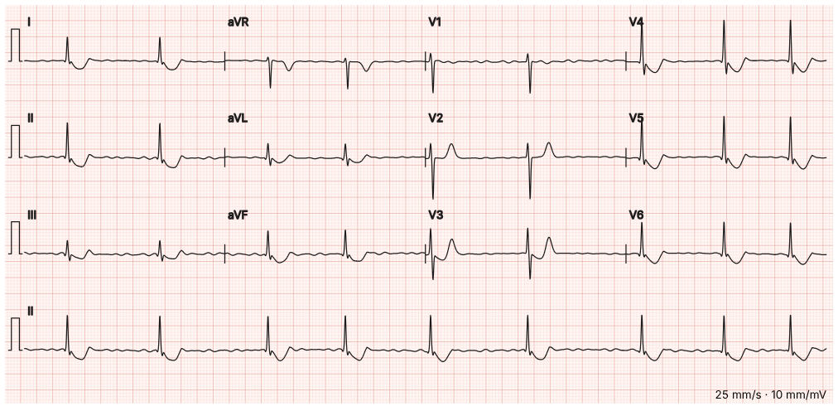 | Slow AF with scooped "reverse tick" ST depression: digoxin effect | • Lateral STEMI • Hyperkalaemia • Complete heart block | Sagging, scooped ST depression that rises into a small T wave (the reverse tick) with a slow ventricular rate fits digoxin. Toxicity is clinical plus the level and potassium.
9 | osborn | 12-lead ECG | 12-lead ECG | Accidental Hypothermia | Tests clue 1: ECG: slow rate with J (Osborn) waves | 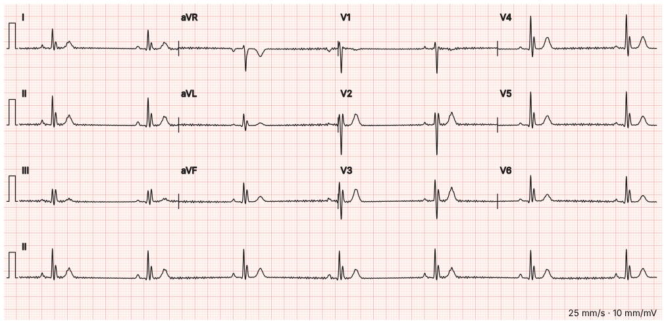 | Bradycardia with J (Osborn) waves: hypothermia | • Brugada pattern • Hyperkalaemia • Delta waves of WPW | A positive hump at the J point after the QRS, a slow rate and shivering artefact: Osborn waves of hypothermia. They shrink as the patient warms.
10 | chb | 12-lead ECG | 12-lead ECG | Lyme Carditis | Tests clue 1: ECG: complete heart block | 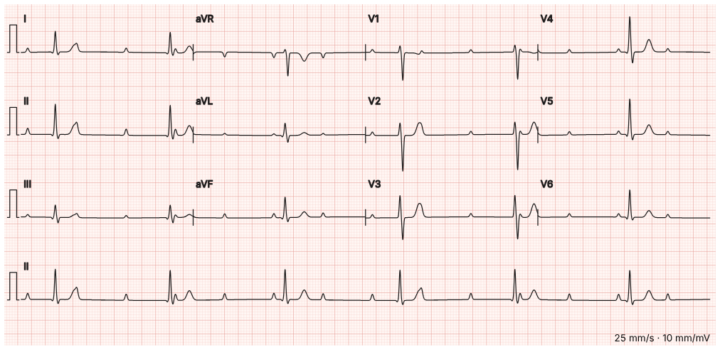 | Complete heart block: P waves and QRS complexes dissociated | • Mobitz I (Wenckebach) • Sinus bradycardia • Mobitz II | P waves march through at their own rate with no fixed relation to the slow, regular QRS complexes: third-degree (complete) heart block.
11 | alternans | 12-lead ECG | 12-lead ECG | Cardiac Tamponade | Tests clue 1: ECG: low voltage with electrical alternans | 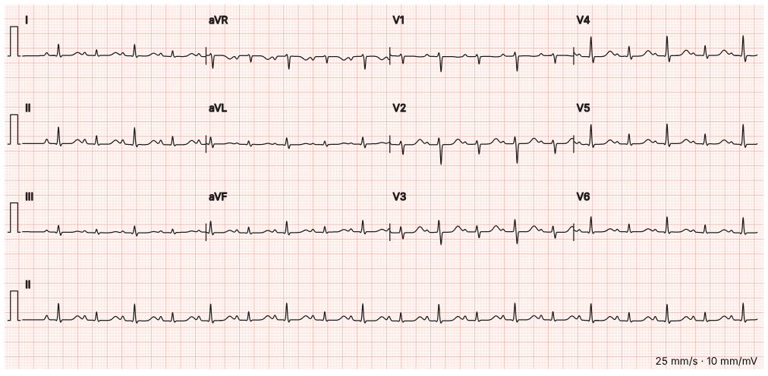 | Low voltage with electrical alternans: think tamponade | • Atrial fibrillation • Pericarditis without effusion • Normal ECG with lead artefact | Small complexes whose height alternates beat to beat, with a tachycardia: the heart is swinging in a large effusion.
12 | dka | Blood gas | Blood gas | Diabetic Ketoacidosis | Tests clue 2: VBG pH 7.08, bicarbonate 7, anion gap 26 | 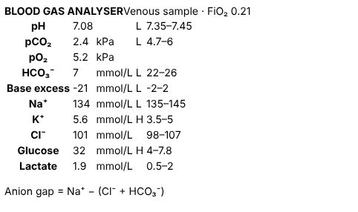 | High anion gap metabolic acidosis with respiratory compensation | • Normal anion gap metabolic acidosis • Acute respiratory acidosis • Metabolic alkalosis | pH low, bicarbonate very low, CO₂ blown off. Anion gap = 134 − (101 + 7) = 26: a raised gap, here from ketones.
13 | copd | Blood gas | Blood gas | COPD Exacerbation | Tests clue 1: ABG on air: pH 7.31, pCO₂ 7.9 kPa, HCO₃ 32 | 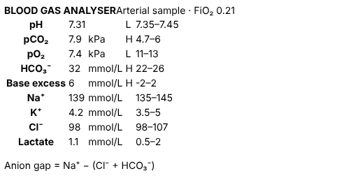 | Acute-on-chronic respiratory acidosis (raised bicarbonate) | • Acute respiratory acidosis, uncompensated • Metabolic acidosis • Respiratory alkalosis | High CO₂ with a low pH is respiratory acidosis. The bicarbonate is already high, so the kidneys have been compensating for a long time: acute on chronic. Target saturations 88–92%.
14 | panic | Blood gas | Blood gas | Panic Attack | Tests clue 2: VBG: pH 7.51, pCO₂ 3.6 kPa (respiratory alkalosis) | 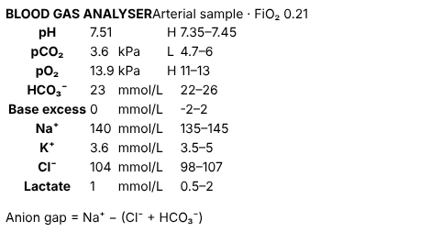 | Acute respiratory alkalosis | • Metabolic alkalosis • Respiratory acidosis • Mixed metabolic acidosis and respiratory alkalosis | High pH with a low CO₂ and a normal bicarbonate: acute respiratory alkalosis from over-breathing. Normal oxygen helps, but exclude PE and DKA first.
15 | opioid | Blood gas | Blood gas | Opioid Overdose | Tests clue 1: VBG: pCO₂ 9.8 kPa, pH 7.21 | 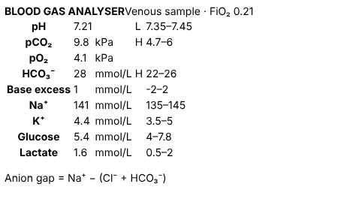 | Acute respiratory acidosis from hypoventilation | • Chronic compensated respiratory acidosis • Metabolic acidosis • Normal blood gas | Very high CO₂, low pH and a near-normal bicarbonate: acute hypoventilation with no time to compensate. Pinpoint pupils complete the picture.
16 | methb | Blood gas | Blood gas | Methaemoglobinaemia | Tests clue 1: ABG: normal pO₂, methaemoglobin 32% | 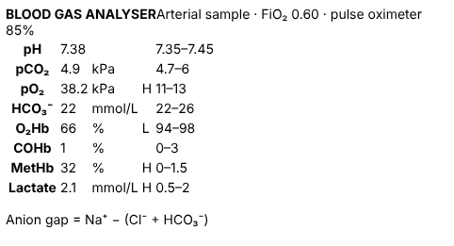 | Normal pO₂ with a saturation gap: methaemoglobinaemia | • Type 1 respiratory failure • Carbon monoxide poisoning • Type 2 respiratory failure | The pO₂ is high on oxygen, yet the pulse oximeter reads about 85%. Co-oximetry shows methaemoglobin 32%. Treat with methylene blue.
17 | methanol | Blood gas | Blood gas | Methanol Poisoning | Tests clue 1: pH 7.05, anion gap 32 | 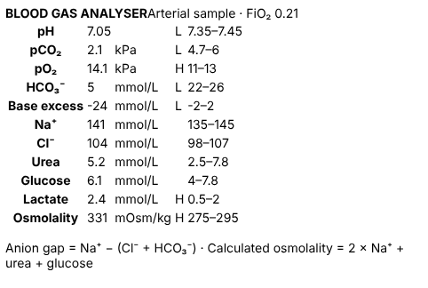 | High anion gap acidosis with a raised osmolal gap: toxic alcohol | • Diabetic ketoacidosis • Lactic acidosis from shock • Normal anion gap acidosis | Anion gap = 141 − (104 + 5) = 32. Calculated osmolality 2×141 + 5.2 + 6.1 ≈ 293, so the osmolal gap is about 38. Glucose and lactate do not explain it: methanol or ethylene glycol.
18 | cholera | Blood gas | Blood gas | Cholera | Tests clue 1: K 2.8; metabolic acidosis; creatinine 210 | 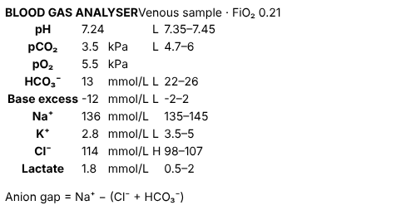 | Normal anion gap metabolic acidosis with hypokalaemia | • High anion gap metabolic acidosis • Metabolic alkalosis from vomiting • Respiratory acidosis | Anion gap = 136 − (114 + 13) = 9, which is normal, with a high chloride and low potassium: bicarbonate lost in stool.
19 | rll | X-ray | Chest X-ray (PA) | Community-Acquired Pneumonia | Imaging clue 1: Chest X-ray: right lower lobe consolidation with air bronchograms | 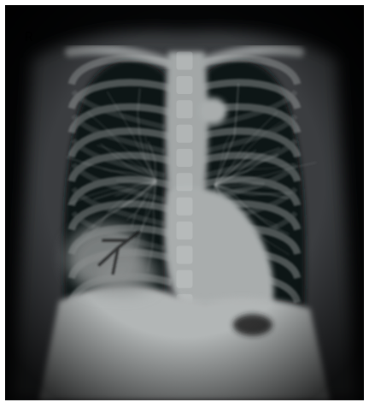 | Right lower lobe consolidation with air bronchograms | • Right pleural effusion • Right pneumothorax • Normal chest film | A fluffy white opacity in the right lower zone with dark branching air bronchograms inside it, and the right heart border still visible: lower lobe, not middle lobe.
20 | apo | X-ray | Chest X-ray (AP, portable) | Acute Pulmonary Oedema | Imaging clue 1: Chest X-ray: bat-wing shadowing, upper lobe diversion, effusions | 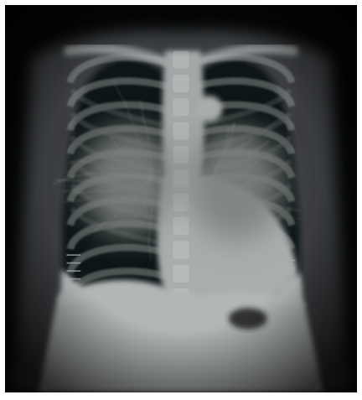 | Pulmonary oedema: big heart, bat-wing shadowing, effusions | • Bilateral pneumonia • Normal chest film • Miliary tuberculosis | Cardiomegaly, perihilar bat-wing haze, short horizontal Kerley B lines at the bases and blunted costophrenic angles: fluid overload.
21 | cavity | X-ray | Chest X-ray (PA) | Pulmonary Tuberculosis | Imaging clue 1: Chest X-ray: right upper lobe cavity | 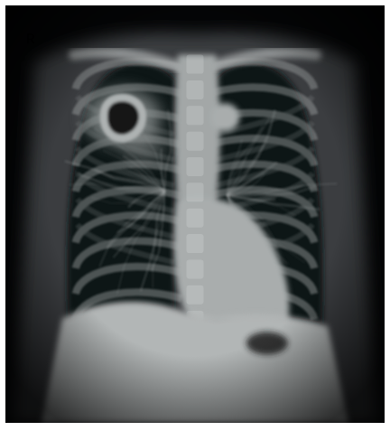 | Right upper lobe cavity | • Right upper lobe collapse • Pancoast tumour at the apex • Normal chest film | A thick-walled ring with a dark centre and patchy shadowing around it in the right upper zone: a cavity. In this story, tuberculosis.
22 | medi | X-ray | Chest X-ray (PA) | Inhalational Anthrax | Imaging clue 1: Chest X-ray: widened mediastinum with pleural effusions | 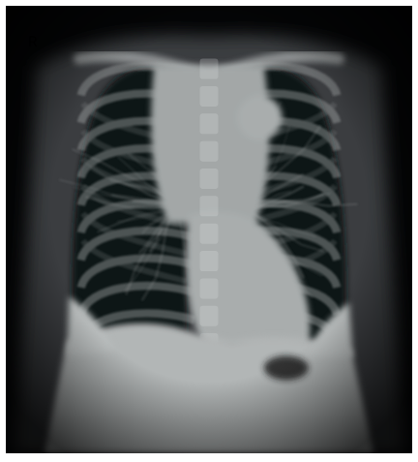 | Widened mediastinum with pleural effusions | • Cardiomegaly • Normal chest film • Bilateral hilar lymphadenopathy only | The upper mediastinum is much wider than it should be, with fluid at both bases. In a sick patient: haemorrhagic mediastinitis or a dissection.
23 | ptx | X-ray | Chest X-ray (PA) | Primary Spontaneous Pneumothorax | Imaging clue 1: Chest X-ray: left pneumothorax with a visible lung edge | 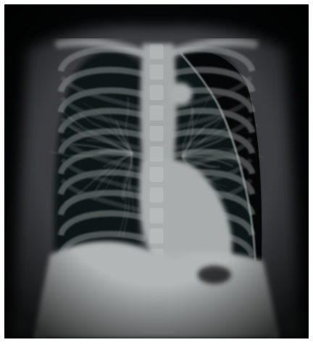 | Left pneumothorax: a visible lung edge with no markings beyond it | • Bullous emphysema • Normal chest film • Left pleural effusion | A thin white pleural line runs parallel to the chest wall, and outside it there are no lung markings at all. The trachea is central, so it is not under tension.
24 | freeair | X-ray | Erect chest X-ray | Perforated Peptic Ulcer | Imaging clue 1: Erect chest X-ray: free gas under the right hemidiaphragm | 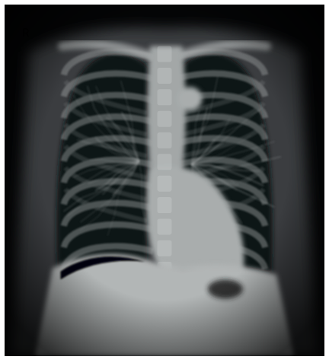 | Free gas under the right hemidiaphragm (pneumoperitoneum) | • Chilaiditi sign (bowel between liver and diaphragm) • Normal gastric bubble only • Right lower lobe pneumonia | A smooth dark crescent separating the right hemidiaphragm from the liver on an erect film: free intraperitoneal gas from a perforated viscus.
25 | sbo | X-ray | Abdominal X-ray (supine) | Small Bowel Obstruction | Imaging clue 1: Abdominal X-ray: dilated central small-bowel loops with valvulae conniventes | 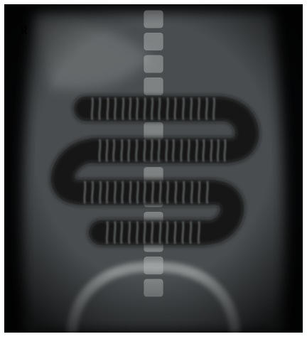 | Dilated central small-bowel loops with valvulae conniventes | • Large bowel obstruction with haustra • Sigmoid volvulus (coffee-bean sign) • Normal bowel gas pattern | Several dilated, centrally placed loops stacked like a ladder, crossed by thin lines that go all the way across (valvulae conniventes): small bowel, not colon.
26 | malaria | Microscopy | Thin blood film, Giemsa ×100 | Falciparum Malaria | Tests clue 1: Thick and thin films: 6% P. falciparum parasitaemia | 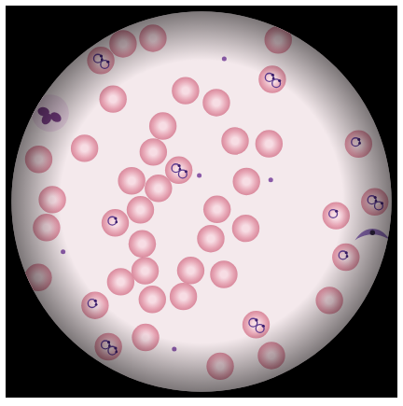 | Ring forms inside red cells, some doubled: P. falciparum | • Howell–Jolly bodies • Normal blood film • Babesia (Maltese cross) | Delicate rings with one or two chromatin dots, several cells infected and some with two rings, plus a banana-shaped gametocyte: falciparum malaria.
27 | schisto | Microscopy | Blood film, Wright stain ×100 | Thrombotic Thrombocytopenic Purpura | Tests clue 1: Platelets 12, Hb 78, schistocytes on smear | 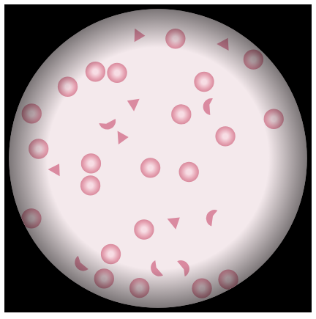 | Schistocytes (fragmented red cells) with very few platelets | • Spherocytes • Target cells • Normal blood film | Helmet and triangle-shaped red cell fragments and almost no platelets: a microangiopathic haemolytic anaemia, such as TTP.
28 | atypical | Microscopy | Blood film, Wright stain ×100 | Infectious Mononucleosis | Tests clue 1: Monospot positive; atypical lymphocytes on the blood film | 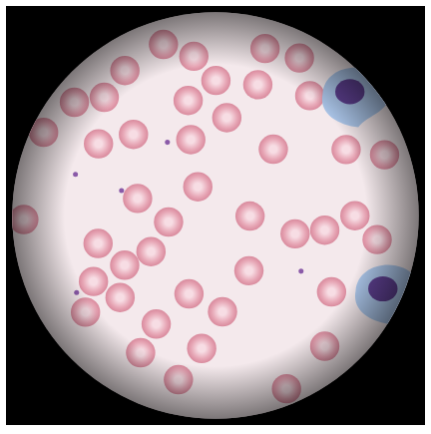 | Large atypical (reactive) lymphocytes | • Myeloblasts with Auer rods • Hypersegmented neutrophils • Normal blood film | Big lymphocytes with plenty of pale blue cytoplasm that hugs the neighbouring red cells: reactive (Downey) cells, typical of EBV.
29 | tryp | Microscopy | Thin blood film, Giemsa ×100 | African Trypanosomiasis | Tests clue 1: Blood film: trypanosomes | 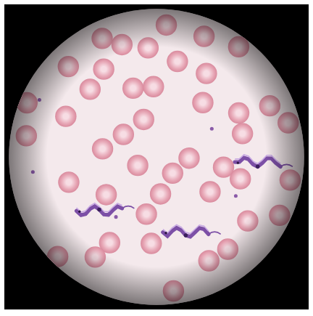 | Trypanosomes: wavy flagellated parasites between red cells | • Microfilariae • Spirochaetes (Borrelia) • Malaria gametocytes | Slender, wavy extracellular parasites with an undulating membrane, a central nucleus and a free flagellum: trypomastigotes.
30 | sickle | Microscopy | Blood film, Wright stain ×100 | Sickle Cell Pain Crisis | Tests clue 1: Blood film: sickle cells, target cells and Howell–Jolly bodies; Hb 74 (baseline 78) | 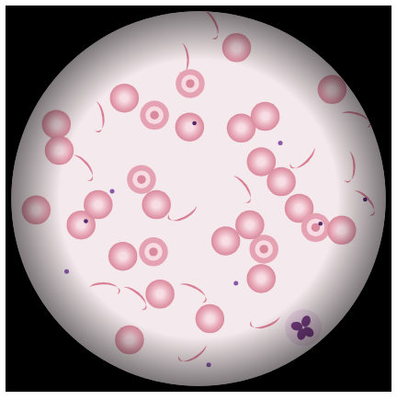 | Sickle cells with target cells and Howell–Jolly bodies | • Schistocytes • Spherocytes • Normal blood film | Crescent-shaped cells, target cells and small nuclear remnants (a sign of a non-working spleen): sickle cell disease.
31 | gramneg | Microscopy | CSF Gram stain ×100 | Meningococcal Meningitis | Tests clue 2: CSF Gram stain: gram-negative diplococci | 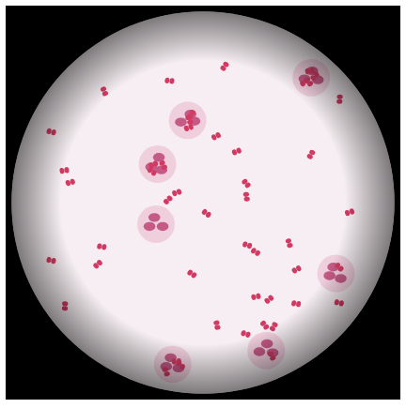 | Gram-negative diplococci inside neutrophils | • Gram-positive diplococci • Gram-positive rods • Yeasts (Cryptococcus) | Pink, kidney-bean pairs of cocci, many inside neutrophils: Neisseria meningitidis in CSF.
32 | grampos | Microscopy | Sputum Gram stain ×100 | Community-Acquired Pneumonia | Tests clue 2: Sputum Gram stain: gram-positive diplococci | 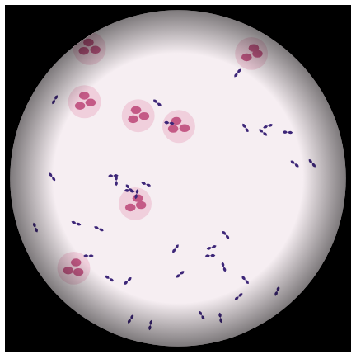 | Gram-positive lancet-shaped diplococci | • Gram-negative diplococci • Gram-positive cocci in clusters • Gram-negative rods | Purple, pointed pairs of cocci among pus cells: Streptococcus pneumoniae.
33 | afb | Microscopy | Sputum Ziehl–Neelsen stain ×100 | Pulmonary Tuberculosis | Tests clue 1: Sputum smear: acid-fast bacilli | 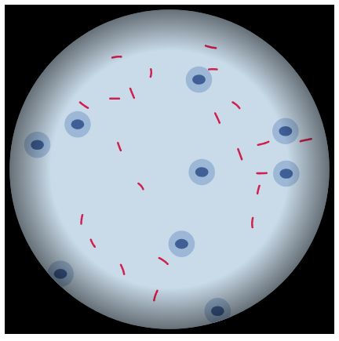 | Acid-fast bacilli: red rods on a blue background | • Gram-positive cocci in chains • Fungal hyphae • No organisms seen | Slender, slightly beaded red rods on a blue counterstain in a Ziehl–Neelsen stain: mycobacteria.
34 | ldbodies | Microscopy | Bone marrow aspirate, Giemsa ×100 | Visceral Leishmaniasis | Tests clue 2: Bone marrow: Leishman–Donovan bodies | 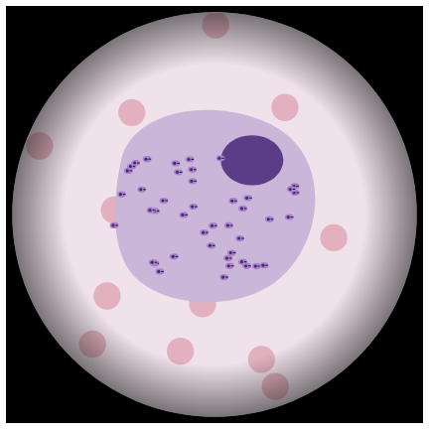 | Macrophage packed with Leishman–Donovan bodies | • Megaloblastic changes • Gaucher cell • Histoplasma yeasts | A macrophage stuffed with tiny oval bodies, each with a nucleus and a small rod-like kinetoplast: Leishmania amastigotes. Histoplasma has no kinetoplast.
35 | vibrio | Microscopy | Stool dark-field microscopy | Cholera | Tests clue 2: Stool dark-field: darting comma-shaped bacteria |  | Darting comma-shaped bacteria (Vibrio) | • Spirochaetes • Motile Giardia trophozoites • No organisms seen | Bright, curved comma-shaped rods shooting across a dark-field slide: Vibrio cholerae.
36 | boxcar | Microscopy | Blood culture Gram stain ×100 | Inhalational Anthrax | Tests clue 1: Blood culture: large gram-positive rods in chains ("boxcars") | 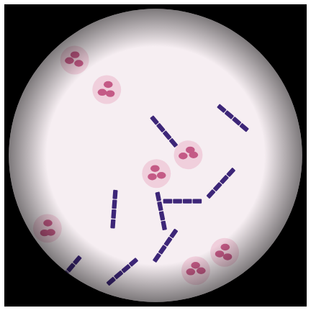 | Large gram-positive rods in chains ("boxcars") | • Gram-positive cocci in chains • Gram-negative rods • Branching gram-positive filaments | Big, square-ended purple rods lined up end to end like railway carriages: Bacillus anthracis.
37 | bipolar | Microscopy | Node aspirate, Wayson stain ×100 | Bubonic Plague | Tests clue 1: Node aspirate: bipolar-staining gram-negative coccobacilli | 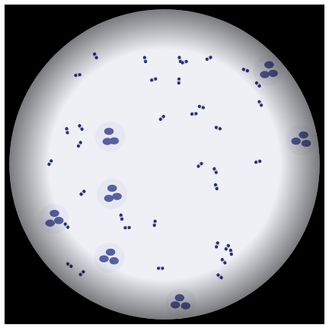 | Bipolar "safety-pin" coccobacilli | • Gram-positive diplococci • Spirochaetes • Yeast cells | Small rods stained darker at both ends, like a closed safety pin: Yersinia pestis on a Wayson or Giemsa stain.

