XPS Survey
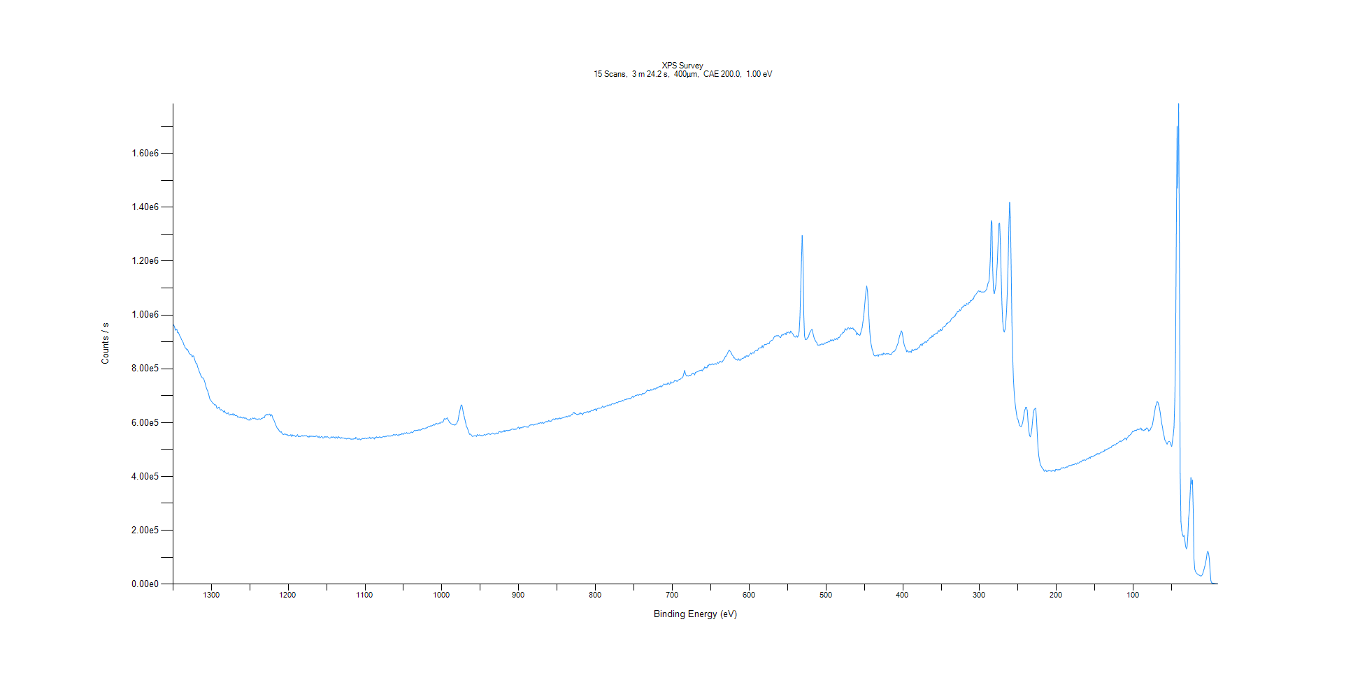
﻿
Axis | Energy | Elements= | 1361

C:\XPS-UPS-Data\djung\TaRe_BOE_1124\Experiment\X-Ray001 400um - FG ON\TaRe_WK0\XPS Survey.VGD

Binding Energy (E)
eV |  | Counts / s
1350 |  | 966476
1349 |  | 961621
1348 |  | 955543
1347 |  | 943195
1346 |  | 946820
1345 |  | 946471
1344 |  | 933869
1343 |  | 934520
1342 |  | 928076
1341 |  | 920723
1340 |  | 917521
1339 |  | 908196
1338 |  | 904591
1337 |  | 899244
1336 |  | 889598
1335 |  | 885656
1334 |  | 877147
1333 |  | 875784
1332 |  | 870285
1331 |  | 871671
1330 |  | 864853
1329 |  | 857372
1328 |  | 855152
1327 |  | 852833
1326 |  | 852207
1325 |  | 844354
1324 |  | 848660
1323 |  | 846297
1322 |  | 836077
1321 |  | 827100
1320 |  | 819504
1319 |  | 819125
1318 |  | 806732
1317 |  | 800666
1316 |  | 791128
1315 |  | 784110
1314 |  | 777130
1313 |  | 770662
1312 |  | 766589
1311 |  | 766570
1310 |  | 762024
1309 |  | 754109
1308 |  | 744133
1307 |  | 732973
1306 |  | 724417
1305 |  | 718314
1304 |  | 708728
1303 |  | 697885
1302 |  | 687032
1301 |  | 683730
1300 |  | 679041
1299 |  | 675869
1298 |  | 671388
1297 |  | 670206
1296 |  | 665894
1295 |  | 666977
1294 |  | 664346
1293 |  | 653709
1292 |  | 653104
1291 |  | 656369
1290 |  | 657593
1289 |  | 650128
1288 |  | 646660
1287 |  | 648545
1286 |  | 645684
1285 |  | 643080
1284 |  | 639390
1283 |  | 644368
1282 |  | 636778
1281 |  | 635474
1280 |  | 632659
1279 |  | 634789
1278 |  | 637200
1277 |  | 628534
1276 |  | 628157
1275 |  | 631492
1274 |  | 630849
1273 |  | 629063
1272 |  | 633314
1271 |  | 627162
1270 |  | 630938
1269 |  | 625853
1268 |  | 625519
1267 |  | 626793
1266 |  | 620726
1265 |  | 621141
1264 |  | 621287
1263 |  | 618581
1262 |  | 621946
1261 |  | 617946
1260 |  | 618135
1259 |  | 616381
1258 |  | 619980
1257 |  | 616646
1256 |  | 616483
1255 |  | 617128
1254 |  | 613924
1253 |  | 612030
1252 |  | 609254
1251 |  | 611447
1250 |  | 608634
1249 |  | 615005
1248 |  | 612637
1247 |  | 615132
1246 |  | 617267
1245 |  | 614748
1244 |  | 617429
1243 |  | 614746
1242 |  | 613017
1241 |  | 614017
1240 |  | 611178
1239 |  | 613197
1238 |  | 615702
1237 |  | 612574
1236 |  | 612244
1235 |  | 615300
1234 |  | 616285
1233 |  | 617448
1232 |  | 620322
1231 |  | 618815
1230 |  | 628027
1229 |  | 627422
1228 |  | 631306
1227 |  | 629902
1226 |  | 628181
1225 |  | 631604
1224 |  | 631520
1223 |  | 624425
1222 |  | 629896
1221 |  | 625636
1220 |  | 615767
1219 |  | 611449
1218 |  | 604833
1217 |  | 596330
1216 |  | 589456
1215 |  | 583292
1214 |  | 576761
1213 |  | 576756
1212 |  | 570885
1211 |  | 566570
1210 |  | 564723
1209 |  | 566135
1208 |  | 558669
1207 |  | 556977
1206 |  | 555903
1205 |  | 558059
1204 |  | 556335
1203 |  | 557139
1202 |  | 554575
1201 |  | 555054
1200 |  | 551053
1199 |  | 553521
1198 |  | 552223
1197 |  | 555004
1196 |  | 548848
1195 |  | 555621
1194 |  | 550599
1193 |  | 552584
1192 |  | 552062
1191 |  | 549171
1190 |  | 547880
1189 |  | 553078
1188 |  | 555417
1187 |  | 548645
1186 |  | 547884
1185 |  | 549166
1184 |  | 548307
1183 |  | 550785
1182 |  | 552517
1181 |  | 549322
1180 |  | 551299
1179 |  | 551417
1178 |  | 550691
1177 |  | 551837
1176 |  | 551500
1175 |  | 547091
1174 |  | 549747
1173 |  | 545796
1172 |  | 551489
1171 |  | 548364
1170 |  | 549364
1169 |  | 550123
1168 |  | 547878
1167 |  | 549183
1166 |  | 548122
1165 |  | 549503
1164 |  | 548963
1163 |  | 551617
1162 |  | 547693
1161 |  | 545278
1160 |  | 549542
1159 |  | 543883
1158 |  | 545021
1157 |  | 547938
1156 |  | 547975
1155 |  | 542629
1154 |  | 543328
1153 |  | 547832
1152 |  | 546406
1151 |  | 547859
1150 |  | 545874
1149 |  | 547739
1148 |  | 545712
1147 |  | 543329
1146 |  | 542148
1145 |  | 543497
1144 |  | 547546
1143 |  | 545092
1142 |  | 546604
1141 |  | 546788
1140 |  | 545596
1139 |  | 541883
1138 |  | 547261
1137 |  | 545928
1136 |  | 541729
1135 |  | 548836
1134 |  | 545339
1133 |  | 544661
1132 |  | 541392
1131 |  | 544727
1130 |  | 543212
1129 |  | 543269
1128 |  | 542935
1127 |  | 542007
1126 |  | 539949
1125 |  | 542141
1124 |  | 539212
1123 |  | 541091
1122 |  | 541878
1121 |  | 541793
1120 |  | 540366
1119 |  | 539115
1118 |  | 537946
1117 |  | 540608
1116 |  | 537810
1115 |  | 539287
1114 |  | 540460
1113 |  | 539272
1112 |  | 545528
1111 |  | 542352
1110 |  | 538200
1109 |  | 539209
1108 |  | 537734
1107 |  | 540462
1106 |  | 536289
1105 |  | 538666
1104 |  | 539742
1103 |  | 541616
1102 |  | 540023
1101 |  | 540704
1100 |  | 542657
1099 |  | 542059
1098 |  | 539965
1097 |  | 542300
1096 |  | 543622
1095 |  | 541569
1094 |  | 546324
1093 |  | 541403
1092 |  | 541274
1091 |  | 543961
1090 |  | 544676
1089 |  | 543397
1088 |  | 538995
1087 |  | 545923
1086 |  | 542304
1085 |  | 547465
1084 |  | 544764
1083 |  | 544537
1082 |  | 545320
1081 |  | 547786
1080 |  | 544864
1079 |  | 544909
1078 |  | 544749
1077 |  | 547529
1076 |  | 548697
1075 |  | 548138
1074 |  | 546741
1073 |  | 549565
1072 |  | 548848
1071 |  | 550749
1070 |  | 551474
1069 |  | 548950
1068 |  | 551091
1067 |  | 549865
1066 |  | 551989
1065 |  | 550727
1064 |  | 551706
1063 |  | 555816
1062 |  | 555365
1061 |  | 553788
1060 |  | 554918
1059 |  | 556495
1058 |  | 553677
1057 |  | 551229
1056 |  | 556794
1055 |  | 554345
1054 |  | 555817
1053 |  | 555414
1052 |  | 560281
1051 |  | 557173
1050 |  | 557082
1049 |  | 561756
1048 |  | 561042
1047 |  | 559702
1046 |  | 563535
1045 |  | 559978
1044 |  | 561806
1043 |  | 561024
1042 |  | 560350
1041 |  | 562532
1040 |  | 565479
1039 |  | 563510
1038 |  | 562671
1037 |  | 567072
1036 |  | 570510
1035 |  | 571418
1034 |  | 570028
1033 |  | 571469
1032 |  | 571154
1031 |  | 572482
1030 |  | 572634
1029 |  | 573011
1028 |  | 572257
1027 |  | 574516
1026 |  | 574982
1025 |  | 578707
1024 |  | 578409
1023 |  | 576818
1022 |  | 577186
1021 |  | 580289
1020 |  | 580139
1019 |  | 581514
1018 |  | 585179
1017 |  | 584182
1016 |  | 584367
1015 |  | 588227
1014 |  | 585995
1013 |  | 589362
1012 |  | 589857
1011 |  | 593670
1010 |  | 590373
1009 |  | 592627
1008 |  | 596774
1007 |  | 596837
1006 |  | 595486
1005 |  | 594891
1004 |  | 597228
1003 |  | 598553
1002 |  | 597987
1001 |  | 601896
1000 |  | 602419
999 |  | 601291
998 |  | 606267
997 |  | 614572
996 |  | 614214
995 |  | 613197
994 |  | 615037
993 |  | 618348
992 |  | 610989
991 |  | 606485
990 |  | 600698
989 |  | 598788
988 |  | 595493
987 |  | 594909
986 |  | 592094
985 |  | 592347
984 |  | 591820
983 |  | 590743
982 |  | 595117
981 |  | 594655
980 |  | 602722
979 |  | 608555
978 |  | 625624
977 |  | 639064
976 |  | 653054
975 |  | 665807
974 |  | 665056
973 |  | 650730
972 |  | 634236
971 |  | 622316
970 |  | 611639
969 |  | 598737
968 |  | 584351
967 |  | 580740
966 |  | 572667
965 |  | 563621
964 |  | 556705
963 |  | 557458
962 |  | 555112
961 |  | 550390
960 |  | 548760
959 |  | 550134
958 |  | 550624
957 |  | 551935
956 |  | 550779
955 |  | 548398
954 |  | 556390
953 |  | 553166
952 |  | 553301
951 |  | 554699
950 |  | 552022
949 |  | 552476
948 |  | 551115
947 |  | 551326
946 |  | 553291
945 |  | 555123
944 |  | 555505
943 |  | 553604
942 |  | 556356
941 |  | 557225
940 |  | 557551
939 |  | 560151
938 |  | 557076
937 |  | 556125
936 |  | 557692
935 |  | 559075
934 |  | 561678
933 |  | 558513
932 |  | 558682
931 |  | 557361
930 |  | 558664
929 |  | 561942
928 |  | 560082
927 |  | 559044
926 |  | 565701
925 |  | 566541
924 |  | 564946
923 |  | 566923
922 |  | 564486
921 |  | 565873
920 |  | 566701
919 |  | 571089
918 |  | 565830
917 |  | 570545
916 |  | 571238
915 |  | 570198
914 |  | 571023
913 |  | 570432
912 |  | 572105
911 |  | 572559
910 |  | 573449
909 |  | 575953
908 |  | 576415
907 |  | 575815
906 |  | 573488
905 |  | 577064
904 |  | 575363
903 |  | 575713
902 |  | 578992
901 |  | 582477
900 |  | 583272
899 |  | 576279
898 |  | 580789
897 |  | 581522
896 |  | 580644
895 |  | 583325
894 |  | 582999
893 |  | 587185
892 |  | 584578
891 |  | 584177
890 |  | 583632
889 |  | 584633
888 |  | 582624
887 |  | 585542
886 |  | 590090
885 |  | 590791
884 |  | 592792
883 |  | 591395
882 |  | 592118
881 |  | 590949
880 |  | 591411
879 |  | 593279
878 |  | 594338
877 |  | 595386
876 |  | 593908
875 |  | 596996
874 |  | 598259
873 |  | 597989
872 |  | 599080
871 |  | 599941
870 |  | 598022
869 |  | 601249
868 |  | 597121
867 |  | 598828
866 |  | 601447
865 |  | 603549
864 |  | 603750
863 |  | 603591
862 |  | 603169
861 |  | 608564
860 |  | 605468
859 |  | 606286
858 |  | 604629
857 |  | 608031
856 |  | 612511
855 |  | 613702
854 |  | 613557
853 |  | 609939
852 |  | 615074
851 |  | 615369
850 |  | 611887
849 |  | 615137
848 |  | 614072
847 |  | 617770
846 |  | 614132
845 |  | 617877
844 |  | 614863
843 |  | 617881
842 |  | 618221
841 |  | 619746
840 |  | 621231
839 |  | 621009
838 |  | 624189
837 |  | 621247
836 |  | 622552
835 |  | 625362
834 |  | 624502
833 |  | 624500
832 |  | 627937
831 |  | 630605
830 |  | 630676
829 |  | 637103
828 |  | 638231
827 |  | 633755
826 |  | 633930
825 |  | 631489
824 |  | 629856
823 |  | 630520
822 |  | 631793
821 |  | 632394
820 |  | 637418
819 |  | 632701
818 |  | 634594
817 |  | 629053
816 |  | 633301
815 |  | 637768
814 |  | 638692
813 |  | 637259
812 |  | 639928
811 |  | 638370
810 |  | 641787
809 |  | 638076
808 |  | 641612
807 |  | 640246
806 |  | 643808
805 |  | 647047
804 |  | 643675
803 |  | 645180
802 |  | 649543
801 |  | 649241
800 |  | 650578
799 |  | 643594
798 |  | 651155
797 |  | 652484
796 |  | 654746
795 |  | 653467
794 |  | 654440
793 |  | 653691
792 |  | 656310
791 |  | 661420
790 |  | 658181
789 |  | 657707
788 |  | 658473
787 |  | 660342
786 |  | 662249
785 |  | 661567
784 |  | 665994
783 |  | 663086
782 |  | 665709
781 |  | 667448
780 |  | 664116
779 |  | 668790
778 |  | 670411
777 |  | 669648
776 |  | 668908
775 |  | 672279
774 |  | 672078
773 |  | 675265
772 |  | 674087
771 |  | 674039
770 |  | 678034
769 |  | 677895
768 |  | 678613
767 |  | 678649
766 |  | 680859
765 |  | 683467
764 |  | 679935
763 |  | 683120
762 |  | 686331
761 |  | 685170
760 |  | 685457
759 |  | 689365
758 |  | 687617
757 |  | 689388
756 |  | 689973
755 |  | 689222
754 |  | 689665
753 |  | 694260
752 |  | 697824
751 |  | 693316
750 |  | 698228
749 |  | 697842
748 |  | 701206
747 |  | 700808
746 |  | 702874
745 |  | 703240
744 |  | 701469
743 |  | 704834
742 |  | 703693
741 |  | 703460
740 |  | 702529
739 |  | 708229
738 |  | 708177
737 |  | 707510
736 |  | 709580
735 |  | 712135
734 |  | 714469
733 |  | 720484
732 |  | 719972
731 |  | 719029
730 |  | 718321
729 |  | 719271
728 |  | 723803
727 |  | 720449
726 |  | 721703
725 |  | 722711
724 |  | 726987
723 |  | 725193
722 |  | 724674
721 |  | 729612
720 |  | 727375
719 |  | 730905
718 |  | 731350
717 |  | 735224
716 |  | 733239
715 |  | 737095
714 |  | 732461
713 |  | 736546
712 |  | 739867
711 |  | 744200
710 |  | 742014
709 |  | 741703
708 |  | 744505
707 |  | 741462
706 |  | 746847
705 |  | 746852
704 |  | 742212
703 |  | 744184
702 |  | 751987
701 |  | 747358
700 |  | 747573
699 |  | 749248
698 |  | 751713
697 |  | 756680
696 |  | 754855
695 |  | 756249
694 |  | 752664
693 |  | 756488
692 |  | 758726
691 |  | 760524
690 |  | 759887
689 |  | 763810
688 |  | 765892
687 |  | 766292
686 |  | 772492
685 |  | 783327
684 |  | 794003
683 |  | 781227
682 |  | 775037
681 |  | 772960
680 |  | 774656
679 |  | 772740
678 |  | 776361
677 |  | 775916
676 |  | 775244
675 |  | 780315
674 |  | 782633
673 |  | 782651
672 |  | 782473
671 |  | 777410
670 |  | 786498
669 |  | 787040
668 |  | 789490
667 |  | 788843
666 |  | 791988
665 |  | 792352
664 |  | 794777
663 |  | 793521
662 |  | 795749
661 |  | 791506
660 |  | 799702
659 |  | 798727
658 |  | 807150
657 |  | 803685
656 |  | 804322
655 |  | 803765
654 |  | 812130
653 |  | 810854
652 |  | 817461
651 |  | 814044
650 |  | 816212
649 |  | 816371
648 |  | 819116
647 |  | 815710
646 |  | 816267
645 |  | 818294
644 |  | 819433
643 |  | 816419
642 |  | 819842
641 |  | 824192
640 |  | 820454
639 |  | 823599
638 |  | 828175
637 |  | 827005
636 |  | 824422
635 |  | 825642
634 |  | 831055
633 |  | 834270
632 |  | 839740
631 |  | 846762
630 |  | 847363
629 |  | 852780
628 |  | 859363
627 |  | 865196
626 |  | 870014
625 |  | 865756
624 |  | 862794
623 |  | 856162
622 |  | 850609
621 |  | 847840
620 |  | 840254
619 |  | 840289
618 |  | 835960
617 |  | 834562
616 |  | 834373
615 |  | 831575
614 |  | 837646
613 |  | 833539
612 |  | 830369
611 |  | 836542
610 |  | 835895
609 |  | 839311
608 |  | 838141
607 |  | 840421
606 |  | 845251
605 |  | 841638
604 |  | 848082
603 |  | 847522
602 |  | 847916
601 |  | 846598
600 |  | 851056
599 |  | 854078
598 |  | 858706
597 |  | 854788
596 |  | 858704
595 |  | 859788
594 |  | 857824
593 |  | 864164
592 |  | 866893
591 |  | 867920
590 |  | 870070
589 |  | 867688
588 |  | 875573
587 |  | 877614
586 |  | 877781
585 |  | 877963
584 |  | 878630
583 |  | 886337
582 |  | 878256
581 |  | 884976
580 |  | 890617
579 |  | 890269
578 |  | 889864
577 |  | 891738
576 |  | 893950
575 |  | 894518
574 |  | 893321
573 |  | 901111
572 |  | 903105
571 |  | 905604
570 |  | 905961
569 |  | 908752
568 |  | 915343
567 |  | 920574
566 |  | 919567
565 |  | 922887
564 |  | 923081
563 |  | 922674
562 |  | 923868
561 |  | 920106
560 |  | 917372
559 |  | 915977
558 |  | 924933
557 |  | 928025
556 |  | 924735
555 |  | 928118
554 |  | 929785
553 |  | 932460
552 |  | 926763
551 |  | 936545
550 |  | 933678
549 |  | 936485
548 |  | 935205
547 |  | 931865
546 |  | 940386
545 |  | 936372
544 |  | 932676
543 |  | 929294
542 |  | 922357
541 |  | 918924
540 |  | 917956
539 |  | 918307
538 |  | 923247
537 |  | 917490
536 |  | 924162
535 |  | 937953
534 |  | 990415
533 |  | 1.09E+06
532 |  | 1.20E+06
531 |  | 1.30E+06
530 |  | 1.21E+06
529 |  | 1.00E+06
528 |  | 922586
527 |  | 909274
526 |  | 909493
525 |  | 909681
524 |  | 915502
523 |  | 917889
522 |  | 927728
521 |  | 935310
520 |  | 939920
519 |  | 945608
518 |  | 946138
517 |  | 932517
516 |  | 920096
515 |  | 910476
514 |  | 905500
513 |  | 900165
512 |  | 897095
511 |  | 888558
510 |  | 887895
509 |  | 889900
508 |  | 886762
507 |  | 890323
506 |  | 891595
505 |  | 893133
504 |  | 890471
503 |  | 891517
502 |  | 896411
501 |  | 894607
500 |  | 897230
499 |  | 897432
498 |  | 898659
497 |  | 902011
496 |  | 899064
495 |  | 902164
494 |  | 907749
493 |  | 904049
492 |  | 907802
491 |  | 905560
490 |  | 904251
489 |  | 911729
488 |  | 909611
487 |  | 908949
486 |  | 913172
485 |  | 909301
484 |  | 916867
483 |  | 915625
482 |  | 919430
481 |  | 925542
480 |  | 929169
479 |  | 929988
478 |  | 936398
477 |  | 934462
476 |  | 940936
475 |  | 949180
474 |  | 945503
473 |  | 943704
472 |  | 950547
471 |  | 952731
470 |  | 950304
469 |  | 946669
468 |  | 952221
467 |  | 950029
466 |  | 950443
465 |  | 951922
464 |  | 945252
463 |  | 945747
462 |  | 941636
461 |  | 937640
460 |  | 925914
459 |  | 932825
458 |  | 926364
457 |  | 927186
456 |  | 923707
455 |  | 931045
454 |  | 944493
453 |  | 951681
452 |  | 973398
451 |  | 993970
450 |  | 1.03E+06
449 |  | 1.06E+06
448 |  | 1.09E+06
447 |  | 1.11E+06
446 |  | 1.09E+06
445 |  | 1.04E+06
444 |  | 982220
443 |  | 937431
442 |  | 903070
441 |  | 887243
440 |  | 872597
439 |  | 864503
438 |  | 852627
437 |  | 848207
436 |  | 848898
435 |  | 847672
434 |  | 849916
433 |  | 852342
432 |  | 846296
431 |  | 853022
430 |  | 851082
429 |  | 852326
428 |  | 851758
427 |  | 856719
426 |  | 850749
425 |  | 858261
424 |  | 856396
423 |  | 853959
422 |  | 855190
421 |  | 856237
420 |  | 855521
419 |  | 856272
418 |  | 855198
417 |  | 854177
416 |  | 853749
415 |  | 853055
414 |  | 859422
413 |  | 862764
412 |  | 864128
411 |  | 865417
410 |  | 868657
409 |  | 874344
408 |  | 881957
407 |  | 889850
406 |  | 897436
405 |  | 912628
404 |  | 924363
403 |  | 931145
402 |  | 941070
401 |  | 935469
400 |  | 920451
399 |  | 899424
398 |  | 887003
397 |  | 879002
396 |  | 873828
395 |  | 863294
394 |  | 868260
393 |  | 863145
392 |  | 862515
391 |  | 863896
390 |  | 864076
389 |  | 860701
388 |  | 872483
387 |  | 867170
386 |  | 868134
385 |  | 872150
384 |  | 869996
383 |  | 873380
382 |  | 872369
381 |  | 873702
380 |  | 878274
379 |  | 878275
378 |  | 883336
377 |  | 890516
376 |  | 891954
375 |  | 884967
374 |  | 893636
373 |  | 892964
372 |  | 898269
371 |  | 900323
370 |  | 899007
369 |  | 899120
368 |  | 905411
367 |  | 906225
366 |  | 910362
365 |  | 914697
364 |  | 915370
363 |  | 916738
362 |  | 923353
361 |  | 918692
360 |  | 925919
359 |  | 926593
358 |  | 930140
357 |  | 929943
356 |  | 932964
355 |  | 932244
354 |  | 941156
353 |  | 940590
352 |  | 940133
351 |  | 947854
350 |  | 942269
349 |  | 943902
348 |  | 953781
347 |  | 955810
346 |  | 957743
345 |  | 958003
344 |  | 961853
343 |  | 967926
342 |  | 967963
341 |  | 973052
340 |  | 973296
339 |  | 975284
338 |  | 977343
337 |  | 985211
336 |  | 987641
335 |  | 990396
334 |  | 991024
333 |  | 996193
332 |  | 995319
331 |  | 1.00E+06
330 |  | 1.00E+06
329 |  | 1.01E+06
328 |  | 1.01E+06
327 |  | 1.01E+06
326 |  | 1.02E+06
325 |  | 1.02E+06
324 |  | 1.02E+06
323 |  | 1.03E+06
322 |  | 1.03E+06
321 |  | 1.03E+06
320 |  | 1.04E+06
319 |  | 1.04E+06
318 |  | 1.04E+06
317 |  | 1.04E+06
316 |  | 1.04E+06
315 |  | 1.04E+06
314 |  | 1.05E+06
313 |  | 1.05E+06
312 |  | 1.05E+06
311 |  | 1.05E+06
310 |  | 1.06E+06
309 |  | 1.06E+06
308 |  | 1.06E+06
307 |  | 1.07E+06
306 |  | 1.07E+06
305 |  | 1.08E+06
304 |  | 1.08E+06
303 |  | 1.08E+06
302 |  | 1.09E+06
301 |  | 1.09E+06
300 |  | 1.09E+06
299 |  | 1.09E+06
298 |  | 1.09E+06
297 |  | 1.09E+06
296 |  | 1.09E+06
295 |  | 1.09E+06
294 |  | 1.09E+06
293 |  | 1.09E+06
292 |  | 1.09E+06
291 |  | 1.09E+06
290 |  | 1.11E+06
289 |  | 1.12E+06
288 |  | 1.12E+06
287 |  | 1.15E+06
286 |  | 1.22E+06
285 |  | 1.35E+06
284 |  | 1.34E+06
283 |  | 1.17E+06
282 |  | 1.09E+06
281 |  | 1.08E+06
280 |  | 1.09E+06
279 |  | 1.11E+06
278 |  | 1.15E+06
277 |  | 1.20E+06
276 |  | 1.27E+06
275 |  | 1.34E+06
274 |  | 1.34E+06
273 |  | 1.27E+06
272 |  | 1.15E+06
271 |  | 1.04E+06
270 |  | 977181
269 |  | 944888
268 |  | 936435
267 |  | 945928
266 |  | 972754
265 |  | 1.01E+06
264 |  | 1.09E+06
263 |  | 1.19E+06
262 |  | 1.33E+06
261 |  | 1.42E+06
260 |  | 1.36E+06
259 |  | 1.18E+06
258 |  | 972432
257 |  | 843038
256 |  | 759303
255 |  | 709480
254 |  | 674644
253 |  | 652020
252 |  | 632179
251 |  | 615195
250 |  | 610941
249 |  | 599207
248 |  | 588960
247 |  | 586977
246 |  | 584889
245 |  | 591058
244 |  | 600097
243 |  | 617381
242 |  | 638449
241 |  | 648009
240 |  | 657366
239 |  | 656713
238 |  | 644323
237 |  | 603225
236 |  | 570566
235 |  | 551221
234 |  | 547256
233 |  | 558856
232 |  | 578805
231 |  | 610010
230 |  | 638316
229 |  | 648740
228 |  | 652310
227 |  | 653591
226 |  | 613559
225 |  | 557430
224 |  | 504994
223 |  | 476637
222 |  | 459272
221 |  | 442876
220 |  | 438614
219 |  | 433679
218 |  | 428774
217 |  | 426506
216 |  | 419226
215 |  | 421748
214 |  | 424555
213 |  | 418827
212 |  | 420466
211 |  | 419277
210 |  | 423106
209 |  | 420986
208 |  | 420542
207 |  | 420062
206 |  | 419520
205 |  | 423618
204 |  | 422465
203 |  | 423286
202 |  | 418395
201 |  | 426176
200 |  | 425924
199 |  | 424573
198 |  | 424542
197 |  | 425716
196 |  | 424966
195 |  | 426752
194 |  | 430398
193 |  | 432489
192 |  | 431539
191 |  | 433588
190 |  | 431132
189 |  | 431866
188 |  | 434140
187 |  | 435212
186 |  | 435050
185 |  | 436006
184 |  | 440194
183 |  | 440803
182 |  | 441079
181 |  | 439744
180 |  | 442772
179 |  | 442891
178 |  | 444859
177 |  | 444142
176 |  | 447415
175 |  | 448592
174 |  | 445393
173 |  | 449262
172 |  | 451137
171 |  | 449140
170 |  | 452905
169 |  | 455341
168 |  | 453544
167 |  | 456893
166 |  | 460663
165 |  | 460316
164 |  | 462322
163 |  | 460347
162 |  | 460241
161 |  | 463398
160 |  | 466647
159 |  | 465090
158 |  | 468843
157 |  | 471479
156 |  | 467281
155 |  | 475203
154 |  | 473589
153 |  | 473591
152 |  | 475017
151 |  | 477483
150 |  | 477567
149 |  | 480568
148 |  | 481177
147 |  | 485462
146 |  | 482087
145 |  | 485978
144 |  | 484186
143 |  | 487785
142 |  | 490638
141 |  | 489984
140 |  | 491148
139 |  | 494552
138 |  | 493657
137 |  | 499907
136 |  | 496873
135 |  | 500261
134 |  | 502349
133 |  | 502006
132 |  | 505004
131 |  | 505250
130 |  | 507311
129 |  | 506685
128 |  | 512671
127 |  | 513875
126 |  | 514391
125 |  | 518316
124 |  | 517088
123 |  | 516993
122 |  | 522339
121 |  | 522423
120 |  | 524075
119 |  | 527319
118 |  | 530313
117 |  | 531848
116 |  | 528689
115 |  | 532559
114 |  | 533132
113 |  | 536726
112 |  | 537901
111 |  | 542433
110 |  | 541525
109 |  | 535793
108 |  | 543301
107 |  | 546602
106 |  | 551699
105 |  | 551607
104 |  | 555146
103 |  | 557358
102 |  | 561606
101 |  | 567393
100 |  | 567307
99 |  | 568235
98 |  | 571508
97 |  | 571750
96 |  | 570617
95 |  | 574983
94 |  | 575855
93 |  | 574300
92 |  | 575897
91 |  | 575418
90 |  | 580342
89 |  | 572734
88 |  | 573912
87 |  | 570354
86 |  | 571277
85 |  | 575132
84 |  | 573193
83 |  | 580033
82 |  | 579979
81 |  | 577199
80 |  | 568007
79 |  | 571562
78 |  | 572908
77 |  | 580646
76 |  | 584504
75 |  | 593494
74 |  | 610153
73 |  | 626959
72 |  | 643961
71 |  | 661426
70 |  | 666120
69 |  | 678224
68 |  | 676030
67 |  | 666442
66 |  | 655291
65 |  | 637493
64 |  | 617637
63 |  | 596750
62 |  | 583040
61 |  | 562488
60 |  | 551842
59 |  | 536324
58 |  | 532033
57 |  | 524497
56 |  | 520028
55 |  | 526767
54 |  | 530047
53 |  | 530558
52 |  | 527430
51 |  | 516806
50 |  | 511609
49 |  | 530985
48 |  | 554405
47 |  | 582919
46 |  | 681490
45 |  | 860145
44 |  | 1.30E+06
43 |  | 1.70E+06
42 |  | 1.47E+06
41 |  | 1.79E+06
40 |  | 1.27E+06
39 |  | 411610
38 |  | 232222
37 |  | 199901
36 |  | 183906
35 |  | 176859
34 |  | 181221
33 |  | 165545
32 |  | 141707
31 |  | 131158
30 |  | 137389
29 |  | 179656
28 |  | 245343
27 |  | 274959
26 |  | 336132
25 |  | 395907
24 |  | 371389
23 |  | 386295
22 |  | 274518
21 |  | 93439.5
20 |  | 55531.6
19 |  | 47358.8
18 |  | 41646.5
17 |  | 38607.1
16 |  | 36173.6
15 |  | 34204.6
14 |  | 32985.4
13 |  | 31476.1
12 |  | 29827.9
11 |  | 31286.7
10 |  | 35899
9 |  | 44505.6
8 |  | 54588.7
7 |  | 64709.1
6 |  | 78602.9
5 |  | 93415.4
4 |  | 114017
3 |  | 122903
2 |  | 114409
1 |  | 93052.8
0 |  | 47584.9
-1 |  | 12719.8
-2 |  | 4963.87
-3 |  | 3884.16
-4 |  | 3185.68
-5 |  | 2625.29
-6 |  | 2037.35
-7 |  | 1822.62
-8 |  | 1639.56
-9 |  | 1381.8
-10 |  | 1156.19

Ta4f Scan
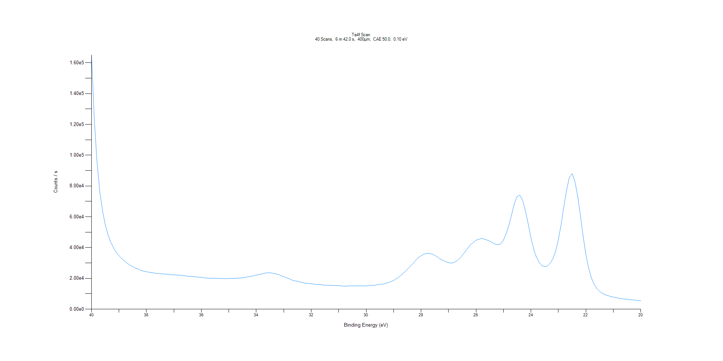
﻿
Axis | Energy | Elements= | 201

C:\XPS-UPS-Data\djung\TaRe_BOE_1124\Experiment\X-Ray001 400um - FG ON\BOE_WK0\Ta4f Scan.VGD

Binding Energy (E)
eV |  | Counts / s
40 |  | 165098
39.9 |  | 123771
39.8 |  | 95554.3
39.7 |  | 76479.8
39.6 |  | 64035.7
39.5 |  | 54773.8
39.4 |  | 48331.3
39.3 |  | 43500
39.2 |  | 39960.8
39.1 |  | 36976.2
39 |  | 34758.2
38.9 |  | 32831
38.8 |  | 31320.6
38.7 |  | 29825.4
38.6 |  | 28538
38.5 |  | 27624.7
38.4 |  | 26627.6
38.3 |  | 26145.7
38.2 |  | 25167
38.1 |  | 24681.2
38 |  | 24328
37.9 |  | 23977.3
37.8 |  | 23725.5
37.7 |  | 23429.7
37.6 |  | 23145.2
37.5 |  | 23038.9
37.4 |  | 22885.5
37.3 |  | 22806.6
37.2 |  | 22469.2
37.1 |  | 22441.1
37 |  | 22277.8
36.9 |  | 22167.7
36.8 |  | 22090
36.7 |  | 21945.9
36.6 |  | 21729.9
36.5 |  | 21381.6
36.4 |  | 21425.1
36.3 |  | 21128.5
36.2 |  | 20942.3
36.1 |  | 20835.6
36 |  | 20742.3
35.9 |  | 20370.2
35.8 |  | 20176.5
35.7 |  | 20082.6
35.6 |  | 20093.1
35.5 |  | 20052.6
35.4 |  | 19947.2
35.3 |  | 19987.8
35.2 |  | 19882
35.1 |  | 19835
35 |  | 19967.6
34.9 |  | 19974.3
34.8 |  | 20045.3
34.7 |  | 20076.6
34.6 |  | 20250.5
34.5 |  | 20434.1
34.4 |  | 20792.7
34.3 |  | 20979.6
34.2 |  | 21264.4
34.1 |  | 21734.7
34 |  | 22166.6
33.9 |  | 22494.3
33.8 |  | 22904.5
33.7 |  | 23338.2
33.6 |  | 23616
33.5 |  | 23616.9
33.4 |  | 23360
33.3 |  | 23020.2
33.2 |  | 22522.8
33.1 |  | 21801.1
33 |  | 21234.1
32.9 |  | 20329.6
32.8 |  | 19807.2
32.7 |  | 18897.4
32.6 |  | 18446.3
32.5 |  | 18163.2
32.4 |  | 17593.1
32.3 |  | 17294
32.2 |  | 16821.2
32.1 |  | 16732.6
32 |  | 16543.9
31.9 |  | 16253.6
31.8 |  | 16064.9
31.7 |  | 15951.7
31.6 |  | 15818.7
31.5 |  | 15517.5
31.4 |  | 15609
31.3 |  | 15507.8
31.2 |  | 15396.2
31.1 |  | 15405
31 |  | 15355.3
30.9 |  | 15094.2
30.8 |  | 14947.9
30.7 |  | 15071.6
30.6 |  | 15114.5
30.5 |  | 15129.7
30.4 |  | 15105.6
30.3 |  | 15179.3
30.2 |  | 15182.1
30.1 |  | 15099.2
30 |  | 15128.3
29.9 |  | 15399.7
29.8 |  | 15589.8
29.7 |  | 15522.9
29.6 |  | 15854
29.5 |  | 16152.6
29.4 |  | 16241.3
29.3 |  | 16790.5
29.2 |  | 17176.3
29.1 |  | 17892
29 |  | 18650.6
28.9 |  | 19783.2
28.8 |  | 20969.7
28.7 |  | 22546.8
28.6 |  | 24102.2
28.5 |  | 25905.2
28.4 |  | 27746.8
28.3 |  | 29462.8
28.2 |  | 31607.2
28.1 |  | 33522.2
28 |  | 34642.9
27.9 |  | 35689.7
27.8 |  | 36209.4
27.7 |  | 36221.1
27.6 |  | 35836.6
27.5 |  | 34885.6
27.4 |  | 33943
27.3 |  | 32520.8
27.2 |  | 31752.5
27.1 |  | 30840.3
27 |  | 30251.8
26.9 |  | 29894.5
26.8 |  | 30320.4
26.7 |  | 31319.1
26.6 |  | 32928
26.5 |  | 34898.7
26.4 |  | 37200.6
26.3 |  | 39587.5
26.2 |  | 41866.6
26.1 |  | 43334.3
26 |  | 44797.9
25.9 |  | 45355.6
25.8 |  | 46004.4
25.7 |  | 45501.3
25.6 |  | 44903.5
25.5 |  | 44213.4
25.4 |  | 43164
25.3 |  | 42166.2
25.2 |  | 41889.8
25.1 |  | 42454.5
25 |  | 44874.3
24.9 |  | 49077.3
24.8 |  | 54706
24.7 |  | 61647.9
24.6 |  | 68793.5
24.5 |  | 73246.1
24.4 |  | 73925.1
24.3 |  | 70630.8
24.2 |  | 63868.9
24.1 |  | 55294.1
24 |  | 46406.5
23.9 |  | 38921.4
23.8 |  | 33714.7
23.7 |  | 30309.2
23.6 |  | 28288.4
23.5 |  | 27644.3
23.4 |  | 28077.2
23.3 |  | 29859.1
23.2 |  | 32729.9
23.1 |  | 37689
23 |  | 45352.1
22.9 |  | 55082.5
22.8 |  | 66746.2
22.7 |  | 77515.7
22.6 |  | 85644.5
22.5 |  | 87956.6
22.4 |  | 83004.2
22.3 |  | 73614.2
22.2 |  | 60799.6
22.1 |  | 47340.6
22 |  | 35651.3
21.9 |  | 26691.3
21.8 |  | 20334.2
21.7 |  | 16179.8
21.6 |  | 13393
21.5 |  | 11581
21.4 |  | 10214.4
21.3 |  | 9364.67
21.2 |  | 8867.85
21.1 |  | 8256.52
21 |  | 7875.23
20.9 |  | 7525.25
20.8 |  | 7125
20.7 |  | 6821.51
20.6 |  | 6621.61
20.5 |  | 6478.74
20.4 |  | 6176.05
20.3 |  | 6061.65
20.2 |  | 5865.26
20.1 |  | 5590.07
20 |  | 5513.43

Re4f Scan
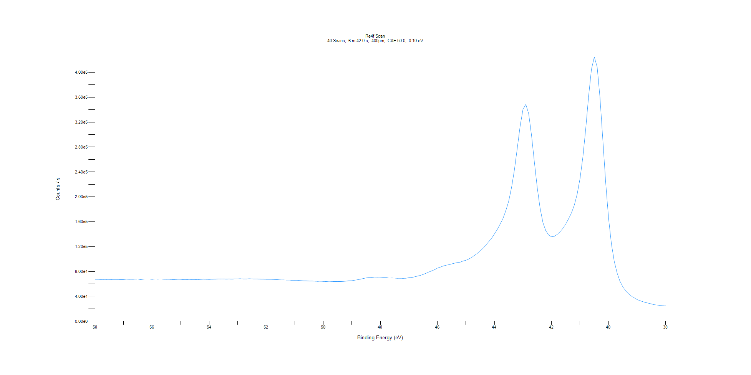
﻿
Axis | Energy | Elements= | 201

C:\XPS-UPS-Data\djung\TaRe_BOE_1124\Experiment\X-Ray001 400um - FG ON\BOE_WK0\Re4f Scan.VGD

Binding Energy (E)
eV |  | Counts / s
58 |  | 67303.5
57.9 |  | 67350.4
57.8 |  | 66930.4
57.7 |  | 67176
57.6 |  | 67031.8
57.5 |  | 67199.5
57.4 |  | 66714.2
57.3 |  | 66746.7
57.2 |  | 66614
57.1 |  | 66922.8
57 |  | 66798.9
56.9 |  | 66366.9
56.8 |  | 66617
56.7 |  | 66561.3
56.6 |  | 66403.5
56.5 |  | 66246.6
56.4 |  | 66904.6
56.3 |  | 66348.2
56.2 |  | 66202.8
56.1 |  | 66232.5
56 |  | 66603.4
55.9 |  | 66213.3
55.8 |  | 66333.2
55.7 |  | 66189.2
55.6 |  | 66468.9
55.5 |  | 66539
55.4 |  | 66587.4
55.3 |  | 66768.4
55.2 |  | 66814.8
55.1 |  | 66506.6
55 |  | 66555.6
54.9 |  | 67023.8
54.8 |  | 67029.2
54.7 |  | 66581.2
54.6 |  | 66979.4
54.5 |  | 66905.3
54.4 |  | 66698.4
54.3 |  | 67268.6
54.2 |  | 67579.5
54.1 |  | 67389.7
54 |  | 67162.7
53.9 |  | 67491.1
53.8 |  | 67577.6
53.7 |  | 67890.5
53.6 |  | 67833.5
53.5 |  | 67902.2
53.4 |  | 67768.4
53.3 |  | 67915.4
53.2 |  | 67651.4
53.1 |  | 68071.6
53 |  | 68123.9
52.9 |  | 68246.8
52.8 |  | 67934.1
52.7 |  | 67851.6
52.6 |  | 68271.2
52.5 |  | 68023.9
52.4 |  | 67874.8
52.3 |  | 67871.1
52.2 |  | 67682.3
52.1 |  | 67593.7
52 |  | 67384.2
51.9 |  | 67279.1
51.8 |  | 67246.8
51.7 |  | 66938.5
51.6 |  | 66808.9
51.5 |  | 66443.8
51.4 |  | 66405.3
51.3 |  | 66125.9
51.2 |  | 66152.6
51.1 |  | 65699.3
51 |  | 65703.6
50.9 |  | 65810.7
50.8 |  | 65231.6
50.7 |  | 64903
50.6 |  | 64787.8
50.5 |  | 64580.3
50.4 |  | 64549.5
50.3 |  | 64335.1
50.2 |  | 64044
50.1 |  | 64263
50 |  | 63973.6
49.9 |  | 63751.5
49.8 |  | 64192.9
49.7 |  | 63938.2
49.6 |  | 63676.1
49.5 |  | 63749.3
49.4 |  | 63705.9
49.3 |  | 64001.5
49.2 |  | 64353.5
49.1 |  | 65029.1
49 |  | 65063.1
48.9 |  | 65930.7
48.8 |  | 66605.3
48.7 |  | 67582.7
48.6 |  | 68538.4
48.5 |  | 69531.3
48.4 |  | 70104.3
48.3 |  | 70275.8
48.2 |  | 70962.9
48.1 |  | 70826.1
48 |  | 70798.2
47.9 |  | 70562
47.8 |  | 70253.3
47.7 |  | 69269.5
47.6 |  | 69459.2
47.5 |  | 69318
47.4 |  | 68903.9
47.3 |  | 69081.8
47.2 |  | 68832.1
47.1 |  | 69054.1
47 |  | 69912.7
46.9 |  | 70193.2
46.8 |  | 71309.5
46.7 |  | 72473.9
46.6 |  | 73595.4
46.5 |  | 75166.5
46.4 |  | 77021.6
46.3 |  | 79128.3
46.2 |  | 80801.4
46.1 |  | 82798.7
46 |  | 85285.3
45.9 |  | 86899.6
45.8 |  | 88663.2
45.7 |  | 89959.8
45.6 |  | 90779.3
45.5 |  | 92056.2
45.4 |  | 93244.9
45.3 |  | 94198.2
45.2 |  | 94961.1
45.1 |  | 96741.9
45 |  | 97933
44.9 |  | 100013
44.8 |  | 102306
44.7 |  | 105860
44.6 |  | 109079
44.5 |  | 113081
44.4 |  | 117229
44.3 |  | 122346
44.2 |  | 127926
44.1 |  | 133384
44 |  | 140270
43.9 |  | 147503
43.8 |  | 156122
43.7 |  | 165362
43.6 |  | 177904
43.5 |  | 192949
43.4 |  | 215036
43.3 |  | 243246
43.2 |  | 278125
43.1 |  | 313623
43 |  | 340598
42.9 |  | 348475
42.8 |  | 333625
42.7 |  | 298718
42.6 |  | 255604
42.5 |  | 214599
42.4 |  | 181815
42.3 |  | 158455
42.2 |  | 145435
42.1 |  | 138499
42 |  | 135635
41.9 |  | 136482
41.8 |  | 139451
41.7 |  | 143710
41.6 |  | 149259
41.5 |  | 156215
41.4 |  | 164782
41.3 |  | 174199
41.2 |  | 186690
41.1 |  | 204331
41 |  | 229451
40.9 |  | 264089
40.8 |  | 309601
40.7 |  | 361224
40.6 |  | 404880
40.5 |  | 424743
40.4 |  | 408870
40.3 |  | 359105
40.2 |  | 290739
40.1 |  | 222606
40 |  | 165590
39.9 |  | 124378
39.8 |  | 95993.1
39.7 |  | 77425.7
39.6 |  | 64131.6
39.5 |  | 55303.7
39.4 |  | 48751.4
39.3 |  | 44170.5
39.2 |  | 40319.9
39.1 |  | 37502.5
39 |  | 34841.1
38.9 |  | 32927.6
38.8 |  | 31434.5
38.7 |  | 29994.6
38.6 |  | 28941.4
38.5 |  | 27783.7
38.4 |  | 26520.5
38.3 |  | 25992.3
38.2 |  | 25409.5
38.1 |  | 24721.7
38 |  | 24563.5

Al2p Scan
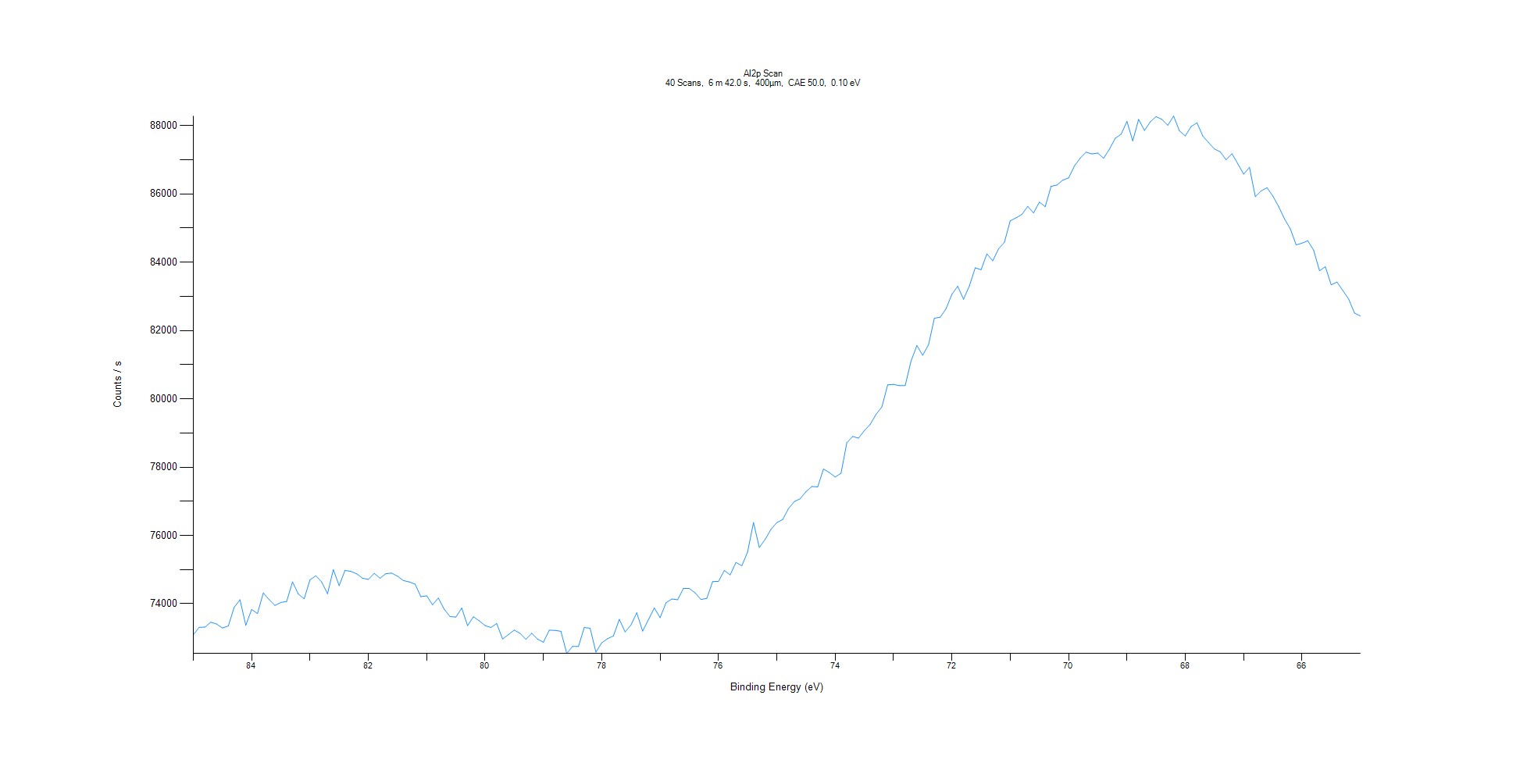
﻿
Axis | Energy | Elements= | 201

C:\XPS-UPS-Data\djung\TaRe_BOE_1124\Experiment\X-Ray001 400um - FG ON\BOE_WK0\Al2p Scan.VGD

Binding Energy (E)
eV |  | Counts / s
85 |  | 73088.2
84.9 |  | 73307.8
84.8 |  | 73315.4
84.7 |  | 73458.3
84.6 |  | 73405.5
84.5 |  | 73289.8
84.4 |  | 73348.4
84.3 |  | 73891.3
84.2 |  | 74117.8
84.1 |  | 73368
84 |  | 73831.9
83.9 |  | 73713
83.8 |  | 74315.7
83.7 |  | 74118.9
83.6 |  | 73949.8
83.5 |  | 74037.4
83.4 |  | 74067.2
83.3 |  | 74641
83.2 |  | 74284.4
83.1 |  | 74143.7
83 |  | 74702.5
82.9 |  | 74817
82.8 |  | 74638.5
82.7 |  | 74293.3
82.6 |  | 74996.3
82.5 |  | 74528.3
82.4 |  | 74974.8
82.3 |  | 74947.5
82.2 |  | 74875.3
82.1 |  | 74748.1
82 |  | 74712.3
81.9 |  | 74888.8
81.8 |  | 74746.2
81.7 |  | 74880.8
81.6 |  | 74895.6
81.5 |  | 74806.5
81.4 |  | 74678.9
81.3 |  | 74639.3
81.2 |  | 74574.4
81.1 |  | 74206.6
81 |  | 74231.6
80.9 |  | 73969.4
80.8 |  | 74164.4
80.7 |  | 73836.6
80.6 |  | 73622.1
80.5 |  | 73609.3
80.4 |  | 73872.6
80.3 |  | 73357.1
80.2 |  | 73616.7
80.1 |  | 73500.4
80 |  | 73361.5
79.9 |  | 73306
79.8 |  | 73420.3
79.7 |  | 72969.4
79.6 |  | 73094.1
79.5 |  | 73229.1
79.4 |  | 73132.3
79.3 |  | 72956
79.2 |  | 73135.1
79.1 |  | 72962.3
79 |  | 72873.7
78.9 |  | 73224.4
78.8 |  | 73219.8
78.7 |  | 73192.9
78.6 |  | 72542.2
78.5 |  | 72752.7
78.4 |  | 72746.2
78.3 |  | 73302.3
78.2 |  | 73283.3
78.1 |  | 72582.3
78 |  | 72856.5
77.9 |  | 72976.4
77.8 |  | 73057
77.7 |  | 73542.4
77.6 |  | 73175.8
77.5 |  | 73377.5
77.4 |  | 73735.2
77.3 |  | 73197.5
77.2 |  | 73531.4
77.1 |  | 73878.3
77 |  | 73591.5
76.9 |  | 74025.7
76.8 |  | 74138.8
76.7 |  | 74117.6
76.6 |  | 74446.5
76.5 |  | 74448
76.4 |  | 74319.9
76.3 |  | 74124.4
76.2 |  | 74157.9
76.1 |  | 74649.5
76 |  | 74654.2
75.9 |  | 74972.8
75.8 |  | 74845.4
75.7 |  | 75210.1
75.6 |  | 75111.1
75.5 |  | 75519.4
75.4 |  | 76377
75.3 |  | 75647.8
75.2 |  | 75883.9
75.1 |  | 76178.1
75 |  | 76376.1
74.9 |  | 76464.3
74.8 |  | 76786.3
74.7 |  | 76993.4
74.6 |  | 77072.8
74.5 |  | 77281.4
74.4 |  | 77431.7
74.3 |  | 77420.4
74.2 |  | 77945.6
74.1 |  | 77841.6
74 |  | 77712.2
73.9 |  | 77818.7
73.8 |  | 78715.1
73.7 |  | 78898.7
73.6 |  | 78848.2
73.5 |  | 79070.2
73.4 |  | 79250.2
73.3 |  | 79543.4
73.2 |  | 79763.9
73.1 |  | 80411.3
73 |  | 80423.5
72.9 |  | 80387
72.8 |  | 80390.5
72.7 |  | 81104.6
72.6 |  | 81561.4
72.5 |  | 81276.2
72.4 |  | 81585.2
72.3 |  | 82359.9
72.2 |  | 82389.8
72.1 |  | 82637.8
72 |  | 83060.9
71.9 |  | 83296.6
71.8 |  | 82916.7
71.7 |  | 83309.4
71.6 |  | 83837.3
71.5 |  | 83780.5
71.4 |  | 84243.6
71.3 |  | 84043.2
71.2 |  | 84391.5
71.1 |  | 84584.1
71 |  | 85213.3
70.9 |  | 85300.8
70.8 |  | 85399.9
70.7 |  | 85636.4
70.6 |  | 85443.2
70.5 |  | 85761.6
70.4 |  | 85627.9
70.3 |  | 86222
70.2 |  | 86260.8
70.1 |  | 86403.2
70 |  | 86469.4
69.9 |  | 86817.7
69.8 |  | 87051.7
69.7 |  | 87222.3
69.6 |  | 87172.6
69.5 |  | 87197.6
69.4 |  | 87045.5
69.3 |  | 87311.4
69.2 |  | 87632.1
69.1 |  | 87747.7
69 |  | 88125.5
68.9 |  | 87553.9
68.8 |  | 88183
68.7 |  | 87858.9
68.6 |  | 88110.3
68.5 |  | 88264.8
68.4 |  | 88182.7
68.3 |  | 88011.1
68.2 |  | 88282.2
68.1 |  | 87844.8
68 |  | 87698.9
67.9 |  | 87973.4
67.8 |  | 88084.2
67.7 |  | 87695.8
67.6 |  | 87501.4
67.5 |  | 87316.7
67.4 |  | 87232.4
67.3 |  | 86999.3
67.2 |  | 87179.2
67.1 |  | 86884.4
67 |  | 86579.1
66.9 |  | 86780.5
66.8 |  | 85921.2
66.7 |  | 86090
66.6 |  | 86182.2
66.5 |  | 85940.6
66.4 |  | 85628.8
66.3 |  | 85270.9
66.2 |  | 84977.7
66.1 |  | 84508.5
66 |  | 84558
65.9 |  | 84630.2
65.8 |  | 84350.3
65.7 |  | 83749.5
65.6 |  | 83869.9
65.5 |  | 83339.3
65.4 |  | 83419.9
65.3 |  | 83169
65.2 |  | 82922.7
65.1 |  | 82510.1
65 |  | 82428.7

Cl2p Scan
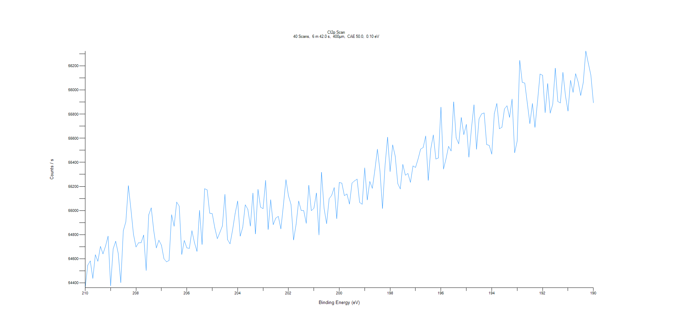
﻿
Axis | Energy | Elements= | 201

C:\XPS-UPS-Data\djung\TaRe_BOE_1124\Experiment\X-Ray001 400um - FG ON\BOE_WK0\Cl2p Scan.VGD

Binding Energy (E)
eV |  | Counts / s
210 |  | 54359.6
209.9 |  | 54547.4
209.8 |  | 54582.1
209.7 |  | 54436.9
209.6 |  | 54633.3
209.5 |  | 54579.2
209.4 |  | 54702.4
209.3 |  | 54640.9
209.2 |  | 54704.3
209.1 |  | 54787.6
209 |  | 54376.4
208.9 |  | 54682.4
208.8 |  | 54745.4
208.7 |  | 54645.1
208.6 |  | 54402.7
208.5 |  | 54832.6
208.4 |  | 54906.9
208.3 |  | 55206.3
208.2 |  | 55009.6
208.1 |  | 54802.4
208 |  | 54698.2
207.9 |  | 54732.8
207.8 |  | 54733.2
207.7 |  | 54796.8
207.6 |  | 54503.2
207.5 |  | 54964.2
207.4 |  | 55022.7
207.3 |  | 54830.8
207.2 |  | 54690.3
207.1 |  | 54754.1
207 |  | 54712.8
206.9 |  | 54600.2
206.8 |  | 54575.1
206.7 |  | 54585.6
206.6 |  | 54966
206.5 |  | 54870.1
206.4 |  | 55070.2
206.3 |  | 55037.2
206.2 |  | 54636.4
206.1 |  | 54752.4
206 |  | 54690.7
205.9 |  | 54686.6
205.8 |  | 54833.3
205.7 |  | 54734.1
205.6 |  | 54661.4
205.5 |  | 55001.5
205.4 |  | 54719.1
205.3 |  | 55181.2
205.2 |  | 55171.8
205.1 |  | 54978.2
205 |  | 54974.6
204.9 |  | 54857
204.8 |  | 54767
204.7 |  | 54818.4
204.6 |  | 54872.2
204.5 |  | 55134.8
204.4 |  | 54759
204.3 |  | 54724.2
204.2 |  | 54838.7
204.1 |  | 54974.4
204 |  | 55079.2
203.9 |  | 54787.8
203.8 |  | 54861.1
203.7 |  | 55048.1
203.6 |  | 55011.1
203.5 |  | 54871.3
203.4 |  | 55145
203.3 |  | 54806.7
203.2 |  | 55176.4
203.1 |  | 55028.7
203 |  | 55015.7
202.9 |  | 55250.5
202.8 |  | 54843.4
202.7 |  | 55089.6
202.6 |  | 54883.6
202.5 |  | 54937.7
202.4 |  | 54952
202.3 |  | 54848.4
202.2 |  | 55044.3
202.1 |  | 55256.4
202 |  | 55122.3
201.9 |  | 55050.4
201.8 |  | 54756
201.7 |  | 54885.3
201.6 |  | 55078.7
201.5 |  | 55001.2
201.4 |  | 54999.3
201.3 |  | 54894.4
201.2 |  | 55209.4
201.1 |  | 54999
201 |  | 55018.9
200.9 |  | 55145.5
200.8 |  | 54797.9
200.7 |  | 55317.4
200.6 |  | 55019.2
200.5 |  | 54891.4
200.4 |  | 55098.5
200.3 |  | 55126.6
200.2 |  | 55190.4
200.1 |  | 54933.1
200 |  | 55232.8
199.9 |  | 55227.5
199.8 |  | 55123.7
199.7 |  | 55137.7
199.6 |  | 55054.3
199.5 |  | 55228.5
199.4 |  | 55246.2
199.3 |  | 55260.8
199.2 |  | 55067.6
199.1 |  | 55052.3
199 |  | 55354.4
198.9 |  | 55088.4
198.8 |  | 55241.2
198.7 |  | 55183.8
198.6 |  | 55337
198.5 |  | 55508.7
198.4 |  | 55329.1
198.3 |  | 55017.5
198.2 |  | 55373.3
198.1 |  | 55608.3
198 |  | 55323.5
197.9 |  | 55544.7
197.8 |  | 55451.4
197.7 |  | 55223.9
197.6 |  | 55179.4
197.5 |  | 55382.7
197.4 |  | 55292.9
197.3 |  | 55307.8
197.2 |  | 55234.1
197.1 |  | 55370.2
197 |  | 55357.8
196.9 |  | 55428
196.8 |  | 55509.6
196.7 |  | 55522.8
196.6 |  | 55618.8
196.5 |  | 55250.7
196.4 |  | 55511.4
196.3 |  | 55627
196.2 |  | 55427.6
196.1 |  | 55435.9
196 |  | 55857.3
195.9 |  | 55344.5
195.8 |  | 55429.8
195.7 |  | 55532.5
195.6 |  | 55494.1
195.5 |  | 55901.5
195.4 |  | 55603
195.3 |  | 55553.4
195.2 |  | 55771.6
195.1 |  | 55629.7
195 |  | 55714.8
194.9 |  | 55443.2
194.8 |  | 55682.2
194.7 |  | 55876.8
194.6 |  | 55508.7
194.5 |  | 55760.9
194.4 |  | 55801.5
194.3 |  | 55809.9
194.2 |  | 55547.6
194.1 |  | 55540.4
194 |  | 55468
193.9 |  | 55803.8
193.8 |  | 55888
193.7 |  | 55678.5
193.6 |  | 55690.8
193.5 |  | 55843.5
193.4 |  | 55869.4
193.3 |  | 55773.5
193.2 |  | 55924.9
193.1 |  | 55480.1
193 |  | 55576.5
192.9 |  | 56245.1
192.8 |  | 56063.8
192.7 |  | 56057
192.6 |  | 55888.5
192.5 |  | 55721
192.4 |  | 55888.1
192.3 |  | 55690.6
192.2 |  | 55904.6
192.1 |  | 56132.4
192 |  | 56122
191.9 |  | 55811.6
191.8 |  | 56053.1
191.7 |  | 55808.2
191.6 |  | 55882.3
191.5 |  | 56180.7
191.4 |  | 55904.5
191.3 |  | 55892.6
191.2 |  | 56145.7
191.1 |  | 55951.5
191 |  | 55825.3
190.9 |  | 56080
190.8 |  | 55980.5
190.7 |  | 56135
190.6 |  | 56066.3
190.5 |  | 55954.8
190.4 |  | 56060.9
190.3 |  | 56322.7
190.2 |  | 56221.4
190.1 |  | 56122.6
190 |  | 55893.6

C1s Scan (1)
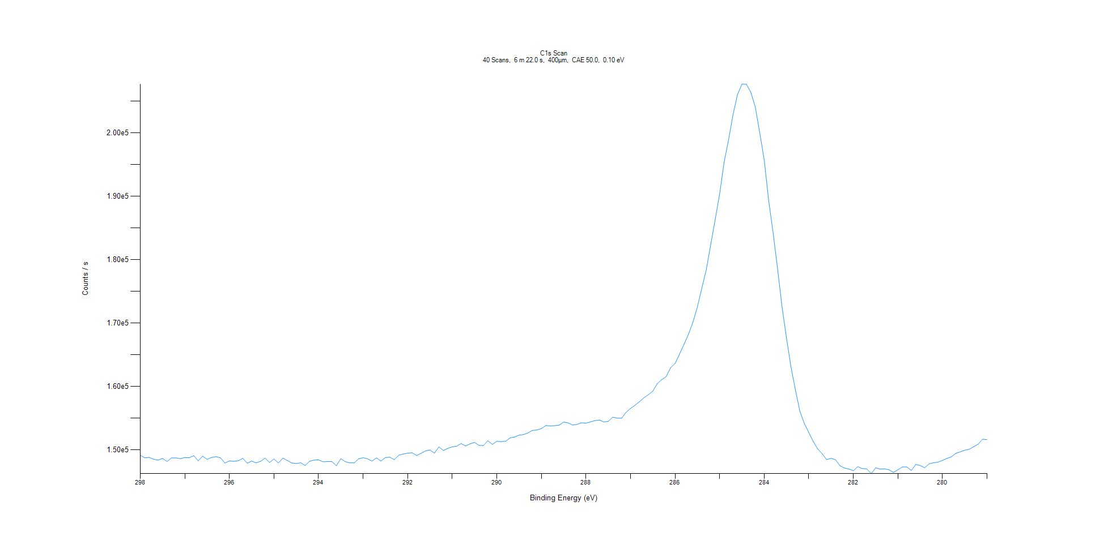
﻿
Axis | Energy | Elements= | 191

C:\XPS-UPS-Data\djung\TaRe_BOE_1124\Experiment\X-Ray001 400um - FG ON\BOE_WK0\C1s Scan.VGD

Binding Energy (E)
eV |  | Counts / s
298 |  | 149176
297.9 |  | 148772
297.8 |  | 148834
297.7 |  | 148542
297.6 |  | 148401
297.5 |  | 148674
297.4 |  | 148189
297.3 |  | 148750
297.2 |  | 148749
297.1 |  | 148626
297 |  | 148811
296.9 |  | 148786
296.8 |  | 149094
296.7 |  | 148293
296.6 |  | 149023
296.5 |  | 148519
296.4 |  | 148825
296.3 |  | 148936
296.2 |  | 148763
296.1 |  | 147946
296 |  | 148281
295.9 |  | 148210
295.8 |  | 148304
295.7 |  | 148676
295.6 |  | 147927
295.5 |  | 148239
295.4 |  | 147988
295.3 |  | 148216
295.2 |  | 148712
295.1 |  | 148037
295 |  | 148578
294.9 |  | 147956
294.8 |  | 148711
294.7 |  | 148337
294.6 |  | 147955
294.5 |  | 147860
294.4 |  | 147989
294.3 |  | 147564
294.2 |  | 148226
294.1 |  | 148409
294 |  | 148447
293.9 |  | 148144
293.8 |  | 148167
293.7 |  | 148179
293.6 |  | 147521
293.5 |  | 148626
293.4 |  | 148160
293.3 |  | 147967
293.2 |  | 147960
293.1 |  | 148609
293 |  | 148781
292.9 |  | 148610
292.8 |  | 148249
292.7 |  | 148750
292.6 |  | 148266
292.5 |  | 148813
292.4 |  | 148861
292.3 |  | 148468
292.2 |  | 149168
292.1 |  | 149361
292 |  | 149503
291.9 |  | 149563
291.8 |  | 149132
291.7 |  | 149474
291.6 |  | 149853
291.5 |  | 150004
291.4 |  | 149506
291.3 |  | 150486
291.2 |  | 149918
291.1 |  | 150261
291 |  | 150492
290.9 |  | 150595
290.8 |  | 151015
290.7 |  | 150633
290.6 |  | 150970
290.5 |  | 151201
290.4 |  | 150717
290.3 |  | 150699
290.2 |  | 151458
290.1 |  | 150884
290 |  | 151370
289.9 |  | 151318
289.8 |  | 151379
289.7 |  | 151927
289.6 |  | 152047
289.5 |  | 152347
289.4 |  | 152433
289.3 |  | 152690
289.2 |  | 153091
289.1 |  | 153151
289 |  | 153378
288.9 |  | 153856
288.8 |  | 153801
288.7 |  | 153832
288.6 |  | 153913
288.5 |  | 154407
288.4 |  | 154275
288.3 |  | 153932
288.2 |  | 154037
288.1 |  | 154284
288 |  | 154232
287.9 |  | 154437
287.8 |  | 154632
287.7 |  | 154729
287.6 |  | 154428
287.5 |  | 154512
287.4 |  | 155168
287.3 |  | 155034
287.2 |  | 155005
287.1 |  | 155945
287 |  | 156554
286.9 |  | 157060
286.8 |  | 157614
286.7 |  | 158231
286.6 |  | 158715
286.5 |  | 159273
286.4 |  | 160449
286.3 |  | 161093
286.2 |  | 161578
286.1 |  | 162983
286 |  | 163662
285.9 |  | 165123
285.8 |  | 166654
285.7 |  | 168255
285.6 |  | 170141
285.5 |  | 172548
285.4 |  | 175540
285.3 |  | 178429
285.2 |  | 182417
285.1 |  | 186349
285 |  | 190416
284.9 |  | 195399
284.8 |  | 198934
284.7 |  | 202886
284.6 |  | 206054
284.5 |  | 207712
284.4 |  | 207681
284.3 |  | 206392
284.2 |  | 204073
284.1 |  | 200009
284 |  | 195743
283.9 |  | 189302
283.8 |  | 184208
283.7 |  | 178510
283.6 |  | 172571
283.5 |  | 167660
283.4 |  | 163087
283.3 |  | 159466
283.2 |  | 156092
283.1 |  | 154180
283 |  | 152755
282.9 |  | 151343
282.8 |  | 150168
282.7 |  | 149394
282.6 |  | 148487
282.5 |  | 148684
282.4 |  | 148456
282.3 |  | 147511
282.2 |  | 147154
282.1 |  | 146998
282 |  | 146727
281.9 |  | 147373
281.8 |  | 147067
281.7 |  | 147020
281.6 |  | 146269
281.5 |  | 147191
281.4 |  | 146993
281.3 |  | 147025
281.2 |  | 146869
281.1 |  | 146472
281 |  | 146872
280.9 |  | 147335
280.8 |  | 147315
280.7 |  | 146776
280.6 |  | 147707
280.5 |  | 147557
280.4 |  | 147194
280.3 |  | 147829
280.2 |  | 147985
280.1 |  | 148087
280 |  | 148365
279.9 |  | 148669
279.8 |  | 148933
279.7 |  | 149479
279.6 |  | 149701
279.5 |  | 149969
279.4 |  | 150113
279.3 |  | 150525
279.2 |  | 150918
279.1 |  | 151695
279 |  | 151635

N1s Scan
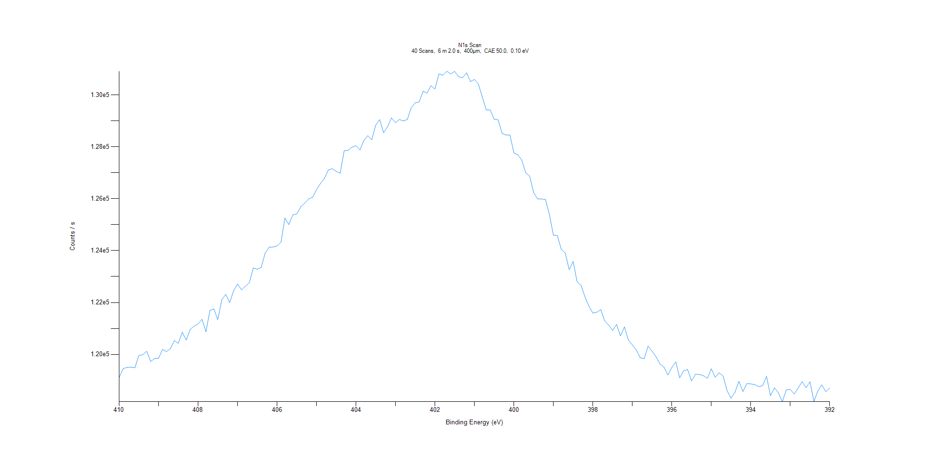
﻿
Axis | Energy | Elements= | 181

C:\XPS-UPS-Data\djung\TaRe_BOE_1124\Experiment\X-Ray001 400um - FG ON\BOE_WK0\N1s Scan.VGD

Binding Energy (E)
eV |  | Counts / s
410 |  | 119102
409.9 |  | 119447
409.8 |  | 119502
409.7 |  | 119509
409.6 |  | 119489
409.5 |  | 119958
409.4 |  | 119992
409.3 |  | 120119
409.2 |  | 119728
409.1 |  | 119845
409 |  | 119855
408.9 |  | 120193
408.8 |  | 120108
408.7 |  | 120226
408.6 |  | 120533
408.5 |  | 120425
408.4 |  | 120856
408.3 |  | 120556
408.2 |  | 120966
408.1 |  | 121087
408 |  | 121175
407.9 |  | 121353
407.8 |  | 120874
407.7 |  | 121696
407.6 |  | 121750
407.5 |  | 121339
407.4 |  | 122109
407.3 |  | 122314
407.2 |  | 121996
407.1 |  | 122451
407 |  | 122714
406.9 |  | 122490
406.8 |  | 122625
406.7 |  | 122771
406.6 |  | 123335
406.5 |  | 123280
406.4 |  | 123356
406.3 |  | 123905
406.2 |  | 124129
406.1 |  | 124137
406 |  | 124173
405.9 |  | 124323
405.8 |  | 125254
405.7 |  | 125002
405.6 |  | 125378
405.5 |  | 125409
405.4 |  | 125686
405.3 |  | 125825
405.2 |  | 125988
405.1 |  | 126052
405 |  | 126347
404.9 |  | 126586
404.8 |  | 126777
404.7 |  | 127107
404.6 |  | 127156
404.5 |  | 127053
404.4 |  | 126979
404.3 |  | 127842
404.2 |  | 127866
404.1 |  | 127982
404 |  | 128040
403.9 |  | 127879
403.8 |  | 128246
403.7 |  | 128425
403.6 |  | 128269
403.5 |  | 128835
403.4 |  | 129045
403.3 |  | 128540
403.2 |  | 128771
403.1 |  | 129111
403 |  | 128926
402.9 |  | 129050
402.8 |  | 128994
402.7 |  | 129049
402.6 |  | 129508
402.5 |  | 129692
402.4 |  | 129724
402.3 |  | 130138
402.2 |  | 130068
402.1 |  | 130354
402 |  | 130226
401.9 |  | 130803
401.8 |  | 130756
401.7 |  | 130906
401.6 |  | 130806
401.5 |  | 130901
401.4 |  | 130696
401.3 |  | 130661
401.2 |  | 130846
401.1 |  | 130511
401 |  | 130593
400.9 |  | 130416
400.8 |  | 129917
400.7 |  | 129418
400.6 |  | 129421
400.5 |  | 129061
400.4 |  | 129039
400.3 |  | 128518
400.2 |  | 128452
400.1 |  | 128452
400 |  | 127759
399.9 |  | 127694
399.8 |  | 127482
399.7 |  | 126993
399.6 |  | 126868
399.5 |  | 126231
399.4 |  | 125995
399.3 |  | 125986
399.2 |  | 125972
399.1 |  | 125384
399 |  | 124594
398.9 |  | 124582
398.8 |  | 124047
398.7 |  | 123912
398.6 |  | 123268
398.5 |  | 123584
398.4 |  | 122804
398.3 |  | 122665
398.2 |  | 122220
398.1 |  | 121855
398 |  | 121595
397.9 |  | 121623
397.8 |  | 121724
397.7 |  | 121295
397.6 |  | 121130
397.5 |  | 120922
397.4 |  | 121155
397.3 |  | 120717
397.2 |  | 121060
397.1 |  | 120556
397 |  | 120370
396.9 |  | 120168
396.8 |  | 119872
396.7 |  | 119838
396.6 |  | 120319
396.5 |  | 120122
396.4 |  | 119910
396.3 |  | 119633
396.2 |  | 119517
396.1 |  | 119206
396 |  | 119496
395.9 |  | 119710
395.8 |  | 119099
395.7 |  | 119371
395.6 |  | 119416
395.5 |  | 118982
395.4 |  | 119234
395.3 |  | 119228
395.2 |  | 119180
395.1 |  | 119082
395 |  | 119448
394.9 |  | 119121
394.8 |  | 119292
394.7 |  | 119165
394.6 |  | 118604
394.5 |  | 118315
394.4 |  | 118542
394.3 |  | 118963
394.2 |  | 118567
394.1 |  | 118877
394 |  | 118864
393.9 |  | 118839
393.8 |  | 118757
393.7 |  | 118797
393.6 |  | 119158
393.5 |  | 118407
393.4 |  | 118716
393.3 |  | 118517
393.2 |  | 118179
393.1 |  | 118639
393 |  | 118651
392.9 |  | 118478
392.8 |  | 118698
392.7 |  | 118953
392.6 |  | 118721
392.5 |  | 118949
392.4 |  | 118186
392.3 |  | 118595
392.2 |  | 118827
392.1 |  | 118564
392 |  | 118710

O1s Scan
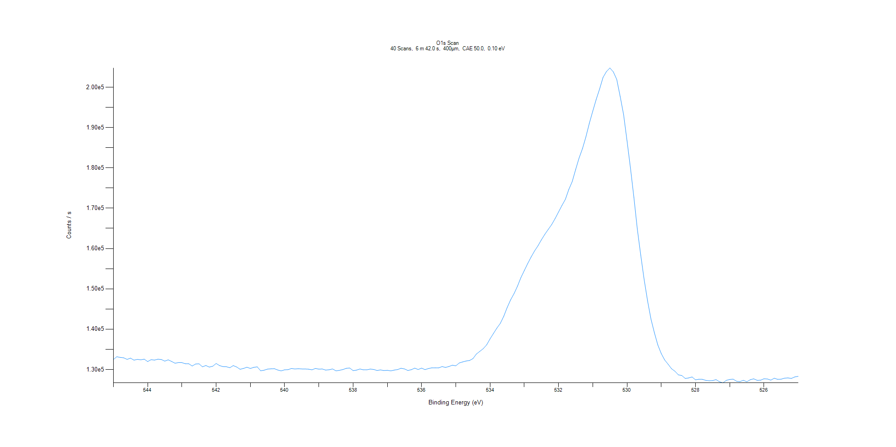
﻿
Axis | Energy | Elements= | 201

C:\XPS-UPS-Data\djung\TaRe_BOE_1124\Experiment\X-Ray001 400um - FG ON\BOE_WK0\O1s Scan.VGD

Binding Energy (E)
eV |  | Counts / s
545 |  | 132465
544.9 |  | 133148
544.8 |  | 132970
544.7 |  | 132882
544.6 |  | 132490
544.5 |  | 132805
544.4 |  | 132302
544.3 |  | 132499
544.2 |  | 132381
544.1 |  | 132549
544 |  | 131949
543.9 |  | 132415
543.8 |  | 132315
543.7 |  | 132543
543.6 |  | 132462
543.5 |  | 132057
543.4 |  | 132377
543.3 |  | 131972
543.2 |  | 131540
543.1 |  | 131694
543 |  | 131685
542.9 |  | 131412
542.8 |  | 131411
542.7 |  | 130843
542.6 |  | 131344
542.5 |  | 131399
542.4 |  | 130649
542.3 |  | 130968
542.2 |  | 130585
542.1 |  | 130791
542 |  | 131477
541.9 |  | 130950
541.8 |  | 130699
541.7 |  | 130669
541.6 |  | 130418
541.5 |  | 130954
541.4 |  | 130596
541.3 |  | 130034
541.2 |  | 130251
541.1 |  | 130537
541 |  | 130244
540.9 |  | 130510
540.8 |  | 130642
540.7 |  | 129668
540.6 |  | 129805
540.5 |  | 130081
540.4 |  | 130147
540.3 |  | 130185
540.2 |  | 129849
540.1 |  | 129638
540 |  | 129900
539.9 |  | 129945
539.8 |  | 130227
539.7 |  | 130111
539.6 |  | 130176
539.5 |  | 130118
539.4 |  | 130104
539.3 |  | 130060
539.2 |  | 129906
539.1 |  | 130242
539 |  | 130070
538.9 |  | 130104
538.8 |  | 129829
538.7 |  | 129917
538.6 |  | 130119
538.5 |  | 129644
538.4 |  | 129777
538.3 |  | 129963
538.2 |  | 130271
538.1 |  | 130359
538 |  | 129712
537.9 |  | 129822
537.8 |  | 130104
537.7 |  | 129901
537.6 |  | 129894
537.5 |  | 130084
537.4 |  | 129992
537.3 |  | 129736
537.2 |  | 129871
537.1 |  | 129726
537 |  | 129791
536.9 |  | 129635
536.8 |  | 129829
536.7 |  | 129963
536.6 |  | 130285
536.5 |  | 130130
536.4 |  | 129739
536.3 |  | 129927
536.2 |  | 130320
536.1 |  | 129980
536 |  | 130321
535.9 |  | 129952
535.8 |  | 130213
535.7 |  | 130401
535.6 |  | 130399
535.5 |  | 130387
535.4 |  | 130703
535.3 |  | 130494
535.2 |  | 130725
535.1 |  | 131053
535 |  | 130892
534.9 |  | 131594
534.8 |  | 131858
534.7 |  | 132089
534.6 |  | 132211
534.5 |  | 132677
534.4 |  | 133817
534.3 |  | 134481
534.2 |  | 135143
534.1 |  | 136091
534 |  | 137577
533.9 |  | 138930
533.8 |  | 140263
533.7 |  | 141435
533.6 |  | 143182
533.5 |  | 145364
533.4 |  | 147250
533.3 |  | 148801
533.2 |  | 150642
533.1 |  | 152771
533 |  | 154533
532.9 |  | 156272
532.8 |  | 157911
532.7 |  | 159393
532.6 |  | 160687
532.5 |  | 162164
532.4 |  | 163525
532.3 |  | 164744
532.2 |  | 165942
532.1 |  | 167429
532 |  | 169056
531.9 |  | 170682
531.8 |  | 172206
531.7 |  | 174665
531.6 |  | 176616
531.5 |  | 179619
531.4 |  | 182453
531.3 |  | 184811
531.2 |  | 187715
531.1 |  | 191095
531 |  | 194085
530.9 |  | 196995
530.8 |  | 199591
530.7 |  | 202465
530.6 |  | 203907
530.5 |  | 204796
530.4 |  | 203828
530.3 |  | 201948
530.2 |  | 197721
530.1 |  | 193229
530 |  | 186719
529.9 |  | 180009
529.8 |  | 172723
529.7 |  | 164883
529.6 |  | 158389
529.5 |  | 152322
529.4 |  | 147011
529.3 |  | 142484
529.2 |  | 139082
529.1 |  | 136065
529 |  | 133934
528.9 |  | 132352
528.8 |  | 131293
528.7 |  | 130168
528.6 |  | 129547
528.5 |  | 128644
528.4 |  | 128496
528.3 |  | 127757
528.2 |  | 127889
528.1 |  | 128127
528 |  | 127420
527.9 |  | 127563
527.8 |  | 127538
527.7 |  | 127291
527.6 |  | 127186
527.5 |  | 127228
527.4 |  | 127467
527.3 |  | 126944
527.2 |  | 126667
527.1 |  | 127289
527 |  | 127509
526.9 |  | 127582
526.8 |  | 127065
526.7 |  | 126988
526.6 |  | 127301
526.5 |  | 126934
526.4 |  | 127443
526.3 |  | 127666
526.2 |  | 127303
526.1 |  | 127316
526 |  | 127678
525.9 |  | 127634
525.8 |  | 127338
525.7 |  | 127819
525.6 |  | 127541
525.5 |  | 127576
525.4 |  | 127831
525.3 |  | 127893
525.2 |  | 127766
525.1 |  | 128132
525 |  | 128288

