XPS Survey
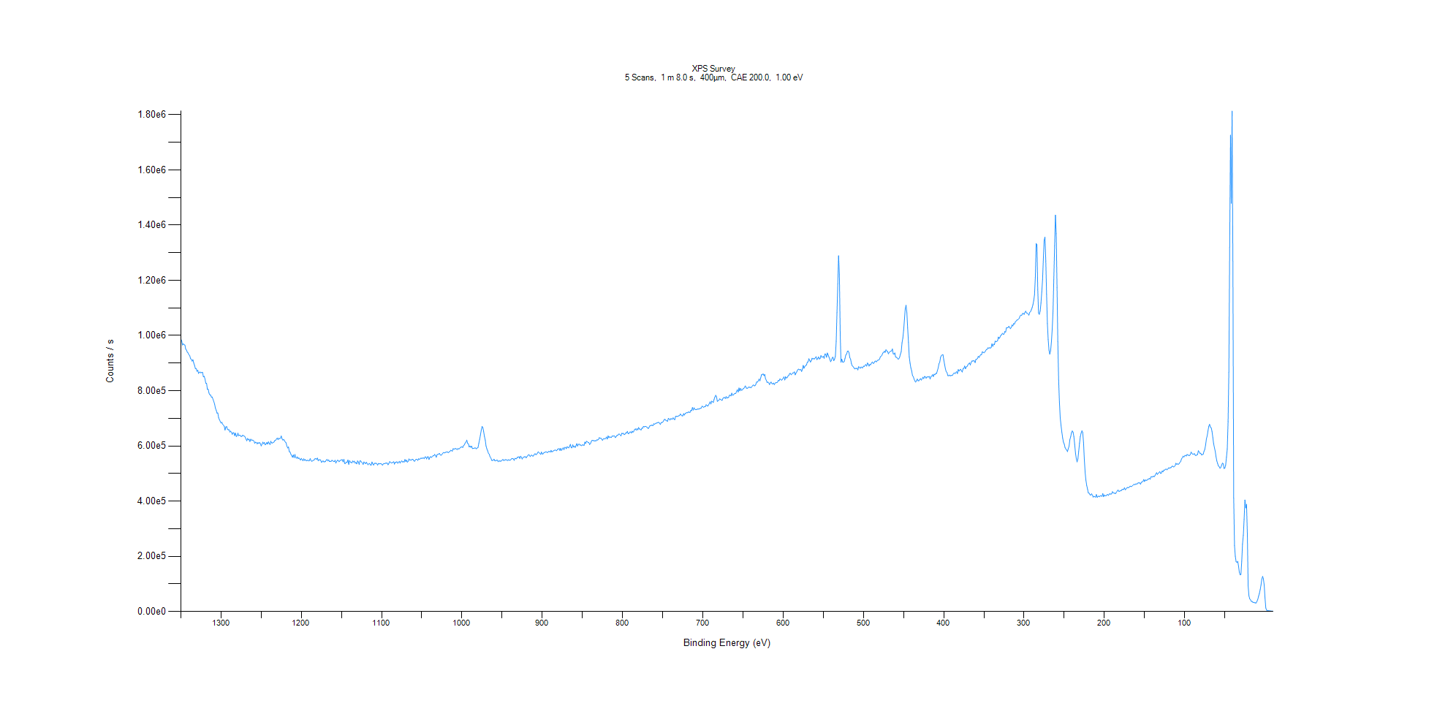
﻿
Axis | Energy | Elements= | 1361

C:\XPS-UPS-Data\djung\MWL_TaOnly_1123\Experiment\X-Ray 400um - FG ON\BOE_1125\XPS Survey.VGD

Binding Energy (E)
eV |  | Counts / s
1350 |  | 987138
1349 |  | 981508
1348 |  | 965628
1347 |  | 970295
1346 |  | 966923
1345 |  | 965463
1344 |  | 950513
1343 |  | 947283
1342 |  | 939466
1341 |  | 937032
1340 |  | 930002
1339 |  | 927641
1338 |  | 916150
1337 |  | 914045
1336 |  | 907168
1335 |  | 912341
1334 |  | 900374
1333 |  | 892142
1332 |  | 880786
1331 |  | 880779
1330 |  | 870521
1329 |  | 874529
1328 |  | 862715
1327 |  | 866444
1326 |  | 867952
1325 |  | 864511
1324 |  | 866913
1323 |  | 866432
1322 |  | 850626
1321 |  | 852199
1320 |  | 842810
1319 |  | 826942
1318 |  | 826765
1317 |  | 805020
1316 |  | 806137
1315 |  | 791481
1314 |  | 785551
1313 |  | 784569
1312 |  | 776880
1311 |  | 777281
1310 |  | 768797
1309 |  | 760971
1308 |  | 751319
1307 |  | 737089
1306 |  | 729159
1305 |  | 719084
1304 |  | 719479
1303 |  | 701805
1302 |  | 695230
1301 |  | 688942
1300 |  | 682748
1299 |  | 685751
1298 |  | 678650
1297 |  | 675227
1296 |  | 671622
1295 |  | 657429
1294 |  | 668963
1293 |  | 670095
1292 |  | 660315
1291 |  | 658406
1290 |  | 658611
1289 |  | 650377
1288 |  | 653716
1287 |  | 648760
1286 |  | 642175
1285 |  | 648265
1284 |  | 647266
1283 |  | 637259
1282 |  | 646587
1281 |  | 633997
1280 |  | 636708
1279 |  | 646285
1278 |  | 636946
1277 |  | 639321
1276 |  | 637997
1275 |  | 634118
1274 |  | 634991
1273 |  | 639276
1272 |  | 636833
1271 |  | 635442
1270 |  | 632437
1269 |  | 625079
1268 |  | 618714
1267 |  | 627217
1266 |  | 621964
1265 |  | 624622
1264 |  | 615988
1263 |  | 624477
1262 |  | 620779
1261 |  | 621187
1260 |  | 620047
1259 |  | 617821
1258 |  | 609318
1257 |  | 613674
1256 |  | 612680
1255 |  | 607574
1254 |  | 612097
1253 |  | 608997
1252 |  | 612681
1251 |  | 608377
1250 |  | 600008
1249 |  | 606191
1248 |  | 613743
1247 |  | 608104
1246 |  | 612721
1245 |  | 604096
1244 |  | 606723
1243 |  | 612575
1242 |  | 606760
1241 |  | 615170
1240 |  | 609367
1239 |  | 605085
1238 |  | 616977
1237 |  | 611237
1236 |  | 610525
1235 |  | 612980
1234 |  | 614131
1233 |  | 619667
1232 |  | 620985
1231 |  | 624875
1230 |  | 628794
1229 |  | 622624
1228 |  | 628506
1227 |  | 625439
1226 |  | 628046
1225 |  | 636045
1224 |  | 625754
1223 |  | 621270
1222 |  | 623914
1221 |  | 618943
1220 |  | 614035
1219 |  | 611443
1218 |  | 599143
1217 |  | 592548
1216 |  | 596663
1215 |  | 579279
1214 |  | 578098
1213 |  | 569366
1212 |  | 565482
1211 |  | 558822
1210 |  | 567730
1209 |  | 557457
1208 |  | 569074
1207 |  | 558032
1206 |  | 555493
1205 |  | 560431
1204 |  | 553644
1203 |  | 556741
1202 |  | 552923
1201 |  | 548812
1200 |  | 554832
1199 |  | 550791
1198 |  | 546093
1197 |  | 553389
1196 |  | 547635
1195 |  | 550601
1194 |  | 546744
1193 |  | 546448
1192 |  | 548853
1191 |  | 545741
1190 |  | 547015
1189 |  | 554236
1188 |  | 547189
1187 |  | 544322
1186 |  | 545911
1185 |  | 548339
1184 |  | 549222
1183 |  | 553545
1182 |  | 554270
1181 |  | 551246
1180 |  | 555990
1179 |  | 545932
1178 |  | 550509
1177 |  | 548895
1176 |  | 549796
1175 |  | 540810
1174 |  | 542447
1173 |  | 546295
1172 |  | 542195
1171 |  | 543012
1170 |  | 543082
1169 |  | 548621
1168 |  | 551291
1167 |  | 545534
1166 |  | 549824
1165 |  | 543496
1164 |  | 544412
1163 |  | 543566
1162 |  | 547812
1161 |  | 547130
1160 |  | 543716
1159 |  | 543269
1158 |  | 548102
1157 |  | 537677
1156 |  | 543887
1155 |  | 548065
1154 |  | 547268
1153 |  | 542755
1152 |  | 546097
1151 |  | 548410
1150 |  | 549783
1149 |  | 550114
1148 |  | 542294
1147 |  | 551780
1146 |  | 536577
1145 |  | 536632
1144 |  | 541717
1143 |  | 540561
1142 |  | 549234
1141 |  | 533246
1140 |  | 546814
1139 |  | 541616
1138 |  | 540100
1137 |  | 538809
1136 |  | 545698
1135 |  | 541678
1134 |  | 544995
1133 |  | 537677
1132 |  | 539717
1131 |  | 535008
1130 |  | 546023
1129 |  | 542115
1128 |  | 533072
1127 |  | 546334
1126 |  | 545379
1125 |  | 541325
1124 |  | 538430
1123 |  | 533086
1122 |  | 542217
1121 |  | 538565
1120 |  | 535566
1119 |  | 541230
1118 |  | 536220
1117 |  | 531797
1116 |  | 535146
1115 |  | 536491
1114 |  | 531374
1113 |  | 530379
1112 |  | 541974
1111 |  | 534810
1110 |  | 530773
1109 |  | 536847
1108 |  | 536601
1107 |  | 537364
1106 |  | 535746
1105 |  | 530559
1104 |  | 536607
1103 |  | 535096
1102 |  | 535485
1101 |  | 536042
1100 |  | 534228
1099 |  | 530247
1098 |  | 534937
1097 |  | 535676
1096 |  | 536133
1095 |  | 537655
1094 |  | 537283
1093 |  | 537961
1092 |  | 531663
1091 |  | 536557
1090 |  | 543245
1089 |  | 540861
1088 |  | 537980
1087 |  | 539326
1086 |  | 540287
1085 |  | 542955
1084 |  | 533954
1083 |  | 541208
1082 |  | 540681
1081 |  | 542766
1080 |  | 537139
1079 |  | 539955
1078 |  | 544338
1077 |  | 537721
1076 |  | 543298
1075 |  | 546091
1074 |  | 541508
1073 |  | 543729
1072 |  | 541260
1071 |  | 550852
1070 |  | 543556
1069 |  | 548618
1068 |  | 541062
1067 |  | 544303
1066 |  | 552993
1065 |  | 548506
1064 |  | 549787
1063 |  | 548238
1062 |  | 551956
1061 |  | 551239
1060 |  | 546629
1059 |  | 544299
1058 |  | 549639
1057 |  | 551820
1056 |  | 551443
1055 |  | 547473
1054 |  | 553807
1053 |  | 551434
1052 |  | 553183
1051 |  | 556016
1050 |  | 554480
1049 |  | 556043
1048 |  | 556706
1047 |  | 553494
1046 |  | 560377
1045 |  | 560190
1044 |  | 552668
1043 |  | 560319
1042 |  | 560777
1041 |  | 550871
1040 |  | 558230
1039 |  | 561526
1038 |  | 558040
1037 |  | 561438
1036 |  | 564856
1035 |  | 563909
1034 |  | 569338
1033 |  | 565841
1032 |  | 559058
1031 |  | 568086
1030 |  | 570010
1029 |  | 570845
1028 |  | 573081
1027 |  | 567507
1026 |  | 566365
1025 |  | 568816
1024 |  | 573333
1023 |  | 576157
1022 |  | 574672
1021 |  | 575465
1020 |  | 577625
1019 |  | 578112
1018 |  | 578522
1017 |  | 575095
1016 |  | 578741
1015 |  | 579720
1014 |  | 584360
1013 |  | 583098
1012 |  | 580746
1011 |  | 590198
1010 |  | 588152
1009 |  | 589506
1008 |  | 590831
1007 |  | 589271
1006 |  | 586529
1005 |  | 590722
1004 |  | 588837
1003 |  | 590398
1002 |  | 593937
1001 |  | 595987
1000 |  | 596755
999 |  | 594410
998 |  | 601657
997 |  | 603932
996 |  | 610796
995 |  | 613708
994 |  | 621320
993 |  | 609331
992 |  | 607673
991 |  | 596267
990 |  | 599827
989 |  | 595105
988 |  | 599359
987 |  | 590513
986 |  | 591055
985 |  | 591269
984 |  | 592979
983 |  | 592508
982 |  | 589425
981 |  | 592513
980 |  | 594547
979 |  | 609372
978 |  | 623903
977 |  | 639197
976 |  | 656650
975 |  | 670746
974 |  | 666937
973 |  | 651923
972 |  | 634242
971 |  | 621600
970 |  | 600144
969 |  | 589523
968 |  | 582184
967 |  | 573280
966 |  | 569758
965 |  | 560294
964 |  | 556879
963 |  | 547936
962 |  | 547192
961 |  | 548598
960 |  | 552045
959 |  | 545733
958 |  | 546678
957 |  | 548172
956 |  | 548689
955 |  | 542847
954 |  | 545906
953 |  | 545056
952 |  | 545117
951 |  | 545290
950 |  | 548481
949 |  | 551241
948 |  | 547179
947 |  | 548535
946 |  | 550420
945 |  | 549022
944 |  | 549772
943 |  | 546873
942 |  | 550325
941 |  | 548404
940 |  | 548507
939 |  | 550420
938 |  | 554451
937 |  | 553914
936 |  | 553139
935 |  | 547627
934 |  | 555167
933 |  | 554309
932 |  | 553444
931 |  | 559485
930 |  | 558795
929 |  | 561070
928 |  | 554652
927 |  | 562900
926 |  | 559222
925 |  | 552570
924 |  | 557912
923 |  | 559812
922 |  | 560473
921 |  | 561007
920 |  | 556859
919 |  | 561266
918 |  | 564921
917 |  | 568548
916 |  | 566259
915 |  | 561372
914 |  | 565609
913 |  | 566697
912 |  | 563497
911 |  | 563445
910 |  | 568961
909 |  | 572158
908 |  | 568222
907 |  | 569933
906 |  | 574067
905 |  | 579057
904 |  | 575075
903 |  | 573484
902 |  | 569096
901 |  | 577810
900 |  | 570766
899 |  | 571308
898 |  | 575582
897 |  | 576643
896 |  | 578371
895 |  | 578386
894 |  | 576689
893 |  | 576740
892 |  | 580159
891 |  | 579932
890 |  | 577643
889 |  | 584019
888 |  | 578377
887 |  | 580247
886 |  | 582279
885 |  | 583759
884 |  | 586076
883 |  | 583314
882 |  | 582440
881 |  | 588092
880 |  | 588405
879 |  | 590504
878 |  | 583584
877 |  | 591137
876 |  | 583790
875 |  | 588447
874 |  | 593398
873 |  | 586556
872 |  | 594822
871 |  | 594747
870 |  | 589973
869 |  | 597594
868 |  | 594864
867 |  | 592785
866 |  | 598793
865 |  | 605795
864 |  | 593636
863 |  | 593177
862 |  | 604009
861 |  | 595819
860 |  | 599369
859 |  | 594566
858 |  | 600917
857 |  | 608397
856 |  | 599503
855 |  | 605732
854 |  | 606685
853 |  | 602930
852 |  | 603319
851 |  | 600721
850 |  | 603500
849 |  | 603667
848 |  | 601374
847 |  | 613980
846 |  | 608675
845 |  | 616856
844 |  | 615524
843 |  | 613022
842 |  | 612233
841 |  | 605138
840 |  | 608092
839 |  | 615661
838 |  | 620497
837 |  | 619710
836 |  | 619029
835 |  | 618212
834 |  | 618867
833 |  | 618407
832 |  | 622006
831 |  | 621608
830 |  | 623323
829 |  | 630090
828 |  | 627643
827 |  | 628182
826 |  | 624596
825 |  | 620267
824 |  | 625357
823 |  | 626787
822 |  | 625183
821 |  | 627314
820 |  | 632362
819 |  | 624831
818 |  | 636510
817 |  | 629805
816 |  | 633539
815 |  | 631233
814 |  | 630527
813 |  | 636008
812 |  | 635236
811 |  | 635951
810 |  | 636546
809 |  | 629979
808 |  | 633434
807 |  | 638329
806 |  | 638338
805 |  | 642542
804 |  | 642900
803 |  | 639832
802 |  | 636087
801 |  | 645675
800 |  | 644749
799 |  | 645936
798 |  | 640879
797 |  | 642393
796 |  | 647670
795 |  | 646786
794 |  | 652909
793 |  | 644280
792 |  | 645250
791 |  | 650241
790 |  | 650825
789 |  | 646695
788 |  | 653581
787 |  | 649509
786 |  | 653291
785 |  | 659566
784 |  | 661897
783 |  | 656677
782 |  | 663014
781 |  | 658200
780 |  | 666708
779 |  | 661482
778 |  | 660561
777 |  | 657564
776 |  | 664488
775 |  | 664265
774 |  | 671096
773 |  | 669001
772 |  | 670826
771 |  | 670687
770 |  | 668497
769 |  | 666571
768 |  | 662698
767 |  | 667440
766 |  | 672703
765 |  | 674018
764 |  | 675001
763 |  | 674802
762 |  | 673498
761 |  | 680613
760 |  | 678325
759 |  | 681384
758 |  | 682690
757 |  | 683325
756 |  | 685194
755 |  | 685105
754 |  | 682764
753 |  | 677738
752 |  | 684423
751 |  | 685050
750 |  | 686006
749 |  | 690421
748 |  | 695893
747 |  | 696164
746 |  | 692523
745 |  | 690895
744 |  | 689137
743 |  | 699999
742 |  | 697958
741 |  | 693599
740 |  | 698708
739 |  | 698125
738 |  | 696637
737 |  | 702001
736 |  | 697416
735 |  | 694702
734 |  | 707442
733 |  | 706892
732 |  | 706866
731 |  | 707516
730 |  | 709221
729 |  | 710167
728 |  | 716003
727 |  | 712090
726 |  | 709012
725 |  | 709008
724 |  | 717091
723 |  | 711830
722 |  | 717773
721 |  | 719211
720 |  | 720796
719 |  | 720068
718 |  | 723377
717 |  | 721988
716 |  | 721772
715 |  | 729361
714 |  | 727568
713 |  | 739427
712 |  | 729741
711 |  | 738170
710 |  | 733046
709 |  | 731322
708 |  | 731390
707 |  | 733314
706 |  | 733556
705 |  | 733819
704 |  | 734951
703 |  | 736634
702 |  | 737251
701 |  | 743952
700 |  | 742705
699 |  | 739552
698 |  | 742679
697 |  | 741880
696 |  | 749010
695 |  | 747730
694 |  | 743942
693 |  | 748203
692 |  | 754127
691 |  | 759991
690 |  | 751797
689 |  | 762273
688 |  | 760455
687 |  | 757218
686 |  | 769156
685 |  | 777293
684 |  | 783576
683 |  | 778528
682 |  | 761429
681 |  | 764054
680 |  | 765481
679 |  | 770675
678 |  | 768503
677 |  | 766956
676 |  | 764894
675 |  | 772260
674 |  | 775360
673 |  | 775323
672 |  | 771925
671 |  | 779000
670 |  | 772589
669 |  | 776068
668 |  | 775098
667 |  | 783223
666 |  | 784307
665 |  | 781022
664 |  | 791395
663 |  | 783550
662 |  | 785041
661 |  | 788731
660 |  | 789684
659 |  | 790387
658 |  | 798125
657 |  | 803552
656 |  | 795259
655 |  | 810029
654 |  | 799521
653 |  | 808661
652 |  | 801693
651 |  | 802644
650 |  | 807121
649 |  | 807909
648 |  | 813575
647 |  | 817476
646 |  | 810084
645 |  | 808354
644 |  | 809860
643 |  | 813646
642 |  | 812172
641 |  | 812500
640 |  | 810566
639 |  | 814833
638 |  | 818438
637 |  | 821078
636 |  | 817858
635 |  | 818175
634 |  | 823398
633 |  | 831890
632 |  | 831186
631 |  | 836133
630 |  | 842377
629 |  | 835946
628 |  | 846467
627 |  | 857961
626 |  | 857962
625 |  | 861256
624 |  | 854697
623 |  | 859179
622 |  | 843159
621 |  | 837991
620 |  | 829249
619 |  | 831587
618 |  | 828618
617 |  | 822384
616 |  | 828722
615 |  | 831491
614 |  | 825787
613 |  | 824634
612 |  | 827881
611 |  | 822201
610 |  | 827783
609 |  | 829602
608 |  | 829083
607 |  | 831030
606 |  | 837883
605 |  | 836194
604 |  | 843333
603 |  | 840319
602 |  | 838129
601 |  | 841355
600 |  | 845284
599 |  | 850078
598 |  | 838938
597 |  | 850965
596 |  | 846121
595 |  | 847379
594 |  | 853656
593 |  | 855159
592 |  | 862120
591 |  | 862915
590 |  | 857673
589 |  | 860660
588 |  | 864652
587 |  | 864383
586 |  | 868535
585 |  | 857628
584 |  | 864075
583 |  | 868635
582 |  | 875624
581 |  | 878482
580 |  | 876453
579 |  | 875833
578 |  | 876916
577 |  | 869777
576 |  | 878615
575 |  | 891829
574 |  | 881362
573 |  | 888084
572 |  | 891868
571 |  | 892903
570 |  | 903522
569 |  | 904347
568 |  | 915940
567 |  | 909849
566 |  | 903798
565 |  | 909024
564 |  | 917971
563 |  | 914753
562 |  | 917496
561 |  | 914747
560 |  | 919557
559 |  | 923512
558 |  | 912658
557 |  | 916210
556 |  | 922707
555 |  | 915231
554 |  | 916238
553 |  | 927554
552 |  | 921835
551 |  | 922073
550 |  | 924450
549 |  | 917285
548 |  | 933578
547 |  | 932346
546 |  | 921217
545 |  | 936857
544 |  | 929643
543 |  | 922157
542 |  | 915329
541 |  | 905239
540 |  | 909469
539 |  | 919056
538 |  | 921993
537 |  | 908846
536 |  | 913964
535 |  | 925000
534 |  | 979024
533 |  | 1.08E+06
532 |  | 1.19E+06
531 |  | 1.29E+06
530 |  | 1.22E+06
529 |  | 1.00E+06
528 |  | 903003
527 |  | 914384
526 |  | 904038
525 |  | 903365
524 |  | 905454
523 |  | 917010
522 |  | 930295
521 |  | 932394
520 |  | 943253
519 |  | 943894
518 |  | 937395
517 |  | 919980
516 |  | 913654
515 |  | 897800
514 |  | 890856
513 |  | 887451
512 |  | 883819
511 |  | 879095
510 |  | 881440
509 |  | 879851
508 |  | 882053
507 |  | 875516
506 |  | 887018
505 |  | 884847
504 |  | 881170
503 |  | 886435
502 |  | 883614
501 |  | 883342
500 |  | 889180
499 |  | 887463
498 |  | 892316
497 |  | 894972
496 |  | 889166
495 |  | 900577
494 |  | 896770
493 |  | 889410
492 |  | 895383
491 |  | 894368
490 |  | 900192
489 |  | 904414
488 |  | 899519
487 |  | 900055
486 |  | 905339
485 |  | 907846
484 |  | 904617
483 |  | 908324
482 |  | 911195
481 |  | 911296
480 |  | 914487
479 |  | 923060
478 |  | 925099
477 |  | 928874
476 |  | 936510
475 |  | 938265
474 |  | 943227
473 |  | 939060
472 |  | 948661
471 |  | 944133
470 |  | 942368
469 |  | 933927
468 |  | 938894
467 |  | 941524
466 |  | 943679
465 |  | 944334
464 |  | 951469
463 |  | 934038
462 |  | 932313
461 |  | 936954
460 |  | 922145
459 |  | 921177
458 |  | 918624
457 |  | 914642
456 |  | 915677
455 |  | 921270
454 |  | 932603
453 |  | 941432
452 |  | 973792
451 |  | 991004
450 |  | 1.02E+06
449 |  | 1.06E+06
448 |  | 1.10E+06
447 |  | 1.11E+06
446 |  | 1.08E+06
445 |  | 1.03E+06
444 |  | 975896
443 |  | 922786
442 |  | 899778
441 |  | 883178
440 |  | 872075
439 |  | 854906
438 |  | 851200
437 |  | 842423
436 |  | 835222
435 |  | 831196
434 |  | 836698
433 |  | 842418
432 |  | 835884
431 |  | 836272
430 |  | 840921
429 |  | 844022
428 |  | 838495
427 |  | 843351
426 |  | 849145
425 |  | 843902
424 |  | 851723
423 |  | 851124
422 |  | 845157
421 |  | 849724
420 |  | 849980
419 |  | 849741
418 |  | 851777
417 |  | 842322
416 |  | 851433
415 |  | 852915
414 |  | 858261
413 |  | 851369
412 |  | 859863
411 |  | 857919
410 |  | 862787
409 |  | 862395
408 |  | 872339
407 |  | 882377
406 |  | 897890
405 |  | 903654
404 |  | 921369
403 |  | 926718
402 |  | 929934
401 |  | 930203
400 |  | 911767
399 |  | 894597
398 |  | 879971
397 |  | 868904
396 |  | 866333
395 |  | 854954
394 |  | 854314
393 |  | 857015
392 |  | 853949
391 |  | 855077
390 |  | 855285
389 |  | 856578
388 |  | 861910
387 |  | 864919
386 |  | 861776
385 |  | 865966
384 |  | 869366
383 |  | 862248
382 |  | 876691
381 |  | 871126
380 |  | 875419
379 |  | 877873
378 |  | 871562
377 |  | 867779
376 |  | 880299
375 |  | 881435
374 |  | 889524
373 |  | 879614
372 |  | 886293
371 |  | 888255
370 |  | 893586
369 |  | 898177
368 |  | 901123
367 |  | 892911
366 |  | 902384
365 |  | 907489
364 |  | 907733
363 |  | 908581
362 |  | 908156
361 |  | 901956
360 |  | 913505
359 |  | 914508
358 |  | 916572
357 |  | 925335
356 |  | 920575
355 |  | 926812
354 |  | 930790
353 |  | 930143
352 |  | 941218
351 |  | 939421
350 |  | 937410
349 |  | 939966
348 |  | 944449
347 |  | 949411
346 |  | 950050
345 |  | 955472
344 |  | 954073
343 |  | 956114
342 |  | 954223
341 |  | 956714
340 |  | 970162
339 |  | 960776
338 |  | 968663
337 |  | 966797
336 |  | 980055
335 |  | 977680
334 |  | 978661
333 |  | 981302
332 |  | 994559
331 |  | 989258
330 |  | 994691
329 |  | 1.00E+06
328 |  | 1.00E+06
327 |  | 1.01E+06
326 |  | 1.00E+06
325 |  | 1.01E+06
324 |  | 1.01E+06
323 |  | 1.01E+06
322 |  | 1.03E+06
321 |  | 1.03E+06
320 |  | 1.03E+06
319 |  | 1.03E+06
318 |  | 1.03E+06
317 |  | 1.02E+06
316 |  | 1.03E+06
315 |  | 1.04E+06
314 |  | 1.03E+06
313 |  | 1.04E+06
312 |  | 1.04E+06
311 |  | 1.05E+06
310 |  | 1.05E+06
309 |  | 1.06E+06
308 |  | 1.06E+06
307 |  | 1.06E+06
306 |  | 1.06E+06
305 |  | 1.07E+06
304 |  | 1.07E+06
303 |  | 1.07E+06
302 |  | 1.08E+06
301 |  | 1.08E+06
300 |  | 1.08E+06
299 |  | 1.08E+06
298 |  | 1.09E+06
297 |  | 1.08E+06
296 |  | 1.08E+06
295 |  | 1.08E+06
294 |  | 1.07E+06
293 |  | 1.08E+06
292 |  | 1.09E+06
291 |  | 1.09E+06
290 |  | 1.10E+06
289 |  | 1.11E+06
288 |  | 1.13E+06
287 |  | 1.15E+06
286 |  | 1.21E+06
285 |  | 1.33E+06
284 |  | 1.33E+06
283 |  | 1.17E+06
282 |  | 1.08E+06
281 |  | 1.08E+06
280 |  | 1.09E+06
279 |  | 1.12E+06
278 |  | 1.16E+06
277 |  | 1.20E+06
276 |  | 1.28E+06
275 |  | 1.35E+06
274 |  | 1.36E+06
273 |  | 1.27E+06
272 |  | 1.15E+06
271 |  | 1.04E+06
270 |  | 985964
269 |  | 947285
268 |  | 932531
267 |  | 944651
266 |  | 977371
265 |  | 1.02E+06
264 |  | 1.09E+06
263 |  | 1.20E+06
262 |  | 1.33E+06
261 |  | 1.44E+06
260 |  | 1.37E+06
259 |  | 1.17E+06
258 |  | 977943
257 |  | 838621
256 |  | 759472
255 |  | 701453
254 |  | 673944
253 |  | 650212
252 |  | 628956
251 |  | 613889
250 |  | 606589
249 |  | 594663
248 |  | 588480
247 |  | 585109
246 |  | 579416
245 |  | 590169
244 |  | 598698
243 |  | 622890
242 |  | 633517
241 |  | 647561
240 |  | 654295
239 |  | 650057
238 |  | 633139
237 |  | 605680
236 |  | 573725
235 |  | 553554
234 |  | 542216
233 |  | 553806
232 |  | 580191
231 |  | 609496
230 |  | 633330
229 |  | 646338
228 |  | 654925
227 |  | 648906
226 |  | 611933
225 |  | 552172
224 |  | 504221
223 |  | 476115
222 |  | 456291
221 |  | 443779
220 |  | 429655
219 |  | 428776
218 |  | 423329
217 |  | 421703
216 |  | 426633
215 |  | 422129
214 |  | 414489
213 |  | 417723
212 |  | 416008
211 |  | 414359
210 |  | 423965
209 |  | 413407
208 |  | 416782
207 |  | 418121
206 |  | 415623
205 |  | 419939
204 |  | 418878
203 |  | 417518
202 |  | 427673
201 |  | 416058
200 |  | 422441
199 |  | 419639
198 |  | 419023
197 |  | 422779
196 |  | 424105
195 |  | 420753
194 |  | 425573
193 |  | 426475
192 |  | 425373
191 |  | 426330
190 |  | 434301
189 |  | 430715
188 |  | 428682
187 |  | 428948
186 |  | 427474
185 |  | 432301
184 |  | 436792
183 |  | 440673
182 |  | 435384
181 |  | 435734
180 |  | 438254
179 |  | 437493
178 |  | 442556
177 |  | 442279
176 |  | 442353
175 |  | 448562
174 |  | 441151
173 |  | 444095
172 |  | 448008
171 |  | 449792
170 |  | 448341
169 |  | 450786
168 |  | 454466
167 |  | 453107
166 |  | 453200
165 |  | 456245
164 |  | 458619
163 |  | 461684
162 |  | 458826
161 |  | 462482
160 |  | 462030
159 |  | 462915
158 |  | 466126
157 |  | 466197
156 |  | 465784
155 |  | 461170
154 |  | 468623
153 |  | 469551
152 |  | 471243
151 |  | 478373
150 |  | 470926
149 |  | 476538
148 |  | 475644
147 |  | 475548
146 |  | 479271
145 |  | 479801
144 |  | 482814
143 |  | 479130
142 |  | 488021
141 |  | 488558
140 |  | 487331
139 |  | 490691
138 |  | 488386
137 |  | 492456
136 |  | 498455
135 |  | 503090
134 |  | 496866
133 |  | 501030
132 |  | 503214
131 |  | 507193
130 |  | 500290
129 |  | 501538
128 |  | 509544
127 |  | 505996
126 |  | 512742
125 |  | 512144
124 |  | 515402
123 |  | 516235
122 |  | 513399
121 |  | 516610
120 |  | 520847
119 |  | 519252
118 |  | 521133
117 |  | 521485
116 |  | 525734
115 |  | 526817
114 |  | 523982
113 |  | 524900
112 |  | 528053
111 |  | 537213
110 |  | 533568
109 |  | 535325
108 |  | 533249
107 |  | 535635
106 |  | 540402
105 |  | 543777
104 |  | 552892
103 |  | 557159
102 |  | 563134
101 |  | 559758
100 |  | 564359
99 |  | 566036
98 |  | 563526
97 |  | 569078
96 |  | 566774
95 |  | 566020
94 |  | 565406
93 |  | 568795
92 |  | 577887
91 |  | 573264
90 |  | 570310
89 |  | 570225
88 |  | 572106
87 |  | 566637
86 |  | 565017
85 |  | 568102
84 |  | 568696
83 |  | 582729
82 |  | 578704
81 |  | 572550
80 |  | 573542
79 |  | 567364
78 |  | 568620
77 |  | 569870
76 |  | 580483
75 |  | 587117
74 |  | 603448
73 |  | 624860
72 |  | 636690
71 |  | 654593
70 |  | 671512
69 |  | 678187
68 |  | 668470
67 |  | 665805
66 |  | 652904
65 |  | 631058
64 |  | 608765
63 |  | 593927
62 |  | 580483
61 |  | 561345
60 |  | 545483
59 |  | 536555
58 |  | 527373
57 |  | 524802
56 |  | 519021
55 |  | 522729
54 |  | 530388
53 |  | 537800
52 |  | 535797
51 |  | 518334
50 |  | 519785
49 |  | 530564
48 |  | 559693
47 |  | 588442
46 |  | 688250
45 |  | 867318
44 |  | 1.32E+06
43 |  | 1.73E+06
42 |  | 1.48E+06
41 |  | 1.81E+06
40 |  | 1.27E+06
39 |  | 411494
38 |  | 238628
37 |  | 200587
36 |  | 180449
35 |  | 177836
34 |  | 181802
33 |  | 165487
32 |  | 142415
31 |  | 132897
30 |  | 134279
29 |  | 182256
28 |  | 244523
27 |  | 276631
26 |  | 334610
25 |  | 404307
24 |  | 375565
23 |  | 388594
22 |  | 280236
21 |  | 92772.7
20 |  | 56521.3
19 |  | 45935
18 |  | 42400.2
17 |  | 36737.6
16 |  | 36937.1
15 |  | 32880.2
14 |  | 33262.6
13 |  | 31829
12 |  | 31483
11 |  | 31065.7
10 |  | 36905.2
9 |  | 44019.3
8 |  | 55544
7 |  | 65310.2
6 |  | 79275.5
5 |  | 96237.3
4 |  | 117098
3 |  | 127196
2 |  | 118582
1 |  | 95333.6
0 |  | 49852
-1 |  | 12731.8
-2 |  | 5008.84
-3 |  | 3483.09
-4 |  | 3020.04
-5 |  | 2768.84
-6 |  | 2021.28
-7 |  | 1999.4
-8 |  | 1475.42
-9 |  | 1424.58
-10 |  | 1651.44

Ta4f Scan
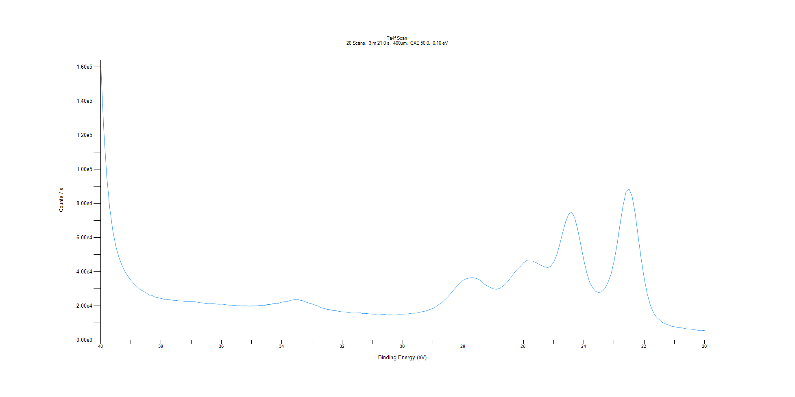
﻿
Axis | Energy | Elements= | 201

C:\XPS-UPS-Data\djung\MWL_TaOnly_1123\Experiment\X-Ray 400um - FG ON\BOE_1125\Ta4f Scan.VGD

Binding Energy (E)
eV |  | Counts / s
40 |  | 163898
39.9 |  | 124382
39.8 |  | 96618.9
39.7 |  | 77492.9
39.6 |  | 64396.4
39.5 |  | 55154.7
39.4 |  | 48786.3
39.3 |  | 44002.4
39.2 |  | 40317.9
39.1 |  | 37495.9
39 |  | 35058
38.9 |  | 33019.8
38.8 |  | 31364.1
38.7 |  | 29672.7
38.6 |  | 28739.5
38.5 |  | 27728.4
38.4 |  | 26442.7
38.3 |  | 26120.4
38.2 |  | 25185.2
38.1 |  | 24756.8
38 |  | 24438.7
37.9 |  | 23906.4
37.8 |  | 23734.9
37.7 |  | 23557
37.6 |  | 23307
37.5 |  | 23180
37.4 |  | 22928.7
37.3 |  | 22947
37.2 |  | 22600.3
37.1 |  | 22666.9
37 |  | 22498
36.9 |  | 22506.6
36.8 |  | 22175.4
36.7 |  | 21836.3
36.6 |  | 21725.3
36.5 |  | 21391.2
36.4 |  | 21241.2
36.3 |  | 21359.2
36.2 |  | 21173.6
36.1 |  | 20936.4
36 |  | 21011.4
35.9 |  | 20846.1
35.8 |  | 20492.5
35.7 |  | 20437.1
35.6 |  | 20372.3
35.5 |  | 20118.8
35.4 |  | 20065.2
35.3 |  | 19983.6
35.2 |  | 20086
35.1 |  | 19872.2
35 |  | 20026.1
34.9 |  | 19957.4
34.8 |  | 20086.3
34.7 |  | 20425.3
34.6 |  | 20095
34.5 |  | 20703
34.4 |  | 20823.8
34.3 |  | 21259.9
34.2 |  | 21557.7
34.1 |  | 21558.7
34 |  | 22249.5
33.9 |  | 22423.8
33.8 |  | 22720.3
33.7 |  | 23311
33.6 |  | 23587.8
33.5 |  | 23898.9
33.4 |  | 23331.7
33.3 |  | 22995.5
33.2 |  | 22229.4
33.1 |  | 21671.4
33 |  | 21163.6
32.9 |  | 20498.2
32.8 |  | 19932.1
32.7 |  | 18985.1
32.6 |  | 18477.4
32.5 |  | 17989.9
32.4 |  | 17763.7
32.3 |  | 17262.4
32.2 |  | 17170.7
32.1 |  | 16756.7
32 |  | 16508.2
31.9 |  | 16476.5
31.8 |  | 16219.5
31.7 |  | 15839.6
31.6 |  | 15835.8
31.5 |  | 15879.7
31.4 |  | 15911.5
31.3 |  | 15453.6
31.2 |  | 15552
31.1 |  | 15344.9
31 |  | 15204.1
30.9 |  | 15151.9
30.8 |  | 15263.7
30.7 |  | 15127.4
30.6 |  | 15022.2
30.5 |  | 15255.6
30.4 |  | 15163.5
30.3 |  | 15313.7
30.2 |  | 15244.4
30.1 |  | 15136.5
30 |  | 15177.5
29.9 |  | 15271.2
29.8 |  | 15379.6
29.7 |  | 15724.8
29.6 |  | 15767.1
29.5 |  | 15888.7
29.4 |  | 16453
29.3 |  | 16726.9
29.2 |  | 17240.3
29.1 |  | 17947.6
29 |  | 18455.8
28.9 |  | 19500.6
28.8 |  | 20787.1
28.7 |  | 21989.8
28.6 |  | 23687.7
28.5 |  | 25420.6
28.4 |  | 27467.4
28.3 |  | 29452.7
28.2 |  | 31643.9
28.1 |  | 33267.4
28 |  | 35005.6
27.9 |  | 35832.9
27.8 |  | 36325.2
27.7 |  | 36554.2
27.6 |  | 36290.6
27.5 |  | 35741.4
27.4 |  | 34521.6
27.3 |  | 32787.6
27.2 |  | 31782.7
27.1 |  | 30835.9
27 |  | 30002.4
26.9 |  | 29739
26.8 |  | 30165.2
26.7 |  | 31318.7
26.6 |  | 32717.5
26.5 |  | 34692.8
26.4 |  | 37027.3
26.3 |  | 39403.6
26.2 |  | 41552.2
26.1 |  | 43158.4
26 |  | 45218.9
25.9 |  | 46467.1
25.8 |  | 46276.5
25.7 |  | 46251.5
25.6 |  | 45506.2
25.5 |  | 44582.6
25.4 |  | 43580.4
25.3 |  | 42880.3
25.2 |  | 42479.7
25.1 |  | 43132.2
25 |  | 45625
24.9 |  | 49576.8
24.8 |  | 55829.4
24.7 |  | 62924.4
24.6 |  | 69350.3
24.5 |  | 73889.6
24.4 |  | 74899.9
24.3 |  | 71598.4
24.2 |  | 64534.8
24.1 |  | 55859.7
24 |  | 46849
23.9 |  | 39188.1
23.8 |  | 33464.9
23.7 |  | 30502.1
23.6 |  | 28365.8
23.5 |  | 27881.3
23.4 |  | 28317.8
23.3 |  | 30333.9
23.2 |  | 33755
23.1 |  | 38464.4
23 |  | 46082.4
22.9 |  | 55833.6
22.8 |  | 67916.8
22.7 |  | 78787.7
22.6 |  | 86989
22.5 |  | 88535.4
22.4 |  | 84149.3
22.3 |  | 74275.4
22.2 |  | 60556.4
22.1 |  | 47568.9
22 |  | 36127.9
21.9 |  | 27103.1
21.8 |  | 20596.7
21.7 |  | 16282.3
21.6 |  | 13495.1
21.5 |  | 11900.1
21.4 |  | 10376.8
21.3 |  | 9479.07
21.2 |  | 8843.34
21.1 |  | 8113.26
21 |  | 7775.39
20.9 |  | 7463.17
20.8 |  | 7208.64
20.7 |  | 6919.33
20.6 |  | 6533.08
20.5 |  | 6459.69
20.4 |  | 6381.78
20.3 |  | 5936.77
20.2 |  | 5631.26
20.1 |  | 5661.87
20 |  | 5475.85

Re4f Scan
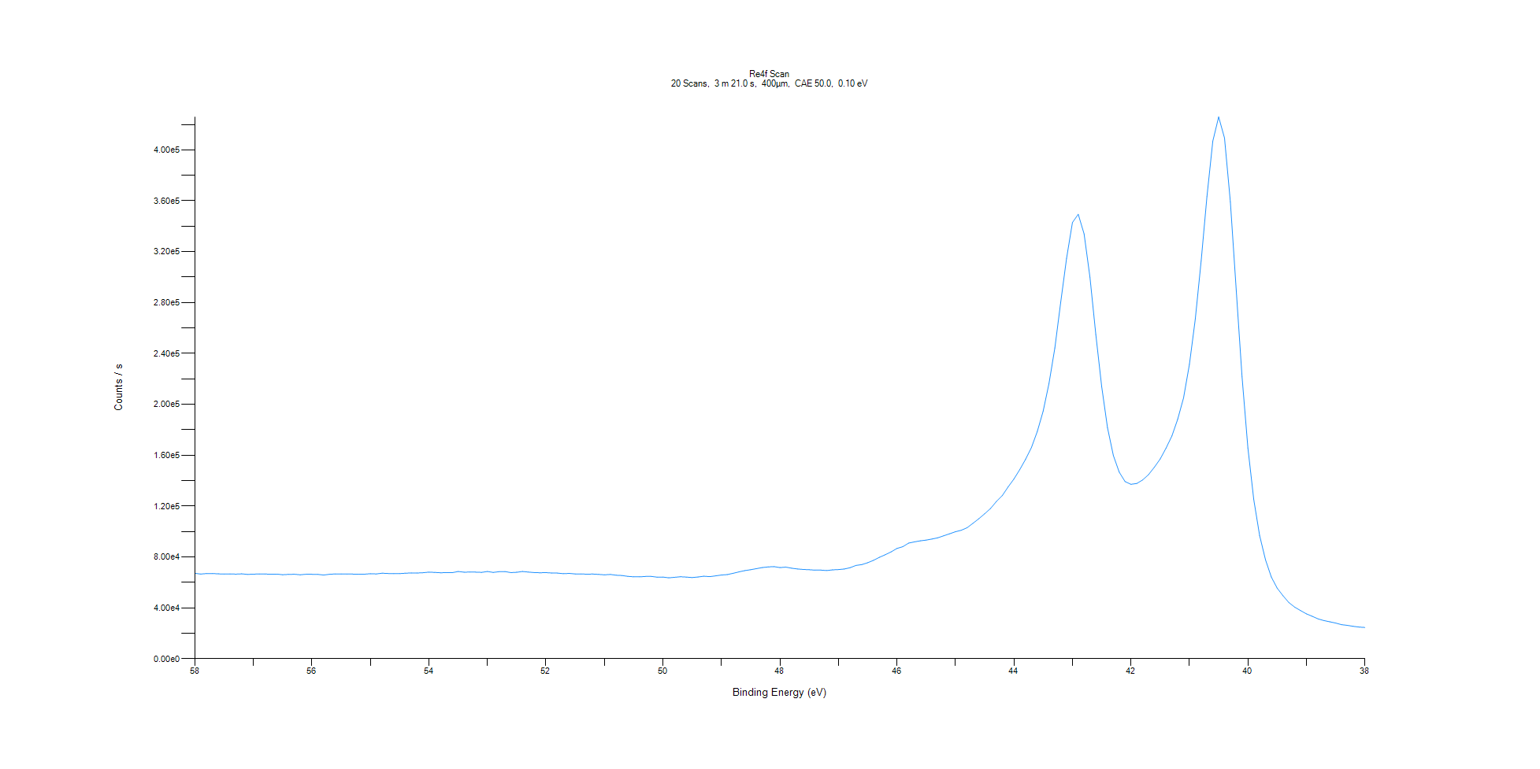
﻿
Axis | Energy | Elements= | 201

C:\XPS-UPS-Data\djung\MWL_TaOnly_1123\Experiment\X-Ray 400um - FG ON\BOE_1125\Re4f Scan.VGD

Binding Energy (E)
eV |  | Counts / s
58 |  | 67085.7
57.9 |  | 66535.1
57.8 |  | 66925.5
57.7 |  | 66925.6
57.6 |  | 66699.8
57.5 |  | 66507.3
57.4 |  | 66653.8
57.3 |  | 66440
57.2 |  | 66697.1
57.1 |  | 66262.9
57 |  | 66437.2
56.9 |  | 66565.3
56.8 |  | 66528.5
56.7 |  | 66417
56.6 |  | 66478
56.5 |  | 65984.6
56.4 |  | 66248.6
56.3 |  | 66380.7
56.2 |  | 65963.4
56.1 |  | 66387.6
56 |  | 66335.6
55.9 |  | 66277.9
55.8 |  | 65739
55.7 |  | 66319.9
55.6 |  | 66592.5
55.5 |  | 66591
55.4 |  | 66475.6
55.3 |  | 66496.5
55.2 |  | 66435.3
55.1 |  | 66402.3
55 |  | 66817.8
54.9 |  | 66593.2
54.8 |  | 67177.9
54.7 |  | 66952.6
54.6 |  | 66789.6
54.5 |  | 66888
54.4 |  | 67205.6
54.3 |  | 67381.9
54.2 |  | 67345.4
54.1 |  | 67558.6
54 |  | 68033.3
53.9 |  | 67787.8
53.8 |  | 67534.4
53.7 |  | 67668.8
53.6 |  | 67601.9
53.5 |  | 68554.5
53.4 |  | 67993
53.3 |  | 68082.1
53.2 |  | 68054.1
53.1 |  | 67847.1
53 |  | 68534.3
52.9 |  | 67813.5
52.8 |  | 68374.2
52.7 |  | 68490.6
52.6 |  | 67665.5
52.5 |  | 67937.3
52.4 |  | 68531.4
52.3 |  | 68069.9
52.2 |  | 67673
52.1 |  | 67536.2
52 |  | 67634.2
51.9 |  | 67335
51.8 |  | 67266.7
51.7 |  | 66802.2
51.6 |  | 67036.7
51.5 |  | 66617.9
51.4 |  | 66612
51.3 |  | 66399.6
51.2 |  | 66531.8
51.1 |  | 66259.9
51 |  | 65916
50.9 |  | 66239.5
50.8 |  | 65613.3
50.7 |  | 65357.5
50.6 |  | 64723
50.5 |  | 64378.1
50.4 |  | 64320.6
50.3 |  | 64651.5
50.2 |  | 64656.4
50.1 |  | 64088.1
50 |  | 64174.7
49.9 |  | 63533.5
49.8 |  | 63969.8
49.7 |  | 64384.7
49.6 |  | 64124.8
49.5 |  | 63784
49.4 |  | 64190.6
49.3 |  | 64812.5
49.2 |  | 64471.7
49.1 |  | 65104.8
49 |  | 65745.9
48.9 |  | 66119.4
48.8 |  | 67106.8
48.7 |  | 68215.8
48.6 |  | 69226.9
48.5 |  | 69923
48.4 |  | 70785.5
48.3 |  | 71636.5
48.2 |  | 72119.5
48.1 |  | 72352.8
48 |  | 71594
47.9 |  | 71983.5
47.8 |  | 71132.6
47.7 |  | 70529.6
47.6 |  | 70119.9
47.5 |  | 69921.5
47.4 |  | 69603.4
47.3 |  | 69623.8
47.2 |  | 69285.8
47.1 |  | 69815
47 |  | 70035.7
46.9 |  | 70480.2
46.8 |  | 71510.6
46.7 |  | 73312.4
46.6 |  | 73968
46.5 |  | 75418.1
46.4 |  | 77316.7
46.3 |  | 79679
46.2 |  | 81683.9
46.1 |  | 83948.1
46 |  | 86639
45.9 |  | 88046.2
45.8 |  | 90859.4
45.7 |  | 91809.4
45.6 |  | 92653.4
45.5 |  | 93228
45.4 |  | 94063.1
45.3 |  | 95022.2
45.2 |  | 96627.9
45.1 |  | 98156.6
45 |  | 99777.3
44.9 |  | 100949
44.8 |  | 102975
44.7 |  | 106436
44.6 |  | 109995
44.5 |  | 113915
44.4 |  | 118062
44.3 |  | 123559
44.2 |  | 128161
44.1 |  | 134985
44 |  | 141208
43.9 |  | 148635
43.8 |  | 156813
43.7 |  | 166090
43.6 |  | 178719
43.5 |  | 194556
43.4 |  | 216430
43.3 |  | 244307
43.2 |  | 280280
43.1 |  | 314847
43 |  | 342934
42.9 |  | 349429
42.8 |  | 333930
42.7 |  | 299855
42.6 |  | 254845
42.5 |  | 213956
42.4 |  | 181651
42.3 |  | 159743
42.2 |  | 146679
42.1 |  | 139256
42 |  | 137089
41.9 |  | 137739
41.8 |  | 140489
41.7 |  | 144636
41.6 |  | 150455
41.5 |  | 156974
41.4 |  | 165508
41.3 |  | 175058
41.2 |  | 188272
41.1 |  | 205040
41 |  | 231360
40.9 |  | 266851
40.8 |  | 312526
40.7 |  | 363293
40.6 |  | 406883
40.5 |  | 425968
40.4 |  | 409382
40.3 |  | 359070
40.2 |  | 289821
40.1 |  | 221605
40 |  | 165670
39.9 |  | 125087
39.8 |  | 96818.9
39.7 |  | 77796.4
39.6 |  | 64259.9
39.5 |  | 55475.2
39.4 |  | 49458.5
39.3 |  | 44106.8
39.2 |  | 40497.1
39.1 |  | 37798.4
39 |  | 35232
38.9 |  | 33291.5
38.8 |  | 31236.6
38.7 |  | 29952.7
38.6 |  | 28978.2
38.5 |  | 28021.9
38.4 |  | 26732.9
38.3 |  | 26179.7
38.2 |  | 25392.2
38.1 |  | 24818.9
38 |  | 24506.2

Al2p Scan
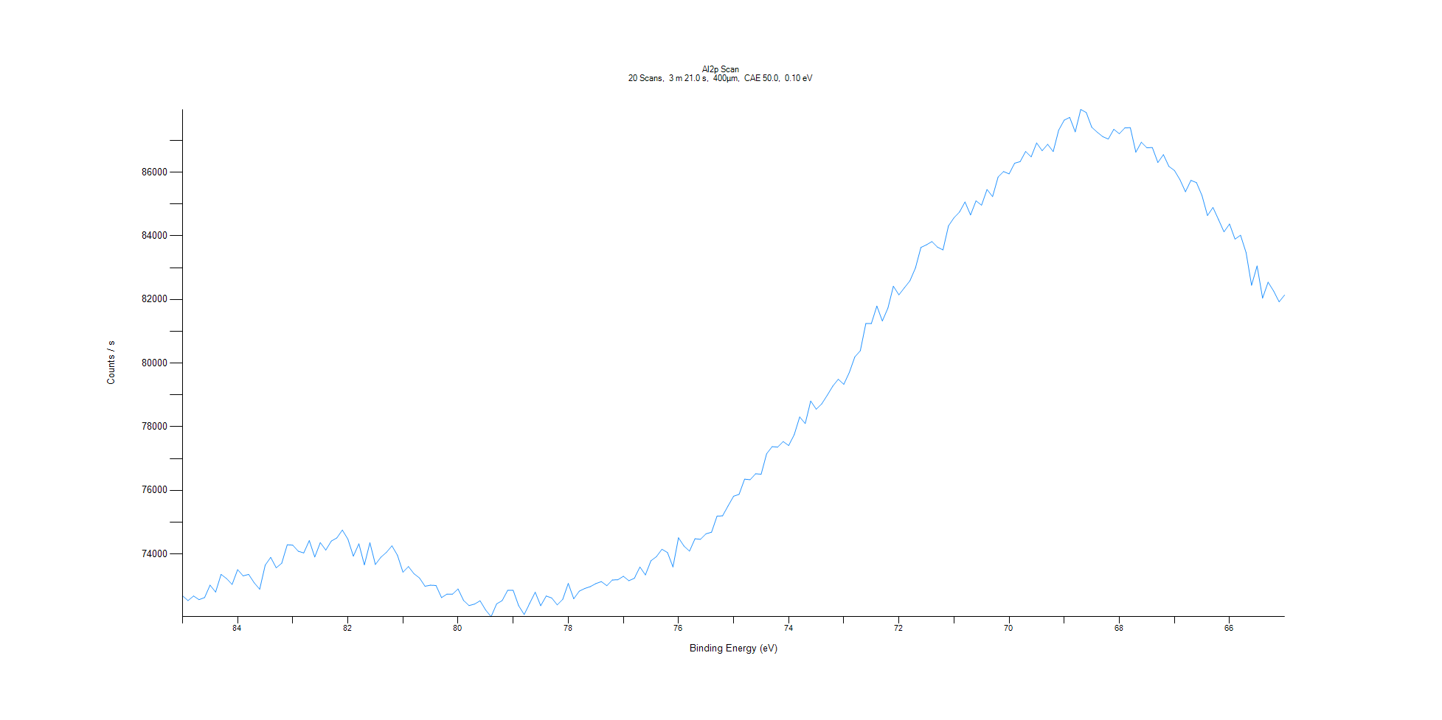
﻿
Axis | Energy | Elements= | 201

C:\XPS-UPS-Data\djung\MWL_TaOnly_1123\Experiment\X-Ray 400um - FG ON\BOE_1125\Al2p Scan.VGD

Binding Energy (E)
eV |  | Counts / s
85 |  | 72684.9
84.9 |  | 72534.5
84.8 |  | 72679.1
84.7 |  | 72565.7
84.6 |  | 72629.6
84.5 |  | 73021
84.4 |  | 72802.6
84.3 |  | 73359.9
84.2 |  | 73225
84.1 |  | 73043.2
84 |  | 73507.9
83.9 |  | 73312
83.8 |  | 73358.4
83.7 |  | 73094.3
83.6 |  | 72892.6
83.5 |  | 73650.2
83.4 |  | 73894.2
83.3 |  | 73566.2
83.2 |  | 73709.5
83.1 |  | 74290.1
83 |  | 74277.2
82.9 |  | 74086.7
82.8 |  | 74033.9
82.7 |  | 74420.5
82.6 |  | 73906.3
82.5 |  | 74357
82.4 |  | 74122.5
82.3 |  | 74406.9
82.2 |  | 74505.3
82.1 |  | 74753.3
82 |  | 74469.2
81.9 |  | 73931.5
81.8 |  | 74319.2
81.7 |  | 73660.7
81.6 |  | 74354
81.5 |  | 73669.9
81.4 |  | 73900.7
81.3 |  | 74051.1
81.2 |  | 74255.8
81.1 |  | 73962.9
81 |  | 73427.5
80.9 |  | 73605.3
80.8 |  | 73380.8
80.7 |  | 73245.7
80.6 |  | 72985.7
80.5 |  | 73020.1
80.4 |  | 73010.1
80.3 |  | 72628.5
80.2 |  | 72739.9
80.1 |  | 72739.4
80 |  | 72901.6
79.9 |  | 72538.4
79.8 |  | 72378.3
79.7 |  | 72426.6
79.6 |  | 72528.7
79.5 |  | 72240.8
79.4 |  | 72029.5
79.3 |  | 72431.6
79.2 |  | 72534.4
79.1 |  | 72856.6
79 |  | 72856.2
78.9 |  | 72374.1
78.8 |  | 72097.8
78.7 |  | 72448.6
78.6 |  | 72798
78.5 |  | 72374
78.4 |  | 72679
78.3 |  | 72617.8
78.2 |  | 72400.3
78.1 |  | 72575.7
78 |  | 73074.9
77.9 |  | 72592.2
77.8 |  | 72832.2
77.7 |  | 72916.5
77.6 |  | 72974.6
77.5 |  | 73069.3
77.4 |  | 73132.7
77.3 |  | 73003.8
77.2 |  | 73183.4
77.1 |  | 73190.3
77 |  | 73299.1
76.9 |  | 73159.4
76.8 |  | 73237.3
76.7 |  | 73591.5
76.6 |  | 73342.1
76.5 |  | 73786.7
76.4 |  | 73916.1
76.3 |  | 74148.7
76.2 |  | 74046.4
76.1 |  | 73593
76 |  | 74508.9
75.9 |  | 74249.2
75.8 |  | 74089.9
75.7 |  | 74478.6
75.6 |  | 74462.3
75.5 |  | 74634
75.4 |  | 74684.4
75.3 |  | 75190.7
75.2 |  | 75198.7
75.1 |  | 75510.7
75 |  | 75815
74.9 |  | 75875.3
74.8 |  | 76352.5
74.7 |  | 76334.9
74.6 |  | 76521.4
74.5 |  | 76508
74.4 |  | 77151.8
74.3 |  | 77375.3
74.2 |  | 77358.8
74.1 |  | 77534
74 |  | 77409.4
73.9 |  | 77750.4
73.8 |  | 78306.7
73.7 |  | 78100.8
73.6 |  | 78808.8
73.5 |  | 78552.2
73.4 |  | 78718
73.3 |  | 78990.2
73.2 |  | 79278
73.1 |  | 79493.6
73 |  | 79333.2
72.9 |  | 79704.4
72.8 |  | 80195
72.7 |  | 80389.3
72.6 |  | 81245.1
72.5 |  | 81241.6
72.4 |  | 81793.6
72.3 |  | 81324.4
72.2 |  | 81726.8
72.1 |  | 82418.3
72 |  | 82147
71.9 |  | 82366.5
71.8 |  | 82587.6
71.7 |  | 82991.9
71.6 |  | 83637.2
71.5 |  | 83719.2
71.4 |  | 83821.1
71.3 |  | 83645.9
71.2 |  | 83558.5
71.1 |  | 84316.7
71 |  | 84569.2
70.9 |  | 84750.9
70.8 |  | 85066.7
70.7 |  | 84658.3
70.6 |  | 85101.4
70.5 |  | 84964.9
70.4 |  | 85458.4
70.3 |  | 85234
70.2 |  | 85849.6
70.1 |  | 86022.3
70 |  | 85948.7
69.9 |  | 86283.2
69.8 |  | 86333.9
69.7 |  | 86652.6
69.6 |  | 86483.2
69.5 |  | 86920.6
69.4 |  | 86678.1
69.3 |  | 86877.3
69.2 |  | 86649.6
69.1 |  | 87322.8
69 |  | 87637.1
68.9 |  | 87724.2
68.8 |  | 87269.7
68.7 |  | 87973.5
68.6 |  | 87878.3
68.5 |  | 87413.2
68.4 |  | 87257.4
68.3 |  | 87119.2
68.2 |  | 87043.7
68.1 |  | 87350.8
68 |  | 87210.3
67.9 |  | 87394
67.8 |  | 87401.3
67.7 |  | 86630.5
67.6 |  | 86941.9
67.5 |  | 86772
67.4 |  | 86774.3
67.3 |  | 86306.5
67.2 |  | 86553.6
67.1 |  | 86183.9
67 |  | 86056.6
66.9 |  | 85768.5
66.8 |  | 85387.4
66.7 |  | 85744.4
66.6 |  | 85674
66.5 |  | 85270.3
66.4 |  | 84640.6
66.3 |  | 84893.8
66.2 |  | 84513.4
66.1 |  | 84126.2
66 |  | 84372.9
65.9 |  | 83898.1
65.8 |  | 84020.1
65.7 |  | 83475.1
65.6 |  | 82448.3
65.5 |  | 83053.8
65.4 |  | 82044.1
65.3 |  | 82544.1
65.2 |  | 82266.9
65.1 |  | 81926.7
65 |  | 82141.1

C1s Scan
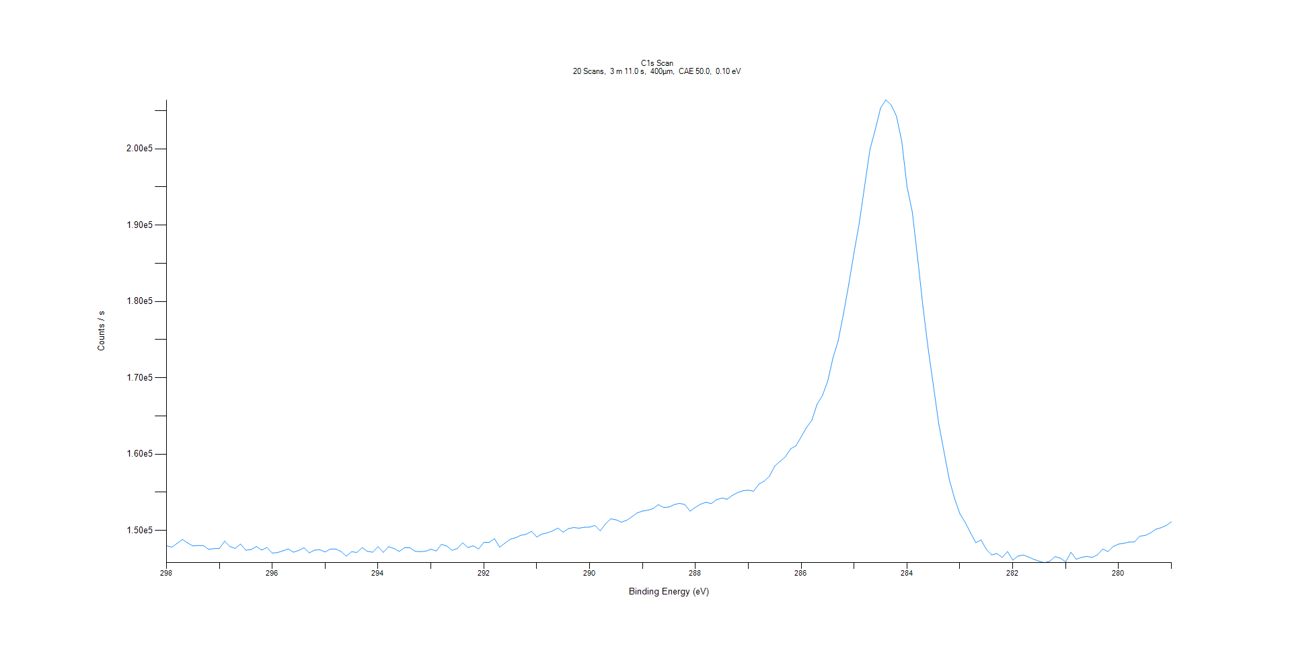
﻿
Axis | Energy | Elements= | 191

C:\XPS-UPS-Data\djung\MWL_TaOnly_1123\Experiment\X-Ray 400um - FG ON\BOE_1125\C1s Scan.VGD

Binding Energy (E)
eV |  | Counts / s
298 |  | 147998
297.9 |  | 147805
297.8 |  | 148294
297.7 |  | 148820
297.6 |  | 148363
297.5 |  | 147963
297.4 |  | 148031
297.3 |  | 147999
297.2 |  | 147508
297.1 |  | 147623
297 |  | 147647
296.9 |  | 148599
296.8 |  | 147887
296.7 |  | 147643
296.6 |  | 148215
296.5 |  | 147412
296.4 |  | 147491
296.3 |  | 147893
296.2 |  | 147424
296.1 |  | 147759
296 |  | 147033
295.9 |  | 147100
295.8 |  | 147326
295.7 |  | 147573
295.6 |  | 147149
295.5 |  | 147377
295.4 |  | 147725
295.3 |  | 147061
295.2 |  | 147413
295.1 |  | 147468
295 |  | 147175
294.9 |  | 147562
294.8 |  | 147562
294.7 |  | 147242
294.6 |  | 146632
294.5 |  | 147212
294.4 |  | 147115
294.3 |  | 147743
294.2 |  | 147257
294.1 |  | 147150
294 |  | 147866
293.9 |  | 147129
293.8 |  | 147870
293.7 |  | 147629
293.6 |  | 147252
293.5 |  | 147729
293.4 |  | 147733
293.3 |  | 147272
293.2 |  | 147217
293.1 |  | 147273
293 |  | 147535
292.9 |  | 147311
292.8 |  | 148187
292.7 |  | 147953
292.6 |  | 147379
292.5 |  | 147643
292.4 |  | 148369
292.3 |  | 147756
292.2 |  | 147987
292.1 |  | 147566
292 |  | 148428
291.9 |  | 148432
291.8 |  | 148904
291.7 |  | 147806
291.6 |  | 148336
291.5 |  | 148848
291.4 |  | 149038
291.3 |  | 149369
291.2 |  | 149493
291.1 |  | 149876
291 |  | 149137
290.9 |  | 149524
290.8 |  | 149678
290.7 |  | 149940
290.6 |  | 150305
290.5 |  | 149770
290.4 |  | 150238
290.3 |  | 150374
290.2 |  | 150295
290.1 |  | 150408
290 |  | 150434
289.9 |  | 150645
289.8 |  | 149952
289.7 |  | 150863
289.6 |  | 151509
289.5 |  | 151391
289.4 |  | 151080
289.3 |  | 151331
289.2 |  | 151786
289.1 |  | 152290
289 |  | 152536
288.9 |  | 152648
288.8 |  | 152852
288.7 |  | 153379
288.6 |  | 153008
288.5 |  | 153069
288.4 |  | 153380
288.3 |  | 153551
288.2 |  | 153387
288.1 |  | 152521
288 |  | 153031
287.9 |  | 153443
287.8 |  | 153693
287.7 |  | 153515
287.6 |  | 154025
287.5 |  | 154241
287.4 |  | 154091
287.3 |  | 154595
287.2 |  | 154959
287.1 |  | 155200
287 |  | 155278
286.9 |  | 155141
286.8 |  | 156062
286.7 |  | 156453
286.6 |  | 157103
286.5 |  | 158435
286.4 |  | 159047
286.3 |  | 159647
286.2 |  | 160695
286.1 |  | 161079
286 |  | 162264
285.9 |  | 163474
285.8 |  | 164416
285.7 |  | 166525
285.6 |  | 167657
285.5 |  | 169537
285.4 |  | 172605
285.3 |  | 174866
285.2 |  | 178413
285.1 |  | 182275
285 |  | 186450
284.9 |  | 190375
284.8 |  | 195151
284.7 |  | 199918
284.6 |  | 202501
284.5 |  | 205325
284.4 |  | 206395
284.3 |  | 205736
284.2 |  | 204286
284.1 |  | 201014
284 |  | 195053
283.9 |  | 191700
283.8 |  | 185713
283.7 |  | 179386
283.6 |  | 173816
283.5 |  | 168938
283.4 |  | 163961
283.3 |  | 160276
283.2 |  | 156627
283.1 |  | 154180
283 |  | 152176
282.9 |  | 151051
282.8 |  | 149704
282.7 |  | 148393
282.6 |  | 148755
282.5 |  | 147527
282.4 |  | 146799
282.3 |  | 146976
282.2 |  | 146461
282.1 |  | 147224
282 |  | 146117
281.9 |  | 146642
281.8 |  | 146781
281.7 |  | 146512
281.6 |  | 146202
281.5 |  | 145964
281.4 |  | 145768
281.3 |  | 145969
281.2 |  | 146569
281.1 |  | 146359
281 |  | 145893
280.9 |  | 147131
280.8 |  | 146224
280.7 |  | 146469
280.6 |  | 146604
280.5 |  | 146468
280.4 |  | 146800
280.3 |  | 147551
280.2 |  | 147230
280.1 |  | 147903
280 |  | 148213
279.9 |  | 148310
279.8 |  | 148480
279.7 |  | 148498
279.6 |  | 149243
279.5 |  | 149328
279.4 |  | 149652
279.3 |  | 150140
279.2 |  | 150348
279.1 |  | 150642
279 |  | 151134

O1s Scan
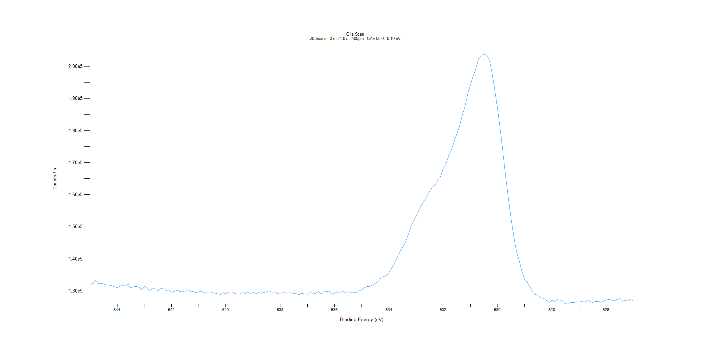
﻿
Axis | Energy | Elements= | 201

C:\XPS-UPS-Data\djung\MWL_TaOnly_1123\Experiment\X-Ray 400um - FG ON\BOE_1125\O1s Scan.VGD

Binding Energy (E)
eV |  | Counts / s
545 |  | 132039
544.9 |  | 132357
544.8 |  | 133246
544.7 |  | 132333
544.6 |  | 132360
544.5 |  | 132188
544.4 |  | 131856
544.3 |  | 131831
544.2 |  | 131648
544.1 |  | 131315
544 |  | 131022
543.9 |  | 131429
543.8 |  | 131883
543.7 |  | 131550
543.6 |  | 132164
543.5 |  | 130892
543.4 |  | 131305
543.3 |  | 131432
543.2 |  | 131156
543.1 |  | 130486
543 |  | 131445
542.9 |  | 131001
542.8 |  | 130134
542.7 |  | 130700
542.6 |  | 130673
542.5 |  | 129986
542.4 |  | 130701
542.3 |  | 130926
542.2 |  | 130142
542.1 |  | 130327
542 |  | 129606
541.9 |  | 129856
541.8 |  | 130276
541.7 |  | 129733
541.6 |  | 130011
541.5 |  | 129612
541.4 |  | 130439
541.3 |  | 129901
541.2 |  | 129831
541.1 |  | 129530
541 |  | 129708
540.9 |  | 129910
540.8 |  | 129427
540.7 |  | 129400
540.6 |  | 129362
540.5 |  | 129473
540.4 |  | 129333
540.3 |  | 129105
540.2 |  | 128924
540.1 |  | 129483
540 |  | 129103
539.9 |  | 129624
539.8 |  | 129708
539.7 |  | 129314
539.6 |  | 129063
539.5 |  | 128991
539.4 |  | 129448
539.3 |  | 129210
539.2 |  | 129647
539.1 |  | 129115
539 |  | 129642
538.9 |  | 129114
538.8 |  | 129423
538.7 |  | 129754
538.6 |  | 129436
538.5 |  | 129891
538.4 |  | 129991
538.3 |  | 129604
538.2 |  | 129695
538.1 |  | 129222
538 |  | 129027
537.9 |  | 129726
537.8 |  | 129405
537.7 |  | 129342
537.6 |  | 129434
537.5 |  | 129256
537.4 |  | 129118
537.3 |  | 128880
537.2 |  | 129290
537.1 |  | 129043
537 |  | 128946
536.9 |  | 129822
536.8 |  | 129049
536.7 |  | 129272
536.6 |  | 129826
536.5 |  | 129146
536.4 |  | 129987
536.3 |  | 129816
536.2 |  | 129923
536.1 |  | 129069
536 |  | 129197
535.9 |  | 129783
535.8 |  | 129277
535.7 |  | 129941
535.6 |  | 129330
535.5 |  | 129763
535.4 |  | 129601
535.3 |  | 129640
535.2 |  | 129457
535.1 |  | 130024
535 |  | 130328
534.9 |  | 130988
534.8 |  | 131389
534.7 |  | 131434
534.6 |  | 131894
534.5 |  | 132492
534.4 |  | 132882
534.3 |  | 133890
534.2 |  | 134574
534.1 |  | 134638
534 |  | 135718
533.9 |  | 137029
533.8 |  | 138638
533.7 |  | 140349
533.6 |  | 142069
533.5 |  | 143554
533.4 |  | 145059
533.3 |  | 147233
533.2 |  | 149698
533.1 |  | 151673
533 |  | 153276
532.9 |  | 155008
532.8 |  | 156877
532.7 |  | 158146
532.6 |  | 159527
532.5 |  | 161141
532.4 |  | 162423
532.3 |  | 163033
532.2 |  | 164644
532.1 |  | 165571
532 |  | 168197
531.9 |  | 169636
531.8 |  | 172129
531.7 |  | 174052
531.6 |  | 176489
531.5 |  | 178929
531.4 |  | 181282
531.3 |  | 184753
531.2 |  | 187442
531.1 |  | 191413
531 |  | 194137
530.9 |  | 197037
530.8 |  | 199334
530.7 |  | 202422
530.6 |  | 203277
530.5 |  | 203912
530.4 |  | 203523
530.3 |  | 201953
530.2 |  | 197925
530.1 |  | 192533
530 |  | 186780
529.9 |  | 180493
529.8 |  | 172939
529.7 |  | 165548
529.6 |  | 158776
529.5 |  | 152453
529.4 |  | 146832
529.3 |  | 142156
529.2 |  | 139380
529.1 |  | 136080
529 |  | 133593
528.9 |  | 132668
528.8 |  | 131122
528.7 |  | 129480
528.6 |  | 128911
528.5 |  | 128706
528.4 |  | 127854
528.3 |  | 127677
528.2 |  | 127008
528.1 |  | 126455
528 |  | 127089
527.9 |  | 126690
527.8 |  | 127244
527.7 |  | 127193
527.6 |  | 126829
527.5 |  | 126052
527.4 |  | 125917
527.3 |  | 126447
527.2 |  | 126356
527.1 |  | 126585
527 |  | 126528
526.9 |  | 126721
526.8 |  | 126522
526.7 |  | 127049
526.6 |  | 126748
526.5 |  | 126418
526.4 |  | 126731
526.3 |  | 126788
526.2 |  | 126456
526.1 |  | 126787
526 |  | 127176
525.9 |  | 127322
525.8 |  | 127144
525.7 |  | 127041
525.6 |  | 127333
525.5 |  | 127643
525.4 |  | 126789
525.3 |  | 127144
525.2 |  | 126835
525.1 |  | 127332
525 |  | 126894

