XPS Survey
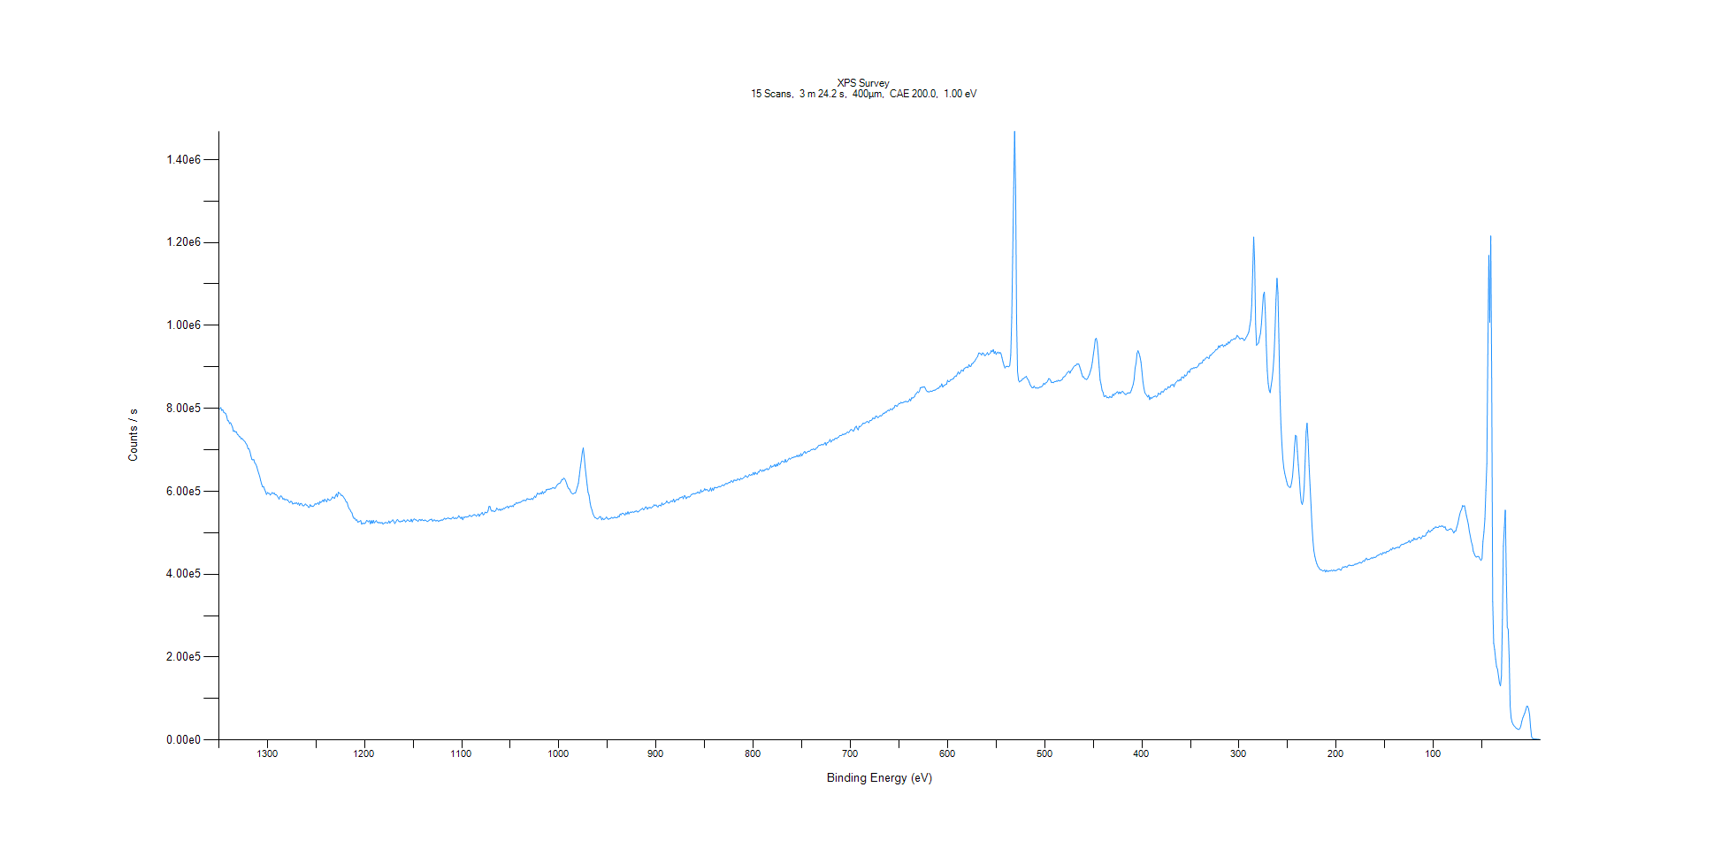
﻿
Axis | Energy | Elements= | 1361

C:\XPS-UPS-Data\djung\TaRe_BOE_1124\Experiment\X-Ray001 400um - FG ON\Control_WK0\XPS Survey.VGD

Binding Energy (E)
eV |  | Counts / s
1350 |  | 799709
1349 |  | 798709
1348 |  | 801864
1347 |  | 794948
1346 |  | 796798
1345 |  | 790516
1344 |  | 789066
1343 |  | 787487
1342 |  | 781510
1341 |  | 770273
1340 |  | 769839
1339 |  | 763221
1338 |  | 765483
1337 |  | 760364
1336 |  | 754800
1335 |  | 744489
1334 |  | 745981
1333 |  | 742825
1332 |  | 743610
1331 |  | 737025
1330 |  | 735700
1329 |  | 731610
1328 |  | 731249
1327 |  | 726105
1326 |  | 727496
1325 |  | 724205
1324 |  | 721417
1323 |  | 718965
1322 |  | 714634
1321 |  | 711453
1320 |  | 702384
1319 |  | 702471
1318 |  | 695423
1317 |  | 684965
1316 |  | 676846
1315 |  | 675792
1314 |  | 676475
1313 |  | 667981
1312 |  | 665182
1311 |  | 659633
1310 |  | 650589
1309 |  | 643507
1308 |  | 636065
1307 |  | 626318
1306 |  | 617521
1305 |  | 610273
1304 |  | 611683
1303 |  | 605001
1302 |  | 599419
1301 |  | 592303
1300 |  | 596929
1299 |  | 595096
1298 |  | 594564
1297 |  | 590639
1296 |  | 594170
1295 |  | 596937
1294 |  | 594316
1293 |  | 595783
1292 |  | 591492
1291 |  | 591887
1290 |  | 588976
1289 |  | 585107
1288 |  | 580779
1287 |  | 587380
1286 |  | 588937
1285 |  | 586213
1284 |  | 580932
1283 |  | 582399
1282 |  | 579000
1281 |  | 580948
1280 |  | 578813
1279 |  | 579189
1278 |  | 574316
1277 |  | 572451
1276 |  | 575812
1275 |  | 575021
1274 |  | 569186
1273 |  | 570396
1272 |  | 571249
1271 |  | 570846
1270 |  | 572445
1269 |  | 568690
1268 |  | 571681
1267 |  | 565665
1266 |  | 570371
1265 |  | 570626
1264 |  | 566382
1263 |  | 564386
1262 |  | 566541
1261 |  | 569314
1260 |  | 566877
1259 |  | 565848
1258 |  | 562141
1257 |  | 560833
1256 |  | 567656
1255 |  | 564121
1254 |  | 564250
1253 |  | 563004
1252 |  | 565565
1251 |  | 569779
1250 |  | 568803
1249 |  | 569640
1248 |  | 572659
1247 |  | 568026
1246 |  | 575244
1245 |  | 572696
1244 |  | 575274
1243 |  | 578855
1242 |  | 575028
1241 |  | 580921
1240 |  | 577006
1239 |  | 574523
1238 |  | 581929
1237 |  | 579828
1236 |  | 577915
1235 |  | 579006
1234 |  | 581885
1233 |  | 586424
1232 |  | 584257
1231 |  | 582509
1230 |  | 588507
1229 |  | 593612
1228 |  | 586386
1227 |  | 597761
1226 |  | 595617
1225 |  | 593783
1224 |  | 589863
1223 |  | 590120
1222 |  | 586894
1221 |  | 583390
1220 |  | 579641
1219 |  | 574222
1218 |  | 573411
1217 |  | 563796
1216 |  | 558412
1215 |  | 555597
1214 |  | 550541
1213 |  | 547798
1212 |  | 539147
1211 |  | 534662
1210 |  | 534710
1209 |  | 530012
1208 |  | 531323
1207 |  | 525498
1206 |  | 526606
1205 |  | 527050
1204 |  | 529552
1203 |  | 520342
1202 |  | 522987
1201 |  | 522282
1200 |  | 522285
1199 |  | 524081
1198 |  | 529531
1197 |  | 528434
1196 |  | 526182
1195 |  | 529213
1194 |  | 521536
1193 |  | 529212
1192 |  | 522741
1191 |  | 529835
1190 |  | 523692
1189 |  | 526538
1188 |  | 529121
1187 |  | 525064
1186 |  | 524349
1185 |  | 524331
1184 |  | 524047
1183 |  | 523834
1182 |  | 524462
1181 |  | 520468
1180 |  | 523091
1179 |  | 523953
1178 |  | 525170
1177 |  | 522831
1176 |  | 523509
1175 |  | 528278
1174 |  | 523155
1173 |  | 526555
1172 |  | 528148
1171 |  | 531164
1170 |  | 527731
1169 |  | 521979
1168 |  | 524970
1167 |  | 530236
1166 |  | 531763
1165 |  | 528080
1164 |  | 526661
1163 |  | 526360
1162 |  | 528310
1161 |  | 527083
1160 |  | 530560
1159 |  | 530320
1158 |  | 526083
1157 |  | 527791
1156 |  | 531040
1155 |  | 530207
1154 |  | 527869
1153 |  | 527399
1152 |  | 532642
1151 |  | 526240
1150 |  | 530819
1149 |  | 533430
1148 |  | 531214
1147 |  | 530851
1146 |  | 529636
1145 |  | 526967
1144 |  | 530880
1143 |  | 532093
1142 |  | 529024
1141 |  | 532263
1140 |  | 529783
1139 |  | 529033
1138 |  | 530668
1137 |  | 529466
1136 |  | 527845
1135 |  | 526934
1134 |  | 529271
1133 |  | 530891
1132 |  | 531889
1131 |  | 532756
1130 |  | 527690
1129 |  | 530403
1128 |  | 530727
1127 |  | 528604
1126 |  | 528854
1125 |  | 530003
1124 |  | 527017
1123 |  | 528990
1122 |  | 528953
1121 |  | 531026
1120 |  | 530235
1119 |  | 531476
1118 |  | 535026
1117 |  | 532925
1116 |  | 533258
1115 |  | 534294
1114 |  | 536419
1113 |  | 533802
1112 |  | 534305
1111 |  | 532813
1110 |  | 535544
1109 |  | 537690
1108 |  | 533886
1107 |  | 534933
1106 |  | 535299
1105 |  | 534615
1104 |  | 536889
1103 |  | 541166
1102 |  | 537386
1101 |  | 534250
1100 |  | 537741
1099 |  | 531184
1098 |  | 537502
1097 |  | 536948
1096 |  | 538529
1095 |  | 537661
1094 |  | 538327
1093 |  | 538993
1092 |  | 542217
1091 |  | 540739
1090 |  | 538936
1089 |  | 541142
1088 |  | 543062
1087 |  | 543344
1086 |  | 542840
1085 |  | 539494
1084 |  | 542420
1083 |  | 545202
1082 |  | 539452
1081 |  | 543678
1080 |  | 545750
1079 |  | 548994
1078 |  | 543084
1077 |  | 544513
1076 |  | 549605
1075 |  | 548593
1074 |  | 548185
1073 |  | 552291
1072 |  | 562975
1071 |  | 563317
1070 |  | 555154
1069 |  | 551815
1068 |  | 553739
1067 |  | 551149
1066 |  | 551542
1065 |  | 553145
1064 |  | 559364
1063 |  | 556669
1062 |  | 554318
1061 |  | 557160
1060 |  | 553754
1059 |  | 556951
1058 |  | 555743
1057 |  | 559011
1056 |  | 558111
1055 |  | 560606
1054 |  | 561722
1053 |  | 564113
1052 |  | 559699
1051 |  | 562831
1050 |  | 564645
1049 |  | 562793
1048 |  | 565176
1047 |  | 562791
1046 |  | 568722
1045 |  | 567998
1044 |  | 572277
1043 |  | 571296
1042 |  | 571459
1041 |  | 573260
1040 |  | 572827
1039 |  | 574633
1038 |  | 575872
1037 |  | 578125
1036 |  | 577384
1035 |  | 578647
1034 |  | 576754
1033 |  | 581644
1032 |  | 581638
1031 |  | 580566
1030 |  | 580552
1029 |  | 580303
1028 |  | 583052
1027 |  | 579947
1026 |  | 584044
1025 |  | 588326
1024 |  | 584819
1023 |  | 590843
1022 |  | 595532
1021 |  | 593808
1020 |  | 592711
1019 |  | 596239
1018 |  | 593315
1017 |  | 599476
1016 |  | 594269
1015 |  | 598263
1014 |  | 597810
1013 |  | 603898
1012 |  | 603464
1011 |  | 605247
1010 |  | 604244
1009 |  | 605748
1008 |  | 605585
1007 |  | 607958
1006 |  | 608250
1005 |  | 608023
1004 |  | 606660
1003 |  | 610546
1002 |  | 614608
1001 |  | 617203
1000 |  | 618578
999 |  | 619510
998 |  | 622754
997 |  | 628478
996 |  | 627997
995 |  | 631574
994 |  | 629720
993 |  | 624738
992 |  | 618222
991 |  | 610732
990 |  | 606208
989 |  | 605214
988 |  | 599072
987 |  | 595514
986 |  | 593720
985 |  | 594042
984 |  | 596100
983 |  | 595645
982 |  | 602853
981 |  | 610648
980 |  | 619523
979 |  | 637141
978 |  | 657501
977 |  | 673368
976 |  | 693298
975 |  | 704666
974 |  | 684296
973 |  | 657358
972 |  | 637514
971 |  | 615882
970 |  | 597384
969 |  | 590479
968 |  | 572825
967 |  | 561233
966 |  | 554807
965 |  | 545536
964 |  | 540641
963 |  | 536619
962 |  | 535819
961 |  | 533646
960 |  | 533047
959 |  | 535937
958 |  | 538972
957 |  | 538352
956 |  | 530993
955 |  | 535247
954 |  | 531409
953 |  | 532850
952 |  | 534802
951 |  | 537897
950 |  | 534242
949 |  | 532334
948 |  | 533904
947 |  | 534262
946 |  | 537168
945 |  | 535183
944 |  | 535284
943 |  | 537290
942 |  | 537012
941 |  | 536187
940 |  | 536472
939 |  | 539840
938 |  | 538259
937 |  | 545209
936 |  | 543245
935 |  | 547112
934 |  | 546240
933 |  | 545418
932 |  | 542247
931 |  | 547971
930 |  | 545006
929 |  | 550388
928 |  | 545189
927 |  | 548553
926 |  | 550079
925 |  | 548766
924 |  | 550871
923 |  | 548637
922 |  | 551208
921 |  | 551813
920 |  | 552639
919 |  | 549947
918 |  | 550831
917 |  | 553345
916 |  | 555666
915 |  | 556694
914 |  | 559129
913 |  | 555336
912 |  | 556647
911 |  | 561905
910 |  | 562043
909 |  | 556516
908 |  | 560216
907 |  | 560713
906 |  | 560705
905 |  | 559279
904 |  | 562272
903 |  | 563187
902 |  | 567464
901 |  | 565134
900 |  | 567056
899 |  | 563333
898 |  | 561943
897 |  | 566210
896 |  | 566127
895 |  | 564591
894 |  | 571595
893 |  | 567215
892 |  | 568908
891 |  | 570340
890 |  | 572118
889 |  | 576558
888 |  | 573024
887 |  | 571294
886 |  | 573014
885 |  | 575982
884 |  | 575943
883 |  | 575347
882 |  | 581122
881 |  | 573833
880 |  | 577299
879 |  | 579862
878 |  | 580306
877 |  | 579523
876 |  | 583924
875 |  | 584443
874 |  | 585390
873 |  | 587239
872 |  | 581895
871 |  | 588921
870 |  | 588558
869 |  | 581995
868 |  | 585490
867 |  | 586984
866 |  | 585872
865 |  | 587405
864 |  | 591550
863 |  | 592737
862 |  | 593700
861 |  | 594469
860 |  | 593332
859 |  | 595094
858 |  | 595741
857 |  | 598671
856 |  | 595468
855 |  | 595617
854 |  | 603400
853 |  | 598365
852 |  | 599876
851 |  | 601348
850 |  | 606004
849 |  | 602425
848 |  | 604624
847 |  | 602927
846 |  | 600046
845 |  | 601578
844 |  | 608018
843 |  | 600646
842 |  | 607403
841 |  | 602495
840 |  | 609177
839 |  | 609054
838 |  | 608154
837 |  | 608742
836 |  | 610912
835 |  | 611443
834 |  | 610898
833 |  | 612220
832 |  | 614945
831 |  | 614423
830 |  | 613747
829 |  | 617130
828 |  | 619164
827 |  | 617683
826 |  | 619579
825 |  | 621305
824 |  | 620572
823 |  | 624695
822 |  | 624786
821 |  | 621520
820 |  | 626519
819 |  | 626914
818 |  | 625961
817 |  | 626114
816 |  | 630155
815 |  | 628457
814 |  | 626842
813 |  | 631322
812 |  | 629505
811 |  | 630236
810 |  | 632606
809 |  | 634309
808 |  | 637664
807 |  | 635900
806 |  | 633277
805 |  | 636323
804 |  | 640374
803 |  | 638247
802 |  | 639851
801 |  | 639474
800 |  | 645107
799 |  | 639778
798 |  | 645723
797 |  | 642369
796 |  | 641219
795 |  | 646372
794 |  | 646265
793 |  | 651744
792 |  | 650818
791 |  | 647746
790 |  | 651626
789 |  | 648580
788 |  | 652216
787 |  | 652491
786 |  | 654913
785 |  | 652076
784 |  | 653276
783 |  | 656605
782 |  | 662435
781 |  | 657572
780 |  | 660430
779 |  | 660704
778 |  | 664556
777 |  | 659504
776 |  | 665396
775 |  | 661083
774 |  | 668930
773 |  | 664323
772 |  | 666765
771 |  | 671372
770 |  | 672374
769 |  | 671742
768 |  | 669514
767 |  | 676596
766 |  | 670481
765 |  | 673122
764 |  | 676302
763 |  | 679918
762 |  | 677415
761 |  | 679004
760 |  | 681857
759 |  | 680556
758 |  | 682821
757 |  | 682508
756 |  | 683616
755 |  | 686660
754 |  | 682976
753 |  | 687438
752 |  | 684070
751 |  | 690818
750 |  | 685372
749 |  | 689819
748 |  | 693294
747 |  | 696216
746 |  | 691500
745 |  | 693215
744 |  | 695624
743 |  | 696563
742 |  | 696335
741 |  | 698966
740 |  | 700793
739 |  | 700464
738 |  | 702402
737 |  | 700472
736 |  | 701156
735 |  | 704376
734 |  | 705671
733 |  | 709819
732 |  | 710957
731 |  | 711274
730 |  | 712160
729 |  | 712907
728 |  | 711755
727 |  | 714261
726 |  | 717459
725 |  | 711035
724 |  | 716861
723 |  | 717567
722 |  | 720044
721 |  | 724955
720 |  | 718514
719 |  | 721959
718 |  | 724694
717 |  | 723367
716 |  | 726752
715 |  | 728141
714 |  | 726876
713 |  | 729811
712 |  | 730951
711 |  | 734518
710 |  | 734434
709 |  | 734792
708 |  | 737695
707 |  | 736489
706 |  | 738289
705 |  | 737837
704 |  | 740953
703 |  | 743203
702 |  | 741065
701 |  | 743911
700 |  | 747855
699 |  | 748912
698 |  | 747486
697 |  | 744531
696 |  | 748568
695 |  | 754400
694 |  | 757007
693 |  | 750655
692 |  | 747991
691 |  | 756832
690 |  | 755381
689 |  | 757900
688 |  | 760893
687 |  | 764284
686 |  | 763481
685 |  | 764412
684 |  | 766263
683 |  | 768465
682 |  | 767327
681 |  | 765305
680 |  | 770398
679 |  | 770515
678 |  | 771759
677 |  | 776374
676 |  | 775903
675 |  | 775203
674 |  | 781221
673 |  | 780812
672 |  | 777783
671 |  | 778369
670 |  | 781755
669 |  | 782301
668 |  | 781719
667 |  | 784975
666 |  | 788369
665 |  | 787851
664 |  | 790881
663 |  | 790687
662 |  | 794339
661 |  | 795539
660 |  | 793791
659 |  | 798203
658 |  | 798105
657 |  | 795999
656 |  | 800247
655 |  | 801518
654 |  | 807352
653 |  | 806083
652 |  | 804687
651 |  | 809078
650 |  | 812011
649 |  | 811157
648 |  | 814539
647 |  | 812914
646 |  | 813665
645 |  | 815206
644 |  | 815865
643 |  | 817078
642 |  | 815549
641 |  | 816165
640 |  | 817039
639 |  | 822602
638 |  | 818163
637 |  | 825337
636 |  | 825078
635 |  | 825855
634 |  | 828486
633 |  | 834306
632 |  | 836006
631 |  | 840021
630 |  | 837819
629 |  | 841092
628 |  | 849862
627 |  | 849915
626 |  | 851261
625 |  | 850790
624 |  | 852344
623 |  | 848547
622 |  | 843373
621 |  | 840220
620 |  | 840418
619 |  | 839041
618 |  | 841458
617 |  | 841480
616 |  | 840711
615 |  | 842852
614 |  | 843669
613 |  | 843810
612 |  | 845207
611 |  | 847091
610 |  | 848547
609 |  | 848687
608 |  | 853091
607 |  | 852903
606 |  | 859033
605 |  | 851110
604 |  | 854837
603 |  | 855774
602 |  | 857630
601 |  | 858370
600 |  | 867748
599 |  | 864227
598 |  | 864839
597 |  | 868713
596 |  | 868655
595 |  | 870733
594 |  | 871387
593 |  | 875902
592 |  | 878018
591 |  | 877396
590 |  | 883145
589 |  | 888002
588 |  | 882741
587 |  | 885560
586 |  | 891282
585 |  | 892119
584 |  | 889459
583 |  | 895600
582 |  | 897466
581 |  | 899085
580 |  | 899574
579 |  | 897925
578 |  | 905403
577 |  | 901413
576 |  | 901102
575 |  | 907776
574 |  | 908139
573 |  | 911916
572 |  | 914027
571 |  | 918139
570 |  | 922188
569 |  | 925190
568 |  | 933342
567 |  | 933340
566 |  | 931752
565 |  | 928655
564 |  | 933682
563 |  | 932080
562 |  | 927468
561 |  | 927682
560 |  | 930874
559 |  | 934480
558 |  | 929301
557 |  | 930950
556 |  | 933427
555 |  | 939349
554 |  | 936330
553 |  | 941723
552 |  | 932564
551 |  | 937047
550 |  | 930008
549 |  | 933991
548 |  | 935775
547 |  | 932126
546 |  | 935160
545 |  | 931743
544 |  | 921804
543 |  | 912525
542 |  | 903623
541 |  | 897257
540 |  | 900600
539 |  | 901370
538 |  | 900992
537 |  | 900135
536 |  | 903465
535 |  | 928184
534 |  | 1.02E+06
533 |  | 1.17E+06
532 |  | 1.33E+06
531 |  | 1.47E+06
530 |  | 1.33E+06
529 |  | 1.01E+06
528 |  | 888280
527 |  | 867923
526 |  | 863627
525 |  | 865812
524 |  | 866481
523 |  | 870851
522 |  | 871396
521 |  | 873859
520 |  | 875310
519 |  | 877400
518 |  | 871168
517 |  | 869478
516 |  | 863256
515 |  | 856859
514 |  | 853039
513 |  | 849437
512 |  | 849589
511 |  | 853580
510 |  | 849966
509 |  | 848554
508 |  | 850249
507 |  | 848329
506 |  | 849907
505 |  | 851251
504 |  | 851306
503 |  | 852692
502 |  | 855464
501 |  | 860671
500 |  | 857489
499 |  | 861510
498 |  | 862555
497 |  | 865818
496 |  | 871744
495 |  | 871183
494 |  | 867107
493 |  | 861973
492 |  | 862953
491 |  | 861766
490 |  | 864615
489 |  | 864564
488 |  | 865802
487 |  | 865322
486 |  | 867920
485 |  | 866009
484 |  | 866427
483 |  | 868278
482 |  | 869672
481 |  | 875103
480 |  | 876285
479 |  | 878101
478 |  | 881578
477 |  | 885565
476 |  | 887621
475 |  | 889540
474 |  | 884832
473 |  | 890462
472 |  | 893122
471 |  | 897200
470 |  | 900886
469 |  | 903036
468 |  | 903304
467 |  | 906902
466 |  | 906467
465 |  | 906722
464 |  | 900043
463 |  | 892481
462 |  | 884139
461 |  | 876009
460 |  | 875985
459 |  | 871783
458 |  | 870742
457 |  | 869423
456 |  | 871484
455 |  | 877228
454 |  | 882151
453 |  | 889747
452 |  | 897771
451 |  | 911655
450 |  | 929581
449 |  | 946354
448 |  | 966577
447 |  | 969216
446 |  | 957952
445 |  | 931579
444 |  | 899562
443 |  | 868244
442 |  | 857334
441 |  | 843755
440 |  | 838399
439 |  | 828208
438 |  | 829331
437 |  | 830486
436 |  | 825641
435 |  | 826702
434 |  | 825051
433 |  | 829121
432 |  | 826474
431 |  | 826700
430 |  | 833827
429 |  | 830760
428 |  | 835530
427 |  | 835392
426 |  | 838826
425 |  | 840015
424 |  | 835397
423 |  | 839506
422 |  | 835790
421 |  | 839507
420 |  | 841199
419 |  | 838409
418 |  | 835316
417 |  | 833720
416 |  | 833707
415 |  | 836675
414 |  | 837059
413 |  | 837438
412 |  | 837653
411 |  | 842788
410 |  | 850222
409 |  | 857439
408 |  | 870001
407 |  | 897292
406 |  | 909183
405 |  | 933084
404 |  | 938856
403 |  | 932997
402 |  | 924381
401 |  | 911810
400 |  | 889407
399 |  | 864673
398 |  | 849696
397 |  | 837408
396 |  | 834421
395 |  | 830827
394 |  | 827387
393 |  | 831660
392 |  | 820918
391 |  | 826748
390 |  | 823635
389 |  | 826595
388 |  | 827893
387 |  | 828919
386 |  | 829884
385 |  | 827232
384 |  | 829892
383 |  | 836495
382 |  | 834714
381 |  | 833678
380 |  | 840308
379 |  | 840035
378 |  | 839452
377 |  | 843751
376 |  | 847403
375 |  | 844846
374 |  | 847018
373 |  | 852094
372 |  | 850594
371 |  | 851128
370 |  | 856256
369 |  | 856204
368 |  | 857983
367 |  | 852134
366 |  | 859083
365 |  | 862664
364 |  | 864851
363 |  | 868023
362 |  | 865766
361 |  | 869718
360 |  | 867251
359 |  | 876040
358 |  | 874630
357 |  | 872937
356 |  | 880704
355 |  | 878033
354 |  | 879891
353 |  | 887279
352 |  | 889765
351 |  | 886543
350 |  | 894070
349 |  | 895833
348 |  | 895534
347 |  | 897654
346 |  | 897314
345 |  | 898597
344 |  | 897904
343 |  | 899920
342 |  | 902404
341 |  | 907861
340 |  | 908074
339 |  | 909147
338 |  | 909763
337 |  | 916797
336 |  | 915585
335 |  | 919033
334 |  | 921339
333 |  | 923441
332 |  | 922045
331 |  | 919988
330 |  | 927870
329 |  | 927746
328 |  | 931185
327 |  | 933551
326 |  | 935287
325 |  | 937483
324 |  | 941335
323 |  | 941372
322 |  | 943879
321 |  | 950941
320 |  | 946845
319 |  | 951497
318 |  | 952361
317 |  | 953512
316 |  | 948677
315 |  | 952338
314 |  | 951101
313 |  | 955997
312 |  | 953950
311 |  | 960181
310 |  | 957183
309 |  | 961516
308 |  | 965426
307 |  | 964510
306 |  | 966613
305 |  | 968173
304 |  | 967055
303 |  | 970273
302 |  | 976141
301 |  | 973444
300 |  | 970170
299 |  | 966614
298 |  | 969121
297 |  | 968584
296 |  | 968431
295 |  | 963806
294 |  | 964768
293 |  | 969904
292 |  | 974117
291 |  | 978337
290 |  | 984272
289 |  | 998456
288 |  | 1.01E+06
287 |  | 1.05E+06
286 |  | 1.13E+06
285 |  | 1.21E+06
284 |  | 1.15E+06
283 |  | 1.00E+06
282 |  | 951971
281 |  | 954947
280 |  | 957533
279 |  | 970250
278 |  | 980700
277 |  | 1.00E+06
276 |  | 1.04E+06
275 |  | 1.07E+06
274 |  | 1.08E+06
273 |  | 1.03E+06
272 |  | 952183
271 |  | 890943
270 |  | 859777
269 |  | 843461
268 |  | 837716
267 |  | 854715
266 |  | 870890
265 |  | 893860
264 |  | 929275
263 |  | 987996
262 |  | 1.06E+06
261 |  | 1.11E+06
260 |  | 1.08E+06
259 |  | 962246
258 |  | 839481
257 |  | 762433
256 |  | 716693
255 |  | 678771
254 |  | 656447
253 |  | 643114
252 |  | 633016
251 |  | 623246
250 |  | 614109
249 |  | 611777
248 |  | 609275
247 |  | 609875
246 |  | 619866
245 |  | 635491
244 |  | 664595
243 |  | 705709
242 |  | 735013
241 |  | 732998
240 |  | 695908
239 |  | 663267
238 |  | 632653
237 |  | 596295
236 |  | 573753
235 |  | 567988
234 |  | 577988
233 |  | 611615
232 |  | 673117
231 |  | 743322
230 |  | 764167
229 |  | 723338
228 |  | 661909
227 |  | 614915
226 |  | 566943
225 |  | 518475
224 |  | 481138
223 |  | 456425
222 |  | 442728
221 |  | 432580
220 |  | 425452
219 |  | 419290
218 |  | 416098
217 |  | 411804
216 |  | 410542
215 |  | 410203
214 |  | 407685
213 |  | 407994
212 |  | 410198
211 |  | 405269
210 |  | 409549
209 |  | 406672
208 |  | 406932
207 |  | 408372
206 |  | 407707
205 |  | 409975
204 |  | 407437
203 |  | 409463
202 |  | 409193
201 |  | 408635
200 |  | 408774
199 |  | 410766
198 |  | 412028
197 |  | 412968
196 |  | 410227
195 |  | 409683
194 |  | 415013
193 |  | 417610
192 |  | 416171
191 |  | 418299
190 |  | 417982
189 |  | 416608
188 |  | 420092
187 |  | 422067
186 |  | 421115
185 |  | 421160
184 |  | 420490
183 |  | 421680
182 |  | 421505
181 |  | 423940
180 |  | 424050
179 |  | 424636
178 |  | 425482
177 |  | 426933
176 |  | 428449
175 |  | 427807
174 |  | 426672
173 |  | 430130
172 |  | 432676
171 |  | 430679
170 |  | 436071
169 |  | 438688
168 |  | 434691
167 |  | 435635
166 |  | 435414
165 |  | 437274
164 |  | 439146
163 |  | 439100
162 |  | 439052
161 |  | 441031
160 |  | 440082
159 |  | 441645
158 |  | 444632
157 |  | 445480
156 |  | 446758
155 |  | 448285
154 |  | 449806
153 |  | 446969
152 |  | 451790
151 |  | 451089
150 |  | 452432
149 |  | 450912
148 |  | 455057
147 |  | 454141
146 |  | 455816
145 |  | 456999
144 |  | 460611
143 |  | 458316
142 |  | 463443
141 |  | 462616
140 |  | 460642
139 |  | 463375
138 |  | 463481
137 |  | 465026
136 |  | 464549
135 |  | 464104
134 |  | 468934
133 |  | 471064
132 |  | 471827
131 |  | 472216
130 |  | 472960
129 |  | 474854
128 |  | 475218
127 |  | 476144
126 |  | 477783
125 |  | 481304
124 |  | 475915
123 |  | 479533
122 |  | 482663
121 |  | 480723
120 |  | 487193
119 |  | 483650
118 |  | 484530
117 |  | 483661
116 |  | 487020
115 |  | 489113
114 |  | 488966
113 |  | 485157
112 |  | 488020
111 |  | 492608
110 |  | 491552
109 |  | 491491
108 |  | 493223
107 |  | 499650
106 |  | 500291
105 |  | 505931
104 |  | 501536
103 |  | 502634
102 |  | 506363
101 |  | 506013
100 |  | 510907
99 |  | 510572
98 |  | 513914
97 |  | 513345
96 |  | 512694
95 |  | 512589
94 |  | 515980
93 |  | 514382
92 |  | 516040
91 |  | 515711
90 |  | 515489
89 |  | 512351
88 |  | 514485
87 |  | 507562
86 |  | 506301
85 |  | 505577
84 |  | 508093
83 |  | 508648
82 |  | 509534
81 |  | 507994
80 |  | 504100
79 |  | 499251
78 |  | 503623
77 |  | 504172
76 |  | 513491
75 |  | 520636
74 |  | 532689
73 |  | 543335
72 |  | 551844
71 |  | 555679
70 |  | 565551
69 |  | 563434
68 |  | 565077
67 |  | 552732
66 |  | 541211
65 |  | 530709
64 |  | 520028
63 |  | 503180
62 |  | 491189
61 |  | 478383
60 |  | 470765
59 |  | 455616
58 |  | 449560
57 |  | 443689
56 |  | 441059
55 |  | 442508
54 |  | 442994
53 |  | 441219
52 |  | 435996
51 |  | 432998
50 |  | 437761
49 |  | 478865
48 |  | 501888
47 |  | 533247
46 |  | 602712
45 |  | 665759
44 |  | 930044
43 |  | 1.17E+06
42 |  | 1.01E+06
41 |  | 1.22E+06
40 |  | 874182
39 |  | 333317
38 |  | 233662
37 |  | 218209
36 |  | 195112
35 |  | 176947
34 |  | 170424
33 |  | 154647
32 |  | 136859
31 |  | 130745
30 |  | 153551
29 |  | 290966
28 |  | 467635
27 |  | 512657
26 |  | 554499
25 |  | 399332
24 |  | 271654
23 |  | 266566
22 |  | 194378
21 |  | 81445.1
20 |  | 53058.5
19 |  | 42893.2
18 |  | 37872.3
17 |  | 34164.5
16 |  | 31830.9
15 |  | 28931.5
14 |  | 27326.3
13 |  | 25941.3
12 |  | 25595.1
11 |  | 27586.3
10 |  | 34235.4
9 |  | 45204.3
8 |  | 53335.8
7 |  | 59110.7
6 |  | 64943.6
5 |  | 72499.6
4 |  | 81352.7
3 |  | 81081.2
2 |  | 75065.1
1 |  | 60700.4
0 |  | 31191.4
-1 |  | 8531.03
-2 |  | 3969.22
-3 |  | 2926.66
-4 |  | 2214.17
-5 |  | 2142.36
-6 |  | 1951.16
-7 |  | 1479.29
-8 |  | 1547.51
-9 |  | 1118.02
-10 |  | 1134.79

Ta4f Scan
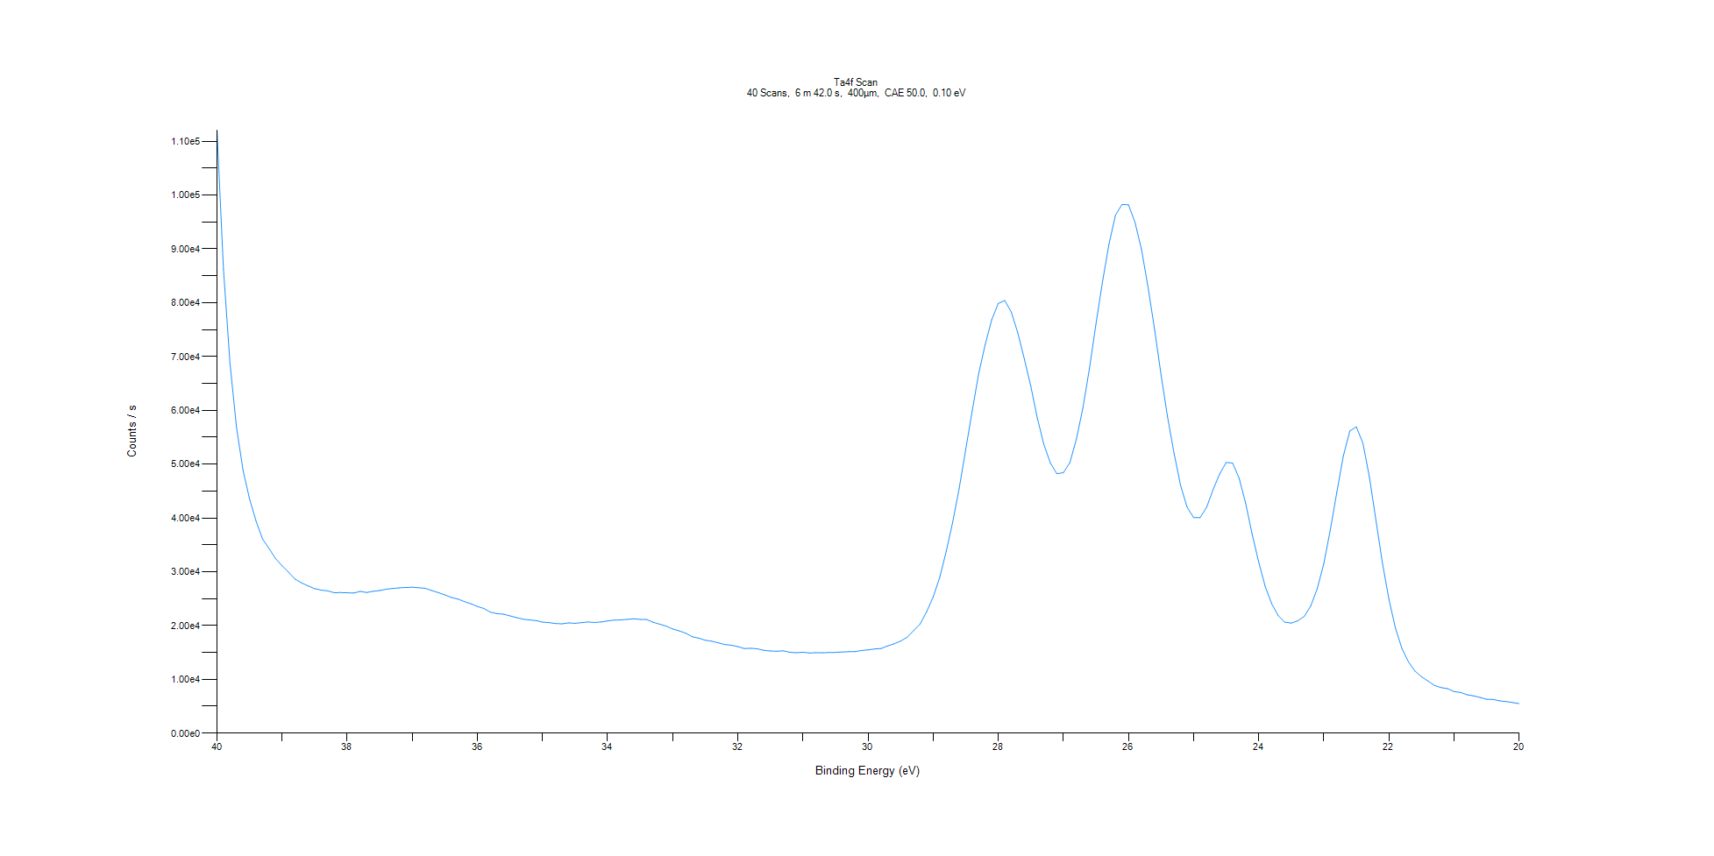
﻿
Axis | Energy | Elements= | 201

C:\XPS-UPS-Data\djung\TaRe_BOE_1124\Experiment\X-Ray001 400um - FG ON\Control_WK0\Ta4f Scan.VGD

Binding Energy (E)
eV |  | Counts / s
40 |  | 112078
39.9 |  | 86252.4
39.8 |  | 68755.1
39.7 |  | 56840.4
39.6 |  | 48891.9
39.5 |  | 43540
39.4 |  | 39421.8
39.3 |  | 36103.4
39.2 |  | 34314.2
39.1 |  | 32459.9
39 |  | 31113.4
38.9 |  | 29906.6
38.8 |  | 28633.1
38.7 |  | 27936.1
38.6 |  | 27355.9
38.5 |  | 26865
38.4 |  | 26581.9
38.3 |  | 26455.8
38.2 |  | 26105.5
38.1 |  | 26138.6
38 |  | 26093.8
37.9 |  | 26048.8
37.8 |  | 26354
37.7 |  | 26143.4
37.6 |  | 26372.1
37.5 |  | 26510.6
37.4 |  | 26751.5
37.3 |  | 26895
37.2 |  | 27010.4
37.1 |  | 27077.4
37 |  | 27120
36.9 |  | 27027.4
36.8 |  | 26933.9
36.7 |  | 26503.9
36.6 |  | 26128.5
36.5 |  | 25699.6
36.4 |  | 25228.7
36.3 |  | 24932
36.2 |  | 24452.4
36.1 |  | 24049.4
36 |  | 23552.3
35.9 |  | 23171.5
35.8 |  | 22479.8
35.7 |  | 22225.5
35.6 |  | 22112.2
35.5 |  | 21798.5
35.4 |  | 21486.4
35.3 |  | 21188.9
35.2 |  | 21048.7
35.1 |  | 20920.9
35 |  | 20634.7
34.9 |  | 20552.2
34.8 |  | 20371.1
34.7 |  | 20322.2
34.6 |  | 20501.9
34.5 |  | 20419.2
34.4 |  | 20539.8
34.3 |  | 20663.4
34.2 |  | 20578
34.1 |  | 20660.4
34 |  | 20867
33.9 |  | 21018.5
33.8 |  | 21046.5
33.7 |  | 21152.9
33.6 |  | 21263.4
33.5 |  | 21152.8
33.4 |  | 21128
33.3 |  | 20607.4
33.2 |  | 20257.8
33.1 |  | 19892.5
33 |  | 19353.2
32.9 |  | 19009.3
32.8 |  | 18570.7
32.7 |  | 17923.2
32.6 |  | 17672.1
32.5 |  | 17267
32.4 |  | 17086.8
32.3 |  | 16796.7
32.2 |  | 16481.3
32.1 |  | 16344.4
32 |  | 16091.9
31.9 |  | 15724.2
31.8 |  | 15782.9
31.7 |  | 15672.9
31.6 |  | 15401.8
31.5 |  | 15274.8
31.4 |  | 15238.5
31.3 |  | 15309.6
31.2 |  | 15028.2
31.1 |  | 14948
31 |  | 15040.1
30.9 |  | 14907.4
30.8 |  | 14953.7
30.7 |  | 14929.2
30.6 |  | 14997.6
30.5 |  | 15008.8
30.4 |  | 15079
30.3 |  | 15139.3
30.2 |  | 15165.3
30.1 |  | 15365.7
30 |  | 15483.6
29.9 |  | 15656.2
29.8 |  | 15738.7
29.7 |  | 16209.1
29.6 |  | 16600.3
29.5 |  | 17114
29.4 |  | 17819.1
29.3 |  | 19055.8
29.2 |  | 20296.1
29.1 |  | 22576.6
29 |  | 25305.5
28.9 |  | 28946.4
28.8 |  | 33720.5
28.7 |  | 39197.4
28.6 |  | 45515.2
28.5 |  | 52706.2
28.4 |  | 59916
28.3 |  | 66900.7
28.2 |  | 72246.5
28.1 |  | 76856.1
28 |  | 79872
27.9 |  | 80403.5
27.8 |  | 78265
27.7 |  | 74427.9
27.6 |  | 69572.4
27.5 |  | 64489.1
27.4 |  | 58550.2
27.3 |  | 53676
27.2 |  | 50209.9
27.1 |  | 48216.9
27 |  | 48415.7
26.9 |  | 50288.6
26.8 |  | 54648.9
26.7 |  | 60476.8
26.6 |  | 67700.9
26.5 |  | 75994.5
26.4 |  | 83823.5
26.3 |  | 90879.4
26.2 |  | 96292.7
26.1 |  | 98253.5
26 |  | 98207.5
25.9 |  | 94947.9
25.8 |  | 89917.4
25.7 |  | 82924.5
25.6 |  | 75095.2
25.5 |  | 66678.2
25.4 |  | 58807.3
25.3 |  | 52039.6
25.2 |  | 46033.6
25.1 |  | 42014.2
25 |  | 40082.1
24.9 |  | 40051.5
24.8 |  | 41979.4
24.7 |  | 45278.3
24.6 |  | 48160.7
24.5 |  | 50320.7
24.4 |  | 50203.8
24.3 |  | 47376.4
24.2 |  | 42710.7
24.1 |  | 36958.5
24 |  | 31799.5
23.9 |  | 27264.7
23.8 |  | 24050.5
23.7 |  | 21840.1
23.6 |  | 20642.7
23.5 |  | 20457.8
23.4 |  | 20888
23.3 |  | 21704.5
23.2 |  | 23662.6
23.1 |  | 26865.3
23 |  | 31523.2
22.9 |  | 37791.2
22.8 |  | 44787.3
22.7 |  | 51494.5
22.6 |  | 56165.9
22.5 |  | 56935.8
22.4 |  | 53925.8
22.3 |  | 47622.9
22.2 |  | 39608.6
22.1 |  | 31682.7
22 |  | 24928.7
21.9 |  | 19522.7
21.8 |  | 15741.3
21.7 |  | 13259.7
21.6 |  | 11553.6
21.5 |  | 10497.9
21.4 |  | 9702.89
21.3 |  | 8862.57
21.2 |  | 8475.59
21.1 |  | 8270.09
21 |  | 7731.07
20.9 |  | 7567.47
20.8 |  | 7144.34
20.7 |  | 6932.56
20.6 |  | 6632.2
20.5 |  | 6298.21
20.4 |  | 6271.1
20.3 |  | 6017.07
20.2 |  | 5875.13
20.1 |  | 5692.53
20 |  | 5498.12

Re4f Scan
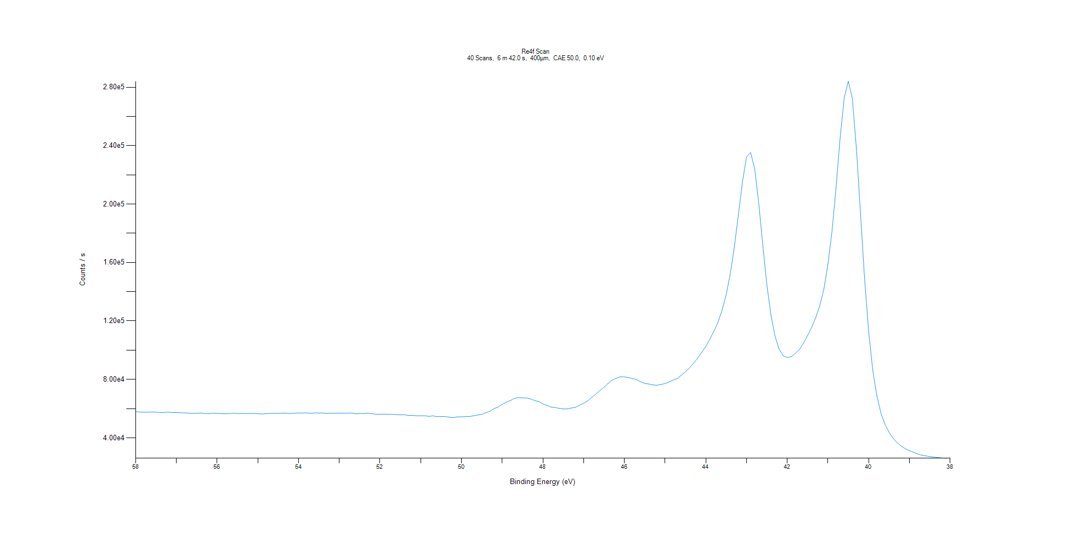
﻿
Axis | Energy | Elements= | 201

C:\XPS-UPS-Data\djung\TaRe_BOE_1124\Experiment\X-Ray001 400um - FG ON\Control_WK0\Re4f Scan.VGD

Binding Energy (E)
eV |  | Counts / s
58 |  | 57882.7
57.9 |  | 57687.6
57.8 |  | 57574.7
57.7 |  | 57550.5
57.6 |  | 57692.7
57.5 |  | 57640.3
57.4 |  | 57223.2
57.3 |  | 57333.4
57.2 |  | 57558.6
57.1 |  | 57239.6
57 |  | 57255.3
56.9 |  | 57171.4
56.8 |  | 57072.7
56.7 |  | 56910.1
56.6 |  | 56734
56.5 |  | 56755.5
56.4 |  | 56959.5
56.3 |  | 56598.6
56.2 |  | 56615.9
56.1 |  | 56824.7
56 |  | 56616.6
55.9 |  | 56529.1
55.8 |  | 56434.6
55.7 |  | 56597.8
55.6 |  | 56854.9
55.5 |  | 56573.3
55.4 |  | 56722.4
55.3 |  | 56673.6
55.2 |  | 56593.2
55.1 |  | 56685.3
55 |  | 56519.5
54.9 |  | 56268.3
54.8 |  | 56613.6
54.7 |  | 56666.2
54.6 |  | 56755.6
54.5 |  | 56741
54.4 |  | 56827.5
54.3 |  | 56849.5
54.2 |  | 56641
54.1 |  | 56906.5
54 |  | 56987.3
53.9 |  | 56993.4
53.8 |  | 57114.3
53.7 |  | 56700.9
53.6 |  | 57052.8
53.5 |  | 56998
53.4 |  | 56940.6
53.3 |  | 56737.8
53.2 |  | 56875.6
53.1 |  | 56935.9
53 |  | 56874.2
52.9 |  | 56905.3
52.8 |  | 56860.3
52.7 |  | 57019.1
52.6 |  | 56398
52.5 |  | 56688.7
52.4 |  | 56565.2
52.3 |  | 56885.5
52.2 |  | 56551.6
52.1 |  | 56182.8
52 |  | 56078.9
51.9 |  | 56226.7
51.8 |  | 56010.8
51.7 |  | 56077.8
51.6 |  | 55884.8
51.5 |  | 55757.5
51.4 |  | 55784.1
51.3 |  | 55341.3
51.2 |  | 55458.3
51.1 |  | 55078
51 |  | 55119.8
50.9 |  | 55094.4
50.8 |  | 54705.1
50.7 |  | 55007.8
50.6 |  | 54557.1
50.5 |  | 54618.4
50.4 |  | 54603.3
50.3 |  | 54113.8
50.2 |  | 53814.3
50.1 |  | 54372.6
50 |  | 54388.5
49.9 |  | 54596
49.8 |  | 54614.6
49.7 |  | 55097
49.6 |  | 55637.6
49.5 |  | 56087.2
49.4 |  | 57149.3
49.3 |  | 58185
49.2 |  | 59971.6
49.1 |  | 61099.8
49 |  | 62900.7
48.9 |  | 64413.7
48.8 |  | 65538.6
48.7 |  | 67022.7
48.6 |  | 67513
48.5 |  | 67335.3
48.4 |  | 67288.2
48.3 |  | 66602.5
48.2 |  | 65508.8
48.1 |  | 64870.7
48 |  | 63218.5
47.9 |  | 62214.8
47.8 |  | 61037.1
47.7 |  | 60717.1
47.6 |  | 60169.5
47.5 |  | 59768.3
47.4 |  | 59788.7
47.3 |  | 60399
47.2 |  | 60879.1
47.1 |  | 62369.3
47 |  | 63654.7
46.9 |  | 65322.2
46.8 |  | 67758
46.7 |  | 69877.6
46.6 |  | 72470.6
46.5 |  | 74657.1
46.4 |  | 77246.5
46.3 |  | 79541
46.2 |  | 80673.5
46.1 |  | 81840.7
46 |  | 81670.6
45.9 |  | 81300.1
45.8 |  | 80591.8
45.7 |  | 79882.7
45.6 |  | 78404.5
45.5 |  | 77229.5
45.4 |  | 76861.5
45.3 |  | 76215.5
45.2 |  | 76003.4
45.1 |  | 76516.1
45 |  | 77203.2
44.9 |  | 78212.4
44.8 |  | 79522.9
44.7 |  | 80603.6
44.6 |  | 82849.4
44.5 |  | 85110.1
44.4 |  | 87893.6
44.3 |  | 91028.4
44.2 |  | 94547.2
44.1 |  | 98478.5
44 |  | 102559
43.9 |  | 107515
43.8 |  | 113050
43.7 |  | 119162
43.6 |  | 127463
43.5 |  | 137852
43.4 |  | 151848
43.3 |  | 170412
43.2 |  | 192477
43.1 |  | 215116
43 |  | 232295
42.9 |  | 235223
42.8 |  | 224389
42.7 |  | 200595
42.6 |  | 171831
42.5 |  | 144445
42.4 |  | 124037
42.3 |  | 109587
42.2 |  | 100724
42.1 |  | 96249.5
42 |  | 94984.4
41.9 |  | 95568.6
41.8 |  | 97925.2
41.7 |  | 100481
41.6 |  | 104822
41.5 |  | 110086
41.4 |  | 115710
41.3 |  | 122300
41.2 |  | 130580
41.1 |  | 141824
41 |  | 158892
40.9 |  | 181539
40.8 |  | 211766
40.7 |  | 245530
40.6 |  | 272751
40.5 |  | 283984
40.4 |  | 272091
40.3 |  | 237426
40.2 |  | 193123
40.1 |  | 148710
40 |  | 112792
39.9 |  | 86244
39.8 |  | 69037.7
39.7 |  | 56937.1
39.6 |  | 49337.4
39.5 |  | 43799.2
39.4 |  | 39720
39.3 |  | 36669.7
39.2 |  | 34300.5
39.1 |  | 32508.2
39 |  | 31214.9
38.9 |  | 30096.4
38.8 |  | 29004.4
38.7 |  | 28147.7
38.6 |  | 27672.4
38.5 |  | 27159.5
38.4 |  | 26811.6
38.3 |  | 26512.2
38.2 |  | 26254.6
38.1 |  | 26036.6
38 |  | 26238.4

Al2p Scan
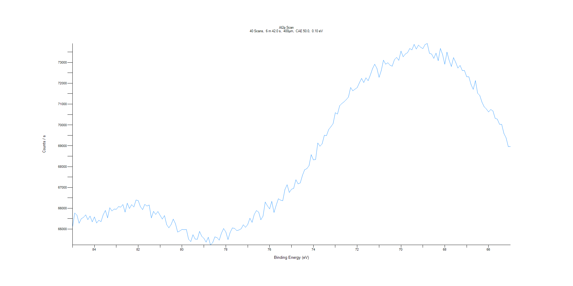
﻿
Axis | Energy | Elements= | 201

C:\XPS-UPS-Data\djung\TaRe_BOE_1124\Experiment\X-Ray001 400um - FG ON\Control_WK0\Al2p Scan.VGD

Binding Energy (E)
eV |  | Counts / s
85 |  | 65101.3
84.9 |  | 65772
84.8 |  | 65674.1
84.7 |  | 65285.7
84.6 |  | 65499
84.5 |  | 65563.2
84.4 |  | 65683.7
84.3 |  | 65456.7
84.2 |  | 65625.6
84.1 |  | 65349.5
84 |  | 65583.7
83.9 |  | 65294.8
83.8 |  | 65425.8
83.7 |  | 65358.8
83.6 |  | 65687.6
83.5 |  | 65896.7
83.4 |  | 65542.2
83.3 |  | 66028.3
83.2 |  | 65871.5
83.1 |  | 65962.9
83 |  | 65954
82.9 |  | 66080.5
82.8 |  | 66056
82.7 |  | 66178.8
82.6 |  | 65816.1
82.5 |  | 66245.2
82.4 |  | 65992.1
82.3 |  | 66175
82.2 |  | 66064
82.1 |  | 66397.8
82 |  | 66369.2
81.9 |  | 66078.2
81.8 |  | 65935.4
81.7 |  | 66186.8
81.6 |  | 66108.7
81.5 |  | 66158.7
81.4 |  | 65536.6
81.3 |  | 65851.7
81.2 |  | 65706.1
81.1 |  | 65844.1
81 |  | 65659.8
80.9 |  | 65484.8
80.8 |  | 65648.6
80.7 |  | 65211.6
80.6 |  | 65065.1
80.5 |  | 65216.3
80.4 |  | 65479.3
80.3 |  | 65261.5
80.2 |  | 64858.5
80.1 |  | 64913.4
80 |  | 64984.9
79.9 |  | 64973.7
79.8 |  | 64981
79.7 |  | 64513.8
79.6 |  | 64402.5
79.5 |  | 64731.7
79.4 |  | 64524.1
79.3 |  | 64513.9
79.2 |  | 64888.7
79.1 |  | 64660.4
79 |  | 64557
78.9 |  | 64377.1
78.8 |  | 64610.9
78.7 |  | 64240.1
78.6 |  | 64350.4
78.5 |  | 64628.5
78.4 |  | 64592.4
78.3 |  | 64471.7
78.2 |  | 64804.4
78.1 |  | 65028.5
78 |  | 64864
77.9 |  | 64501.1
77.8 |  | 64847
77.7 |  | 65056.4
77.6 |  | 65036
77.5 |  | 64929.2
77.4 |  | 64958.5
77.3 |  | 65017.6
77.2 |  | 65207.7
77.1 |  | 65087.4
77 |  | 65217.7
76.9 |  | 65522
76.8 |  | 65326.7
76.7 |  | 65708.6
76.6 |  | 65889.8
76.5 |  | 65815.9
76.4 |  | 65449.5
76.3 |  | 65624.6
76.2 |  | 66301.4
76.1 |  | 66117.6
76 |  | 65970.8
75.9 |  | 66332
75.8 |  | 65800.1
75.7 |  | 66141.4
75.6 |  | 66457.4
75.5 |  | 66392
75.4 |  | 66362.7
75.3 |  | 66899.8
75.2 |  | 67131.7
75.1 |  | 66759.6
75 |  | 66914.6
74.9 |  | 66958.2
74.8 |  | 67370.3
74.7 |  | 67173.1
74.6 |  | 67217.5
74.5 |  | 67581.3
74.4 |  | 67847.2
74.3 |  | 67904.5
74.2 |  | 68041.7
74.1 |  | 68573.8
74 |  | 68325.6
73.9 |  | 68340.8
73.8 |  | 69135.3
73.7 |  | 68981.1
73.6 |  | 69095.2
73.5 |  | 69505.7
73.4 |  | 69491.7
73.3 |  | 69784.5
73.2 |  | 69915.1
73.1 |  | 70063.1
73 |  | 70587.8
72.9 |  | 70521.6
72.8 |  | 70924.4
72.7 |  | 71028.1
72.6 |  | 71111.2
72.5 |  | 71215
72.4 |  | 71336.9
72.3 |  | 71797.5
72.2 |  | 71638.1
72.1 |  | 71717.3
72 |  | 71792.3
71.9 |  | 72021.4
71.8 |  | 72234.5
71.7 |  | 72037.1
71.6 |  | 72262
71.5 |  | 72124.6
71.4 |  | 72393.7
71.3 |  | 72702.3
71.2 |  | 72915
71.1 |  | 72716.6
71 |  | 72285.8
70.9 |  | 72614.7
70.8 |  | 73108.1
70.7 |  | 72917.9
70.6 |  | 72985.9
70.5 |  | 72869.1
70.4 |  | 72821.7
70.3 |  | 73132.4
70.2 |  | 73242.3
70.1 |  | 73100.2
70 |  | 73544.5
69.9 |  | 73272.1
69.8 |  | 73405.4
69.7 |  | 73471.6
69.6 |  | 73667
69.5 |  | 73603.4
69.4 |  | 73865.1
69.3 |  | 73644.2
69.2 |  | 73832.9
69.1 |  | 73727.6
69 |  | 73665
68.9 |  | 73858
68.8 |  | 73910.4
68.7 |  | 73439.9
68.6 |  | 73401.2
68.5 |  | 73197.3
68.4 |  | 73448.3
68.3 |  | 73086.6
68.2 |  | 73673.1
68.1 |  | 73376
68 |  | 72913
67.9 |  | 73495.1
67.8 |  | 73099.5
67.7 |  | 72806.6
67.6 |  | 73233.1
67.5 |  | 73001.3
67.4 |  | 72730.5
67.3 |  | 72855.3
67.2 |  | 72610.2
67.1 |  | 72609.3
67 |  | 72316.4
66.9 |  | 72310.8
66.8 |  | 71938
66.7 |  | 71708.2
66.6 |  | 72126.9
66.5 |  | 71523.9
66.4 |  | 71412.2
66.3 |  | 71089.5
66.2 |  | 70870.9
66.1 |  | 70765.5
66 |  | 70624.8
65.9 |  | 70742.1
65.8 |  | 70671.3
65.7 |  | 70319.3
65.6 |  | 70278.4
65.5 |  | 70034
65.4 |  | 70026.4
65.3 |  | 69592.1
65.2 |  | 69383.2
65.1 |  | 68960.7
65 |  | 68961.4

C1s Scan
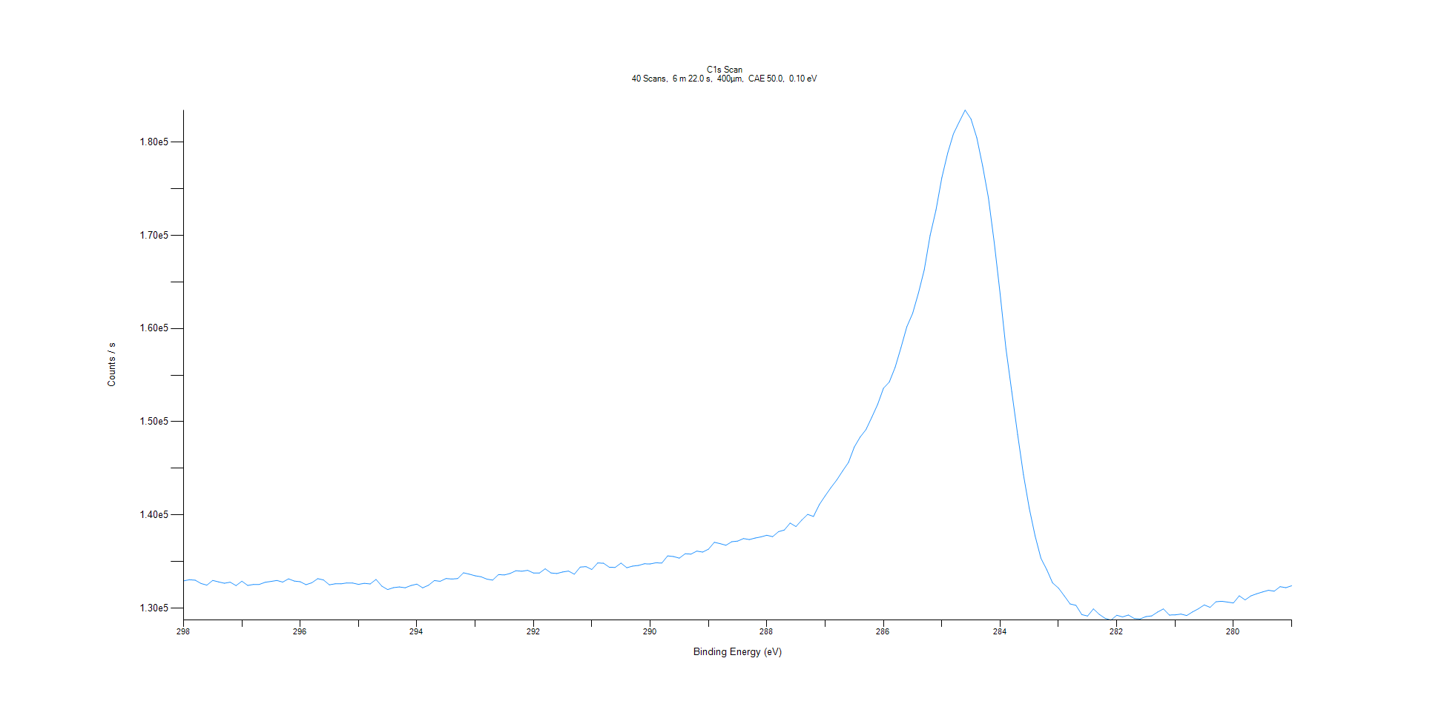
﻿
Axis | Energy | Elements= | 191

C:\XPS-UPS-Data\djung\TaRe_BOE_1124\Experiment\X-Ray001 400um - FG ON\Control_WK0\C1s Scan.VGD

Binding Energy (E)
eV |  | Counts / s
298 |  | 132933
297.9 |  | 133060
297.8 |  | 133011
297.7 |  | 132657
297.6 |  | 132480
297.5 |  | 132987
297.4 |  | 132826
297.3 |  | 132681
297.2 |  | 132795
297.1 |  | 132428
297 |  | 132900
296.9 |  | 132447
296.8 |  | 132550
296.7 |  | 132556
296.6 |  | 132786
296.5 |  | 132874
296.4 |  | 132980
296.3 |  | 132807
296.2 |  | 133154
296.1 |  | 132914
296 |  | 132846
295.9 |  | 132528
295.8 |  | 132734
295.7 |  | 133173
295.6 |  | 133035
295.5 |  | 132513
295.4 |  | 132621
295.3 |  | 132616
295.2 |  | 132718
295.1 |  | 132704
295 |  | 132565
294.9 |  | 132674
294.8 |  | 132605
294.7 |  | 133088
294.6 |  | 132368
294.5 |  | 132002
294.4 |  | 132208
294.3 |  | 132285
294.2 |  | 132196
294.1 |  | 132439
294 |  | 132588
293.9 |  | 132191
293.8 |  | 132470
293.7 |  | 132971
293.6 |  | 132892
293.5 |  | 133189
293.4 |  | 133132
293.3 |  | 133184
293.2 |  | 133798
293.1 |  | 133653
293 |  | 133482
292.9 |  | 133379
292.8 |  | 133125
292.7 |  | 133019
292.6 |  | 133611
292.5 |  | 133571
292.4 |  | 133734
292.3 |  | 134028
292.2 |  | 133968
292.1 |  | 134065
292 |  | 133777
291.9 |  | 133767
291.8 |  | 134231
291.7 |  | 133784
291.6 |  | 133725
291.5 |  | 133889
291.4 |  | 133986
291.3 |  | 133650
291.2 |  | 134416
291.1 |  | 134464
291 |  | 134155
290.9 |  | 134850
290.8 |  | 134832
290.7 |  | 134397
290.6 |  | 134378
290.5 |  | 134844
290.4 |  | 134346
290.3 |  | 134521
290.2 |  | 134589
290.1 |  | 134770
290 |  | 134752
289.9 |  | 134876
289.8 |  | 134844
289.7 |  | 135617
289.6 |  | 135548
289.5 |  | 135374
289.4 |  | 135848
289.3 |  | 135806
289.2 |  | 136127
289.1 |  | 136022
289 |  | 136336
288.9 |  | 137073
288.8 |  | 136931
288.7 |  | 136755
288.6 |  | 137138
288.5 |  | 137201
288.4 |  | 137473
288.3 |  | 137365
288.2 |  | 137531
288.1 |  | 137653
288 |  | 137825
287.9 |  | 137680
287.8 |  | 138211
287.7 |  | 138388
287.6 |  | 139132
287.5 |  | 138759
287.4 |  | 139462
287.3 |  | 140065
287.2 |  | 139841
287.1 |  | 141112
287 |  | 142047
286.9 |  | 142941
286.8 |  | 143760
286.7 |  | 144726
286.6 |  | 145638
286.5 |  | 147291
286.4 |  | 148352
286.3 |  | 149155
286.2 |  | 150482
286.1 |  | 151861
286 |  | 153598
285.9 |  | 154258
285.8 |  | 155829
285.7 |  | 157940
285.6 |  | 160179
285.5 |  | 161624
285.4 |  | 163825
285.3 |  | 166308
285.2 |  | 169976
285.1 |  | 172691
285 |  | 176156
284.9 |  | 178791
284.8 |  | 180877
284.7 |  | 182168
284.6 |  | 183422
284.5 |  | 182473
284.4 |  | 180453
284.3 |  | 177429
284.2 |  | 174005
284.1 |  | 169194
284 |  | 163730
283.9 |  | 157840
283.8 |  | 153206
283.7 |  | 148628
283.6 |  | 144329
283.5 |  | 140720
283.4 |  | 137753
283.3 |  | 135349
283.2 |  | 134132
283.1 |  | 132717
283 |  | 132172
282.9 |  | 131329
282.8 |  | 130464
282.7 |  | 130311
282.6 |  | 129318
282.5 |  | 129166
282.4 |  | 129929
282.3 |  | 129342
282.2 |  | 128922
282.1 |  | 128729
282 |  | 129250
281.9 |  | 129070
281.8 |  | 129277
281.7 |  | 128895
281.6 |  | 128851
281.5 |  | 129105
281.4 |  | 129179
281.3 |  | 129593
281.2 |  | 129930
281.1 |  | 129276
281 |  | 129287
280.9 |  | 129376
280.8 |  | 129222
280.7 |  | 129609
280.6 |  | 129945
280.5 |  | 130356
280.4 |  | 130095
280.3 |  | 130697
280.2 |  | 130751
280.1 |  | 130659
280 |  | 130564
279.9 |  | 131334
279.8 |  | 130895
279.7 |  | 131327
279.6 |  | 131554
279.5 |  | 131750
279.4 |  | 131926
279.3 |  | 131835
279.2 |  | 132313
279.1 |  | 132207
279 |  | 132413

N1s Scan
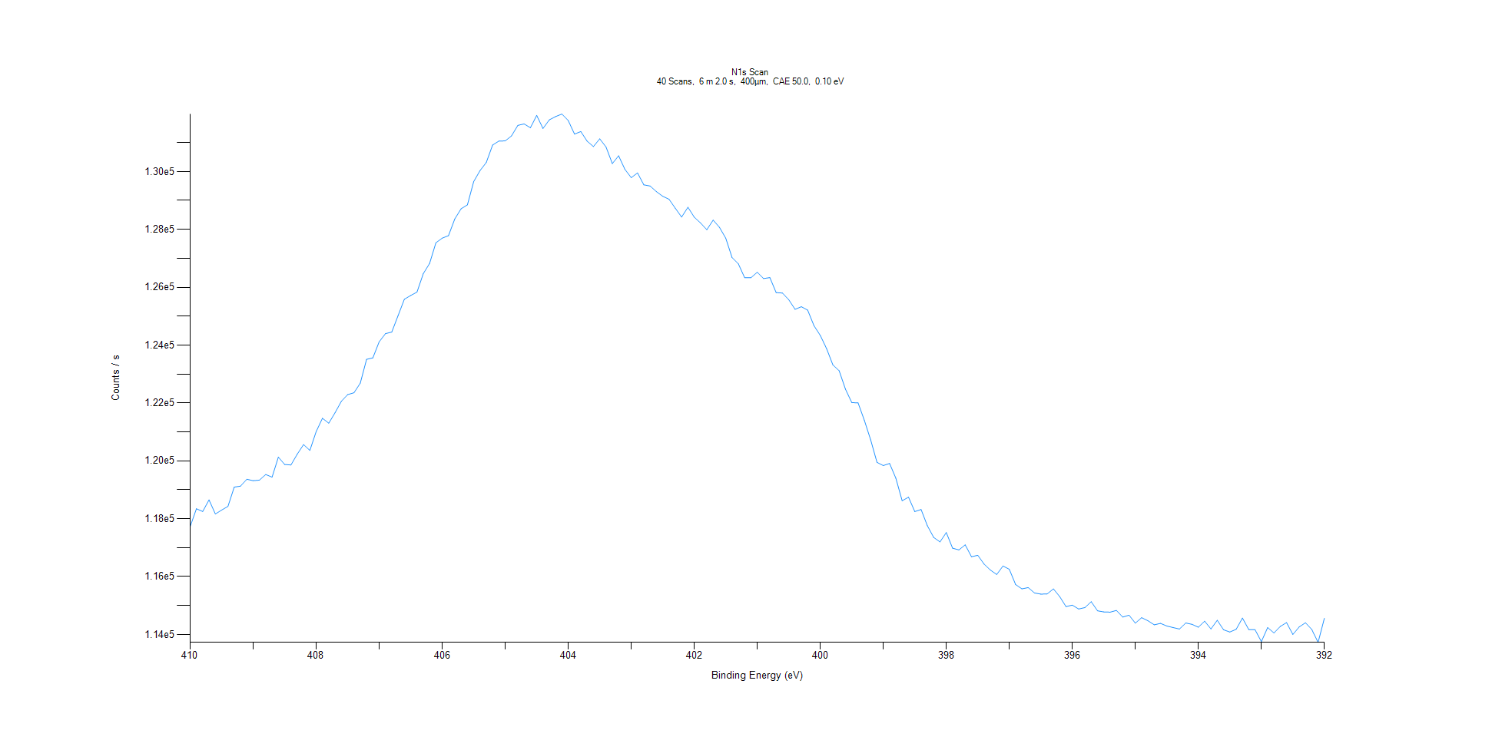
﻿
Axis | Energy | Elements= | 181

C:\XPS-UPS-Data\djung\TaRe_BOE_1124\Experiment\X-Ray001 400um - FG ON\Control_WK0\N1s Scan.VGD

Binding Energy (E)
eV |  | Counts / s
410 |  | 117729
409.9 |  | 118344
409.8 |  | 118249
409.7 |  | 118651
409.6 |  | 118164
409.5 |  | 118300
409.4 |  | 118425
409.3 |  | 119093
409.2 |  | 119127
409.1 |  | 119364
409 |  | 119314
408.9 |  | 119335
408.8 |  | 119528
408.7 |  | 119438
408.6 |  | 120129
408.5 |  | 119875
408.4 |  | 119857
408.3 |  | 120233
408.2 |  | 120564
408.1 |  | 120360
408 |  | 121009
407.9 |  | 121472
407.8 |  | 121303
407.7 |  | 121664
407.6 |  | 122060
407.5 |  | 122289
407.4 |  | 122354
407.3 |  | 122686
407.2 |  | 123508
407.1 |  | 123560
407 |  | 124114
406.9 |  | 124397
406.8 |  | 124452
406.7 |  | 125019
406.6 |  | 125586
406.5 |  | 125716
406.4 |  | 125833
406.3 |  | 126469
406.2 |  | 126820
406.1 |  | 127537
406 |  | 127697
405.9 |  | 127782
405.8 |  | 128360
405.7 |  | 128711
405.6 |  | 128848
405.5 |  | 129652
405.4 |  | 130030
405.3 |  | 130312
405.2 |  | 130915
405.1 |  | 131053
405 |  | 131058
404.9 |  | 131230
404.8 |  | 131594
404.7 |  | 131645
404.6 |  | 131513
404.5 |  | 131941
404.4 |  | 131488
404.3 |  | 131785
404.2 |  | 131898
404.1 |  | 131987
404 |  | 131764
403.9 |  | 131294
403.8 |  | 131382
403.7 |  | 131049
403.6 |  | 130863
403.5 |  | 131129
403.4 |  | 130848
403.3 |  | 130274
403.2 |  | 130545
403.1 |  | 130075
403 |  | 129788
402.9 |  | 129951
402.8 |  | 129539
402.7 |  | 129500
402.6 |  | 129303
402.5 |  | 129145
402.4 |  | 129041
402.3 |  | 128731
402.2 |  | 128427
402.1 |  | 128765
402 |  | 128422
401.9 |  | 128222
401.8 |  | 127989
401.7 |  | 128320
401.6 |  | 128072
401.5 |  | 127697
401.4 |  | 127030
401.3 |  | 126808
401.2 |  | 126330
401.1 |  | 126328
401 |  | 126520
400.9 |  | 126301
400.8 |  | 126333
400.7 |  | 125814
400.6 |  | 125800
400.5 |  | 125569
400.4 |  | 125238
400.3 |  | 125327
400.2 |  | 125209
400.1 |  | 124673
400 |  | 124334
399.9 |  | 123879
399.8 |  | 123317
399.7 |  | 123113
399.6 |  | 122478
399.5 |  | 122014
399.4 |  | 122003
399.3 |  | 121399
399.2 |  | 120725
399.1 |  | 119948
399 |  | 119837
398.9 |  | 119909
398.8 |  | 119398
398.7 |  | 118619
398.6 |  | 118745
398.5 |  | 118247
398.4 |  | 118320
398.3 |  | 117758
398.2 |  | 117353
398.1 |  | 117199
398 |  | 117522
397.9 |  | 116983
397.8 |  | 116921
397.7 |  | 117097
397.6 |  | 116687
397.5 |  | 116735
397.4 |  | 116433
397.3 |  | 116225
397.2 |  | 116073
397.1 |  | 116366
397 |  | 116254
396.9 |  | 115725
396.8 |  | 115577
396.7 |  | 115621
396.6 |  | 115434
396.5 |  | 115395
396.4 |  | 115400
396.3 |  | 115576
396.2 |  | 115308
396.1 |  | 114963
396 |  | 115014
395.9 |  | 114881
395.8 |  | 114928
395.7 |  | 115132
395.6 |  | 114818
395.5 |  | 114779
395.4 |  | 114771
395.3 |  | 114830
395.2 |  | 114601
395.1 |  | 114666
395 |  | 114391
394.9 |  | 114581
394.8 |  | 114475
394.7 |  | 114333
394.6 |  | 114383
394.5 |  | 114292
394.4 |  | 114239
394.3 |  | 114187
394.2 |  | 114396
394.1 |  | 114350
394 |  | 114250
393.9 |  | 114460
393.8 |  | 114190
393.7 |  | 114490
393.6 |  | 114163
393.5 |  | 114084
393.4 |  | 114179
393.3 |  | 114567
393.2 |  | 114169
393.1 |  | 114163
393 |  | 113753
392.9 |  | 114239
392.8 |  | 114052
392.7 |  | 114277
392.6 |  | 114410
392.5 |  | 114000
392.4 |  | 114258
392.3 |  | 114404
392.2 |  | 114174
392.1 |  | 113726
392 |  | 114558

O1s Scan
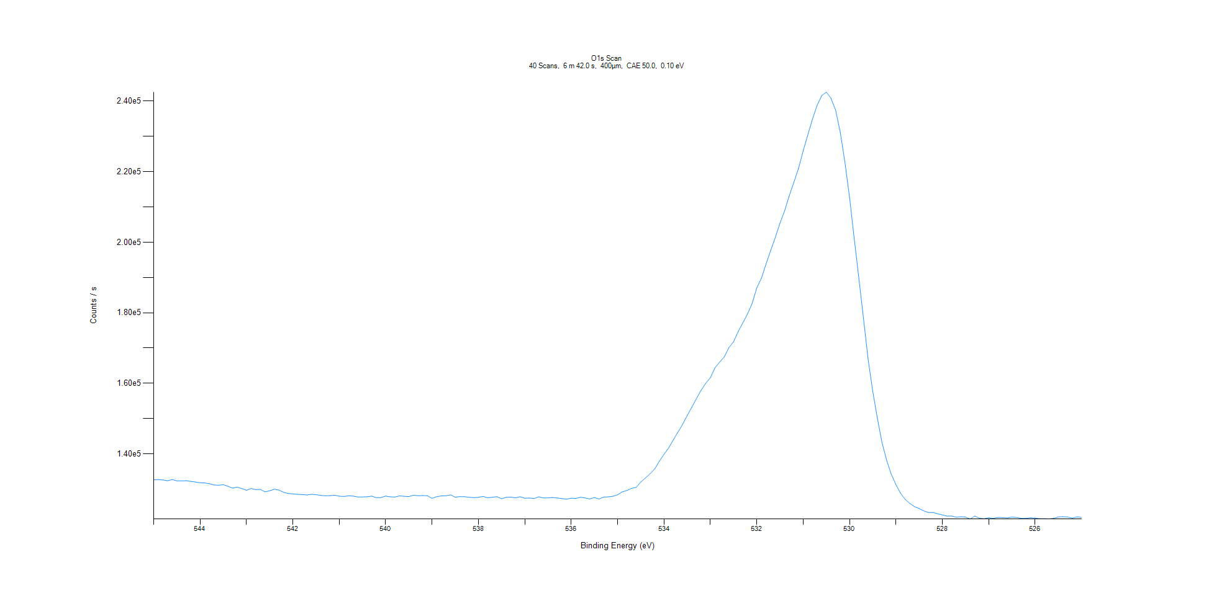
﻿
Axis | Energy | Elements= | 201

C:\XPS-UPS-Data\djung\TaRe_BOE_1124\Experiment\X-Ray001 400um - FG ON\Control_WK0\O1s Scan.VGD

Binding Energy (E)
eV |  | Counts / s
545 |  | 132619
544.9 |  | 132692
544.8 |  | 132579
544.7 |  | 132350
544.6 |  | 132704
544.5 |  | 132323
544.4 |  | 132315
544.3 |  | 132356
544.2 |  | 132177
544.1 |  | 132004
544 |  | 131789
543.9 |  | 131732
543.8 |  | 131511
543.7 |  | 131162
543.6 |  | 131100
543.5 |  | 131238
543.4 |  | 130790
543.3 |  | 130276
543.2 |  | 130542
543.1 |  | 130129
543 |  | 129668
542.9 |  | 130153
542.8 |  | 129843
542.7 |  | 129895
542.6 |  | 129211
542.5 |  | 129507
542.4 |  | 129959
542.3 |  | 129716
542.2 |  | 129089
542.1 |  | 128728
542 |  | 128631
541.9 |  | 128504
541.8 |  | 128462
541.7 |  | 128319
541.6 |  | 128508
541.5 |  | 128416
541.4 |  | 128195
541.3 |  | 128111
541.2 |  | 128128
541.1 |  | 128259
541 |  | 127974
540.9 |  | 127903
540.8 |  | 128075
540.7 |  | 128023
540.6 |  | 127759
540.5 |  | 127762
540.4 |  | 127823
540.3 |  | 127999
540.2 |  | 127557
540.1 |  | 127605
540 |  | 128008
539.9 |  | 127803
539.8 |  | 127733
539.7 |  | 128065
539.6 |  | 127948
539.5 |  | 127868
539.4 |  | 128253
539.3 |  | 128122
539.2 |  | 128139
539.1 |  | 128115
539 |  | 127378
538.9 |  | 127824
538.8 |  | 128068
538.7 |  | 128098
538.6 |  | 128343
538.5 |  | 127704
538.4 |  | 127863
538.3 |  | 127834
538.2 |  | 127689
538.1 |  | 127566
538 |  | 127658
537.9 |  | 127910
537.8 |  | 127539
537.7 |  | 127683
537.6 |  | 127844
537.5 |  | 127268
537.4 |  | 127659
537.3 |  | 127720
537.2 |  | 127522
537.1 |  | 127810
537 |  | 127415
536.9 |  | 127453
536.8 |  | 127307
536.7 |  | 127784
536.6 |  | 127502
536.5 |  | 127494
536.4 |  | 127617
536.3 |  | 127468
536.2 |  | 127295
536.1 |  | 127141
536 |  | 127418
535.9 |  | 127351
535.8 |  | 127675
535.7 |  | 127493
535.6 |  | 127194
535.5 |  | 127599
535.4 |  | 127170
535.3 |  | 127746
535.2 |  | 127787
535.1 |  | 127961
535 |  | 128386
534.9 |  | 129192
534.8 |  | 129584
534.7 |  | 130184
534.6 |  | 130491
534.5 |  | 131995
534.4 |  | 133145
534.3 |  | 134344
534.2 |  | 135704
534.1 |  | 137920
534 |  | 139839
533.9 |  | 141662
533.8 |  | 143914
533.7 |  | 146124
533.6 |  | 148312
533.5 |  | 150822
533.4 |  | 153187
533.3 |  | 155667
533.2 |  | 158016
533.1 |  | 159995
533 |  | 161585
532.9 |  | 164396
532.8 |  | 165987
532.7 |  | 167500
532.6 |  | 170113
532.5 |  | 171763
532.4 |  | 174679
532.3 |  | 177118
532.2 |  | 179634
532.1 |  | 182602
532 |  | 187038
531.9 |  | 189766
531.8 |  | 193815
531.7 |  | 197676
531.6 |  | 201357
531.5 |  | 205395
531.4 |  | 208876
531.3 |  | 213188
531.2 |  | 216974
531.1 |  | 220938
531 |  | 225855
530.9 |  | 230420
530.8 |  | 234873
530.7 |  | 238761
530.6 |  | 241558
530.5 |  | 242548
530.4 |  | 240813
530.3 |  | 237410
530.2 |  | 231105
530.1 |  | 222670
530 |  | 212670
529.9 |  | 201110
529.8 |  | 189845
529.7 |  | 178411
529.6 |  | 166844
529.5 |  | 157717
529.4 |  | 150061
529.3 |  | 143159
529.2 |  | 138163
529.1 |  | 134190
529 |  | 131238
528.9 |  | 128812
528.8 |  | 127057
528.7 |  | 125900
528.6 |  | 125022
528.5 |  | 124461
528.4 |  | 123814
528.3 |  | 123348
528.2 |  | 123383
528.1 |  | 122979
528 |  | 122668
527.9 |  | 122325
527.8 |  | 122367
527.7 |  | 122011
527.6 |  | 122145
527.5 |  | 122051
527.4 |  | 121501
527.3 |  | 122351
527.2 |  | 121732
527.1 |  | 121593
527 |  | 121867
526.9 |  | 121688
526.8 |  | 121972
526.7 |  | 121917
526.6 |  | 121828
526.5 |  | 122045
526.4 |  | 121943
526.3 |  | 121699
526.2 |  | 121702
526.1 |  | 121865
526 |  | 121769
525.9 |  | 121605
525.8 |  | 121606
525.7 |  | 121546
525.6 |  | 121698
525.5 |  | 122092
525.4 |  | 122155
525.3 |  | 122073
525.2 |  | 121764
525.1 |  | 122104
525 |  | 121966

