XPS Survey
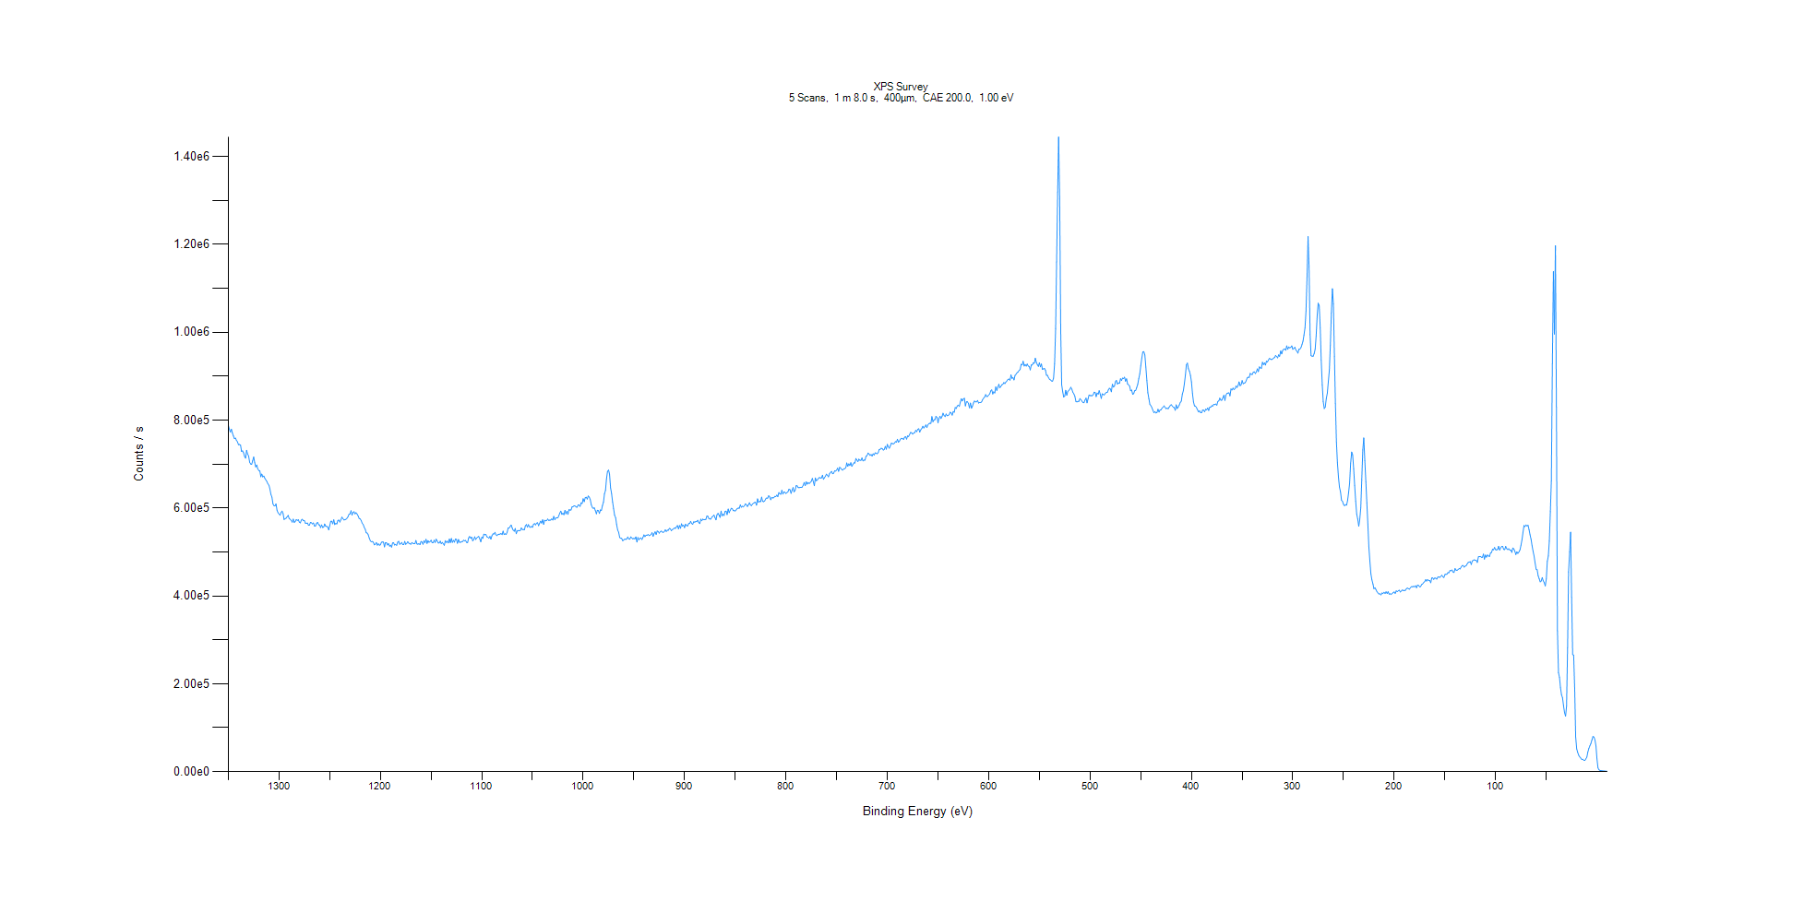
﻿
Axis | Energy | Elements= | 1361

C:\XPS-UPS-Data\djung\MWL_TaOnly_1123\Experiment\X-Ray 400um - FG ON\Control_1125\XPS Survey.VGD

Binding Energy (E)
eV |  | Counts / s
1350 |  | 787926
1349 |  | 779177
1348 |  | 772822
1347 |  | 779375
1346 |  | 770525
1345 |  | 763703
1344 |  | 757915
1343 |  | 759139
1342 |  | 753804
1341 |  | 750508
1340 |  | 744168
1339 |  | 744539
1338 |  | 743389
1337 |  | 728506
1336 |  | 730039
1335 |  | 725859
1334 |  | 717409
1333 |  | 713245
1332 |  | 731300
1331 |  | 722611
1330 |  | 718037
1329 |  | 704110
1328 |  | 700146
1327 |  | 699457
1326 |  | 707502
1325 |  | 716014
1324 |  | 703113
1323 |  | 693502
1322 |  | 697984
1321 |  | 689474
1320 |  | 685321
1319 |  | 684781
1318 |  | 671031
1317 |  | 677282
1316 |  | 670787
1315 |  | 672743
1314 |  | 667432
1313 |  | 664013
1312 |  | 660146
1311 |  | 654889
1310 |  | 651911
1309 |  | 643274
1308 |  | 630962
1307 |  | 624930
1306 |  | 609482
1305 |  | 605312
1304 |  | 604728
1303 |  | 609322
1302 |  | 595169
1301 |  | 589111
1300 |  | 586206
1299 |  | 583487
1298 |  | 589771
1297 |  | 593083
1296 |  | 587301
1295 |  | 573766
1294 |  | 575792
1293 |  | 576789
1292 |  | 580268
1291 |  | 583260
1290 |  | 575882
1289 |  | 574235
1288 |  | 571999
1287 |  | 567881
1286 |  | 574745
1285 |  | 567092
1284 |  | 569147
1283 |  | 573776
1282 |  | 571792
1281 |  | 573430
1280 |  | 567863
1279 |  | 566185
1278 |  | 572644
1277 |  | 574456
1276 |  | 571140
1275 |  | 571459
1274 |  | 565564
1273 |  | 565118
1272 |  | 565766
1271 |  | 561091
1270 |  | 561226
1269 |  | 567260
1268 |  | 566248
1267 |  | 563763
1266 |  | 566034
1265 |  | 558976
1264 |  | 559179
1263 |  | 565527
1262 |  | 567506
1261 |  | 561927
1260 |  | 561398
1259 |  | 555450
1258 |  | 561658
1257 |  | 555858
1256 |  | 556363
1255 |  | 563718
1254 |  | 558562
1253 |  | 558336
1252 |  | 556833
1251 |  | 550141
1250 |  | 559654
1249 |  | 569805
1248 |  | 570134
1247 |  | 564011
1246 |  | 573304
1245 |  | 562280
1244 |  | 565062
1243 |  | 563789
1242 |  | 571656
1241 |  | 572581
1240 |  | 567961
1239 |  | 573082
1238 |  | 579231
1237 |  | 576111
1236 |  | 572737
1235 |  | 573420
1234 |  | 574250
1233 |  | 576700
1232 |  | 580169
1231 |  | 585638
1230 |  | 586601
1229 |  | 593880
1228 |  | 583813
1227 |  | 589897
1226 |  | 591659
1225 |  | 586570
1224 |  | 589356
1223 |  | 586206
1222 |  | 582037
1221 |  | 576216
1220 |  | 575210
1219 |  | 571750
1218 |  | 565332
1217 |  | 562385
1216 |  | 556187
1215 |  | 551760
1214 |  | 543710
1213 |  | 542931
1212 |  | 539113
1211 |  | 531367
1210 |  | 525710
1209 |  | 522914
1208 |  | 523925
1207 |  | 522175
1206 |  | 516157
1205 |  | 517540
1204 |  | 521419
1203 |  | 515372
1202 |  | 518534
1201 |  | 515412
1200 |  | 516375
1199 |  | 522155
1198 |  | 522587
1197 |  | 522317
1196 |  | 511421
1195 |  | 521256
1194 |  | 520994
1193 |  | 515789
1192 |  | 519072
1191 |  | 513015
1190 |  | 515492
1189 |  | 510912
1188 |  | 520458
1187 |  | 520917
1186 |  | 515847
1185 |  | 517213
1184 |  | 514976
1183 |  | 522222
1182 |  | 524312
1181 |  | 517324
1180 |  | 518916
1179 |  | 521704
1178 |  | 516548
1177 |  | 516563
1176 |  | 524011
1175 |  | 517215
1174 |  | 519541
1173 |  | 523409
1172 |  | 519890
1171 |  | 518627
1170 |  | 517634
1169 |  | 521414
1168 |  | 519551
1167 |  | 518978
1166 |  | 518626
1165 |  | 526205
1164 |  | 518404
1163 |  | 517451
1162 |  | 519067
1161 |  | 516533
1160 |  | 523884
1159 |  | 522425
1158 |  | 517510
1157 |  | 525636
1156 |  | 521201
1155 |  | 528834
1154 |  | 519356
1153 |  | 525709
1152 |  | 521972
1151 |  | 523938
1150 |  | 526651
1149 |  | 520871
1148 |  | 520953
1147 |  | 526690
1146 |  | 521608
1145 |  | 529161
1144 |  | 525217
1143 |  | 520488
1142 |  | 520450
1141 |  | 524641
1140 |  | 518783
1139 |  | 521788
1138 |  | 518423
1137 |  | 515179
1136 |  | 525719
1135 |  | 521588
1134 |  | 524545
1133 |  | 520528
1132 |  | 529390
1131 |  | 521286
1130 |  | 530572
1129 |  | 521770
1128 |  | 526409
1127 |  | 522184
1126 |  | 529630
1125 |  | 528700
1124 |  | 519752
1123 |  | 528323
1122 |  | 522167
1121 |  | 521881
1120 |  | 523353
1119 |  | 523573
1118 |  | 526754
1117 |  | 525270
1116 |  | 526263
1115 |  | 521775
1114 |  | 521282
1113 |  | 532287
1112 |  | 535144
1111 |  | 531106
1110 |  | 533751
1109 |  | 525279
1108 |  | 528448
1107 |  | 534521
1106 |  | 528378
1105 |  | 531829
1104 |  | 533888
1103 |  | 535304
1102 |  | 529534
1101 |  | 523178
1100 |  | 533628
1099 |  | 530889
1098 |  | 540528
1097 |  | 539136
1096 |  | 539937
1095 |  | 534713
1094 |  | 533568
1093 |  | 531196
1092 |  | 535353
1091 |  | 529157
1090 |  | 536908
1089 |  | 541053
1088 |  | 540866
1087 |  | 544692
1086 |  | 539042
1085 |  | 537027
1084 |  | 539698
1083 |  | 540379
1082 |  | 540623
1081 |  | 542213
1080 |  | 539346
1079 |  | 547450
1078 |  | 539691
1077 |  | 541205
1076 |  | 539660
1075 |  | 544857
1074 |  | 554309
1073 |  | 554502
1072 |  | 558085
1071 |  | 561280
1070 |  | 554130
1069 |  | 549652
1068 |  | 547176
1067 |  | 553487
1066 |  | 541464
1065 |  | 547930
1064 |  | 548885
1063 |  | 548007
1062 |  | 549152
1061 |  | 554802
1060 |  | 551042
1059 |  | 551061
1058 |  | 550505
1057 |  | 559702
1056 |  | 562301
1055 |  | 556327
1054 |  | 562188
1053 |  | 557527
1052 |  | 555849
1051 |  | 558418
1050 |  | 555918
1049 |  | 562745
1048 |  | 564754
1047 |  | 561553
1046 |  | 565532
1045 |  | 566464
1044 |  | 559797
1043 |  | 565387
1042 |  | 570143
1041 |  | 565602
1040 |  | 573434
1039 |  | 562774
1038 |  | 572071
1037 |  | 571000
1036 |  | 571400
1035 |  | 574892
1034 |  | 571963
1033 |  | 572371
1032 |  | 572546
1031 |  | 575373
1030 |  | 572588
1029 |  | 581032
1028 |  | 573549
1027 |  | 577119
1026 |  | 577805
1025 |  | 577542
1024 |  | 582743
1023 |  | 588850
1022 |  | 592923
1021 |  | 585415
1020 |  | 588214
1019 |  | 584669
1018 |  | 594720
1017 |  | 586878
1016 |  | 592588
1015 |  | 585634
1014 |  | 596254
1013 |  | 595234
1012 |  | 595440
1011 |  | 602303
1010 |  | 603190
1009 |  | 605055
1008 |  | 604511
1007 |  | 602267
1006 |  | 601960
1005 |  | 606985
1004 |  | 606617
1003 |  | 603622
1002 |  | 611990
1001 |  | 610175
1000 |  | 621065
999 |  | 614384
998 |  | 623527
997 |  | 624563
996 |  | 620296
995 |  | 627357
994 |  | 624968
993 |  | 619041
992 |  | 607373
991 |  | 601710
990 |  | 599016
989 |  | 600577
988 |  | 594242
987 |  | 586754
986 |  | 594892
985 |  | 594157
984 |  | 587713
983 |  | 595673
982 |  | 594308
981 |  | 605758
980 |  | 613302
979 |  | 632204
978 |  | 640151
977 |  | 666034
976 |  | 683512
975 |  | 686263
974 |  | 676945
973 |  | 645904
972 |  | 633186
971 |  | 613732
970 |  | 598699
969 |  | 583407
968 |  | 577860
967 |  | 562161
966 |  | 549832
965 |  | 544828
964 |  | 532827
963 |  | 531294
962 |  | 530760
961 |  | 525468
960 |  | 527116
959 |  | 529468
958 |  | 528563
957 |  | 529766
956 |  | 534157
955 |  | 529614
954 |  | 529016
953 |  | 534458
952 |  | 532073
951 |  | 529560
950 |  | 531010
949 |  | 529686
948 |  | 534354
947 |  | 522620
946 |  | 532794
945 |  | 527895
944 |  | 530855
943 |  | 531941
942 |  | 528254
941 |  | 533523
940 |  | 538945
939 |  | 534790
938 |  | 538219
937 |  | 537730
936 |  | 539865
935 |  | 537107
934 |  | 538168
933 |  | 539767
932 |  | 543820
931 |  | 535618
930 |  | 542007
929 |  | 545812
928 |  | 539861
927 |  | 547609
926 |  | 546499
925 |  | 542695
924 |  | 545900
923 |  | 547507
922 |  | 545551
921 |  | 544153
920 |  | 546398
919 |  | 550481
918 |  | 546585
917 |  | 549530
916 |  | 549399
915 |  | 553532
914 |  | 552768
913 |  | 548228
912 |  | 550926
911 |  | 552279
910 |  | 554793
909 |  | 553608
908 |  | 557197
907 |  | 560129
906 |  | 552503
905 |  | 560110
904 |  | 553800
903 |  | 564044
902 |  | 558602
901 |  | 560922
900 |  | 555220
899 |  | 563189
898 |  | 560070
897 |  | 559013
896 |  | 564576
895 |  | 564909
894 |  | 569656
893 |  | 564746
892 |  | 562834
891 |  | 568471
890 |  | 567861
889 |  | 568888
888 |  | 569368
887 |  | 572133
886 |  | 566465
885 |  | 564633
884 |  | 574668
883 |  | 571070
882 |  | 574674
881 |  | 573221
880 |  | 573787
879 |  | 573803
878 |  | 581708
877 |  | 581047
876 |  | 575946
875 |  | 574824
874 |  | 574859
873 |  | 579579
872 |  | 581067
871 |  | 583941
870 |  | 578493
869 |  | 573128
868 |  | 584679
867 |  | 587912
866 |  | 583580
865 |  | 578632
864 |  | 593059
863 |  | 582031
862 |  | 586058
861 |  | 582758
860 |  | 592149
859 |  | 592881
858 |  | 584972
857 |  | 597610
856 |  | 589346
855 |  | 594542
854 |  | 599176
853 |  | 598781
852 |  | 594115
851 |  | 594210
850 |  | 593178
849 |  | 595659
848 |  | 598792
847 |  | 599689
846 |  | 599628
845 |  | 607217
844 |  | 601707
843 |  | 604059
842 |  | 602400
841 |  | 604854
840 |  | 609546
839 |  | 607781
838 |  | 603469
837 |  | 607178
836 |  | 612080
835 |  | 606642
834 |  | 605503
833 |  | 609366
832 |  | 610889
831 |  | 612460
830 |  | 612886
829 |  | 606483
828 |  | 620913
827 |  | 612983
826 |  | 615508
825 |  | 614326
824 |  | 624792
823 |  | 615198
822 |  | 614396
821 |  | 616127
820 |  | 620748
819 |  | 622769
818 |  | 622355
817 |  | 628022
816 |  | 625389
815 |  | 618688
814 |  | 624187
813 |  | 622882
812 |  | 623358
811 |  | 626504
810 |  | 626002
809 |  | 629350
808 |  | 625869
807 |  | 635285
806 |  | 632074
805 |  | 631329
804 |  | 640411
803 |  | 631683
802 |  | 636616
801 |  | 635612
800 |  | 633207
799 |  | 634964
798 |  | 637114
797 |  | 642593
796 |  | 641833
795 |  | 633286
794 |  | 639903
793 |  | 646587
792 |  | 636672
791 |  | 639608
790 |  | 650482
789 |  | 650774
788 |  | 646579
787 |  | 646142
786 |  | 646909
785 |  | 646877
784 |  | 647420
783 |  | 651841
782 |  | 658029
781 |  | 650824
780 |  | 659779
779 |  | 654334
778 |  | 657927
777 |  | 655626
776 |  | 658453
775 |  | 660573
774 |  | 667320
773 |  | 660017
772 |  | 650797
771 |  | 668435
770 |  | 662074
769 |  | 663901
768 |  | 667114
767 |  | 669466
766 |  | 668125
765 |  | 668513
764 |  | 674595
763 |  | 665305
762 |  | 668789
761 |  | 672709
760 |  | 677121
759 |  | 674248
758 |  | 670950
757 |  | 678403
756 |  | 681046
755 |  | 683371
754 |  | 678042
753 |  | 679079
752 |  | 684538
751 |  | 683889
750 |  | 686175
749 |  | 690641
748 |  | 683507
747 |  | 692691
746 |  | 690601
745 |  | 687496
744 |  | 686181
743 |  | 689226
742 |  | 689371
741 |  | 691556
740 |  | 702609
739 |  | 694885
738 |  | 700454
737 |  | 696797
736 |  | 703056
735 |  | 694787
734 |  | 698987
733 |  | 702831
732 |  | 702416
731 |  | 712619
730 |  | 709293
729 |  | 705670
728 |  | 711175
727 |  | 708472
726 |  | 708682
725 |  | 714012
724 |  | 707103
723 |  | 709045
722 |  | 709002
721 |  | 717643
720 |  | 719225
719 |  | 725132
718 |  | 723095
717 |  | 719662
716 |  | 721700
715 |  | 718133
714 |  | 723406
713 |  | 720564
712 |  | 725499
711 |  | 724847
710 |  | 723405
709 |  | 725618
708 |  | 733088
707 |  | 733472
706 |  | 736039
705 |  | 735040
704 |  | 731782
703 |  | 733290
702 |  | 740164
701 |  | 733829
700 |  | 744803
699 |  | 739058
698 |  | 735946
697 |  | 741366
696 |  | 747697
695 |  | 746585
694 |  | 745836
693 |  | 747477
692 |  | 751127
691 |  | 749775
690 |  | 756486
689 |  | 749608
688 |  | 752532
687 |  | 756747
686 |  | 758509
685 |  | 758014
684 |  | 755777
683 |  | 761004
682 |  | 762552
681 |  | 756686
680 |  | 763980
679 |  | 762740
678 |  | 767512
677 |  | 771929
676 |  | 771154
675 |  | 768028
674 |  | 770872
673 |  | 771433
672 |  | 776642
671 |  | 773747
670 |  | 779004
669 |  | 780352
668 |  | 772710
667 |  | 778105
666 |  | 780662
665 |  | 786045
664 |  | 782056
663 |  | 784922
662 |  | 789113
661 |  | 783263
660 |  | 789291
659 |  | 792034
658 |  | 792801
657 |  | 792471
656 |  | 808003
655 |  | 796158
654 |  | 800476
653 |  | 801213
652 |  | 808757
651 |  | 806341
650 |  | 793971
649 |  | 804548
648 |  | 808640
647 |  | 803538
646 |  | 808683
645 |  | 815729
644 |  | 810327
643 |  | 807896
642 |  | 813948
641 |  | 810057
640 |  | 810429
639 |  | 812313
638 |  | 817984
637 |  | 816230
636 |  | 811272
635 |  | 819589
634 |  | 817771
633 |  | 828744
632 |  | 826527
631 |  | 832373
630 |  | 834102
629 |  | 831081
628 |  | 840747
627 |  | 848642
626 |  | 843608
625 |  | 848076
624 |  | 849760
623 |  | 832228
622 |  | 841650
621 |  | 841811
620 |  | 838151
619 |  | 827960
618 |  | 838795
617 |  | 827056
616 |  | 831755
615 |  | 839014
614 |  | 843368
613 |  | 841394
612 |  | 841736
611 |  | 844693
610 |  | 838792
609 |  | 840254
608 |  | 839938
607 |  | 841170
606 |  | 846623
605 |  | 849950
604 |  | 852294
603 |  | 858105
602 |  | 853791
601 |  | 854013
600 |  | 857215
599 |  | 859675
598 |  | 866574
597 |  | 868851
596 |  | 859425
595 |  | 864382
594 |  | 861719
593 |  | 875614
592 |  | 867575
591 |  | 874433
590 |  | 881637
589 |  | 873753
588 |  | 876383
587 |  | 880527
586 |  | 881525
585 |  | 885468
584 |  | 883075
583 |  | 886971
582 |  | 889346
581 |  | 892602
580 |  | 893463
579 |  | 890738
578 |  | 902915
577 |  | 895169
576 |  | 896494
575 |  | 891360
574 |  | 901799
573 |  | 904350
572 |  | 908136
571 |  | 909361
570 |  | 913380
569 |  | 914908
568 |  | 926998
567 |  | 925682
566 |  | 933965
565 |  | 923052
564 |  | 926637
563 |  | 922907
562 |  | 927653
561 |  | 922951
560 |  | 922031
559 |  | 914289
558 |  | 925354
557 |  | 925384
556 |  | 930469
555 |  | 929351
554 |  | 940883
553 |  | 931178
552 |  | 926146
551 |  | 922284
550 |  | 930435
549 |  | 921117
548 |  | 927754
547 |  | 915493
546 |  | 916494
545 |  | 917577
544 |  | 913512
543 |  | 902194
542 |  | 901784
541 |  | 896412
540 |  | 892885
539 |  | 891398
538 |  | 889175
537 |  | 888469
536 |  | 895154
535 |  | 928553
534 |  | 1.01E+06
533 |  | 1.16E+06
532 |  | 1.32E+06
531 |  | 1.44E+06
530 |  | 1.30E+06
529 |  | 1.00E+06
528 |  | 880248
527 |  | 864259
526 |  | 852480
525 |  | 854627
524 |  | 867774
523 |  | 856598
522 |  | 865264
521 |  | 867556
520 |  | 870484
519 |  | 874803
518 |  | 870374
517 |  | 863484
516 |  | 859792
515 |  | 853932
514 |  | 842604
513 |  | 841279
512 |  | 842664
511 |  | 842701
510 |  | 849076
509 |  | 846512
508 |  | 843076
507 |  | 840008
506 |  | 839553
505 |  | 845453
504 |  | 850096
503 |  | 839169
502 |  | 848693
501 |  | 857186
500 |  | 855688
499 |  | 855935
498 |  | 855307
497 |  | 857624
496 |  | 863450
495 |  | 863119
494 |  | 853379
493 |  | 861579
492 |  | 858980
491 |  | 867059
490 |  | 859038
489 |  | 849284
488 |  | 859832
487 |  | 858276
486 |  | 857286
485 |  | 860615
484 |  | 862843
483 |  | 863287
482 |  | 868598
481 |  | 872470
480 |  | 870810
479 |  | 864340
478 |  | 881613
477 |  | 875105
476 |  | 877086
475 |  | 887344
474 |  | 890547
473 |  | 881948
472 |  | 884749
471 |  | 883688
470 |  | 894323
469 |  | 890084
468 |  | 895643
467 |  | 894464
466 |  | 897721
465 |  | 888528
464 |  | 893970
463 |  | 882055
462 |  | 880408
461 |  | 877139
460 |  | 866909
459 |  | 868509
458 |  | 858626
457 |  | 860001
456 |  | 867036
455 |  | 867448
454 |  | 874382
453 |  | 880985
452 |  | 894052
451 |  | 905738
450 |  | 923280
449 |  | 940819
448 |  | 954993
447 |  | 955969
446 |  | 948316
445 |  | 920790
444 |  | 890098
443 |  | 862218
442 |  | 848688
441 |  | 835546
440 |  | 832678
439 |  | 828157
438 |  | 822173
437 |  | 816619
436 |  | 819363
435 |  | 816216
434 |  | 817365
433 |  | 824713
432 |  | 818403
431 |  | 822918
430 |  | 823351
429 |  | 827398
428 |  | 829309
427 |  | 832488
426 |  | 828909
425 |  | 825917
424 |  | 827639
423 |  | 825619
422 |  | 829477
421 |  | 832792
420 |  | 835170
419 |  | 832287
418 |  | 829505
417 |  | 828635
416 |  | 822241
415 |  | 834703
414 |  | 826390
413 |  | 829813
412 |  | 834503
411 |  | 840385
410 |  | 843113
409 |  | 859187
408 |  | 866787
407 |  | 882761
406 |  | 902343
405 |  | 925727
404 |  | 929729
403 |  | 916975
402 |  | 911470
401 |  | 901584
400 |  | 887073
399 |  | 860312
398 |  | 841718
397 |  | 832390
396 |  | 831878
395 |  | 828373
394 |  | 823035
393 |  | 818678
392 |  | 821069
391 |  | 817064
390 |  | 816934
389 |  | 822796
388 |  | 822556
387 |  | 819028
386 |  | 824854
385 |  | 823122
384 |  | 827725
383 |  | 821888
382 |  | 829552
381 |  | 829418
380 |  | 832675
379 |  | 831926
378 |  | 836050
377 |  | 835161
376 |  | 836658
375 |  | 833827
374 |  | 842306
373 |  | 843846
372 |  | 849988
371 |  | 845414
370 |  | 845364
369 |  | 851167
368 |  | 856671
367 |  | 844911
366 |  | 857016
365 |  | 860603
364 |  | 861561
363 |  | 862003
362 |  | 855259
361 |  | 870929
360 |  | 868411
359 |  | 872924
358 |  | 869193
357 |  | 871454
356 |  | 877799
355 |  | 874293
354 |  | 878896
353 |  | 886982
352 |  | 878177
351 |  | 880667
350 |  | 889985
349 |  | 882776
348 |  | 884289
347 |  | 885243
346 |  | 889830
345 |  | 896123
344 |  | 897577
343 |  | 897308
342 |  | 906369
341 |  | 904194
340 |  | 903984
339 |  | 909163
338 |  | 909909
337 |  | 905909
336 |  | 909581
335 |  | 916562
334 |  | 910260
333 |  | 921228
332 |  | 918868
331 |  | 917836
330 |  | 931713
329 |  | 926232
328 |  | 930339
327 |  | 925192
326 |  | 934182
325 |  | 932086
324 |  | 937173
323 |  | 940631
322 |  | 938718
321 |  | 937689
320 |  | 938880
319 |  | 941275
318 |  | 942460
317 |  | 947085
316 |  | 944712
315 |  | 941652
314 |  | 948447
313 |  | 945104
312 |  | 957296
311 |  | 950688
310 |  | 958567
309 |  | 961314
308 |  | 961871
307 |  | 958941
306 |  | 968864
305 |  | 961114
304 |  | 966564
303 |  | 964516
302 |  | 965601
301 |  | 968889
300 |  | 960916
299 |  | 963424
298 |  | 965738
297 |  | 959364
296 |  | 956726
295 |  | 952335
294 |  | 961131
293 |  | 961410
292 |  | 964962
291 |  | 971509
290 |  | 979509
289 |  | 993727
288 |  | 1.01E+06
287 |  | 1.05E+06
286 |  | 1.12E+06
285 |  | 1.22E+06
284 |  | 1.15E+06
283 |  | 994863
282 |  | 946774
281 |  | 945333
280 |  | 945320
279 |  | 951172
278 |  | 961000
277 |  | 991458
276 |  | 1.04E+06
275 |  | 1.07E+06
274 |  | 1.06E+06
273 |  | 1.01E+06
272 |  | 936313
271 |  | 880436
270 |  | 841920
269 |  | 826289
268 |  | 829476
267 |  | 848997
266 |  | 861481
265 |  | 887217
264 |  | 913431
263 |  | 969688
262 |  | 1.04E+06
261 |  | 1.10E+06
260 |  | 1.06E+06
259 |  | 945210
258 |  | 837399
257 |  | 749126
256 |  | 702768
255 |  | 670534
254 |  | 646965
253 |  | 636954
252 |  | 617760
251 |  | 615130
250 |  | 608114
249 |  | 605065
248 |  | 607634
247 |  | 606603
246 |  | 617071
245 |  | 635104
244 |  | 656023
243 |  | 701690
242 |  | 727326
241 |  | 721243
240 |  | 688676
239 |  | 650794
238 |  | 615000
237 |  | 586371
236 |  | 574863
235 |  | 558703
234 |  | 573661
233 |  | 600723
232 |  | 664462
231 |  | 732007
230 |  | 759441
229 |  | 708052
228 |  | 659648
227 |  | 612117
226 |  | 562496
225 |  | 511500
224 |  | 478487
223 |  | 450427
222 |  | 436608
221 |  | 427444
220 |  | 416257
219 |  | 418649
218 |  | 414591
217 |  | 409479
216 |  | 406568
215 |  | 404382
214 |  | 404802
213 |  | 402322
212 |  | 406728
211 |  | 405617
210 |  | 408275
209 |  | 405328
208 |  | 409432
207 |  | 405416
206 |  | 409563
205 |  | 403866
204 |  | 404940
203 |  | 403108
202 |  | 405782
201 |  | 407523
200 |  | 409079
199 |  | 405668
198 |  | 411495
197 |  | 409658
196 |  | 411750
195 |  | 412998
194 |  | 408957
193 |  | 410957
192 |  | 413564
191 |  | 412143
190 |  | 412476
189 |  | 412676
188 |  | 416220
187 |  | 417919
186 |  | 416544
185 |  | 415150
184 |  | 418799
183 |  | 421101
182 |  | 420891
181 |  | 421623
180 |  | 420736
179 |  | 423272
178 |  | 418622
177 |  | 424676
176 |  | 423734
175 |  | 420837
174 |  | 421242
173 |  | 425659
172 |  | 427303
171 |  | 430173
170 |  | 432193
169 |  | 437109
168 |  | 433704
167 |  | 437408
166 |  | 434815
165 |  | 434714
164 |  | 429872
163 |  | 440482
162 |  | 440937
161 |  | 437614
160 |  | 440793
159 |  | 440211
158 |  | 438201
157 |  | 442629
156 |  | 443142
155 |  | 442242
154 |  | 444544
153 |  | 447062
152 |  | 443477
151 |  | 441773
150 |  | 448598
149 |  | 449168
148 |  | 449290
147 |  | 452996
146 |  | 452880
145 |  | 457998
144 |  | 457144
143 |  | 459019
142 |  | 454360
141 |  | 453202
140 |  | 462292
139 |  | 458881
138 |  | 457849
137 |  | 460029
136 |  | 462331
135 |  | 461415
134 |  | 465519
133 |  | 469023
132 |  | 469137
131 |  | 465478
130 |  | 467508
129 |  | 468929
128 |  | 472796
127 |  | 476354
126 |  | 476761
125 |  | 478088
124 |  | 471532
123 |  | 479644
122 |  | 480832
121 |  | 482198
120 |  | 481029
119 |  | 480521
118 |  | 476016
117 |  | 488815
116 |  | 489863
115 |  | 489717
114 |  | 487935
113 |  | 487723
112 |  | 495234
111 |  | 483625
110 |  | 492960
109 |  | 488146
108 |  | 493188
107 |  | 490570
106 |  | 490022
105 |  | 497928
104 |  | 498881
103 |  | 506413
102 |  | 504888
101 |  | 510222
100 |  | 505328
99 |  | 504513
98 |  | 505889
97 |  | 512915
96 |  | 504416
95 |  | 509530
94 |  | 512400
93 |  | 512473
92 |  | 505774
91 |  | 505502
90 |  | 512673
89 |  | 507399
88 |  | 505304
87 |  | 507459
86 |  | 504502
85 |  | 504254
84 |  | 499045
83 |  | 509012
82 |  | 507142
81 |  | 501404
80 |  | 494180
79 |  | 500348
78 |  | 496708
77 |  | 499886
76 |  | 504559
75 |  | 514687
74 |  | 527545
73 |  | 543833
72 |  | 560098
71 |  | 557798
70 |  | 561469
69 |  | 559141
68 |  | 560813
67 |  | 550491
66 |  | 538890
65 |  | 528558
64 |  | 514032
63 |  | 501293
62 |  | 489697
61 |  | 474344
60 |  | 460726
59 |  | 459596
58 |  | 445704
57 |  | 438877
56 |  | 431976
55 |  | 433915
54 |  | 441722
53 |  | 434275
52 |  | 430089
51 |  | 422634
50 |  | 438685
49 |  | 478263
48 |  | 490796
47 |  | 524401
46 |  | 591598
45 |  | 661206
44 |  | 928619
43 |  | 1.14E+06
42 |  | 995670
41 |  | 1.20E+06
40 |  | 830414
39 |  | 320609
38 |  | 225377
37 |  | 214920
36 |  | 190914
35 |  | 175606
34 |  | 168096
33 |  | 150670
32 |  | 134398
31 |  | 126369
30 |  | 149013
29 |  | 282526
28 |  | 454698
27 |  | 499984
26 |  | 545098
25 |  | 396584
24 |  | 266424
23 |  | 265303
22 |  | 187840
21 |  | 79109.5
20 |  | 51897.2
19 |  | 43932.4
18 |  | 37426.1
17 |  | 33368
16 |  | 31063.8
15 |  | 27768.2
14 |  | 28483.3
13 |  | 25908.6
12 |  | 25528.6
11 |  | 29026.1
10 |  | 33113.9
9 |  | 44759
8 |  | 53052.3
7 |  | 58803.7
6 |  | 64108.2
5 |  | 72437.4
4 |  | 80164.2
3 |  | 78889.3
2 |  | 72446.2
1 |  | 58542.6
0 |  | 29491.2
-1 |  | 8478.96
-2 |  | 4257.74
-3 |  | 3069.14
-4 |  | 2325.34
-5 |  | 2097.86
-6 |  | 1671.26
-7 |  | 1475.14
-8 |  | 1449.46
-9 |  | 1223.93
-10 |  | 1243.52

Ta4f Scan
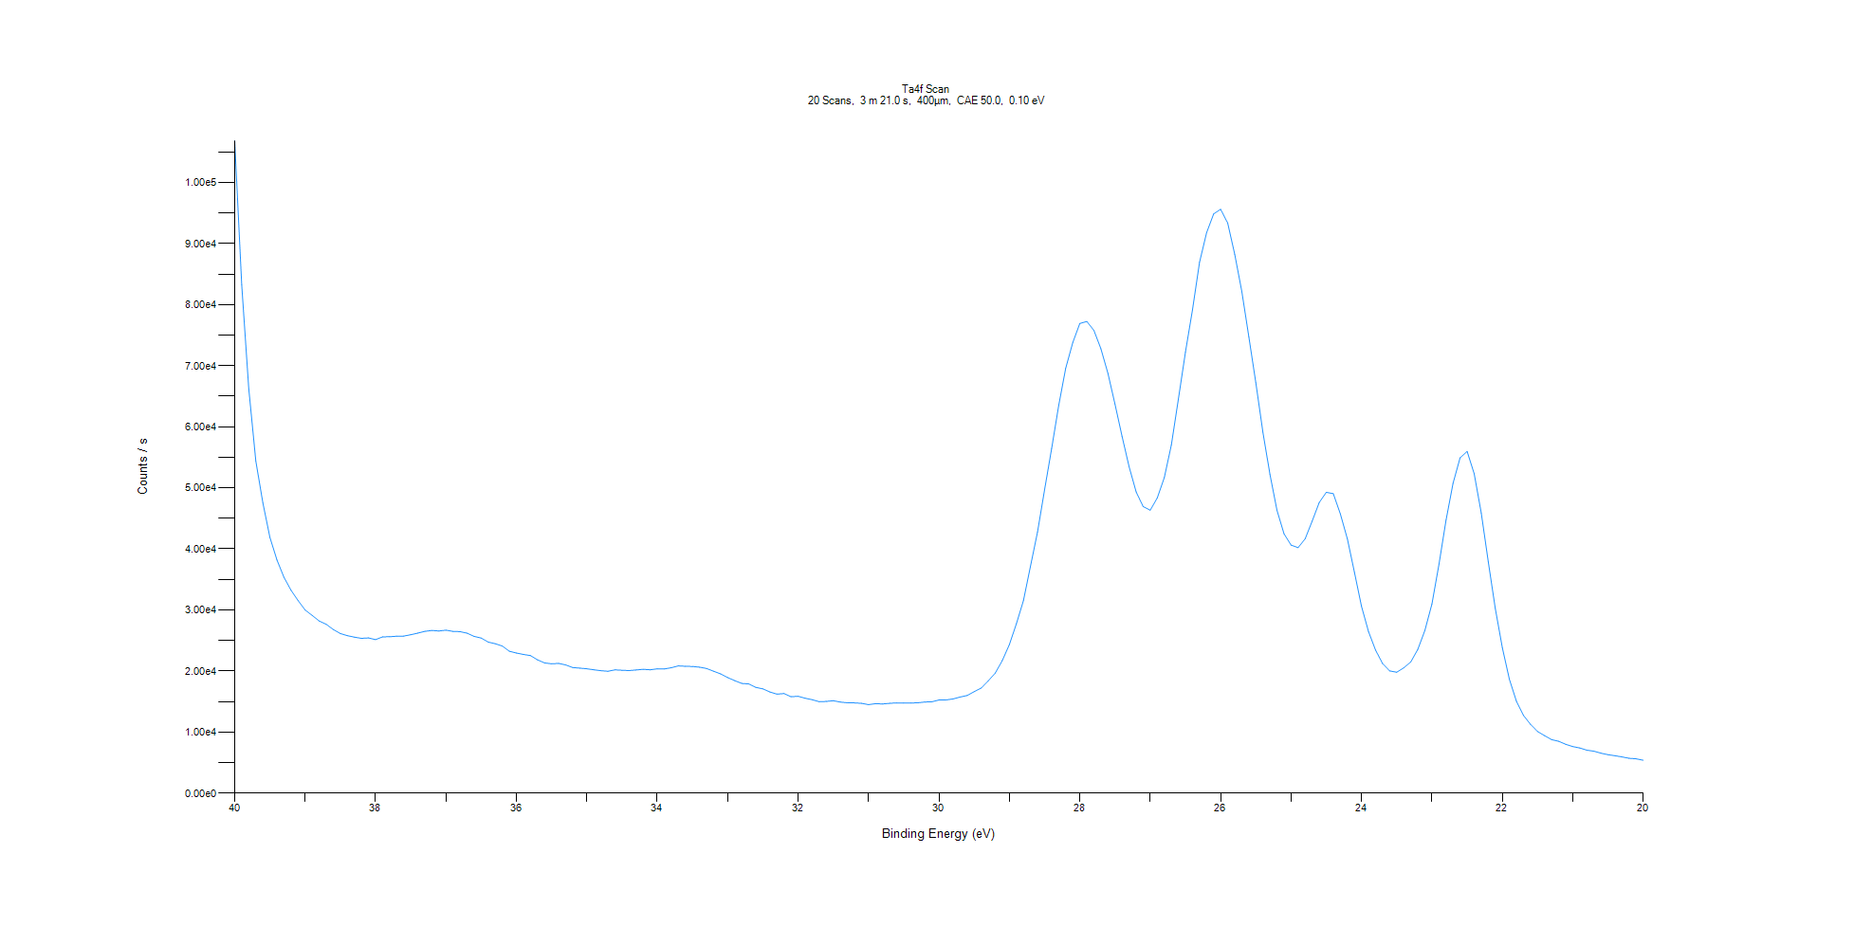
﻿
Axis | Energy | Elements= | 201

C:\XPS-UPS-Data\djung\MWL_TaOnly_1123\Experiment\X-Ray 400um - FG ON\Control_1125\Ta4f Scan.VGD

Binding Energy (E)
eV |  | Counts / s
40 |  | 106826
39.9 |  | 83263.9
39.8 |  | 66235.1
39.7 |  | 54377.2
39.6 |  | 47529.7
39.5 |  | 41865.5
39.4 |  | 38173.5
39.3 |  | 35343.1
39.2 |  | 33224.2
39.1 |  | 31539.5
39 |  | 29988.2
38.9 |  | 29105.4
38.8 |  | 28193.2
38.7 |  | 27648.2
38.6 |  | 26792
38.5 |  | 26129.4
38.4 |  | 25780.7
38.3 |  | 25543.5
38.2 |  | 25351.1
38.1 |  | 25414.9
38 |  | 25134.4
37.9 |  | 25593.4
37.8 |  | 25608.3
37.7 |  | 25692.8
37.6 |  | 25716.8
37.5 |  | 25935.2
37.4 |  | 26204.4
37.3 |  | 26492.8
37.2 |  | 26635.8
37.1 |  | 26554.8
37 |  | 26687.4
36.9 |  | 26487
36.8 |  | 26447.2
36.7 |  | 26188.4
36.6 |  | 25668.3
36.5 |  | 25396.9
36.4 |  | 24732.9
36.3 |  | 24465.6
36.2 |  | 24082.9
36.1 |  | 23234.3
36 |  | 22943.8
35.9 |  | 22710.5
35.8 |  | 22527.6
35.7 |  | 21822.9
35.6 |  | 21325.3
35.5 |  | 21175.3
35.4 |  | 21241.6
35.3 |  | 20987.9
35.2 |  | 20561.2
35.1 |  | 20472.2
35 |  | 20365.3
34.9 |  | 20192.3
34.8 |  | 20052.1
34.7 |  | 19952.3
34.6 |  | 20188.5
34.5 |  | 20114.1
34.4 |  | 20071.4
34.3 |  | 20168
34.2 |  | 20278.2
34.1 |  | 20193.9
34 |  | 20348.1
33.9 |  | 20329.8
33.8 |  | 20531.5
33.7 |  | 20837
33.6 |  | 20773
33.5 |  | 20742.9
33.4 |  | 20624.3
33.3 |  | 20409.1
33.2 |  | 19961.3
33.1 |  | 19524.6
33 |  | 18928.2
32.9 |  | 18424.6
32.8 |  | 17964.5
32.7 |  | 17876.3
32.6 |  | 17316
32.5 |  | 17072.7
32.4 |  | 16563
32.3 |  | 16213.6
32.2 |  | 16302.4
32.1 |  | 15779.4
32 |  | 15855.6
31.9 |  | 15536.4
31.8 |  | 15300.8
31.7 |  | 14962.9
31.6 |  | 15013
31.5 |  | 15127.6
31.4 |  | 14911.1
31.3 |  | 14795.3
31.2 |  | 14772.9
31.1 |  | 14709.3
31 |  | 14494.9
30.9 |  | 14644.9
30.8 |  | 14594.6
30.7 |  | 14706.7
30.6 |  | 14769.8
30.5 |  | 14753.1
30.4 |  | 14753.1
30.3 |  | 14796.5
30.2 |  | 14916.5
30.1 |  | 14954.3
30 |  | 15246.3
29.9 |  | 15256.3
29.8 |  | 15421.9
29.7 |  | 15738.6
29.6 |  | 15984
29.5 |  | 16618.1
29.4 |  | 17206.5
29.3 |  | 18378.6
29.2 |  | 19661.7
29.1 |  | 21720.3
29 |  | 24330
28.9 |  | 27750.8
28.8 |  | 31530.3
28.7 |  | 37161
28.6 |  | 42767.3
28.5 |  | 49691.6
28.4 |  | 56428.3
28.3 |  | 63484.3
28.2 |  | 69577.5
28.1 |  | 73759.3
28 |  | 76910.4
27.9 |  | 77239.2
27.8 |  | 75767.4
27.7 |  | 72771.1
27.6 |  | 68724.5
27.5 |  | 63689.1
27.4 |  | 58425.8
27.3 |  | 53444.2
27.2 |  | 49316.7
27.1 |  | 46933.1
27 |  | 46329.5
26.9 |  | 48338.6
26.8 |  | 51677.9
26.7 |  | 57031.9
26.6 |  | 64505.9
26.5 |  | 72182.7
26.4 |  | 79124.8
26.3 |  | 86917
26.2 |  | 91773.1
26.1 |  | 94848.5
26 |  | 95605.5
25.9 |  | 93360.6
25.8 |  | 88233.4
25.7 |  | 82177.2
25.6 |  | 74725.6
25.5 |  | 67194.1
25.4 |  | 59109.7
25.3 |  | 52212.3
25.2 |  | 46300.9
25.1 |  | 42464.3
25 |  | 40612.6
24.9 |  | 40197.6
24.8 |  | 41643.1
24.7 |  | 44550.8
24.6 |  | 47604
24.5 |  | 49257.1
24.4 |  | 49032.2
24.3 |  | 45714.7
24.2 |  | 41613.5
24.1 |  | 36146.6
24 |  | 30573.5
23.9 |  | 26420.1
23.8 |  | 23420.9
23.7 |  | 21212.7
23.6 |  | 20010.2
23.5 |  | 19798.2
23.4 |  | 20515
23.3 |  | 21497
23.2 |  | 23540.7
23.1 |  | 26633.5
23 |  | 30961.4
22.9 |  | 37471.1
22.8 |  | 44702.8
22.7 |  | 50723.2
22.6 |  | 54919.3
22.5 |  | 55957.3
22.4 |  | 52301.1
22.3 |  | 45881.8
22.2 |  | 37875.1
22.1 |  | 30232.8
22 |  | 23809.5
21.9 |  | 18635.7
21.8 |  | 15034.6
21.7 |  | 12712.4
21.6 |  | 11268.7
21.5 |  | 10084.5
21.4 |  | 9409.95
21.3 |  | 8760.51
21.2 |  | 8490.36
21.1 |  | 7989.15
21 |  | 7625.68
20.9 |  | 7392.5
20.8 |  | 7028.92
20.7 |  | 6862.84
20.6 |  | 6539.5
20.5 |  | 6295
20.4 |  | 6120.7
20.3 |  | 5927.39
20.2 |  | 5701.72
20.1 |  | 5612.97
20 |  | 5383.05

Re4f Scan
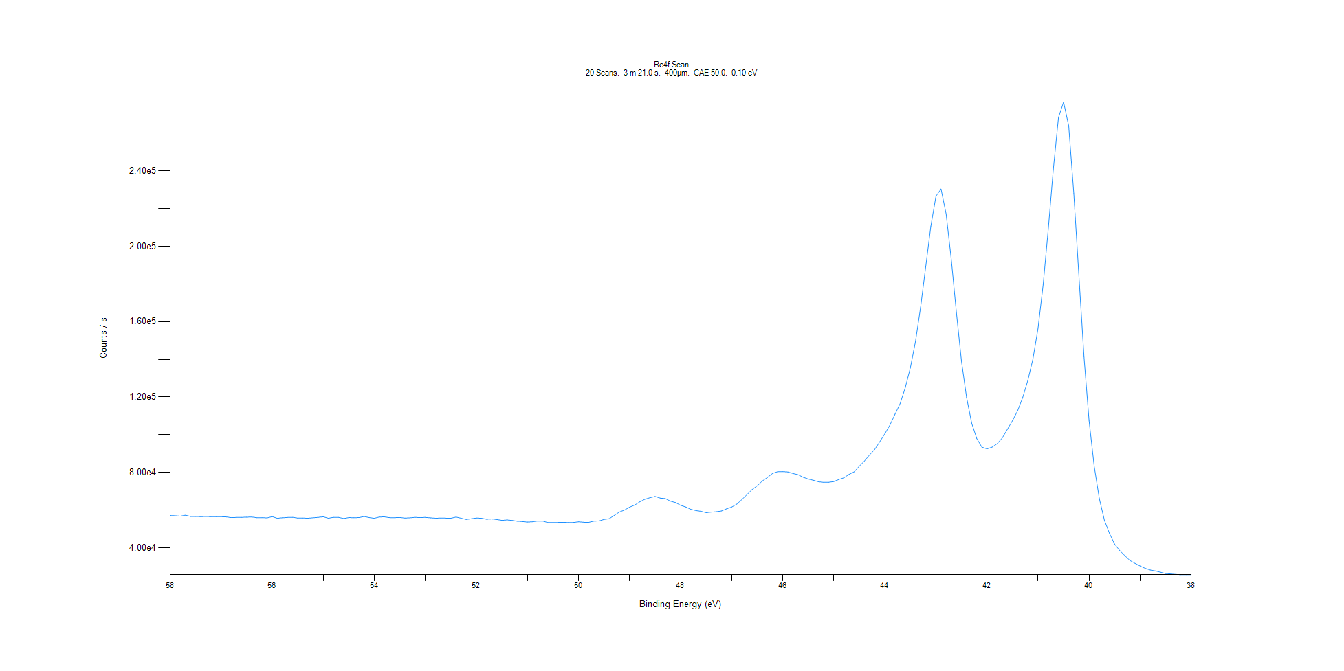
﻿
Axis | Energy | Elements= | 201

C:\XPS-UPS-Data\djung\MWL_TaOnly_1123\Experiment\X-Ray 400um - FG ON\Control_1125\Re4f Scan.VGD

Binding Energy (E)
eV |  | Counts / s
58 |  | 57162.8
57.9 |  | 57012.5
57.8 |  | 56811.9
57.7 |  | 57322.3
57.6 |  | 56661.7
57.5 |  | 56656.6
57.4 |  | 56529.3
57.3 |  | 56653.3
57.2 |  | 56548.1
57.1 |  | 56503.3
57 |  | 56504.6
56.9 |  | 56397.3
56.8 |  | 56032.7
56.7 |  | 56158.4
56.6 |  | 56175.3
56.5 |  | 56283.5
56.4 |  | 56347.4
56.3 |  | 55994.4
56.2 |  | 56031.8
56.1 |  | 55871.4
56 |  | 56556
55.9 |  | 55680.1
55.8 |  | 55963.8
55.7 |  | 56128.8
55.6 |  | 56228.8
55.5 |  | 55787.4
55.4 |  | 55809
55.3 |  | 55728.5
55.2 |  | 55963.3
55.1 |  | 56169.8
55 |  | 56502
54.9 |  | 55685.3
54.8 |  | 56210
54.7 |  | 56176.9
54.6 |  | 55570.2
54.5 |  | 56071
54.4 |  | 55983.1
54.3 |  | 56065.8
54.2 |  | 56621.5
54.1 |  | 56063.3
54 |  | 55689.9
53.9 |  | 56379.2
53.8 |  | 56424.9
53.7 |  | 56035.5
53.6 |  | 56010.8
53.5 |  | 56123.2
53.4 |  | 55797.9
53.3 |  | 55947.1
53.2 |  | 56189.7
53.1 |  | 56047.1
53 |  | 56170.3
52.9 |  | 55906.1
52.8 |  | 55746.3
52.7 |  | 55780.8
52.6 |  | 55755.1
52.5 |  | 55708.5
52.4 |  | 56322.2
52.3 |  | 55718.9
52.2 |  | 55051.7
52.1 |  | 55414
52 |  | 55832.3
51.9 |  | 55691.5
51.8 |  | 55180.7
51.7 |  | 55336.5
51.6 |  | 55020.8
51.5 |  | 54574.5
51.4 |  | 54816.1
51.3 |  | 54564.2
51.2 |  | 54121.2
51.1 |  | 53931.8
51 |  | 53669.3
50.9 |  | 53857.4
50.8 |  | 54213.4
50.7 |  | 54187.1
50.6 |  | 53413.7
50.5 |  | 53474.5
50.4 |  | 53493.9
50.3 |  | 53583.4
50.2 |  | 53450.2
50.1 |  | 53489.2
50 |  | 53795.4
49.9 |  | 53576.3
49.8 |  | 53527.2
49.7 |  | 54181.4
49.6 |  | 54264.4
49.5 |  | 55078.6
49.4 |  | 55456.4
49.3 |  | 57193.3
49.2 |  | 58989.1
49.1 |  | 60038.7
49 |  | 61568.5
48.9 |  | 62690.6
48.8 |  | 64393.2
48.7 |  | 65782.2
48.6 |  | 66593.4
48.5 |  | 67243.6
48.4 |  | 66380.2
48.3 |  | 66130.5
48.2 |  | 64763.6
48.1 |  | 64016
48 |  | 62533.5
47.9 |  | 61669.6
47.8 |  | 60413.1
47.7 |  | 59748.4
47.6 |  | 59362.4
47.5 |  | 58660.9
47.4 |  | 58950.4
47.3 |  | 59164.6
47.2 |  | 59542.5
47.1 |  | 60680.6
47 |  | 61637.8
46.9 |  | 63192.6
46.8 |  | 65622.2
46.7 |  | 68284.3
46.6 |  | 70896.6
46.5 |  | 72910.3
46.4 |  | 75459.6
46.3 |  | 77344
46.2 |  | 79462.5
46.1 |  | 80404.6
46 |  | 80449
45.9 |  | 80246.4
45.8 |  | 79458
45.7 |  | 78790.7
45.6 |  | 77440.1
45.5 |  | 76489.3
45.4 |  | 75826.4
45.3 |  | 75021
45.2 |  | 74733.6
45.1 |  | 74757.6
45 |  | 75166.9
44.9 |  | 76254.8
44.8 |  | 77178.6
44.7 |  | 79023.1
44.6 |  | 80326.8
44.5 |  | 83340.6
44.4 |  | 86073.5
44.3 |  | 89283.8
44.2 |  | 92179.9
44.1 |  | 96275.9
44 |  | 100538
43.9 |  | 105201
43.8 |  | 110945
43.7 |  | 116633
43.6 |  | 125069
43.5 |  | 135561
43.4 |  | 149508
43.3 |  | 167710
43.2 |  | 189208
43.1 |  | 210667
43 |  | 226539
42.9 |  | 230386
42.8 |  | 217024
42.7 |  | 193102
42.6 |  | 165052
42.5 |  | 139005
42.4 |  | 119937
42.3 |  | 106148
42.2 |  | 97946
42.1 |  | 93408.8
42 |  | 92481.6
41.9 |  | 93402.7
41.8 |  | 95228.7
41.7 |  | 98324.1
41.6 |  | 102899
41.5 |  | 107485
41.4 |  | 112769
41.3 |  | 119787
41.2 |  | 128771
41.1 |  | 140159
41 |  | 156495
40.9 |  | 179561
40.8 |  | 209073
40.7 |  | 240965
40.6 |  | 268194
40.5 |  | 276493
40.4 |  | 263891
40.3 |  | 227934
40.2 |  | 184225
40.1 |  | 141398
40 |  | 107331
39.9 |  | 83223.4
39.8 |  | 66141.2
39.7 |  | 54559.9
39.6 |  | 47624.2
39.5 |  | 41934.6
39.4 |  | 38526.1
39.3 |  | 35841.6
39.2 |  | 33262.1
39.1 |  | 31745.7
39 |  | 30321.6
38.9 |  | 29089.4
38.8 |  | 28206
38.7 |  | 27732.9
38.6 |  | 27025.3
38.5 |  | 26376.9
38.4 |  | 26131.4
38.3 |  | 25908.5
38.2 |  | 25735.9
38.1 |  | 25730.1
38 |  | 25754.6

Al2p Scan
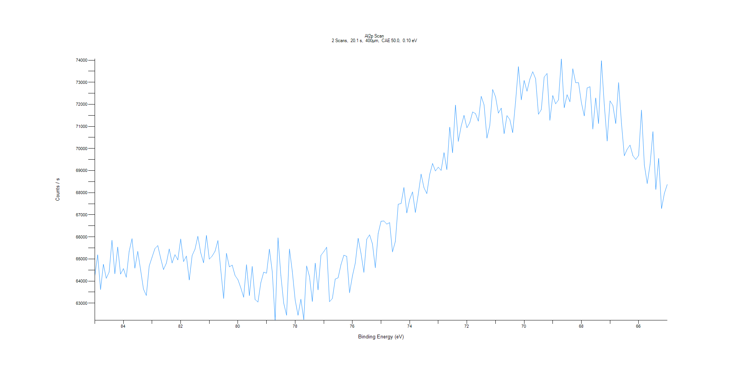
﻿
Axis | Energy | Elements= | 201

C:\XPS-UPS-Data\djung\MWL_TaOnly_1123\Experiment\X-Ray 400um - FG ON\Control_1125\Al2p Scan.VGD

Binding Energy (E)
eV |  | Counts / s
85 |  | 64236.2
84.9 |  | 65185.4
84.8 |  | 63614
84.7 |  | 64755.9
84.6 |  | 64123.8
84.5 |  | 64404.1
84.4 |  | 65844.1
84.3 |  | 64331.7
84.2 |  | 65537.1
84.1 |  | 64315.8
84 |  | 64561.1
83.9 |  | 64170.8
83.8 |  | 65347.3
83.7 |  | 65920.2
83.6 |  | 64586
83.5 |  | 65344.9
83.4 |  | 64503.4
83.3 |  | 63633.4
83.2 |  | 63346.8
83.1 |  | 64682.3
83 |  | 65076.4
82.9 |  | 65471.3
82.8 |  | 65606.5
82.7 |  | 65041.1
82.6 |  | 64520.6
82.5 |  | 64809.8
82.4 |  | 65453.4
82.3 |  | 64819
82.2 |  | 65195.1
82.1 |  | 64957.6
82 |  | 65905.3
81.9 |  | 64881.7
81.8 |  | 65130.7
81.7 |  | 64049.7
81.6 |  | 65157.6
81.5 |  | 65440
81.4 |  | 66028.9
81.3 |  | 65281.5
81.2 |  | 64825.1
81.1 |  | 66064.6
81 |  | 64992.1
80.9 |  | 65133.5
80.8 |  | 65347.9
80.7 |  | 65832.5
80.6 |  | 64520.9
80.5 |  | 63212.4
80.4 |  | 65252.2
80.3 |  | 64642.8
80.2 |  | 64720.2
80.1 |  | 64249.1
80 |  | 64063
79.9 |  | 63695.7
79.8 |  | 63270
79.7 |  | 64741.5
79.6 |  | 63341.9
79.5 |  | 64662.3
79.4 |  | 63164.6
79.3 |  | 63049.5
79.2 |  | 63927.9
79.1 |  | 64401.9
79 |  | 64354.9
78.9 |  | 65442.3
78.8 |  | 64416.6
78.7 |  | 62221.4
78.6 |  | 65958.7
78.5 |  | 64258.7
78.4 |  | 62994.6
78.3 |  | 62455.3
78.2 |  | 65452.6
78.1 |  | 64442.9
78 |  | 63138.9
77.9 |  | 62452.9
77.8 |  | 63179
77.7 |  | 62258.1
77.6 |  | 64682.5
77.5 |  | 64205.1
77.4 |  | 63076.1
77.3 |  | 64808.9
77.2 |  | 63602.5
77.1 |  | 65163.4
77 |  | 65329.8
76.9 |  | 65532.1
76.8 |  | 63066.1
76.7 |  | 63209
76.6 |  | 64088.8
76.5 |  | 64147.5
76.4 |  | 64739.4
76.3 |  | 65168.2
76.2 |  | 65120.3
76.1 |  | 63468.2
76 |  | 64229.7
75.9 |  | 64807.2
75.8 |  | 65934.1
75.7 |  | 65251.7
75.6 |  | 64394.7
75.5 |  | 65893.1
75.4 |  | 66094.4
75.3 |  | 65684.2
75.2 |  | 64599.6
75.1 |  | 66149.8
75 |  | 66706.8
74.9 |  | 66720.3
74.8 |  | 66577.5
74.7 |  | 66644.8
74.6 |  | 65319.2
74.5 |  | 65794
74.4 |  | 67478.4
74.3 |  | 67509.8
74.2 |  | 68234.1
74.1 |  | 67086.3
74 |  | 67692.1
73.9 |  | 68035.5
73.8 |  | 67105.8
73.7 |  | 67928.8
73.6 |  | 68840.6
73.5 |  | 68225.4
73.4 |  | 67960.4
73.3 |  | 68826.8
73.2 |  | 69322
73.1 |  | 68982.6
73 |  | 69153.5
72.9 |  | 69008.6
72.8 |  | 69810.7
72.7 |  | 69045
72.6 |  | 70965.5
72.5 |  | 69809.5
72.4 |  | 71965.1
72.3 |  | 70323.7
72.2 |  | 71014.6
72.1 |  | 71501.2
72 |  | 70940.5
71.9 |  | 71166.5
71.8 |  | 71655.6
71.7 |  | 71580.8
71.6 |  | 71236.3
71.5 |  | 72360.5
71.4 |  | 71975.3
71.3 |  | 70472.2
71.2 |  | 71040.5
71.1 |  | 72669.7
71 |  | 72345.9
70.9 |  | 71603.7
70.8 |  | 71828.5
70.7 |  | 70673.1
70.6 |  | 71490.1
70.5 |  | 71311.1
70.4 |  | 70721.4
70.3 |  | 72118.1
70.2 |  | 73705.5
70.1 |  | 72203.1
70 |  | 73079.9
69.9 |  | 72593.2
69.8 |  | 73145.9
69.7 |  | 73479.1
69.6 |  | 73157.9
69.5 |  | 71550
69.4 |  | 71766.3
69.3 |  | 73237.6
69.2 |  | 73397.8
69.1 |  | 71277.6
69 |  | 72396.9
68.9 |  | 72024.2
68.8 |  | 72202
68.7 |  | 74053.2
68.6 |  | 71847.3
68.5 |  | 72435.5
68.4 |  | 72115
68.3 |  | 73609.4
68.2 |  | 72981.3
68.1 |  | 72978.9
68 |  | 72078.9
67.9 |  | 71478
67.8 |  | 72740.2
67.7 |  | 72798.7
67.6 |  | 70882.7
67.5 |  | 72285.9
67.4 |  | 71129.1
67.3 |  | 73974
67.2 |  | 71976.1
67.1 |  | 70340.3
67 |  | 72156.1
66.9 |  | 71953.9
66.8 |  | 71131.7
66.7 |  | 72983.4
66.6 |  | 71144
66.5 |  | 69671
66.4 |  | 69970
66.3 |  | 70154
66.2 |  | 69673.5
66.1 |  | 69504.6
66 |  | 69687.3
65.9 |  | 71738.5
65.8 |  | 69255
65.7 |  | 68411.6
65.6 |  | 69285.4
65.5 |  | 70763.6
65.4 |  | 68147
65.3 |  | 69551.4
65.2 |  | 67281.4
65.1 |  | 67974.3
65 |  | 68373.8

C1s Scan
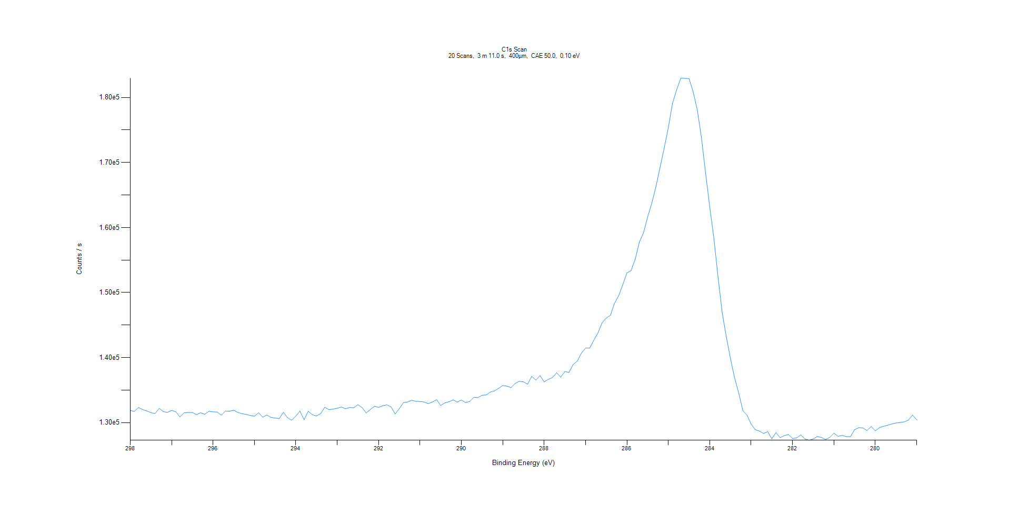
﻿
Axis | Energy | Elements= | 191

C:\XPS-UPS-Data\djung\MWL_TaOnly_1123\Experiment\X-Ray 400um - FG ON\Control_1125\C1s Scan.VGD

Binding Energy (E)
eV |  | Counts / s
298 |  | 131861
297.9 |  | 131731
297.8 |  | 132318
297.7 |  | 132002
297.6 |  | 131790
297.5 |  | 131523
297.4 |  | 131401
297.3 |  | 132192
297.2 |  | 131677
297.1 |  | 131573
297 |  | 131875
296.9 |  | 131676
296.8 |  | 130888
296.7 |  | 131497
296.6 |  | 131568
296.5 |  | 131562
296.4 |  | 131214
296.3 |  | 131515
296.2 |  | 131277
296.1 |  | 131730
296 |  | 131653
295.9 |  | 131627
295.8 |  | 131149
295.7 |  | 131778
295.6 |  | 131754
295.5 |  | 131890
295.4 |  | 131572
295.3 |  | 131363
295.2 |  | 131265
295.1 |  | 131091
295 |  | 130985
294.9 |  | 131510
294.8 |  | 130843
294.7 |  | 131158
294.6 |  | 130798
294.5 |  | 130700
294.4 |  | 130631
294.3 |  | 131584
294.2 |  | 130743
294.1 |  | 130375
294 |  | 131023
293.9 |  | 131754
293.8 |  | 130431
293.7 |  | 131742
293.6 |  | 131205
293.5 |  | 131013
293.4 |  | 131385
293.3 |  | 132355
293.2 |  | 131987
293.1 |  | 132072
293 |  | 132205
292.9 |  | 132394
292.8 |  | 132137
292.7 |  | 132316
292.6 |  | 132275
292.5 |  | 132761
292.4 |  | 132313
292.3 |  | 131470
292.2 |  | 132025
292.1 |  | 132508
292 |  | 132344
291.9 |  | 132594
291.8 |  | 132733
291.7 |  | 132402
291.6 |  | 131327
291.5 |  | 132149
291.4 |  | 133078
291.3 |  | 133165
291.2 |  | 133438
291.1 |  | 133266
291 |  | 133244
290.9 |  | 133167
290.8 |  | 132924
290.7 |  | 133168
290.6 |  | 133532
290.5 |  | 132633
290.4 |  | 133026
290.3 |  | 133207
290.2 |  | 133503
290.1 |  | 133160
290 |  | 133470
289.9 |  | 133088
289.8 |  | 133248
289.7 |  | 133882
289.6 |  | 133839
289.5 |  | 134208
289.4 |  | 134250
289.3 |  | 134699
289.2 |  | 134870
289.1 |  | 135272
289 |  | 135708
288.9 |  | 135594
288.8 |  | 135388
288.7 |  | 136024
288.6 |  | 136352
288.5 |  | 136257
288.4 |  | 135916
288.3 |  | 137111
288.2 |  | 136541
288.1 |  | 137227
288 |  | 136269
287.9 |  | 136647
287.8 |  | 136935
287.7 |  | 137665
287.6 |  | 136983
287.5 |  | 137838
287.4 |  | 137725
287.3 |  | 138937
287.2 |  | 139461
287.1 |  | 140689
287 |  | 141470
286.9 |  | 141459
286.8 |  | 142669
286.7 |  | 143819
286.6 |  | 145357
286.5 |  | 146073
286.4 |  | 146503
286.3 |  | 148359
286.2 |  | 149525
286.1 |  | 151232
286 |  | 153029
285.9 |  | 153376
285.8 |  | 155136
285.7 |  | 157758
285.6 |  | 159203
285.5 |  | 161632
285.4 |  | 163778
285.3 |  | 166286
285.2 |  | 169253
285.1 |  | 172228
285 |  | 175394
284.9 |  | 179112
284.8 |  | 181178
284.7 |  | 182974
284.6 |  | 182942
284.5 |  | 182913
284.4 |  | 180849
284.3 |  | 178043
284.2 |  | 173835
284.1 |  | 168347
284 |  | 163134
283.9 |  | 158350
283.8 |  | 152368
283.7 |  | 146936
283.6 |  | 143202
283.5 |  | 139868
283.4 |  | 136884
283.3 |  | 134540
283.2 |  | 131832
283.1 |  | 131163
283 |  | 129772
282.9 |  | 128919
282.8 |  | 128693
282.7 |  | 128322
282.6 |  | 128609
282.5 |  | 127502
282.4 |  | 128465
282.3 |  | 127679
282.2 |  | 127999
282.1 |  | 128160
282 |  | 127562
281.9 |  | 127647
281.8 |  | 128098
281.7 |  | 127483
281.6 |  | 127286
281.5 |  | 127474
281.4 |  | 127855
281.3 |  | 127709
281.2 |  | 127393
281.1 |  | 127730
281 |  | 128373
280.9 |  | 127887
280.8 |  | 128030
280.7 |  | 127849
280.6 |  | 127842
280.5 |  | 128911
280.4 |  | 129211
280.3 |  | 129191
280.2 |  | 128773
280.1 |  | 129407
280 |  | 128743
279.9 |  | 129222
279.8 |  | 129436
279.7 |  | 129596
279.6 |  | 129789
279.5 |  | 129941
279.4 |  | 130016
279.3 |  | 130110
279.2 |  | 130390
279.1 |  | 131158
279 |  | 130427

O1s Scan
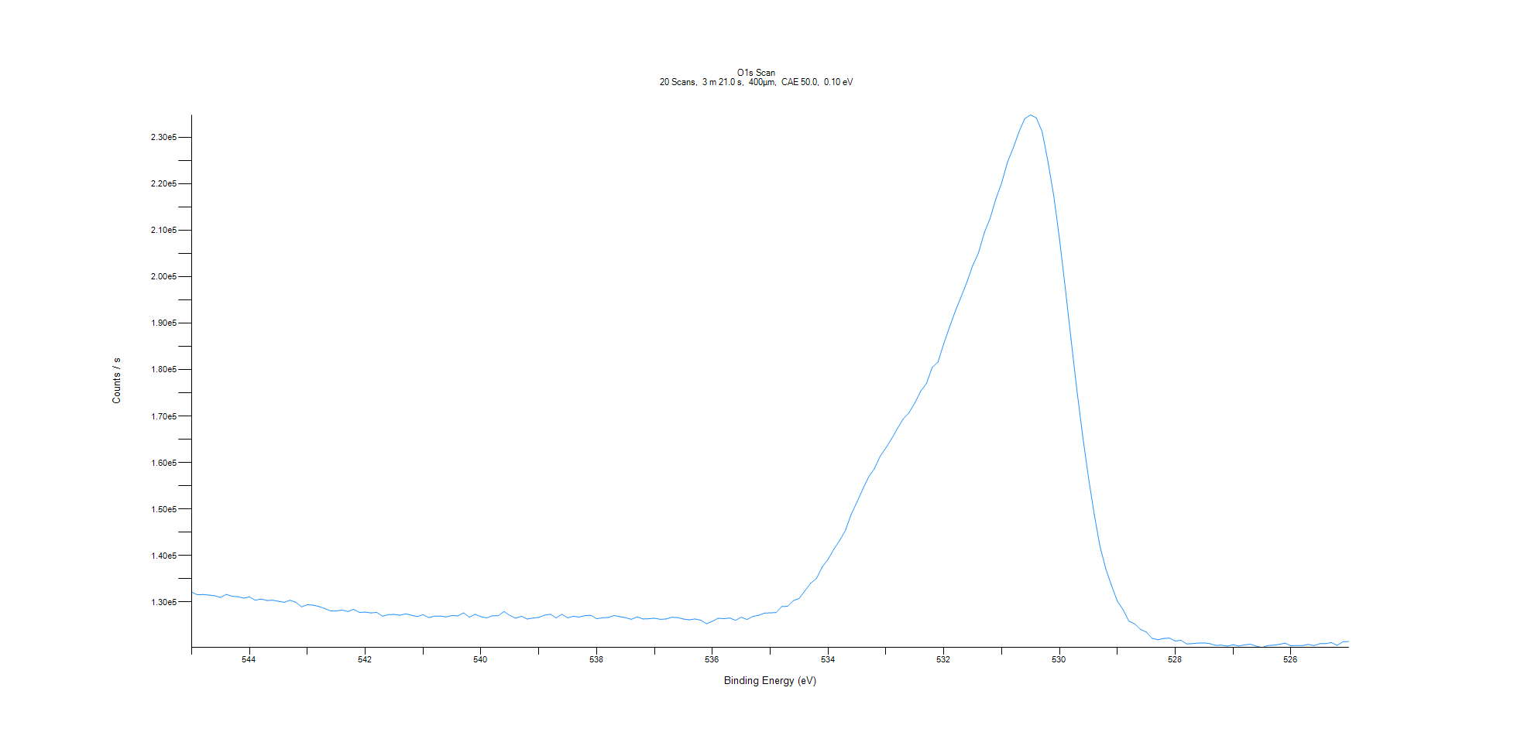
﻿
Axis | Energy | Elements= | 201

C:\XPS-UPS-Data\djung\MWL_TaOnly_1123\Experiment\X-Ray 400um - FG ON\Control_1125\O1s Scan.VGD

Binding Energy (E)
eV |  | Counts / s
545 |  | 132128
544.9 |  | 131570
544.8 |  | 131620
544.7 |  | 131497
544.6 |  | 131356
544.5 |  | 130986
544.4 |  | 131654
544.3 |  | 131237
544.2 |  | 131159
544.1 |  | 130843
544 |  | 131107
543.9 |  | 130398
543.8 |  | 130651
543.7 |  | 130343
543.6 |  | 130392
543.5 |  | 130174
543.4 |  | 129954
543.3 |  | 130391
543.2 |  | 129973
543.1 |  | 128979
543 |  | 129425
542.9 |  | 129335
542.8 |  | 129048
542.7 |  | 128623
542.6 |  | 128084
542.5 |  | 128076
542.4 |  | 128297
542.3 |  | 127967
542.2 |  | 128452
542.1 |  | 127778
542 |  | 127841
541.9 |  | 127662
541.8 |  | 127774
541.7 |  | 126965
541.6 |  | 127290
541.5 |  | 127339
541.4 |  | 127183
541.3 |  | 127464
541.2 |  | 127165
541.1 |  | 126876
541 |  | 127291
540.9 |  | 126658
540.8 |  | 126986
540.7 |  | 126985
540.6 |  | 126805
540.5 |  | 127094
540.4 |  | 127021
540.3 |  | 127682
540.2 |  | 126749
540.1 |  | 127369
540 |  | 126849
539.9 |  | 126604
539.8 |  | 127057
539.7 |  | 127065
539.6 |  | 127963
539.5 |  | 127118
539.4 |  | 126525
539.3 |  | 126944
539.2 |  | 126345
539.1 |  | 126558
539 |  | 126689
538.9 |  | 127192
538.8 |  | 127378
538.7 |  | 126597
538.6 |  | 127364
538.5 |  | 126619
538.4 |  | 126933
538.3 |  | 126771
538.2 |  | 127074
538.1 |  | 127166
538 |  | 126409
537.9 |  | 126620
537.8 |  | 126679
537.7 |  | 127113
537.6 |  | 126854
537.5 |  | 126639
537.4 |  | 126282
537.3 |  | 126826
537.2 |  | 126360
537.1 |  | 126407
537 |  | 126524
536.9 |  | 126291
536.8 |  | 126357
536.7 |  | 126722
536.6 |  | 126658
536.5 |  | 126345
536.4 |  | 126186
536.3 |  | 126361
536.2 |  | 126090
536.1 |  | 125331
536 |  | 125867
535.9 |  | 126515
535.8 |  | 126422
535.7 |  | 126569
535.6 |  | 126073
535.5 |  | 126741
535.4 |  | 126245
535.3 |  | 126915
535.2 |  | 127163
535.1 |  | 127614
535 |  | 127680
534.9 |  | 127733
534.8 |  | 129031
534.7 |  | 129092
534.6 |  | 130311
534.5 |  | 130772
534.4 |  | 132438
534.3 |  | 134063
534.2 |  | 135097
534.1 |  | 137578
534 |  | 139192
533.9 |  | 141378
533.8 |  | 143224
533.7 |  | 145423
533.6 |  | 148879
533.5 |  | 151523
533.4 |  | 154282
533.3 |  | 156895
533.2 |  | 158697
533.1 |  | 161377
533 |  | 163191
532.9 |  | 165161
532.8 |  | 167382
532.7 |  | 169414
532.6 |  | 170749
532.5 |  | 172847
532.4 |  | 175346
532.3 |  | 176997
532.2 |  | 180487
532.1 |  | 181628
532 |  | 185604
531.9 |  | 189158
531.8 |  | 192615
531.7 |  | 195677
531.6 |  | 198848
531.5 |  | 202409
531.4 |  | 205122
531.3 |  | 209461
531.2 |  | 212537
531.1 |  | 216721
531 |  | 220159
530.9 |  | 224602
530.8 |  | 227685
530.7 |  | 231149
530.6 |  | 234012
530.5 |  | 234800
530.4 |  | 234183
530.3 |  | 231214
530.2 |  | 224789
530.1 |  | 217487
530 |  | 208090
529.9 |  | 197589
529.8 |  | 186471
529.7 |  | 175714
529.6 |  | 165796
529.5 |  | 156877
529.4 |  | 148898
529.3 |  | 141979
529.2 |  | 137174
529.1 |  | 133535
529 |  | 130199
528.9 |  | 128348
528.8 |  | 125895
528.7 |  | 125299
528.6 |  | 124132
528.5 |  | 123549
528.4 |  | 122207
528.3 |  | 121895
528.2 |  | 122170
528.1 |  | 122260
528 |  | 121631
527.9 |  | 121772
527.8 |  | 120988
527.7 |  | 121060
527.6 |  | 121183
527.5 |  | 121206
527.4 |  | 121049
527.3 |  | 120679
527.2 |  | 120734
527.1 |  | 120509
527 |  | 120818
526.9 |  | 120553
526.8 |  | 120800
526.7 |  | 120938
526.6 |  | 120509
526.5 |  | 120222
526.4 |  | 120642
526.3 |  | 120746
526.2 |  | 120897
526.1 |  | 121165
526 |  | 120584
525.9 |  | 120672
525.8 |  | 120638
525.7 |  | 120904
525.6 |  | 120624
525.5 |  | 121054
525.4 |  | 121053
525.3 |  | 121286
525.2 |  | 120691
525.1 |  | 121460
525 |  | 121509

