XPS Survey
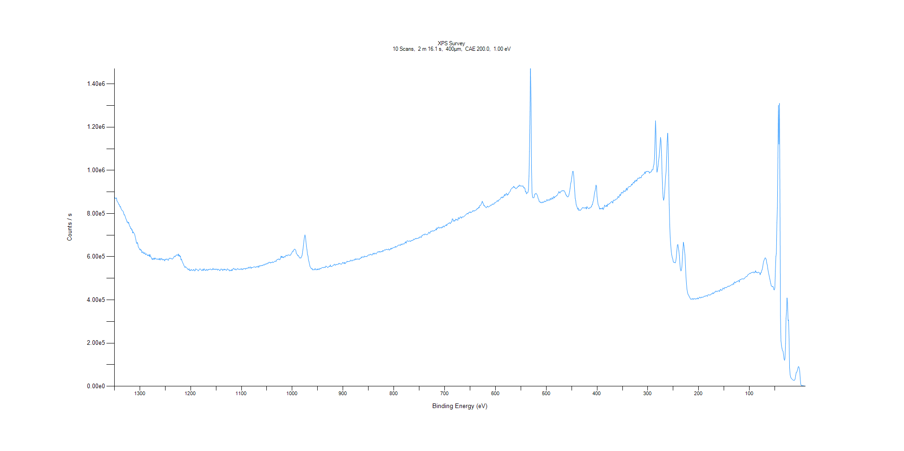
﻿
Axis | Energy | Elements= | 1361

C:\XPS-UPS-Data\djung\1wkTaRe-2wkSAM-1201\Experiment\X-Ray003 400um - FG ON\BOE_WK1\XPS Survey.VGD

Binding Energy (E)
eV |  | Counts / s
1350 |  | 877856
1349 |  | 871250
1348 |  | 869933
1347 |  | 869183
1346 |  | 872858
1345 |  | 857552
1344 |  | 855256
1343 |  | 850930
1342 |  | 846306
1341 |  | 839952
1340 |  | 840147
1339 |  | 830014
1338 |  | 832487
1337 |  | 822672
1336 |  | 818372
1335 |  | 814466
1334 |  | 812884
1333 |  | 810481
1332 |  | 804138
1331 |  | 793124
1330 |  | 794492
1329 |  | 787523
1328 |  | 779893
1327 |  | 773510
1326 |  | 768860
1325 |  | 759746
1324 |  | 761253
1323 |  | 755179
1322 |  | 759456
1321 |  | 748994
1320 |  | 741287
1319 |  | 739831
1318 |  | 730274
1317 |  | 732291
1316 |  | 722845
1315 |  | 725102
1314 |  | 709682
1313 |  | 715232
1312 |  | 710591
1311 |  | 706847
1310 |  | 702501
1309 |  | 691029
1308 |  | 681470
1307 |  | 668237
1306 |  | 661096
1305 |  | 666064
1304 |  | 659826
1303 |  | 644607
1302 |  | 641983
1301 |  | 637586
1300 |  | 631611
1299 |  | 635909
1298 |  | 629277
1297 |  | 631104
1296 |  | 618558
1295 |  | 621372
1294 |  | 623165
1293 |  | 615224
1292 |  | 618555
1291 |  | 615038
1290 |  | 618580
1289 |  | 609008
1288 |  | 611789
1287 |  | 613037
1286 |  | 611596
1285 |  | 604830
1284 |  | 606444
1283 |  | 605158
1282 |  | 609547
1281 |  | 600264
1280 |  | 610385
1279 |  | 599999
1278 |  | 599571
1277 |  | 593566
1276 |  | 587647
1275 |  | 591399
1274 |  | 586008
1273 |  | 592087
1272 |  | 593646
1271 |  | 587124
1270 |  | 594358
1269 |  | 589837
1268 |  | 590974
1267 |  | 589474
1266 |  | 586947
1265 |  | 589037
1264 |  | 591069
1263 |  | 586786
1262 |  | 586543
1261 |  | 592570
1260 |  | 584243
1259 |  | 589844
1258 |  | 592999
1257 |  | 586996
1256 |  | 589971
1255 |  | 585233
1254 |  | 585234
1253 |  | 588214
1252 |  | 585129
1251 |  | 580606
1250 |  | 589062
1249 |  | 587607
1248 |  | 585900
1247 |  | 590025
1246 |  | 589010
1245 |  | 585547
1244 |  | 582826
1243 |  | 589185
1242 |  | 593396
1241 |  | 592190
1240 |  | 593565
1239 |  | 591120
1238 |  | 592083
1237 |  | 589519
1236 |  | 589035
1235 |  | 590458
1234 |  | 595371
1233 |  | 597742
1232 |  | 602760
1231 |  | 600334
1230 |  | 600636
1229 |  | 606532
1228 |  | 606669
1227 |  | 609091
1226 |  | 608203
1225 |  | 605235
1224 |  | 612755
1223 |  | 602365
1222 |  | 607238
1221 |  | 600524
1220 |  | 602894
1219 |  | 585167
1218 |  | 589082
1217 |  | 580412
1216 |  | 575046
1215 |  | 569272
1214 |  | 564888
1213 |  | 557858
1212 |  | 555089
1211 |  | 549653
1210 |  | 554024
1209 |  | 551406
1208 |  | 548742
1207 |  | 546700
1206 |  | 544957
1205 |  | 539265
1204 |  | 541125
1203 |  | 544460
1202 |  | 535215
1201 |  | 538160
1200 |  | 535684
1199 |  | 541465
1198 |  | 538073
1197 |  | 538575
1196 |  | 535867
1195 |  | 537007
1194 |  | 541676
1193 |  | 537721
1192 |  | 533991
1191 |  | 535808
1190 |  | 544479
1189 |  | 541064
1188 |  | 541927
1187 |  | 539289
1186 |  | 537914
1185 |  | 534144
1184 |  | 537010
1183 |  | 540699
1182 |  | 543770
1181 |  | 543137
1180 |  | 541493
1179 |  | 537692
1178 |  | 535957
1177 |  | 536365
1176 |  | 542397
1175 |  | 535838
1174 |  | 543016
1173 |  | 543421
1172 |  | 537912
1171 |  | 536816
1170 |  | 536219
1169 |  | 542070
1168 |  | 538812
1167 |  | 536028
1166 |  | 540951
1165 |  | 538503
1164 |  | 541978
1163 |  | 541351
1162 |  | 541664
1161 |  | 543777
1160 |  | 541055
1159 |  | 538612
1158 |  | 541084
1157 |  | 539942
1156 |  | 546694
1155 |  | 540948
1154 |  | 541741
1153 |  | 540862
1152 |  | 543886
1151 |  | 540506
1150 |  | 540836
1149 |  | 542472
1148 |  | 542619
1147 |  | 537652
1146 |  | 541574
1145 |  | 542123
1144 |  | 539548
1143 |  | 535723
1142 |  | 536189
1141 |  | 540740
1140 |  | 543905
1139 |  | 541119
1138 |  | 542204
1137 |  | 535761
1136 |  | 540446
1135 |  | 538529
1134 |  | 543047
1133 |  | 538847
1132 |  | 541988
1131 |  | 539845
1130 |  | 537139
1129 |  | 536929
1128 |  | 543634
1127 |  | 543338
1126 |  | 539977
1125 |  | 537728
1124 |  | 539564
1123 |  | 533882
1122 |  | 536993
1121 |  | 537542
1120 |  | 534673
1119 |  | 540817
1118 |  | 535791
1117 |  | 541875
1116 |  | 545500
1115 |  | 546429
1114 |  | 541415
1113 |  | 541205
1112 |  | 543835
1111 |  | 538687
1110 |  | 539643
1109 |  | 541640
1108 |  | 545464
1107 |  | 542788
1106 |  | 541982
1105 |  | 542976
1104 |  | 541327
1103 |  | 540530
1102 |  | 543145
1101 |  | 542306
1100 |  | 544820
1099 |  | 539805
1098 |  | 543354
1097 |  | 540758
1096 |  | 545286
1095 |  | 543146
1094 |  | 545736
1093 |  | 545491
1092 |  | 541869
1091 |  | 545911
1090 |  | 546819
1089 |  | 544789
1088 |  | 547774
1087 |  | 547506
1086 |  | 551483
1085 |  | 546488
1084 |  | 550745
1083 |  | 551910
1082 |  | 552678
1081 |  | 545542
1080 |  | 550217
1079 |  | 549673
1078 |  | 550203
1077 |  | 550313
1076 |  | 552617
1075 |  | 554417
1074 |  | 552513
1073 |  | 550588
1072 |  | 551060
1071 |  | 554031
1070 |  | 553120
1069 |  | 551443
1068 |  | 555232
1067 |  | 556365
1066 |  | 549900
1065 |  | 558428
1064 |  | 557245
1063 |  | 556112
1062 |  | 559468
1061 |  | 558655
1060 |  | 557719
1059 |  | 560993
1058 |  | 558513
1057 |  | 562429
1056 |  | 563244
1055 |  | 560514
1054 |  | 565266
1053 |  | 566118
1052 |  | 564232
1051 |  | 568209
1050 |  | 566557
1049 |  | 567338
1048 |  | 571466
1047 |  | 569387
1046 |  | 574068
1045 |  | 574192
1044 |  | 574135
1043 |  | 570343
1042 |  | 573860
1041 |  | 572607
1040 |  | 573561
1039 |  | 576615
1038 |  | 572992
1037 |  | 573305
1036 |  | 576111
1035 |  | 577612
1034 |  | 579134
1033 |  | 579764
1032 |  | 577080
1031 |  | 584081
1030 |  | 585622
1029 |  | 587971
1028 |  | 586888
1027 |  | 589602
1026 |  | 588996
1025 |  | 585611
1024 |  | 587155
1023 |  | 595078
1022 |  | 602651
1021 |  | 596493
1020 |  | 601741
1019 |  | 595933
1018 |  | 599046
1017 |  | 594891
1016 |  | 599959
1015 |  | 600819
1014 |  | 598150
1013 |  | 603669
1012 |  | 607365
1011 |  | 604971
1010 |  | 603788
1009 |  | 606870
1008 |  | 609068
1007 |  | 607606
1006 |  | 606752
1005 |  | 607361
1004 |  | 607227
1003 |  | 607360
1002 |  | 614512
1001 |  | 616372
1000 |  | 621962
999 |  | 626160
998 |  | 624740
997 |  | 631351
996 |  | 634284
995 |  | 634818
994 |  | 633096
993 |  | 629604
992 |  | 615059
991 |  | 612747
990 |  | 610067
989 |  | 604120
988 |  | 605640
987 |  | 601334
986 |  | 596218
985 |  | 593277
984 |  | 595649
983 |  | 593419
982 |  | 598231
981 |  | 603120
980 |  | 614843
979 |  | 632731
978 |  | 650924
977 |  | 673175
976 |  | 691183
975 |  | 701121
974 |  | 692350
973 |  | 669909
972 |  | 647177
971 |  | 632294
970 |  | 610586
969 |  | 603270
968 |  | 584903
967 |  | 576500
966 |  | 565033
965 |  | 554062
964 |  | 551057
963 |  | 546471
962 |  | 543483
961 |  | 546142
960 |  | 538829
959 |  | 540212
958 |  | 539007
957 |  | 539993
956 |  | 539919
955 |  | 546007
954 |  | 540563
953 |  | 538963
952 |  | 539516
951 |  | 543499
950 |  | 539195
949 |  | 543730
948 |  | 542652
947 |  | 539675
946 |  | 545543
945 |  | 546226
944 |  | 543173
943 |  | 546690
942 |  | 547846
941 |  | 549964
940 |  | 549853
939 |  | 548888
938 |  | 550076
937 |  | 551469
936 |  | 550552
935 |  | 549329
934 |  | 556843
933 |  | 555370
932 |  | 554360
931 |  | 551571
930 |  | 549124
929 |  | 551740
928 |  | 554790
927 |  | 555367
926 |  | 554572
925 |  | 562224
924 |  | 554877
923 |  | 554794
922 |  | 554171
921 |  | 556665
920 |  | 559258
919 |  | 561324
918 |  | 560511
917 |  | 565754
916 |  | 563018
915 |  | 559765
914 |  | 564186
913 |  | 564283
912 |  | 562795
911 |  | 564875
910 |  | 565754
909 |  | 565420
908 |  | 570224
907 |  | 567372
906 |  | 567985
905 |  | 566460
904 |  | 565472
903 |  | 565823
902 |  | 567370
901 |  | 573015
900 |  | 573924
899 |  | 570908
898 |  | 567666
897 |  | 574033
896 |  | 568374
895 |  | 569449
894 |  | 574398
893 |  | 575552
892 |  | 579364
891 |  | 575945
890 |  | 577733
889 |  | 578124
888 |  | 577480
887 |  | 580088
886 |  | 579196
885 |  | 584561
884 |  | 583472
883 |  | 580806
882 |  | 580063
881 |  | 584254
880 |  | 583815
879 |  | 584331
878 |  | 586139
877 |  | 584651
876 |  | 590368
875 |  | 586819
874 |  | 590384
873 |  | 587235
872 |  | 589620
871 |  | 588935
870 |  | 590244
869 |  | 587800
868 |  | 587137
867 |  | 591707
866 |  | 592242
865 |  | 592459
864 |  | 599415
863 |  | 594999
862 |  | 599223
861 |  | 599559
860 |  | 598836
859 |  | 596778
858 |  | 602920
857 |  | 601740
856 |  | 599956
855 |  | 601206
854 |  | 601901
853 |  | 600130
852 |  | 604371
851 |  | 605299
850 |  | 608529
849 |  | 608102
848 |  | 607035
847 |  | 610691
846 |  | 611626
845 |  | 608713
844 |  | 609087
843 |  | 608058
842 |  | 608937
841 |  | 615584
840 |  | 615490
839 |  | 611065
838 |  | 616265
837 |  | 616714
836 |  | 615055
835 |  | 612047
834 |  | 615670
833 |  | 619683
832 |  | 620725
831 |  | 624117
830 |  | 621682
829 |  | 621455
828 |  | 625054
827 |  | 621094
826 |  | 622475
825 |  | 623717
824 |  | 624187
823 |  | 622371
822 |  | 629214
821 |  | 625262
820 |  | 627883
819 |  | 629770
818 |  | 632352
817 |  | 630554
816 |  | 631734
815 |  | 634618
814 |  | 633357
813 |  | 633401
812 |  | 631821
811 |  | 634506
810 |  | 636077
809 |  | 630176
808 |  | 632390
807 |  | 633689
806 |  | 639321
805 |  | 635015
804 |  | 640159
803 |  | 637376
802 |  | 640897
801 |  | 641817
800 |  | 641709
799 |  | 641703
798 |  | 644679
797 |  | 648062
796 |  | 643012
795 |  | 646075
794 |  | 648033
793 |  | 648742
792 |  | 652072
791 |  | 652956
790 |  | 654754
789 |  | 654017
788 |  | 653822
787 |  | 652004
786 |  | 658375
785 |  | 658224
784 |  | 654632
783 |  | 658409
782 |  | 660171
781 |  | 659249
780 |  | 657901
779 |  | 662269
778 |  | 664556
777 |  | 669362
776 |  | 662188
775 |  | 667830
774 |  | 673183
773 |  | 673797
772 |  | 671689
771 |  | 670869
770 |  | 672618
769 |  | 673174
768 |  | 671953
767 |  | 670486
766 |  | 674789
765 |  | 673748
764 |  | 676755
763 |  | 675089
762 |  | 676755
761 |  | 681658
760 |  | 678770
759 |  | 681600
758 |  | 682324
757 |  | 685304
756 |  | 682352
755 |  | 685226
754 |  | 685125
753 |  | 684854
752 |  | 684986
751 |  | 688979
750 |  | 686482
749 |  | 691376
748 |  | 692588
747 |  | 690231
746 |  | 689269
745 |  | 697550
744 |  | 696745
743 |  | 700659
742 |  | 702202
741 |  | 702486
740 |  | 700649
739 |  | 705244
738 |  | 703650
737 |  | 704618
736 |  | 702938
735 |  | 701312
734 |  | 702672
733 |  | 705096
732 |  | 710770
731 |  | 713653
730 |  | 709253
729 |  | 708714
728 |  | 715125
727 |  | 718735
726 |  | 717245
725 |  | 718318
724 |  | 720754
723 |  | 718132
722 |  | 719381
721 |  | 720207
720 |  | 720379
719 |  | 721920
718 |  | 725367
717 |  | 728849
716 |  | 723718
715 |  | 734428
714 |  | 730748
713 |  | 732397
712 |  | 737003
711 |  | 736209
710 |  | 732202
709 |  | 733150
708 |  | 735272
707 |  | 734703
706 |  | 732762
705 |  | 738358
704 |  | 735603
703 |  | 740501
702 |  | 742770
701 |  | 737188
700 |  | 740203
699 |  | 744263
698 |  | 744815
697 |  | 748252
696 |  | 743510
695 |  | 750848
694 |  | 750870
693 |  | 753290
692 |  | 753354
691 |  | 757749
690 |  | 756948
689 |  | 752725
688 |  | 756423
687 |  | 761163
686 |  | 761181
685 |  | 775329
684 |  | 775036
683 |  | 768610
682 |  | 763416
681 |  | 768461
680 |  | 764690
679 |  | 769386
678 |  | 774562
677 |  | 770375
676 |  | 771749
675 |  | 770035
674 |  | 768701
673 |  | 781394
672 |  | 777546
671 |  | 775131
670 |  | 781630
669 |  | 785283
668 |  | 782793
667 |  | 778214
666 |  | 783742
665 |  | 784877
664 |  | 782813
663 |  | 784457
662 |  | 786879
661 |  | 787720
660 |  | 790588
659 |  | 792777
658 |  | 794798
657 |  | 796617
656 |  | 800069
655 |  | 800590
654 |  | 797490
653 |  | 803522
652 |  | 804370
651 |  | 804691
650 |  | 808907
649 |  | 803541
648 |  | 804777
647 |  | 805523
646 |  | 807933
645 |  | 812437
644 |  | 811056
643 |  | 813775
642 |  | 810337
641 |  | 813644
640 |  | 813013
639 |  | 815557
638 |  | 817251
637 |  | 816869
636 |  | 823499
635 |  | 822850
634 |  | 823889
633 |  | 829662
632 |  | 826394
631 |  | 836842
630 |  | 836693
629 |  | 838401
628 |  | 844048
627 |  | 848533
626 |  | 856763
625 |  | 851613
624 |  | 845569
623 |  | 837082
622 |  | 838757
621 |  | 832857
620 |  | 831706
619 |  | 828296
618 |  | 826573
617 |  | 829322
616 |  | 834287
615 |  | 831662
614 |  | 829639
613 |  | 831619
612 |  | 833079
611 |  | 835254
610 |  | 835824
609 |  | 839597
608 |  | 838059
607 |  | 839916
606 |  | 844381
605 |  | 842743
604 |  | 843282
603 |  | 843384
602 |  | 849907
601 |  | 849183
600 |  | 849068
599 |  | 852387
598 |  | 856115
597 |  | 858371
596 |  | 859284
595 |  | 855461
594 |  | 862572
593 |  | 862056
592 |  | 863986
591 |  | 865597
590 |  | 870401
589 |  | 874078
588 |  | 876306
587 |  | 871771
586 |  | 877515
585 |  | 875031
584 |  | 875802
583 |  | 883266
582 |  | 888198
581 |  | 882108
580 |  | 890177
579 |  | 889765
578 |  | 893742
577 |  | 884111
576 |  | 888437
575 |  | 887424
574 |  | 893143
573 |  | 897813
572 |  | 900069
571 |  | 902228
570 |  | 910322
569 |  | 913211
568 |  | 916498
567 |  | 918754
566 |  | 918828
565 |  | 922132
564 |  | 926080
563 |  | 920560
562 |  | 922381
561 |  | 917027
560 |  | 914818
559 |  | 915458
558 |  | 919103
557 |  | 919161
556 |  | 924078
555 |  | 927258
554 |  | 924810
553 |  | 931646
552 |  | 930338
551 |  | 927343
550 |  | 927254
549 |  | 928702
548 |  | 926068
547 |  | 926742
546 |  | 928515
545 |  | 923196
544 |  | 918112
543 |  | 920241
542 |  | 916243
541 |  | 900603
540 |  | 901938
539 |  | 890970
538 |  | 896228
537 |  | 895369
536 |  | 897738
535 |  | 911004
534 |  | 973494
533 |  | 1.09E+06
532 |  | 1.27E+06
531 |  | 1.47E+06
530 |  | 1.33E+06
529 |  | 1.01E+06
528 |  | 898443
527 |  | 875456
526 |  | 872740
525 |  | 872615
524 |  | 873912
523 |  | 887771
522 |  | 890962
521 |  | 890508
520 |  | 893476
519 |  | 889727
518 |  | 886957
517 |  | 880926
516 |  | 869686
515 |  | 866591
514 |  | 856501
513 |  | 855086
512 |  | 851443
511 |  | 853131
510 |  | 849323
509 |  | 850509
508 |  | 853726
507 |  | 850138
506 |  | 854027
505 |  | 852024
504 |  | 854313
503 |  | 858375
502 |  | 855569
501 |  | 855051
500 |  | 858212
499 |  | 863927
498 |  | 863990
497 |  | 858701
496 |  | 862049
495 |  | 864829
494 |  | 862087
493 |  | 861563
492 |  | 869990
491 |  | 865683
490 |  | 865448
489 |  | 872913
488 |  | 871791
487 |  | 866673
486 |  | 876514
485 |  | 878766
484 |  | 871879
483 |  | 876302
482 |  | 879104
481 |  | 879197
480 |  | 883065
479 |  | 882487
478 |  | 886704
477 |  | 891948
476 |  | 894964
475 |  | 902055
474 |  | 895985
473 |  | 894897
472 |  | 898470
471 |  | 903209
470 |  | 903509
469 |  | 905948
468 |  | 906143
467 |  | 903959
466 |  | 905797
465 |  | 905882
464 |  | 902287
463 |  | 898034
462 |  | 891054
461 |  | 884833
460 |  | 885194
459 |  | 877945
458 |  | 877512
457 |  | 877113
456 |  | 880815
455 |  | 890248
454 |  | 902392
453 |  | 917047
452 |  | 937964
451 |  | 946729
450 |  | 963457
449 |  | 979141
448 |  | 994892
447 |  | 995504
446 |  | 978212
445 |  | 940462
444 |  | 904294
443 |  | 870954
442 |  | 858973
441 |  | 839943
440 |  | 834183
439 |  | 827035
438 |  | 819787
437 |  | 825445
436 |  | 814168
435 |  | 816773
434 |  | 816169
433 |  | 813979
432 |  | 816855
431 |  | 820228
430 |  | 822179
429 |  | 826691
428 |  | 827839
427 |  | 825166
426 |  | 826970
425 |  | 824791
424 |  | 826411
423 |  | 825226
422 |  | 828107
421 |  | 820933
420 |  | 832109
419 |  | 829025
418 |  | 824903
417 |  | 823712
416 |  | 822453
415 |  | 826665
414 |  | 825080
413 |  | 827625
412 |  | 830753
411 |  | 830718
410 |  | 840176
409 |  | 840933
408 |  | 854340
407 |  | 860681
406 |  | 877028
405 |  | 895672
404 |  | 903790
403 |  | 914862
402 |  | 931741
401 |  | 925203
400 |  | 877725
399 |  | 861513
398 |  | 842283
397 |  | 836567
396 |  | 832410
395 |  | 820465
394 |  | 824526
393 |  | 820679
392 |  | 824375
391 |  | 822037
390 |  | 821865
389 |  | 827403
388 |  | 818204
387 |  | 822652
386 |  | 830372
385 |  | 839295
384 |  | 834586
383 |  | 833119
382 |  | 832591
381 |  | 839237
380 |  | 832596
379 |  | 844091
378 |  | 841770
377 |  | 842331
376 |  | 846105
375 |  | 844767
374 |  | 849576
373 |  | 852164
372 |  | 852937
371 |  | 856243
370 |  | 854019
369 |  | 848169
368 |  | 860868
367 |  | 862417
366 |  | 861645
365 |  | 859793
364 |  | 864536
363 |  | 866102
362 |  | 866794
361 |  | 867298
360 |  | 869599
359 |  | 878680
358 |  | 877189
357 |  | 873575
356 |  | 883266
355 |  | 888689
354 |  | 882263
353 |  | 889185
352 |  | 897718
351 |  | 896744
350 |  | 896004
349 |  | 894558
348 |  | 904717
347 |  | 905364
346 |  | 901433
345 |  | 904847
344 |  | 902907
343 |  | 911477
342 |  | 917598
341 |  | 907595
340 |  | 913364
339 |  | 920483
338 |  | 923076
337 |  | 924770
336 |  | 924660
335 |  | 924375
334 |  | 926067
333 |  | 929955
332 |  | 936003
331 |  | 931915
330 |  | 938081
329 |  | 942436
328 |  | 944433
327 |  | 940447
326 |  | 952140
325 |  | 947010
324 |  | 952856
323 |  | 955367
322 |  | 949512
321 |  | 956323
320 |  | 962471
319 |  | 964592
318 |  | 962994
317 |  | 962153
316 |  | 968109
315 |  | 966103
314 |  | 965353
313 |  | 965991
312 |  | 975413
311 |  | 977369
310 |  | 977845
309 |  | 981022
308 |  | 981992
307 |  | 985076
306 |  | 992866
305 |  | 984724
304 |  | 993627
303 |  | 995201
302 |  | 993715
301 |  | 995217
300 |  | 995484
299 |  | 994788
298 |  | 994260
297 |  | 986609
296 |  | 991363
295 |  | 989830
294 |  | 993240
293 |  | 993490
292 |  | 1.00E+06
291 |  | 1.00E+06
290 |  | 1.00E+06
289 |  | 1.02E+06
288 |  | 1.03E+06
287 |  | 1.05E+06
286 |  | 1.13E+06
285 |  | 1.23E+06
284 |  | 1.17E+06
283 |  | 1.04E+06
282 |  | 991253
281 |  | 1.00E+06
280 |  | 1.02E+06
279 |  | 1.04E+06
278 |  | 1.06E+06
277 |  | 1.08E+06
276 |  | 1.12E+06
275 |  | 1.15E+06
274 |  | 1.13E+06
273 |  | 1.07E+06
272 |  | 985344
271 |  | 916450
270 |  | 874654
269 |  | 861166
268 |  | 871396
267 |  | 895474
266 |  | 938912
265 |  | 970575
264 |  | 998519
263 |  | 1.06E+06
262 |  | 1.13E+06
261 |  | 1.17E+06
260 |  | 1.12E+06
259 |  | 977746
258 |  | 842809
257 |  | 749808
256 |  | 690389
255 |  | 655968
254 |  | 625471
253 |  | 608668
252 |  | 596526
251 |  | 590194
250 |  | 577692
249 |  | 573739
248 |  | 574117
247 |  | 572730
246 |  | 571704
245 |  | 579480
244 |  | 597133
243 |  | 626624
242 |  | 652584
241 |  | 656958
240 |  | 644057
239 |  | 626817
238 |  | 605637
237 |  | 570232
236 |  | 542681
235 |  | 534046
234 |  | 538183
233 |  | 552586
232 |  | 593502
231 |  | 633574
230 |  | 666999
229 |  | 652126
228 |  | 631614
227 |  | 609437
226 |  | 560010
225 |  | 509583
224 |  | 473696
223 |  | 449919
222 |  | 435202
221 |  | 426191
220 |  | 422926
219 |  | 418345
218 |  | 412908
217 |  | 409300
216 |  | 403971
215 |  | 402845
214 |  | 402944
213 |  | 405686
212 |  | 405909
211 |  | 401476
210 |  | 405271
209 |  | 406051
208 |  | 405010
207 |  | 404389
206 |  | 403316
205 |  | 406848
204 |  | 404321
203 |  | 405916
202 |  | 409573
201 |  | 404151
200 |  | 407448
199 |  | 409634
198 |  | 413325
197 |  | 410694
196 |  | 408213
195 |  | 412133
194 |  | 412279
193 |  | 411558
192 |  | 413532
191 |  | 412741
190 |  | 413951
189 |  | 417168
188 |  | 417659
187 |  | 416163
186 |  | 419155
185 |  | 420095
184 |  | 418770
183 |  | 416203
182 |  | 422355
181 |  | 423821
180 |  | 423488
179 |  | 423432
178 |  | 421493
177 |  | 423371
176 |  | 424595
175 |  | 428683
174 |  | 427766
173 |  | 428220
172 |  | 433718
171 |  | 428855
170 |  | 430987
169 |  | 435711
168 |  | 436867
167 |  | 436460
166 |  | 441828
165 |  | 439414
164 |  | 437339
163 |  | 441121
162 |  | 441049
161 |  | 441534
160 |  | 442427
159 |  | 439072
158 |  | 444742
157 |  | 449116
156 |  | 444583
155 |  | 446059
154 |  | 444206
153 |  | 451015
152 |  | 455103
151 |  | 452656
150 |  | 449840
149 |  | 456445
148 |  | 458182
147 |  | 455897
146 |  | 457290
145 |  | 457231
144 |  | 460264
143 |  | 461382
142 |  | 464142
141 |  | 462864
140 |  | 463150
139 |  | 464044
138 |  | 465773
137 |  | 467017
136 |  | 468990
135 |  | 471260
134 |  | 469164
133 |  | 471390
132 |  | 476041
131 |  | 471678
130 |  | 481341
129 |  | 483759
128 |  | 478935
127 |  | 479576
126 |  | 483381
125 |  | 485916
124 |  | 484729
123 |  | 486275
122 |  | 489985
121 |  | 488730
120 |  | 482637
119 |  | 493444
118 |  | 493986
117 |  | 494024
116 |  | 496667
115 |  | 497227
114 |  | 496423
113 |  | 498796
112 |  | 496222
111 |  | 497224
110 |  | 498593
109 |  | 502233
108 |  | 505226
107 |  | 507189
106 |  | 507560
105 |  | 508386
104 |  | 512522
103 |  | 516774
102 |  | 517420
101 |  | 520092
100 |  | 521457
99 |  | 523574
98 |  | 522542
97 |  | 525023
96 |  | 526326
95 |  | 527029
94 |  | 526356
93 |  | 529245
92 |  | 528962
91 |  | 524555
90 |  | 528408
89 |  | 528936
88 |  | 534976
87 |  | 526316
86 |  | 529162
85 |  | 526250
84 |  | 525345
83 |  | 527900
82 |  | 528331
81 |  | 526542
80 |  | 524902
79 |  | 516374
78 |  | 525205
77 |  | 525494
76 |  | 535517
75 |  | 540425
74 |  | 551199
73 |  | 567834
72 |  | 578809
71 |  | 584942
70 |  | 590648
69 |  | 595202
68 |  | 592620
67 |  | 586573
66 |  | 571227
65 |  | 562159
64 |  | 546502
63 |  | 531475
62 |  | 520105
61 |  | 508756
60 |  | 497328
59 |  | 486532
58 |  | 475132
57 |  | 464569
56 |  | 463216
55 |  | 460677
54 |  | 463270
53 |  | 458948
52 |  | 447521
51 |  | 446154
50 |  | 456200
49 |  | 533304
48 |  | 600590
47 |  | 615307
46 |  | 756916
45 |  | 826018
44 |  | 1.06E+06
43 |  | 1.30E+06
42 |  | 1.12E+06
41 |  | 1.31E+06
40 |  | 913671
39 |  | 325546
38 |  | 209677
37 |  | 190379
36 |  | 175630
35 |  | 165088
34 |  | 163445
33 |  | 147685
32 |  | 127762
31 |  | 120015
30 |  | 129469
29 |  | 197546
28 |  | 314294
27 |  | 350238
26 |  | 409174
25 |  | 385364
24 |  | 304336
23 |  | 307077
22 |  | 217381
21 |  | 85096.4
20 |  | 54289.4
19 |  | 43181.1
18 |  | 38017.5
17 |  | 34920.8
16 |  | 33040.9
15 |  | 30563.4
14 |  | 28034.9
13 |  | 28337.7
12 |  | 27591.2
11 |  | 28251.4
10 |  | 35020
9 |  | 49806.2
8 |  | 63365
7 |  | 64540.5
6 |  | 70972.6
5 |  | 79743.4
4 |  | 90077.5
3 |  | 91098.5
2 |  | 83852
1 |  | 68485.6
0 |  | 34669
-1 |  | 9217.21
-2 |  | 4381.55
-3 |  | 3390.05
-4 |  | 2850.78
-5 |  | 2050.07
-6 |  | 2131.71
-7 |  | 1403.41
-8 |  | 1237.66
-9 |  | 1232.93
-10 |  | 1199.33

Ta4f Scan
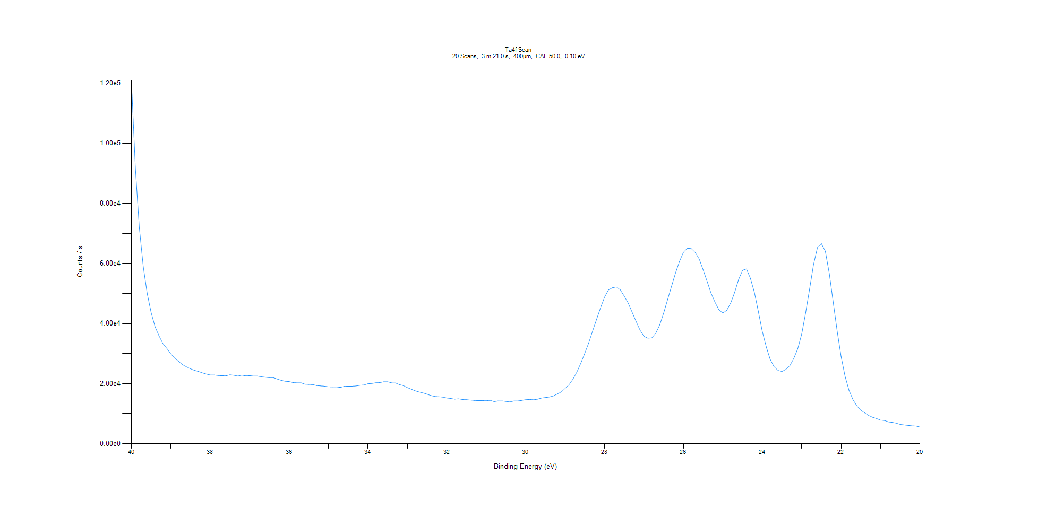
﻿
Axis | Energy | Elements= | 201

C:\XPS-UPS-Data\djung\1wkTaRe-2wkSAM-1201\Experiment\X-Ray003 400um - FG ON\BOE_WK1\Ta4f Scan.VGD

Binding Energy (E)
eV |  | Counts / s
40 |  | 121040
39.9 |  | 92049
39.8 |  | 72106.9
39.7 |  | 59014.7
39.6 |  | 50034
39.5 |  | 43681
39.4 |  | 38911
39.3 |  | 35913.5
39.2 |  | 33280.4
39.1 |  | 31716.2
39 |  | 29899
38.9 |  | 28434.6
38.8 |  | 27364.1
38.7 |  | 26281.9
38.6 |  | 25547.2
38.5 |  | 24917.2
38.4 |  | 24410.3
38.3 |  | 24034.6
38.2 |  | 23575.5
38.1 |  | 23191.1
38 |  | 22880.3
37.9 |  | 22872.9
37.8 |  | 22695.9
37.7 |  | 22641.5
37.6 |  | 22617.5
37.5 |  | 22936.9
37.4 |  | 22783.8
37.3 |  | 22515.2
37.2 |  | 22822.2
37.1 |  | 22578.7
37 |  | 22658.5
36.9 |  | 22494.9
36.8 |  | 22493.2
36.7 |  | 22271.3
36.6 |  | 22109.2
36.5 |  | 21960.8
36.4 |  | 21963.1
36.3 |  | 21508.2
36.2 |  | 21084.3
36.1 |  | 20781.4
36 |  | 20679.1
35.9 |  | 20351.1
35.8 |  | 20271.4
35.7 |  | 20273.6
35.6 |  | 19817.4
35.5 |  | 19738.8
35.4 |  | 19686.6
35.3 |  | 19352.3
35.2 |  | 19235
35.1 |  | 19126.6
35 |  | 18942.3
34.9 |  | 18874.5
34.8 |  | 18919.2
34.7 |  | 18728.6
34.6 |  | 19085.9
34.5 |  | 19110.1
34.4 |  | 19118.9
34.3 |  | 19230.5
34.2 |  | 19453.3
34.1 |  | 19542.7
34 |  | 19953
33.9 |  | 20061.5
33.8 |  | 20271
33.7 |  | 20342.2
33.6 |  | 20611.7
33.5 |  | 20615.4
33.4 |  | 20253.8
33.3 |  | 20202.8
33.2 |  | 19667.4
33.1 |  | 19328.2
33 |  | 18656.7
32.9 |  | 18148.1
32.8 |  | 17584.8
32.7 |  | 17208.2
32.6 |  | 16881.9
32.5 |  | 16465.9
32.4 |  | 16005.4
32.3 |  | 15703.7
32.2 |  | 15621.5
32.1 |  | 15503.8
32 |  | 15213.1
31.9 |  | 15057.3
31.8 |  | 14817.2
31.7 |  | 14949.3
31.6 |  | 14689
31.5 |  | 14641.5
31.4 |  | 14521.9
31.3 |  | 14403.7
31.2 |  | 14335.9
31.1 |  | 14350.3
31 |  | 14298.2
30.9 |  | 14444.4
30.8 |  | 13999.5
30.7 |  | 14225.1
30.6 |  | 14246.5
30.5 |  | 14076.8
30.4 |  | 13910
30.3 |  | 14205.4
30.2 |  | 14222.3
30.1 |  | 14413.5
30 |  | 14636.7
29.9 |  | 14739.6
29.8 |  | 14603
29.7 |  | 14820
29.6 |  | 15189.1
29.5 |  | 15359.5
29.4 |  | 15542.3
29.3 |  | 15886.1
29.2 |  | 16527.8
29.1 |  | 17205.5
29 |  | 18387.3
28.9 |  | 19647.8
28.8 |  | 21480.5
28.7 |  | 23877.4
28.6 |  | 26830.5
28.5 |  | 30139.6
28.4 |  | 33609.9
28.3 |  | 37617.1
28.2 |  | 41452.6
28.1 |  | 45262.5
28 |  | 48766.2
27.9 |  | 51192
27.8 |  | 51886.9
27.7 |  | 52166.5
27.6 |  | 51205.5
27.5 |  | 49104.7
27.4 |  | 46798
27.3 |  | 43755
27.2 |  | 40691.9
27.1 |  | 37808.8
27 |  | 35734.2
26.9 |  | 35097.7
26.8 |  | 35228.8
26.7 |  | 36796
26.6 |  | 39533.9
26.5 |  | 43493.5
26.4 |  | 47982.1
26.3 |  | 52433.7
26.2 |  | 56811.7
26.1 |  | 60663.5
26 |  | 63688.7
25.9 |  | 65068.5
25.8 |  | 64918.7
25.7 |  | 63642.4
25.6 |  | 61491.8
25.5 |  | 57896.7
25.4 |  | 54085.8
25.3 |  | 50142.4
25.2 |  | 47126.4
25.1 |  | 44571.6
25 |  | 43501.1
24.9 |  | 44390.9
24.8 |  | 46839.6
24.7 |  | 50363.1
24.6 |  | 54640.9
24.5 |  | 57706.9
24.4 |  | 58173.9
24.3 |  | 55022.1
24.2 |  | 50379.4
24.1 |  | 44025.3
24 |  | 37381.3
23.9 |  | 32264.3
23.8 |  | 28117.4
23.7 |  | 25592.5
23.6 |  | 24387.5
23.5 |  | 24039.4
23.4 |  | 24728.3
23.3 |  | 25985.2
23.2 |  | 28391.5
23.1 |  | 31597.3
23 |  | 36467.8
22.9 |  | 43563.9
22.8 |  | 51457.5
22.7 |  | 59587.1
22.6 |  | 65284.1
22.5 |  | 66589.9
22.4 |  | 64052.9
22.3 |  | 56606.5
22.2 |  | 46993.2
22.1 |  | 37481.1
22 |  | 28993.8
21.9 |  | 22442.4
21.8 |  | 17766.5
21.7 |  | 14671
21.6 |  | 12569.7
21.5 |  | 11118.2
21.4 |  | 10243
21.3 |  | 9373.14
21.2 |  | 8794.63
21.1 |  | 8369.18
21 |  | 7828.13
20.9 |  | 7735.18
20.8 |  | 7267.15
20.7 |  | 7077.07
20.6 |  | 6826.56
20.5 |  | 6411.79
20.4 |  | 6259.6
20.3 |  | 6089.38
20.2 |  | 5935.83
20.1 |  | 5874.14
20 |  | 5527.23

Re4f Scan
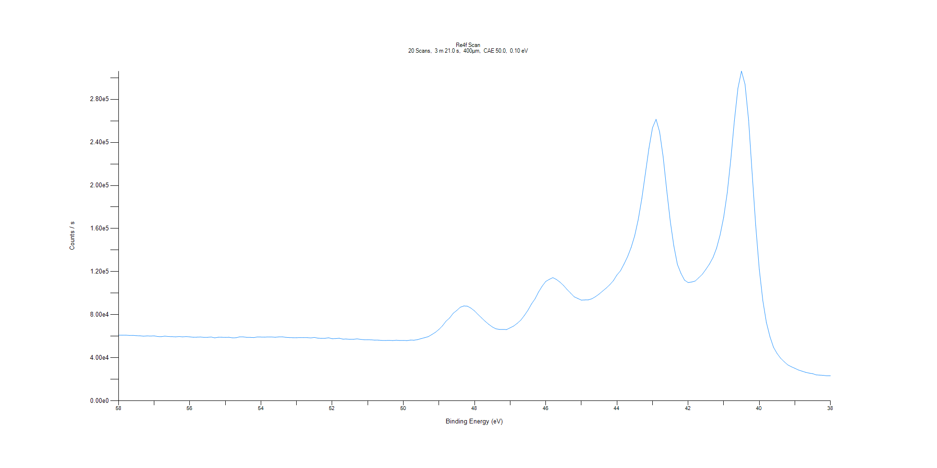
﻿
Axis | Energy | Elements= | 201

C:\XPS-UPS-Data\djung\1wkTaRe-2wkSAM-1201\Experiment\X-Ray003 400um - FG ON\BOE_WK1\Re4f Scan.VGD

Binding Energy (E)
eV |  | Counts / s
58 |  | 60982.4
57.9 |  | 60935.7
57.8 |  | 60990.1
57.7 |  | 60746.9
57.6 |  | 60782
57.5 |  | 60478.6
57.4 |  | 60419
57.3 |  | 60053.4
57.2 |  | 60306.3
57.1 |  | 60174.1
57 |  | 60330.7
56.9 |  | 59720.3
56.8 |  | 59612.3
56.7 |  | 60061.1
56.6 |  | 59716.3
56.5 |  | 59621.4
56.4 |  | 59433
56.3 |  | 59718.8
56.2 |  | 59445.4
56.1 |  | 59692.5
56 |  | 59399.5
55.9 |  | 59044.5
55.8 |  | 59126.4
55.7 |  | 59277.9
55.6 |  | 58926
55.5 |  | 58991.2
55.4 |  | 59257.2
55.3 |  | 58508.3
55.2 |  | 59085.8
55.1 |  | 59040.1
55 |  | 58900.5
54.9 |  | 59031.1
54.8 |  | 58529.3
54.7 |  | 58592.3
54.6 |  | 59419.1
54.5 |  | 59383.2
54.4 |  | 58955.3
54.3 |  | 58924.6
54.2 |  | 58769.9
54.1 |  | 59328.8
54 |  | 59244
53.9 |  | 59128.1
53.8 |  | 59363.4
53.7 |  | 59300.9
53.6 |  | 59030.7
53.5 |  | 59378.3
53.4 |  | 59420.4
53.3 |  | 58966.4
53.2 |  | 58765.9
53.1 |  | 58648.9
53 |  | 58626.7
52.9 |  | 58798
52.8 |  | 58708.1
52.7 |  | 58718.9
52.6 |  | 58437.9
52.5 |  | 58898.3
52.4 |  | 58180.7
52.3 |  | 58067.7
52.2 |  | 58083.4
52.1 |  | 58536.4
52 |  | 57707.4
51.9 |  | 57886.3
51.8 |  | 58146.3
51.7 |  | 57320.7
51.6 |  | 57389.3
51.5 |  | 57138.9
51.4 |  | 57141.8
51.3 |  | 57550.5
51.2 |  | 57064.1
51.1 |  | 56756.8
51 |  | 56749.5
50.9 |  | 56649.5
50.8 |  | 56355.8
50.7 |  | 56356.9
50.6 |  | 56124.2
50.5 |  | 56078.4
50.4 |  | 56220.9
50.3 |  | 55993.8
50.2 |  | 56287.2
50.1 |  | 56075.9
50 |  | 56126.1
49.9 |  | 55960.1
49.8 |  | 56410.8
49.7 |  | 56325.7
49.6 |  | 56853.3
49.5 |  | 57799.8
49.4 |  | 58696
49.3 |  | 59611
49.2 |  | 61557.8
49.1 |  | 63619.1
49 |  | 66339.6
48.9 |  | 69699.2
48.8 |  | 74011.4
48.7 |  | 76969.1
48.6 |  | 81290.7
48.5 |  | 83896.8
48.4 |  | 86926.7
48.3 |  | 88107.9
48.2 |  | 87901.2
48.1 |  | 86056.6
48 |  | 83476.4
47.9 |  | 80142.2
47.8 |  | 76982
47.7 |  | 73794.2
47.6 |  | 71027.9
47.5 |  | 68598.1
47.4 |  | 66885.6
47.3 |  | 66325.6
47.2 |  | 66349.3
47.1 |  | 66179.2
47 |  | 67821.5
46.9 |  | 69468.7
46.8 |  | 71970.2
46.7 |  | 74937.3
46.6 |  | 79257.7
46.5 |  | 84124.6
46.4 |  | 89946.4
46.3 |  | 94752
46.2 |  | 101098
46.1 |  | 106481
46 |  | 110863
45.9 |  | 112822
45.8 |  | 114386
45.7 |  | 112729
45.6 |  | 110239
45.5 |  | 107133
45.4 |  | 103371
45.3 |  | 100034
45.2 |  | 96613.8
45.1 |  | 95065.6
45 |  | 93535.7
44.9 |  | 93707.3
44.8 |  | 93782.1
44.7 |  | 94829.7
44.6 |  | 96778.5
44.5 |  | 99164.1
44.4 |  | 101978
44.3 |  | 104720
44.2 |  | 107870
44.1 |  | 111547
44 |  | 116841
43.9 |  | 120771
43.8 |  | 127028
43.7 |  | 133919
43.6 |  | 142476
43.5 |  | 153276
43.4 |  | 168381
43.3 |  | 187833
43.2 |  | 211110
43.1 |  | 234535
43 |  | 253587
42.9 |  | 261450
42.8 |  | 249723
42.7 |  | 226421
42.6 |  | 195422
42.5 |  | 166521
42.4 |  | 143841
42.3 |  | 126672
42.2 |  | 118333
42.1 |  | 112056
42 |  | 109855
41.9 |  | 110336
41.8 |  | 111254
41.7 |  | 114310
41.6 |  | 117569
41.5 |  | 122132
41.4 |  | 127040
41.3 |  | 133089
41.2 |  | 141757
41.1 |  | 154120
41 |  | 170584
40.9 |  | 193273
40.8 |  | 224232
40.7 |  | 259831
40.6 |  | 290211
40.5 |  | 306132
40.4 |  | 293828
40.3 |  | 260505
40.2 |  | 210930
40.1 |  | 162794
40 |  | 122151
39.9 |  | 93010.3
39.8 |  | 72698.5
39.7 |  | 59503.7
39.6 |  | 49758.9
39.5 |  | 43971.2
39.4 |  | 39581.3
39.3 |  | 36308.5
39.2 |  | 33403.5
39.1 |  | 31671.7
39 |  | 30213.7
38.9 |  | 28649.4
38.8 |  | 27563.2
38.7 |  | 26527.5
38.6 |  | 25727.8
38.5 |  | 25231.4
38.4 |  | 24096.2
38.3 |  | 23880.6
38.2 |  | 23691
38.1 |  | 23215.6
38 |  | 23321.6

Al2p Scan
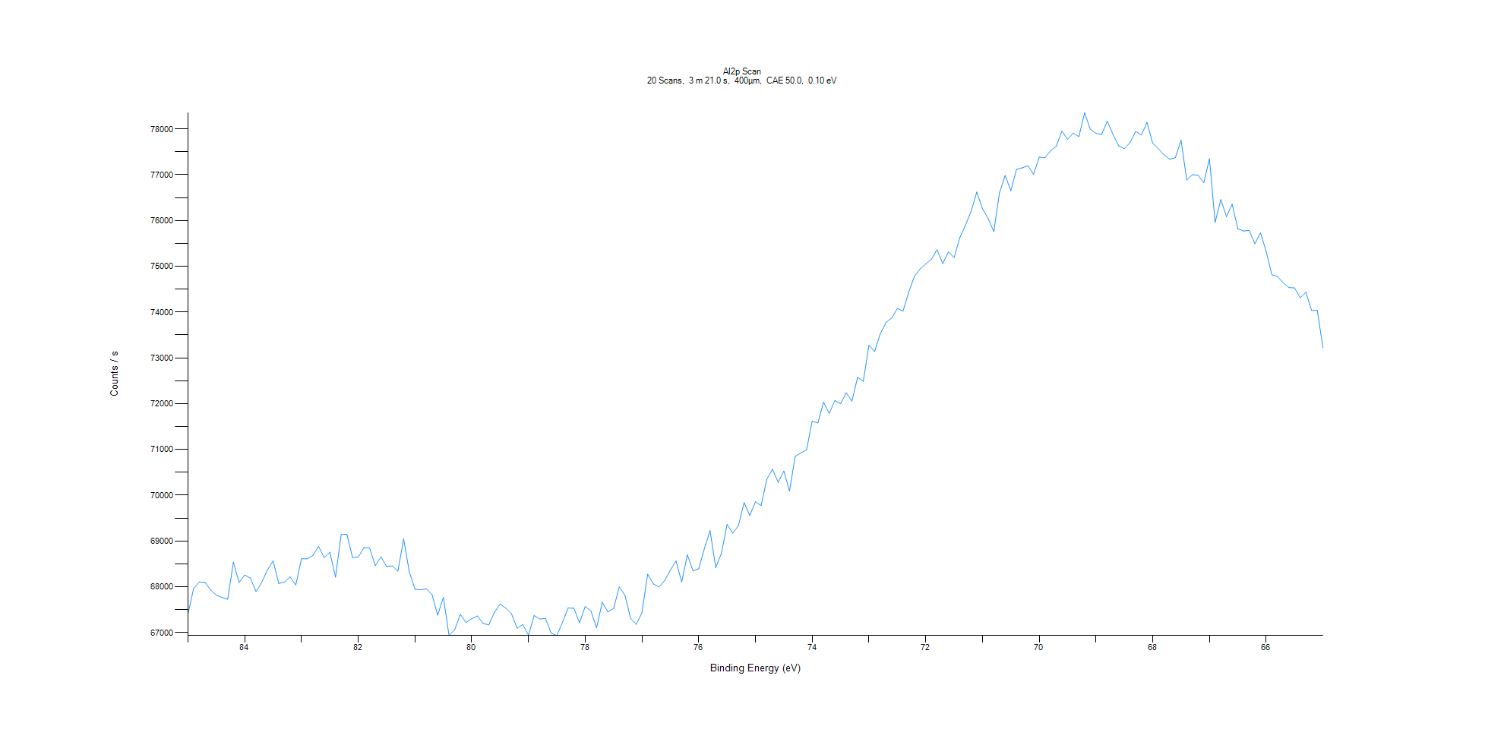
﻿
Axis | Energy | Elements= | 201

C:\XPS-UPS-Data\djung\1wkTaRe-2wkSAM-1201\Experiment\X-Ray003 400um - FG ON\BOE_WK1\Al2p Scan.VGD

Binding Energy (E)
eV |  | Counts / s
85 |  | 67407.5
84.9 |  | 67965
84.8 |  | 68103.7
84.7 |  | 68100.1
84.6 |  | 67927.1
84.5 |  | 67816.9
84.4 |  | 67765.3
84.3 |  | 67726.5
84.2 |  | 68536.7
84.1 |  | 68092.9
84 |  | 68256.8
83.9 |  | 68188.4
83.8 |  | 67894.1
83.7 |  | 68097.1
83.6 |  | 68367.6
83.5 |  | 68566.8
83.4 |  | 68071
83.3 |  | 68102.1
83.2 |  | 68215.4
83.1 |  | 68039.7
83 |  | 68610.2
82.9 |  | 68609.7
82.8 |  | 68680.8
82.7 |  | 68883.5
82.6 |  | 68635.8
82.5 |  | 68754.8
82.4 |  | 68210.3
82.3 |  | 69141.5
82.2 |  | 69146.7
82.1 |  | 68636.7
82 |  | 68647.3
81.9 |  | 68856.1
81.8 |  | 68850.1
81.7 |  | 68458.5
81.6 |  | 68654.1
81.5 |  | 68443.5
81.4 |  | 68457
81.3 |  | 68341.3
81.2 |  | 69046.9
81.1 |  | 68329.4
81 |  | 67943.9
80.9 |  | 67932.5
80.8 |  | 67956.2
80.7 |  | 67830.2
80.6 |  | 67379.6
80.5 |  | 67769.3
80.4 |  | 66937.6
80.3 |  | 67063
80.2 |  | 67399.7
80.1 |  | 67218.9
80 |  | 67301.3
79.9 |  | 67361.6
79.8 |  | 67198.3
79.7 |  | 67167.1
79.6 |  | 67439
79.5 |  | 67625.5
79.4 |  | 67532.2
79.3 |  | 67410.8
79.2 |  | 67094.7
79.1 |  | 67173.5
79 |  | 66941.9
78.9 |  | 67371.1
78.8 |  | 67295.7
78.7 |  | 67308
78.6 |  | 66986.2
78.5 |  | 66934.4
78.4 |  | 67223.7
78.3 |  | 67535.7
78.2 |  | 67530.4
78.1 |  | 67211.2
78 |  | 67570.3
77.9 |  | 67473.8
77.8 |  | 67102.4
77.7 |  | 67662.3
77.6 |  | 67450
77.5 |  | 67524.2
77.4 |  | 67997.7
77.3 |  | 67813.2
77.2 |  | 67311.4
77.1 |  | 67179.5
77 |  | 67434.9
76.9 |  | 68274.7
76.8 |  | 68062.2
76.7 |  | 67993.8
76.6 |  | 68134.4
76.5 |  | 68360.3
76.4 |  | 68564.8
76.3 |  | 68101.9
76.2 |  | 68698.9
76.1 |  | 68345.4
76 |  | 68393.8
75.9 |  | 68833.8
75.8 |  | 69225.6
75.7 |  | 68416.8
75.6 |  | 68730.5
75.5 |  | 69362.7
75.4 |  | 69169.2
75.3 |  | 69337.7
75.2 |  | 69838.5
75.1 |  | 69557.4
75 |  | 69857.6
74.9 |  | 69771.1
74.8 |  | 70349.9
74.7 |  | 70568.8
74.6 |  | 70280.2
74.5 |  | 70526.2
74.4 |  | 70089.7
74.3 |  | 70849
74.2 |  | 70924
74.1 |  | 70988.9
74 |  | 71618.7
73.9 |  | 71578.8
73.8 |  | 72030.9
73.7 |  | 71787
73.6 |  | 72067.3
73.5 |  | 71997.1
73.4 |  | 72239.8
73.3 |  | 72052
73.2 |  | 72579.3
73.1 |  | 72485.5
73 |  | 73278.2
72.9 |  | 73139.6
72.8 |  | 73529.5
72.7 |  | 73773.5
72.6 |  | 73868.3
72.5 |  | 74078.5
72.4 |  | 74022.5
72.3 |  | 74432
72.2 |  | 74777.6
72.1 |  | 74940.7
72 |  | 75051.4
71.9 |  | 75154.3
71.8 |  | 75361.5
71.7 |  | 75060.2
71.6 |  | 75313.8
71.5 |  | 75190.8
71.4 |  | 75621.9
71.3 |  | 75895.4
71.2 |  | 76202.3
71.1 |  | 76622.1
71 |  | 76261
70.9 |  | 76045.9
70.8 |  | 75758.7
70.7 |  | 76603.8
70.6 |  | 76986
70.5 |  | 76650.5
70.4 |  | 77116.3
70.3 |  | 77151.4
70.2 |  | 77197.8
70.1 |  | 77007
70 |  | 77384.8
69.9 |  | 77372.9
69.8 |  | 77521.9
69.7 |  | 77621.4
69.6 |  | 77953.9
69.5 |  | 77774.6
69.4 |  | 77911
69.3 |  | 77833.9
69.2 |  | 78353.6
69.1 |  | 77994.2
69 |  | 77905.5
68.9 |  | 77878.7
68.8 |  | 78172.5
68.7 |  | 77881
68.6 |  | 77631.6
68.5 |  | 77570.9
68.4 |  | 77700.7
68.3 |  | 77948.6
68.2 |  | 77869.1
68.1 |  | 78142.2
68 |  | 77691.1
67.9 |  | 77569.3
67.8 |  | 77436.2
67.7 |  | 77340
67.6 |  | 77373.4
67.5 |  | 77758.5
67.4 |  | 76882.8
67.3 |  | 77000.9
67.2 |  | 76988.1
67.1 |  | 76824.6
67 |  | 77349.6
66.9 |  | 75960.6
66.8 |  | 76458.6
66.7 |  | 76086.8
66.6 |  | 76357.8
66.5 |  | 75822.2
66.4 |  | 75771.1
66.3 |  | 75785
66.2 |  | 75491.8
66.1 |  | 75733.8
66 |  | 75322.6
65.9 |  | 74816
65.8 |  | 74776.8
65.7 |  | 74638.8
65.6 |  | 74535.9
65.5 |  | 74527.6
65.4 |  | 74312.5
65.3 |  | 74433.9
65.2 |  | 74036
65.1 |  | 74038.3
65 |  | 73226

C1s Scan
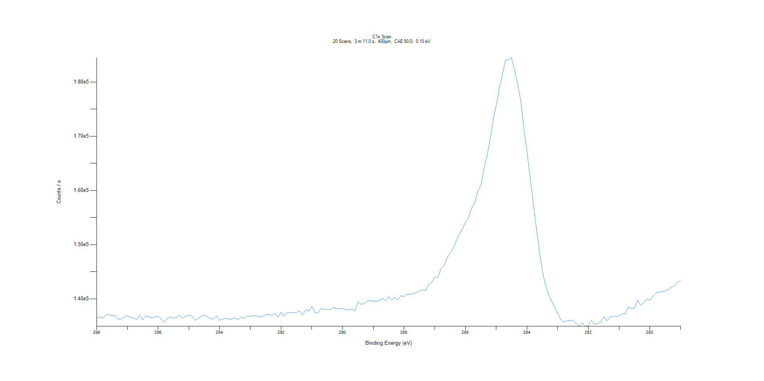
﻿
Axis | Energy | Elements= | 191

C:\XPS-UPS-Data\djung\1wkTaRe-2wkSAM-1201\Experiment\X-Ray003 400um - FG ON\BOE_WK1\C1s Scan.VGD

Binding Energy (E)
eV |  | Counts / s
298 |  | 136437
297.9 |  | 136722
297.8 |  | 136392
297.7 |  | 137078
297.6 |  | 137033
297.5 |  | 136978
297.4 |  | 136821
297.3 |  | 136243
297.2 |  | 136291
297.1 |  | 136637
297 |  | 136891
296.9 |  | 136572
296.8 |  | 136470
296.7 |  | 136142
296.6 |  | 137012
296.5 |  | 136178
296.4 |  | 136888
296.3 |  | 136680
296.2 |  | 136415
296.1 |  | 136674
296 |  | 136748
295.9 |  | 136298
295.8 |  | 135683
295.7 |  | 136420
295.6 |  | 136647
295.5 |  | 136391
295.4 |  | 136626
295.3 |  | 136956
295.2 |  | 136388
295.1 |  | 136792
295 |  | 136949
294.9 |  | 136835
294.8 |  | 136056
294.7 |  | 136358
294.6 |  | 136775
294.5 |  | 136982
294.4 |  | 136686
294.3 |  | 136358
294.2 |  | 136263
294.1 |  | 136851
294 |  | 136098
293.9 |  | 136266
293.8 |  | 136441
293.7 |  | 136249
293.6 |  | 136277
293.5 |  | 136478
293.4 |  | 136163
293.3 |  | 136570
293.2 |  | 136409
293.1 |  | 136816
293 |  | 136776
292.9 |  | 136885
292.8 |  | 136899
292.7 |  | 136647
292.6 |  | 136741
292.5 |  | 137045
292.4 |  | 137150
292.3 |  | 136875
292.2 |  | 137366
292.1 |  | 136615
292 |  | 137502
291.9 |  | 136842
291.8 |  | 137496
291.7 |  | 137466
291.6 |  | 137406
291.5 |  | 137485
291.4 |  | 137727
291.3 |  | 137072
291.2 |  | 137954
291.1 |  | 137769
291 |  | 138619
290.9 |  | 137413
290.8 |  | 137407
290.7 |  | 138166
290.6 |  | 138116
290.5 |  | 138029
290.4 |  | 138001
290.3 |  | 138461
290.2 |  | 138168
290.1 |  | 138151
290 |  | 138253
289.9 |  | 138013
289.8 |  | 137934
289.7 |  | 138082
289.6 |  | 137833
289.5 |  | 139430
289.4 |  | 139006
289.3 |  | 139078
289.2 |  | 139512
289.1 |  | 139740
289 |  | 139580
288.9 |  | 139540
288.8 |  | 139725
288.7 |  | 140139
288.6 |  | 139558
288.5 |  | 140446
288.4 |  | 139769
288.3 |  | 140289
288.2 |  | 139761
288.1 |  | 140551
288 |  | 140430
287.9 |  | 140808
287.8 |  | 140859
287.7 |  | 140982
287.6 |  | 141150
287.5 |  | 141466
287.4 |  | 141666
287.3 |  | 141572
287.2 |  | 142610
287.1 |  | 143070
287 |  | 143991
286.9 |  | 143935
286.8 |  | 145538
286.7 |  | 146082
286.6 |  | 147510
286.5 |  | 148452
286.4 |  | 149338
286.3 |  | 150715
286.2 |  | 151962
286.1 |  | 152935
286 |  | 154183
285.9 |  | 155052
285.8 |  | 156759
285.7 |  | 157731
285.6 |  | 159854
285.5 |  | 160943
285.4 |  | 163988
285.3 |  | 166288
285.2 |  | 169337
285.1 |  | 173081
285 |  | 175753
284.9 |  | 178800
284.8 |  | 181382
284.7 |  | 183951
284.6 |  | 184131
284.5 |  | 184437
284.4 |  | 182094
284.3 |  | 179505
284.2 |  | 176523
284.1 |  | 171413
284 |  | 167186
283.9 |  | 162479
283.8 |  | 157815
283.7 |  | 153264
283.6 |  | 149140
283.5 |  | 145149
283.4 |  | 142509
283.3 |  | 140830
283.2 |  | 139602
283.1 |  | 138527
283 |  | 137283
282.9 |  | 136176
282.8 |  | 135744
282.7 |  | 135961
282.6 |  | 135951
282.5 |  | 136051
282.4 |  | 135449
282.3 |  | 135012
282.2 |  | 135540
282.1 |  | 134923
282 |  | 135174
281.9 |  | 136013
281.8 |  | 135315
281.7 |  | 135390
281.6 |  | 135773
281.5 |  | 136677
281.4 |  | 135955
281.3 |  | 136631
281.2 |  | 136762
281.1 |  | 136788
281 |  | 136851
280.9 |  | 137277
280.8 |  | 137231
280.7 |  | 138487
280.6 |  | 138279
280.5 |  | 138263
280.4 |  | 139734
280.3 |  | 138816
280.2 |  | 139286
280.1 |  | 139959
280 |  | 139788
279.9 |  | 140501
279.8 |  | 141083
279.7 |  | 141256
279.6 |  | 141309
279.5 |  | 141440
279.4 |  | 141689
279.3 |  | 142187
279.2 |  | 142381
279.1 |  | 142992
279 |  | 143431

O1s Scan
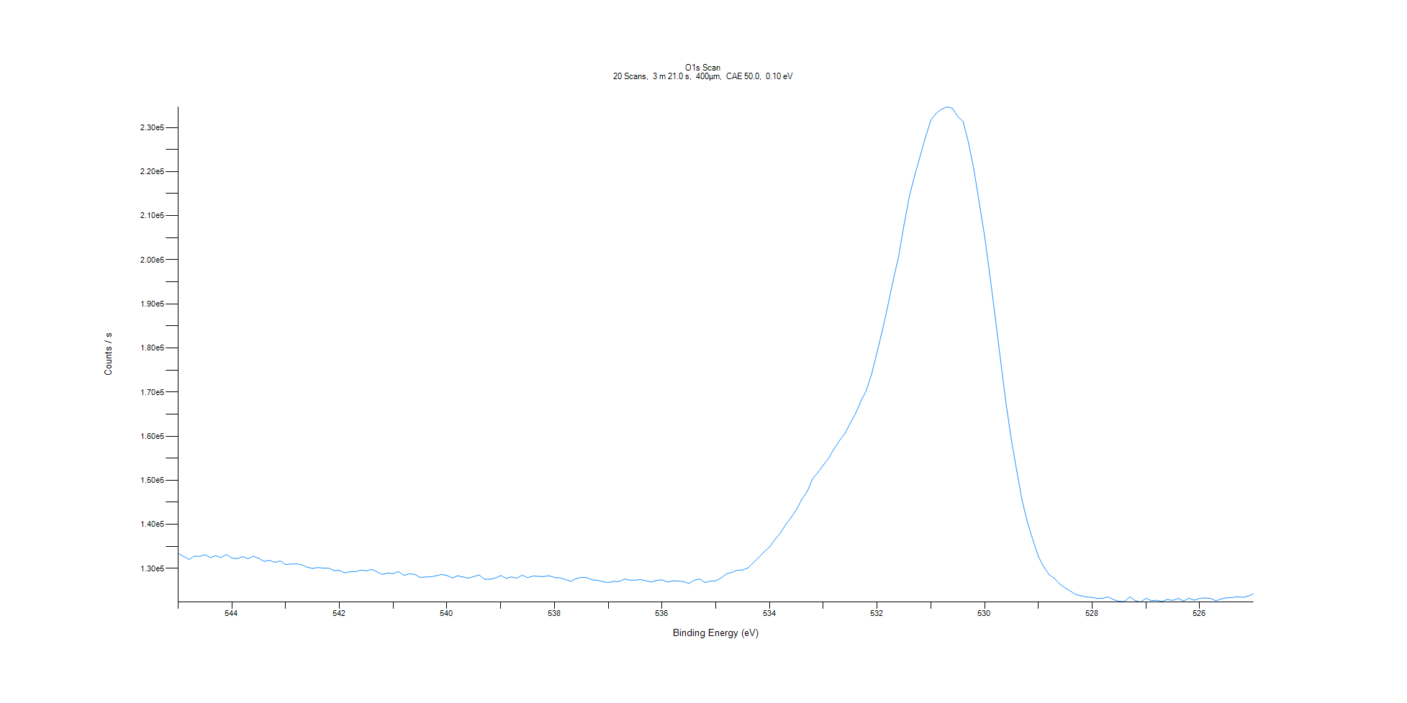
﻿
Axis | Energy | Elements= | 201

C:\XPS-UPS-Data\djung\1wkTaRe-2wkSAM-1201\Experiment\X-Ray003 400um - FG ON\BOE_WK1\O1s Scan.VGD

Binding Energy (E)
eV |  | Counts / s
545 |  | 133383
544.9 |  | 132753
544.8 |  | 132044
544.7 |  | 132779
544.6 |  | 132727
544.5 |  | 133116
544.4 |  | 132459
544.3 |  | 132897
544.2 |  | 132465
544.1 |  | 133159
544 |  | 132345
543.9 |  | 132220
543.8 |  | 132684
543.7 |  | 132205
543.6 |  | 132758
543.5 |  | 132307
543.4 |  | 131596
543.3 |  | 131824
543.2 |  | 131378
543.1 |  | 131694
543 |  | 130887
542.9 |  | 130997
542.8 |  | 131036
542.7 |  | 130822
542.6 |  | 130284
542.5 |  | 129993
542.4 |  | 130212
542.3 |  | 130073
542.2 |  | 130063
542.1 |  | 129519
542 |  | 129538
541.9 |  | 128980
541.8 |  | 129241
541.7 |  | 129277
541.6 |  | 129620
541.5 |  | 129437
541.4 |  | 129786
541.3 |  | 129228
541.2 |  | 128645
541.1 |  | 128966
541 |  | 128815
540.9 |  | 129282
540.8 |  | 128424
540.7 |  | 128789
540.6 |  | 128654
540.5 |  | 127970
540.4 |  | 128055
540.3 |  | 128102
540.2 |  | 128334
540.1 |  | 128629
540 |  | 128395
539.9 |  | 127837
539.8 |  | 128330
539.7 |  | 128048
539.6 |  | 127782
539.5 |  | 128174
539.4 |  | 128496
539.3 |  | 127542
539.2 |  | 127544
539.1 |  | 127816
539 |  | 128385
538.9 |  | 127746
538.8 |  | 128072
538.7 |  | 127797
538.6 |  | 128487
538.5 |  | 127911
538.4 |  | 128285
538.3 |  | 128202
538.2 |  | 128151
538.1 |  | 128349
538 |  | 127961
537.9 |  | 127852
537.8 |  | 127497
537.7 |  | 127069
537.6 |  | 127694
537.5 |  | 127979
537.4 |  | 127919
537.3 |  | 127418
537.2 |  | 127283
537.1 |  | 127003
537 |  | 126797
536.9 |  | 127046
536.8 |  | 127008
536.7 |  | 127586
536.6 |  | 127356
536.5 |  | 127333
536.4 |  | 127480
536.3 |  | 127204
536.2 |  | 126953
536.1 |  | 127282
536 |  | 127414
535.9 |  | 126933
535.8 |  | 127168
535.7 |  | 127148
535.6 |  | 127023
535.5 |  | 126582
535.4 |  | 127336
535.3 |  | 127607
535.2 |  | 126802
535.1 |  | 127123
535 |  | 127188
534.9 |  | 127877
534.8 |  | 128778
534.7 |  | 129103
534.6 |  | 129586
534.5 |  | 129665
534.4 |  | 130135
534.3 |  | 131348
534.2 |  | 132483
534.1 |  | 133779
534 |  | 134844
533.9 |  | 136551
533.8 |  | 137996
533.7 |  | 139954
533.6 |  | 141508
533.5 |  | 143328
533.4 |  | 145663
533.3 |  | 147434
533.2 |  | 150328
533.1 |  | 151755
533 |  | 153438
532.9 |  | 155014
532.8 |  | 157166
532.7 |  | 158951
532.6 |  | 160620
532.5 |  | 162902
532.4 |  | 165157
532.3 |  | 167975
532.2 |  | 170358
532.1 |  | 174140
532 |  | 179041
531.9 |  | 184044
531.8 |  | 189572
531.7 |  | 195433
531.6 |  | 200717
531.5 |  | 207887
531.4 |  | 214387
531.3 |  | 219138
531.2 |  | 223460
531.1 |  | 227850
531 |  | 231629
530.9 |  | 233245
530.8 |  | 234152
530.7 |  | 234679
530.6 |  | 234383
530.5 |  | 232489
530.4 |  | 231359
530.3 |  | 226555
530.2 |  | 220487
530.1 |  | 212993
530 |  | 205340
529.9 |  | 196292
529.8 |  | 186748
529.7 |  | 176899
529.6 |  | 167281
529.5 |  | 159027
529.4 |  | 151971
529.3 |  | 145297
529.2 |  | 140278
529.1 |  | 136390
529 |  | 132711
528.9 |  | 130344
528.8 |  | 128582
528.7 |  | 127717
528.6 |  | 126438
528.5 |  | 125553
528.4 |  | 124843
528.3 |  | 124045
528.2 |  | 123801
528.1 |  | 123524
528 |  | 123436
527.9 |  | 123173
527.8 |  | 123235
527.7 |  | 123532
527.6 |  | 122916
527.5 |  | 122537
527.4 |  | 122479
527.3 |  | 123531
527.2 |  | 122725
527.1 |  | 122359
527 |  | 123221
526.9 |  | 122719
526.8 |  | 122778
526.7 |  | 122508
526.6 |  | 122970
526.5 |  | 122748
526.4 |  | 123197
526.3 |  | 122600
526.2 |  | 123240
526.1 |  | 122822
526 |  | 123203
525.9 |  | 123310
525.8 |  | 123208
525.7 |  | 122662
525.6 |  | 123086
525.5 |  | 123345
525.4 |  | 123395
525.3 |  | 123578
525.2 |  | 123447
525.1 |  | 123696
525 |  | 124242

