XPS Survey
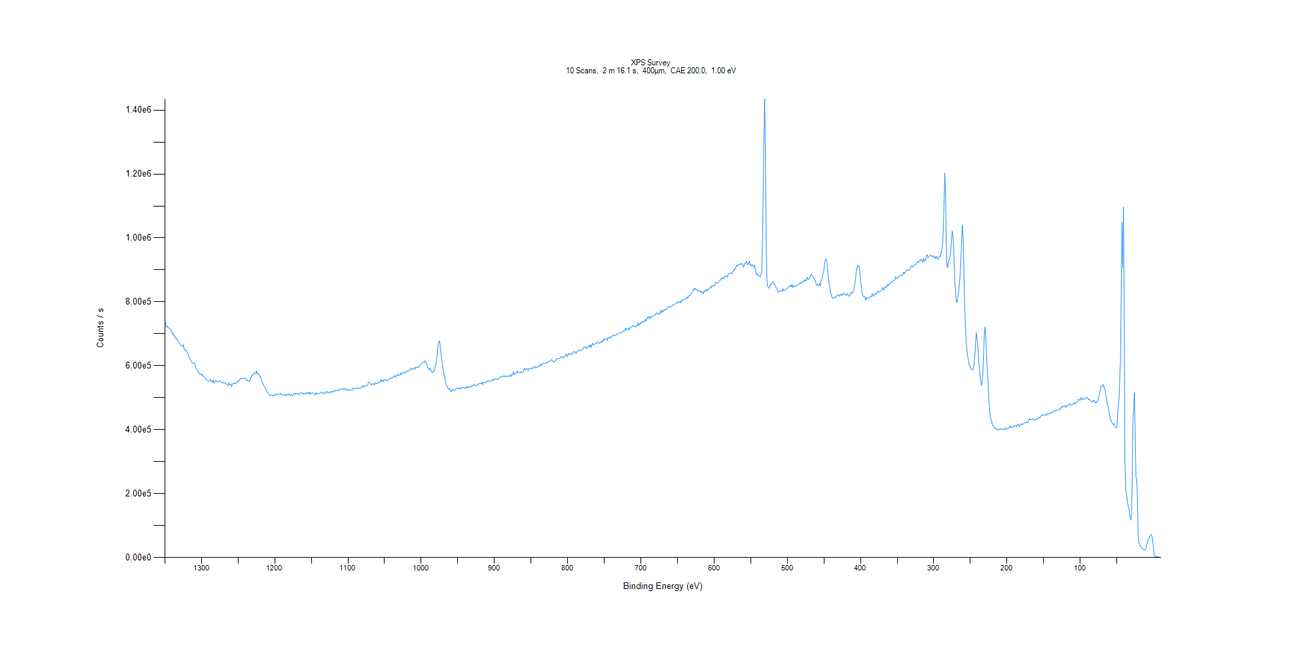
﻿
Axis | Energy | Elements= | 1361

C:\XPS-UPS-Data\djung\1wkTaRe-2wkSAM-1201\Experiment\X-Ray003 400um - FG ON\Control_WK1\XPS Survey.VGD

Binding Energy (E)
eV |  | Counts / s
1350 |  | 737244
1349 |  | 733640
1348 |  | 721225
1347 |  | 724871
1346 |  | 719391
1345 |  | 719456
1344 |  | 717476
1343 |  | 713899
1342 |  | 712076
1341 |  | 709994
1340 |  | 700390
1339 |  | 703473
1338 |  | 692791
1337 |  | 694698
1336 |  | 690298
1335 |  | 683844
1334 |  | 685277
1333 |  | 679619
1332 |  | 677223
1331 |  | 674221
1330 |  | 667951
1329 |  | 666307
1328 |  | 663921
1327 |  | 662128
1326 |  | 660993
1325 |  | 666183
1324 |  | 654893
1323 |  | 649722
1322 |  | 648409
1321 |  | 650122
1320 |  | 642926
1319 |  | 640519
1318 |  | 634626
1317 |  | 626566
1316 |  | 621838
1315 |  | 619157
1314 |  | 613892
1313 |  | 609082
1312 |  | 608761
1311 |  | 609728
1310 |  | 609510
1309 |  | 605339
1308 |  | 595229
1307 |  | 589499
1306 |  | 586065
1305 |  | 580419
1304 |  | 580549
1303 |  | 575262
1302 |  | 574541
1301 |  | 573636
1300 |  | 570341
1299 |  | 573160
1298 |  | 567778
1297 |  | 565157
1296 |  | 564078
1295 |  | 561084
1294 |  | 558156
1293 |  | 556099
1292 |  | 553439
1291 |  | 551273
1290 |  | 552306
1289 |  | 553754
1288 |  | 558547
1287 |  | 551248
1286 |  | 551915
1285 |  | 549036
1284 |  | 554988
1283 |  | 545729
1282 |  | 549350
1281 |  | 553402
1280 |  | 553135
1279 |  | 552100
1278 |  | 551028
1277 |  | 548898
1276 |  | 550276
1275 |  | 554483
1274 |  | 551799
1273 |  | 549120
1272 |  | 547198
1271 |  | 546102
1270 |  | 550047
1269 |  | 546757
1268 |  | 545484
1267 |  | 546563
1266 |  | 542183
1265 |  | 539899
1264 |  | 537841
1263 |  | 545955
1262 |  | 541920
1261 |  | 541156
1260 |  | 542995
1259 |  | 534345
1258 |  | 542748
1257 |  | 544661
1256 |  | 544188
1255 |  | 547477
1254 |  | 544027
1253 |  | 545316
1252 |  | 546842
1251 |  | 552282
1250 |  | 550777
1249 |  | 550441
1248 |  | 557318
1247 |  | 560127
1246 |  | 557944
1245 |  | 561100
1244 |  | 561250
1243 |  | 559412
1242 |  | 561428
1241 |  | 561303
1240 |  | 561582
1239 |  | 558381
1238 |  | 553434
1237 |  | 556086
1236 |  | 553785
1235 |  | 550748
1234 |  | 554207
1233 |  | 562157
1232 |  | 564879
1231 |  | 571871
1230 |  | 570526
1229 |  | 572969
1228 |  | 578540
1227 |  | 576429
1226 |  | 574797
1225 |  | 584439
1224 |  | 575701
1223 |  | 577208
1222 |  | 574064
1221 |  | 568861
1220 |  | 564570
1219 |  | 565299
1218 |  | 555887
1217 |  | 547686
1216 |  | 542850
1215 |  | 537808
1214 |  | 535565
1213 |  | 529866
1212 |  | 523159
1211 |  | 518565
1210 |  | 516255
1209 |  | 515299
1208 |  | 511280
1207 |  | 507760
1206 |  | 507684
1205 |  | 509478
1204 |  | 508211
1203 |  | 505614
1202 |  | 508870
1201 |  | 505913
1200 |  | 507616
1199 |  | 512407
1198 |  | 509359
1197 |  | 509163
1196 |  | 510880
1195 |  | 510775
1194 |  | 511143
1193 |  | 513113
1192 |  | 513365
1191 |  | 508619
1190 |  | 509668
1189 |  | 507901
1188 |  | 507183
1187 |  | 509084
1186 |  | 509031
1185 |  | 506309
1184 |  | 511679
1183 |  | 509003
1182 |  | 508973
1181 |  | 508849
1180 |  | 513198
1179 |  | 507065
1178 |  | 508761
1177 |  | 510657
1176 |  | 505711
1175 |  | 507519
1174 |  | 511196
1173 |  | 514378
1172 |  | 510821
1171 |  | 513562
1170 |  | 512791
1169 |  | 514906
1168 |  | 510761
1167 |  | 509096
1166 |  | 513959
1165 |  | 515152
1164 |  | 516323
1163 |  | 513965
1162 |  | 515629
1161 |  | 511089
1160 |  | 514069
1159 |  | 514423
1158 |  | 510688
1157 |  | 515336
1156 |  | 514432
1155 |  | 516745
1154 |  | 512227
1153 |  | 517574
1152 |  | 511504
1151 |  | 515412
1150 |  | 514264
1149 |  | 513231
1148 |  | 515690
1147 |  | 513996
1146 |  | 510465
1145 |  | 509162
1144 |  | 515947
1143 |  | 511961
1142 |  | 513662
1141 |  | 512876
1140 |  | 513481
1139 |  | 513970
1138 |  | 513585
1137 |  | 515973
1136 |  | 517987
1135 |  | 514709
1134 |  | 515697
1133 |  | 516234
1132 |  | 512204
1131 |  | 515332
1130 |  | 518222
1129 |  | 520103
1128 |  | 515633
1127 |  | 519151
1126 |  | 514700
1125 |  | 515331
1124 |  | 518687
1123 |  | 519844
1122 |  | 516199
1121 |  | 520769
1120 |  | 518125
1119 |  | 521786
1118 |  | 520254
1117 |  | 522896
1116 |  | 521380
1115 |  | 523506
1114 |  | 524636
1113 |  | 521596
1112 |  | 525714
1111 |  | 525867
1110 |  | 525386
1109 |  | 527887
1108 |  | 527283
1107 |  | 529143
1106 |  | 525795
1105 |  | 528950
1104 |  | 527948
1103 |  | 524249
1102 |  | 525426
1101 |  | 527854
1100 |  | 524096
1099 |  | 522179
1098 |  | 524788
1097 |  | 525746
1096 |  | 524495
1095 |  | 523748
1094 |  | 523791
1093 |  | 531201
1092 |  | 530626
1091 |  | 527837
1090 |  | 528193
1089 |  | 528899
1088 |  | 529270
1087 |  | 531282
1086 |  | 529444
1085 |  | 530706
1084 |  | 529186
1083 |  | 530129
1082 |  | 531336
1081 |  | 531923
1080 |  | 538509
1079 |  | 533836
1078 |  | 533685
1077 |  | 537747
1076 |  | 536946
1075 |  | 539339
1074 |  | 538359
1073 |  | 542109
1072 |  | 546649
1071 |  | 549513
1070 |  | 547471
1069 |  | 543179
1068 |  | 539737
1067 |  | 543792
1066 |  | 543525
1065 |  | 543652
1064 |  | 539932
1063 |  | 547624
1062 |  | 545558
1061 |  | 544423
1060 |  | 545157
1059 |  | 544995
1058 |  | 548850
1057 |  | 548336
1056 |  | 549178
1055 |  | 558261
1054 |  | 550749
1053 |  | 553790
1052 |  | 550720
1051 |  | 557171
1050 |  | 557021
1049 |  | 554439
1048 |  | 555346
1047 |  | 556083
1046 |  | 553128
1045 |  | 554378
1044 |  | 556378
1043 |  | 558331
1042 |  | 563348
1041 |  | 560012
1040 |  | 561627
1039 |  | 562409
1038 |  | 566758
1037 |  | 567127
1036 |  | 569157
1035 |  | 563219
1034 |  | 569645
1033 |  | 570124
1032 |  | 573910
1031 |  | 569870
1030 |  | 570577
1029 |  | 571861
1028 |  | 577462
1027 |  | 571813
1026 |  | 577917
1025 |  | 579499
1024 |  | 581067
1023 |  | 576056
1022 |  | 578525
1021 |  | 581603
1020 |  | 580310
1019 |  | 584122
1018 |  | 582780
1017 |  | 584519
1016 |  | 586023
1015 |  | 587586
1014 |  | 592814
1013 |  | 588396
1012 |  | 590360
1011 |  | 593429
1010 |  | 592195
1009 |  | 589190
1008 |  | 595958
1007 |  | 592825
1006 |  | 596509
1005 |  | 595405
1004 |  | 597279
1003 |  | 594992
1002 |  | 599724
1001 |  | 603875
1000 |  | 605831
999 |  | 607702
998 |  | 610700
997 |  | 611260
996 |  | 612012
995 |  | 615698
994 |  | 608709
993 |  | 611103
992 |  | 601182
991 |  | 594013
990 |  | 588966
989 |  | 588944
988 |  | 592720
987 |  | 586325
986 |  | 581937
985 |  | 578590
984 |  | 581861
983 |  | 581236
982 |  | 587731
981 |  | 595169
980 |  | 603411
979 |  | 618563
978 |  | 639095
977 |  | 660628
976 |  | 674664
975 |  | 678446
974 |  | 660150
973 |  | 641050
972 |  | 617848
971 |  | 604014
970 |  | 588377
969 |  | 574001
968 |  | 565878
967 |  | 552047
966 |  | 542513
965 |  | 538639
964 |  | 533327
963 |  | 527069
962 |  | 525900
961 |  | 529224
960 |  | 522949
959 |  | 518171
958 |  | 524504
957 |  | 523191
956 |  | 526272
955 |  | 521339
954 |  | 524011
953 |  | 527052
952 |  | 529147
951 |  | 529306
950 |  | 530793
949 |  | 529083
948 |  | 527787
947 |  | 532028
946 |  | 527002
945 |  | 528981
944 |  | 531916
943 |  | 531516
942 |  | 531707
941 |  | 529226
940 |  | 530563
939 |  | 534263
938 |  | 531033
937 |  | 535270
936 |  | 530619
935 |  | 534075
934 |  | 535662
933 |  | 533062
932 |  | 536945
931 |  | 535759
930 |  | 538795
929 |  | 537216
928 |  | 542335
927 |  | 540069
926 |  | 540127
925 |  | 537547
924 |  | 538073
923 |  | 542289
922 |  | 542971
921 |  | 543737
920 |  | 544012
919 |  | 544090
918 |  | 544811
917 |  | 548252
916 |  | 541253
915 |  | 547786
914 |  | 546841
913 |  | 549099
912 |  | 546367
911 |  | 548102
910 |  | 553066
909 |  | 552205
908 |  | 551903
907 |  | 553982
906 |  | 551727
905 |  | 551796
904 |  | 555014
903 |  | 556512
902 |  | 553102
901 |  | 558756
900 |  | 555956
899 |  | 558661
898 |  | 558307
897 |  | 559199
896 |  | 558429
895 |  | 556909
894 |  | 557939
893 |  | 563252
892 |  | 566427
891 |  | 563638
890 |  | 565912
889 |  | 565916
888 |  | 566347
887 |  | 569758
886 |  | 566027
885 |  | 565739
884 |  | 568973
883 |  | 565245
882 |  | 566569
881 |  | 566606
880 |  | 570393
879 |  | 568445
878 |  | 565531
877 |  | 573175
876 |  | 569311
875 |  | 575762
874 |  | 581314
873 |  | 571581
872 |  | 575987
871 |  | 576004
870 |  | 579164
869 |  | 583798
868 |  | 578701
867 |  | 578298
866 |  | 580953
865 |  | 579773
864 |  | 577782
863 |  | 581760
862 |  | 578962
861 |  | 579981
860 |  | 586507
859 |  | 592420
858 |  | 586515
857 |  | 588575
856 |  | 592572
855 |  | 589886
854 |  | 584762
853 |  | 591685
852 |  | 591362
851 |  | 589972
850 |  | 591695
849 |  | 593935
848 |  | 590930
847 |  | 595451
846 |  | 596845
845 |  | 598914
844 |  | 593480
843 |  | 595853
842 |  | 595993
841 |  | 598432
840 |  | 597131
839 |  | 599892
838 |  | 598648
837 |  | 605635
836 |  | 601503
835 |  | 604035
834 |  | 604044
833 |  | 608735
832 |  | 608498
831 |  | 607858
830 |  | 607940
829 |  | 610626
828 |  | 608344
827 |  | 613076
826 |  | 613045
825 |  | 614254
824 |  | 614673
823 |  | 617380
822 |  | 619504
821 |  | 615707
820 |  | 614933
819 |  | 611545
818 |  | 613737
817 |  | 615005
816 |  | 619549
815 |  | 622698
814 |  | 622066
813 |  | 621957
812 |  | 622215
811 |  | 623493
810 |  | 624409
809 |  | 628499
808 |  | 628510
807 |  | 624067
806 |  | 627439
805 |  | 626811
804 |  | 631751
803 |  | 634245
802 |  | 637598
801 |  | 628457
800 |  | 631159
799 |  | 636029
798 |  | 638508
797 |  | 635130
796 |  | 637785
795 |  | 635792
794 |  | 636165
793 |  | 641405
792 |  | 644185
791 |  | 642566
790 |  | 644769
789 |  | 639512
788 |  | 639034
787 |  | 645100
786 |  | 646705
785 |  | 648720
784 |  | 649278
783 |  | 647234
782 |  | 647117
781 |  | 649671
780 |  | 651736
779 |  | 653260
778 |  | 657573
777 |  | 657757
776 |  | 658731
775 |  | 659153
774 |  | 653617
773 |  | 658371
772 |  | 659871
771 |  | 663834
770 |  | 658837
769 |  | 665749
768 |  | 657629
767 |  | 665580
766 |  | 670857
765 |  | 666165
764 |  | 665038
763 |  | 667128
762 |  | 671079
761 |  | 670634
760 |  | 671565
759 |  | 675116
758 |  | 670018
757 |  | 670252
756 |  | 672048
755 |  | 674933
754 |  | 673528
753 |  | 678976
752 |  | 674907
751 |  | 683777
750 |  | 680073
749 |  | 683809
748 |  | 685468
747 |  | 684497
746 |  | 679933
745 |  | 688003
744 |  | 689198
743 |  | 685404
742 |  | 690577
741 |  | 689563
740 |  | 689599
739 |  | 694194
738 |  | 694030
737 |  | 696589
736 |  | 695636
735 |  | 695196
734 |  | 696506
733 |  | 699854
732 |  | 698394
731 |  | 699845
730 |  | 701891
729 |  | 703213
728 |  | 704195
727 |  | 703469
726 |  | 704521
725 |  | 706235
724 |  | 709569
723 |  | 707817
722 |  | 712650
721 |  | 718369
720 |  | 710922
719 |  | 716470
718 |  | 714738
717 |  | 717739
716 |  | 712322
715 |  | 719899
714 |  | 719497
713 |  | 722335
712 |  | 725287
711 |  | 724595
710 |  | 725401
709 |  | 722500
708 |  | 723155
707 |  | 720791
706 |  | 726435
705 |  | 726133
704 |  | 734205
703 |  | 725701
702 |  | 732300
701 |  | 728679
700 |  | 735564
699 |  | 733754
698 |  | 738468
697 |  | 738239
696 |  | 736469
695 |  | 742653
694 |  | 744992
693 |  | 739733
692 |  | 745965
691 |  | 752692
690 |  | 748853
689 |  | 753859
688 |  | 747218
687 |  | 754932
686 |  | 753946
685 |  | 752244
684 |  | 754705
683 |  | 756491
682 |  | 757798
681 |  | 762181
680 |  | 760089
679 |  | 764911
678 |  | 766162
677 |  | 760707
676 |  | 763110
675 |  | 762635
674 |  | 762804
673 |  | 773579
672 |  | 766202
671 |  | 774000
670 |  | 767490
669 |  | 773608
668 |  | 775817
667 |  | 774068
666 |  | 776370
665 |  | 774837
664 |  | 782431
663 |  | 783186
662 |  | 785007
661 |  | 783121
660 |  | 784788
659 |  | 784953
658 |  | 785920
657 |  | 789820
656 |  | 790134
655 |  | 790257
654 |  | 791773
653 |  | 794231
652 |  | 796765
651 |  | 796397
650 |  | 800736
649 |  | 796392
648 |  | 800129
647 |  | 801999
646 |  | 796966
645 |  | 803756
644 |  | 801975
643 |  | 806551
642 |  | 808819
641 |  | 805913
640 |  | 807241
639 |  | 810651
638 |  | 809354
637 |  | 816365
636 |  | 812176
635 |  | 814621
634 |  | 820689
633 |  | 820929
632 |  | 822406
631 |  | 826661
630 |  | 830460
629 |  | 833157
628 |  | 841010
627 |  | 837597
626 |  | 843071
625 |  | 839151
624 |  | 838949
623 |  | 837264
622 |  | 832655
621 |  | 834758
620 |  | 834481
619 |  | 835169
618 |  | 828022
617 |  | 832036
616 |  | 831456
615 |  | 825793
614 |  | 832721
613 |  | 831407
612 |  | 837179
611 |  | 838354
610 |  | 832560
609 |  | 838838
608 |  | 838502
607 |  | 841655
606 |  | 842054
605 |  | 846304
604 |  | 843721
603 |  | 851802
602 |  | 848953
601 |  | 849813
600 |  | 852661
599 |  | 850542
598 |  | 861517
597 |  | 860593
596 |  | 858292
595 |  | 860492
594 |  | 861768
593 |  | 865980
592 |  | 868425
591 |  | 868564
590 |  | 875795
589 |  | 871988
588 |  | 875517
587 |  | 872050
586 |  | 879446
585 |  | 878033
584 |  | 882207
583 |  | 879866
582 |  | 877984
581 |  | 885014
580 |  | 888351
579 |  | 889187
578 |  | 890904
577 |  | 889342
576 |  | 889698
575 |  | 890430
574 |  | 895717
573 |  | 900575
572 |  | 899639
571 |  | 907395
570 |  | 907945
569 |  | 915681
568 |  | 911738
567 |  | 915543
566 |  | 918134
565 |  | 916242
564 |  | 919700
563 |  | 917609
562 |  | 920121
561 |  | 915877
560 |  | 908615
559 |  | 914843
558 |  | 920621
557 |  | 920630
556 |  | 927248
555 |  | 922465
554 |  | 916447
553 |  | 920986
552 |  | 928012
551 |  | 916514
550 |  | 917449
549 |  | 911360
548 |  | 916005
547 |  | 913514
546 |  | 909527
545 |  | 915057
544 |  | 903348
543 |  | 895709
542 |  | 884354
541 |  | 887803
540 |  | 883150
539 |  | 883628
538 |  | 880348
537 |  | 877652
536 |  | 884615
535 |  | 898971
534 |  | 983901
533 |  | 1.13E+06
532 |  | 1.30E+06
531 |  | 1.43E+06
530 |  | 1.30E+06
529 |  | 995132
528 |  | 873296
527 |  | 848639
526 |  | 846057
525 |  | 843140
524 |  | 849256
523 |  | 854886
522 |  | 854850
521 |  | 858248
520 |  | 862106
519 |  | 863504
518 |  | 855385
517 |  | 854423
516 |  | 846168
515 |  | 843659
514 |  | 841119
513 |  | 834330
512 |  | 829692
511 |  | 832277
510 |  | 835309
509 |  | 833809
508 |  | 835402
507 |  | 832255
506 |  | 841316
505 |  | 835242
504 |  | 834151
503 |  | 837825
502 |  | 840271
501 |  | 841459
500 |  | 842734
499 |  | 844131
498 |  | 846227
497 |  | 850614
496 |  | 848554
495 |  | 853507
494 |  | 847370
493 |  | 853191
492 |  | 845036
491 |  | 848399
490 |  | 850534
489 |  | 847750
488 |  | 849936
487 |  | 851361
486 |  | 852723
485 |  | 852553
484 |  | 855939
483 |  | 859502
482 |  | 860788
481 |  | 856754
480 |  | 860273
479 |  | 863613
478 |  | 866613
477 |  | 861630
476 |  | 869806
475 |  | 866778
474 |  | 866049
473 |  | 876564
472 |  | 871486
471 |  | 869886
470 |  | 874322
469 |  | 877287
468 |  | 885875
467 |  | 885882
466 |  | 882743
465 |  | 880135
464 |  | 875116
463 |  | 871142
462 |  | 867195
461 |  | 857934
460 |  | 852396
459 |  | 854945
458 |  | 848966
457 |  | 852366
456 |  | 857276
455 |  | 850368
454 |  | 867098
453 |  | 868301
452 |  | 882084
451 |  | 890846
450 |  | 901196
449 |  | 922012
448 |  | 930172
447 |  | 934186
446 |  | 924405
445 |  | 900620
444 |  | 872541
443 |  | 858759
442 |  | 843610
441 |  | 828562
440 |  | 823333
439 |  | 815176
438 |  | 810524
437 |  | 812159
436 |  | 815753
435 |  | 815202
434 |  | 812862
433 |  | 817241
432 |  | 820239
431 |  | 822070
430 |  | 822811
429 |  | 817658
428 |  | 820728
427 |  | 824827
426 |  | 818816
425 |  | 824680
424 |  | 823199
423 |  | 826175
422 |  | 826591
421 |  | 822823
420 |  | 820814
419 |  | 821325
418 |  | 826402
417 |  | 820220
416 |  | 819927
415 |  | 816586
414 |  | 827649
413 |  | 829652
412 |  | 825861
411 |  | 828150
410 |  | 833216
409 |  | 838494
408 |  | 852126
407 |  | 869704
406 |  | 893066
405 |  | 904898
404 |  | 915092
403 |  | 911315
402 |  | 911127
401 |  | 890710
400 |  | 867963
399 |  | 845140
398 |  | 829087
397 |  | 820934
396 |  | 816626
395 |  | 817947
394 |  | 815978
393 |  | 806093
392 |  | 813392
391 |  | 810412
390 |  | 812151
389 |  | 810871
388 |  | 814895
387 |  | 814087
386 |  | 817615
385 |  | 816591
384 |  | 825380
383 |  | 820939
382 |  | 816943
381 |  | 824625
380 |  | 826712
379 |  | 823287
378 |  | 826025
377 |  | 833977
376 |  | 831726
375 |  | 830843
374 |  | 832166
373 |  | 833327
372 |  | 835402
371 |  | 838379
370 |  | 844721
369 |  | 838872
368 |  | 836878
367 |  | 847245
366 |  | 844106
365 |  | 849387
364 |  | 847929
363 |  | 854923
362 |  | 851458
361 |  | 853387
360 |  | 858518
359 |  | 860616
358 |  | 862660
357 |  | 861494
356 |  | 864129
355 |  | 865745
354 |  | 868341
353 |  | 868931
352 |  | 878509
351 |  | 873531
350 |  | 872320
349 |  | 877145
348 |  | 880807
347 |  | 880591
346 |  | 882363
345 |  | 882374
344 |  | 881060
343 |  | 886504
342 |  | 887021
341 |  | 893043
340 |  | 887838
339 |  | 892045
338 |  | 898819
337 |  | 899347
336 |  | 901605
335 |  | 897281
334 |  | 899554
333 |  | 899893
332 |  | 905756
331 |  | 911692
330 |  | 913138
329 |  | 908331
328 |  | 911281
327 |  | 913937
326 |  | 916486
325 |  | 914939
324 |  | 920405
323 |  | 922004
322 |  | 926305
321 |  | 922893
320 |  | 927274
319 |  | 929152
318 |  | 933758
317 |  | 928978
316 |  | 931550
315 |  | 923733
314 |  | 935757
313 |  | 929523
312 |  | 928589
311 |  | 933798
310 |  | 944943
309 |  | 947662
308 |  | 938162
307 |  | 941126
306 |  | 942280
305 |  | 945993
304 |  | 945588
303 |  | 941813
302 |  | 943721
301 |  | 943432
300 |  | 943412
299 |  | 936382
298 |  | 941648
297 |  | 935821
296 |  | 943255
295 |  | 936538
294 |  | 932617
293 |  | 939103
292 |  | 944591
291 |  | 942033
290 |  | 954403
289 |  | 965622
288 |  | 978206
287 |  | 1.03E+06
286 |  | 1.11E+06
285 |  | 1.20E+06
284 |  | 1.14E+06
283 |  | 978991
282 |  | 916196
281 |  | 907443
280 |  | 925511
279 |  | 931880
278 |  | 941941
277 |  | 956261
276 |  | 985583
275 |  | 1.02E+06
274 |  | 1.01E+06
273 |  | 973497
272 |  | 906895
271 |  | 854136
270 |  | 818208
269 |  | 799835
268 |  | 798143
267 |  | 822585
266 |  | 831529
265 |  | 858550
264 |  | 885424
263 |  | 927623
262 |  | 996840
261 |  | 1.04E+06
260 |  | 1.00E+06
259 |  | 903394
258 |  | 800249
257 |  | 728400
256 |  | 685068
255 |  | 654342
254 |  | 632572
253 |  | 620715
252 |  | 606235
251 |  | 601663
250 |  | 595229
249 |  | 589653
248 |  | 589397
247 |  | 586769
246 |  | 589983
245 |  | 603852
244 |  | 630041
243 |  | 669826
242 |  | 702988
241 |  | 689204
240 |  | 661832
239 |  | 631406
238 |  | 599996
237 |  | 572079
236 |  | 551609
235 |  | 537763
234 |  | 547122
233 |  | 577138
232 |  | 633633
231 |  | 697352
230 |  | 720909
229 |  | 688242
228 |  | 635257
227 |  | 591336
226 |  | 549010
225 |  | 504458
224 |  | 465189
223 |  | 443201
222 |  | 432065
221 |  | 425437
220 |  | 416487
219 |  | 411901
218 |  | 410100
217 |  | 403512
216 |  | 406000
215 |  | 402131
214 |  | 402736
213 |  | 400097
212 |  | 399781
211 |  | 400258
210 |  | 401616
209 |  | 402452
208 |  | 401126
207 |  | 403482
206 |  | 401375
205 |  | 399691
204 |  | 400005
203 |  | 405936
202 |  | 402550
201 |  | 400620
200 |  | 404835
199 |  | 404002
198 |  | 405264
197 |  | 405210
196 |  | 412529
195 |  | 407090
194 |  | 408404
193 |  | 408304
192 |  | 406783
191 |  | 410015
190 |  | 413530
189 |  | 412819
188 |  | 411465
187 |  | 409410
186 |  | 417912
185 |  | 417023
184 |  | 411815
183 |  | 409668
182 |  | 418263
181 |  | 416572
180 |  | 418710
179 |  | 415059
178 |  | 417943
177 |  | 420166
176 |  | 422868
175 |  | 420503
174 |  | 422811
173 |  | 424622
172 |  | 421724
171 |  | 425562
170 |  | 430959
169 |  | 434701
168 |  | 430721
167 |  | 432738
166 |  | 431618
165 |  | 434225
164 |  | 431193
163 |  | 430725
162 |  | 430040
161 |  | 433295
160 |  | 432030
159 |  | 433158
158 |  | 436558
157 |  | 435880
156 |  | 439423
155 |  | 437163
154 |  | 442218
153 |  | 444961
152 |  | 445880
151 |  | 446410
150 |  | 444237
149 |  | 445898
148 |  | 448628
147 |  | 446244
146 |  | 443754
145 |  | 451282
144 |  | 451362
143 |  | 449757
142 |  | 449765
141 |  | 453022
140 |  | 452483
139 |  | 455898
138 |  | 453955
137 |  | 455214
136 |  | 460727
135 |  | 459345
134 |  | 458857
133 |  | 458685
132 |  | 461410
131 |  | 461677
130 |  | 462748
129 |  | 464139
128 |  | 465854
127 |  | 463760
126 |  | 471052
125 |  | 469139
124 |  | 473527
123 |  | 471281
122 |  | 474784
121 |  | 476186
120 |  | 469520
119 |  | 474338
118 |  | 473033
117 |  | 476439
116 |  | 479923
115 |  | 476898
114 |  | 482006
113 |  | 478511
112 |  | 477213
111 |  | 479292
110 |  | 478809
109 |  | 483503
108 |  | 484124
107 |  | 480337
106 |  | 484661
105 |  | 486953
104 |  | 486990
103 |  | 494405
102 |  | 496085
101 |  | 491953
100 |  | 492618
99 |  | 500302
98 |  | 495539
97 |  | 496604
96 |  | 495626
95 |  | 497227
94 |  | 494886
93 |  | 498831
92 |  | 498368
91 |  | 500933
90 |  | 500505
89 |  | 494921
88 |  | 496032
87 |  | 494529
86 |  | 490768
85 |  | 488639
84 |  | 489846
83 |  | 487048
82 |  | 492307
81 |  | 491364
80 |  | 484377
79 |  | 486008
78 |  | 485381
77 |  | 486851
76 |  | 493419
75 |  | 500044
74 |  | 511273
73 |  | 519614
72 |  | 534490
71 |  | 534681
70 |  | 537130
69 |  | 542173
68 |  | 535300
67 |  | 529531
66 |  | 524472
65 |  | 508150
64 |  | 499453
63 |  | 479752
62 |  | 473399
61 |  | 461044
60 |  | 444652
59 |  | 436914
58 |  | 428206
57 |  | 424135
56 |  | 418591
55 |  | 416358
54 |  | 419164
53 |  | 414060
52 |  | 407334
51 |  | 406478
50 |  | 407719
49 |  | 448182
48 |  | 478480
47 |  | 496874
46 |  | 566652
45 |  | 620815
44 |  | 843073
43 |  | 1.05E+06
42 |  | 908337
41 |  | 1.10E+06
40 |  | 792234
39 |  | 306162
38 |  | 212723
37 |  | 202884
36 |  | 182647
35 |  | 166638
34 |  | 155150
33 |  | 143665
32 |  | 126107
31 |  | 117383
30 |  | 135201
29 |  | 248104
28 |  | 422220
27 |  | 467007
26 |  | 516163
25 |  | 380935
24 |  | 252685
23 |  | 246277
22 |  | 183434
21 |  | 77916.1
20 |  | 50431.6
19 |  | 40777.9
18 |  | 35408.2
17 |  | 33681.6
16 |  | 31166.2
15 |  | 27835.2
14 |  | 26571.5
13 |  | 25912.7
12 |  | 24513.2
11 |  | 24744.6
10 |  | 29674.8
9 |  | 41616.4
8 |  | 51910.5
7 |  | 54769.9
6 |  | 59657.8
5 |  | 66354.9
4 |  | 71498.9
3 |  | 71229.6
2 |  | 66291.8
1 |  | 53358.6
0 |  | 29035.4
-1 |  | 7266.63
-2 |  | 3591.1
-3 |  | 2775.87
-4 |  | 2261.49
-5 |  | 2063.97
-6 |  | 1579.19
-7 |  | 1778.12
-8 |  | 1318.04
-9 |  | 1339.19
-10 |  | 1013.28

Ta4f Scan
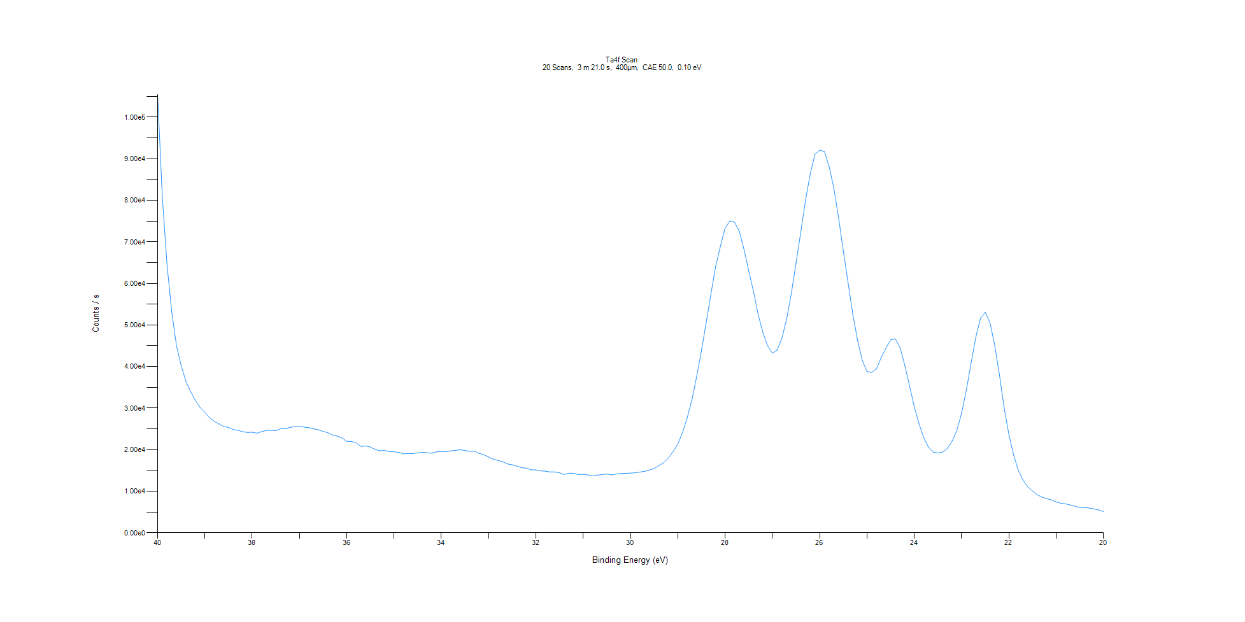
﻿
Axis | Energy | Elements= | 201

C:\XPS-UPS-Data\djung\1wkTaRe-2wkSAM-1201\Experiment\X-Ray003 400um - FG ON\Control_WK1\Ta4f Scan.VGD

Binding Energy (E)
eV |  | Counts / s
40 |  | 105439
39.9 |  | 80800.1
39.8 |  | 64433.6
39.7 |  | 53047.8
39.6 |  | 44968.5
39.5 |  | 40131.4
39.4 |  | 36373.8
39.3 |  | 33915.7
39.2 |  | 31812.2
39.1 |  | 30138
39 |  | 28963.8
38.9 |  | 27623.5
38.8 |  | 26797.4
38.7 |  | 26166.1
38.6 |  | 25556.6
38.5 |  | 25326.8
38.4 |  | 24815.9
38.3 |  | 24632.9
38.2 |  | 24310.7
38.1 |  | 24139
38 |  | 24179.3
37.9 |  | 23957.3
37.8 |  | 24321.5
37.7 |  | 24633.6
37.6 |  | 24647.8
37.5 |  | 24531.1
37.4 |  | 25055
37.3 |  | 24994.9
37.2 |  | 25333.2
37.1 |  | 25526.6
37 |  | 25547.9
36.9 |  | 25413.5
36.8 |  | 25280
36.7 |  | 24986
36.6 |  | 24781.5
36.5 |  | 24382.1
36.4 |  | 24080.3
36.3 |  | 23504.3
36.2 |  | 23240.6
36.1 |  | 22790.4
36 |  | 22011.4
35.9 |  | 21960.8
35.8 |  | 21661
35.7 |  | 20767.4
35.6 |  | 20905.5
35.5 |  | 20617.3
35.4 |  | 20050.4
35.3 |  | 19735.8
35.2 |  | 19785.3
35.1 |  | 19523.4
35 |  | 19475.1
34.9 |  | 19328
34.8 |  | 19005.3
34.7 |  | 19037.2
34.6 |  | 19057
34.5 |  | 19211.5
34.4 |  | 19347.1
34.3 |  | 19232.7
34.2 |  | 19132.5
34.1 |  | 19452.9
34 |  | 19573.4
33.9 |  | 19487.7
33.8 |  | 19693.8
33.7 |  | 19816.6
33.6 |  | 19967.1
33.5 |  | 19794.8
33.4 |  | 19586.5
33.3 |  | 19647.3
33.2 |  | 19091.7
33.1 |  | 18762.2
33 |  | 18203.4
32.9 |  | 17696.1
32.8 |  | 17395.8
32.7 |  | 17071.2
32.6 |  | 16556.3
32.5 |  | 16351.1
32.4 |  | 16026.7
32.3 |  | 15678
32.2 |  | 15540.9
32.1 |  | 15153.8
32 |  | 15140.8
31.9 |  | 14886.8
31.8 |  | 14807.5
31.7 |  | 14630.5
31.6 |  | 14625.4
31.5 |  | 14418.8
31.4 |  | 13996.6
31.3 |  | 14335.6
31.2 |  | 14279.1
31.1 |  | 14010.5
31 |  | 14041
30.9 |  | 13906.9
30.8 |  | 13678.5
30.7 |  | 13864.5
30.6 |  | 13999
30.5 |  | 14122.2
30.4 |  | 13917.7
30.3 |  | 14119.9
30.2 |  | 14254.8
30.1 |  | 14297.5
30 |  | 14348.8
29.9 |  | 14429.2
29.8 |  | 14605.4
29.7 |  | 14789.4
29.6 |  | 15085.3
29.5 |  | 15479.2
29.4 |  | 16178.1
29.3 |  | 16836.9
29.2 |  | 18009.2
29.1 |  | 19507
29 |  | 21360.5
28.9 |  | 24166.7
28.8 |  | 27677.4
28.7 |  | 32065.9
28.6 |  | 37648.9
28.5 |  | 43848.5
28.4 |  | 50592.8
28.3 |  | 57471.7
28.2 |  | 64065.1
28.1 |  | 68903.9
28 |  | 73331
27.9 |  | 75030.1
27.8 |  | 74700.1
27.7 |  | 72565
27.6 |  | 68153.5
27.5 |  | 63014.8
27.4 |  | 58038.6
27.3 |  | 52435.7
27.2 |  | 48173.2
27.1 |  | 44968.9
27 |  | 43226.9
26.9 |  | 43954.9
26.8 |  | 46766.4
26.7 |  | 51387.5
26.6 |  | 57527
26.5 |  | 64870.7
26.4 |  | 72304.9
26.3 |  | 80034.9
26.2 |  | 86324.8
26.1 |  | 91080.8
26 |  | 92056
25.9 |  | 91726.4
25.8 |  | 88091.5
25.7 |  | 82869.7
25.6 |  | 75717.4
25.5 |  | 67814.4
25.4 |  | 60202.3
25.3 |  | 52651.8
25.2 |  | 46360.7
25.1 |  | 41472.7
25 |  | 38768.4
24.9 |  | 38602.2
24.8 |  | 39446.4
24.7 |  | 42126.8
24.6 |  | 44429.9
24.5 |  | 46431.2
24.4 |  | 46668.8
24.3 |  | 44503.6
24.2 |  | 40242.2
24.1 |  | 35372.2
24 |  | 30307.3
23.9 |  | 26205.4
23.8 |  | 22902.7
23.7 |  | 20593.7
23.6 |  | 19403.8
23.5 |  | 19179.4
23.4 |  | 19431.4
23.3 |  | 20276.1
23.2 |  | 22030.7
23.1 |  | 24629.6
23 |  | 28756.5
22.9 |  | 34281.8
22.8 |  | 40732.2
22.7 |  | 46970.2
22.6 |  | 51587.6
22.5 |  | 53045.9
22.4 |  | 50580.4
22.3 |  | 45172
22.2 |  | 38043.1
22.1 |  | 30056.6
22 |  | 23669.2
21.9 |  | 18732.5
21.8 |  | 15043.7
21.7 |  | 12617.5
21.6 |  | 11066.8
21.5 |  | 10041.9
21.4 |  | 9134.4
21.3 |  | 8577.48
21.2 |  | 8200.37
21.1 |  | 7898.62
21 |  | 7402.45
20.9 |  | 7101.35
20.8 |  | 6946.27
20.7 |  | 6675.35
20.6 |  | 6386.1
20.5 |  | 6086.68
20.4 |  | 6075.39
20.3 |  | 5944.55
20.2 |  | 5722.8
20.1 |  | 5472.32
20 |  | 5091.63

Re4f Scan
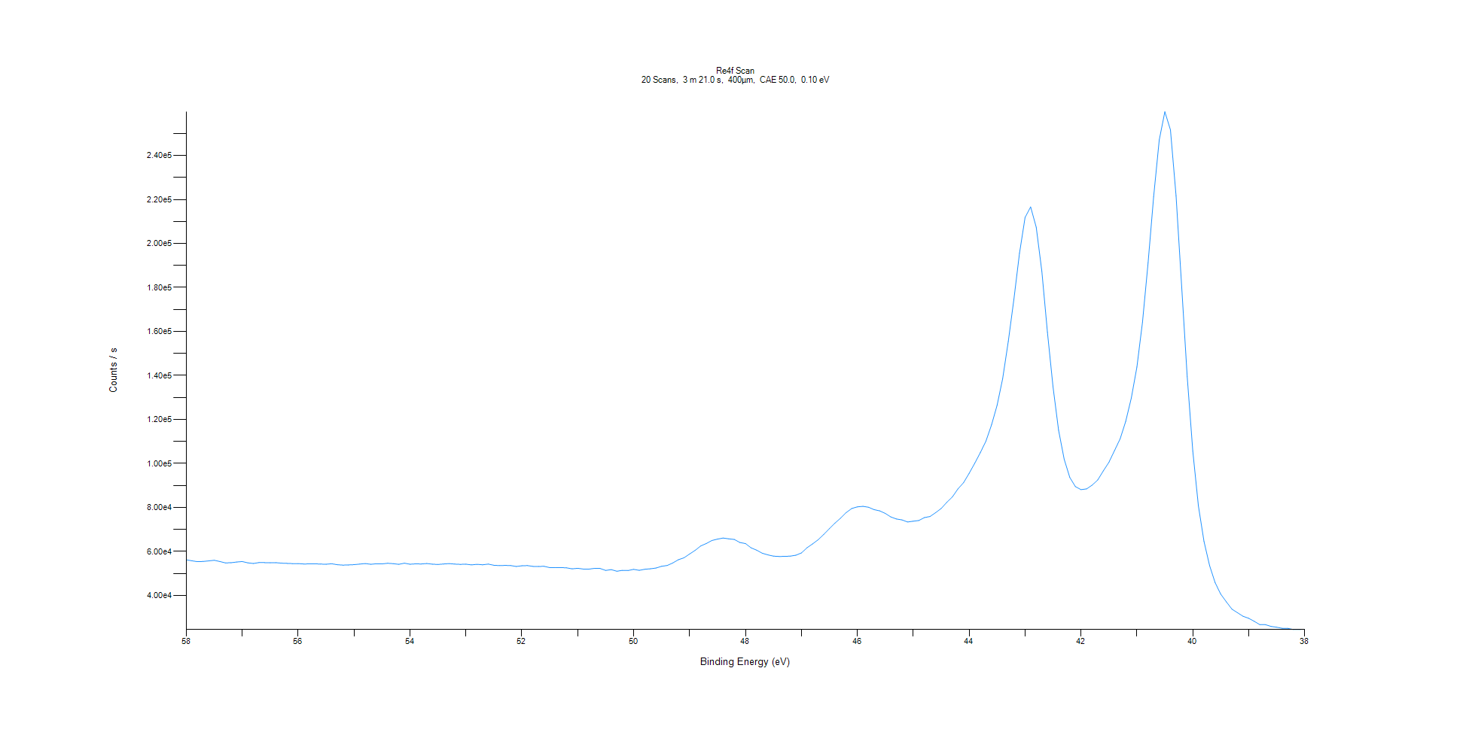
﻿
Axis | Energy | Elements= | 201

C:\XPS-UPS-Data\djung\1wkTaRe-2wkSAM-1201\Experiment\X-Ray003 400um - FG ON\Control_WK1\Re4f Scan.VGD

Binding Energy (E)
eV |  | Counts / s
58 |  | 56163.8
57.9 |  | 55743.2
57.8 |  | 55333.6
57.7 |  | 55449.7
57.6 |  | 55700.5
57.5 |  | 55981.9
57.4 |  | 55407.5
57.3 |  | 54776.6
57.2 |  | 54875.6
57.1 |  | 55195
57 |  | 55395.4
56.9 |  | 54812.9
56.8 |  | 54535.2
56.7 |  | 54922
56.6 |  | 54913.8
56.5 |  | 54823.5
56.4 |  | 54887.4
56.3 |  | 54678
56.2 |  | 54572
56.1 |  | 54471.2
56 |  | 54458.7
55.9 |  | 54299.6
55.8 |  | 54323.2
55.7 |  | 54375.2
55.6 |  | 54238.6
55.5 |  | 54185.1
55.4 |  | 54388.8
55.3 |  | 53978.8
55.2 |  | 53770.5
55.1 |  | 53864.2
55 |  | 53994.8
54.9 |  | 54241.9
54.8 |  | 54486.5
54.7 |  | 54159.1
54.6 |  | 54402.1
54.5 |  | 54334.3
54.4 |  | 54617.1
54.3 |  | 54450.8
54.2 |  | 54134.5
54.1 |  | 54647.7
54 |  | 54180.7
53.9 |  | 54347.4
53.8 |  | 54298.5
53.7 |  | 54507.8
53.6 |  | 54210
53.5 |  | 54079.1
53.4 |  | 54294.4
53.3 |  | 54455.9
53.2 |  | 54243.8
53.1 |  | 54111.9
53 |  | 54203.3
52.9 |  | 53885.4
52.8 |  | 54148
52.7 |  | 53936.2
52.6 |  | 54251.7
52.5 |  | 53710.8
52.4 |  | 53557.1
52.3 |  | 53653.5
52.2 |  | 53592
52.1 |  | 53153
52 |  | 53482.3
51.9 |  | 53565.6
51.8 |  | 53191.2
51.7 |  | 53181.9
51.6 |  | 53217.1
51.5 |  | 52634.8
51.4 |  | 52667.6
51.3 |  | 52663.1
51.2 |  | 52542
51.1 |  | 52081.3
51 |  | 52338.2
50.9 |  | 51977.3
50.8 |  | 51959
50.7 |  | 52293
50.6 |  | 52265
50.5 |  | 51357.2
50.4 |  | 51723.2
50.3 |  | 51002.8
50.2 |  | 51400
50.1 |  | 51319.3
50 |  | 51851
49.9 |  | 51399.9
49.8 |  | 51899.3
49.7 |  | 52110
49.6 |  | 52458.9
49.5 |  | 53252
49.4 |  | 53607.2
49.3 |  | 54753.3
49.2 |  | 56244.1
49.1 |  | 57107.1
49 |  | 58814.7
48.9 |  | 60493.3
48.8 |  | 62497.4
48.7 |  | 63611.7
48.6 |  | 64968.5
48.5 |  | 65601.5
48.4 |  | 66082.7
48.3 |  | 65727.6
48.2 |  | 65448.9
48.1 |  | 64068.7
48 |  | 63576.2
47.9 |  | 61634.1
47.8 |  | 60578.4
47.7 |  | 59178.6
47.6 |  | 58429.5
47.5 |  | 57871
47.4 |  | 57717.4
47.3 |  | 57748.4
47.2 |  | 57859.4
47.1 |  | 58266.3
47 |  | 59320.6
46.9 |  | 61655.9
46.8 |  | 63415.9
46.7 |  | 65320.2
46.6 |  | 67744.6
46.5 |  | 70343.5
46.4 |  | 72875.2
46.3 |  | 75132.6
46.2 |  | 77630.1
46.1 |  | 79514.9
46 |  | 80252.6
45.9 |  | 80491.2
45.8 |  | 80082
45.7 |  | 78992
45.6 |  | 78455.8
45.5 |  | 77296.6
45.4 |  | 75663.7
45.3 |  | 74751.7
45.2 |  | 74315.8
45.1 |  | 73373.1
45 |  | 73743.4
44.9 |  | 74055.6
44.8 |  | 75388.9
44.7 |  | 75885.2
44.6 |  | 77607
44.5 |  | 79504.3
44.4 |  | 82323.9
44.3 |  | 84770
44.2 |  | 88445.4
44.1 |  | 91274.4
44 |  | 95510.7
43.9 |  | 100078
43.8 |  | 104927
43.7 |  | 110146
43.6 |  | 117527
43.5 |  | 126420
43.4 |  | 138591
43.3 |  | 155471
43.2 |  | 174589
43.1 |  | 195518
43 |  | 211864
42.9 |  | 216630
42.8 |  | 207377
42.7 |  | 187381
42.6 |  | 159630
42.5 |  | 134769
42.4 |  | 115078
42.3 |  | 101885
42.2 |  | 93633.6
42.1 |  | 89475.1
42 |  | 88086
41.9 |  | 88437.8
41.8 |  | 90144.8
41.7 |  | 92479.5
41.6 |  | 96642.2
41.5 |  | 100541
41.4 |  | 105873
41.3 |  | 111204
41.2 |  | 119103
41.1 |  | 129707
41 |  | 143786
40.9 |  | 164244
40.8 |  | 191257
40.7 |  | 221337
40.6 |  | 247086
40.5 |  | 259889
40.4 |  | 251659
40.3 |  | 221757
40.2 |  | 180575
40.1 |  | 139481
40 |  | 105571
39.9 |  | 80687.9
39.8 |  | 64538
39.7 |  | 53551.7
39.6 |  | 45764.7
39.5 |  | 40571.1
39.4 |  | 37093.3
39.3 |  | 33756.6
39.2 |  | 32118
39.1 |  | 30497.2
39 |  | 29595.6
38.9 |  | 28209.1
38.8 |  | 26701.5
38.7 |  | 26687.7
38.6 |  | 25906.7
38.5 |  | 25545.6
38.4 |  | 25042.2
38.3 |  | 25029.8
38.2 |  | 24494
38.1 |  | 24503.4
38 |  | 24614.9

Al2p Scan
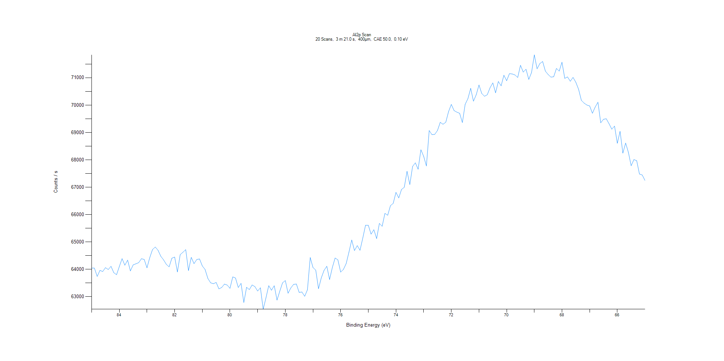
﻿
Axis | Energy | Elements= | 201

C:\XPS-UPS-Data\djung\1wkTaRe-2wkSAM-1201\Experiment\X-Ray003 400um - FG ON\Control_WK1\Al2p Scan.VGD

Binding Energy (E)
eV |  | Counts / s
85 |  | 64048.7
84.9 |  | 64045.3
84.8 |  | 63740.7
84.7 |  | 63960.4
84.6 |  | 63921
84.5 |  | 64062
84.4 |  | 63993.2
84.3 |  | 64109.7
84.2 |  | 63879
84.1 |  | 63804.6
84 |  | 64100.9
83.9 |  | 64391.3
83.8 |  | 64150.8
83.7 |  | 64337.2
83.6 |  | 63942.6
83.5 |  | 64163.2
83.4 |  | 64202.6
83.3 |  | 64245.1
83.2 |  | 64387.9
83.1 |  | 64361.5
83 |  | 64056.3
82.9 |  | 64426.8
82.8 |  | 64722.8
82.7 |  | 64814.9
82.6 |  | 64696.3
82.5 |  | 64476.8
82.4 |  | 64346.1
82.3 |  | 64180.6
82.2 |  | 64092.5
82.1 |  | 64407.2
82 |  | 64448.4
81.9 |  | 63904.8
81.8 |  | 64538.1
81.7 |  | 64624.7
81.6 |  | 64719.7
81.5 |  | 63956.1
81.4 |  | 64438.8
81.3 |  | 64209.7
81.2 |  | 64360.1
81.1 |  | 64379.4
81 |  | 64123.5
80.9 |  | 63995.8
80.8 |  | 63668.8
80.7 |  | 63508.6
80.6 |  | 63474.9
80.5 |  | 63521.3
80.4 |  | 63286.1
80.3 |  | 63337.3
80.2 |  | 63460.8
80.1 |  | 63425.1
80 |  | 63306.3
79.9 |  | 63725.4
79.8 |  | 63683.3
79.7 |  | 63336.2
79.6 |  | 63488.1
79.5 |  | 62786.1
79.4 |  | 63344
79.3 |  | 63259.9
79.2 |  | 63429.7
79.1 |  | 63369
79 |  | 63207
78.9 |  | 63325.7
78.8 |  | 62544
78.7 |  | 62956.4
78.6 |  | 63403.5
78.5 |  | 63237.5
78.4 |  | 63402.3
78.3 |  | 62877.3
78.2 |  | 63200.8
78.1 |  | 63506.5
78 |  | 63590.6
77.9 |  | 63128.1
77.8 |  | 63322.8
77.7 |  | 63452.1
77.6 |  | 63462.5
77.5 |  | 63157.3
77.4 |  | 63172.7
77.3 |  | 63015.8
77.2 |  | 63254.4
77.1 |  | 64432.5
77 |  | 64067.7
76.9 |  | 63970.7
76.8 |  | 63294.1
76.7 |  | 63686.8
76.6 |  | 63962.5
76.5 |  | 64113
76.4 |  | 63629.1
76.3 |  | 64067.4
76.2 |  | 64414.8
76.1 |  | 64347.1
76 |  | 63900.9
75.9 |  | 63996.7
75.8 |  | 64211.6
75.7 |  | 64629
75.6 |  | 65072
75.5 |  | 64687
75.4 |  | 64866.8
75.3 |  | 64696.9
75.2 |  | 65143.8
75.1 |  | 65611.3
75 |  | 65608.4
74.9 |  | 65286.2
74.8 |  | 65448.3
74.7 |  | 65125
74.6 |  | 65678.2
74.5 |  | 65574.1
74.4 |  | 66045.1
74.3 |  | 65975.5
74.2 |  | 66326
74.1 |  | 66410.4
74 |  | 66812.4
73.9 |  | 66609
73.8 |  | 66917.8
73.7 |  | 66998.4
73.6 |  | 67581.5
73.5 |  | 67095.9
73.4 |  | 67758.9
73.3 |  | 67891.7
73.2 |  | 67657.5
73.1 |  | 68371.2
73 |  | 68130.7
72.9 |  | 67776.7
72.8 |  | 69071.4
72.7 |  | 68922.7
72.6 |  | 68931.5
72.5 |  | 69072.6
72.4 |  | 69372.2
72.3 |  | 69300.5
72.2 |  | 69374.5
72.1 |  | 69761.4
72 |  | 70026.4
71.9 |  | 69800.2
71.8 |  | 69743.7
71.7 |  | 69701.1
71.6 |  | 69360.1
71.5 |  | 70030.8
71.4 |  | 70236.3
71.3 |  | 70613.4
71.2 |  | 70143
71.1 |  | 70379.8
71 |  | 70735.8
70.9 |  | 70425.3
70.8 |  | 70323.6
70.7 |  | 70379.8
70.6 |  | 70634.8
70.5 |  | 70812.4
70.4 |  | 70450.9
70.3 |  | 70862.9
70.2 |  | 70706.2
70.1 |  | 71091.5
70 |  | 70892.3
69.9 |  | 71148.9
69.8 |  | 71138.5
69.7 |  | 71102
69.6 |  | 71010.6
69.5 |  | 71455.1
69.4 |  | 71207.6
69.3 |  | 71311.4
69.2 |  | 70940.2
69.1 |  | 71190.9
69 |  | 71835.3
68.9 |  | 71327.2
68.8 |  | 71517.9
68.7 |  | 71593.9
68.6 |  | 71241.2
68.5 |  | 71116.6
68.4 |  | 71023.6
68.3 |  | 71036.4
68.2 |  | 71340.7
68.1 |  | 71243.9
68 |  | 71569.4
67.9 |  | 70977.4
67.8 |  | 71030.7
67.7 |  | 70871.5
67.6 |  | 71012.3
67.5 |  | 70836
67.4 |  | 70579.8
67.3 |  | 70175
67.2 |  | 70072.9
67.1 |  | 70003.1
67 |  | 69968.4
66.9 |  | 69700.9
66.8 |  | 69929.8
66.7 |  | 70105.2
66.6 |  | 69354.8
66.5 |  | 69481.4
66.4 |  | 69502.4
66.3 |  | 69321.8
66.2 |  | 69121
66.1 |  | 69233.2
66 |  | 68606.5
65.9 |  | 69044.1
65.8 |  | 68246.8
65.7 |  | 68614.3
65.6 |  | 68275.5
65.5 |  | 67784.2
65.4 |  | 68010.8
65.3 |  | 67969.4
65.2 |  | 67483.4
65.1 |  | 67445.9
65 |  | 67249.3

C1s Scan
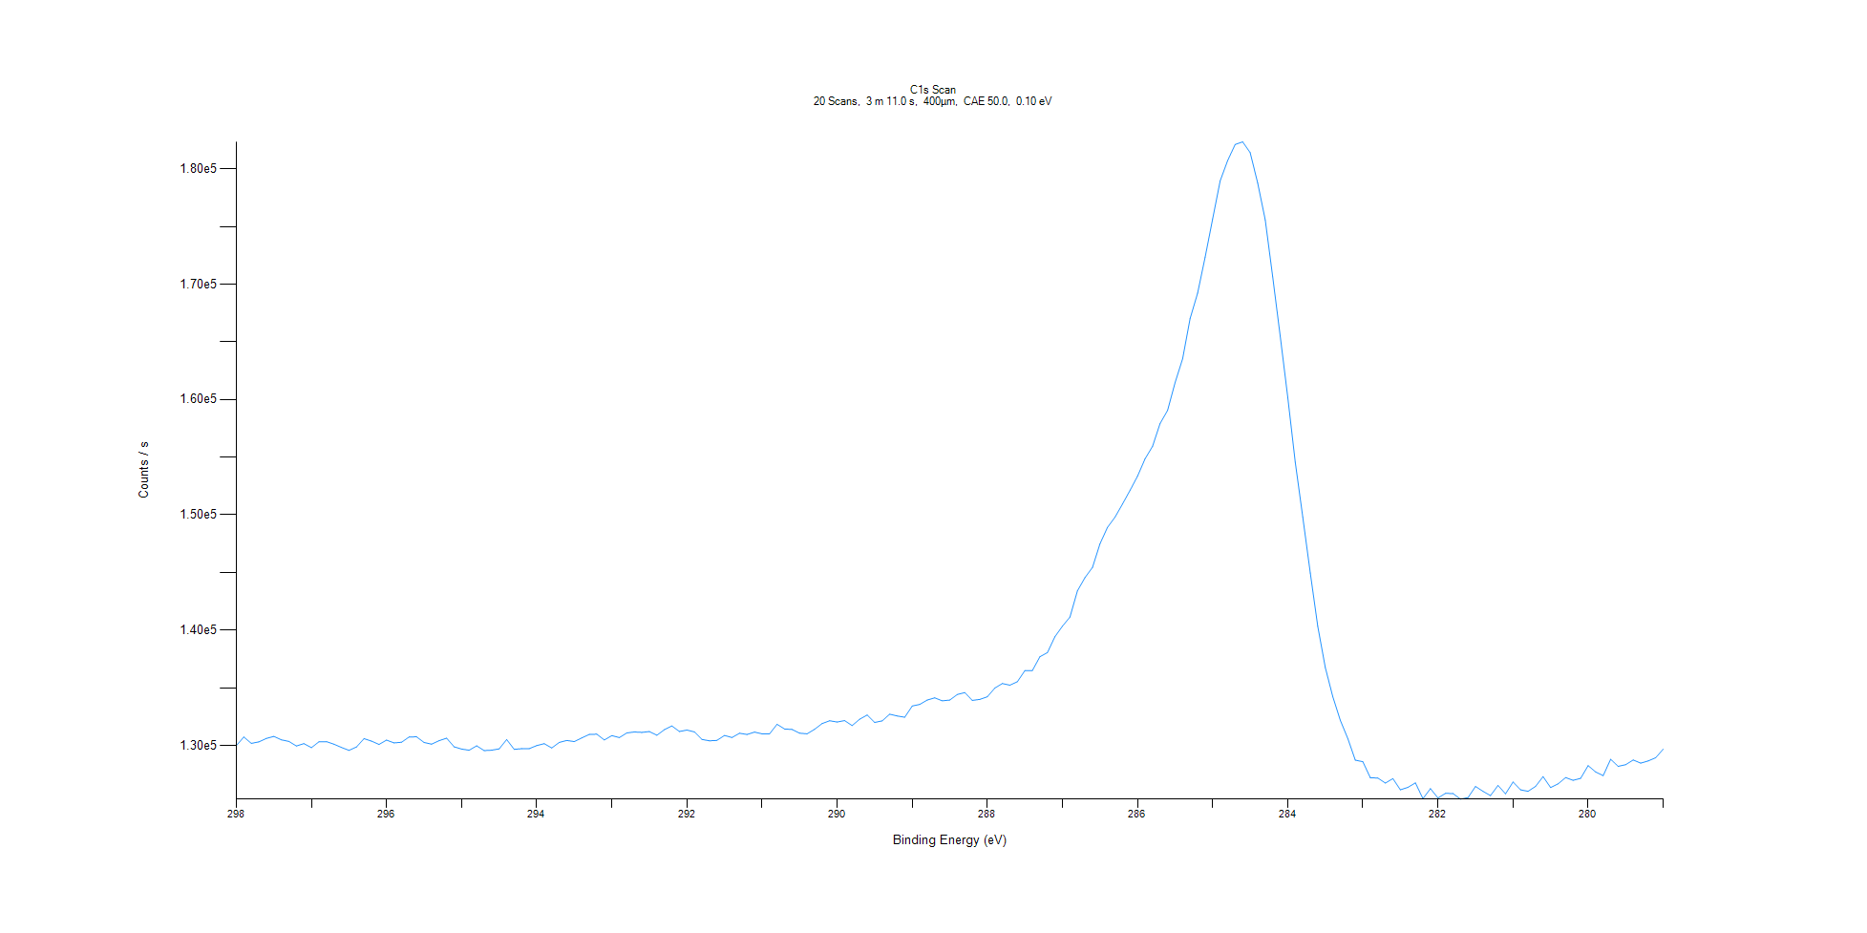
﻿
Axis | Energy | Elements= | 191

C:\XPS-UPS-Data\djung\1wkTaRe-2wkSAM-1201\Experiment\X-Ray003 400um - FG ON\Control_WK1\C1s Scan.VGD

Binding Energy (E)
eV |  | Counts / s
298 |  | 129987
297.9 |  | 130732
297.8 |  | 130180
297.7 |  | 130308
297.6 |  | 130611
297.5 |  | 130787
297.4 |  | 130485
297.3 |  | 130353
297.2 |  | 129951
297.1 |  | 130158
297 |  | 129809
296.9 |  | 130320
296.8 |  | 130330
296.7 |  | 130108
296.6 |  | 129829
296.5 |  | 129574
296.4 |  | 129870
296.3 |  | 130589
296.2 |  | 130376
296.1 |  | 130086
296 |  | 130466
295.9 |  | 130223
295.8 |  | 130278
295.7 |  | 130736
295.6 |  | 130748
295.5 |  | 130260
295.4 |  | 130114
295.3 |  | 130415
295.2 |  | 130629
295.1 |  | 129881
295 |  | 129689
294.9 |  | 129585
294.8 |  | 129969
294.7 |  | 129552
294.6 |  | 129589
294.5 |  | 129702
294.4 |  | 130513
294.3 |  | 129660
294.2 |  | 129720
294.1 |  | 129726
294 |  | 129988
293.9 |  | 130155
293.8 |  | 129779
293.7 |  | 130264
293.6 |  | 130435
293.5 |  | 130337
293.4 |  | 130657
293.3 |  | 130955
293.2 |  | 130976
293.1 |  | 130473
293 |  | 130852
292.9 |  | 130683
292.8 |  | 131088
292.7 |  | 131167
292.6 |  | 131132
292.5 |  | 131203
292.4 |  | 130882
292.3 |  | 131371
292.2 |  | 131691
292.1 |  | 131212
292 |  | 131334
291.9 |  | 131175
291.8 |  | 130523
291.7 |  | 130401
291.6 |  | 130438
291.5 |  | 130866
291.4 |  | 130685
291.3 |  | 131058
291.2 |  | 130953
291.1 |  | 131159
291 |  | 131007
290.9 |  | 131004
290.8 |  | 131838
290.7 |  | 131430
290.6 |  | 131384
290.5 |  | 131067
290.4 |  | 131010
290.3 |  | 131400
290.2 |  | 131898
290.1 |  | 132140
290 |  | 132031
289.9 |  | 132159
289.8 |  | 131725
289.7 |  | 132277
289.6 |  | 132637
289.5 |  | 131996
289.4 |  | 132129
289.3 |  | 132710
289.2 |  | 132558
289.1 |  | 132446
289 |  | 133421
288.9 |  | 133558
288.8 |  | 133938
288.7 |  | 134130
288.6 |  | 133872
288.5 |  | 133940
288.4 |  | 134421
288.3 |  | 134585
288.2 |  | 133907
288.1 |  | 133994
288 |  | 134225
287.9 |  | 134977
287.8 |  | 135370
287.7 |  | 135225
287.6 |  | 135528
287.5 |  | 136490
287.4 |  | 136499
287.3 |  | 137698
287.2 |  | 138055
287.1 |  | 139429
287 |  | 140339
286.9 |  | 141134
286.8 |  | 143413
286.7 |  | 144553
286.6 |  | 145445
286.5 |  | 147487
286.4 |  | 148915
286.3 |  | 149797
286.2 |  | 150943
286.1 |  | 152123
286 |  | 153361
285.9 |  | 154848
285.8 |  | 155941
285.7 |  | 157921
285.6 |  | 159059
285.5 |  | 161478
285.4 |  | 163537
285.3 |  | 167018
285.2 |  | 169223
285.1 |  | 172348
285 |  | 175664
284.9 |  | 178968
284.8 |  | 180721
284.7 |  | 182119
284.6 |  | 182347
284.5 |  | 181409
284.4 |  | 178764
284.3 |  | 175583
284.2 |  | 170642
284.1 |  | 165496
284 |  | 160211
283.9 |  | 154565
283.8 |  | 149796
283.7 |  | 144954
283.6 |  | 140332
283.5 |  | 136762
283.4 |  | 134229
283.3 |  | 132178
283.2 |  | 130595
283.1 |  | 128728
283 |  | 128591
282.9 |  | 127197
282.8 |  | 127173
282.7 |  | 126738
282.6 |  | 127127
282.5 |  | 126151
282.4 |  | 126363
282.3 |  | 126751
282.2 |  | 125388
282.1 |  | 126255
282 |  | 125444
281.9 |  | 125843
281.8 |  | 125832
281.7 |  | 125346
281.6 |  | 125476
281.5 |  | 126442
281.4 |  | 126023
281.3 |  | 125651
281.2 |  | 126529
281.1 |  | 125806
281 |  | 126831
280.9 |  | 126155
280.8 |  | 126023
280.7 |  | 126450
280.6 |  | 127295
280.5 |  | 126351
280.4 |  | 126670
280.3 |  | 127215
280.2 |  | 126975
280.1 |  | 127148
280 |  | 128248
279.9 |  | 127701
279.8 |  | 127379
279.7 |  | 128801
279.6 |  | 128189
279.5 |  | 128333
279.4 |  | 128742
279.3 |  | 128469
279.2 |  | 128658
279.1 |  | 128938
279 |  | 129677

O1s Scan
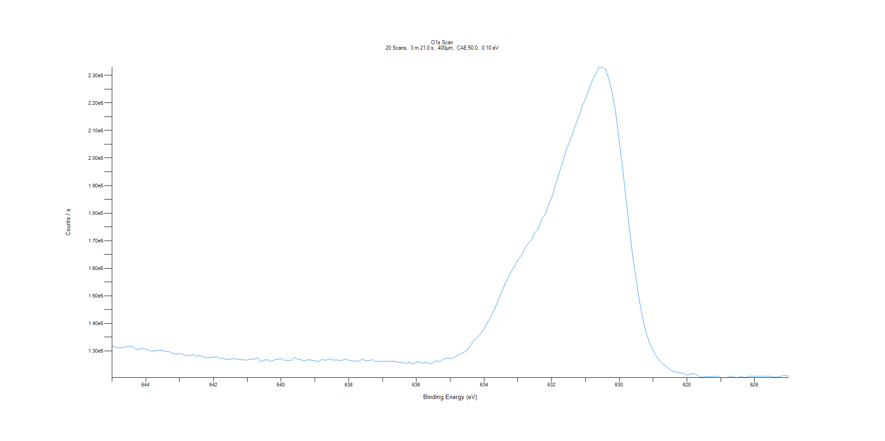
﻿
Axis | Energy | Elements= | 201

C:\XPS-UPS-Data\djung\1wkTaRe-2wkSAM-1201\Experiment\X-Ray003 400um - FG ON\Control_WK1\O1s Scan.VGD

Binding Energy (E)
eV |  | Counts / s
545 |  | 131827
544.9 |  | 131230
544.8 |  | 131133
544.7 |  | 131053
544.6 |  | 131577
544.5 |  | 131515
544.4 |  | 131612
544.3 |  | 130791
544.2 |  | 130525
544.1 |  | 131004
544 |  | 130627
543.9 |  | 130225
543.8 |  | 129853
543.7 |  | 130167
543.6 |  | 130267
543.5 |  | 130105
543.4 |  | 129836
543.3 |  | 129692
543.2 |  | 129078
543.1 |  | 128805
543 |  | 129066
542.9 |  | 128682
542.8 |  | 128273
542.7 |  | 128289
542.6 |  | 128675
542.5 |  | 128002
542.4 |  | 128456
542.3 |  | 127754
542.2 |  | 127540
542.1 |  | 127567
542 |  | 127778
541.9 |  | 127860
541.8 |  | 127354
541.7 |  | 127152
541.6 |  | 126818
541.5 |  | 127068
541.4 |  | 127189
541.3 |  | 127041
541.2 |  | 126823
541.1 |  | 126738
541 |  | 126670
540.9 |  | 127056
540.8 |  | 126970
540.7 |  | 127499
540.6 |  | 126142
540.5 |  | 126668
540.4 |  | 126821
540.3 |  | 126186
540.2 |  | 126779
540.1 |  | 126955
540 |  | 127221
539.9 |  | 126592
539.8 |  | 126656
539.7 |  | 126555
539.6 |  | 127670
539.5 |  | 126903
539.4 |  | 126728
539.3 |  | 126372
539.2 |  | 126836
539.1 |  | 126616
539 |  | 126376
538.9 |  | 126175
538.8 |  | 126899
538.7 |  | 126589
538.6 |  | 127131
538.5 |  | 126706
538.4 |  | 126731
538.3 |  | 126606
538.2 |  | 126592
538.1 |  | 127152
538 |  | 126589
537.9 |  | 126423
537.8 |  | 126329
537.7 |  | 126250
537.6 |  | 127026
537.5 |  | 126430
537.4 |  | 126566
537.3 |  | 126831
537.2 |  | 125973
537.1 |  | 126311
537 |  | 126263
536.9 |  | 126149
536.8 |  | 126269
536.7 |  | 126267
536.6 |  | 126143
536.5 |  | 125773
536.4 |  | 125901
536.3 |  | 125447
536.2 |  | 125892
536.1 |  | 125263
536 |  | 125860
535.9 |  | 126050
535.8 |  | 125476
535.7 |  | 125910
535.6 |  | 125293
535.5 |  | 125725
535.4 |  | 126467
535.3 |  | 126113
535.2 |  | 126974
535.1 |  | 127337
535 |  | 127250
534.9 |  | 127483
534.8 |  | 128314
534.7 |  | 128828
534.6 |  | 129463
534.5 |  | 130222
534.4 |  | 131992
534.3 |  | 133809
534.2 |  | 134871
534.1 |  | 136266
534 |  | 137940
533.9 |  | 140350
533.8 |  | 142313
533.7 |  | 145110
533.6 |  | 147633
533.5 |  | 150875
533.4 |  | 153693
533.3 |  | 156141
533.2 |  | 158745
533.1 |  | 160607
533 |  | 163082
532.9 |  | 164537
532.8 |  | 167032
532.7 |  | 168896
532.6 |  | 170270
532.5 |  | 172976
532.4 |  | 174076
532.3 |  | 177744
532.2 |  | 179419
532.1 |  | 182923
532 |  | 185541
531.9 |  | 189828
531.8 |  | 193735
531.7 |  | 197512
531.6 |  | 201662
531.5 |  | 205160
531.4 |  | 207985
531.3 |  | 211836
531.2 |  | 215020
531.1 |  | 218893
531 |  | 221380
530.9 |  | 224690
530.8 |  | 228133
530.7 |  | 230397
530.6 |  | 233024
530.5 |  | 232929
530.4 |  | 232098
530.3 |  | 228262
530.2 |  | 222986
530.1 |  | 215912
530 |  | 205837
529.9 |  | 196218
529.8 |  | 185006
529.7 |  | 174258
529.6 |  | 163913
529.5 |  | 155869
529.4 |  | 147785
529.3 |  | 141426
529.2 |  | 136332
529.1 |  | 132640
529 |  | 130087
528.9 |  | 128007
528.8 |  | 126376
528.7 |  | 125122
528.6 |  | 124266
528.5 |  | 123186
528.4 |  | 122640
528.3 |  | 122298
528.2 |  | 121995
528.1 |  | 121831
528 |  | 121175
527.9 |  | 121646
527.8 |  | 121939
527.7 |  | 121178
527.6 |  | 120425
527.5 |  | 120535
527.4 |  | 120650
527.3 |  | 120725
527.2 |  | 120625
527.1 |  | 120944
527 |  | 120336
526.9 |  | 120293
526.8 |  | 120368
526.7 |  | 120866
526.6 |  | 120454
526.5 |  | 120275
526.4 |  | 120795
526.3 |  | 120376
526.2 |  | 120550
526.1 |  | 120870
526 |  | 120760
525.9 |  | 120876
525.8 |  | 120812
525.7 |  | 120805
525.6 |  | 120878
525.5 |  | 120689
525.4 |  | 120441
525.3 |  | 120570
525.2 |  | 120909
525.1 |  | 121092
525 |  | 120781

