XPS Survey
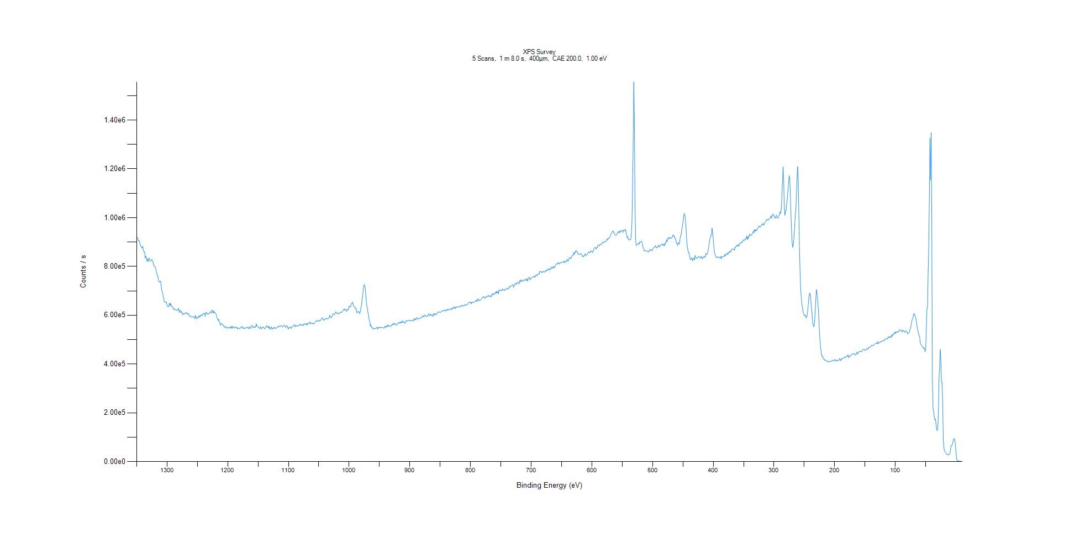
﻿
Axis | Energy | Elements= | 1361

C:\XPS-UPS-Data\djung\TaRe_1208\Experiment\X-Ray002 400um - FG ON\BOE_Big_1208\XPS Survey.VGD

Binding Energy (E)
eV |  | Counts / s
1350 |  | 916657
1349 |  | 919472
1348 |  | 911721
1347 |  | 904895
1346 |  | 907213
1345 |  | 896960
1344 |  | 888115
1343 |  | 881416
1342 |  | 876051
1341 |  | 877122
1340 |  | 883326
1339 |  | 865808
1338 |  | 859658
1337 |  | 860260
1336 |  | 834713
1335 |  | 841625
1334 |  | 835874
1333 |  | 821650
1332 |  | 830159
1331 |  | 820049
1330 |  | 834938
1329 |  | 831416
1328 |  | 824321
1327 |  | 821588
1326 |  | 825523
1325 |  | 828248
1324 |  | 823154
1323 |  | 816880
1322 |  | 806757
1321 |  | 798540
1320 |  | 798707
1319 |  | 796738
1318 |  | 780790
1317 |  | 769953
1316 |  | 764862
1315 |  | 760649
1314 |  | 740925
1313 |  | 736364
1312 |  | 736179
1311 |  | 740172
1310 |  | 728769
1309 |  | 703767
1308 |  | 697757
1307 |  | 685962
1306 |  | 674156
1305 |  | 659414
1304 |  | 653156
1303 |  | 654107
1302 |  | 655298
1301 |  | 653797
1300 |  | 639916
1299 |  | 636662
1298 |  | 637276
1297 |  | 634747
1296 |  | 649809
1295 |  | 640740
1294 |  | 647936
1293 |  | 637278
1292 |  | 637515
1291 |  | 631936
1290 |  | 631173
1289 |  | 622678
1288 |  | 627323
1287 |  | 623449
1286 |  | 623088
1285 |  | 621330
1284 |  | 620477
1283 |  | 620794
1282 |  | 624387
1281 |  | 628979
1280 |  | 611371
1279 |  | 619489
1278 |  | 619940
1277 |  | 610647
1276 |  | 614960
1275 |  | 608188
1274 |  | 602823
1273 |  | 607374
1272 |  | 603864
1271 |  | 607896
1270 |  | 607234
1269 |  | 610914
1268 |  | 610044
1267 |  | 603778
1266 |  | 606333
1265 |  | 608168
1264 |  | 602647
1263 |  | 596474
1262 |  | 596411
1261 |  | 596336
1260 |  | 593486
1259 |  | 590619
1258 |  | 592216
1257 |  | 595478
1256 |  | 593555
1255 |  | 592900
1254 |  | 585466
1253 |  | 599056
1252 |  | 590757
1251 |  | 586023
1250 |  | 587238
1249 |  | 594445
1248 |  | 589455
1247 |  | 598353
1246 |  | 592731
1245 |  | 599839
1244 |  | 598969
1243 |  | 602603
1242 |  | 598403
1241 |  | 604870
1240 |  | 608219
1239 |  | 605422
1238 |  | 607968
1237 |  | 595893
1236 |  | 611804
1235 |  | 609803
1234 |  | 608986
1233 |  | 604289
1232 |  | 604806
1231 |  | 605161
1230 |  | 610213
1229 |  | 614541
1228 |  | 611999
1227 |  | 608257
1226 |  | 621470
1225 |  | 615362
1224 |  | 608388
1223 |  | 617817
1222 |  | 610433
1221 |  | 611705
1220 |  | 606536
1219 |  | 603050
1218 |  | 590686
1217 |  | 585620
1216 |  | 578602
1215 |  | 583858
1214 |  | 573601
1213 |  | 569164
1212 |  | 559223
1211 |  | 563709
1210 |  | 566673
1209 |  | 560939
1208 |  | 561355
1207 |  | 555101
1206 |  | 556703
1205 |  | 550523
1204 |  | 548187
1203 |  | 551534
1202 |  | 553463
1201 |  | 546508
1200 |  | 548476
1199 |  | 549985
1198 |  | 549572
1197 |  | 546398
1196 |  | 552307
1195 |  | 548532
1194 |  | 554096
1193 |  | 545346
1192 |  | 554604
1191 |  | 550770
1190 |  | 548177
1189 |  | 548331
1188 |  | 553338
1187 |  | 550493
1186 |  | 548621
1185 |  | 551068
1184 |  | 543930
1183 |  | 548131
1182 |  | 547904
1181 |  | 545526
1180 |  | 544568
1179 |  | 549348
1178 |  | 551194
1177 |  | 552560
1176 |  | 554676
1175 |  | 545116
1174 |  | 549742
1173 |  | 546727
1172 |  | 545312
1171 |  | 548055
1170 |  | 547310
1169 |  | 552121
1168 |  | 549428
1167 |  | 549641
1166 |  | 544549
1165 |  | 550574
1164 |  | 553743
1163 |  | 545220
1162 |  | 548845
1161 |  | 552339
1160 |  | 559127
1159 |  | 553047
1158 |  | 548924
1157 |  | 550342
1156 |  | 554435
1155 |  | 549142
1154 |  | 551918
1153 |  | 564509
1152 |  | 555553
1151 |  | 554426
1150 |  | 553039
1149 |  | 548833
1148 |  | 546458
1147 |  | 547510
1146 |  | 553315
1145 |  | 543098
1144 |  | 548280
1143 |  | 549500
1142 |  | 552455
1141 |  | 551400
1140 |  | 546177
1139 |  | 544217
1138 |  | 548680
1137 |  | 550894
1136 |  | 557543
1135 |  | 552699
1134 |  | 553510
1133 |  | 547620
1132 |  | 555231
1131 |  | 546284
1130 |  | 542387
1129 |  | 550487
1128 |  | 552759
1127 |  | 541702
1126 |  | 544905
1125 |  | 546433
1124 |  | 551951
1123 |  | 546129
1122 |  | 547551
1121 |  | 546327
1120 |  | 547857
1119 |  | 551694
1118 |  | 552221
1117 |  | 550756
1116 |  | 555995
1115 |  | 553544
1114 |  | 555597
1113 |  | 555834
1112 |  | 557564
1111 |  | 556257
1110 |  | 551793
1109 |  | 553859
1108 |  | 556487
1107 |  | 560035
1106 |  | 557765
1105 |  | 549605
1104 |  | 553793
1103 |  | 555549
1102 |  | 556793
1101 |  | 546809
1100 |  | 543642
1099 |  | 551083
1098 |  | 548327
1097 |  | 551997
1096 |  | 547398
1095 |  | 546103
1094 |  | 554098
1093 |  | 553714
1092 |  | 556244
1091 |  | 558645
1090 |  | 560144
1089 |  | 552482
1088 |  | 558695
1087 |  | 558003
1086 |  | 554649
1085 |  | 555711
1084 |  | 557968
1083 |  | 556906
1082 |  | 560716
1081 |  | 558297
1080 |  | 563828
1079 |  | 560227
1078 |  | 560786
1077 |  | 559761
1076 |  | 556075
1075 |  | 564550
1074 |  | 561486
1073 |  | 565924
1072 |  | 563530
1071 |  | 560539
1070 |  | 565859
1069 |  | 559878
1068 |  | 566939
1067 |  | 567913
1066 |  | 566653
1065 |  | 572775
1064 |  | 565503
1063 |  | 567107
1062 |  | 568598
1061 |  | 564802
1060 |  | 567767
1059 |  | 566537
1058 |  | 565338
1057 |  | 567131
1056 |  | 570525
1055 |  | 575766
1054 |  | 575588
1053 |  | 578851
1052 |  | 576171
1051 |  | 576202
1050 |  | 580204
1049 |  | 576200
1048 |  | 576609
1047 |  | 578904
1046 |  | 582287
1045 |  | 588952
1044 |  | 589605
1043 |  | 584148
1042 |  | 579206
1041 |  | 581737
1040 |  | 584704
1039 |  | 583131
1038 |  | 586809
1037 |  | 587744
1036 |  | 584868
1035 |  | 585112
1034 |  | 588873
1033 |  | 588302
1032 |  | 599798
1031 |  | 595261
1030 |  | 590470
1029 |  | 591383
1028 |  | 597250
1027 |  | 605817
1026 |  | 603954
1025 |  | 605165
1024 |  | 602377
1023 |  | 609241
1022 |  | 614377
1021 |  | 611328
1020 |  | 606547
1019 |  | 608097
1018 |  | 608634
1017 |  | 604719
1016 |  | 608748
1015 |  | 614127
1014 |  | 611261
1013 |  | 609895
1012 |  | 613496
1011 |  | 616797
1010 |  | 618632
1009 |  | 622255
1008 |  | 626501
1007 |  | 620419
1006 |  | 624990
1005 |  | 620209
1004 |  | 615544
1003 |  | 623674
1002 |  | 624393
1001 |  | 622603
1000 |  | 637967
999 |  | 635408
998 |  | 633812
997 |  | 641525
996 |  | 648797
995 |  | 649681
994 |  | 653859
993 |  | 638098
992 |  | 636072
991 |  | 634260
990 |  | 628282
989 |  | 628753
988 |  | 619293
987 |  | 609330
986 |  | 614043
985 |  | 614864
984 |  | 614895
983 |  | 607063
982 |  | 610603
981 |  | 623054
980 |  | 637248
979 |  | 654829
978 |  | 675741
977 |  | 696870
976 |  | 720553
975 |  | 725743
974 |  | 718464
973 |  | 696971
972 |  | 663192
971 |  | 640046
970 |  | 628653
969 |  | 611840
968 |  | 599964
967 |  | 580040
966 |  | 575436
965 |  | 554411
964 |  | 560534
963 |  | 550517
962 |  | 550856
961 |  | 543735
960 |  | 542591
959 |  | 546276
958 |  | 545544
957 |  | 545258
956 |  | 547289
955 |  | 547658
954 |  | 552030
953 |  | 543793
952 |  | 546186
951 |  | 551693
950 |  | 548058
949 |  | 550826
948 |  | 549681
947 |  | 548918
946 |  | 550911
945 |  | 549653
944 |  | 547831
943 |  | 547255
942 |  | 547226
941 |  | 555384
940 |  | 550827
939 |  | 554215
938 |  | 551931
937 |  | 560333
936 |  | 553108
935 |  | 558722
934 |  | 556892
933 |  | 557135
932 |  | 552445
931 |  | 556333
930 |  | 559474
929 |  | 564326
928 |  | 560494
927 |  | 565381
926 |  | 561040
925 |  | 566965
924 |  | 565978
923 |  | 561921
922 |  | 558967
921 |  | 562758
920 |  | 564913
919 |  | 570279
918 |  | 568241
917 |  | 567693
916 |  | 572836
915 |  | 567739
914 |  | 574178
913 |  | 568568
912 |  | 576818
911 |  | 571396
910 |  | 570931
909 |  | 571204
908 |  | 567015
907 |  | 576019
906 |  | 575615
905 |  | 579155
904 |  | 575785
903 |  | 576963
902 |  | 579643
901 |  | 579506
900 |  | 577134
899 |  | 577268
898 |  | 579202
897 |  | 577600
896 |  | 577991
895 |  | 577171
894 |  | 575987
893 |  | 586994
892 |  | 580843
891 |  | 585695
890 |  | 580975
889 |  | 587866
888 |  | 590370
887 |  | 586182
886 |  | 584796
885 |  | 584884
884 |  | 587429
883 |  | 587981
882 |  | 590943
881 |  | 588933
880 |  | 594151
879 |  | 598197
878 |  | 596760
877 |  | 592360
876 |  | 599474
875 |  | 602130
874 |  | 599174
873 |  | 594379
872 |  | 593765
871 |  | 596689
870 |  | 599485
869 |  | 606040
868 |  | 600373
867 |  | 597956
866 |  | 604130
865 |  | 603319
864 |  | 598002
863 |  | 601040
862 |  | 594808
861 |  | 606374
860 |  | 606572
859 |  | 600509
858 |  | 606470
857 |  | 604700
856 |  | 602781
855 |  | 605939
854 |  | 613228
853 |  | 613861
852 |  | 611466
851 |  | 613915
850 |  | 610808
849 |  | 613555
848 |  | 614973
847 |  | 617625
846 |  | 619020
845 |  | 616446
844 |  | 619226
843 |  | 622305
842 |  | 617069
841 |  | 618833
840 |  | 622285
839 |  | 618856
838 |  | 625405
837 |  | 621378
836 |  | 621972
835 |  | 625948
834 |  | 622258
833 |  | 622636
832 |  | 627678
831 |  | 624530
830 |  | 630988
829 |  | 625971
828 |  | 630398
827 |  | 630706
826 |  | 635489
825 |  | 626166
824 |  | 631756
823 |  | 631395
822 |  | 636151
821 |  | 636059
820 |  | 633521
819 |  | 632930
818 |  | 633810
817 |  | 637960
816 |  | 635911
815 |  | 640761
814 |  | 641271
813 |  | 637375
812 |  | 636608
811 |  | 639336
810 |  | 644132
809 |  | 641444
808 |  | 640877
807 |  | 641560
806 |  | 645364
805 |  | 643543
804 |  | 647272
803 |  | 651277
802 |  | 653532
801 |  | 652486
800 |  | 653819
799 |  | 646379
798 |  | 653453
797 |  | 652742
796 |  | 653589
795 |  | 652773
794 |  | 653983
793 |  | 656163
792 |  | 660089
791 |  | 657453
790 |  | 663120
789 |  | 656371
788 |  | 665439
787 |  | 666861
786 |  | 661882
785 |  | 659009
784 |  | 662822
783 |  | 663166
782 |  | 665651
781 |  | 670512
780 |  | 673609
779 |  | 673993
778 |  | 676625
777 |  | 669685
776 |  | 673282
775 |  | 672929
774 |  | 673286
773 |  | 679570
772 |  | 677987
771 |  | 676011
770 |  | 681455
769 |  | 676499
768 |  | 679009
767 |  | 680017
766 |  | 675028
765 |  | 682580
764 |  | 689125
763 |  | 683048
762 |  | 687517
761 |  | 684440
760 |  | 689596
759 |  | 694317
758 |  | 688867
757 |  | 698613
756 |  | 691847
755 |  | 696605
754 |  | 687607
753 |  | 704787
752 |  | 701010
751 |  | 702351
750 |  | 699341
749 |  | 703083
748 |  | 701088
747 |  | 707640
746 |  | 703771
745 |  | 703042
744 |  | 700839
743 |  | 707124
742 |  | 706687
741 |  | 708656
740 |  | 705824
739 |  | 710684
738 |  | 708595
737 |  | 709135
736 |  | 718602
735 |  | 715192
734 |  | 717740
733 |  | 719132
732 |  | 722412
731 |  | 725954
730 |  | 723212
729 |  | 714276
728 |  | 724729
727 |  | 723963
726 |  | 731083
725 |  | 729786
724 |  | 727123
723 |  | 734577
722 |  | 734441
721 |  | 731878
720 |  | 728601
719 |  | 741544
718 |  | 736646
717 |  | 745388
716 |  | 740830
715 |  | 737566
714 |  | 743411
713 |  | 744565
712 |  | 743090
711 |  | 742851
710 |  | 746457
709 |  | 742256
708 |  | 750091
707 |  | 744666
706 |  | 739900
705 |  | 752959
704 |  | 753373
703 |  | 754851
702 |  | 744247
701 |  | 748341
700 |  | 753098
699 |  | 754232
698 |  | 756106
697 |  | 756007
696 |  | 757834
695 |  | 761132
694 |  | 754799
693 |  | 762110
692 |  | 765935
691 |  | 765249
690 |  | 761068
689 |  | 769460
688 |  | 769751
687 |  | 768306
686 |  | 780543
685 |  | 777602
684 |  | 778416
683 |  | 775552
682 |  | 774523
681 |  | 781418
680 |  | 779032
679 |  | 777179
678 |  | 777939
677 |  | 777861
676 |  | 784129
675 |  | 782743
674 |  | 781287
673 |  | 790251
672 |  | 787701
671 |  | 786091
670 |  | 791542
669 |  | 785310
668 |  | 786918
667 |  | 797266
666 |  | 795324
665 |  | 796918
664 |  | 792109
663 |  | 800805
662 |  | 794771
661 |  | 797992
660 |  | 802617
659 |  | 809470
658 |  | 811094
657 |  | 809900
656 |  | 810984
655 |  | 816127
654 |  | 810039
653 |  | 810092
652 |  | 814879
651 |  | 816353
650 |  | 814682
649 |  | 818059
648 |  | 816702
647 |  | 819013
646 |  | 822664
645 |  | 814538
644 |  | 818887
643 |  | 822111
642 |  | 819720
641 |  | 829094
640 |  | 824779
639 |  | 820765
638 |  | 829535
637 |  | 835786
636 |  | 836466
635 |  | 831780
634 |  | 835708
633 |  | 843473
632 |  | 843518
631 |  | 846630
630 |  | 856256
629 |  | 847939
628 |  | 860954
627 |  | 857591
626 |  | 864654
625 |  | 863131
624 |  | 859727
623 |  | 850853
622 |  | 850920
621 |  | 851719
620 |  | 847950
619 |  | 849403
618 |  | 852694
617 |  | 848959
616 |  | 844699
615 |  | 839191
614 |  | 843088
613 |  | 841717
612 |  | 847377
611 |  | 852601
610 |  | 844136
609 |  | 845849
608 |  | 847800
607 |  | 852094
606 |  | 857300
605 |  | 859589
604 |  | 855453
603 |  | 857544
602 |  | 864739
601 |  | 862274
600 |  | 862590
599 |  | 856587
598 |  | 863256
597 |  | 870241
596 |  | 875324
595 |  | 878393
594 |  | 877205
593 |  | 871324
592 |  | 877370
591 |  | 877155
590 |  | 887496
589 |  | 884935
588 |  | 883306
587 |  | 889141
586 |  | 890751
585 |  | 890290
584 |  | 892160
583 |  | 893753
582 |  | 901255
581 |  | 897441
580 |  | 899488
579 |  | 903011
578 |  | 901130
577 |  | 902777
576 |  | 904477
575 |  | 912402
574 |  | 909358
573 |  | 915741
572 |  | 914474
571 |  | 919020
570 |  | 922283
569 |  | 929604
568 |  | 934642
567 |  | 939108
566 |  | 943646
565 |  | 945353
564 |  | 938813
563 |  | 936027
562 |  | 930310
561 |  | 927782
560 |  | 929637
559 |  | 931086
558 |  | 936941
557 |  | 942469
556 |  | 940352
555 |  | 935926
554 |  | 946407
553 |  | 941318
552 |  | 945192
551 |  | 947981
550 |  | 948043
549 |  | 939406
548 |  | 948148
547 |  | 947771
546 |  | 945905
545 |  | 952117
544 |  | 946558
543 |  | 932104
542 |  | 917925
541 |  | 921792
540 |  | 909593
539 |  | 909086
538 |  | 911119
537 |  | 909187
536 |  | 910556
535 |  | 932567
534 |  | 986681
533 |  | 1.12E+06
532 |  | 1.32E+06
531 |  | 1.56E+06
530 |  | 1.40E+06
529 |  | 1.05E+06
528 |  | 911619
527 |  | 886588
526 |  | 887426
525 |  | 889823
524 |  | 893619
523 |  | 895754
522 |  | 891277
521 |  | 901891
520 |  | 898786
519 |  | 900867
518 |  | 902557
517 |  | 894725
516 |  | 880917
515 |  | 875599
514 |  | 864969
513 |  | 864774
512 |  | 865392
511 |  | 863177
510 |  | 864245
509 |  | 862589
508 |  | 859434
507 |  | 862316
506 |  | 860212
505 |  | 867689
504 |  | 869276
503 |  | 868800
502 |  | 863266
501 |  | 865035
500 |  | 870765
499 |  | 874862
498 |  | 878112
497 |  | 877329
496 |  | 883389
495 |  | 884554
494 |  | 877140
493 |  | 876378
492 |  | 879481
491 |  | 880989
490 |  | 887744
489 |  | 878999
488 |  | 882797
487 |  | 886043
486 |  | 889863
485 |  | 888237
484 |  | 892027
483 |  | 888307
482 |  | 885611
481 |  | 892871
480 |  | 885512
479 |  | 897070
478 |  | 897074
477 |  | 908853
476 |  | 901084
475 |  | 915741
474 |  | 918216
473 |  | 912643
472 |  | 917761
471 |  | 918401
470 |  | 914765
469 |  | 916491
468 |  | 916657
467 |  | 927054
466 |  | 929519
465 |  | 922826
464 |  | 924365
463 |  | 914103
462 |  | 912750
461 |  | 897730
460 |  | 897081
459 |  | 885913
458 |  | 895905
457 |  | 896817
456 |  | 890954
455 |  | 908932
454 |  | 925142
453 |  | 929280
452 |  | 948505
451 |  | 964243
450 |  | 979071
449 |  | 1.00E+06
448 |  | 1.02E+06
447 |  | 1.01E+06
446 |  | 992713
445 |  | 960230
444 |  | 916510
443 |  | 883983
442 |  | 870508
441 |  | 856728
440 |  | 856746
439 |  | 840184
438 |  | 829037
437 |  | 828898
436 |  | 835746
435 |  | 832045
434 |  | 823174
433 |  | 834295
432 |  | 832481
431 |  | 826653
430 |  | 844944
429 |  | 839392
428 |  | 833207
427 |  | 833549
426 |  | 834213
425 |  | 840001
424 |  | 841313
423 |  | 838567
422 |  | 837612
421 |  | 833870
420 |  | 841132
419 |  | 836415
418 |  | 830366
417 |  | 838335
416 |  | 837204
415 |  | 841706
414 |  | 837059
413 |  | 842462
412 |  | 852973
411 |  | 848430
410 |  | 851693
409 |  | 859992
408 |  | 873202
407 |  | 886303
406 |  | 910538
405 |  | 913942
404 |  | 927136
403 |  | 928760
402 |  | 956946
401 |  | 934848
400 |  | 909852
399 |  | 877309
398 |  | 859335
397 |  | 846495
396 |  | 841138
395 |  | 836788
394 |  | 835937
393 |  | 839508
392 |  | 839586
391 |  | 835919
390 |  | 835730
389 |  | 838046
388 |  | 840337
387 |  | 829929
386 |  | 841422
385 |  | 838669
384 |  | 839171
383 |  | 841530
382 |  | 841121
381 |  | 849356
380 |  | 843241
379 |  | 848174
378 |  | 848572
377 |  | 855148
376 |  | 847954
375 |  | 857375
374 |  | 854460
373 |  | 862290
372 |  | 862206
371 |  | 858816
370 |  | 869630
369 |  | 870941
368 |  | 871098
367 |  | 870566
366 |  | 870423
365 |  | 866131
364 |  | 879299
363 |  | 879050
362 |  | 883541
361 |  | 887698
360 |  | 883126
359 |  | 888245
358 |  | 882819
357 |  | 893580
356 |  | 893680
355 |  | 893166
354 |  | 900626
353 |  | 898497
352 |  | 898809
351 |  | 907530
350 |  | 908429
349 |  | 906268
348 |  | 911252
347 |  | 913372
346 |  | 911821
345 |  | 924933
344 |  | 909850
343 |  | 922050
342 |  | 915915
341 |  | 927272
340 |  | 933237
339 |  | 925846
338 |  | 927855
337 |  | 928625
336 |  | 932764
335 |  | 938356
334 |  | 944516
333 |  | 937456
332 |  | 951409
331 |  | 944226
330 |  | 950380
329 |  | 946449
328 |  | 952713
327 |  | 952635
326 |  | 959317
325 |  | 967028
324 |  | 961489
323 |  | 961244
322 |  | 962994
321 |  | 967400
320 |  | 973400
319 |  | 971360
318 |  | 976130
317 |  | 969771
316 |  | 970451
315 |  | 979611
314 |  | 982808
313 |  | 987247
312 |  | 992613
311 |  | 992506
310 |  | 988112
309 |  | 990083
308 |  | 995770
307 |  | 995391
306 |  | 1.00E+06
305 |  | 1.01E+06
304 |  | 997431
303 |  | 1.01E+06
302 |  | 1.01E+06
301 |  | 1.01E+06
300 |  | 1.01E+06
299 |  | 998882
298 |  | 997840
297 |  | 1.01E+06
296 |  | 1.01E+06
295 |  | 998950
294 |  | 1.00E+06
293 |  | 998366
292 |  | 1.01E+06
291 |  | 1.01E+06
290 |  | 1.02E+06
289 |  | 1.02E+06
288 |  | 1.04E+06
287 |  | 1.08E+06
286 |  | 1.15E+06
285 |  | 1.21E+06
284 |  | 1.15E+06
283 |  | 1.05E+06
282 |  | 1.01E+06
281 |  | 1.02E+06
280 |  | 1.03E+06
279 |  | 1.06E+06
278 |  | 1.08E+06
277 |  | 1.11E+06
276 |  | 1.14E+06
275 |  | 1.17E+06
274 |  | 1.16E+06
273 |  | 1.10E+06
272 |  | 1.01E+06
271 |  | 940697
270 |  | 894893
269 |  | 878269
268 |  | 893987
267 |  | 918718
266 |  | 962655
265 |  | 1.01E+06
264 |  | 1.04E+06
263 |  | 1.09E+06
262 |  | 1.17E+06
261 |  | 1.21E+06
260 |  | 1.15E+06
259 |  | 1.00E+06
258 |  | 871314
257 |  | 775831
256 |  | 706377
255 |  | 674099
254 |  | 642786
253 |  | 634344
252 |  | 611123
251 |  | 606759
250 |  | 598076
249 |  | 599977
248 |  | 600152
247 |  | 588086
246 |  | 595260
245 |  | 604181
244 |  | 628645
243 |  | 660054
242 |  | 683798
241 |  | 691011
240 |  | 680437
239 |  | 649696
238 |  | 625572
237 |  | 592795
236 |  | 567177
235 |  | 554021
234 |  | 553911
233 |  | 575779
232 |  | 615712
231 |  | 672997
230 |  | 704946
229 |  | 687689
228 |  | 660170
227 |  | 627399
226 |  | 584108
225 |  | 526895
224 |  | 488752
223 |  | 464139
222 |  | 442523
221 |  | 431428
220 |  | 432927
219 |  | 423243
218 |  | 420294
217 |  | 420074
216 |  | 414153
215 |  | 413559
214 |  | 415639
213 |  | 413224
212 |  | 409411
211 |  | 408855
210 |  | 410998
209 |  | 409915
208 |  | 409231
207 |  | 411210
206 |  | 409984
205 |  | 411572
204 |  | 415937
203 |  | 414579
202 |  | 411942
201 |  | 412766
200 |  | 419033
199 |  | 416653
198 |  | 411410
197 |  | 415920
196 |  | 414882
195 |  | 416083
194 |  | 413071
193 |  | 416819
192 |  | 423030
191 |  | 421153
190 |  | 413255
189 |  | 418526
188 |  | 422850
187 |  | 421512
186 |  | 424544
185 |  | 425754
184 |  | 425499
183 |  | 430335
182 |  | 426682
181 |  | 428318
180 |  | 432596
179 |  | 432052
178 |  | 437765
177 |  | 426022
176 |  | 432050
175 |  | 432821
174 |  | 431333
173 |  | 436543
172 |  | 439859
171 |  | 442895
170 |  | 440029
169 |  | 440338
168 |  | 443230
167 |  | 439322
166 |  | 437011
165 |  | 436982
164 |  | 447243
163 |  | 448519
162 |  | 440682
161 |  | 447441
160 |  | 450536
159 |  | 450725
158 |  | 452277
157 |  | 451906
156 |  | 450544
155 |  | 450919
154 |  | 458154
153 |  | 459819
152 |  | 460991
151 |  | 459562
150 |  | 454965
149 |  | 457631
148 |  | 461794
147 |  | 464497
146 |  | 459788
145 |  | 461718
144 |  | 468838
143 |  | 468516
142 |  | 467194
141 |  | 470271
140 |  | 473545
139 |  | 477971
138 |  | 475644
137 |  | 475240
136 |  | 476609
135 |  | 478770
134 |  | 481104
133 |  | 483949
132 |  | 485849
131 |  | 486042
130 |  | 483088
129 |  | 490600
128 |  | 483139
127 |  | 487167
126 |  | 490093
125 |  | 491591
124 |  | 489721
123 |  | 494687
122 |  | 492762
121 |  | 493721
120 |  | 496653
119 |  | 495957
118 |  | 496451
117 |  | 502746
116 |  | 503357
115 |  | 502644
114 |  | 505626
113 |  | 502295
112 |  | 510808
111 |  | 508090
110 |  | 513198
109 |  | 509185
108 |  | 512286
107 |  | 508723
106 |  | 520569
105 |  | 514258
104 |  | 518269
103 |  | 525073
102 |  | 522143
101 |  | 530821
100 |  | 525184
99 |  | 532167
98 |  | 530955
97 |  | 530675
96 |  | 530013
95 |  | 534948
94 |  | 533705
93 |  | 540746
92 |  | 538073
91 |  | 539144
90 |  | 537531
89 |  | 531776
88 |  | 538343
87 |  | 536141
86 |  | 535793
85 |  | 530411
84 |  | 531179
83 |  | 534029
82 |  | 537191
81 |  | 531977
80 |  | 523574
79 |  | 526372
78 |  | 528011
77 |  | 530014
76 |  | 541581
75 |  | 547017
74 |  | 561600
73 |  | 575882
72 |  | 584444
71 |  | 589167
70 |  | 603609
69 |  | 607436
68 |  | 600774
67 |  | 593295
66 |  | 584842
65 |  | 566979
64 |  | 550528
63 |  | 538410
62 |  | 526121
61 |  | 518254
60 |  | 511821
59 |  | 488805
58 |  | 481051
57 |  | 477830
56 |  | 472801
55 |  | 470265
54 |  | 464104
53 |  | 468163
52 |  | 464942
51 |  | 450144
50 |  | 466976
49 |  | 537902
48 |  | 625297
47 |  | 633852
46 |  | 779464
45 |  | 864065
44 |  | 1.09E+06
43 |  | 1.33E+06
42 |  | 1.15E+06
41 |  | 1.35E+06
40 |  | 952589
39 |  | 339942
38 |  | 218485
37 |  | 205118
36 |  | 184575
35 |  | 171280
34 |  | 174256
33 |  | 154318
32 |  | 132360
31 |  | 127787
30 |  | 140216
29 |  | 215510
28 |  | 347057
27 |  | 392047
26 |  | 459331
25 |  | 416905
24 |  | 324958
23 |  | 324426
22 |  | 230745
21 |  | 88737.2
20 |  | 54968.4
19 |  | 44521.3
18 |  | 40096.3
17 |  | 36569.6
16 |  | 31892.3
15 |  | 30217.3
14 |  | 28488.8
13 |  | 28893.7
12 |  | 28441.4
11 |  | 30071.2
10 |  | 34893
9 |  | 52075.3
8 |  | 65650.3
7 |  | 66194.2
6 |  | 71799.6
5 |  | 82782.7
4 |  | 92595.3
3 |  | 95158.7
2 |  | 86362.2
1 |  | 69954.7
0 |  | 35122.3
-1 |  | 9615.21
-2 |  | 3954.46
-3 |  | 3039.17
-4 |  | 2778.48
-5 |  | 2315.58
-6 |  | 1598.1
-7 |  | 1378.64
-8 |  | 1391.48
-9 |  | 1431.05
-10 |  | 1443.55

Ta4f Scan
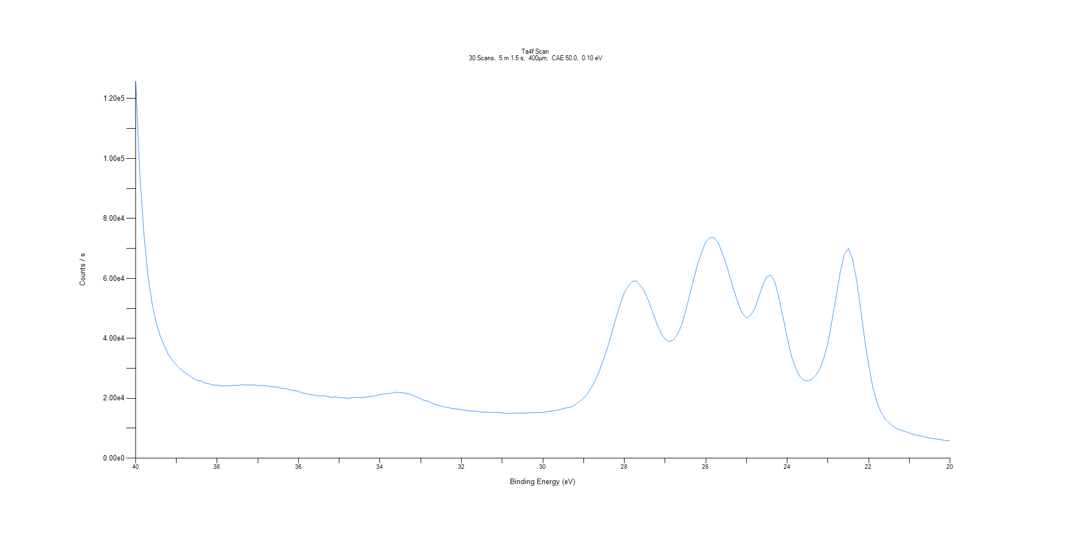
﻿
Axis | Energy | Elements= | 201

C:\XPS-UPS-Data\djung\TaRe_1208\Experiment\X-Ray002 400um - FG ON\BOE_Big_1208\Ta4f Scan.VGD

Binding Energy (E)
eV |  | Counts / s
40 |  | 125761
39.9 |  | 95268.8
39.8 |  | 75037.7
39.7 |  | 61083.2
39.6 |  | 51816.2
39.5 |  | 45464
39.4 |  | 40873.5
39.3 |  | 37545.4
39.2 |  | 34689.2
39.1 |  | 32776.5
39 |  | 31063.4
38.9 |  | 29763.1
38.8 |  | 28614.1
38.7 |  | 27760.2
38.6 |  | 26793
38.5 |  | 26058
38.4 |  | 25859.8
38.3 |  | 25111
38.2 |  | 24862
38.1 |  | 24392
38 |  | 24402.4
37.9 |  | 24135.3
37.8 |  | 24114.2
37.7 |  | 24104.7
37.6 |  | 24387
37.5 |  | 24247.4
37.4 |  | 24521.3
37.3 |  | 24435
37.2 |  | 24379.7
37.1 |  | 24519.2
37 |  | 24247.8
36.9 |  | 24275.9
36.8 |  | 24167.2
36.7 |  | 23927.2
36.6 |  | 23816.6
36.5 |  | 23686.4
36.4 |  | 23266.4
36.3 |  | 23208.4
36.2 |  | 22791.6
36.1 |  | 22590.6
36 |  | 22294.3
35.9 |  | 21742.8
35.8 |  | 21527.8
35.7 |  | 21176.9
35.6 |  | 21093.1
35.5 |  | 20722
35.4 |  | 20847.6
35.3 |  | 20679.2
35.2 |  | 20288.7
35.1 |  | 20472
35 |  | 20194.3
34.9 |  | 20189.7
34.8 |  | 20001.3
34.7 |  | 20143.4
34.6 |  | 20352
34.5 |  | 20256
34.4 |  | 20254.4
34.3 |  | 20502.5
34.2 |  | 20638.8
34.1 |  | 20870.7
34 |  | 21291.9
33.9 |  | 21462.1
33.8 |  | 21625.1
33.7 |  | 21748.9
33.6 |  | 22048.9
33.5 |  | 21896
33.4 |  | 21825.8
33.3 |  | 21480.6
33.2 |  | 21003.2
33.1 |  | 20437.9
33 |  | 19818.6
32.9 |  | 19216.3
32.8 |  | 18993.4
32.7 |  | 18230.6
32.6 |  | 17789.2
32.5 |  | 17363.3
32.4 |  | 17068
32.3 |  | 16805.4
32.2 |  | 16525
32.1 |  | 16414.2
32 |  | 16213.7
31.9 |  | 16041.9
31.8 |  | 15810.4
31.7 |  | 15726.8
31.6 |  | 15607.6
31.5 |  | 15346.1
31.4 |  | 15398.6
31.3 |  | 15272.6
31.2 |  | 15284.3
31.1 |  | 15233.6
31 |  | 15108.2
30.9 |  | 15014.7
30.8 |  | 14921.5
30.7 |  | 15040.7
30.6 |  | 15071.8
30.5 |  | 15064.6
30.4 |  | 15103.4
30.3 |  | 15215.2
30.2 |  | 15197.7
30.1 |  | 15200.5
30 |  | 15302.3
29.9 |  | 15565.1
29.8 |  | 15721.2
29.7 |  | 15944
29.6 |  | 16164.8
29.5 |  | 16624.5
29.4 |  | 16821.9
29.3 |  | 17173.2
29.2 |  | 17908
29.1 |  | 18968.1
29 |  | 20073.3
28.9 |  | 21579.2
28.8 |  | 23860.8
28.7 |  | 26343.7
28.6 |  | 29570.4
28.5 |  | 33485.6
28.4 |  | 37546
28.3 |  | 42342.4
28.2 |  | 47051
28.1 |  | 51386
28 |  | 55309.9
27.9 |  | 57464.5
27.8 |  | 59047.3
27.7 |  | 59127.5
27.6 |  | 57541
27.5 |  | 55472.1
27.4 |  | 52350.6
27.3 |  | 48518
27.2 |  | 44829.5
27.1 |  | 41685.1
27 |  | 39760.9
26.9 |  | 38837.2
26.8 |  | 39484.9
26.7 |  | 41221.6
26.6 |  | 44183.9
26.5 |  | 48796.3
26.4 |  | 54330.6
26.3 |  | 59540
26.2 |  | 64794.6
26.1 |  | 68729.8
26 |  | 72194.8
25.9 |  | 73561.2
25.8 |  | 73599.9
25.7 |  | 71999.4
25.6 |  | 68633.4
25.5 |  | 64800.8
25.4 |  | 60154.9
25.3 |  | 55632.9
25.2 |  | 51543.6
25.1 |  | 48264.3
25 |  | 46842.3
24.9 |  | 47701.5
24.8 |  | 49815.4
24.7 |  | 53763.2
24.6 |  | 57781.3
24.5 |  | 60590.6
24.4 |  | 61102.5
24.3 |  | 58693.3
24.2 |  | 53244.8
24.1 |  | 46869.4
24 |  | 40095
23.9 |  | 34277.7
23.8 |  | 30224.6
23.7 |  | 27436.3
23.6 |  | 26081.6
23.5 |  | 25754.4
23.4 |  | 26287.6
23.3 |  | 27647.7
23.2 |  | 29766.3
23.1 |  | 33487.5
23 |  | 38468.2
22.9 |  | 45980
22.8 |  | 53885.5
22.7 |  | 61973.9
22.6 |  | 67999
22.5 |  | 69976.9
22.4 |  | 66613
22.3 |  | 59655.4
22.2 |  | 49910.8
22.1 |  | 39922.3
22 |  | 30995.8
21.9 |  | 23803.7
21.8 |  | 18735.3
21.7 |  | 15484
21.6 |  | 13195.5
21.5 |  | 11846.8
21.4 |  | 10655.8
21.3 |  | 9763.51
21.2 |  | 9325.59
21.1 |  | 8898.74
21 |  | 8418.11
20.9 |  | 7982.58
20.8 |  | 7644.83
20.7 |  | 7387.03
20.6 |  | 7062.01
20.5 |  | 6785.5
20.4 |  | 6518.32
20.3 |  | 6349.57
20.2 |  | 6103.61
20.1 |  | 5903.11
20 |  | 5826.47

Re4f Scan
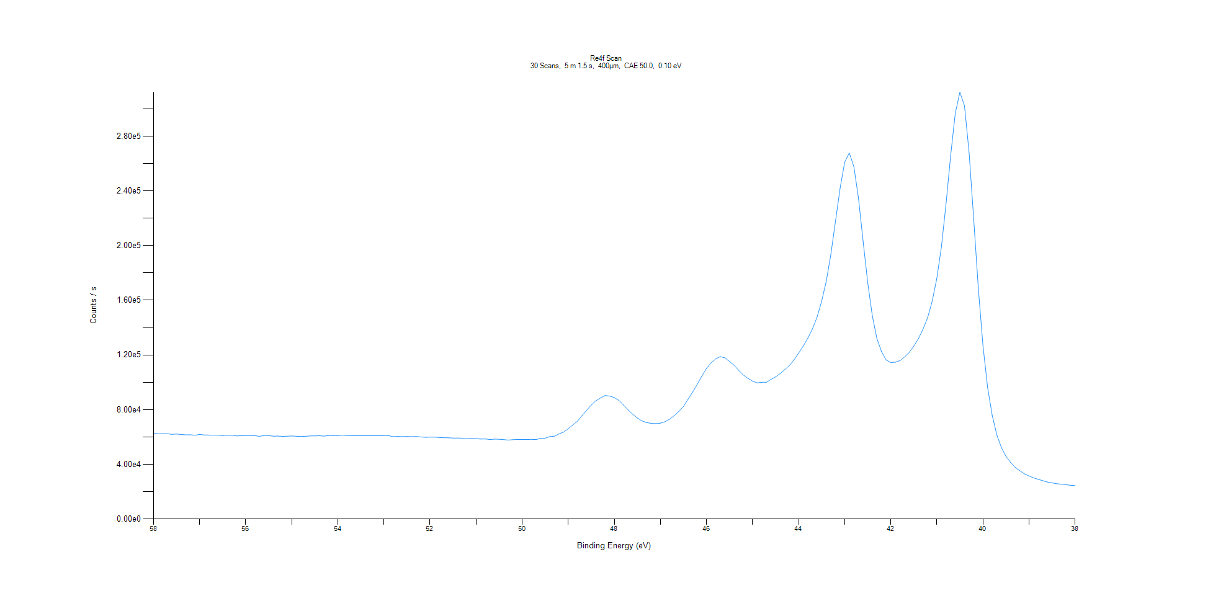
﻿
Axis | Energy | Elements= | 201

C:\XPS-UPS-Data\djung\TaRe_1208\Experiment\X-Ray002 400um - FG ON\BOE_Big_1208\Re4f Scan.VGD

Binding Energy (E)
eV |  | Counts / s
58 |  | 62818.3
57.9 |  | 62293.5
57.8 |  | 62410.9
57.7 |  | 62347.5
57.6 |  | 61948.7
57.5 |  | 62165.1
57.4 |  | 61870.4
57.3 |  | 61571.5
57.2 |  | 61602.9
57.1 |  | 61325.9
57 |  | 61866
56.9 |  | 61505.1
56.8 |  | 61425.5
56.7 |  | 61364.7
56.6 |  | 61324.4
56.5 |  | 61058.4
56.4 |  | 61333
56.3 |  | 61280.3
56.2 |  | 60793.5
56.1 |  | 60939.6
56 |  | 61006.4
55.9 |  | 61093.2
55.8 |  | 60887.6
55.7 |  | 60535.4
55.6 |  | 61049.9
55.5 |  | 60971
55.4 |  | 60623.2
55.3 |  | 60663.1
55.2 |  | 60466
55.1 |  | 60596.2
55 |  | 60763.1
54.9 |  | 60546.1
54.8 |  | 60379.3
54.7 |  | 60556.7
54.6 |  | 60746.4
54.5 |  | 60814.6
54.4 |  | 60915.5
54.3 |  | 60653.4
54.2 |  | 61030.8
54.1 |  | 61019.8
54 |  | 61016.6
53.9 |  | 61371.7
53.8 |  | 61091.9
53.7 |  | 60931.2
53.6 |  | 60967
53.5 |  | 60891.8
53.4 |  | 60910.9
53.3 |  | 60855.5
53.2 |  | 60862.4
53.1 |  | 60907
53 |  | 61009.8
52.9 |  | 61000.5
52.8 |  | 60207.1
52.7 |  | 60431.6
52.6 |  | 60246.6
52.5 |  | 60396.1
52.4 |  | 60202.4
52.3 |  | 60385.4
52.2 |  | 60004.6
52.1 |  | 59817.6
52 |  | 59865.5
51.9 |  | 59911.7
51.8 |  | 59667.7
51.7 |  | 59440.4
51.6 |  | 59382.7
51.5 |  | 59262.5
51.4 |  | 59257.9
51.3 |  | 59124.5
51.2 |  | 58571.4
51.1 |  | 59125.5
51 |  | 58762.8
50.9 |  | 58498.7
50.8 |  | 58601.5
50.7 |  | 58156.5
50.6 |  | 58433.7
50.5 |  | 58353.3
50.4 |  | 58075.7
50.3 |  | 57769.4
50.2 |  | 58060.8
50.1 |  | 58243.5
50 |  | 58268.7
49.9 |  | 58196.2
49.8 |  | 58297.5
49.7 |  | 58138
49.6 |  | 58954.1
49.5 |  | 59135.5
49.4 |  | 60300.4
49.3 |  | 60587.5
49.2 |  | 62268
49.1 |  | 63628.5
49 |  | 66040.7
48.9 |  | 68813.1
48.8 |  | 71527.7
48.7 |  | 75629.4
48.6 |  | 79617.6
48.5 |  | 83321.3
48.4 |  | 86506.9
48.3 |  | 88502.8
48.2 |  | 90321.2
48.1 |  | 89932.1
48 |  | 88842.5
47.9 |  | 86727.2
47.8 |  | 83345.4
47.7 |  | 79731.1
47.6 |  | 76625.9
47.5 |  | 73891.1
47.4 |  | 71791.5
47.3 |  | 70529.2
47.2 |  | 69989.4
47.1 |  | 69777.5
47 |  | 70128.9
46.9 |  | 71163.9
46.8 |  | 72999.3
46.7 |  | 75544.5
46.6 |  | 78686.2
46.5 |  | 82256.6
46.4 |  | 87601.1
46.3 |  | 92827.5
46.2 |  | 98513.1
46.1 |  | 104591
46 |  | 110110
45.9 |  | 114211
45.8 |  | 117140
45.7 |  | 118765
45.6 |  | 117874
45.5 |  | 115204
45.4 |  | 112396
45.3 |  | 108726
45.2 |  | 105338
45.1 |  | 102908
45 |  | 100892
44.9 |  | 99566.8
44.8 |  | 99979.6
44.7 |  | 99994.6
44.6 |  | 102156
44.5 |  | 103969
44.4 |  | 106435
44.3 |  | 109300
44.2 |  | 112366
44.1 |  | 116419
44 |  | 121288
43.9 |  | 126475
43.8 |  | 132300
43.7 |  | 139057
43.6 |  | 147678
43.5 |  | 159283
43.4 |  | 173899
43.3 |  | 193634
43.2 |  | 217816
43.1 |  | 241960
43 |  | 261087
42.9 |  | 267713
42.8 |  | 257625
42.7 |  | 234416
42.6 |  | 202949
42.5 |  | 172674
42.4 |  | 148617
42.3 |  | 131848
42.2 |  | 122322
42.1 |  | 116325
42 |  | 114478
41.9 |  | 114686
41.8 |  | 115858
41.7 |  | 118573
41.6 |  | 121832
41.5 |  | 126487
41.4 |  | 131974
41.3 |  | 138922
41.2 |  | 147263
41.1 |  | 159488
41 |  | 176149
40.9 |  | 199424
40.8 |  | 230927
40.7 |  | 265831
40.6 |  | 296809
40.5 |  | 312206
40.4 |  | 302124
40.3 |  | 267811
40.2 |  | 218946
40.1 |  | 168887
40 |  | 127160
39.9 |  | 96572.3
39.8 |  | 76015.9
39.7 |  | 61654.2
39.6 |  | 52358.2
39.5 |  | 45901
39.4 |  | 41422.2
39.3 |  | 37787.3
39.2 |  | 35383.9
39.1 |  | 33002.4
39 |  | 31517.9
38.9 |  | 30111
38.8 |  | 29050.5
38.7 |  | 28046.5
38.6 |  | 27054.3
38.5 |  | 26443.7
38.4 |  | 25838.8
38.3 |  | 25503.3
38.2 |  | 25104.1
38.1 |  | 24705.8
38 |  | 24537.8

Al2p Scan
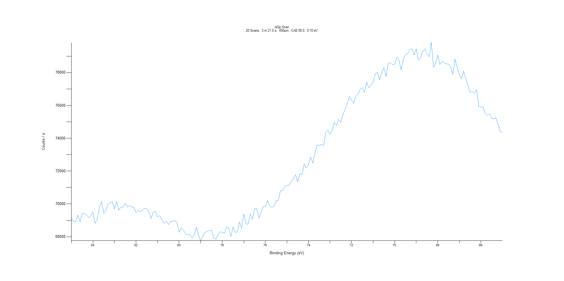
﻿
Axis | Energy | Elements= | 201

C:\XPS-UPS-Data\djung\TaRe_1208\Experiment\X-Ray002 400um - FG ON\BOE_Big_1208\Al2p Scan.VGD

Binding Energy (E)
eV |  | Counts / s
85 |  | 69177.3
84.9 |  | 68934.4
84.8 |  | 68913.3
84.7 |  | 69321.6
84.6 |  | 68917.1
84.5 |  | 69428.9
84.4 |  | 69419
84.3 |  | 69335.4
84.2 |  | 69171.8
84.1 |  | 69284.3
84 |  | 69502.2
83.9 |  | 68818.2
83.8 |  | 69051.6
83.7 |  | 69765.6
83.6 |  | 70152.1
83.5 |  | 69436.5
83.4 |  | 69629
83.3 |  | 69997.5
83.2 |  | 70071.1
83.1 |  | 70128.7
83 |  | 69687.3
82.9 |  | 70147.3
82.8 |  | 69619.2
82.7 |  | 69816
82.6 |  | 69801.5
82.5 |  | 70044.1
82.4 |  | 69813.7
82.3 |  | 69902.3
82.2 |  | 69811.9
82.1 |  | 69798.1
82 |  | 69467.8
81.9 |  | 69605.4
81.8 |  | 69541
81.7 |  | 69631.2
81.6 |  | 69743.3
81.5 |  | 69718
81.4 |  | 69486.2
81.3 |  | 69128.5
81.2 |  | 69494.2
81.1 |  | 69545.2
81 |  | 69208.2
80.9 |  | 69295.1
80.8 |  | 69042.8
80.7 |  | 68826.6
80.6 |  | 68946.2
80.5 |  | 68743.6
80.4 |  | 68927.9
80.3 |  | 68947.4
80.2 |  | 69001
80.1 |  | 68848.4
80 |  | 68280.3
79.9 |  | 68554.6
79.8 |  | 68402.8
79.7 |  | 68181.2
79.6 |  | 68128.9
79.5 |  | 68126.2
79.4 |  | 67928.4
79.3 |  | 68137.4
79.2 |  | 68590.7
79.1 |  | 68093.4
79 |  | 67763.8
78.9 |  | 68062.9
78.8 |  | 68274.6
78.7 |  | 68328.9
78.6 |  | 68386.3
78.5 |  | 68417.2
78.4 |  | 67905.1
78.3 |  | 67850.2
78.2 |  | 68112.6
78.1 |  | 68316.9
78 |  | 68259.8
77.9 |  | 68213.5
77.8 |  | 68598.8
77.7 |  | 68532
77.6 |  | 68020.5
77.5 |  | 68597
77.4 |  | 68275.3
77.3 |  | 68295.5
77.2 |  | 68911.1
77.1 |  | 68529.2
77 |  | 69389.3
76.9 |  | 68783.1
76.8 |  | 68774.3
76.7 |  | 69394.6
76.6 |  | 69068.6
76.5 |  | 69717.2
76.4 |  | 69710.6
76.3 |  | 69140.4
76.2 |  | 69488.6
76.1 |  | 69834.1
76 |  | 69837.7
75.9 |  | 70203.6
75.8 |  | 69907.9
75.7 |  | 69780.7
75.6 |  | 69886.7
75.5 |  | 70190.3
75.4 |  | 70218.8
75.3 |  | 70804.6
75.2 |  | 70804.5
75.1 |  | 71033.6
75 |  | 71124.4
74.9 |  | 71137.8
74.8 |  | 71361.8
74.7 |  | 71545.6
74.6 |  | 71783.9
74.5 |  | 71346.7
74.4 |  | 71843.9
74.3 |  | 71788.6
74.2 |  | 72437.7
74.1 |  | 72191.8
74 |  | 72393.7
73.9 |  | 72844.8
73.8 |  | 72490.6
73.7 |  | 73110.8
73.6 |  | 73592.2
73.5 |  | 73562.2
73.4 |  | 73631.3
73.3 |  | 73537.2
73.2 |  | 74372.6
73.1 |  | 74485.8
73 |  | 74238.5
72.9 |  | 74446.9
72.8 |  | 74975.5
72.7 |  | 74783.1
72.6 |  | 75158.6
72.5 |  | 74979.7
72.4 |  | 75451.3
72.3 |  | 75737
72.2 |  | 76147.4
72.1 |  | 76527.2
72 |  | 76320
71.9 |  | 76133.3
71.8 |  | 76569.3
71.7 |  | 76676.9
71.6 |  | 76999
71.5 |  | 77071.4
71.4 |  | 76795.1
71.3 |  | 77414
71.2 |  | 77076.8
71.1 |  | 77242.7
71 |  | 77438.7
70.9 |  | 77927.3
70.8 |  | 78000.8
70.7 |  | 77550.7
70.6 |  | 77996.9
70.5 |  | 78317.6
70.4 |  | 77768.6
70.3 |  | 78556.1
70.2 |  | 78597.8
70.1 |  | 78481.2
70 |  | 78513.4
69.9 |  | 78940.9
69.8 |  | 78749.3
69.7 |  | 78174
69.6 |  | 78779.6
69.5 |  | 79099.9
69.4 |  | 79147.8
69.3 |  | 79388.2
69.2 |  | 79450.2
69.1 |  | 79072.6
69 |  | 79452.7
68.9 |  | 78753.4
68.8 |  | 78890.7
68.7 |  | 79269.7
68.6 |  | 79441
68.5 |  | 79142
68.4 |  | 78966.4
68.3 |  | 79818
68.2 |  | 78323
68.1 |  | 78540.7
68 |  | 79065.7
67.9 |  | 78505.8
67.8 |  | 78698.2
67.7 |  | 78594.7
67.6 |  | 78530.7
67.5 |  | 78516.8
67.4 |  | 78342.2
67.3 |  | 77891.5
67.2 |  | 78826.5
67.1 |  | 78313.1
67 |  | 77895.6
66.9 |  | 77605.3
66.8 |  | 78092
66.7 |  | 77625.1
66.6 |  | 77213
66.5 |  | 76795.5
66.4 |  | 76850.4
66.3 |  | 76743.3
66.2 |  | 76959.3
66.1 |  | 75919.1
66 |  | 75914.3
65.9 |  | 75876.8
65.8 |  | 75514.6
65.7 |  | 75378.7
65.6 |  | 75490.9
65.5 |  | 75210.7
65.4 |  | 75181.1
65.3 |  | 75231.8
65.2 |  | 74838.9
65.1 |  | 74395.5
65 |  | 74365.8

C1s Scan
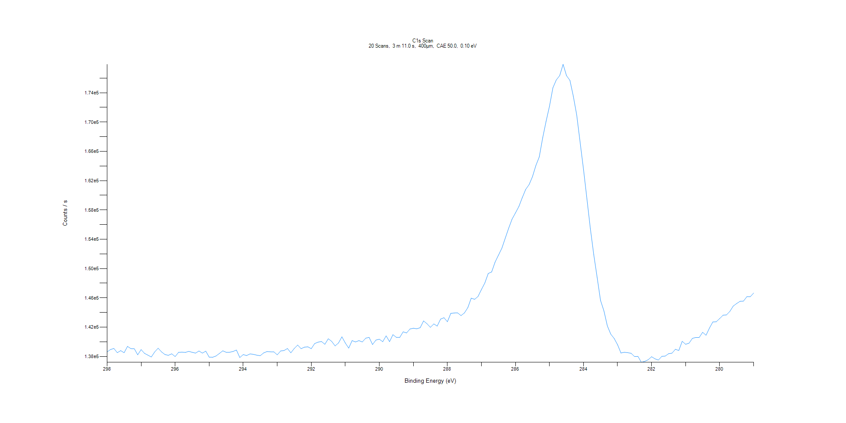
﻿
Axis | Energy | Elements= | 191

C:\XPS-UPS-Data\djung\TaRe_1208\Experiment\X-Ray002 400um - FG ON\BOE_Big_1208\C1s Scan.VGD

Binding Energy (E)
eV |  | Counts / s
298 |  | 138615
297.9 |  | 138946
297.8 |  | 139088
297.7 |  | 138510
297.6 |  | 138791
297.5 |  | 138508
297.4 |  | 139371
297.3 |  | 139063
297.2 |  | 139046
297.1 |  | 138222
297 |  | 138938
296.9 |  | 138420
296.8 |  | 138175
296.7 |  | 137925
296.6 |  | 138621
296.5 |  | 139127
296.4 |  | 138620
296.3 |  | 138259
296.2 |  | 138152
296.1 |  | 138359
296 |  | 137984
295.9 |  | 138558
295.8 |  | 138590
295.7 |  | 138554
295.6 |  | 138693
295.5 |  | 138566
295.4 |  | 138455
295.3 |  | 138745
295.2 |  | 138454
295.1 |  | 138724
295 |  | 137905
294.9 |  | 137888
294.8 |  | 138061
294.7 |  | 138408
294.6 |  | 138771
294.5 |  | 138568
294.4 |  | 138572
294.3 |  | 138675
294.2 |  | 138873
294.1 |  | 137850
294 |  | 138253
293.9 |  | 138123
293.8 |  | 138344
293.7 |  | 138287
293.6 |  | 138171
293.5 |  | 138101
293.4 |  | 138480
293.3 |  | 138668
293.2 |  | 138630
293.1 |  | 138626
293 |  | 138218
292.9 |  | 138747
292.8 |  | 138807
292.7 |  | 139082
292.6 |  | 138498
292.5 |  | 139084
292.4 |  | 139553
292.3 |  | 139062
292.2 |  | 139267
292.1 |  | 139312
292 |  | 139063
291.9 |  | 139762
291.8 |  | 139952
291.7 |  | 140036
291.6 |  | 139660
291.5 |  | 140417
291.4 |  | 140057
291.3 |  | 139441
291.2 |  | 139840
291.1 |  | 140677
291 |  | 139839
290.9 |  | 139136
290.8 |  | 140163
290.7 |  | 139978
290.6 |  | 140159
290.5 |  | 139980
290.4 |  | 140492
290.3 |  | 140604
290.2 |  | 139622
290.1 |  | 140237
290 |  | 140352
289.9 |  | 140014
289.8 |  | 140805
289.7 |  | 140024
289.6 |  | 140972
289.5 |  | 140606
289.4 |  | 140604
289.3 |  | 141364
289.2 |  | 141209
289.1 |  | 141746
289 |  | 141853
288.9 |  | 141776
288.8 |  | 141922
288.7 |  | 142851
288.6 |  | 142467
288.5 |  | 141972
288.4 |  | 142442
288.3 |  | 142146
288.2 |  | 143100
288.1 |  | 143284
288 |  | 142736
287.9 |  | 143885
287.8 |  | 143932
287.7 |  | 143952
287.6 |  | 143578
287.5 |  | 143940
287.4 |  | 144662
287.3 |  | 145950
287.2 |  | 145799
287.1 |  | 146184
287 |  | 147131
286.9 |  | 148029
286.8 |  | 149325
286.7 |  | 149536
286.6 |  | 150869
286.5 |  | 151822
286.4 |  | 152766
286.3 |  | 154142
286.2 |  | 155503
286.1 |  | 156749
286 |  | 157598
285.9 |  | 158464
285.8 |  | 159675
285.7 |  | 160805
285.6 |  | 161454
285.5 |  | 162546
285.4 |  | 164070
285.3 |  | 165245
285.2 |  | 167842
285.1 |  | 170101
285 |  | 172166
284.9 |  | 174678
284.8 |  | 175752
284.7 |  | 176340
284.6 |  | 177884
284.5 |  | 176333
284.4 |  | 175698
284.3 |  | 173522
284.2 |  | 170972
284.1 |  | 167243
284 |  | 163531
283.9 |  | 159511
283.8 |  | 155479
283.7 |  | 151906
283.6 |  | 148812
283.5 |  | 145644
283.4 |  | 144211
283.3 |  | 142174
283.2 |  | 141044
283.1 |  | 140461
283 |  | 139605
282.9 |  | 138474
282.8 |  | 138566
282.7 |  | 138514
282.6 |  | 138427
282.5 |  | 137981
282.4 |  | 138002
282.3 |  | 137200
282.2 |  | 137331
282.1 |  | 137551
282 |  | 137962
281.9 |  | 137675
281.8 |  | 137507
281.7 |  | 138010
281.6 |  | 138050
281.5 |  | 138374
281.4 |  | 138447
281.3 |  | 138977
281.2 |  | 138812
281.1 |  | 140071
281 |  | 139659
280.9 |  | 139809
280.8 |  | 140465
280.7 |  | 140591
280.6 |  | 140597
280.5 |  | 141296
280.4 |  | 140894
280.3 |  | 141870
280.2 |  | 142705
280.1 |  | 142736
280 |  | 143172
279.9 |  | 143631
279.8 |  | 143668
279.7 |  | 144145
279.6 |  | 144883
279.5 |  | 145225
279.4 |  | 145525
279.3 |  | 145555
279.2 |  | 146160
279.1 |  | 146152
279 |  | 146656

O1s Scan
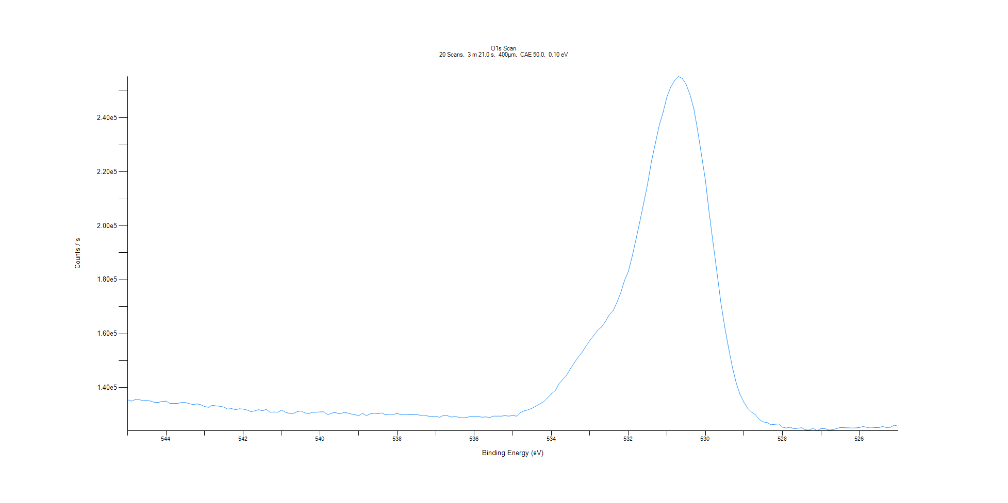
﻿
Axis | Energy | Elements= | 201

C:\XPS-UPS-Data\djung\TaRe_1208\Experiment\X-Ray002 400um - FG ON\BOE_Big_1208\O1s Scan.VGD

Binding Energy (E)
eV |  | Counts / s
545 |  | 135510
544.9 |  | 134988
544.8 |  | 135610
544.7 |  | 135569
544.6 |  | 135169
544.5 |  | 135281
544.4 |  | 135033
544.3 |  | 134555
544.2 |  | 134541
544.1 |  | 134905
544 |  | 134989
543.9 |  | 134148
543.8 |  | 134139
543.7 |  | 134152
543.6 |  | 134508
543.5 |  | 134513
543.4 |  | 134058
543.3 |  | 133744
543.2 |  | 133967
543.1 |  | 133673
543 |  | 133007
542.9 |  | 132716
542.8 |  | 133463
542.7 |  | 133227
542.6 |  | 133099
542.5 |  | 132783
542.4 |  | 132043
542.3 |  | 132244
542.2 |  | 131839
542.1 |  | 132154
542 |  | 132052
541.9 |  | 131695
541.8 |  | 131102
541.7 |  | 131373
541.6 |  | 131827
541.5 |  | 131419
541.4 |  | 131941
541.3 |  | 130861
541.2 |  | 130970
541.1 |  | 130912
541 |  | 131686
540.9 |  | 130921
540.8 |  | 130445
540.7 |  | 130451
540.6 |  | 131057
540.5 |  | 131374
540.4 |  | 130634
540.3 |  | 130366
540.2 |  | 130860
540.1 |  | 130891
540 |  | 131005
539.9 |  | 130998
539.8 |  | 129951
539.7 |  | 130583
539.6 |  | 130782
539.5 |  | 130279
539.4 |  | 130708
539.3 |  | 130645
539.2 |  | 130229
539.1 |  | 129980
539 |  | 129605
538.9 |  | 130467
538.8 |  | 129619
538.7 |  | 130264
538.6 |  | 130519
538.5 |  | 130352
538.4 |  | 130622
538.3 |  | 129922
538.2 |  | 130163
538.1 |  | 130085
538 |  | 130434
537.9 |  | 129983
537.8 |  | 130152
537.7 |  | 129978
537.6 |  | 129962
537.5 |  | 130116
537.4 |  | 129716
537.3 |  | 129821
537.2 |  | 129439
537.1 |  | 129325
537 |  | 129398
536.9 |  | 128994
536.8 |  | 129694
536.7 |  | 129628
536.6 |  | 129102
536.5 |  | 129274
536.4 |  | 129039
536.3 |  | 128802
536.2 |  | 128945
536.1 |  | 129306
536 |  | 129340
535.9 |  | 129397
535.8 |  | 129028
535.7 |  | 129175
535.6 |  | 128891
535.5 |  | 129472
535.4 |  | 129422
535.3 |  | 129431
535.2 |  | 129634
535.1 |  | 129427
535 |  | 129720
534.9 |  | 129425
534.8 |  | 130791
534.7 |  | 131453
534.6 |  | 131788
534.5 |  | 132375
534.4 |  | 133141
534.3 |  | 133995
534.2 |  | 134774
534.1 |  | 136168
534 |  | 137710
533.9 |  | 138881
533.8 |  | 141441
533.7 |  | 143059
533.6 |  | 144698
533.5 |  | 147117
533.4 |  | 149234
533.3 |  | 151390
533.2 |  | 153112
533.1 |  | 155380
533 |  | 157488
532.9 |  | 159313
532.8 |  | 161212
532.7 |  | 162490
532.6 |  | 164421
532.5 |  | 166917
532.4 |  | 168442
532.3 |  | 171493
532.2 |  | 175069
532.1 |  | 179714
532 |  | 183118
531.9 |  | 188717
531.8 |  | 195118
531.7 |  | 201738
531.6 |  | 208552
531.5 |  | 215603
531.4 |  | 223910
531.3 |  | 230553
531.2 |  | 237138
531.1 |  | 242009
531 |  | 247757
530.9 |  | 251452
530.8 |  | 253825
530.7 |  | 255387
530.6 |  | 254707
530.5 |  | 252449
530.4 |  | 248650
530.3 |  | 243462
530.2 |  | 235268
530.1 |  | 226136
530 |  | 216962
529.9 |  | 204660
529.8 |  | 193565
529.7 |  | 182790
529.6 |  | 171708
529.5 |  | 162683
529.4 |  | 154855
529.3 |  | 147648
529.2 |  | 141735
529.1 |  | 137494
529 |  | 134583
528.9 |  | 132295
528.8 |  | 130899
528.7 |  | 129929
528.6 |  | 128167
528.5 |  | 127276
528.4 |  | 127097
528.3 |  | 126231
528.2 |  | 126408
528.1 |  | 126534
528 |  | 125362
527.9 |  | 125015
527.8 |  | 125336
527.7 |  | 124769
527.6 |  | 124956
527.5 |  | 125122
527.4 |  | 124327
527.3 |  | 124297
527.2 |  | 125002
527.1 |  | 123992
527 |  | 124839
526.9 |  | 124839
526.8 |  | 124275
526.7 |  | 124378
526.6 |  | 124808
526.5 |  | 125233
526.4 |  | 125163
526.3 |  | 125107
526.2 |  | 125030
526.1 |  | 125080
526 |  | 125248
525.9 |  | 125577
525.8 |  | 125228
525.7 |  | 125331
525.6 |  | 125225
525.5 |  | 125173
525.4 |  | 125577
525.3 |  | 125233
525.2 |  | 125286
525.1 |  | 126098
525 |  | 125718

