XPS Survey
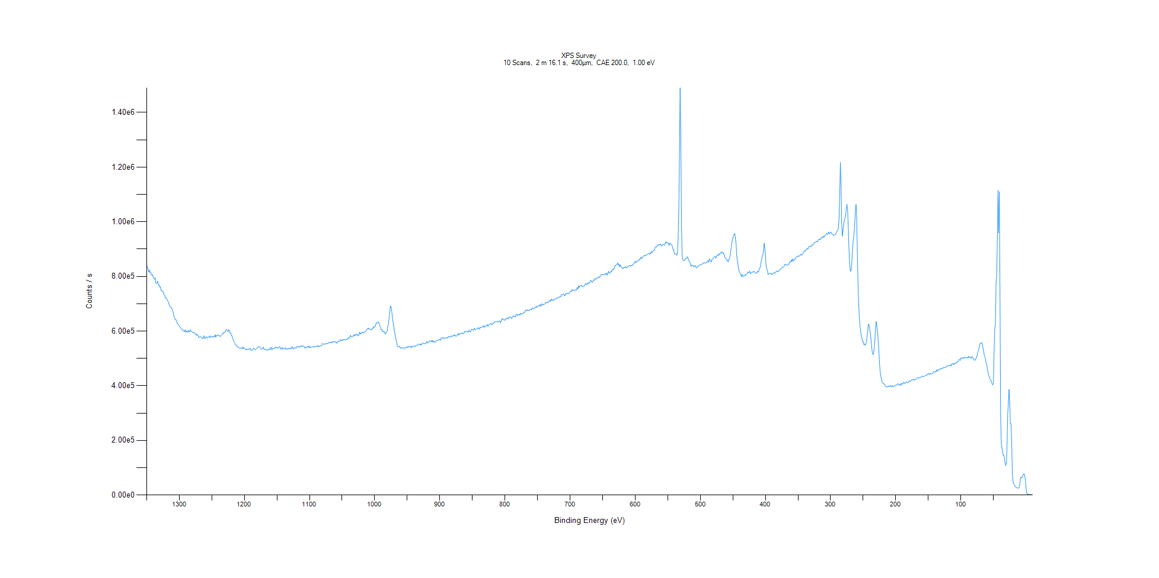
﻿
Axis | Energy | Elements= | 1361

C:\XPS-UPS-Data\djung\TaRe_1208\Experiment\X-Ray002 400um - FG ON\BOE_WK2\XPS Survey.VGD

Binding Energy (E)
eV |  | Counts / s
1350 |  | 841213
1349 |  | 834614
1348 |  | 827200
1347 |  | 816048
1346 |  | 823595
1345 |  | 814876
1344 |  | 816164
1343 |  | 807767
1342 |  | 803412
1341 |  | 806753
1340 |  | 796807
1339 |  | 792210
1338 |  | 789578
1337 |  | 795221
1336 |  | 775734
1335 |  | 774966
1334 |  | 776560
1333 |  | 782618
1332 |  | 768286
1331 |  | 769615
1330 |  | 760089
1329 |  | 762115
1328 |  | 749724
1327 |  | 748896
1326 |  | 744563
1325 |  | 745520
1324 |  | 737761
1323 |  | 730459
1322 |  | 728722
1321 |  | 720479
1320 |  | 720690
1319 |  | 716982
1318 |  | 711374
1317 |  | 708147
1316 |  | 701363
1315 |  | 693038
1314 |  | 688549
1313 |  | 686011
1312 |  | 686566
1311 |  | 679880
1310 |  | 672908
1309 |  | 664079
1308 |  | 653192
1307 |  | 647012
1306 |  | 641086
1305 |  | 641585
1304 |  | 637127
1303 |  | 627531
1302 |  | 625142
1301 |  | 621538
1300 |  | 618551
1299 |  | 616781
1298 |  | 611962
1297 |  | 609012
1296 |  | 605917
1295 |  | 602338
1294 |  | 603504
1293 |  | 601123
1292 |  | 597897
1291 |  | 604629
1290 |  | 595028
1289 |  | 599407
1288 |  | 600016
1287 |  | 595021
1286 |  | 602511
1285 |  | 597416
1284 |  | 597675
1283 |  | 604375
1282 |  | 599727
1281 |  | 598387
1280 |  | 595289
1279 |  | 595689
1278 |  | 593438
1277 |  | 594758
1276 |  | 591736
1275 |  | 590218
1274 |  | 584706
1273 |  | 588502
1272 |  | 584178
1271 |  | 582828
1270 |  | 575699
1269 |  | 578233
1268 |  | 579191
1267 |  | 579277
1266 |  | 576661
1265 |  | 574631
1264 |  | 571987
1263 |  | 576810
1262 |  | 582911
1261 |  | 572560
1260 |  | 574001
1259 |  | 578911
1258 |  | 578540
1257 |  | 574738
1256 |  | 576202
1255 |  | 578446
1254 |  | 577881
1253 |  | 582659
1252 |  | 576413
1251 |  | 579294
1250 |  | 581568
1249 |  | 579799
1248 |  | 581170
1247 |  | 576472
1246 |  | 580319
1245 |  | 587102
1244 |  | 577695
1243 |  | 584065
1242 |  | 582638
1241 |  | 585783
1240 |  | 584660
1239 |  | 583644
1238 |  | 582227
1237 |  | 579841
1236 |  | 583411
1235 |  | 585416
1234 |  | 587638
1233 |  | 592888
1232 |  | 591664
1231 |  | 596355
1230 |  | 595997
1229 |  | 598682
1228 |  | 606554
1227 |  | 604648
1226 |  | 602597
1225 |  | 598501
1224 |  | 604919
1223 |  | 599398
1222 |  | 592312
1221 |  | 593176
1220 |  | 583300
1219 |  | 582056
1218 |  | 574918
1217 |  | 566608
1216 |  | 561877
1215 |  | 556717
1214 |  | 550729
1213 |  | 548688
1212 |  | 548894
1211 |  | 542763
1210 |  | 541049
1209 |  | 540447
1208 |  | 538504
1207 |  | 536798
1206 |  | 539152
1205 |  | 536306
1204 |  | 538000
1203 |  | 541792
1202 |  | 534967
1201 |  | 539630
1200 |  | 536737
1199 |  | 533656
1198 |  | 530978
1197 |  | 534991
1196 |  | 532843
1195 |  | 533739
1194 |  | 533547
1193 |  | 535297
1192 |  | 534886
1191 |  | 536577
1190 |  | 530061
1189 |  | 530275
1188 |  | 530619
1187 |  | 533130
1186 |  | 537952
1185 |  | 535008
1184 |  | 532093
1183 |  | 532101
1182 |  | 534900
1181 |  | 536954
1180 |  | 539043
1179 |  | 540381
1178 |  | 543919
1177 |  | 542915
1176 |  | 539863
1175 |  | 536207
1174 |  | 533394
1173 |  | 535966
1172 |  | 537432
1171 |  | 540852
1170 |  | 533086
1169 |  | 533529
1168 |  | 532175
1167 |  | 533968
1166 |  | 532085
1165 |  | 529611
1164 |  | 529992
1163 |  | 533304
1162 |  | 535690
1161 |  | 531823
1160 |  | 537007
1159 |  | 541076
1158 |  | 530747
1157 |  | 534820
1156 |  | 536468
1155 |  | 535962
1154 |  | 536588
1153 |  | 538263
1152 |  | 542130
1151 |  | 538836
1150 |  | 539126
1149 |  | 538585
1148 |  | 537899
1147 |  | 542494
1146 |  | 543385
1145 |  | 540687
1144 |  | 533596
1143 |  | 536354
1142 |  | 540243
1141 |  | 533541
1140 |  | 535696
1139 |  | 536184
1138 |  | 536961
1137 |  | 539395
1136 |  | 533516
1135 |  | 534912
1134 |  | 534092
1133 |  | 535512
1132 |  | 537695
1131 |  | 534333
1130 |  | 536565
1129 |  | 537352
1128 |  | 534991
1127 |  | 543968
1126 |  | 538386
1125 |  | 534198
1124 |  | 537943
1123 |  | 539143
1122 |  | 538361
1121 |  | 537155
1120 |  | 540094
1119 |  | 544415
1118 |  | 542260
1117 |  | 543462
1116 |  | 540084
1115 |  | 544027
1114 |  | 542737
1113 |  | 546536
1112 |  | 543568
1111 |  | 545735
1110 |  | 547051
1109 |  | 543190
1108 |  | 542378
1107 |  | 536690
1106 |  | 541770
1105 |  | 540149
1104 |  | 539790
1103 |  | 544026
1102 |  | 545846
1101 |  | 540159
1100 |  | 544565
1099 |  | 538973
1098 |  | 539938
1097 |  | 541226
1096 |  | 544157
1095 |  | 541818
1094 |  | 541518
1093 |  | 543999
1092 |  | 541797
1091 |  | 543528
1090 |  | 544113
1089 |  | 546119
1088 |  | 543056
1087 |  | 547149
1086 |  | 541741
1085 |  | 544698
1084 |  | 544787
1083 |  | 546842
1082 |  | 545977
1081 |  | 548268
1080 |  | 554574
1079 |  | 552862
1078 |  | 551715
1077 |  | 553414
1076 |  | 551511
1075 |  | 555072
1074 |  | 553876
1073 |  | 555747
1072 |  | 553670
1071 |  | 556299
1070 |  | 559748
1069 |  | 558636
1068 |  | 557416
1067 |  | 556562
1066 |  | 561314
1065 |  | 557290
1064 |  | 561264
1063 |  | 559780
1062 |  | 561940
1061 |  | 561353
1060 |  | 558070
1059 |  | 559963
1058 |  | 555411
1057 |  | 560983
1056 |  | 561613
1055 |  | 564682
1054 |  | 564985
1053 |  | 563083
1052 |  | 569129
1051 |  | 565581
1050 |  | 565806
1049 |  | 569644
1048 |  | 566912
1047 |  | 569213
1046 |  | 567839
1045 |  | 567813
1044 |  | 567700
1043 |  | 570826
1042 |  | 569076
1041 |  | 574629
1040 |  | 575545
1039 |  | 573948
1038 |  | 579746
1037 |  | 584612
1036 |  | 578239
1035 |  | 579161
1034 |  | 579829
1033 |  | 582195
1032 |  | 586639
1031 |  | 582018
1030 |  | 586960
1029 |  | 584540
1028 |  | 587874
1027 |  | 589278
1026 |  | 582463
1025 |  | 585919
1024 |  | 585777
1023 |  | 596513
1022 |  | 589861
1021 |  | 589747
1020 |  | 593702
1019 |  | 596413
1018 |  | 592527
1017 |  | 596319
1016 |  | 595559
1015 |  | 597035
1014 |  | 598959
1013 |  | 601125
1012 |  | 605602
1011 |  | 609364
1010 |  | 607963
1009 |  | 611005
1008 |  | 606637
1007 |  | 606749
1006 |  | 605658
1005 |  | 603935
1004 |  | 608842
1003 |  | 607444
1002 |  | 615723
1001 |  | 613113
1000 |  | 616923
999 |  | 617877
998 |  | 627861
997 |  | 627544
996 |  | 632925
995 |  | 632273
994 |  | 633664
993 |  | 626527
992 |  | 620026
991 |  | 612671
990 |  | 605608
989 |  | 606470
988 |  | 598521
987 |  | 599905
986 |  | 596184
985 |  | 598148
984 |  | 588900
983 |  | 591857
982 |  | 594714
981 |  | 597822
980 |  | 614794
979 |  | 624773
978 |  | 645693
977 |  | 664412
976 |  | 691355
975 |  | 690713
974 |  | 675722
973 |  | 654426
972 |  | 636687
971 |  | 623409
970 |  | 604395
969 |  | 591639
968 |  | 577145
967 |  | 567463
966 |  | 555459
965 |  | 544000
964 |  | 543581
963 |  | 542011
962 |  | 545157
961 |  | 540127
960 |  | 537271
959 |  | 540409
958 |  | 538560
957 |  | 536867
956 |  | 539670
955 |  | 538156
954 |  | 537106
953 |  | 538050
952 |  | 537534
951 |  | 542623
950 |  | 539756
949 |  | 543424
948 |  | 540824
947 |  | 544653
946 |  | 542732
945 |  | 545006
944 |  | 538480
943 |  | 544085
942 |  | 543240
941 |  | 544232
940 |  | 544819
939 |  | 544025
938 |  | 546287
937 |  | 544920
936 |  | 548339
935 |  | 548303
934 |  | 548177
933 |  | 551974
932 |  | 552049
931 |  | 551559
930 |  | 548499
929 |  | 553110
928 |  | 549511
927 |  | 555023
926 |  | 556934
925 |  | 555254
924 |  | 554944
923 |  | 552549
922 |  | 555352
921 |  | 555485
920 |  | 562251
919 |  | 558133
918 |  | 556364
917 |  | 558582
916 |  | 564303
915 |  | 562617
914 |  | 561776
913 |  | 565963
912 |  | 559484
911 |  | 565118
910 |  | 560566
909 |  | 563238
908 |  | 559802
907 |  | 559505
906 |  | 562960
905 |  | 566046
904 |  | 566291
903 |  | 565209
902 |  | 567668
901 |  | 569714
900 |  | 569622
899 |  | 566204
898 |  | 574662
897 |  | 574909
896 |  | 575413
895 |  | 575521
894 |  | 572442
893 |  | 575615
892 |  | 573288
891 |  | 574724
890 |  | 576437
889 |  | 576255
888 |  | 573595
887 |  | 579597
886 |  | 580116
885 |  | 578272
884 |  | 580088
883 |  | 578106
882 |  | 583649
881 |  | 580352
880 |  | 582575
879 |  | 584219
878 |  | 587030
877 |  | 581441
876 |  | 584628
875 |  | 581505
874 |  | 582542
873 |  | 585181
872 |  | 591782
871 |  | 585110
870 |  | 590214
869 |  | 589799
868 |  | 591693
867 |  | 589431
866 |  | 592723
865 |  | 593001
864 |  | 591241
863 |  | 590326
862 |  | 598828
861 |  | 597281
860 |  | 599159
859 |  | 597594
858 |  | 597868
857 |  | 597361
856 |  | 597184
855 |  | 603703
854 |  | 598008
853 |  | 596334
852 |  | 603196
851 |  | 606820
850 |  | 605990
849 |  | 603819
848 |  | 603658
847 |  | 610674
846 |  | 605444
845 |  | 606994
844 |  | 606948
843 |  | 608816
842 |  | 609331
841 |  | 613092
840 |  | 607878
839 |  | 607148
838 |  | 614536
837 |  | 613531
836 |  | 613960
835 |  | 615896
834 |  | 617891
833 |  | 618959
832 |  | 612299
831 |  | 619355
830 |  | 617109
829 |  | 618417
828 |  | 619161
827 |  | 623649
826 |  | 617208
825 |  | 621329
824 |  | 624526
823 |  | 624151
822 |  | 628836
821 |  | 627579
820 |  | 623435
819 |  | 625135
818 |  | 629814
817 |  | 631507
816 |  | 631509
815 |  | 633585
814 |  | 635201
813 |  | 634586
812 |  | 634888
811 |  | 632019
810 |  | 634548
809 |  | 636754
808 |  | 638121
807 |  | 630132
806 |  | 635588
805 |  | 643506
804 |  | 646567
803 |  | 640660
802 |  | 643080
801 |  | 642263
800 |  | 639119
799 |  | 642517
798 |  | 647641
797 |  | 645206
796 |  | 646941
795 |  | 643956
794 |  | 651428
793 |  | 650461
792 |  | 650776
791 |  | 651028
790 |  | 645913
789 |  | 648798
788 |  | 653298
787 |  | 655781
786 |  | 653681
785 |  | 654108
784 |  | 651262
783 |  | 660955
782 |  | 660368
781 |  | 656157
780 |  | 660660
779 |  | 658769
778 |  | 661893
777 |  | 657980
776 |  | 665118
775 |  | 662420
774 |  | 663759
773 |  | 663313
772 |  | 663850
771 |  | 669458
770 |  | 668457
769 |  | 672582
768 |  | 678153
767 |  | 675269
766 |  | 674945
765 |  | 678332
764 |  | 676408
763 |  | 673844
762 |  | 678712
761 |  | 678289
760 |  | 680624
759 |  | 677120
758 |  | 684785
757 |  | 684865
756 |  | 681321
755 |  | 683573
754 |  | 683941
753 |  | 686234
752 |  | 691563
751 |  | 686128
750 |  | 690331
749 |  | 692177
748 |  | 693471
747 |  | 691960
746 |  | 696925
745 |  | 690822
744 |  | 697712
743 |  | 699871
742 |  | 694134
741 |  | 697595
740 |  | 698304
739 |  | 698709
738 |  | 701120
737 |  | 705867
736 |  | 702944
735 |  | 705129
734 |  | 706087
733 |  | 704957
732 |  | 710909
731 |  | 713001
730 |  | 708174
729 |  | 717891
728 |  | 713814
727 |  | 713878
726 |  | 711454
725 |  | 715849
724 |  | 716689
723 |  | 716740
722 |  | 717668
721 |  | 718629
720 |  | 722393
719 |  | 722893
718 |  | 722386
717 |  | 724323
716 |  | 723008
715 |  | 727629
714 |  | 726785
713 |  | 734316
712 |  | 732798
711 |  | 734681
710 |  | 736128
709 |  | 730329
708 |  | 729271
707 |  | 736495
706 |  | 735014
705 |  | 737901
704 |  | 738826
703 |  | 737399
702 |  | 737639
701 |  | 740440
700 |  | 741858
699 |  | 746566
698 |  | 745238
697 |  | 751801
696 |  | 748335
695 |  | 749128
694 |  | 748839
693 |  | 749716
692 |  | 750081
691 |  | 752654
690 |  | 749877
689 |  | 759281
688 |  | 754276
687 |  | 765875
686 |  | 759153
685 |  | 764699
684 |  | 766141
683 |  | 767864
682 |  | 766580
681 |  | 761709
680 |  | 762524
679 |  | 764323
678 |  | 765800
677 |  | 770484
676 |  | 774487
675 |  | 771153
674 |  | 770219
673 |  | 776361
672 |  | 773055
671 |  | 777741
670 |  | 775678
669 |  | 782129
668 |  | 786276
667 |  | 781148
666 |  | 778573
665 |  | 781783
664 |  | 787272
663 |  | 785355
662 |  | 792623
661 |  | 789965
660 |  | 789731
659 |  | 793775
658 |  | 794260
657 |  | 797059
656 |  | 794439
655 |  | 799462
654 |  | 797677
653 |  | 803056
652 |  | 807714
651 |  | 807092
650 |  | 807284
649 |  | 805883
648 |  | 806437
647 |  | 806852
646 |  | 810925
645 |  | 808133
644 |  | 811821
643 |  | 804828
642 |  | 810212
641 |  | 818969
640 |  | 812164
639 |  | 812922
638 |  | 813195
637 |  | 820146
636 |  | 817689
635 |  | 826186
634 |  | 827023
633 |  | 825323
632 |  | 832341
631 |  | 840114
630 |  | 839565
629 |  | 841983
628 |  | 843803
627 |  | 849521
626 |  | 842264
625 |  | 845553
624 |  | 835368
623 |  | 842336
622 |  | 837719
621 |  | 832881
620 |  | 830469
619 |  | 827809
618 |  | 833522
617 |  | 831850
616 |  | 832418
615 |  | 836236
614 |  | 832447
613 |  | 830706
612 |  | 834766
611 |  | 837485
610 |  | 836013
609 |  | 840738
608 |  | 838991
607 |  | 837636
606 |  | 841201
605 |  | 840043
604 |  | 840982
603 |  | 845684
602 |  | 848562
601 |  | 850367
600 |  | 855860
599 |  | 849954
598 |  | 855138
597 |  | 856476
596 |  | 856922
595 |  | 857997
594 |  | 861928
593 |  | 859847
592 |  | 866293
591 |  | 870312
590 |  | 864536
589 |  | 870873
588 |  | 872020
587 |  | 874593
586 |  | 876071
585 |  | 877422
584 |  | 875345
583 |  | 878728
582 |  | 879477
581 |  | 881644
580 |  | 883826
579 |  | 884034
578 |  | 880355
577 |  | 886715
576 |  | 883855
575 |  | 891219
574 |  | 887312
573 |  | 892364
572 |  | 894335
571 |  | 895318
570 |  | 905125
569 |  | 907629
568 |  | 909131
567 |  | 907078
566 |  | 914666
565 |  | 915168
564 |  | 914944
563 |  | 917533
562 |  | 914802
561 |  | 918738
560 |  | 913591
559 |  | 910640
558 |  | 915828
557 |  | 917883
556 |  | 916915
555 |  | 914412
554 |  | 918430
553 |  | 927202
552 |  | 922944
551 |  | 925140
550 |  | 921117
549 |  | 921149
548 |  | 913113
547 |  | 921292
546 |  | 921399
545 |  | 917711
544 |  | 916255
543 |  | 909769
542 |  | 899988
541 |  | 898614
540 |  | 882546
539 |  | 881358
538 |  | 884355
537 |  | 882196
536 |  | 877774
535 |  | 887760
534 |  | 946007
533 |  | 1.06E+06
532 |  | 1.27E+06
531 |  | 1.49E+06
530 |  | 1.32E+06
529 |  | 990222
528 |  | 879540
527 |  | 861126
526 |  | 859523
525 |  | 857230
524 |  | 860433
523 |  | 865182
522 |  | 864316
521 |  | 867791
520 |  | 872202
519 |  | 867647
518 |  | 858573
517 |  | 857553
516 |  | 850404
515 |  | 844989
514 |  | 837020
513 |  | 841079
512 |  | 839526
511 |  | 840016
510 |  | 835398
509 |  | 836743
508 |  | 840205
507 |  | 833954
506 |  | 831081
505 |  | 832529
504 |  | 838207
503 |  | 838501
502 |  | 839740
501 |  | 842824
500 |  | 843053
499 |  | 842697
498 |  | 843073
497 |  | 846663
496 |  | 848064
495 |  | 848974
494 |  | 849844
493 |  | 850095
492 |  | 848679
491 |  | 849988
490 |  | 852533
489 |  | 853105
488 |  | 859176
487 |  | 851858
486 |  | 863915
485 |  | 859836
484 |  | 856472
483 |  | 853294
482 |  | 862752
481 |  | 865119
480 |  | 866483
479 |  | 869955
478 |  | 873274
477 |  | 872251
476 |  | 866864
475 |  | 875283
474 |  | 877463
473 |  | 879759
472 |  | 876018
471 |  | 884098
470 |  | 881329
469 |  | 883865
468 |  | 890624
467 |  | 887926
466 |  | 884181
465 |  | 888126
464 |  | 881439
463 |  | 876629
462 |  | 867347
461 |  | 865921
460 |  | 863538
459 |  | 856440
458 |  | 859628
457 |  | 854020
456 |  | 862179
455 |  | 870387
454 |  | 879373
453 |  | 900216
452 |  | 916597
451 |  | 932118
450 |  | 941426
449 |  | 949586
448 |  | 955780
447 |  | 956428
446 |  | 937324
445 |  | 914987
444 |  | 875064
443 |  | 854886
442 |  | 839399
441 |  | 824582
440 |  | 815560
439 |  | 813065
438 |  | 807934
437 |  | 799821
436 |  | 808224
435 |  | 799946
434 |  | 799929
433 |  | 802496
432 |  | 802641
431 |  | 806583
430 |  | 804415
429 |  | 808521
428 |  | 811195
427 |  | 816658
426 |  | 812901
425 |  | 814294
424 |  | 819739
423 |  | 810347
422 |  | 812264
421 |  | 814251
420 |  | 817077
419 |  | 815263
418 |  | 818526
417 |  | 817901
416 |  | 814183
415 |  | 810806
414 |  | 812253
413 |  | 814186
412 |  | 818510
411 |  | 815694
410 |  | 821764
409 |  | 828175
408 |  | 835058
407 |  | 849961
406 |  | 859856
405 |  | 875853
404 |  | 877734
403 |  | 894238
402 |  | 921921
401 |  | 904951
400 |  | 872306
399 |  | 839005
398 |  | 828877
397 |  | 821865
396 |  | 806892
395 |  | 809277
394 |  | 810928
393 |  | 809898
392 |  | 811676
391 |  | 807920
390 |  | 806576
389 |  | 810858
388 |  | 811045
387 |  | 814672
386 |  | 812070
385 |  | 812177
384 |  | 816496
383 |  | 818633
382 |  | 820473
381 |  | 816701
380 |  | 819290
379 |  | 820492
378 |  | 825280
377 |  | 828378
376 |  | 827409
375 |  | 829510
374 |  | 834178
373 |  | 834002
372 |  | 835770
371 |  | 837830
370 |  | 845069
369 |  | 842761
368 |  | 842365
367 |  | 840876
366 |  | 842689
365 |  | 844428
364 |  | 844404
363 |  | 852335
362 |  | 853307
361 |  | 853149
360 |  | 860932
359 |  | 855328
358 |  | 864280
357 |  | 856592
356 |  | 859126
355 |  | 864793
354 |  | 864585
353 |  | 870700
352 |  | 872378
351 |  | 874447
350 |  | 874139
349 |  | 872689
348 |  | 875938
347 |  | 875876
346 |  | 881146
345 |  | 880245
344 |  | 877447
343 |  | 882258
342 |  | 884826
341 |  | 891145
340 |  | 894153
339 |  | 892667
338 |  | 897314
337 |  | 899297
336 |  | 902742
335 |  | 898970
334 |  | 905117
333 |  | 910101
332 |  | 910821
331 |  | 910284
330 |  | 908510
329 |  | 914805
328 |  | 915597
327 |  | 915627
326 |  | 920656
325 |  | 923548
324 |  | 923357
323 |  | 925382
322 |  | 929035
321 |  | 927466
320 |  | 926971
319 |  | 932823
318 |  | 936663
317 |  | 937026
316 |  | 933118
315 |  | 940713
314 |  | 940087
313 |  | 944273
312 |  | 941629
311 |  | 947121
310 |  | 944073
309 |  | 949205
308 |  | 950142
307 |  | 952675
306 |  | 958005
305 |  | 953808
304 |  | 957457
303 |  | 962422
302 |  | 955728
301 |  | 959208
300 |  | 962494
299 |  | 960222
298 |  | 955703
297 |  | 952518
296 |  | 952721
295 |  | 949161
294 |  | 951034
293 |  | 952439
292 |  | 954854
291 |  | 963466
290 |  | 966033
289 |  | 967699
288 |  | 979984
287 |  | 1.01E+06
286 |  | 1.11E+06
285 |  | 1.22E+06
284 |  | 1.14E+06
283 |  | 995436
282 |  | 947380
281 |  | 967353
280 |  | 987215
279 |  | 1.01E+06
278 |  | 1.01E+06
277 |  | 1.02E+06
276 |  | 1.05E+06
275 |  | 1.06E+06
274 |  | 1.05E+06
273 |  | 987717
272 |  | 910015
271 |  | 854938
270 |  | 825007
269 |  | 818686
268 |  | 831340
267 |  | 869408
266 |  | 910181
265 |  | 938726
264 |  | 956484
263 |  | 988817
262 |  | 1.04E+06
261 |  | 1.06E+06
260 |  | 1.02E+06
259 |  | 893874
258 |  | 782822
257 |  | 702095
256 |  | 656546
255 |  | 621799
254 |  | 601483
253 |  | 583659
252 |  | 574119
251 |  | 562845
250 |  | 562422
249 |  | 550625
248 |  | 553242
247 |  | 547467
246 |  | 552583
245 |  | 559373
244 |  | 580189
243 |  | 601805
242 |  | 625027
241 |  | 623736
240 |  | 606527
239 |  | 591583
238 |  | 568930
237 |  | 542250
236 |  | 523427
235 |  | 513426
234 |  | 516912
233 |  | 537845
232 |  | 567217
231 |  | 612410
230 |  | 635298
229 |  | 618015
228 |  | 596991
227 |  | 570146
226 |  | 530972
225 |  | 486081
224 |  | 454044
223 |  | 436547
222 |  | 423843
221 |  | 414489
220 |  | 411157
219 |  | 406912
218 |  | 406841
217 |  | 404478
216 |  | 398775
215 |  | 395916
214 |  | 397093
213 |  | 396082
212 |  | 395476
211 |  | 399445
210 |  | 398057
209 |  | 397642
208 |  | 401257
207 |  | 396246
206 |  | 395965
205 |  | 400643
204 |  | 396596
203 |  | 399153
202 |  | 398970
201 |  | 399835
200 |  | 402607
199 |  | 402340
198 |  | 404202
197 |  | 407892
196 |  | 406383
195 |  | 401757
194 |  | 404364
193 |  | 407406
192 |  | 400934
191 |  | 407414
190 |  | 408165
189 |  | 406237
188 |  | 412741
187 |  | 411979
186 |  | 408117
185 |  | 408660
184 |  | 413638
183 |  | 414734
182 |  | 411551
181 |  | 411864
180 |  | 415871
179 |  | 416605
178 |  | 416718
177 |  | 417763
176 |  | 419411
175 |  | 422849
174 |  | 420416
173 |  | 424250
172 |  | 421674
171 |  | 422137
170 |  | 421160
169 |  | 423733
168 |  | 427156
167 |  | 429803
166 |  | 428520
165 |  | 427175
164 |  | 429106
163 |  | 430233
162 |  | 431757
161 |  | 430765
160 |  | 432979
159 |  | 435643
158 |  | 433709
157 |  | 433039
156 |  | 434963
155 |  | 437367
154 |  | 437977
153 |  | 439916
152 |  | 438630
151 |  | 441407
150 |  | 445081
149 |  | 444751
148 |  | 440550
147 |  | 444142
146 |  | 444519
145 |  | 442346
144 |  | 444452
143 |  | 444413
142 |  | 450290
141 |  | 452444
140 |  | 449910
139 |  | 452216
138 |  | 452111
137 |  | 459202
136 |  | 452998
135 |  | 454482
134 |  | 459499
133 |  | 457966
132 |  | 462486
131 |  | 462691
130 |  | 463126
129 |  | 462236
128 |  | 464637
127 |  | 465123
126 |  | 468510
125 |  | 466850
124 |  | 465385
123 |  | 467777
122 |  | 472002
121 |  | 472684
120 |  | 472995
119 |  | 471872
118 |  | 475092
117 |  | 473581
116 |  | 476052
115 |  | 471957
114 |  | 480130
113 |  | 479816
112 |  | 481108
111 |  | 476789
110 |  | 482301
109 |  | 480515
108 |  | 483703
107 |  | 482764
106 |  | 487623
105 |  | 486629
104 |  | 491782
103 |  | 495274
102 |  | 496451
101 |  | 492811
100 |  | 502030
99 |  | 500218
98 |  | 502497
97 |  | 499818
96 |  | 502869
95 |  | 500452
94 |  | 504652
93 |  | 501473
92 |  | 503397
91 |  | 501640
90 |  | 503792
89 |  | 501828
88 |  | 507806
87 |  | 503480
86 |  | 504906
85 |  | 501832
84 |  | 500922
83 |  | 507261
82 |  | 503868
81 |  | 499873
80 |  | 494252
79 |  | 493476
78 |  | 494274
77 |  | 498467
76 |  | 503719
75 |  | 510171
74 |  | 522439
73 |  | 529578
72 |  | 538117
71 |  | 549346
70 |  | 556051
69 |  | 555571
68 |  | 557662
67 |  | 551003
66 |  | 537705
65 |  | 526531
64 |  | 510797
63 |  | 505680
62 |  | 492772
61 |  | 484105
60 |  | 473797
59 |  | 458307
58 |  | 446018
57 |  | 436049
56 |  | 429867
55 |  | 423409
54 |  | 421352
53 |  | 413594
52 |  | 405380
51 |  | 402717
50 |  | 413728
49 |  | 523650
48 |  | 611835
47 |  | 618677
46 |  | 774279
45 |  | 801997
44 |  | 929940
43 |  | 1.11E+06
42 |  | 959818
41 |  | 1.11E+06
40 |  | 769717
39 |  | 286551
38 |  | 190538
37 |  | 174558
36 |  | 159369
35 |  | 146216
34 |  | 146022
33 |  | 132832
32 |  | 115387
31 |  | 107532
30 |  | 119834
29 |  | 194129
28 |  | 301274
27 |  | 336259
26 |  | 386251
25 |  | 336465
24 |  | 261393
23 |  | 261158
22 |  | 193277
21 |  | 79747.5
20 |  | 51696
19 |  | 41915.8
18 |  | 37858.1
17 |  | 32723.4
16 |  | 30142.5
15 |  | 28792.8
14 |  | 26854.1
13 |  | 26319.4
12 |  | 24559
11 |  | 26300.2
10 |  | 31551.3
9 |  | 48369.7
8 |  | 64981.9
7 |  | 62782.2
6 |  | 64110.2
5 |  | 71444.3
4 |  | 75095.4
3 |  | 78570.6
2 |  | 71869.4
1 |  | 57208.8
0 |  | 28869.8
-1 |  | 8182.22
-2 |  | 3666.61
-3 |  | 2632.25
-4 |  | 2370.44
-5 |  | 2013.34
-6 |  | 1635.75
-7 |  | 1626.37
-8 |  | 1203.21
-9 |  | 1133.86
-10 |  | 905.731

Ta4f Scan
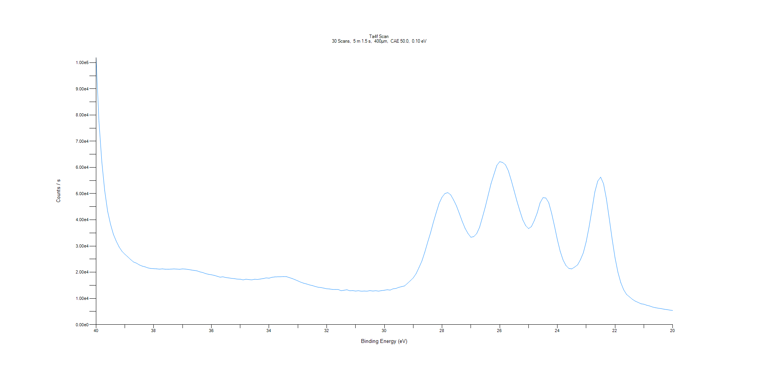
﻿
Axis | Energy | Elements= | 201

C:\XPS-UPS-Data\djung\TaRe_1208\Experiment\X-Ray002 400um - FG ON\BOE_WK2\Ta4f Scan.VGD

Binding Energy (E)
eV |  | Counts / s
40 |  | 101909
39.9 |  | 77509.5
39.8 |  | 62059.7
39.7 |  | 51052.7
39.6 |  | 43295.3
39.5 |  | 38339.2
39.4 |  | 34472.2
39.3 |  | 31845
39.2 |  | 29620.9
39.1 |  | 27970.4
39 |  | 26849.9
38.9 |  | 25856.9
38.8 |  | 24827.6
38.7 |  | 23904.2
38.6 |  | 23461.2
38.5 |  | 22799
38.4 |  | 22330.8
38.3 |  | 22043.6
38.2 |  | 21644.9
38.1 |  | 21428.3
38 |  | 21353.4
37.9 |  | 21289.4
37.8 |  | 21163.8
37.7 |  | 21280.2
37.6 |  | 21144.7
37.5 |  | 21133.2
37.4 |  | 21181.9
37.3 |  | 21255.2
37.2 |  | 21192.3
37.1 |  | 21114.4
37 |  | 21273.7
36.9 |  | 21188.7
36.8 |  | 21051.8
36.7 |  | 20851.7
36.6 |  | 20682.8
36.5 |  | 20524.6
36.4 |  | 20137.9
36.3 |  | 19874.3
36.2 |  | 19475
36.1 |  | 19200.5
36 |  | 19027.9
35.9 |  | 18789.5
35.8 |  | 18460.8
35.7 |  | 18113
35.6 |  | 18249.9
35.5 |  | 17958.8
35.4 |  | 17833.7
35.3 |  | 17653
35.2 |  | 17541.4
35.1 |  | 17358
35 |  | 17328.4
34.9 |  | 17075.3
34.8 |  | 17324.1
34.7 |  | 17195.2
34.6 |  | 17083.8
34.5 |  | 17315.1
34.4 |  | 17227.2
34.3 |  | 17403.6
34.2 |  | 17578.6
34.1 |  | 17836.7
34 |  | 17720.9
33.9 |  | 18061.5
33.8 |  | 18203.5
33.7 |  | 18252.3
33.6 |  | 18279
33.5 |  | 18349.7
33.4 |  | 18325.9
33.3 |  | 17957.1
33.2 |  | 17598.4
33.1 |  | 17154.7
33 |  | 16688.7
32.9 |  | 16192.2
32.8 |  | 15805.5
32.7 |  | 15520.8
32.6 |  | 15169.4
32.5 |  | 14905.6
32.4 |  | 14562
32.3 |  | 14278
32.2 |  | 14140.8
32.1 |  | 13925.3
32 |  | 13673.2
31.9 |  | 13605.2
31.8 |  | 13421
31.7 |  | 13420.1
31.6 |  | 13395.8
31.5 |  | 12946.8
31.4 |  | 13121.2
31.3 |  | 13311.6
31.2 |  | 12913.2
31.1 |  | 12991.2
31 |  | 12810.8
30.9 |  | 12940.2
30.8 |  | 12762.9
30.7 |  | 12812.7
30.6 |  | 12765.7
30.5 |  | 12962.3
30.4 |  | 12820.6
30.3 |  | 12932
30.2 |  | 12777.2
30.1 |  | 12982.2
30 |  | 13125.4
29.9 |  | 13312.3
29.8 |  | 13178.5
29.7 |  | 13670.8
29.6 |  | 13808.7
29.5 |  | 14222.5
29.4 |  | 14510
29.3 |  | 14764.9
29.2 |  | 15741.2
29.1 |  | 16754.4
29 |  | 17828.3
28.9 |  | 19455.2
28.8 |  | 21767.8
28.7 |  | 24237.8
28.6 |  | 27612.2
28.5 |  | 31404.8
28.4 |  | 35022.2
28.3 |  | 39138.2
28.2 |  | 42812.4
28.1 |  | 46339.7
28 |  | 48654.2
27.9 |  | 50047.2
27.8 |  | 50379.1
27.7 |  | 49538
27.6 |  | 47590.3
27.5 |  | 45324.9
27.4 |  | 42421.6
27.3 |  | 39373.5
27.2 |  | 36727.4
27.1 |  | 34781.8
27 |  | 33344.4
26.9 |  | 33590.9
26.8 |  | 34714.7
26.7 |  | 37120.5
26.6 |  | 40917.2
26.5 |  | 44926.9
26.4 |  | 49404.9
26.3 |  | 53862.7
26.2 |  | 57345.4
26.1 |  | 60787.8
26 |  | 62193.4
25.9 |  | 61897.9
25.8 |  | 61005.6
25.7 |  | 58703.5
25.6 |  | 55066
25.5 |  | 51088.4
25.4 |  | 47026.6
25.3 |  | 43379.7
25.2 |  | 39968
25.1 |  | 37779.5
25 |  | 36654
24.9 |  | 37410.5
24.8 |  | 39711.6
24.7 |  | 42614.8
24.6 |  | 46492.2
24.5 |  | 48454.2
24.4 |  | 48331.3
24.3 |  | 46570.9
24.2 |  | 42522.4
24.1 |  | 37621.8
24 |  | 32367.3
23.9 |  | 27874.5
23.8 |  | 24614.3
23.7 |  | 22517.9
23.6 |  | 21422.6
23.5 |  | 21273
23.4 |  | 21981.9
23.3 |  | 22793.1
23.2 |  | 24760.2
23.1 |  | 27413.4
23 |  | 31672.1
22.9 |  | 37343.8
22.8 |  | 43944.9
22.7 |  | 50650.1
22.6 |  | 54772.3
22.5 |  | 56282.8
22.4 |  | 53807.5
22.3 |  | 48036.1
22.2 |  | 40393.1
22.1 |  | 32640.8
22 |  | 25502.4
21.9 |  | 19979
21.8 |  | 16003.6
21.7 |  | 13292.7
21.6 |  | 11524.7
21.5 |  | 10605.5
21.4 |  | 9682.83
21.3 |  | 8965.03
21.2 |  | 8476.06
21.1 |  | 7954.64
21 |  | 7782.2
20.9 |  | 7389.4
20.8 |  | 7118.17
20.7 |  | 6715.72
20.6 |  | 6457.41
20.5 |  | 6261.48
20.4 |  | 6107.67
20.3 |  | 5888.64
20.2 |  | 5739.49
20.1 |  | 5542.71
20 |  | 5394.39

Re4f Scan
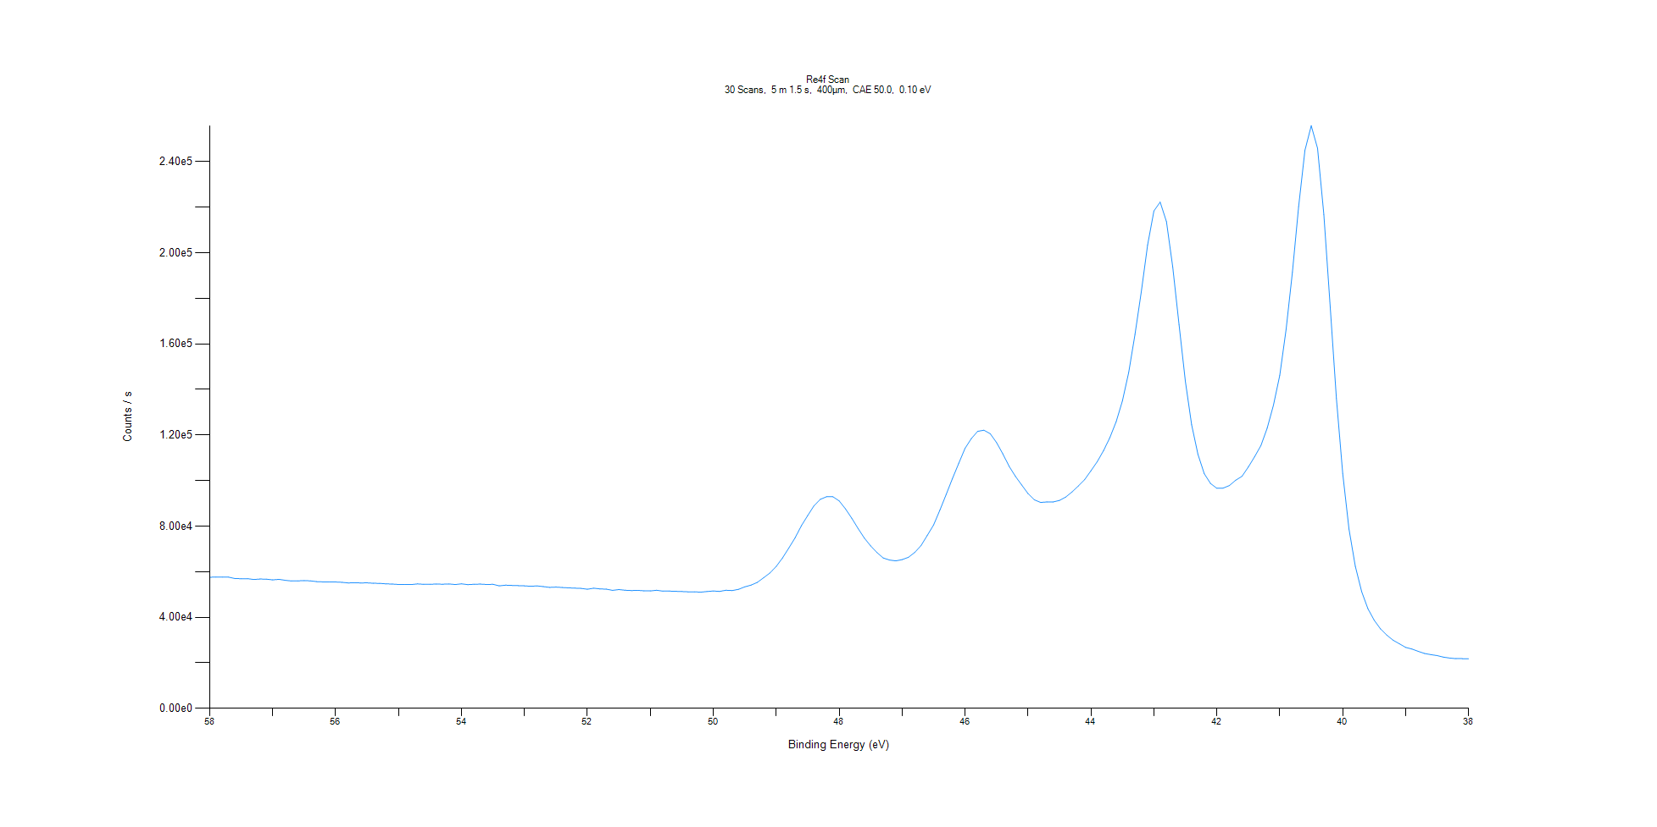
﻿
Axis | Energy | Elements= | 201

C:\XPS-UPS-Data\djung\TaRe_1208\Experiment\X-Ray002 400um - FG ON\BOE_WK2\Re4f Scan.VGD

Binding Energy (E)
eV |  | Counts / s
58 |  | 57552.5
57.9 |  | 57626.2
57.8 |  | 57601
57.7 |  | 57613.3
57.6 |  | 56989.9
57.5 |  | 56911.3
57.4 |  | 56925
57.3 |  | 56562.3
57.2 |  | 56775.8
57.1 |  | 56711.3
57 |  | 56400
56.9 |  | 56636.6
56.8 |  | 56202.9
56.7 |  | 55912.7
56.6 |  | 55945.4
56.5 |  | 56091.8
56.4 |  | 55960.1
56.3 |  | 55623.8
56.2 |  | 55509.1
56.1 |  | 55451.5
56 |  | 55457.8
55.9 |  | 55320.4
55.8 |  | 55058.2
55.7 |  | 55146.4
55.6 |  | 55045.7
55.5 |  | 55108.7
55.4 |  | 54913
55.3 |  | 54872
55.2 |  | 54645.6
55.1 |  | 54568.5
55 |  | 54373.7
54.9 |  | 54426.1
54.8 |  | 54337
54.7 |  | 54638.3
54.6 |  | 54449
54.5 |  | 54470.7
54.4 |  | 54564.4
54.3 |  | 54497.1
54.2 |  | 54614.4
54.1 |  | 54346.1
54 |  | 54646.9
53.9 |  | 54298.9
53.8 |  | 54481.4
53.7 |  | 54530.6
53.6 |  | 54382.3
53.5 |  | 54447.8
53.4 |  | 53781.2
53.3 |  | 54064.6
53.2 |  | 53967.8
53.1 |  | 53871.5
53 |  | 53769.2
52.9 |  | 53585.3
52.8 |  | 53748.3
52.7 |  | 53443.5
52.6 |  | 53108
52.5 |  | 53232.6
52.4 |  | 53064.3
52.3 |  | 52889.7
52.2 |  | 52778.7
52.1 |  | 52659.5
52 |  | 52296.8
51.9 |  | 52745.7
51.8 |  | 52436
51.7 |  | 52329
51.6 |  | 51799.4
51.5 |  | 52152.3
51.4 |  | 51850.9
51.3 |  | 51705.4
51.2 |  | 51799.4
51.1 |  | 51597.5
51 |  | 51540.9
50.9 |  | 51855
50.8 |  | 51454.1
50.7 |  | 51467.2
50.6 |  | 51370.3
50.5 |  | 51291.1
50.4 |  | 51157.3
50.3 |  | 51158.1
50.2 |  | 50998.3
50.1 |  | 51293.9
50 |  | 51523.3
49.9 |  | 51343
49.8 |  | 51840.4
49.7 |  | 51714.4
49.6 |  | 52245.7
49.5 |  | 53342.8
49.4 |  | 54104.2
49.3 |  | 55301.5
49.2 |  | 57358.9
49.1 |  | 59435.5
49 |  | 62287.7
48.9 |  | 66036.5
48.8 |  | 70391.6
48.7 |  | 74895.8
48.6 |  | 80216.2
48.5 |  | 84620.4
48.4 |  | 88947.6
48.3 |  | 91761.6
48.2 |  | 92907.7
48.1 |  | 92887.5
48 |  | 91063.3
47.9 |  | 87596.5
47.8 |  | 83482.6
47.7 |  | 78986.3
47.6 |  | 74744.2
47.5 |  | 71317
47.4 |  | 68397.9
47.3 |  | 66009.8
47.2 |  | 65108.9
47.1 |  | 64727.7
47 |  | 65293.2
46.9 |  | 66323.9
46.8 |  | 68433.6
46.7 |  | 71435.4
46.6 |  | 75942.7
46.5 |  | 80517.8
46.4 |  | 87028.5
46.3 |  | 93930.6
46.2 |  | 100911
46.1 |  | 107596
46 |  | 114175
45.9 |  | 118470
45.8 |  | 121628
45.7 |  | 122116
45.6 |  | 120569
45.5 |  | 116712
45.4 |  | 111728
45.3 |  | 106245
45.2 |  | 101869
45.1 |  | 98065.1
45 |  | 94312.5
44.9 |  | 91573.5
44.8 |  | 90400.8
44.7 |  | 90623.7
44.6 |  | 90625
44.5 |  | 91297.1
44.4 |  | 92780.1
44.3 |  | 95027.3
44.2 |  | 97619.5
44.1 |  | 100439
44 |  | 104288
43.9 |  | 108303
43.8 |  | 113157
43.7 |  | 118832
43.6 |  | 125838
43.5 |  | 134924
43.4 |  | 147474
43.3 |  | 164194
43.2 |  | 182918
43.1 |  | 203442
43 |  | 218394
42.9 |  | 222274
42.8 |  | 213671
42.7 |  | 193631
42.6 |  | 168365
42.5 |  | 143560
42.4 |  | 124497
42.3 |  | 111547
42.2 |  | 103051
42.1 |  | 98728.7
42 |  | 96606.3
41.9 |  | 96710.8
41.8 |  | 97806.9
41.7 |  | 100167
41.6 |  | 101892
41.5 |  | 105955
41.4 |  | 110466
41.3 |  | 115378
41.2 |  | 122998
41.1 |  | 133152
41 |  | 146213
40.9 |  | 166260
40.8 |  | 191349
40.7 |  | 220327
40.6 |  | 245008
40.5 |  | 255799
40.4 |  | 245902
40.3 |  | 216804
40.2 |  | 176655
40.1 |  | 136071
40 |  | 103125
39.9 |  | 78657.5
39.8 |  | 62347.2
39.7 |  | 51288
39.6 |  | 43788
39.5 |  | 38689.7
39.4 |  | 34889.5
39.3 |  | 32142.5
39.2 |  | 29920.2
39.1 |  | 28332.1
39 |  | 26765.1
38.9 |  | 26045.7
38.8 |  | 25008.4
38.7 |  | 24083.8
38.6 |  | 23575.7
38.5 |  | 23149.3
38.4 |  | 22476.1
38.3 |  | 22060.7
38.2 |  | 21804.1
38.1 |  | 21803.8
38 |  | 21787.4

Al2p Scan
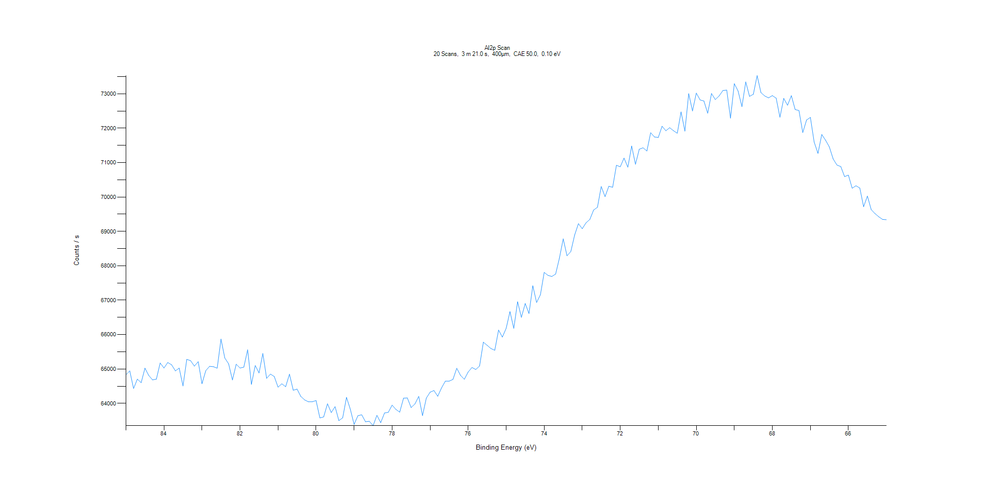
﻿
Axis | Energy | Elements= | 201

C:\XPS-UPS-Data\djung\TaRe_1208\Experiment\X-Ray002 400um - FG ON\BOE_WK2\Al2p Scan.VGD

Binding Energy (E)
eV |  | Counts / s
85 |  | 64833
84.9 |  | 64945.7
84.8 |  | 64432.5
84.7 |  | 64705.3
84.6 |  | 64602.7
84.5 |  | 65023.8
84.4 |  | 64811.6
84.3 |  | 64683.2
84.2 |  | 64706.1
84.1 |  | 65173.8
84 |  | 65029.8
83.9 |  | 65187.5
83.8 |  | 65122.3
83.7 |  | 64945.1
83.6 |  | 65025.2
83.5 |  | 64505.2
83.4 |  | 65281.1
83.3 |  | 65241.1
83.2 |  | 65083.3
83.1 |  | 65212.3
83 |  | 64573.1
82.9 |  | 64953.7
82.8 |  | 65077.6
82.7 |  | 65066
82.6 |  | 65022.5
82.5 |  | 65869.7
82.4 |  | 65319.8
82.3 |  | 65150.6
82.2 |  | 64680.7
82.1 |  | 65138.6
82 |  | 65027.8
81.9 |  | 65053.5
81.8 |  | 65558.9
81.7 |  | 64554.4
81.6 |  | 65100.7
81.5 |  | 64884.7
81.4 |  | 65452
81.3 |  | 64727.7
81.2 |  | 64851.8
81.1 |  | 64782.4
81 |  | 64471.7
80.9 |  | 64569.6
80.8 |  | 64485
80.7 |  | 64848.7
80.6 |  | 64382.6
80.5 |  | 64414.9
80.4 |  | 64202.2
80.3 |  | 64100.1
80.2 |  | 64045.8
80.1 |  | 64046.6
80 |  | 64083.1
79.9 |  | 63577.7
79.8 |  | 63607.2
79.7 |  | 63988.6
79.6 |  | 63733.8
79.5 |  | 63905.5
79.4 |  | 63498.6
79.3 |  | 63580.5
79.2 |  | 64174.3
79.1 |  | 63833.4
79 |  | 63389.2
78.9 |  | 63641.3
78.8 |  | 63669
78.7 |  | 63466.7
78.6 |  | 63480.4
78.5 |  | 63351.9
78.4 |  | 63653.2
78.3 |  | 63439.6
78.2 |  | 63719.7
78.1 |  | 63741.8
78 |  | 63948.8
77.9 |  | 63825.3
77.8 |  | 63746.1
77.7 |  | 64151.2
77.6 |  | 64158.9
77.5 |  | 63878.8
77.4 |  | 63984.1
77.3 |  | 64204.1
77.2 |  | 63645
77.1 |  | 64156
77 |  | 64326.5
76.9 |  | 64373
76.8 |  | 64207.3
76.7 |  | 64449.8
76.6 |  | 64647
76.5 |  | 64647
76.4 |  | 64696.6
76.3 |  | 65020
76.2 |  | 64811.8
76.1 |  | 64700
76 |  | 64912.7
75.9 |  | 65043.4
75.8 |  | 64985.5
75.7 |  | 65086
75.6 |  | 65779.1
75.5 |  | 65687.5
75.4 |  | 65594.5
75.3 |  | 65544.4
75.2 |  | 66131.4
75.1 |  | 65927.6
75 |  | 66184.3
74.9 |  | 66667.5
74.8 |  | 66179.3
74.7 |  | 66954.6
74.6 |  | 66499.5
74.5 |  | 66902.7
74.4 |  | 66612.9
74.3 |  | 67418.9
74.2 |  | 66932.3
74.1 |  | 67157
74 |  | 67808.1
73.9 |  | 67721.4
73.8 |  | 67689.2
73.7 |  | 67759.1
73.6 |  | 68220.5
73.5 |  | 68784.3
73.4 |  | 68291.1
73.3 |  | 68413.9
73.2 |  | 68894.1
73.1 |  | 69224.6
73 |  | 69079.2
72.9 |  | 69249
72.8 |  | 69348.4
72.7 |  | 69621.2
72.6 |  | 69700.4
72.5 |  | 70303.8
72.4 |  | 70011.3
72.3 |  | 70311.9
72.2 |  | 70282.6
72.1 |  | 70921.2
72 |  | 70879.4
71.9 |  | 71129.4
71.8 |  | 70866.2
71.7 |  | 71481.5
71.6 |  | 70949.8
71.5 |  | 71388
71.4 |  | 71431
71.3 |  | 71336.8
71.2 |  | 71868
71.1 |  | 71744.8
71 |  | 71730.2
70.9 |  | 72056.7
70.8 |  | 71926.1
70.7 |  | 72014.3
70.6 |  | 71927.2
70.5 |  | 71853.2
70.4 |  | 72473.2
70.3 |  | 71913.2
70.2 |  | 73003.7
70.1 |  | 72500.8
70 |  | 73019.6
69.9 |  | 72820.6
69.8 |  | 72790
69.7 |  | 72434
69.6 |  | 73007.3
69.5 |  | 72831.8
69.4 |  | 72937.9
69.3 |  | 73094.2
69.2 |  | 73108.3
69.1 |  | 72292.5
69 |  | 73293.4
68.9 |  | 73078.7
68.8 |  | 72626.8
68.7 |  | 73346.3
68.6 |  | 72925.3
68.5 |  | 72986
68.4 |  | 73529.9
68.3 |  | 73034
68.2 |  | 72937.2
68.1 |  | 72881.6
68 |  | 72946.5
67.9 |  | 72874.2
67.8 |  | 72316.9
67.7 |  | 72866.5
67.6 |  | 72666.6
67.5 |  | 72945.6
67.4 |  | 72542.9
67.3 |  | 72512.8
67.2 |  | 71872.4
67.1 |  | 72237.8
67 |  | 72313.7
66.9 |  | 71595.4
66.8 |  | 71268.3
66.7 |  | 71817
66.6 |  | 71650.2
66.5 |  | 71452.8
66.4 |  | 71103.5
66.3 |  | 70928.1
66.2 |  | 70884.4
66.1 |  | 70593.7
66 |  | 70635.5
65.9 |  | 70254.9
65.8 |  | 70325.9
65.7 |  | 70260.7
65.6 |  | 69718
65.5 |  | 70026.7
65.4 |  | 69633.4
65.3 |  | 69516.4
65.2 |  | 69424.4
65.1 |  | 69347.9
65 |  | 69339.6

C1s Scan
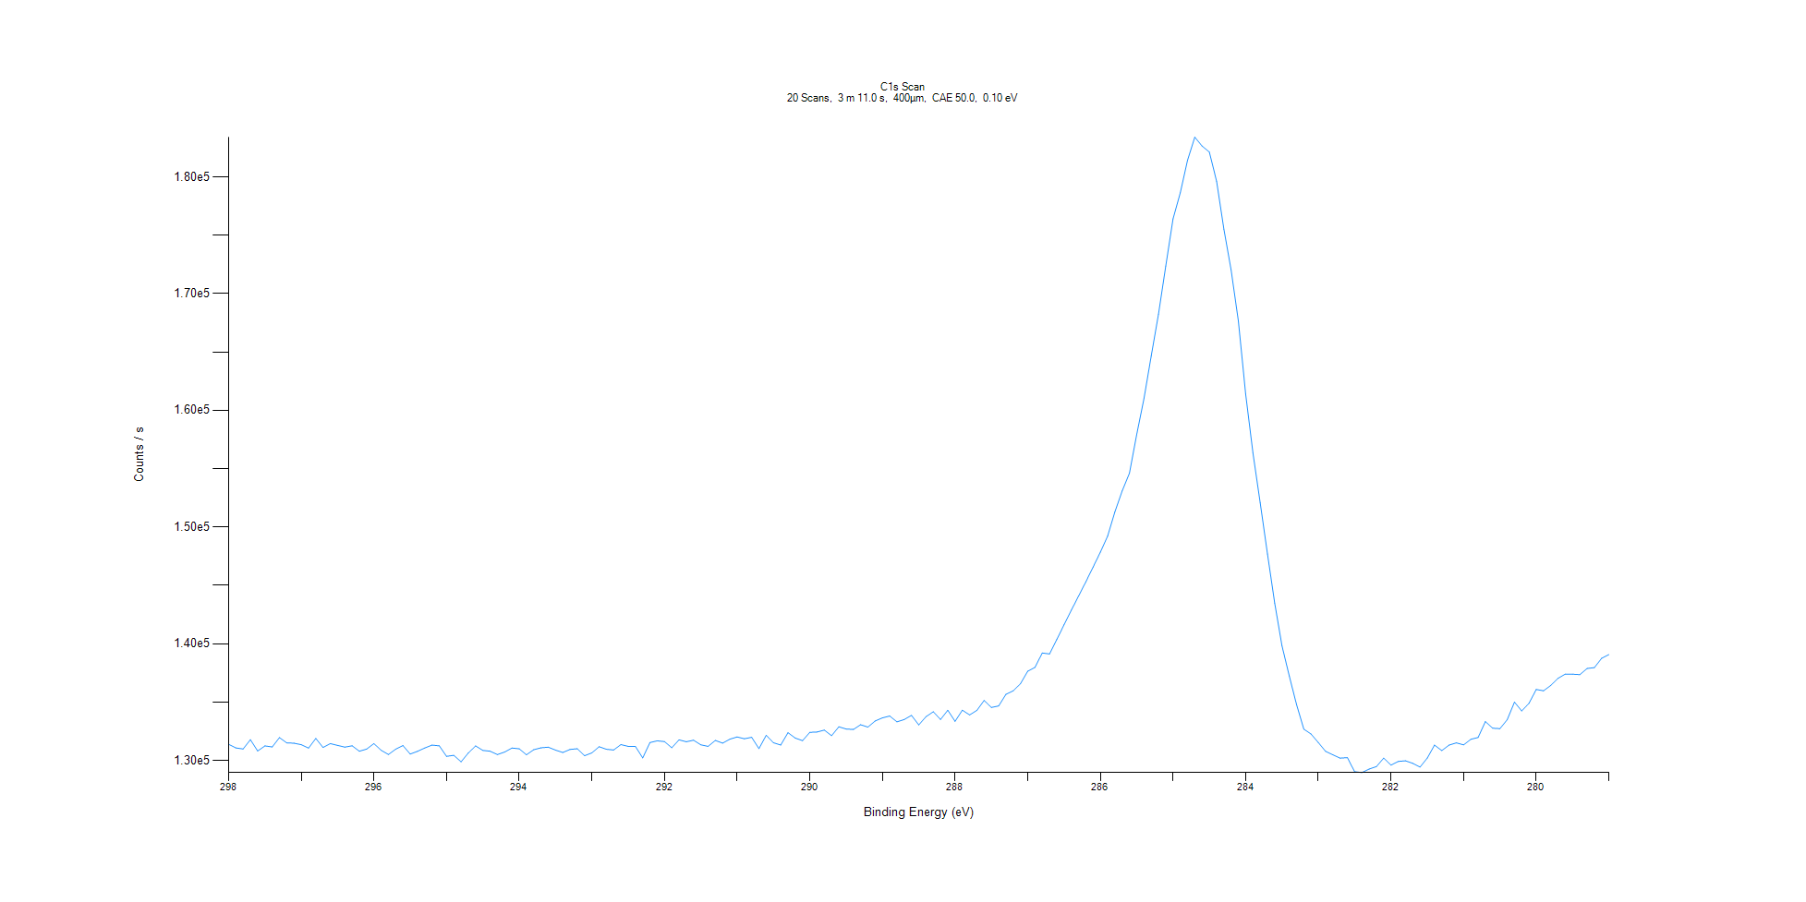
﻿
Axis | Energy | Elements= | 191

C:\XPS-UPS-Data\djung\TaRe_1208\Experiment\X-Ray002 400um - FG ON\BOE_WK2\C1s Scan.VGD

Binding Energy (E)
eV |  | Counts / s
298 |  | 131387
297.9 |  | 131077
297.8 |  | 130988
297.7 |  | 131784
297.6 |  | 130816
297.5 |  | 131250
297.4 |  | 131159
297.3 |  | 131962
297.2 |  | 131510
297.1 |  | 131482
297 |  | 131355
296.9 |  | 131061
296.8 |  | 131888
296.7 |  | 131115
296.6 |  | 131449
296.5 |  | 131294
296.4 |  | 131145
296.3 |  | 131261
296.2 |  | 130792
296.1 |  | 130978
296 |  | 131448
295.9 |  | 130875
295.8 |  | 130511
295.7 |  | 130973
295.6 |  | 131278
295.5 |  | 130555
295.4 |  | 130786
295.3 |  | 131070
295.2 |  | 131320
295.1 |  | 131255
295 |  | 130354
294.9 |  | 130441
294.8 |  | 129887
294.7 |  | 130645
294.6 |  | 131250
294.5 |  | 130864
294.4 |  | 130796
294.3 |  | 130509
294.2 |  | 130726
294.1 |  | 131068
294 |  | 131001
293.9 |  | 130487
293.8 |  | 130924
293.7 |  | 131088
293.6 |  | 131142
293.5 |  | 130888
293.4 |  | 130687
293.3 |  | 130947
293.2 |  | 131007
293.1 |  | 130407
293 |  | 130651
292.9 |  | 131180
292.8 |  | 130964
292.7 |  | 130896
292.6 |  | 131361
292.5 |  | 131211
292.4 |  | 131199
292.3 |  | 130223
292.2 |  | 131534
292.1 |  | 131684
292 |  | 131622
291.9 |  | 131090
291.8 |  | 131771
291.7 |  | 131604
291.6 |  | 131739
291.5 |  | 131345
291.4 |  | 131210
291.3 |  | 131718
291.2 |  | 131487
291.1 |  | 131827
291 |  | 132017
290.9 |  | 131863
290.8 |  | 131986
290.7 |  | 131016
290.6 |  | 132158
290.5 |  | 131520
290.4 |  | 131322
290.3 |  | 132379
290.2 |  | 131922
290.1 |  | 131700
290 |  | 132412
289.9 |  | 132440
289.8 |  | 132604
289.7 |  | 132124
289.6 |  | 132883
289.5 |  | 132695
289.4 |  | 132657
289.3 |  | 133061
289.2 |  | 132863
289.1 |  | 133385
289 |  | 133652
288.9 |  | 133810
288.8 |  | 133310
288.7 |  | 133509
288.6 |  | 133864
288.5 |  | 133049
288.4 |  | 133758
288.3 |  | 134176
288.2 |  | 133515
288.1 |  | 134304
288 |  | 133357
287.9 |  | 134307
287.8 |  | 133904
287.7 |  | 134295
287.6 |  | 135146
287.5 |  | 134541
287.4 |  | 134676
287.3 |  | 135669
287.2 |  | 135969
287.1 |  | 136574
287 |  | 137646
286.9 |  | 137974
286.8 |  | 139208
286.7 |  | 139129
286.6 |  | 140361
286.5 |  | 141622
286.4 |  | 142873
286.3 |  | 144086
286.2 |  | 145307
286.1 |  | 146571
286 |  | 147852
285.9 |  | 149218
285.8 |  | 151296
285.7 |  | 153088
285.6 |  | 154609
285.5 |  | 157931
285.4 |  | 161013
285.3 |  | 164644
285.2 |  | 168232
285.1 |  | 172356
285 |  | 176394
284.9 |  | 178636
284.8 |  | 181417
284.7 |  | 183399
284.6 |  | 182640
284.5 |  | 182125
284.4 |  | 179613
284.3 |  | 175511
284.2 |  | 172017
284.1 |  | 167634
284 |  | 161382
283.9 |  | 156347
283.8 |  | 152058
283.7 |  | 147688
283.6 |  | 143480
283.5 |  | 139826
283.4 |  | 137243
283.3 |  | 134798
283.2 |  | 132688
283.1 |  | 132268
283 |  | 131541
282.9 |  | 130782
282.8 |  | 130489
282.7 |  | 130200
282.6 |  | 130244
282.5 |  | 129039
282.4 |  | 128966
282.3 |  | 129267
282.2 |  | 129477
282.1 |  | 130208
282 |  | 129603
281.9 |  | 129918
281.8 |  | 129975
281.7 |  | 129756
281.6 |  | 129435
281.5 |  | 130211
281.4 |  | 131316
281.3 |  | 130847
281.2 |  | 131316
281.1 |  | 131510
281 |  | 131336
280.9 |  | 131817
280.8 |  | 131969
280.7 |  | 133333
280.6 |  | 132765
280.5 |  | 132727
280.4 |  | 133494
280.3 |  | 135002
280.2 |  | 134244
280.1 |  | 134898
280 |  | 136084
279.9 |  | 135971
279.8 |  | 136433
279.7 |  | 137040
279.6 |  | 137401
279.5 |  | 137394
279.4 |  | 137355
279.3 |  | 137883
279.2 |  | 137958
279.1 |  | 138751
279 |  | 139073

O1s Scan
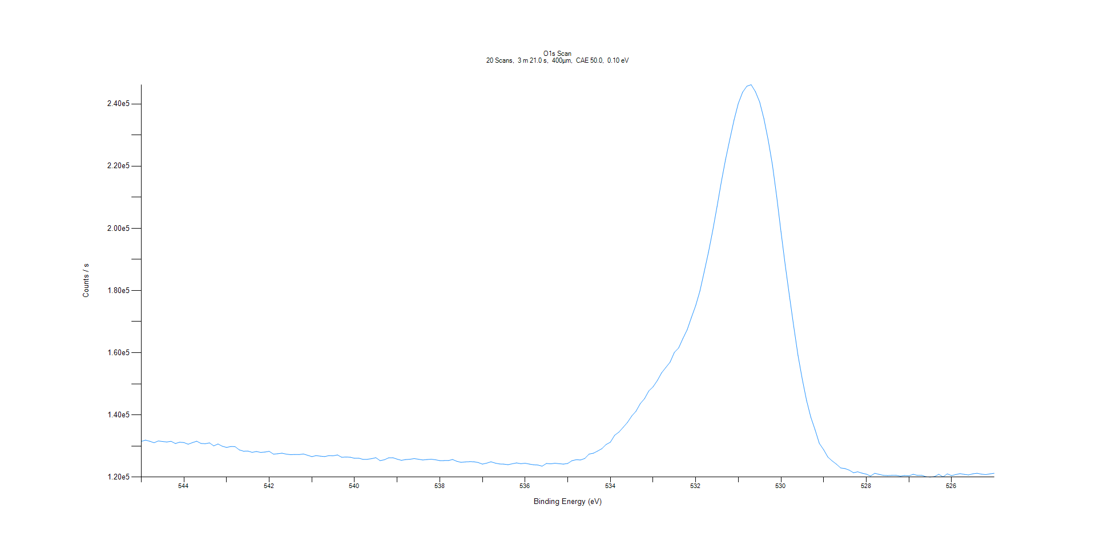
﻿
Axis | Energy | Elements= | 201

C:\XPS-UPS-Data\djung\TaRe_1208\Experiment\X-Ray002 400um - FG ON\BOE_WK2\O1s Scan.VGD

Binding Energy (E)
eV |  | Counts / s
545 |  | 131484
544.9 |  | 131885
544.8 |  | 131525
544.7 |  | 131044
544.6 |  | 131632
544.5 |  | 131430
544.4 |  | 131289
544.3 |  | 131497
544.2 |  | 130805
544.1 |  | 131215
544 |  | 131108
543.9 |  | 130573
543.8 |  | 131090
543.7 |  | 131537
543.6 |  | 130820
543.5 |  | 130747
543.4 |  | 130997
543.3 |  | 130037
543.2 |  | 130649
543.1 |  | 129916
543 |  | 129550
542.9 |  | 129823
542.8 |  | 129797
542.7 |  | 128742
542.6 |  | 128330
542.5 |  | 128383
542.4 |  | 127962
542.3 |  | 128221
542.2 |  | 127953
542.1 |  | 128049
542 |  | 128291
541.9 |  | 127381
541.8 |  | 127509
541.7 |  | 127686
541.6 |  | 127391
541.5 |  | 127211
541.4 |  | 127265
541.3 |  | 127242
541.2 |  | 127431
541.1 |  | 127018
541 |  | 126579
540.9 |  | 126905
540.8 |  | 126737
540.7 |  | 126601
540.6 |  | 126901
540.5 |  | 126851
540.4 |  | 127128
540.3 |  | 126380
540.2 |  | 126445
540.1 |  | 126395
540 |  | 126058
539.9 |  | 126078
539.8 |  | 125703
539.7 |  | 125720
539.6 |  | 125920
539.5 |  | 126240
539.4 |  | 125294
539.3 |  | 125569
539.2 |  | 126190
539.1 |  | 126230
539 |  | 125768
538.9 |  | 125394
538.8 |  | 125630
538.7 |  | 125737
538.6 |  | 125946
538.5 |  | 125746
538.4 |  | 125494
538.3 |  | 125645
538.2 |  | 125746
538.1 |  | 125565
538 |  | 125298
537.9 |  | 125315
537.8 |  | 125311
537.7 |  | 125651
537.6 |  | 125075
537.5 |  | 124754
537.4 |  | 124888
537.3 |  | 124958
537.2 |  | 124931
537.1 |  | 124689
537 |  | 124178
536.9 |  | 124490
536.8 |  | 124919
536.7 |  | 124500
536.6 |  | 124225
536.5 |  | 124168
536.4 |  | 123999
536.3 |  | 124279
536.2 |  | 124557
536.1 |  | 124316
536 |  | 124452
535.9 |  | 124192
535.8 |  | 123959
535.7 |  | 123884
535.6 |  | 123520
535.5 |  | 124385
535.4 |  | 124262
535.3 |  | 124457
535.2 |  | 124310
535.1 |  | 124178
535 |  | 124387
534.9 |  | 125275
534.8 |  | 125585
534.7 |  | 125510
534.6 |  | 125994
534.5 |  | 127400
534.4 |  | 127678
534.3 |  | 128378
534.2 |  | 129144
534.1 |  | 130484
534 |  | 131224
533.9 |  | 133447
533.8 |  | 134464
533.7 |  | 135998
533.6 |  | 137571
533.5 |  | 139620
533.4 |  | 141171
533.3 |  | 143611
533.2 |  | 145213
533.1 |  | 147683
533 |  | 149027
532.9 |  | 151019
532.8 |  | 153514
532.7 |  | 155239
532.6 |  | 156969
532.5 |  | 160091
532.4 |  | 161517
532.3 |  | 164537
532.2 |  | 167364
532.1 |  | 171315
532 |  | 175141
531.9 |  | 179840
531.8 |  | 186012
531.7 |  | 192324
531.6 |  | 199272
531.5 |  | 206922
531.4 |  | 214816
531.3 |  | 222111
531.2 |  | 228559
531.1 |  | 234860
531 |  | 240159
530.9 |  | 243750
530.8 |  | 245679
530.7 |  | 246178
530.6 |  | 243968
530.5 |  | 240625
530.4 |  | 235270
530.3 |  | 228409
530.2 |  | 220335
530.1 |  | 210195
530 |  | 198890
529.9 |  | 188169
529.8 |  | 178101
529.7 |  | 168379
529.6 |  | 159079
529.5 |  | 151457
529.4 |  | 144636
529.3 |  | 139254
529.2 |  | 135203
529.1 |  | 130828
529 |  | 128815
528.9 |  | 126431
528.8 |  | 125207
528.7 |  | 124156
528.6 |  | 122945
528.5 |  | 122747
528.4 |  | 122239
528.3 |  | 121411
528.2 |  | 121706
528.1 |  | 121263
528 |  | 120963
527.9 |  | 120335
527.8 |  | 121231
527.7 |  | 120881
527.6 |  | 120566
527.5 |  | 120494
527.4 |  | 120555
527.3 |  | 120571
527.2 |  | 120308
527.1 |  | 120511
527 |  | 120395
526.9 |  | 120898
526.8 |  | 120552
526.7 |  | 120577
526.6 |  | 120110
526.5 |  | 120009
526.4 |  | 120159
526.3 |  | 120911
526.2 |  | 120078
526.1 |  | 121035
526 |  | 120476
525.9 |  | 120820
525.8 |  | 121104
525.7 |  | 120868
525.6 |  | 120696
525.5 |  | 121058
525.4 |  | 121236
525.3 |  | 120947
525.2 |  | 120802
525.1 |  | 121043
525 |  | 121232

