XPS Survey
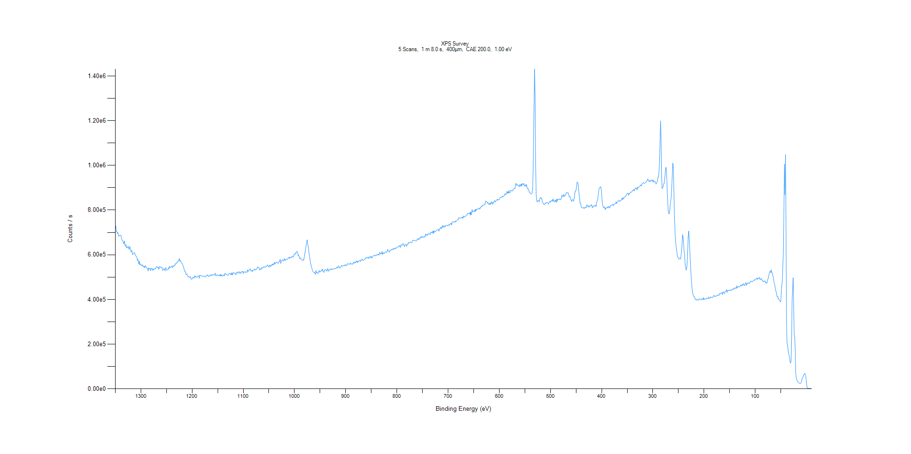
﻿
Axis | Energy | Elements= | 1361

C:\XPS-UPS-Data\djung\TaRe_1208\Experiment\X-Ray002 400um - FG ON\Control_WK2\XPS Survey.VGD

Binding Energy (E)
eV |  | Counts / s
1350 |  | 714614
1349 |  | 728977
1348 |  | 703779
1347 |  | 704544
1346 |  | 695895
1345 |  | 699713
1344 |  | 689848
1343 |  | 682879
1342 |  | 684084
1341 |  | 687415
1340 |  | 686450
1339 |  | 686358
1338 |  | 674692
1337 |  | 667076
1336 |  | 661737
1335 |  | 661141
1334 |  | 649072
1333 |  | 652005
1332 |  | 662115
1331 |  | 640201
1330 |  | 638475
1329 |  | 645339
1328 |  | 630002
1327 |  | 633670
1326 |  | 632540
1325 |  | 638258
1324 |  | 630506
1323 |  | 624187
1322 |  | 637097
1321 |  | 631957
1320 |  | 621694
1319 |  | 612071
1318 |  | 619239
1317 |  | 610244
1316 |  | 600789
1315 |  | 604629
1314 |  | 606812
1313 |  | 610591
1312 |  | 606726
1311 |  | 600067
1310 |  | 594333
1309 |  | 593541
1308 |  | 589222
1307 |  | 574255
1306 |  | 578577
1305 |  | 571499
1304 |  | 559066
1303 |  | 570222
1302 |  | 553985
1301 |  | 558765
1300 |  | 557153
1299 |  | 551744
1298 |  | 550156
1297 |  | 555505
1296 |  | 549046
1295 |  | 546361
1294 |  | 549363
1293 |  | 541959
1292 |  | 549188
1291 |  | 551408
1290 |  | 543972
1289 |  | 540570
1288 |  | 540916
1287 |  | 537451
1286 |  | 527425
1285 |  | 541272
1284 |  | 536122
1283 |  | 537535
1282 |  | 539606
1281 |  | 528351
1280 |  | 537486
1279 |  | 540792
1278 |  | 536730
1277 |  | 530195
1276 |  | 537088
1275 |  | 533605
1274 |  | 534804
1273 |  | 539349
1272 |  | 537774
1271 |  | 538633
1270 |  | 546715
1269 |  | 545563
1268 |  | 546432
1267 |  | 541506
1266 |  | 544076
1265 |  | 534905
1264 |  | 542753
1263 |  | 548148
1262 |  | 544664
1261 |  | 542922
1260 |  | 544023
1259 |  | 544770
1258 |  | 530937
1257 |  | 530600
1256 |  | 534455
1255 |  | 539079
1254 |  | 534320
1253 |  | 528105
1252 |  | 538393
1251 |  | 542348
1250 |  | 532409
1249 |  | 530611
1248 |  | 532423
1247 |  | 535299
1246 |  | 542418
1245 |  | 537196
1244 |  | 548354
1243 |  | 544977
1242 |  | 542179
1241 |  | 545350
1240 |  | 549678
1239 |  | 548602
1238 |  | 542226
1237 |  | 552084
1236 |  | 549338
1235 |  | 548629
1234 |  | 554172
1233 |  | 553374
1232 |  | 561478
1231 |  | 560418
1230 |  | 565932
1229 |  | 567423
1228 |  | 566243
1227 |  | 574982
1226 |  | 573907
1225 |  | 583342
1224 |  | 570954
1223 |  | 574314
1222 |  | 570757
1221 |  | 564780
1220 |  | 561157
1219 |  | 559708
1218 |  | 552901
1217 |  | 546295
1216 |  | 538677
1215 |  | 531256
1214 |  | 523860
1213 |  | 523914
1212 |  | 512764
1211 |  | 512230
1210 |  | 514533
1209 |  | 506870
1208 |  | 502271
1207 |  | 503713
1206 |  | 498933
1205 |  | 498572
1204 |  | 502253
1203 |  | 499814
1202 |  | 491917
1201 |  | 489710
1200 |  | 491627
1199 |  | 498743
1198 |  | 499234
1197 |  | 496494
1196 |  | 495443
1195 |  | 506004
1194 |  | 500715
1193 |  | 504083
1192 |  | 499873
1191 |  | 499190
1190 |  | 500388
1189 |  | 504220
1188 |  | 506210
1187 |  | 505252
1186 |  | 494517
1185 |  | 508366
1184 |  | 506959
1183 |  | 506464
1182 |  | 506153
1181 |  | 505658
1180 |  | 503391
1179 |  | 503766
1178 |  | 502311
1177 |  | 505826
1176 |  | 504600
1175 |  | 502141
1174 |  | 499852
1173 |  | 502479
1172 |  | 504911
1171 |  | 509516
1170 |  | 506401
1169 |  | 509124
1168 |  | 503867
1167 |  | 501907
1166 |  | 506448
1165 |  | 506076
1164 |  | 507184
1163 |  | 511944
1162 |  | 506193
1161 |  | 508037
1160 |  | 510696
1159 |  | 510224
1158 |  | 511480
1157 |  | 509056
1156 |  | 509382
1155 |  | 518020
1154 |  | 507300
1153 |  | 505450
1152 |  | 508319
1151 |  | 511388
1150 |  | 507986
1149 |  | 507688
1148 |  | 506975
1147 |  | 505862
1146 |  | 511315
1145 |  | 505120
1144 |  | 512442
1143 |  | 505432
1142 |  | 509082
1141 |  | 504602
1140 |  | 506538
1139 |  | 506750
1138 |  | 510266
1137 |  | 504889
1136 |  | 516888
1135 |  | 513555
1134 |  | 514848
1133 |  | 510887
1132 |  | 509509
1131 |  | 510384
1130 |  | 507645
1129 |  | 512334
1128 |  | 514953
1127 |  | 516653
1126 |  | 515099
1125 |  | 510392
1124 |  | 516449
1123 |  | 510896
1122 |  | 520081
1121 |  | 510041
1120 |  | 514509
1119 |  | 520038
1118 |  | 518750
1117 |  | 516239
1116 |  | 518876
1115 |  | 511919
1114 |  | 511330
1113 |  | 520246
1112 |  | 518935
1111 |  | 523860
1110 |  | 519615
1109 |  | 518023
1108 |  | 517811
1107 |  | 525416
1106 |  | 519491
1105 |  | 516243
1104 |  | 522605
1103 |  | 522127
1102 |  | 526371
1101 |  | 524990
1100 |  | 516467
1099 |  | 523651
1098 |  | 524174
1097 |  | 522179
1096 |  | 520913
1095 |  | 524341
1094 |  | 522522
1093 |  | 520207
1092 |  | 532146
1091 |  | 527152
1090 |  | 525638
1089 |  | 531513
1088 |  | 532623
1087 |  | 536227
1086 |  | 536063
1085 |  | 526213
1084 |  | 528258
1083 |  | 530641
1082 |  | 525109
1081 |  | 529603
1080 |  | 531186
1079 |  | 534913
1078 |  | 536274
1077 |  | 530872
1076 |  | 534727
1075 |  | 534723
1074 |  | 534884
1073 |  | 540595
1072 |  | 545766
1071 |  | 542675
1070 |  | 543939
1069 |  | 538086
1068 |  | 531530
1067 |  | 535654
1066 |  | 538401
1065 |  | 533882
1064 |  | 543599
1063 |  | 540909
1062 |  | 541352
1061 |  | 541562
1060 |  | 545416
1059 |  | 544334
1058 |  | 546106
1057 |  | 544180
1056 |  | 547574
1055 |  | 548918
1054 |  | 548415
1053 |  | 554761
1052 |  | 552567
1051 |  | 549023
1050 |  | 544388
1049 |  | 550768
1048 |  | 554367
1047 |  | 547430
1046 |  | 551568
1045 |  | 550258
1044 |  | 558163
1043 |  | 554632
1042 |  | 559583
1041 |  | 554400
1040 |  | 560249
1039 |  | 566372
1038 |  | 558384
1037 |  | 564725
1036 |  | 564581
1035 |  | 567266
1034 |  | 566474
1033 |  | 563181
1032 |  | 561399
1031 |  | 567403
1030 |  | 567721
1029 |  | 570542
1028 |  | 579630
1027 |  | 561086
1026 |  | 568374
1025 |  | 571580
1024 |  | 578004
1023 |  | 575086
1022 |  | 573360
1021 |  | 571835
1020 |  | 583191
1019 |  | 577436
1018 |  | 574010
1017 |  | 579687
1016 |  | 579098
1015 |  | 581424
1014 |  | 578957
1013 |  | 583297
1012 |  | 586027
1011 |  | 588389
1010 |  | 582967
1009 |  | 589914
1008 |  | 587822
1007 |  | 587403
1006 |  | 586561
1005 |  | 594281
1004 |  | 592751
1003 |  | 589074
1002 |  | 592145
1001 |  | 601048
1000 |  | 602839
999 |  | 602057
998 |  | 608596
997 |  | 606453
996 |  | 614001
995 |  | 614872
994 |  | 611257
993 |  | 595931
992 |  | 599042
991 |  | 592134
990 |  | 583291
989 |  | 585228
988 |  | 585925
987 |  | 578806
986 |  | 576748
985 |  | 575534
984 |  | 576224
983 |  | 578586
982 |  | 575357
981 |  | 588615
980 |  | 603497
979 |  | 613805
978 |  | 630517
977 |  | 644963
976 |  | 662002
975 |  | 666779
974 |  | 644025
973 |  | 636004
972 |  | 614157
971 |  | 598534
970 |  | 585543
969 |  | 568033
968 |  | 556640
967 |  | 545892
966 |  | 539780
965 |  | 529576
964 |  | 524517
963 |  | 522059
962 |  | 520827
961 |  | 522254
960 |  | 514185
959 |  | 513190
958 |  | 529127
957 |  | 519255
956 |  | 521834
955 |  | 516138
954 |  | 517583
953 |  | 522820
952 |  | 529724
951 |  | 522440
950 |  | 523331
949 |  | 526600
948 |  | 525800
947 |  | 532438
946 |  | 529229
945 |  | 536035
944 |  | 523846
943 |  | 523012
942 |  | 521473
941 |  | 531920
940 |  | 533052
939 |  | 533572
938 |  | 531796
937 |  | 526190
936 |  | 532411
935 |  | 538511
934 |  | 527835
933 |  | 525990
932 |  | 533173
931 |  | 535523
930 |  | 535916
929 |  | 532441
928 |  | 536915
927 |  | 535109
926 |  | 537838
925 |  | 534882
924 |  | 534335
923 |  | 536301
922 |  | 539105
921 |  | 537647
920 |  | 539238
919 |  | 539298
918 |  | 541996
917 |  | 545868
916 |  | 540149
915 |  | 543790
914 |  | 549355
913 |  | 549761
912 |  | 541085
911 |  | 540110
910 |  | 544490
909 |  | 546696
908 |  | 552596
907 |  | 549867
906 |  | 547933
905 |  | 551893
904 |  | 551617
903 |  | 551520
902 |  | 549598
901 |  | 556469
900 |  | 553073
899 |  | 552814
898 |  | 551887
897 |  | 557234
896 |  | 561252
895 |  | 558971
894 |  | 558386
893 |  | 555726
892 |  | 560809
891 |  | 563300
890 |  | 558481
889 |  | 558620
888 |  | 560296
887 |  | 557417
886 |  | 559110
885 |  | 566302
884 |  | 562348
883 |  | 562422
882 |  | 569031
881 |  | 564037
880 |  | 568831
879 |  | 568137
878 |  | 573143
877 |  | 564996
876 |  | 570690
875 |  | 567954
874 |  | 572351
873 |  | 572252
872 |  | 575991
871 |  | 570245
870 |  | 574089
869 |  | 576123
868 |  | 581337
867 |  | 576343
866 |  | 574564
865 |  | 576979
864 |  | 579470
863 |  | 578715
862 |  | 580891
861 |  | 587580
860 |  | 584989
859 |  | 587538
858 |  | 585757
857 |  | 585742
856 |  | 590370
855 |  | 582940
854 |  | 587185
853 |  | 590484
852 |  | 592450
851 |  | 585933
850 |  | 592131
849 |  | 585682
848 |  | 587908
847 |  | 593552
846 |  | 595484
845 |  | 596314
844 |  | 596128
843 |  | 598855
842 |  | 596326
841 |  | 594127
840 |  | 599797
839 |  | 601048
838 |  | 598638
837 |  | 601595
836 |  | 602606
835 |  | 598021
834 |  | 609987
833 |  | 609286
832 |  | 603026
831 |  | 607114
830 |  | 604584
829 |  | 613720
828 |  | 601453
827 |  | 607597
826 |  | 609650
825 |  | 605315
824 |  | 608732
823 |  | 611191
822 |  | 613624
821 |  | 611354
820 |  | 609856
819 |  | 615784
818 |  | 623963
817 |  | 617943
816 |  | 615204
815 |  | 611934
814 |  | 617059
813 |  | 618258
812 |  | 619076
811 |  | 624068
810 |  | 621442
809 |  | 623149
808 |  | 623333
807 |  | 629520
806 |  | 624708
805 |  | 627183
804 |  | 625964
803 |  | 631735
802 |  | 627441
801 |  | 630819
800 |  | 632910
799 |  | 633945
798 |  | 636115
797 |  | 635007
796 |  | 635739
795 |  | 642309
794 |  | 639047
793 |  | 632517
792 |  | 644985
791 |  | 643382
790 |  | 642600
789 |  | 643715
788 |  | 650423
787 |  | 646301
786 |  | 641770
785 |  | 636705
784 |  | 644485
783 |  | 647504
782 |  | 644685
781 |  | 638016
780 |  | 643885
779 |  | 649746
778 |  | 647282
777 |  | 654672
776 |  | 654789
775 |  | 654206
774 |  | 655673
773 |  | 657034
772 |  | 654648
771 |  | 653796
770 |  | 657193
769 |  | 663700
768 |  | 665592
767 |  | 664358
766 |  | 663852
765 |  | 664168
764 |  | 664060
763 |  | 661837
762 |  | 661586
761 |  | 666820
760 |  | 671298
759 |  | 672339
758 |  | 667311
757 |  | 672019
756 |  | 669668
755 |  | 672942
754 |  | 679872
753 |  | 675138
752 |  | 676775
751 |  | 683799
750 |  | 678693
749 |  | 677013
748 |  | 680440
747 |  | 679270
746 |  | 680437
745 |  | 679132
744 |  | 693326
743 |  | 686942
742 |  | 686550
741 |  | 692111
740 |  | 687065
739 |  | 691044
738 |  | 695353
737 |  | 694676
736 |  | 693126
735 |  | 690304
734 |  | 700320
733 |  | 699577
732 |  | 697655
731 |  | 704333
730 |  | 696511
729 |  | 706872
728 |  | 696267
727 |  | 706967
726 |  | 704515
725 |  | 702348
724 |  | 705562
723 |  | 709302
722 |  | 709725
721 |  | 711559
720 |  | 713765
719 |  | 713956
718 |  | 705380
717 |  | 714611
716 |  | 717985
715 |  | 718487
714 |  | 722996
713 |  | 716427
712 |  | 726512
711 |  | 730392
710 |  | 720855
709 |  | 729369
708 |  | 729781
707 |  | 724656
706 |  | 724161
705 |  | 730546
704 |  | 729653
703 |  | 731211
702 |  | 729668
701 |  | 732221
700 |  | 729764
699 |  | 734961
698 |  | 733902
697 |  | 732764
696 |  | 738138
695 |  | 738250
694 |  | 741358
693 |  | 733096
692 |  | 746538
691 |  | 747806
690 |  | 747777
689 |  | 747113
688 |  | 744565
687 |  | 745896
686 |  | 751582
685 |  | 747837
684 |  | 751690
683 |  | 752234
682 |  | 754800
681 |  | 758615
680 |  | 757817
679 |  | 765594
678 |  | 763584
677 |  | 766062
676 |  | 763761
675 |  | 764753
674 |  | 766098
673 |  | 765354
672 |  | 769264
671 |  | 762348
670 |  | 773466
669 |  | 769133
668 |  | 769068
667 |  | 770588
666 |  | 771457
665 |  | 776040
664 |  | 777554
663 |  | 777838
662 |  | 785095
661 |  | 784734
660 |  | 785010
659 |  | 785072
658 |  | 787746
657 |  | 777878
656 |  | 792084
655 |  | 778160
654 |  | 789466
653 |  | 801659
652 |  | 791777
651 |  | 794880
650 |  | 792234
649 |  | 793330
648 |  | 800922
647 |  | 792411
646 |  | 803276
645 |  | 798363
644 |  | 804666
643 |  | 803458
642 |  | 804874
641 |  | 804975
640 |  | 808312
639 |  | 808007
638 |  | 803187
637 |  | 811622
636 |  | 812559
635 |  | 817783
634 |  | 815241
633 |  | 820996
632 |  | 821703
631 |  | 821999
630 |  | 824628
629 |  | 826964
628 |  | 823794
627 |  | 838993
626 |  | 840313
625 |  | 836666
624 |  | 835833
623 |  | 830165
622 |  | 833887
621 |  | 828223
620 |  | 824450
619 |  | 831000
618 |  | 824263
617 |  | 832599
616 |  | 828730
615 |  | 837179
614 |  | 834947
613 |  | 825736
612 |  | 833837
611 |  | 832831
610 |  | 840540
609 |  | 842354
608 |  | 836180
607 |  | 840018
606 |  | 842230
605 |  | 844511
604 |  | 848582
603 |  | 843801
602 |  | 847166
601 |  | 845837
600 |  | 846940
599 |  | 853009
598 |  | 856308
597 |  | 854408
596 |  | 856600
595 |  | 857292
594 |  | 862795
593 |  | 859014
592 |  | 861842
591 |  | 863981
590 |  | 864724
589 |  | 873789
588 |  | 870299
587 |  | 870512
586 |  | 871097
585 |  | 884112
584 |  | 875481
583 |  | 880094
582 |  | 875381
581 |  | 889216
580 |  | 876762
579 |  | 880069
578 |  | 881051
577 |  | 888590
576 |  | 887624
575 |  | 887112
574 |  | 885155
573 |  | 891338
572 |  | 894439
571 |  | 897581
570 |  | 894887
569 |  | 900461
568 |  | 917827
567 |  | 919232
566 |  | 910048
565 |  | 913900
564 |  | 912161
563 |  | 909607
562 |  | 908643
561 |  | 903682
560 |  | 914549
559 |  | 913626
558 |  | 905488
557 |  | 917342
556 |  | 907994
555 |  | 918011
554 |  | 917095
553 |  | 914246
552 |  | 919131
551 |  | 908316
550 |  | 907319
549 |  | 913703
548 |  | 906330
547 |  | 914545
546 |  | 903272
545 |  | 896129
544 |  | 897777
543 |  | 891467
542 |  | 885154
541 |  | 878641
540 |  | 878337
539 |  | 873779
538 |  | 872306
537 |  | 871675
536 |  | 874766
535 |  | 893108
534 |  | 967405
533 |  | 1.12E+06
532 |  | 1.30E+06
531 |  | 1.43E+06
530 |  | 1.30E+06
529 |  | 1.01E+06
528 |  | 871934
527 |  | 845869
526 |  | 836135
525 |  | 840849
524 |  | 842529
523 |  | 842229
522 |  | 837413
521 |  | 852112
520 |  | 855025
519 |  | 857063
518 |  | 849876
517 |  | 852101
516 |  | 839038
515 |  | 835104
514 |  | 827977
513 |  | 825003
512 |  | 823945
511 |  | 827681
510 |  | 832911
509 |  | 829150
508 |  | 832340
507 |  | 834043
506 |  | 834356
505 |  | 830885
504 |  | 826723
503 |  | 832053
502 |  | 835133
501 |  | 840099
500 |  | 835125
499 |  | 841361
498 |  | 840318
497 |  | 844689
496 |  | 839183
495 |  | 850106
494 |  | 840116
493 |  | 842487
492 |  | 837205
491 |  | 839263
490 |  | 844795
489 |  | 834165
488 |  | 849632
487 |  | 839095
486 |  | 849347
485 |  | 847313
484 |  | 846363
483 |  | 848151
482 |  | 850547
481 |  | 846283
480 |  | 848874
479 |  | 849095
478 |  | 866746
477 |  | 861584
476 |  | 863583
475 |  | 859040
474 |  | 870553
473 |  | 862224
472 |  | 862671
471 |  | 864642
470 |  | 870257
469 |  | 878223
468 |  | 877718
467 |  | 875965
466 |  | 878570
465 |  | 876192
464 |  | 863900
463 |  | 859468
462 |  | 861291
461 |  | 851764
460 |  | 849040
459 |  | 838241
458 |  | 843118
457 |  | 846653
456 |  | 845555
455 |  | 839569
454 |  | 851191
453 |  | 860281
452 |  | 882918
451 |  | 883265
450 |  | 891011
449 |  | 905101
448 |  | 925701
447 |  | 923264
446 |  | 918053
445 |  | 890161
444 |  | 868288
443 |  | 849105
442 |  | 829888
441 |  | 830403
440 |  | 815883
439 |  | 810949
438 |  | 811252
437 |  | 808760
436 |  | 809959
435 |  | 811408
434 |  | 806651
433 |  | 810600
432 |  | 814180
431 |  | 811390
430 |  | 811774
429 |  | 823407
428 |  | 821139
427 |  | 816070
426 |  | 819479
425 |  | 812579
424 |  | 816964
423 |  | 819568
422 |  | 819149
421 |  | 817402
420 |  | 823891
419 |  | 821564
418 |  | 809649
417 |  | 815364
416 |  | 817459
415 |  | 815079
414 |  | 821005
413 |  | 820941
412 |  | 820685
411 |  | 815507
410 |  | 834103
409 |  | 839366
408 |  | 844953
407 |  | 860978
406 |  | 880607
405 |  | 897093
404 |  | 900347
403 |  | 901045
402 |  | 904610
401 |  | 893606
400 |  | 871818
399 |  | 835552
398 |  | 821524
397 |  | 813210
396 |  | 810293
395 |  | 815303
394 |  | 809800
393 |  | 802229
392 |  | 810257
391 |  | 808242
390 |  | 810494
389 |  | 814396
388 |  | 809136
387 |  | 810861
386 |  | 818263
385 |  | 811406
384 |  | 810369
383 |  | 818310
382 |  | 821203
381 |  | 822270
380 |  | 821347
379 |  | 823270
378 |  | 827031
377 |  | 820146
376 |  | 824191
375 |  | 827572
374 |  | 827782
373 |  | 830239
372 |  | 835331
371 |  | 828932
370 |  | 836091
369 |  | 836164
368 |  | 839179
367 |  | 843154
366 |  | 844292
365 |  | 840212
364 |  | 838500
363 |  | 843436
362 |  | 844299
361 |  | 850610
360 |  | 853079
359 |  | 846187
358 |  | 855798
357 |  | 850542
356 |  | 856740
355 |  | 858250
354 |  | 861067
353 |  | 861166
352 |  | 867158
351 |  | 867160
350 |  | 874396
349 |  | 874693
348 |  | 875278
347 |  | 865910
346 |  | 874753
345 |  | 873847
344 |  | 878733
343 |  | 880973
342 |  | 879441
341 |  | 881714
340 |  | 886974
339 |  | 889611
338 |  | 887520
337 |  | 892646
336 |  | 886366
335 |  | 894200
334 |  | 899549
333 |  | 896911
332 |  | 898757
331 |  | 890464
330 |  | 902605
329 |  | 898329
328 |  | 899921
327 |  | 905365
326 |  | 906002
325 |  | 908254
324 |  | 912648
323 |  | 907432
322 |  | 912566
321 |  | 917482
320 |  | 918788
319 |  | 922332
318 |  | 923407
317 |  | 919776
316 |  | 919963
315 |  | 921676
314 |  | 924447
313 |  | 925314
312 |  | 930608
311 |  | 931857
310 |  | 939231
309 |  | 934496
308 |  | 933238
307 |  | 925778
306 |  | 931601
305 |  | 933487
304 |  | 927983
303 |  | 933281
302 |  | 934716
301 |  | 934592
300 |  | 927509
299 |  | 933368
298 |  | 924394
297 |  | 927216
296 |  | 928920
295 |  | 926085
294 |  | 916497
293 |  | 919032
292 |  | 922316
291 |  | 933976
290 |  | 947202
289 |  | 947329
288 |  | 972553
287 |  | 1.01E+06
286 |  | 1.11E+06
285 |  | 1.20E+06
284 |  | 1.13E+06
283 |  | 953176
282 |  | 896615
281 |  | 899530
280 |  | 905258
279 |  | 917241
278 |  | 918541
277 |  | 938820
276 |  | 961738
275 |  | 989511
274 |  | 990775
273 |  | 950102
272 |  | 887432
271 |  | 835665
270 |  | 796887
269 |  | 783069
268 |  | 784026
267 |  | 800565
266 |  | 827831
265 |  | 841676
264 |  | 861372
263 |  | 905932
262 |  | 963089
261 |  | 1.01E+06
260 |  | 989238
259 |  | 884209
258 |  | 784172
257 |  | 719384
256 |  | 669009
255 |  | 647013
254 |  | 624579
253 |  | 610302
252 |  | 590892
251 |  | 589259
250 |  | 586953
249 |  | 580787
248 |  | 581928
247 |  | 583275
246 |  | 580943
245 |  | 596628
244 |  | 615541
243 |  | 647943
242 |  | 689769
241 |  | 678018
240 |  | 648745
239 |  | 618450
238 |  | 596265
237 |  | 560899
236 |  | 543453
235 |  | 531213
234 |  | 537987
233 |  | 564761
232 |  | 618750
231 |  | 681346
230 |  | 706070
229 |  | 674214
228 |  | 623885
227 |  | 577191
226 |  | 532255
225 |  | 495501
224 |  | 460176
223 |  | 442072
222 |  | 425029
221 |  | 418140
220 |  | 412884
219 |  | 412226
218 |  | 405675
217 |  | 400323
216 |  | 400981
215 |  | 396540
214 |  | 399221
213 |  | 401302
212 |  | 398257
211 |  | 396020
210 |  | 400350
209 |  | 403451
208 |  | 401966
207 |  | 400728
206 |  | 398567
205 |  | 398726
204 |  | 403439
203 |  | 403238
202 |  | 398288
201 |  | 407733
200 |  | 401188
199 |  | 399997
198 |  | 403179
197 |  | 403257
196 |  | 403172
195 |  | 403196
194 |  | 406268
193 |  | 405046
192 |  | 404980
191 |  | 410921
190 |  | 405018
189 |  | 405281
188 |  | 406623
187 |  | 411859
186 |  | 409987
185 |  | 407631
184 |  | 407600
183 |  | 410992
182 |  | 411177
181 |  | 418297
180 |  | 414772
179 |  | 415345
178 |  | 414171
177 |  | 413134
176 |  | 417706
175 |  | 417020
174 |  | 417149
173 |  | 419606
172 |  | 420384
171 |  | 417623
170 |  | 425815
169 |  | 424995
168 |  | 425262
167 |  | 429310
166 |  | 428521
165 |  | 429784
164 |  | 422030
163 |  | 435087
162 |  | 431416
161 |  | 428727
160 |  | 425601
159 |  | 434913
158 |  | 435921
157 |  | 438148
156 |  | 443426
155 |  | 430884
154 |  | 439861
153 |  | 438599
152 |  | 442271
151 |  | 439753
150 |  | 441445
149 |  | 442950
148 |  | 438941
147 |  | 439917
146 |  | 444108
145 |  | 445133
144 |  | 443881
143 |  | 449124
142 |  | 446091
141 |  | 451437
140 |  | 450923
139 |  | 449062
138 |  | 452826
137 |  | 449830
136 |  | 461261
135 |  | 451812
134 |  | 454838
133 |  | 457652
132 |  | 457719
131 |  | 455131
130 |  | 458506
129 |  | 462622
128 |  | 465096
127 |  | 459713
126 |  | 462853
125 |  | 468173
124 |  | 462919
123 |  | 470380
122 |  | 467945
121 |  | 462573
120 |  | 463890
119 |  | 474498
118 |  | 473955
117 |  | 463326
116 |  | 472258
115 |  | 472755
114 |  | 475658
113 |  | 471565
112 |  | 472361
111 |  | 471966
110 |  | 478671
109 |  | 478319
108 |  | 481699
107 |  | 481910
106 |  | 479222
105 |  | 480839
104 |  | 483787
103 |  | 485050
102 |  | 488361
101 |  | 485742
100 |  | 488931
99 |  | 490857
98 |  | 494486
97 |  | 495205
96 |  | 488986
95 |  | 495107
94 |  | 495312
93 |  | 492423
92 |  | 498862
91 |  | 491311
90 |  | 487826
89 |  | 491859
88 |  | 494706
87 |  | 488184
86 |  | 482441
85 |  | 481952
84 |  | 478809
83 |  | 482536
82 |  | 480410
81 |  | 483642
80 |  | 475604
79 |  | 476088
78 |  | 471689
77 |  | 475248
76 |  | 487532
75 |  | 491948
74 |  | 501380
73 |  | 514134
72 |  | 521475
71 |  | 526631
70 |  | 520149
69 |  | 532216
68 |  | 520028
67 |  | 519064
66 |  | 511689
65 |  | 498804
64 |  | 489014
63 |  | 475015
62 |  | 467041
61 |  | 450951
60 |  | 439300
59 |  | 433036
58 |  | 420586
57 |  | 411286
56 |  | 412886
55 |  | 401628
54 |  | 403534
53 |  | 398316
52 |  | 394309
51 |  | 388939
50 |  | 394120
49 |  | 441253
48 |  | 467118
47 |  | 485835
46 |  | 560651
45 |  | 618661
44 |  | 806909
43 |  | 1.01E+06
42 |  | 868478
41 |  | 1.05E+06
40 |  | 764521
39 |  | 300720
38 |  | 205843
37 |  | 196973
36 |  | 176808
35 |  | 157736
34 |  | 151428
33 |  | 138830
32 |  | 120421
31 |  | 115090
30 |  | 127779
29 |  | 232907
28 |  | 400776
27 |  | 445007
26 |  | 496848
25 |  | 375032
24 |  | 243909
23 |  | 233189
22 |  | 175796
21 |  | 75068.2
20 |  | 48535.4
19 |  | 41339.6
18 |  | 35671.9
17 |  | 32673.7
16 |  | 29096.9
15 |  | 26890.5
14 |  | 25972.5
13 |  | 25061.3
12 |  | 23310.8
11 |  | 25690.4
10 |  | 29536.4
9 |  | 39895.2
8 |  | 49026.4
7 |  | 51599.3
6 |  | 57012.3
5 |  | 64122.3
4 |  | 68093.9
3 |  | 68807.7
2 |  | 60777.4
1 |  | 51528.7
0 |  | 27861.7
-1 |  | 7863.8
-2 |  | 3586.09
-3 |  | 2604.13
-4 |  | 2360.78
-5 |  | 2071.39
-6 |  | 1531.9
-7 |  | 1636.85
-8 |  | 1637.51
-9 |  | 1244.38
-10 |  | 1000.55

Ta4f Scan
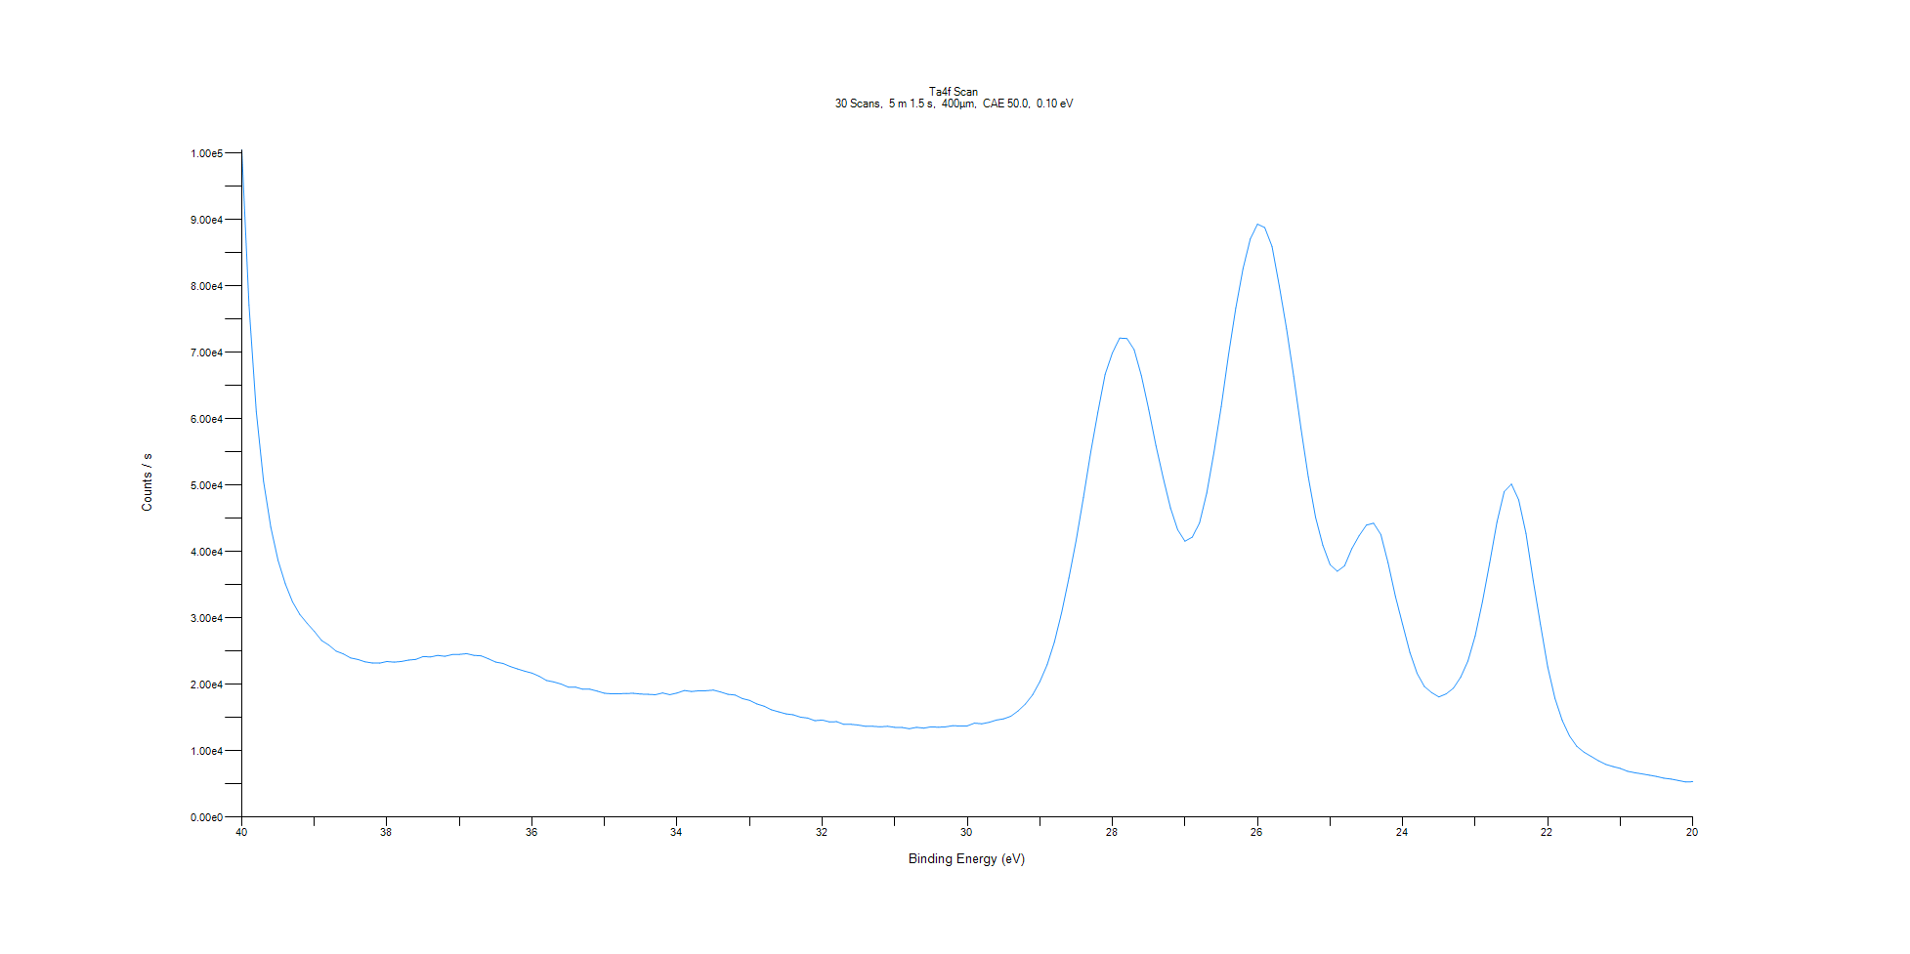
﻿
Axis | Energy | Elements= | 201

C:\XPS-UPS-Data\djung\TaRe_1208\Experiment\X-Ray002 400um - FG ON\Control_WK2\Ta4f Scan.VGD

Binding Energy (E)
eV |  | Counts / s
40 |  | 100564
39.9 |  | 77134.2
39.8 |  | 61108.7
39.7 |  | 50596.3
39.6 |  | 43668.3
39.5 |  | 38675.7
39.4 |  | 35143.5
39.3 |  | 32428.4
39.2 |  | 30537.7
39.1 |  | 29201.2
39 |  | 27979.6
38.9 |  | 26609.2
38.8 |  | 25921
38.7 |  | 25011.3
38.6 |  | 24584.8
38.5 |  | 23977.1
38.4 |  | 23752.1
38.3 |  | 23395.6
38.2 |  | 23220.2
38.1 |  | 23195.3
38 |  | 23434.8
37.9 |  | 23346.4
37.8 |  | 23444.9
37.7 |  | 23658.6
37.6 |  | 23756.3
37.5 |  | 24188.5
37.4 |  | 24131.4
37.3 |  | 24357.3
37.2 |  | 24230.7
37.1 |  | 24489.5
37 |  | 24515.3
36.9 |  | 24627.4
36.8 |  | 24365.6
36.7 |  | 24294.9
36.6 |  | 23854.7
36.5 |  | 23359.5
36.4 |  | 23155.2
36.3 |  | 22694.5
36.2 |  | 22324.8
36.1 |  | 21981.1
36 |  | 21695.8
35.9 |  | 21225.2
35.8 |  | 20592.2
35.7 |  | 20371.2
35.6 |  | 20055
35.5 |  | 19586.8
35.4 |  | 19584.5
35.3 |  | 19259.2
35.2 |  | 19261
35.1 |  | 18978.9
35 |  | 18655.8
34.9 |  | 18576.2
34.8 |  | 18580.8
34.7 |  | 18625.7
34.6 |  | 18646
34.5 |  | 18533.3
34.4 |  | 18498.2
34.3 |  | 18432.2
34.2 |  | 18702.7
34.1 |  | 18442.8
34 |  | 18693
33.9 |  | 19066.7
33.8 |  | 18926.1
33.7 |  | 19034.7
33.6 |  | 19038.8
33.5 |  | 19132.3
33.4 |  | 18845.6
33.3 |  | 18502
33.2 |  | 18388.5
33.1 |  | 17854.9
33 |  | 17583.4
32.9 |  | 17048.7
32.8 |  | 16708.8
32.7 |  | 16177.9
32.6 |  | 15860.7
32.5 |  | 15556.7
32.4 |  | 15418
32.3 |  | 15059.9
32.2 |  | 14924.2
32.1 |  | 14532.5
32 |  | 14631.4
31.9 |  | 14346
31.8 |  | 14383.5
31.7 |  | 13970.5
31.6 |  | 13972.3
31.5 |  | 13870.3
31.4 |  | 13672.3
31.3 |  | 13683.2
31.2 |  | 13599.5
31.1 |  | 13682.6
31 |  | 13521.6
30.9 |  | 13506.8
30.8 |  | 13316.1
30.7 |  | 13524
30.6 |  | 13404.8
30.5 |  | 13598.4
30.4 |  | 13541.9
30.3 |  | 13598.9
30.2 |  | 13770.9
30.1 |  | 13720.4
30 |  | 13748
29.9 |  | 14156.8
29.8 |  | 14059.9
29.7 |  | 14282.6
29.6 |  | 14622.1
29.5 |  | 14802.8
29.4 |  | 15200.8
29.3 |  | 16003
29.2 |  | 17030.6
29.1 |  | 18418.8
29 |  | 20414.4
28.9 |  | 22944.6
28.8 |  | 26342.7
28.7 |  | 30787.7
28.6 |  | 36020.3
28.5 |  | 41691
28.4 |  | 48124.1
28.3 |  | 54925.6
28.2 |  | 61002.6
28.1 |  | 66721
28 |  | 69956.9
27.9 |  | 72174.4
27.8 |  | 72106
27.7 |  | 70437.6
27.6 |  | 66491.7
27.5 |  | 61444.1
27.4 |  | 55965.2
27.3 |  | 51095
27.2 |  | 46591
27.1 |  | 43294.9
27 |  | 41573
26.9 |  | 42182.3
26.8 |  | 44306.3
26.7 |  | 48827.8
26.6 |  | 54954.3
26.5 |  | 61835.5
26.4 |  | 69604.8
26.3 |  | 76668
26.2 |  | 82645.1
26.1 |  | 87109.2
26 |  | 89343.8
25.9 |  | 88823.1
25.8 |  | 85985.2
25.7 |  | 80021.1
25.6 |  | 73558.2
25.5 |  | 66349.1
25.4 |  | 58524.5
25.3 |  | 51240.6
25.2 |  | 45169.6
25.1 |  | 40956
25 |  | 38035.7
24.9 |  | 37041.4
24.8 |  | 37856.2
24.7 |  | 40442
24.6 |  | 42400.2
24.5 |  | 43992.6
24.4 |  | 44282.3
24.3 |  | 42585.4
24.2 |  | 38296.6
24.1 |  | 33298.2
24 |  | 29010.9
23.9 |  | 24805.1
23.8 |  | 21652.3
23.7 |  | 19682
23.6 |  | 18755.3
23.5 |  | 18101.4
23.4 |  | 18566.9
23.3 |  | 19429.5
23.2 |  | 21079.1
23.1 |  | 23501
23 |  | 27294
22.9 |  | 32441.8
22.8 |  | 38323.4
22.7 |  | 44414.3
22.6 |  | 49030.3
22.5 |  | 50174.2
22.4 |  | 47801.1
22.3 |  | 42756.3
22.2 |  | 35607.2
22.1 |  | 29020.3
22 |  | 22621
21.9 |  | 17881.5
21.8 |  | 14568.2
21.7 |  | 12228.3
21.6 |  | 10670.9
21.5 |  | 9781.43
21.4 |  | 9139.76
21.3 |  | 8483.22
21.2 |  | 7945.3
21.1 |  | 7617.45
21 |  | 7340.65
20.9 |  | 6909.18
20.8 |  | 6686.18
20.7 |  | 6505.36
20.6 |  | 6320.17
20.5 |  | 6126.35
20.4 |  | 5866.31
20.3 |  | 5725.99
20.2 |  | 5517.39
20.1 |  | 5295.21
20 |  | 5332.86

Re4f Scan
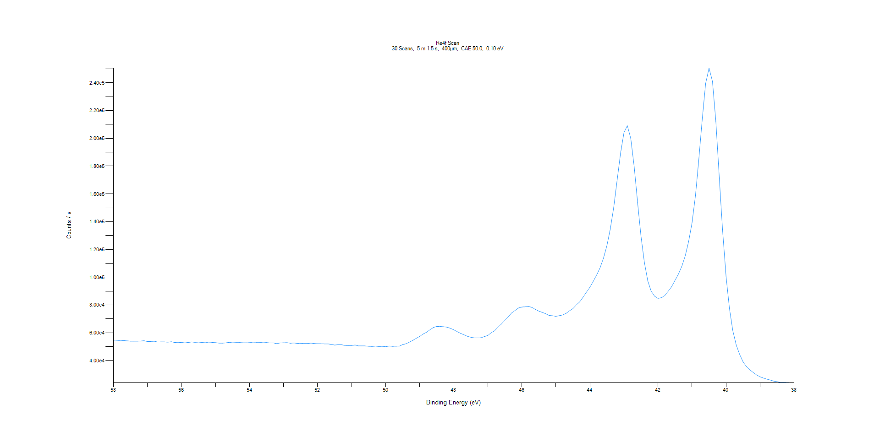
﻿
Axis | Energy | Elements= | 201

C:\XPS-UPS-Data\djung\TaRe_1208\Experiment\X-Ray002 400um - FG ON\Control_WK2\Re4f Scan.VGD

Binding Energy (E)
eV |  | Counts / s
58 |  | 54676.5
57.9 |  | 54568.9
57.8 |  | 54157.5
57.7 |  | 54318.4
57.6 |  | 54150
57.5 |  | 53912.8
57.4 |  | 53894.5
57.3 |  | 53923.9
57.2 |  | 53981.9
57.1 |  | 54236.6
57 |  | 53611
56.9 |  | 53696.6
56.8 |  | 53860.3
56.7 |  | 53300.8
56.6 |  | 53388.2
56.5 |  | 53369.4
56.4 |  | 53175.1
56.3 |  | 53497.7
56.2 |  | 52960.1
56.1 |  | 53097.9
56 |  | 52915.6
55.9 |  | 53286.2
55.8 |  | 52922.7
55.7 |  | 53377.6
55.6 |  | 53031
55.5 |  | 53232.1
55.4 |  | 52977.8
55.3 |  | 52754.1
55.2 |  | 53235.1
55.1 |  | 53021.9
55 |  | 52821
54.9 |  | 52512.4
54.8 |  | 52481
54.7 |  | 52685.5
54.6 |  | 53068.7
54.5 |  | 52742.7
54.4 |  | 52887.3
54.3 |  | 52937.7
54.2 |  | 52751.4
54.1 |  | 52724.3
54 |  | 52832.1
53.9 |  | 53213.2
53.8 |  | 53086.7
53.7 |  | 53115.9
53.6 |  | 52766.3
53.5 |  | 52932.2
53.4 |  | 52611.9
53.3 |  | 52649.5
53.2 |  | 52143.2
53.1 |  | 52663.1
53 |  | 52713.8
52.9 |  | 52850.8
52.8 |  | 52432.4
52.7 |  | 52618.9
52.6 |  | 52324.9
52.5 |  | 52403.4
52.4 |  | 52225.9
52.3 |  | 52203.7
52.2 |  | 52515.2
52.1 |  | 52258.9
52 |  | 52038.5
51.9 |  | 52033.8
51.8 |  | 51929.3
51.7 |  | 51962.8
51.6 |  | 51598.8
51.5 |  | 51104.9
51.4 |  | 51378.7
51.3 |  | 51371.2
51.2 |  | 50849.9
51.1 |  | 50729.4
51 |  | 50810.5
50.9 |  | 51174.6
50.8 |  | 50468.8
50.7 |  | 50479.1
50.6 |  | 50477.5
50.5 |  | 50236.1
50.4 |  | 50101.2
50.3 |  | 50359.6
50.2 |  | 50042.7
50.1 |  | 50204
50 |  | 49886.4
49.9 |  | 50406.3
49.8 |  | 50186.9
49.7 |  | 50280.5
49.6 |  | 50354.9
49.5 |  | 51459.8
49.4 |  | 52062.9
49.3 |  | 53246.3
49.2 |  | 54531.3
49.1 |  | 56032.8
49 |  | 57326.2
48.9 |  | 59071.4
48.8 |  | 60363
48.7 |  | 62092.5
48.6 |  | 63760.3
48.5 |  | 64525.5
48.4 |  | 64587
48.3 |  | 64306.2
48.2 |  | 64015.8
48.1 |  | 63192.2
48 |  | 62077.1
47.9 |  | 60800.9
47.8 |  | 59572.6
47.7 |  | 58538.5
47.6 |  | 57416.2
47.5 |  | 56742.3
47.4 |  | 56279.9
47.3 |  | 56263.8
47.2 |  | 56340.6
47.1 |  | 57238.1
47 |  | 58003
46.9 |  | 60006
46.8 |  | 61366.1
46.7 |  | 64014
46.6 |  | 66283.5
46.5 |  | 68904.6
46.4 |  | 71522.2
46.3 |  | 74239.7
46.2 |  | 75989.7
46.1 |  | 77790.4
46 |  | 78513
45.9 |  | 78666.6
45.8 |  | 78952
45.7 |  | 78204.2
45.6 |  | 76753.3
45.5 |  | 75558.8
45.4 |  | 74658.1
45.3 |  | 73663
45.2 |  | 72426
45.1 |  | 72212.9
45 |  | 71824
44.9 |  | 72251.2
44.8 |  | 72786.2
44.7 |  | 73948.9
44.6 |  | 75801.4
44.5 |  | 77308.2
44.4 |  | 79995.7
44.3 |  | 82210.6
44.2 |  | 85668.6
44.1 |  | 89307.8
44 |  | 92772
43.9 |  | 97111.7
43.8 |  | 101658
43.7 |  | 106921
43.6 |  | 113855
43.5 |  | 122784
43.4 |  | 134847
43.3 |  | 150346
43.2 |  | 169954
43.1 |  | 189298
43 |  | 204168
42.9 |  | 209138
42.8 |  | 200008
42.7 |  | 179777
42.6 |  | 153974
42.5 |  | 129550
42.4 |  | 110754
42.3 |  | 97312.1
42.2 |  | 89908
42.1 |  | 86333.2
42 |  | 84687.4
41.9 |  | 85216.3
41.8 |  | 86734.3
41.7 |  | 89892.7
41.6 |  | 93100
41.5 |  | 97708.7
41.4 |  | 102236
41.3 |  | 107835
41.2 |  | 115336
41.1 |  | 125704
41 |  | 139095
40.9 |  | 158576
40.8 |  | 185049
40.7 |  | 213662
40.6 |  | 239499
40.5 |  | 250726
40.4 |  | 241057
40.3 |  | 212264
40.2 |  | 171871
40.1 |  | 133091
40 |  | 100663
39.9 |  | 77366.2
39.8 |  | 61223.4
39.7 |  | 51002.1
39.6 |  | 44380.3
39.5 |  | 39021
39.4 |  | 35546.3
39.3 |  | 33237.7
39.2 |  | 31304.4
39.1 |  | 29549.1
39 |  | 28227.2
38.9 |  | 27312.6
38.8 |  | 26547.5
38.7 |  | 25889.5
38.6 |  | 25139.3
38.5 |  | 24725.8
38.4 |  | 24104.3
38.3 |  | 24187.1
38.2 |  | 24067.1
38.1 |  | 23979.3
38 |  | 23882.2

Al2p Scan
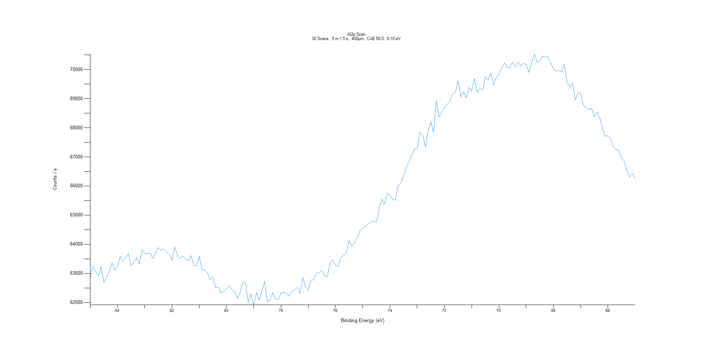
﻿
Axis | Energy | Elements= | 201

C:\XPS-UPS-Data\djung\TaRe_1208\Experiment\X-Ray002 400um - FG ON\Control_WK2\Al2p Scan.VGD

Binding Energy (E)
eV |  | Counts / s
85 |  | 62850.4
84.9 |  | 63236.7
84.8 |  | 63078.4
84.7 |  | 62908.6
84.6 |  | 63222.2
84.5 |  | 62681.2
84.4 |  | 62868.7
84.3 |  | 63097.2
84.2 |  | 63364.7
84.1 |  | 63108.8
84 |  | 63241.2
83.9 |  | 63582.7
83.8 |  | 63410.1
83.7 |  | 63539.5
83.6 |  | 63698
83.5 |  | 63262.6
83.4 |  | 63382.3
83.3 |  | 63542.6
83.2 |  | 63319.8
83.1 |  | 63822.4
83 |  | 63681.8
82.9 |  | 63685.1
82.8 |  | 63682.1
82.7 |  | 63509
82.6 |  | 63724.4
82.5 |  | 63891
82.4 |  | 63789.7
82.3 |  | 63837.3
82.2 |  | 63738.8
82.1 |  | 63651.4
82 |  | 63457.6
81.9 |  | 63908.8
81.8 |  | 63605.2
81.7 |  | 63520.4
81.6 |  | 63592.9
81.5 |  | 63480.1
81.4 |  | 63450.8
81.3 |  | 63610.4
81.2 |  | 63271.9
81.1 |  | 63251.1
81 |  | 63581.2
80.9 |  | 63118.6
80.8 |  | 63112.6
80.7 |  | 63015.5
80.6 |  | 62783.3
80.5 |  | 62891.1
80.4 |  | 62497
80.3 |  | 62539.4
80.2 |  | 62324.8
80.1 |  | 62383.8
80 |  | 62481.1
79.9 |  | 62574.9
79.8 |  | 62440.7
79.7 |  | 62388.2
79.6 |  | 62146.4
79.5 |  | 62340.2
79.4 |  | 62714.3
79.3 |  | 62671.1
79.2 |  | 62021.7
79.1 |  | 62295.5
79 |  | 61919.3
78.9 |  | 62331.5
78.8 |  | 62070
78.7 |  | 62393.9
78.6 |  | 62724.3
78.5 |  | 62019.4
78.4 |  | 62082.8
78.3 |  | 62342.4
78.2 |  | 62117.2
78.1 |  | 62094.6
78 |  | 62322
77.9 |  | 62354
77.8 |  | 62303.9
77.7 |  | 62217.5
77.6 |  | 62380.8
77.5 |  | 62426.7
77.4 |  | 62524.7
77.3 |  | 62303.9
77.2 |  | 62857.6
77.1 |  | 62532.9
77 |  | 62423.8
76.9 |  | 62771.2
76.8 |  | 62780.5
76.7 |  | 63013.8
76.6 |  | 63015.7
76.5 |  | 63110
76.4 |  | 62918.1
76.3 |  | 62879.3
76.2 |  | 63360
76.1 |  | 63460.5
76 |  | 63284.5
75.9 |  | 63242.5
75.8 |  | 63536.2
75.7 |  | 63617.7
75.6 |  | 63700.6
75.5 |  | 64137.6
75.4 |  | 63932.2
75.3 |  | 64080.5
75.2 |  | 64213.8
75.1 |  | 64463.2
75 |  | 64557.9
74.9 |  | 64615.2
74.8 |  | 64687.5
74.7 |  | 64760.7
74.6 |  | 64806.4
74.5 |  | 64759.9
74.4 |  | 65188.6
74.3 |  | 65547.8
74.2 |  | 65376.2
74.1 |  | 65752.3
74 |  | 65688.4
73.9 |  | 65534.7
73.8 |  | 65515.5
73.7 |  | 66037.8
73.6 |  | 66085.5
73.5 |  | 66365.6
73.4 |  | 66636.7
73.3 |  | 66843
73.2 |  | 67054.8
73.1 |  | 67278.5
73 |  | 67301.6
72.9 |  | 67843.5
72.8 |  | 67741.3
72.7 |  | 67350
72.6 |  | 67866.4
72.5 |  | 68200
72.4 |  | 67833.8
72.3 |  | 68925.2
72.2 |  | 68362.5
72.1 |  | 68530.9
72 |  | 68695.5
71.9 |  | 68808
71.8 |  | 68899.5
71.7 |  | 69161.9
71.6 |  | 69204.5
71.5 |  | 69613.1
71.4 |  | 69056.3
71.3 |  | 69236.3
71.2 |  | 69027.7
71.1 |  | 69383.7
71 |  | 69264
70.9 |  | 69687.8
70.8 |  | 69219
70.7 |  | 69373.1
70.6 |  | 69290.9
70.5 |  | 69749.2
70.4 |  | 69636.2
70.3 |  | 69873.2
70.2 |  | 69469.2
70.1 |  | 69719.4
70 |  | 69830.6
69.9 |  | 70039.6
69.8 |  | 70222.3
69.7 |  | 70069.2
69.6 |  | 70064.5
69.5 |  | 70247.6
69.4 |  | 70087.3
69.3 |  | 70264.9
69.2 |  | 70111.7
69.1 |  | 70206.6
69 |  | 70175.4
68.9 |  | 69893.9
68.8 |  | 70233.3
68.7 |  | 70524.7
68.6 |  | 70256.1
68.5 |  | 70265.6
68.4 |  | 70464.4
68.3 |  | 70412.8
68.2 |  | 70443.9
68.1 |  | 70212.6
68 |  | 70011.4
67.9 |  | 69936
67.8 |  | 69968.4
67.7 |  | 69905.9
67.6 |  | 70168.5
67.5 |  | 69565.1
67.4 |  | 69392.5
67.3 |  | 69530.4
67.2 |  | 68945.3
67.1 |  | 69186.6
67 |  | 69182.8
66.9 |  | 68768.7
66.8 |  | 68702
66.7 |  | 68615.6
66.6 |  | 68667.8
66.5 |  | 68371.2
66.4 |  | 68535.9
66.3 |  | 68341.4
66.2 |  | 67981.6
66.1 |  | 67702.4
66 |  | 67730.6
65.9 |  | 67625.8
65.8 |  | 67330.2
65.7 |  | 67260.4
65.6 |  | 67213.7
65.5 |  | 66967.7
65.4 |  | 66850.2
65.3 |  | 66509.2
65.2 |  | 66309.8
65.1 |  | 66435.5
65 |  | 66234.8

C1s Scan
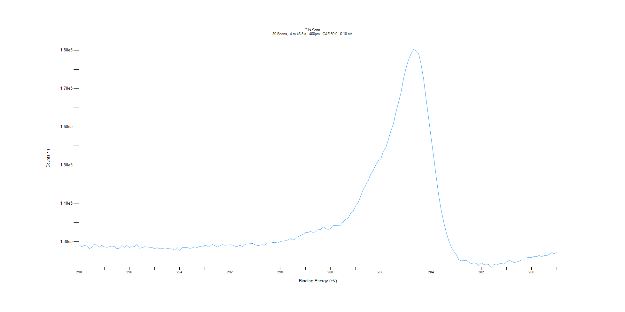
﻿
Axis | Energy | Elements= | 191

C:\XPS-UPS-Data\djung\TaRe_1208\Experiment\X-Ray002 400um - FG ON\Control_WK2\C1s Scan.VGD

Binding Energy (E)
eV |  | Counts / s
298 |  | 129185
297.9 |  | 128751
297.8 |  | 128991
297.7 |  | 129162
297.6 |  | 128182
297.5 |  | 128542
297.4 |  | 129380
297.3 |  | 129109
297.2 |  | 128579
297.1 |  | 129098
297 |  | 128677
296.9 |  | 128569
296.8 |  | 128679
296.7 |  | 128891
296.6 |  | 128780
296.5 |  | 128178
296.4 |  | 128330
296.3 |  | 128977
296.2 |  | 128536
296.1 |  | 129078
296 |  | 128481
295.9 |  | 128943
295.8 |  | 128763
295.7 |  | 129325
295.6 |  | 128319
295.5 |  | 128452
295.4 |  | 128694
295.3 |  | 128631
295.2 |  | 128581
295.1 |  | 128507
295 |  | 128175
294.9 |  | 128463
294.8 |  | 128162
294.7 |  | 128164
294.6 |  | 128397
294.5 |  | 128274
294.4 |  | 128142
294.3 |  | 128158
294.2 |  | 127836
294.1 |  | 128493
294 |  | 127759
293.9 |  | 128468
293.8 |  | 128515
293.7 |  | 128517
293.6 |  | 128275
293.5 |  | 128397
293.4 |  | 128684
293.3 |  | 128473
293.2 |  | 128846
293.1 |  | 128594
293 |  | 129116
292.9 |  | 128875
292.8 |  | 128829
292.7 |  | 129277
292.6 |  | 129000
292.5 |  | 128630
292.4 |  | 128943
292.3 |  | 129253
292.2 |  | 129094
292.1 |  | 129138
292 |  | 129232
291.9 |  | 129159
291.8 |  | 128814
291.7 |  | 128827
291.6 |  | 129093
291.5 |  | 128757
291.4 |  | 129319
291.3 |  | 129437
291.2 |  | 129506
291.1 |  | 129550
291 |  | 129225
290.9 |  | 129034
290.8 |  | 129115
290.7 |  | 129231
290.6 |  | 129219
290.5 |  | 129749
290.4 |  | 129633
290.3 |  | 129790
290.2 |  | 129829
290.1 |  | 129653
290 |  | 130058
289.9 |  | 130219
289.8 |  | 130238
289.7 |  | 130465
289.6 |  | 130832
289.5 |  | 130444
289.4 |  | 130759
289.3 |  | 131304
289.2 |  | 131599
289.1 |  | 131912
289 |  | 132389
288.9 |  | 132415
288.8 |  | 132692
288.7 |  | 132465
288.6 |  | 132578
288.5 |  | 133150
288.4 |  | 133200
288.3 |  | 133897
288.2 |  | 133515
288.1 |  | 133227
288 |  | 133428
287.9 |  | 134262
287.8 |  | 134224
287.7 |  | 134274
287.6 |  | 134328
287.5 |  | 135196
287.4 |  | 135832
287.3 |  | 136197
287.2 |  | 137381
287.1 |  | 137997
287 |  | 139327
286.9 |  | 140178
286.8 |  | 141951
286.7 |  | 143653
286.6 |  | 144775
286.5 |  | 145954
286.4 |  | 147658
286.3 |  | 148609
286.2 |  | 150073
286.1 |  | 151163
286 |  | 151594
285.9 |  | 153582
285.8 |  | 154582
285.7 |  | 156652
285.6 |  | 158935
285.5 |  | 160715
285.4 |  | 163758
285.3 |  | 166272
285.2 |  | 168825
285.1 |  | 172443
285 |  | 175271
284.9 |  | 177455
284.8 |  | 179006
284.7 |  | 180240
284.6 |  | 179823
284.5 |  | 179230
284.4 |  | 176346
284.3 |  | 172554
284.2 |  | 167364
284.1 |  | 162313
284 |  | 157208
283.9 |  | 152317
283.8 |  | 147136
283.7 |  | 142218
283.6 |  | 138326
283.5 |  | 135230
283.4 |  | 132504
283.3 |  | 130350
283.2 |  | 128725
283.1 |  | 127514
283 |  | 126647
282.9 |  | 125332
282.8 |  | 125056
282.7 |  | 125100
282.6 |  | 125183
282.5 |  | 124665
282.4 |  | 124309
282.3 |  | 124511
282.2 |  | 124387
282.1 |  | 123753
282 |  | 124490
281.9 |  | 124050
281.8 |  | 124195
281.7 |  | 124034
281.6 |  | 123357
281.5 |  | 124063
281.4 |  | 123933
281.3 |  | 124238
281.2 |  | 124315
281.1 |  | 124164
281 |  | 124739
280.9 |  | 125150
280.8 |  | 124901
280.7 |  | 124570
280.6 |  | 124722
280.5 |  | 124950
280.4 |  | 125281
280.3 |  | 125208
280.2 |  | 125793
280.1 |  | 125938
280 |  | 125860
279.9 |  | 126199
279.8 |  | 126118
279.7 |  | 126445
279.6 |  | 126144
279.5 |  | 126385
279.4 |  | 126404
279.3 |  | 126695
279.2 |  | 127175
279.1 |  | 126877
279 |  | 127335

O1s Scan
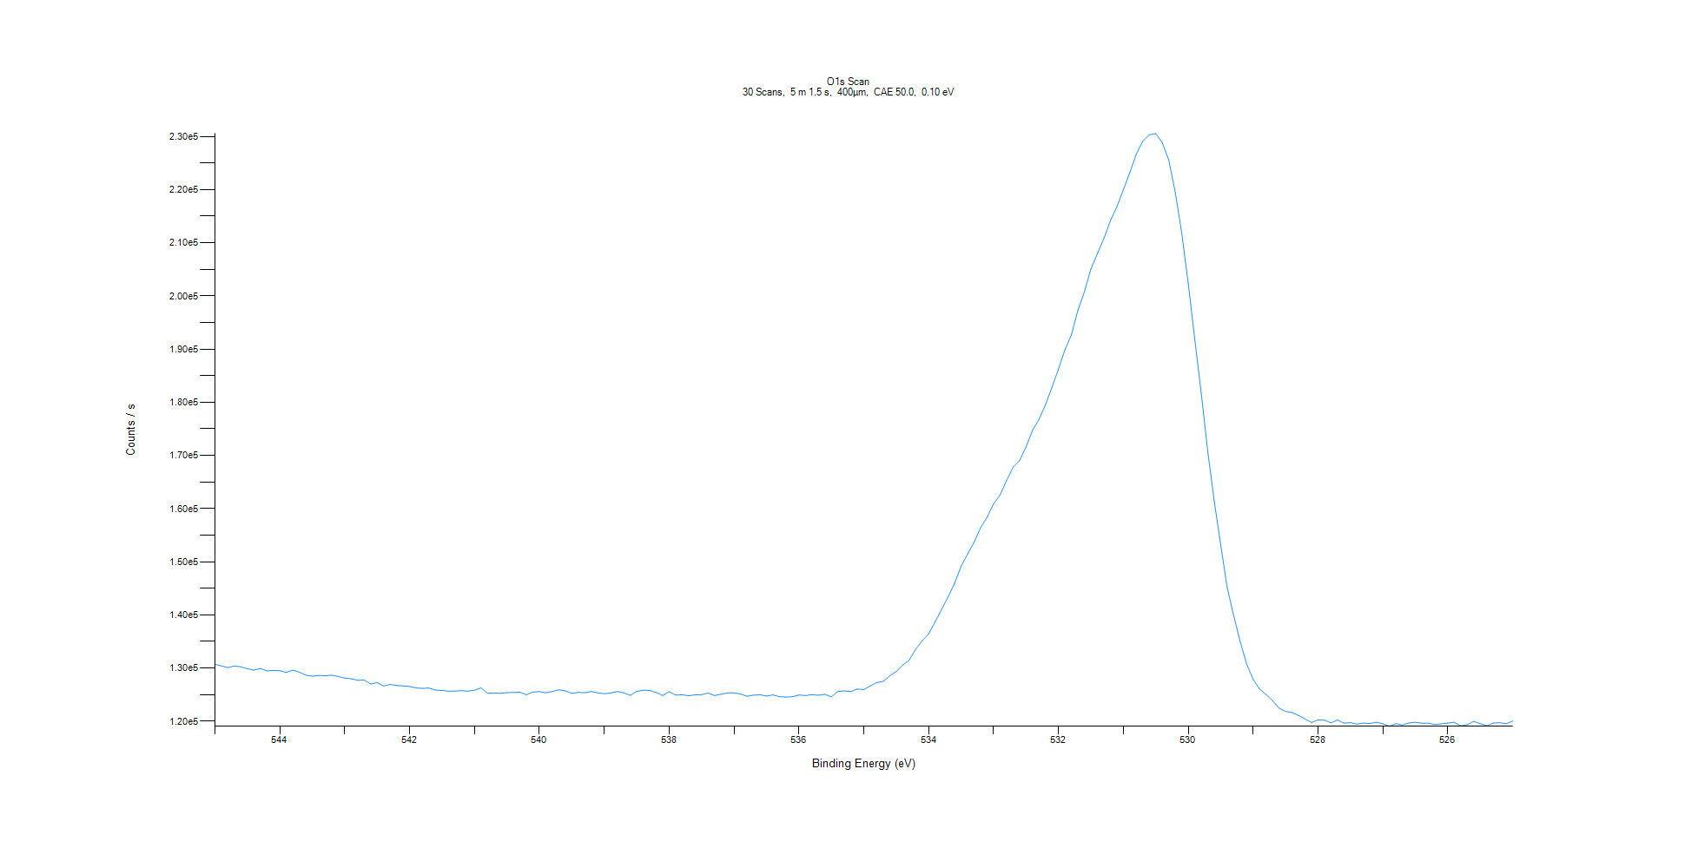
﻿
Axis | Energy | Elements= | 201

C:\XPS-UPS-Data\djung\TaRe_1208\Experiment\X-Ray002 400um - FG ON\Control_WK2\O1s Scan.VGD

Binding Energy (E)
eV |  | Counts / s
545 |  | 130692
544.9 |  | 130391
544.8 |  | 130104
544.7 |  | 130388
544.6 |  | 130232
544.5 |  | 129868
544.4 |  | 129614
544.3 |  | 129927
544.2 |  | 129470
544.1 |  | 129547
544 |  | 129494
543.9 |  | 129167
543.8 |  | 129610
543.7 |  | 129228
543.6 |  | 128670
543.5 |  | 128480
543.4 |  | 128608
543.3 |  | 128551
543.2 |  | 128663
543.1 |  | 128412
543 |  | 128099
542.9 |  | 127988
542.8 |  | 127706
542.7 |  | 127744
542.6 |  | 127000
542.5 |  | 127259
542.4 |  | 126633
542.3 |  | 126925
542.2 |  | 126710
542.1 |  | 126650
542 |  | 126527
541.9 |  | 126262
541.8 |  | 126184
541.7 |  | 126241
541.6 |  | 125851
541.5 |  | 125781
541.4 |  | 125649
541.3 |  | 125686
541.2 |  | 125740
541.1 |  | 125661
541 |  | 125820
540.9 |  | 126275
540.8 |  | 125262
540.7 |  | 125305
540.6 |  | 125257
540.5 |  | 125375
540.4 |  | 125406
540.3 |  | 125451
540.2 |  | 124963
540.1 |  | 125489
540 |  | 125567
539.9 |  | 125345
539.8 |  | 125590
539.7 |  | 125920
539.6 |  | 125710
539.5 |  | 125226
539.4 |  | 125418
539.3 |  | 125350
539.2 |  | 125587
539.1 |  | 125331
539 |  | 125176
538.9 |  | 125297
538.8 |  | 125575
538.7 |  | 125341
538.6 |  | 124862
538.5 |  | 125598
538.4 |  | 125839
538.3 |  | 125786
538.2 |  | 125400
538.1 |  | 124840
538 |  | 125554
537.9 |  | 124916
537.8 |  | 124980
537.7 |  | 124791
537.6 |  | 124958
537.5 |  | 124984
537.4 |  | 125297
537.3 |  | 124835
537.2 |  | 125079
537.1 |  | 125312
537 |  | 125309
536.9 |  | 125125
536.8 |  | 124687
536.7 |  | 124912
536.6 |  | 124971
536.5 |  | 124734
536.4 |  | 124956
536.3 |  | 124617
536.2 |  | 124552
536.1 |  | 124595
536 |  | 124930
535.9 |  | 124838
535.8 |  | 124996
535.7 |  | 124891
535.6 |  | 125060
535.5 |  | 124574
535.4 |  | 125591
535.3 |  | 125715
535.2 |  | 125583
535.1 |  | 126045
535 |  | 125958
534.9 |  | 126618
534.8 |  | 127277
534.7 |  | 127496
534.6 |  | 128552
534.5 |  | 129335
534.4 |  | 130561
534.3 |  | 131512
534.2 |  | 133535
534.1 |  | 135150
534 |  | 136434
533.9 |  | 138715
533.8 |  | 141052
533.7 |  | 143409
533.6 |  | 145971
533.5 |  | 149155
533.4 |  | 151452
533.3 |  | 153656
533.2 |  | 156415
533.1 |  | 158376
533 |  | 160895
532.9 |  | 162558
532.8 |  | 165262
532.7 |  | 167767
532.6 |  | 168993
532.5 |  | 171592
532.4 |  | 174722
532.3 |  | 176785
532.2 |  | 179541
532.1 |  | 182801
532 |  | 186237
531.9 |  | 189869
531.8 |  | 192718
531.7 |  | 197323
531.6 |  | 200779
531.5 |  | 205063
531.4 |  | 207944
531.3 |  | 210781
531.2 |  | 214135
531.1 |  | 216774
531 |  | 219957
530.9 |  | 223225
530.8 |  | 226690
530.7 |  | 229100
530.6 |  | 230307
530.5 |  | 230532
530.4 |  | 228814
530.3 |  | 225532
530.2 |  | 219443
530.1 |  | 211801
530 |  | 202296
529.9 |  | 191927
529.8 |  | 181675
529.7 |  | 170830
529.6 |  | 161433
529.5 |  | 153166
529.4 |  | 145145
529.3 |  | 139854
529.2 |  | 134957
529.1 |  | 130765
529 |  | 127867
528.9 |  | 126053
528.8 |  | 125020
528.7 |  | 123858
528.6 |  | 122462
528.5 |  | 121837
528.4 |  | 121643
528.3 |  | 121078
528.2 |  | 120440
528.1 |  | 119753
528 |  | 120254
527.9 |  | 120194
527.8 |  | 119690
527.7 |  | 120227
527.6 |  | 119638
527.5 |  | 119730
527.4 |  | 119453
527.3 |  | 119650
527.2 |  | 119554
527.1 |  | 119807
527 |  | 119533
526.9 |  | 119039
526.8 |  | 119543
526.7 |  | 119290
526.6 |  | 119679
526.5 |  | 119790
526.4 |  | 119631
526.3 |  | 119634
526.2 |  | 119353
526.1 |  | 119503
526 |  | 119647
525.9 |  | 119805
525.8 |  | 119135
525.7 |  | 119344
525.6 |  | 119981
525.5 |  | 119542
525.4 |  | 119157
525.3 |  | 119645
525.2 |  | 119722
525.1 |  | 119529
525 |  | 120033

