XPS Survey
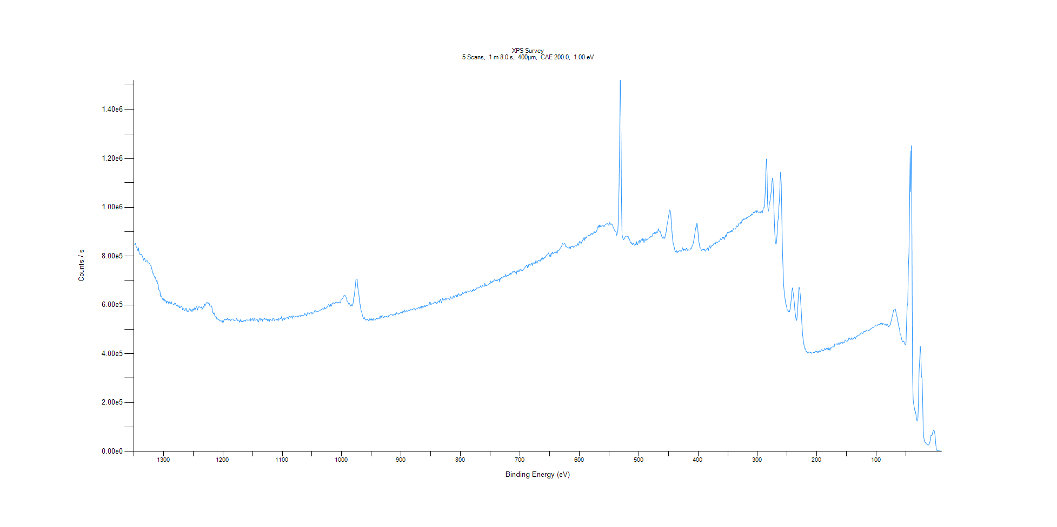
﻿
Axis | Energy | Elements= | 1361

C:\XPS-UPS-Data\djung\TaRe_1215\Experiment\Experiment\X-Ray002 400um - FG ON\BOE_L\XPS Survey.VGD

Binding Energy (E)
eV |  | Counts / s
1350 |  | 851552
1349 |  | 848901
1348 |  | 845821
1347 |  | 852113
1346 |  | 838685
1345 |  | 835009
1344 |  | 828735
1343 |  | 821292
1342 |  | 833851
1341 |  | 813392
1340 |  | 808132
1339 |  | 805875
1338 |  | 807950
1337 |  | 806966
1336 |  | 802145
1335 |  | 795600
1334 |  | 783033
1333 |  | 789562
1332 |  | 791868
1331 |  | 783307
1330 |  | 777583
1329 |  | 779511
1328 |  | 781349
1327 |  | 781066
1326 |  | 770683
1325 |  | 772787
1324 |  | 770721
1323 |  | 767517
1322 |  | 761933
1321 |  | 761071
1320 |  | 750081
1319 |  | 739755
1318 |  | 729041
1317 |  | 729189
1316 |  | 719991
1315 |  | 713223
1314 |  | 714451
1313 |  | 705588
1312 |  | 696275
1311 |  | 702143
1310 |  | 687072
1309 |  | 682763
1308 |  | 662719
1307 |  | 659661
1306 |  | 657429
1305 |  | 635304
1304 |  | 637813
1303 |  | 634215
1302 |  | 622428
1301 |  | 629268
1300 |  | 623956
1299 |  | 614019
1298 |  | 622212
1297 |  | 616814
1296 |  | 616071
1295 |  | 606943
1294 |  | 616234
1293 |  | 611594
1292 |  | 611856
1291 |  | 602809
1290 |  | 612682
1289 |  | 607256
1288 |  | 606662
1287 |  | 614204
1286 |  | 604255
1285 |  | 603330
1284 |  | 604343
1283 |  | 600218
1282 |  | 602496
1281 |  | 608475
1280 |  | 606478
1279 |  | 599945
1278 |  | 597312
1277 |  | 601002
1276 |  | 594682
1275 |  | 593142
1274 |  | 596561
1273 |  | 587968
1272 |  | 592064
1271 |  | 589274
1270 |  | 595219
1269 |  | 595468
1268 |  | 579304
1267 |  | 581028
1266 |  | 584869
1265 |  | 578581
1264 |  | 577296
1263 |  | 582470
1262 |  | 586922
1261 |  | 576059
1260 |  | 571542
1259 |  | 577187
1258 |  | 573681
1257 |  | 579689
1256 |  | 584494
1255 |  | 575631
1254 |  | 581384
1253 |  | 577023
1252 |  | 572400
1251 |  | 582223
1250 |  | 583514
1249 |  | 577184
1248 |  | 587433
1247 |  | 578597
1246 |  | 585766
1245 |  | 589728
1244 |  | 593261
1243 |  | 578556
1242 |  | 586696
1241 |  | 589775
1240 |  | 594356
1239 |  | 590469
1238 |  | 590917
1237 |  | 587352
1236 |  | 591887
1235 |  | 581786
1234 |  | 586776
1233 |  | 594197
1232 |  | 588985
1231 |  | 603948
1230 |  | 596530
1229 |  | 602986
1228 |  | 607622
1227 |  | 610138
1226 |  | 609270
1225 |  | 604170
1224 |  | 608610
1223 |  | 605678
1222 |  | 595754
1221 |  | 594987
1220 |  | 595250
1219 |  | 595930
1218 |  | 583549
1217 |  | 569155
1216 |  | 563051
1215 |  | 568020
1214 |  | 560666
1213 |  | 549951
1212 |  | 552678
1211 |  | 549874
1210 |  | 539976
1209 |  | 543308
1208 |  | 540850
1207 |  | 541285
1206 |  | 537823
1205 |  | 533436
1204 |  | 534839
1203 |  | 535017
1202 |  | 533130
1201 |  | 528436
1200 |  | 537695
1199 |  | 530025
1198 |  | 539247
1197 |  | 539519
1196 |  | 538277
1195 |  | 542356
1194 |  | 539491
1193 |  | 540158
1192 |  | 545596
1191 |  | 539487
1190 |  | 536442
1189 |  | 539777
1188 |  | 541072
1187 |  | 535351
1186 |  | 538357
1185 |  | 541598
1184 |  | 542842
1183 |  | 541150
1182 |  | 536979
1181 |  | 537132
1180 |  | 535478
1179 |  | 537493
1178 |  | 537417
1177 |  | 544544
1176 |  | 540530
1175 |  | 535650
1174 |  | 538402
1173 |  | 537322
1172 |  | 529491
1171 |  | 534249
1170 |  | 540418
1169 |  | 530708
1168 |  | 535053
1167 |  | 530614
1166 |  | 530725
1165 |  | 535110
1164 |  | 533215
1163 |  | 536414
1162 |  | 533210
1161 |  | 538478
1160 |  | 538594
1159 |  | 536904
1158 |  | 539748
1157 |  | 538051
1156 |  | 537067
1155 |  | 537621
1154 |  | 544975
1153 |  | 533711
1152 |  | 541305
1151 |  | 542762
1150 |  | 543832
1149 |  | 534985
1148 |  | 541969
1147 |  | 546870
1146 |  | 535639
1145 |  | 538151
1144 |  | 541033
1143 |  | 541205
1142 |  | 539713
1141 |  | 532285
1140 |  | 531234
1139 |  | 539992
1138 |  | 546026
1137 |  | 543361
1136 |  | 535528
1135 |  | 542528
1134 |  | 541912
1133 |  | 532327
1132 |  | 541661
1131 |  | 542924
1130 |  | 545596
1129 |  | 539588
1128 |  | 542463
1127 |  | 539949
1126 |  | 543398
1125 |  | 535559
1124 |  | 542139
1123 |  | 536838
1122 |  | 531300
1121 |  | 541674
1120 |  | 542352
1119 |  | 538325
1118 |  | 537113
1117 |  | 535485
1116 |  | 543648
1115 |  | 544967
1114 |  | 539851
1113 |  | 535688
1112 |  | 542335
1111 |  | 542137
1110 |  | 538458
1109 |  | 541722
1108 |  | 542331
1107 |  | 533880
1106 |  | 545694
1105 |  | 540960
1104 |  | 542046
1103 |  | 546243
1102 |  | 544615
1101 |  | 552629
1100 |  | 535807
1099 |  | 543981
1098 |  | 541669
1097 |  | 547818
1096 |  | 539771
1095 |  | 542420
1094 |  | 544941
1093 |  | 546480
1092 |  | 549615
1091 |  | 547077
1090 |  | 541792
1089 |  | 550866
1088 |  | 553674
1087 |  | 549479
1086 |  | 549836
1085 |  | 554522
1084 |  | 550402
1083 |  | 545002
1082 |  | 555938
1081 |  | 551718
1080 |  | 550061
1079 |  | 551573
1078 |  | 552430
1077 |  | 553045
1076 |  | 551142
1075 |  | 549296
1074 |  | 553652
1073 |  | 550303
1072 |  | 555112
1071 |  | 554603
1070 |  | 556710
1069 |  | 552027
1068 |  | 556623
1067 |  | 557624
1066 |  | 557933
1065 |  | 556630
1064 |  | 556462
1063 |  | 558537
1062 |  | 565320
1061 |  | 561148
1060 |  | 560615
1059 |  | 554696
1058 |  | 563871
1057 |  | 569400
1056 |  | 566386
1055 |  | 567202
1054 |  | 562599
1053 |  | 568781
1052 |  | 571261
1051 |  | 570349
1050 |  | 562686
1049 |  | 567741
1048 |  | 565891
1047 |  | 567753
1046 |  | 571446
1045 |  | 579070
1044 |  | 575195
1043 |  | 571130
1042 |  | 572332
1041 |  | 573954
1040 |  | 573784
1039 |  | 574013
1038 |  | 576215
1037 |  | 574892
1036 |  | 579830
1035 |  | 578181
1034 |  | 580852
1033 |  | 585824
1032 |  | 583173
1031 |  | 585002
1030 |  | 581731
1029 |  | 590153
1028 |  | 583525
1027 |  | 585872
1026 |  | 586769
1025 |  | 591529
1024 |  | 591457
1023 |  | 598468
1022 |  | 601404
1021 |  | 599186
1020 |  | 593356
1019 |  | 602246
1018 |  | 593846
1017 |  | 596692
1016 |  | 607628
1015 |  | 606721
1014 |  | 609128
1013 |  | 604634
1012 |  | 606592
1011 |  | 607770
1010 |  | 611447
1009 |  | 611307
1008 |  | 611513
1007 |  | 607611
1006 |  | 611556
1005 |  | 609512
1004 |  | 611188
1003 |  | 611953
1002 |  | 609542
1001 |  | 621201
1000 |  | 623945
999 |  | 626325
998 |  | 627001
997 |  | 636365
996 |  | 637630
995 |  | 640046
994 |  | 638221
993 |  | 633065
992 |  | 628211
991 |  | 615672
990 |  | 615464
989 |  | 607230
988 |  | 602403
987 |  | 605737
986 |  | 601043
985 |  | 595754
984 |  | 602338
983 |  | 597292
982 |  | 595999
981 |  | 604607
980 |  | 625708
979 |  | 635205
978 |  | 655186
977 |  | 677282
976 |  | 703899
975 |  | 705294
974 |  | 705619
973 |  | 673941
972 |  | 655760
971 |  | 641077
970 |  | 615112
969 |  | 601067
968 |  | 585009
967 |  | 572691
966 |  | 568394
965 |  | 554892
964 |  | 549362
963 |  | 544318
962 |  | 549395
961 |  | 541925
960 |  | 538290
959 |  | 539379
958 |  | 538140
957 |  | 540696
956 |  | 538812
955 |  | 535912
954 |  | 533627
953 |  | 542903
952 |  | 543489
951 |  | 538362
950 |  | 543440
949 |  | 536591
948 |  | 541268
947 |  | 536633
946 |  | 545094
945 |  | 541906
944 |  | 541248
943 |  | 538664
942 |  | 543019
941 |  | 544164
940 |  | 541561
939 |  | 545346
938 |  | 546054
937 |  | 543507
936 |  | 551750
935 |  | 554203
934 |  | 543911
933 |  | 554010
932 |  | 554345
931 |  | 555451
930 |  | 548775
929 |  | 547851
928 |  | 553046
927 |  | 552287
926 |  | 550092
925 |  | 553559
924 |  | 552901
923 |  | 551014
922 |  | 548626
921 |  | 555777
920 |  | 558102
919 |  | 557524
918 |  | 561189
917 |  | 561348
916 |  | 562493
915 |  | 560587
914 |  | 555959
913 |  | 557966
912 |  | 562289
911 |  | 561299
910 |  | 558126
909 |  | 565575
908 |  | 568644
907 |  | 563818
906 |  | 566068
905 |  | 566462
904 |  | 561411
903 |  | 565883
902 |  | 565996
901 |  | 567888
900 |  | 567709
899 |  | 570840
898 |  | 566134
897 |  | 573536
896 |  | 574038
895 |  | 569514
894 |  | 578385
893 |  | 575088
892 |  | 571600
891 |  | 576606
890 |  | 574263
889 |  | 574255
888 |  | 578595
887 |  | 578227
886 |  | 578114
885 |  | 578024
884 |  | 581043
883 |  | 580966
882 |  | 578738
881 |  | 581612
880 |  | 581797
879 |  | 584450
878 |  | 585414
877 |  | 582491
876 |  | 578725
875 |  | 584160
874 |  | 584520
873 |  | 582486
872 |  | 585314
871 |  | 589768
870 |  | 591071
869 |  | 586388
868 |  | 586713
867 |  | 592323
866 |  | 595484
865 |  | 584637
864 |  | 593680
863 |  | 591974
862 |  | 590357
861 |  | 598222
860 |  | 593738
859 |  | 592986
858 |  | 597773
857 |  | 598148
856 |  | 595545
855 |  | 600128
854 |  | 600213
853 |  | 598937
852 |  | 610557
851 |  | 611685
850 |  | 601208
849 |  | 602397
848 |  | 605432
847 |  | 603456
846 |  | 605535
845 |  | 608496
844 |  | 611060
843 |  | 613670
842 |  | 609372
841 |  | 609748
840 |  | 604888
839 |  | 607612
838 |  | 613370
837 |  | 614941
836 |  | 616648
835 |  | 609804
834 |  | 623205
833 |  | 618550
832 |  | 607750
831 |  | 617148
830 |  | 627296
829 |  | 620174
828 |  | 620404
827 |  | 622341
826 |  | 619428
825 |  | 628125
824 |  | 622706
823 |  | 628226
822 |  | 627823
821 |  | 626589
820 |  | 627396
819 |  | 624368
818 |  | 621396
817 |  | 633761
816 |  | 629023
815 |  | 627126
814 |  | 626891
813 |  | 629223
812 |  | 637218
811 |  | 627774
810 |  | 633723
809 |  | 636739
808 |  | 638444
807 |  | 632411
806 |  | 640774
805 |  | 634327
804 |  | 644895
803 |  | 645249
802 |  | 639882
801 |  | 640679
800 |  | 639595
799 |  | 644766
798 |  | 639905
797 |  | 651612
796 |  | 645100
795 |  | 646719
794 |  | 649682
793 |  | 652821
792 |  | 648511
791 |  | 655450
790 |  | 649176
789 |  | 655868
788 |  | 657668
787 |  | 652454
786 |  | 654620
785 |  | 655989
784 |  | 656809
783 |  | 658517
782 |  | 656702
781 |  | 653113
780 |  | 661015
779 |  | 658183
778 |  | 664240
777 |  | 659399
776 |  | 660139
775 |  | 663610
774 |  | 660376
773 |  | 669725
772 |  | 667534
771 |  | 670287
770 |  | 670738
769 |  | 668999
768 |  | 671201
767 |  | 673621
766 |  | 678636
765 |  | 673047
764 |  | 672118
763 |  | 679078
762 |  | 676777
761 |  | 677511
760 |  | 675779
759 |  | 688396
758 |  | 678457
757 |  | 678610
756 |  | 679209
755 |  | 680774
754 |  | 681457
753 |  | 684582
752 |  | 686025
751 |  | 687795
750 |  | 687850
749 |  | 698017
748 |  | 692847
747 |  | 691119
746 |  | 697158
745 |  | 696087
744 |  | 699880
743 |  | 703920
742 |  | 699051
741 |  | 698988
740 |  | 703297
739 |  | 698726
738 |  | 698318
737 |  | 702700
736 |  | 704271
735 |  | 706874
734 |  | 694590
733 |  | 709471
732 |  | 706285
731 |  | 713190
730 |  | 709534
729 |  | 710813
728 |  | 713374
727 |  | 717687
726 |  | 718218
725 |  | 714322
724 |  | 724992
723 |  | 717554
722 |  | 717390
721 |  | 720474
720 |  | 721607
719 |  | 721337
718 |  | 728047
717 |  | 724019
716 |  | 730659
715 |  | 724728
714 |  | 730111
713 |  | 732737
712 |  | 736913
711 |  | 736106
710 |  | 732819
709 |  | 738633
708 |  | 733785
707 |  | 731803
706 |  | 726038
705 |  | 739456
704 |  | 736580
703 |  | 742257
702 |  | 735814
701 |  | 737558
700 |  | 745410
699 |  | 744421
698 |  | 739469
697 |  | 743881
696 |  | 738924
695 |  | 742240
694 |  | 746002
693 |  | 747482
692 |  | 751172
691 |  | 755706
690 |  | 757419
689 |  | 762034
688 |  | 761959
687 |  | 751572
686 |  | 756324
685 |  | 765455
684 |  | 765720
683 |  | 762628
682 |  | 762683
681 |  | 768312
680 |  | 770404
679 |  | 761613
678 |  | 773154
677 |  | 770194
676 |  | 773367
675 |  | 769378
674 |  | 770799
673 |  | 782392
672 |  | 771851
671 |  | 770653
670 |  | 778957
669 |  | 782459
668 |  | 782346
667 |  | 781234
666 |  | 777950
665 |  | 784641
664 |  | 790664
663 |  | 783439
662 |  | 792969
661 |  | 785192
660 |  | 789524
659 |  | 795322
658 |  | 791268
657 |  | 798257
656 |  | 800254
655 |  | 804864
654 |  | 805396
653 |  | 805245
652 |  | 813291
651 |  | 806973
650 |  | 799415
649 |  | 808843
648 |  | 797779
647 |  | 810992
646 |  | 810601
645 |  | 816132
644 |  | 809755
643 |  | 810928
642 |  | 815082
641 |  | 813267
640 |  | 815042
639 |  | 819478
638 |  | 812865
637 |  | 812657
636 |  | 823876
635 |  | 824071
634 |  | 823953
633 |  | 828914
632 |  | 832443
631 |  | 836944
630 |  | 838450
629 |  | 847188
628 |  | 853400
627 |  | 848130
626 |  | 849127
625 |  | 851686
624 |  | 848980
623 |  | 839373
622 |  | 840414
621 |  | 837831
620 |  | 833934
619 |  | 833553
618 |  | 833324
617 |  | 830983
616 |  | 837347
615 |  | 831016
614 |  | 839449
613 |  | 838745
612 |  | 837425
611 |  | 841042
610 |  | 836361
609 |  | 841496
608 |  | 839494
607 |  | 843207
606 |  | 845008
605 |  | 841665
604 |  | 841692
603 |  | 850676
602 |  | 846299
601 |  | 844312
600 |  | 859565
599 |  | 855997
598 |  | 858585
597 |  | 850754
596 |  | 858042
595 |  | 860618
594 |  | 866676
593 |  | 868180
592 |  | 876828
591 |  | 864479
590 |  | 876815
589 |  | 872153
588 |  | 876278
587 |  | 883053
586 |  | 882105
585 |  | 883681
584 |  | 884334
583 |  | 883527
582 |  | 883457
581 |  | 890028
580 |  | 888866
579 |  | 893917
578 |  | 888841
577 |  | 894324
576 |  | 893691
575 |  | 900393
574 |  | 895619
573 |  | 895743
572 |  | 899980
571 |  | 901148
570 |  | 910126
569 |  | 915893
568 |  | 924967
567 |  | 916844
566 |  | 927081
565 |  | 918818
564 |  | 924775
563 |  | 923315
562 |  | 921449
561 |  | 924078
560 |  | 926673
559 |  | 921216
558 |  | 921306
557 |  | 926808
556 |  | 928885
555 |  | 931545
554 |  | 931582
553 |  | 933806
552 |  | 930318
551 |  | 927890
550 |  | 925797
549 |  | 936844
548 |  | 929390
547 |  | 932072
546 |  | 931652
545 |  | 928383
544 |  | 927968
543 |  | 917993
542 |  | 913534
541 |  | 907246
540 |  | 902566
539 |  | 899838
538 |  | 898774
537 |  | 885028
536 |  | 894348
535 |  | 906945
534 |  | 977110
533 |  | 1.09E+06
532 |  | 1.29E+06
531 |  | 1.52E+06
530 |  | 1.36E+06
529 |  | 1.03E+06
528 |  | 887331
527 |  | 876888
526 |  | 866534
525 |  | 868530
524 |  | 871134
523 |  | 878625
522 |  | 879246
521 |  | 882339
520 |  | 880608
519 |  | 878678
518 |  | 883398
517 |  | 872625
516 |  | 871152
515 |  | 865337
514 |  | 853035
513 |  | 856316
512 |  | 850815
511 |  | 850797
510 |  | 846026
509 |  | 852909
508 |  | 848204
507 |  | 843896
506 |  | 847725
505 |  | 846882
504 |  | 859715
503 |  | 847644
502 |  | 845650
501 |  | 855382
500 |  | 860054
499 |  | 864551
498 |  | 851771
497 |  | 862757
496 |  | 863290
495 |  | 867940
494 |  | 863094
493 |  | 873494
492 |  | 868115
491 |  | 855482
490 |  | 866503
489 |  | 870859
488 |  | 862418
487 |  | 866945
486 |  | 870589
485 |  | 868116
484 |  | 873707
483 |  | 873511
482 |  | 876547
481 |  | 876506
480 |  | 879573
479 |  | 882962
478 |  | 879107
477 |  | 881838
476 |  | 893142
475 |  | 892434
474 |  | 890495
473 |  | 898610
472 |  | 897008
471 |  | 890915
470 |  | 899160
469 |  | 895745
468 |  | 897784
467 |  | 912215
466 |  | 905601
465 |  | 901238
464 |  | 902320
463 |  | 894390
462 |  | 887493
461 |  | 880300
460 |  | 875764
459 |  | 871501
458 |  | 879081
457 |  | 875705
456 |  | 872270
455 |  | 890401
454 |  | 895475
453 |  | 915277
452 |  | 930599
451 |  | 942683
450 |  | 959450
449 |  | 973366
448 |  | 989279
447 |  | 986397
446 |  | 972064
445 |  | 933097
444 |  | 899815
443 |  | 871860
442 |  | 852479
441 |  | 844244
440 |  | 834475
439 |  | 822783
438 |  | 819115
437 |  | 814652
436 |  | 822109
435 |  | 814353
434 |  | 817937
433 |  | 817692
432 |  | 821437
431 |  | 821992
430 |  | 819800
429 |  | 824531
428 |  | 819603
427 |  | 825213
426 |  | 834302
425 |  | 822310
424 |  | 829005
423 |  | 827541
422 |  | 826762
421 |  | 823160
420 |  | 831369
419 |  | 831400
418 |  | 823352
417 |  | 827877
416 |  | 824718
415 |  | 825196
414 |  | 824170
413 |  | 828681
412 |  | 832067
411 |  | 832224
410 |  | 842199
409 |  | 844104
408 |  | 855129
407 |  | 866903
406 |  | 881430
405 |  | 900476
404 |  | 916578
403 |  | 917475
402 |  | 934081
401 |  | 925884
400 |  | 893566
399 |  | 861877
398 |  | 849749
397 |  | 835442
396 |  | 834083
395 |  | 827707
394 |  | 822944
393 |  | 827412
392 |  | 825043
391 |  | 828868
390 |  | 824249
389 |  | 827799
388 |  | 819750
387 |  | 824638
386 |  | 828392
385 |  | 830048
384 |  | 833219
383 |  | 821173
382 |  | 833263
381 |  | 837197
380 |  | 843216
379 |  | 832165
378 |  | 838580
377 |  | 842312
376 |  | 842970
375 |  | 843306
374 |  | 849711
373 |  | 852777
372 |  | 852589
371 |  | 848628
370 |  | 857867
369 |  | 858272
368 |  | 853544
367 |  | 856303
366 |  | 858410
365 |  | 861164
364 |  | 860777
363 |  | 866722
362 |  | 871545
361 |  | 869225
360 |  | 867097
359 |  | 878336
358 |  | 872379
357 |  | 878077
356 |  | 867828
355 |  | 874753
354 |  | 884619
353 |  | 878783
352 |  | 888567
351 |  | 892834
350 |  | 898905
349 |  | 895318
348 |  | 898669
347 |  | 897316
346 |  | 903112
345 |  | 898803
344 |  | 905905
343 |  | 899236
342 |  | 903938
341 |  | 907712
340 |  | 913468
339 |  | 910778
338 |  | 911025
337 |  | 910319
336 |  | 918125
335 |  | 924057
334 |  | 921462
333 |  | 921026
332 |  | 929575
331 |  | 935300
330 |  | 934760
329 |  | 937756
328 |  | 930804
327 |  | 937536
326 |  | 947962
325 |  | 946165
324 |  | 953611
323 |  | 949222
322 |  | 952808
321 |  | 950926
320 |  | 953507
319 |  | 952921
318 |  | 959336
317 |  | 957016
316 |  | 960842
315 |  | 960318
314 |  | 964511
313 |  | 962939
312 |  | 967129
311 |  | 966644
310 |  | 972699
309 |  | 969084
308 |  | 970496
307 |  | 979877
306 |  | 976755
305 |  | 977925
304 |  | 985366
303 |  | 984252
302 |  | 977542
301 |  | 987012
300 |  | 981999
299 |  | 979906
298 |  | 980461
297 |  | 980585
296 |  | 978682
295 |  | 976702
294 |  | 985456
293 |  | 980091
292 |  | 976204
291 |  | 986495
290 |  | 998222
289 |  | 997628
288 |  | 1.01E+06
287 |  | 1.06E+06
286 |  | 1.14E+06
285 |  | 1.20E+06
284 |  | 1.15E+06
283 |  | 1.02E+06
282 |  | 983338
281 |  | 989235
280 |  | 1.02E+06
279 |  | 1.02E+06
278 |  | 1.04E+06
277 |  | 1.06E+06
276 |  | 1.09E+06
275 |  | 1.12E+06
274 |  | 1.11E+06
273 |  | 1.05E+06
272 |  | 966405
271 |  | 901950
270 |  | 858272
269 |  | 849475
268 |  | 853364
267 |  | 891457
266 |  | 937243
265 |  | 955601
264 |  | 1.00E+06
263 |  | 1.03E+06
262 |  | 1.10E+06
261 |  | 1.14E+06
260 |  | 1.09E+06
259 |  | 956684
258 |  | 823687
257 |  | 750236
256 |  | 682846
255 |  | 651934
254 |  | 632186
253 |  | 611735
252 |  | 602024
251 |  | 593946
250 |  | 578433
249 |  | 579584
248 |  | 571050
247 |  | 576951
246 |  | 572747
245 |  | 583299
244 |  | 602732
243 |  | 629710
242 |  | 658383
241 |  | 669478
240 |  | 649551
239 |  | 629852
238 |  | 607099
237 |  | 576676
236 |  | 556317
235 |  | 538427
234 |  | 536614
233 |  | 558856
232 |  | 598426
231 |  | 647989
230 |  | 672355
229 |  | 665007
228 |  | 639323
227 |  | 603589
226 |  | 557226
225 |  | 511786
224 |  | 476722
223 |  | 456517
222 |  | 441224
221 |  | 422735
220 |  | 422313
219 |  | 417569
218 |  | 407878
217 |  | 410723
216 |  | 404625
215 |  | 401515
214 |  | 407437
213 |  | 404968
212 |  | 407362
211 |  | 404575
210 |  | 405721
209 |  | 401734
208 |  | 402722
207 |  | 403403
206 |  | 405201
205 |  | 405312
204 |  | 404907
203 |  | 406829
202 |  | 410486
201 |  | 409912
200 |  | 408559
199 |  | 404879
198 |  | 410443
197 |  | 405126
196 |  | 409825
195 |  | 413567
194 |  | 409252
193 |  | 412806
192 |  | 416888
191 |  | 412826
190 |  | 414839
189 |  | 412312
188 |  | 415551
187 |  | 422179
186 |  | 419054
185 |  | 415189
184 |  | 421983
183 |  | 424583
182 |  | 418679
181 |  | 424767
180 |  | 416121
179 |  | 421593
178 |  | 414026
177 |  | 424404
176 |  | 422156
175 |  | 426253
174 |  | 427546
173 |  | 429713
172 |  | 428073
171 |  | 428715
170 |  | 439551
169 |  | 436290
168 |  | 435522
167 |  | 440246
166 |  | 440866
165 |  | 438145
164 |  | 443738
163 |  | 436092
162 |  | 439936
161 |  | 446643
160 |  | 441743
159 |  | 445887
158 |  | 446121
157 |  | 442372
156 |  | 448213
155 |  | 444088
154 |  | 444869
153 |  | 453320
152 |  | 456868
151 |  | 451417
150 |  | 451733
149 |  | 454329
148 |  | 450743
147 |  | 457451
146 |  | 465737
145 |  | 462698
144 |  | 457701
143 |  | 459966
142 |  | 465583
141 |  | 457221
140 |  | 460991
139 |  | 462811
138 |  | 461367
137 |  | 468278
136 |  | 464215
135 |  | 462049
134 |  | 470159
133 |  | 470998
132 |  | 471607
131 |  | 476587
130 |  | 475948
129 |  | 476432
128 |  | 477017
127 |  | 479351
126 |  | 484054
125 |  | 485874
124 |  | 483691
123 |  | 482176
122 |  | 484153
121 |  | 490640
120 |  | 491248
119 |  | 489433
118 |  | 491973
117 |  | 497138
116 |  | 494936
115 |  | 493087
114 |  | 493285
113 |  | 496438
112 |  | 494511
111 |  | 498447
110 |  | 499211
109 |  | 502734
108 |  | 503404
107 |  | 506334
106 |  | 506000
105 |  | 507730
104 |  | 510232
103 |  | 513331
102 |  | 513539
101 |  | 517513
100 |  | 513143
99 |  | 513490
98 |  | 517056
97 |  | 520003
96 |  | 517691
95 |  | 519346
94 |  | 518085
93 |  | 522916
92 |  | 527686
91 |  | 522863
90 |  | 517270
89 |  | 524658
88 |  | 521928
87 |  | 521221
86 |  | 518515
85 |  | 516736
84 |  | 522254
83 |  | 516325
82 |  | 522465
81 |  | 520516
80 |  | 510768
79 |  | 511661
78 |  | 512824
77 |  | 516989
76 |  | 521514
75 |  | 535003
74 |  | 542301
73 |  | 556641
72 |  | 564380
71 |  | 577690
70 |  | 580521
69 |  | 579400
68 |  | 583243
67 |  | 571404
66 |  | 558306
65 |  | 550227
64 |  | 538688
63 |  | 521719
62 |  | 509985
61 |  | 503411
60 |  | 482679
59 |  | 479770
58 |  | 466227
57 |  | 456616
56 |  | 448601
55 |  | 449346
54 |  | 452340
53 |  | 446414
52 |  | 439976
51 |  | 435597
50 |  | 446164
49 |  | 527266
48 |  | 597691
47 |  | 607186
46 |  | 756799
45 |  | 810480
44 |  | 1.01E+06
43 |  | 1.23E+06
42 |  | 1.06E+06
41 |  | 1.25E+06
40 |  | 888158
39 |  | 320784
38 |  | 212065
37 |  | 194033
36 |  | 177835
35 |  | 165919
34 |  | 162544
33 |  | 146801
32 |  | 128160
31 |  | 124686
30 |  | 131728
29 |  | 204176
28 |  | 328622
27 |  | 370828
26 |  | 429715
25 |  | 393544
24 |  | 307566
23 |  | 300422
22 |  | 216251
21 |  | 88384
20 |  | 55935.8
19 |  | 43561.1
18 |  | 37163.9
17 |  | 35262.9
16 |  | 31306.1
15 |  | 30291.4
14 |  | 27676.9
13 |  | 26720.2
12 |  | 26394.6
11 |  | 29543.9
10 |  | 36162.1
9 |  | 48931.3
8 |  | 64390.6
7 |  | 65209.1
6 |  | 67074.7
5 |  | 77808.9
4 |  | 85816.8
3 |  | 87417.6
2 |  | 80573.5
1 |  | 64323.7
0 |  | 33750.2
-1 |  | 10011.7
-2 |  | 4058
-3 |  | 2925.85
-4 |  | 2352.49
-5 |  | 2203.46
-6 |  | 2143.63
-7 |  | 1457
-8 |  | 1375.14
-9 |  | 1299.73
-10 |  | 1335.39

Ta4f Scan
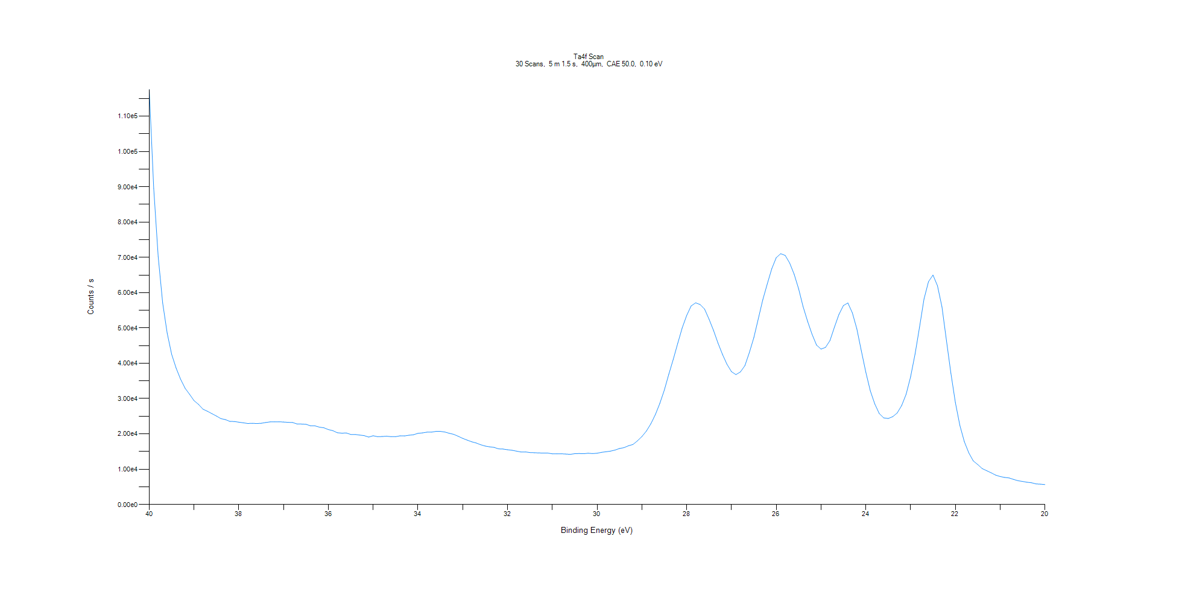
﻿
Axis | Energy | Elements= | 201

C:\XPS-UPS-Data\djung\TaRe_1215\Experiment\Experiment\X-Ray002 400um - FG ON\BOE_L\Ta4f Scan.VGD

Binding Energy (E)
eV |  | Counts / s
40 |  | 117544
39.9 |  | 89573.4
39.8 |  | 70202.7
39.7 |  | 57056.7
39.6 |  | 48562.9
39.5 |  | 42541.1
39.4 |  | 38615.7
39.3 |  | 35494.5
39.2 |  | 32940.6
39.1 |  | 31216
39 |  | 29419
38.9 |  | 28345.7
38.8 |  | 26997.9
38.7 |  | 26406.2
38.6 |  | 25723.2
38.5 |  | 25062.2
38.4 |  | 24314.4
38.3 |  | 24043.1
38.2 |  | 23537.9
38.1 |  | 23503.5
38 |  | 23310.4
37.9 |  | 23139.1
37.8 |  | 22933.1
37.7 |  | 22999
37.6 |  | 22930.7
37.5 |  | 23007
37.4 |  | 23221.9
37.3 |  | 23395.8
37.2 |  | 23414.3
37.1 |  | 23424.5
37 |  | 23358.2
36.9 |  | 23270.9
36.8 |  | 23221.3
36.7 |  | 22809.1
36.6 |  | 22793.6
36.5 |  | 22708.7
36.4 |  | 22292.9
36.3 |  | 22273.6
36.2 |  | 21901.7
36.1 |  | 21720.1
36 |  | 21215.9
35.9 |  | 20913.2
35.8 |  | 20326.4
35.7 |  | 20203
35.6 |  | 20254.5
35.5 |  | 19829.6
35.4 |  | 19836.9
35.3 |  | 19660.1
35.2 |  | 19497.9
35.1 |  | 19100
35 |  | 19465.9
34.9 |  | 19204.3
34.8 |  | 19258.8
34.7 |  | 19340.4
34.6 |  | 19217.3
34.5 |  | 19206.5
34.4 |  | 19447.5
34.3 |  | 19412.9
34.2 |  | 19619.7
34.1 |  | 19752.3
34 |  | 20152.4
33.9 |  | 20284.6
33.8 |  | 20478.8
33.7 |  | 20491
33.6 |  | 20693.3
33.5 |  | 20708.1
33.4 |  | 20530.4
33.3 |  | 20159.5
33.2 |  | 19863.6
33.1 |  | 19315.9
33 |  | 18719.3
32.9 |  | 18233.1
32.8 |  | 17757.7
32.7 |  | 17424
32.6 |  | 16930.5
32.5 |  | 16556.3
32.4 |  | 16331
32.3 |  | 16166.4
32.2 |  | 15758.2
32.1 |  | 15704.1
32 |  | 15506.3
31.9 |  | 15354.3
31.8 |  | 15115.5
31.7 |  | 14867.8
31.6 |  | 14891.4
31.5 |  | 14715.2
31.4 |  | 14669
31.3 |  | 14603.1
31.2 |  | 14571.7
31.1 |  | 14562.4
31 |  | 14354.1
30.9 |  | 14354.4
30.8 |  | 14364.3
30.7 |  | 14291.3
30.6 |  | 14206.7
30.5 |  | 14392.2
30.4 |  | 14435
30.3 |  | 14378.9
30.2 |  | 14513.8
30.1 |  | 14421.5
30 |  | 14518.5
29.9 |  | 14767
29.8 |  | 14940.7
29.7 |  | 15118.4
29.6 |  | 15411.9
29.5 |  | 15866.2
29.4 |  | 16094.5
29.3 |  | 16627.3
29.2 |  | 16990.7
29.1 |  | 18017.6
29 |  | 19248.9
28.9 |  | 20794.8
28.8 |  | 22852.4
28.7 |  | 25424
28.6 |  | 28620.5
28.5 |  | 32366.6
28.4 |  | 36851.5
28.3 |  | 41109.7
28.2 |  | 45610.6
28.1 |  | 50006.4
28 |  | 53542.5
27.9 |  | 56247.7
27.8 |  | 57130.2
27.7 |  | 56649.2
27.6 |  | 55350.9
27.5 |  | 52478.8
27.4 |  | 49290.9
27.3 |  | 45690.5
27.2 |  | 42491.4
27.1 |  | 39720.2
27 |  | 37631.4
26.9 |  | 36791.4
26.8 |  | 37548.7
26.7 |  | 39337.5
26.6 |  | 43042.3
26.5 |  | 47268.1
26.4 |  | 52634.3
26.3 |  | 58018.1
26.2 |  | 62510.8
26.1 |  | 66782.3
26 |  | 69914
25.9 |  | 71042.4
25.8 |  | 70550.4
25.7 |  | 68385.3
25.6 |  | 65207
25.5 |  | 61102.1
25.4 |  | 56040.7
25.3 |  | 51901.3
25.2 |  | 48201.7
25.1 |  | 45155.7
25 |  | 44015.2
24.9 |  | 44503.2
24.8 |  | 46426.8
24.7 |  | 50249.7
24.6 |  | 53855.2
24.5 |  | 56362.5
24.4 |  | 57085.1
24.3 |  | 54278.5
24.2 |  | 49737.3
24.1 |  | 43514.4
24 |  | 37491.1
23.9 |  | 32191.6
23.8 |  | 28498.5
23.7 |  | 25762.2
23.6 |  | 24527.9
23.5 |  | 24360.3
23.4 |  | 24871.7
23.3 |  | 25911.2
23.2 |  | 28004.6
23.1 |  | 31206.6
23 |  | 36160.7
22.9 |  | 42641.4
22.8 |  | 50297.7
22.7 |  | 58214.5
22.6 |  | 63122.7
22.5 |  | 64989.5
22.4 |  | 61958.7
22.3 |  | 55984
22.2 |  | 46465.7
22.1 |  | 37186
22 |  | 28885.7
21.9 |  | 22400.7
21.8 |  | 17784
21.7 |  | 14596.5
21.6 |  | 12335.5
21.5 |  | 11300.4
21.4 |  | 10158.1
21.3 |  | 9564.59
21.2 |  | 8963.06
21.1 |  | 8310.09
21 |  | 7917.91
20.9 |  | 7665.81
20.8 |  | 7517.74
20.7 |  | 7094.89
20.6 |  | 6719.28
20.5 |  | 6535.66
20.4 |  | 6295.1
20.3 |  | 6157.63
20.2 |  | 5830.61
20.1 |  | 5751.25
20 |  | 5648.93

Re4f Scan
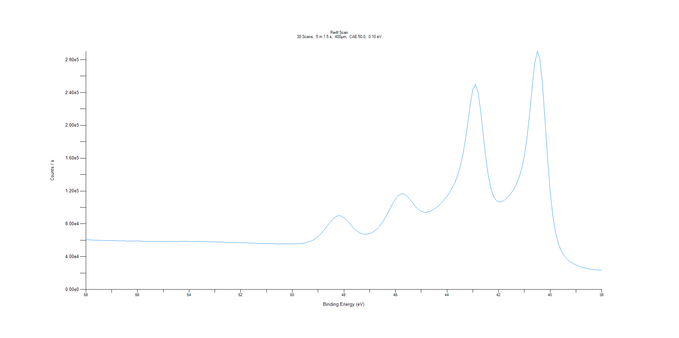
﻿
Axis | Energy | Elements= | 201

C:\XPS-UPS-Data\djung\TaRe_1215\Experiment\Experiment\X-Ray002 400um - FG ON\BOE_L\Re4f Scan.VGD

Binding Energy (E)
eV |  | Counts / s
58 |  | 60568
57.9 |  | 60643.1
57.8 |  | 60421.2
57.7 |  | 60131.8
57.6 |  | 60128.7
57.5 |  | 59885.6
57.4 |  | 59949.7
57.3 |  | 59726.3
57.2 |  | 59587.4
57.1 |  | 59590.2
57 |  | 59504.5
56.9 |  | 59680.1
56.8 |  | 59367.5
56.7 |  | 59194.5
56.6 |  | 59379.3
56.5 |  | 59391.7
56.4 |  | 58826.6
56.3 |  | 59148.3
56.2 |  | 59139.4
56.1 |  | 59025.4
56 |  | 59180.8
55.9 |  | 59037.1
55.8 |  | 58499.8
55.7 |  | 58290.1
55.6 |  | 58564
55.5 |  | 58570.2
55.4 |  | 58358
55.3 |  | 58519.9
55.2 |  | 58328.4
55.1 |  | 58493.1
55 |  | 58434.9
54.9 |  | 58299.6
54.8 |  | 58545.3
54.7 |  | 58522.5
54.6 |  | 58414.7
54.5 |  | 58181
54.4 |  | 58665.5
54.3 |  | 58685.3
54.2 |  | 58596.1
54.1 |  | 58894.7
54 |  | 58472.2
53.9 |  | 58305.6
53.8 |  | 58479.3
53.7 |  | 58620.8
53.6 |  | 58617
53.5 |  | 58126.4
53.4 |  | 58302.2
53.3 |  | 58399.2
53.2 |  | 58012.1
53.1 |  | 58073.4
53 |  | 57951.6
52.9 |  | 57903.3
52.8 |  | 57767.2
52.7 |  | 57906.4
52.6 |  | 57444.5
52.5 |  | 57194.1
52.4 |  | 57075.9
52.3 |  | 57437.5
52.2 |  | 57480.7
52.1 |  | 57004.7
52 |  | 57167.3
51.9 |  | 56830.1
51.8 |  | 57138.1
51.7 |  | 56853.1
51.6 |  | 56526.5
51.5 |  | 56458.1
51.4 |  | 56487.3
51.3 |  | 56036.7
51.2 |  | 56049.4
51.1 |  | 56046.2
51 |  | 56020.4
50.9 |  | 55647.4
50.8 |  | 55907.3
50.7 |  | 55804.5
50.6 |  | 55605.6
50.5 |  | 55443.3
50.4 |  | 55567.6
50.3 |  | 55668.1
50.2 |  | 55604.3
50.1 |  | 55595
50 |  | 55592
49.9 |  | 55519.8
49.8 |  | 55799
49.7 |  | 56074.1
49.6 |  | 56255.5
49.5 |  | 56918.3
49.4 |  | 57751.1
49.3 |  | 58689
49.2 |  | 60090.3
49.1 |  | 62223.9
49 |  | 64868.3
48.9 |  | 67614.6
48.8 |  | 71305.5
48.7 |  | 74979.2
48.6 |  | 79420.9
48.5 |  | 82985.9
48.4 |  | 86690.6
48.3 |  | 88990
48.2 |  | 89977.4
48.1 |  | 89493.9
48 |  | 87481.7
47.9 |  | 84509.4
47.8 |  | 81553.4
47.7 |  | 77672.9
47.6 |  | 73792.1
47.5 |  | 71299.4
47.4 |  | 69245.5
47.3 |  | 68101.8
47.2 |  | 67031.8
47.1 |  | 67643.4
47 |  | 68110.5
46.9 |  | 69350.5
46.8 |  | 71629.9
46.7 |  | 74223.2
46.6 |  | 77529.8
46.5 |  | 82003.9
46.4 |  | 87298.2
46.3 |  | 92951.3
46.2 |  | 98992.3
46.1 |  | 104906
46 |  | 110425
45.9 |  | 114301
45.8 |  | 116111
45.7 |  | 116674
45.6 |  | 114734
45.5 |  | 111704
45.4 |  | 108018
45.3 |  | 104165
45.2 |  | 100254
45.1 |  | 97270.3
45 |  | 95612.8
44.9 |  | 94098.6
44.8 |  | 93974.2
44.7 |  | 94774.6
44.6 |  | 96235.4
44.5 |  | 98101.6
44.4 |  | 100272
44.3 |  | 102940
44.2 |  | 106373
44.1 |  | 110087
44 |  | 113554
43.9 |  | 118522
43.8 |  | 124116
43.7 |  | 129904
43.6 |  | 138373
43.5 |  | 148349
43.4 |  | 162147
43.3 |  | 179854
43.2 |  | 201727
43.1 |  | 225447
43 |  | 244076
42.9 |  | 249967
42.8 |  | 240670
42.7 |  | 218747
42.6 |  | 189573
42.5 |  | 161068
42.4 |  | 138835
42.3 |  | 123179
42.2 |  | 114000
42.1 |  | 108855
42 |  | 106702
41.9 |  | 107013
41.8 |  | 108211
41.7 |  | 111037
41.6 |  | 114209
41.5 |  | 118063
41.4 |  | 122858
41.3 |  | 129431
41.2 |  | 137303
41.1 |  | 147762
41 |  | 163599
40.9 |  | 184936
40.8 |  | 213568
40.7 |  | 246595
40.6 |  | 275542
40.5 |  | 290155
40.4 |  | 281341
40.3 |  | 250115
40.2 |  | 204753
40.1 |  | 158898
40 |  | 118941
39.9 |  | 89977.1
39.8 |  | 70503.5
39.7 |  | 57622
39.6 |  | 49097.1
39.5 |  | 43089.3
39.4 |  | 38861.8
39.3 |  | 35623.4
39.2 |  | 33229.2
39.1 |  | 31451.3
39 |  | 29924.2
38.9 |  | 28779.2
38.8 |  | 27411.9
38.7 |  | 26457.3
38.6 |  | 25764.1
38.5 |  | 25086.8
38.4 |  | 24521.6
38.3 |  | 24197.3
38.2 |  | 23794.1
38.1 |  | 23793.9
38 |  | 23334.1

Al2p Scan
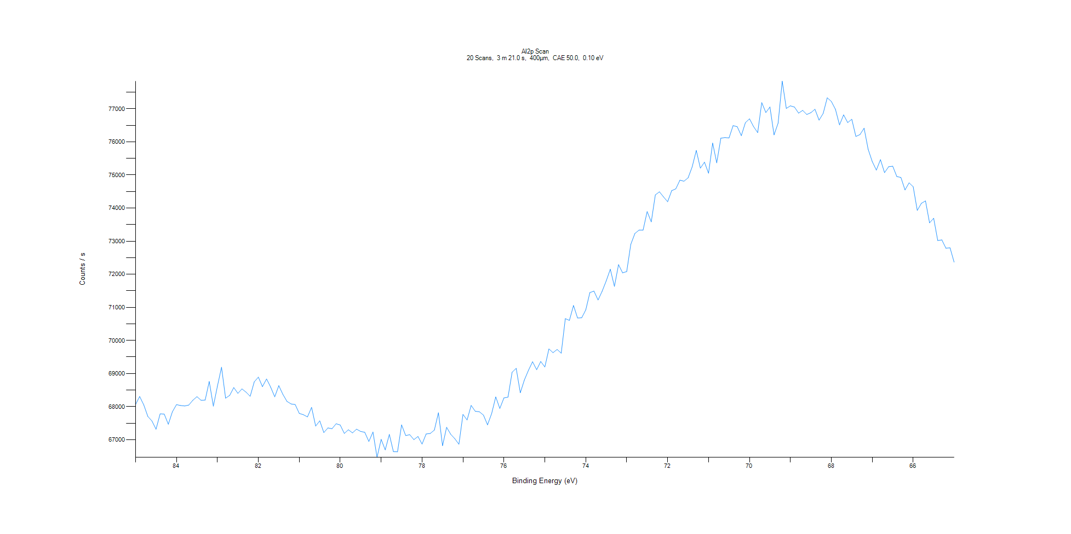
﻿
Axis | Energy | Elements= | 201

C:\XPS-UPS-Data\djung\TaRe_1215\Experiment\Experiment\X-Ray002 400um - FG ON\BOE_L\Al2p Scan.VGD

Binding Energy (E)
eV |  | Counts / s
85 |  | 68065.3
84.9 |  | 68305.3
84.8 |  | 68052.2
84.7 |  | 67702.9
84.6 |  | 67566.2
84.5 |  | 67317.7
84.4 |  | 67781.7
84.3 |  | 67775
84.2 |  | 67467.2
84.1 |  | 67844.5
84 |  | 68060.3
83.9 |  | 68032.9
83.8 |  | 68020.3
83.7 |  | 68047.5
83.6 |  | 68193.8
83.5 |  | 68300.3
83.4 |  | 68191.8
83.3 |  | 68197.4
83.2 |  | 68759
83.1 |  | 68013.7
83 |  | 68617.7
82.9 |  | 69189
82.8 |  | 68255.3
82.7 |  | 68341.4
82.6 |  | 68576.6
82.5 |  | 68401.2
82.4 |  | 68535.7
82.3 |  | 68435.7
82.2 |  | 68312.6
82.1 |  | 68748.7
82 |  | 68890.7
81.9 |  | 68604
81.8 |  | 68836.6
81.7 |  | 68590.5
81.6 |  | 68296.3
81.5 |  | 68633.4
81.4 |  | 68367.9
81.3 |  | 68157.2
81.2 |  | 68080.7
81.1 |  | 68063.1
81 |  | 67794.4
80.9 |  | 67755.5
80.8 |  | 67689.5
80.7 |  | 67977.7
80.6 |  | 67413.1
80.5 |  | 67570.3
80.4 |  | 67216.6
80.3 |  | 67355.8
80.2 |  | 67332.6
80.1 |  | 67481.7
80 |  | 67444.5
79.9 |  | 67190.3
79.8 |  | 67300.8
79.7 |  | 67206.8
79.6 |  | 67319.2
79.5 |  | 67250
79.4 |  | 67224.5
79.3 |  | 66947.7
79.2 |  | 67232.3
79.1 |  | 66466.5
79 |  | 67010.9
78.9 |  | 66693.8
78.8 |  | 67160.1
78.7 |  | 66639.9
78.6 |  | 66633.2
78.5 |  | 67447.8
78.4 |  | 67125.6
78.3 |  | 67151.7
78.2 |  | 67003
78.1 |  | 67097.5
78 |  | 66867.9
77.9 |  | 67173.3
77.8 |  | 67188.6
77.7 |  | 67291
77.6 |  | 67815.5
77.5 |  | 66818.3
77.4 |  | 67374.6
77.3 |  | 67163.9
77.2 |  | 67030.9
77.1 |  | 66862.5
77 |  | 67765
76.9 |  | 67596.9
76.8 |  | 68036.6
76.7 |  | 67859.2
76.6 |  | 67845.2
76.5 |  | 67743
76.4 |  | 67449.7
76.3 |  | 67790.2
76.2 |  | 68294
76.1 |  | 67944.8
76 |  | 68262.5
75.9 |  | 68286.7
75.8 |  | 69039.1
75.7 |  | 69156.5
75.6 |  | 68418.3
75.5 |  | 68805.8
75.4 |  | 69098.8
75.3 |  | 69355.5
75.2 |  | 69116.4
75.1 |  | 69362.9
75 |  | 69198.7
74.9 |  | 69743.5
74.8 |  | 69630.7
74.7 |  | 69727.8
74.6 |  | 69615
74.5 |  | 70658.9
74.4 |  | 70605.4
74.3 |  | 71056.2
74.2 |  | 70677.3
74.1 |  | 70684.3
74 |  | 70922.8
73.9 |  | 71446.4
73.8 |  | 71490.8
73.7 |  | 71221.7
73.6 |  | 71484.9
73.5 |  | 71800.9
73.4 |  | 72151.5
73.3 |  | 71633.4
73.2 |  | 72290.6
73.1 |  | 72043.1
73 |  | 72081.3
72.9 |  | 72903.1
72.8 |  | 73231.7
72.7 |  | 73333
72.6 |  | 73333.9
72.5 |  | 73894.5
72.4 |  | 73582.6
72.3 |  | 74398.3
72.2 |  | 74491.3
72.1 |  | 74337.3
72 |  | 74191.9
71.9 |  | 74526.1
71.8 |  | 74580.8
71.7 |  | 74842.3
71.6 |  | 74811.7
71.5 |  | 74914.5
71.4 |  | 75244.9
71.3 |  | 75740.8
71.2 |  | 75205.1
71.1 |  | 75386.3
71 |  | 75053.1
70.9 |  | 75963.9
70.8 |  | 75367.1
70.7 |  | 76110.4
70.6 |  | 76130.5
70.5 |  | 76119.2
70.4 |  | 76491
70.3 |  | 76460.2
70.2 |  | 76188.4
70.1 |  | 76579.5
70 |  | 76696.8
69.9 |  | 76462.1
69.8 |  | 76280.5
69.7 |  | 77186.8
69.6 |  | 76886.6
69.5 |  | 77054.3
69.4 |  | 76210.6
69.3 |  | 76567.5
69.2 |  | 77833.8
69.1 |  | 77010.6
69 |  | 77089.7
68.9 |  | 77051.1
68.8 |  | 76868.2
68.7 |  | 76952
68.6 |  | 76827.7
68.5 |  | 76883.2
68.4 |  | 76985.1
68.3 |  | 76657.4
68.2 |  | 76857
68.1 |  | 77332.3
68 |  | 77222.3
67.9 |  | 76984.7
67.8 |  | 76512.1
67.7 |  | 76817
67.6 |  | 76583.5
67.5 |  | 76684.1
67.4 |  | 76163.6
67.3 |  | 76221.4
67.2 |  | 76413.6
67.1 |  | 75773.5
67 |  | 75404
66.9 |  | 75147.5
66.8 |  | 75463.9
66.7 |  | 75070.5
66.6 |  | 75249.5
66.5 |  | 75265.7
66.4 |  | 74952.9
66.3 |  | 74925.3
66.2 |  | 74547.9
66.1 |  | 74762.8
66 |  | 74645
65.9 |  | 73928.7
65.8 |  | 74143
65.7 |  | 74217
65.6 |  | 73553.1
65.5 |  | 73691.8
65.4 |  | 73019.7
65.3 |  | 73037.7
65.2 |  | 72787.1
65.1 |  | 72798
65 |  | 72365.9

C1s Scan
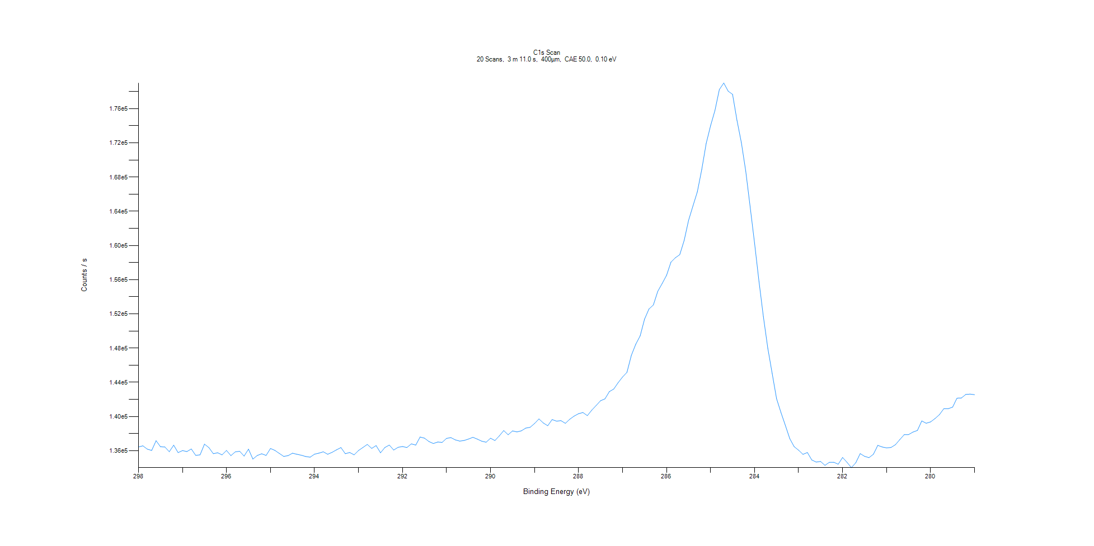
﻿
Axis | Energy | Elements= | 191

C:\XPS-UPS-Data\djung\TaRe_1215\Experiment\Experiment\X-Ray002 400um - FG ON\BOE_L\C1s Scan.VGD

Binding Energy (E)
eV |  | Counts / s
298 |  | 136439
297.9 |  | 136573
297.8 |  | 136184
297.7 |  | 136033
297.6 |  | 137172
297.5 |  | 136466
297.4 |  | 136436
297.3 |  | 135883
297.2 |  | 136652
297.1 |  | 135783
297 |  | 136013
296.9 |  | 135906
296.8 |  | 136206
296.7 |  | 135457
296.6 |  | 135519
296.5 |  | 136772
296.4 |  | 136363
296.3 |  | 135656
296.2 |  | 135761
296.1 |  | 135517
296 |  | 136029
295.9 |  | 135428
295.8 |  | 135873
295.7 |  | 135932
295.6 |  | 135378
295.5 |  | 136181
295.4 |  | 135025
295.3 |  | 135447
295.2 |  | 135643
295.1 |  | 135450
295 |  | 136265
294.9 |  | 136040
294.8 |  | 135686
294.7 |  | 135336
294.6 |  | 135425
294.5 |  | 135711
294.4 |  | 135586
294.3 |  | 135476
294.2 |  | 135325
294.1 |  | 135248
294 |  | 135597
293.9 |  | 135717
293.8 |  | 135875
293.7 |  | 135585
293.6 |  | 135813
293.5 |  | 136105
293.4 |  | 136370
293.3 |  | 135649
293.2 |  | 135794
293.1 |  | 135521
293 |  | 136029
292.9 |  | 136384
292.8 |  | 136736
292.7 |  | 136272
292.6 |  | 136603
292.5 |  | 135761
292.4 |  | 136382
292.3 |  | 136662
292.2 |  | 136079
292.1 |  | 136404
292 |  | 136489
291.9 |  | 136376
291.8 |  | 136803
291.7 |  | 136662
291.6 |  | 137602
291.5 |  | 137469
291.4 |  | 137075
291.3 |  | 136843
291.2 |  | 137018
291.1 |  | 136977
291 |  | 137445
290.9 |  | 137535
290.8 |  | 137267
290.7 |  | 137126
290.6 |  | 137198
290.5 |  | 137367
290.4 |  | 137571
290.3 |  | 137357
290.2 |  | 137117
290.1 |  | 136996
290 |  | 137465
289.9 |  | 137190
289.8 |  | 137738
289.7 |  | 138360
289.6 |  | 137870
289.5 |  | 138319
289.4 |  | 138199
289.3 |  | 138328
289.2 |  | 138645
289.1 |  | 138737
289 |  | 139185
288.9 |  | 139718
288.8 |  | 139245
288.7 |  | 138923
288.6 |  | 139645
288.5 |  | 139458
288.4 |  | 139518
288.3 |  | 139205
288.2 |  | 139684
288.1 |  | 140049
288 |  | 140332
287.9 |  | 140468
287.8 |  | 140102
287.7 |  | 140745
287.6 |  | 141287
287.5 |  | 141848
287.4 |  | 142065
287.3 |  | 142913
287.2 |  | 143217
287.1 |  | 143959
287 |  | 144621
286.9 |  | 145168
286.8 |  | 147159
286.7 |  | 148455
286.6 |  | 149438
286.5 |  | 151385
286.4 |  | 152574
286.3 |  | 153042
286.2 |  | 154640
286.1 |  | 155553
286 |  | 156516
285.9 |  | 158054
285.8 |  | 158563
285.7 |  | 158929
285.6 |  | 160593
285.5 |  | 162941
285.4 |  | 164635
285.3 |  | 166286
285.2 |  | 168893
285.1 |  | 171922
285 |  | 174002
284.9 |  | 175811
284.8 |  | 178239
284.7 |  | 179000
284.6 |  | 178049
284.5 |  | 177671
284.4 |  | 174636
284.3 |  | 172012
284.2 |  | 168686
284.1 |  | 164502
284 |  | 160264
283.9 |  | 155799
283.8 |  | 151676
283.7 |  | 147993
283.6 |  | 145046
283.5 |  | 142085
283.4 |  | 140462
283.3 |  | 138952
283.2 |  | 137411
283.1 |  | 136475
283 |  | 136064
282.9 |  | 135579
282.8 |  | 135789
282.7 |  | 134919
282.6 |  | 134676
282.5 |  | 134746
282.4 |  | 134291
282.3 |  | 134652
282.2 |  | 134653
282.1 |  | 134421
282 |  | 135210
281.9 |  | 134650
281.8 |  | 134022
281.7 |  | 134597
281.6 |  | 135663
281.5 |  | 135345
281.4 |  | 135192
281.3 |  | 135581
281.2 |  | 136628
281.1 |  | 136438
281 |  | 136335
280.9 |  | 136381
280.8 |  | 136702
280.7 |  | 137296
280.6 |  | 137878
280.5 |  | 137890
280.4 |  | 138182
280.3 |  | 138371
280.2 |  | 139487
280.1 |  | 139212
280 |  | 139374
279.9 |  | 139760
279.8 |  | 140216
279.7 |  | 140910
279.6 |  | 140914
279.5 |  | 141097
279.4 |  | 142151
279.3 |  | 142170
279.2 |  | 142588
279.1 |  | 142618
279 |  | 142553

O1s Scan
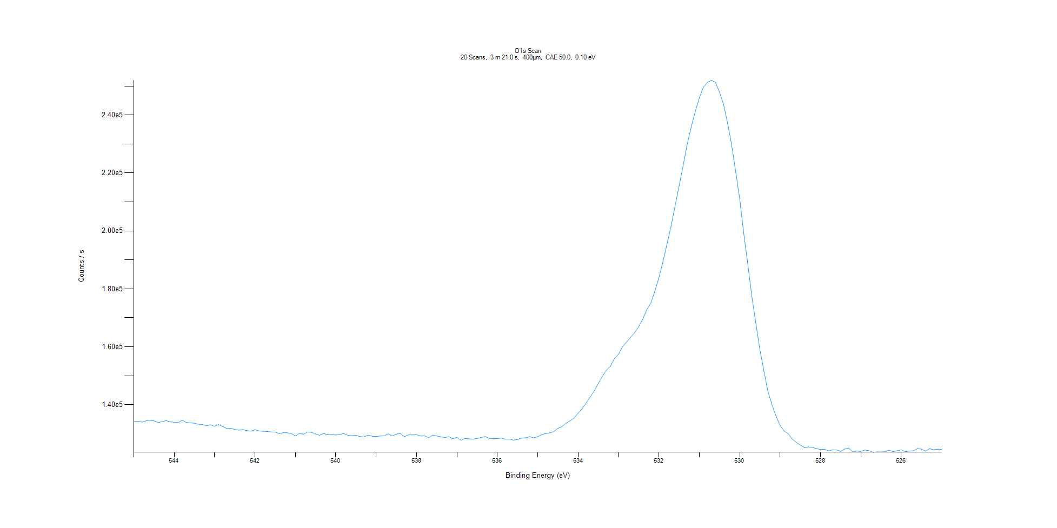
﻿
Axis | Energy | Elements= | 201

C:\XPS-UPS-Data\djung\TaRe_1215\Experiment\Experiment\X-Ray002 400um - FG ON\BOE_L\O1s Scan.VGD

Binding Energy (E)
eV |  | Counts / s
545 |  | 134260
544.9 |  | 134284
544.8 |  | 133995
544.7 |  | 134436
544.6 |  | 134655
544.5 |  | 134419
544.4 |  | 133843
544.3 |  | 134123
544.2 |  | 134517
544.1 |  | 134080
544 |  | 133935
543.9 |  | 133835
543.8 |  | 134670
543.7 |  | 133870
543.6 |  | 133739
543.5 |  | 133610
543.4 |  | 133270
543.3 |  | 133149
543.2 |  | 132698
543.1 |  | 133068
543 |  | 132532
542.9 |  | 133164
542.8 |  | 132490
542.7 |  | 131761
542.6 |  | 131859
542.5 |  | 131488
542.4 |  | 131198
542.3 |  | 131389
542.2 |  | 131055
542.1 |  | 130843
542 |  | 131396
541.9 |  | 130928
541.8 |  | 130832
541.7 |  | 130756
541.6 |  | 130584
541.5 |  | 130553
541.4 |  | 130013
541.3 |  | 130331
541.2 |  | 130294
541.1 |  | 130075
541 |  | 129215
540.9 |  | 130085
540.8 |  | 129773
540.7 |  | 130573
540.6 |  | 130469
540.5 |  | 129871
540.4 |  | 129436
540.3 |  | 130094
540.2 |  | 129571
540.1 |  | 129817
540 |  | 129514
539.9 |  | 129757
539.8 |  | 130078
539.7 |  | 129437
539.6 |  | 129291
539.5 |  | 129445
539.4 |  | 128981
539.3 |  | 128893
539.2 |  | 129487
539.1 |  | 129113
539 |  | 129018
538.9 |  | 129194
538.8 |  | 129242
538.7 |  | 129935
538.6 |  | 129201
538.5 |  | 129878
538.4 |  | 130011
538.3 |  | 128988
538.2 |  | 129599
538.1 |  | 129568
538 |  | 129620
537.9 |  | 129178
537.8 |  | 129262
537.7 |  | 128584
537.6 |  | 129518
537.5 |  | 129196
537.4 |  | 128930
537.3 |  | 128647
537.2 |  | 128972
537.1 |  | 128217
537 |  | 128731
536.9 |  | 127727
536.8 |  | 128385
536.7 |  | 128211
536.6 |  | 128131
536.5 |  | 128372
536.4 |  | 128675
536.3 |  | 129008
536.2 |  | 128388
536.1 |  | 128240
536 |  | 128332
535.9 |  | 128463
535.8 |  | 128091
535.7 |  | 128137
535.6 |  | 127782
535.5 |  | 128009
535.4 |  | 128460
535.3 |  | 128564
535.2 |  | 128976
535.1 |  | 128552
535 |  | 128937
534.9 |  | 129681
534.8 |  | 130042
534.7 |  | 130290
534.6 |  | 130711
534.5 |  | 131838
534.4 |  | 132458
534.3 |  | 133616
534.2 |  | 134448
534.1 |  | 135373
534 |  | 137100
533.9 |  | 138658
533.8 |  | 140518
533.7 |  | 142702
533.6 |  | 144772
533.5 |  | 147321
533.4 |  | 149802
533.3 |  | 151885
533.2 |  | 153293
533.1 |  | 155952
533 |  | 157444
532.9 |  | 160032
532.8 |  | 161639
532.7 |  | 163263
532.6 |  | 164894
532.5 |  | 166948
532.4 |  | 169564
532.3 |  | 172793
532.2 |  | 175059
532.1 |  | 179202
532 |  | 183889
531.9 |  | 189309
531.8 |  | 195412
531.7 |  | 201592
531.6 |  | 208550
531.5 |  | 215520
531.4 |  | 222491
531.3 |  | 229893
531.2 |  | 235899
531.1 |  | 241176
531 |  | 245888
530.9 |  | 249586
530.8 |  | 251265
530.7 |  | 252005
530.6 |  | 251283
530.5 |  | 247936
530.4 |  | 243765
530.3 |  | 237225
530.2 |  | 229745
530.1 |  | 220579
530 |  | 211039
529.9 |  | 199274
529.8 |  | 188591
529.7 |  | 177490
529.6 |  | 168085
529.5 |  | 159072
529.4 |  | 151591
529.3 |  | 144549
529.2 |  | 139981
529.1 |  | 136098
529 |  | 132838
528.9 |  | 130942
528.8 |  | 130004
528.7 |  | 128138
528.6 |  | 126979
528.5 |  | 126073
528.4 |  | 125224
528.3 |  | 125414
528.2 |  | 125303
528.1 |  | 124837
528 |  | 124540
527.9 |  | 124624
527.8 |  | 124057
527.7 |  | 124429
527.6 |  | 124367
527.5 |  | 123876
527.4 |  | 124685
527.3 |  | 125035
527.2 |  | 123708
527.1 |  | 124014
527 |  | 123874
526.9 |  | 124372
526.8 |  | 124110
526.7 |  | 123592
526.6 |  | 123743
526.5 |  | 123696
526.4 |  | 123809
526.3 |  | 124314
526.2 |  | 123773
526.1 |  | 124091
526 |  | 124439
525.9 |  | 123804
525.8 |  | 123956
525.7 |  | 124096
525.6 |  | 124851
525.5 |  | 124662
525.4 |  | 123990
525.3 |  | 124810
525.2 |  | 124441
525.1 |  | 124646
525 |  | 124586

