XPS Survey
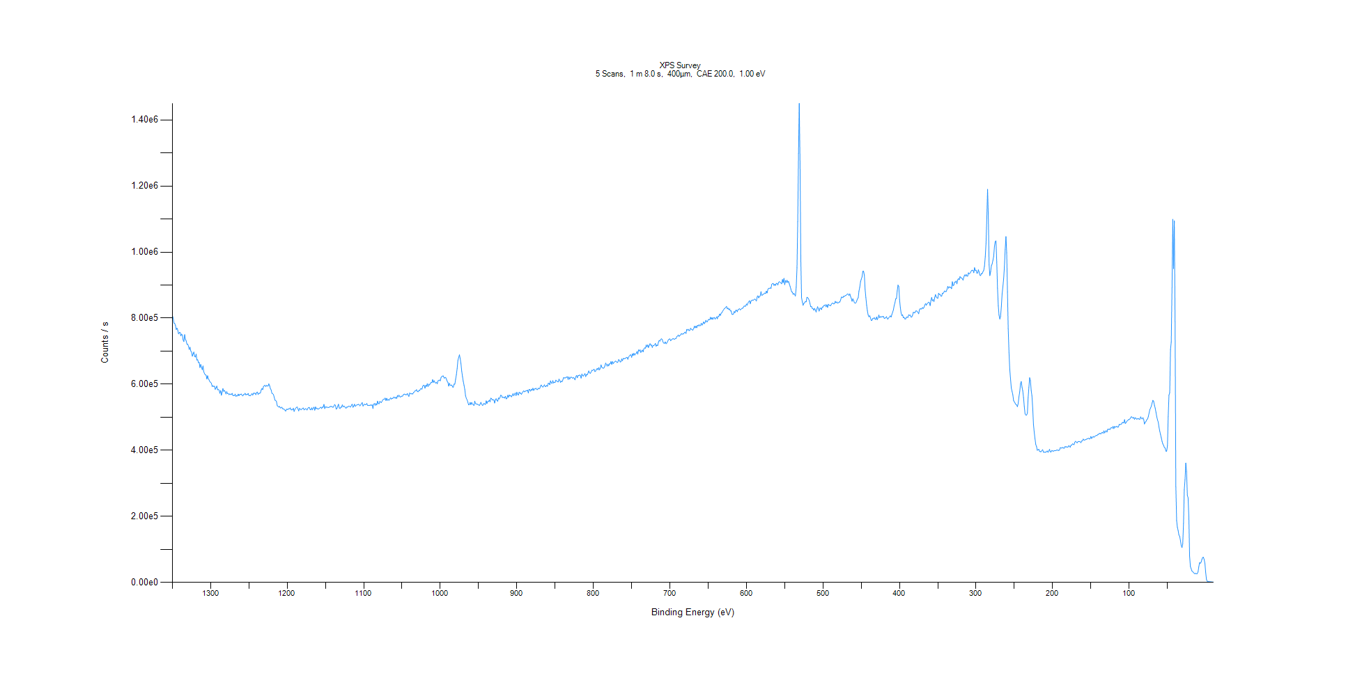
﻿
Axis | Energy | Elements= | 1361

C:\XPS-UPS-Data\djung\TaRe_1215\Experiment\Experiment\X-Ray002 400um - FG ON\BOE_WK3\XPS Survey.VGD

Binding Energy (E)
eV |  | Counts / s
1350 |  | 807778
1349 |  | 800641
1348 |  | 785082
1347 |  | 784220
1346 |  | 778064
1345 |  | 765641
1344 |  | 769753
1343 |  | 763884
1342 |  | 752329
1341 |  | 756570
1340 |  | 756993
1339 |  | 746319
1338 |  | 751716
1337 |  | 748703
1336 |  | 733565
1335 |  | 729185
1334 |  | 750016
1333 |  | 736353
1332 |  | 731005
1331 |  | 720772
1330 |  | 721467
1329 |  | 714819
1328 |  | 705210
1327 |  | 711960
1326 |  | 700491
1325 |  | 697785
1324 |  | 684750
1323 |  | 691747
1322 |  | 697380
1321 |  | 684159
1320 |  | 682404
1319 |  | 691032
1318 |  | 673224
1317 |  | 674136
1316 |  | 665540
1315 |  | 665811
1314 |  | 650429
1313 |  | 659743
1312 |  | 651707
1311 |  | 643889
1310 |  | 655196
1309 |  | 637758
1308 |  | 631675
1307 |  | 628635
1306 |  | 627498
1305 |  | 615937
1304 |  | 625677
1303 |  | 615891
1302 |  | 612740
1301 |  | 607009
1300 |  | 605742
1299 |  | 602262
1298 |  | 592852
1297 |  | 595628
1296 |  | 592628
1295 |  | 594129
1294 |  | 584388
1293 |  | 589266
1292 |  | 594368
1291 |  | 583145
1290 |  | 584180
1289 |  | 582342
1288 |  | 572493
1287 |  | 580785
1286 |  | 566562
1285 |  | 576578
1284 |  | 586762
1283 |  | 578532
1282 |  | 581250
1281 |  | 576787
1280 |  | 570606
1279 |  | 577526
1278 |  | 571369
1277 |  | 571904
1276 |  | 568258
1275 |  | 570728
1274 |  | 568999
1273 |  | 568805
1272 |  | 572541
1271 |  | 565852
1270 |  | 565808
1269 |  | 565328
1268 |  | 570161
1267 |  | 562908
1266 |  | 565307
1265 |  | 564413
1264 |  | 570184
1263 |  | 564982
1262 |  | 569365
1261 |  | 568716
1260 |  | 570459
1259 |  | 566591
1258 |  | 564489
1257 |  | 568696
1256 |  | 568879
1255 |  | 572579
1254 |  | 567615
1253 |  | 569429
1252 |  | 568539
1251 |  | 572123
1250 |  | 565600
1249 |  | 565679
1248 |  | 564882
1247 |  | 568855
1246 |  | 571525
1245 |  | 566913
1244 |  | 572749
1243 |  | 572622
1242 |  | 572616
1241 |  | 568382
1240 |  | 574801
1239 |  | 576430
1238 |  | 568750
1237 |  | 572433
1236 |  | 572518
1235 |  | 573584
1234 |  | 582779
1233 |  | 587021
1232 |  | 583416
1231 |  | 593020
1230 |  | 595699
1229 |  | 596445
1228 |  | 592867
1227 |  | 596573
1226 |  | 594788
1225 |  | 594360
1224 |  | 601151
1223 |  | 595571
1222 |  | 586366
1221 |  | 582860
1220 |  | 572605
1219 |  | 571207
1218 |  | 568898
1217 |  | 560314
1216 |  | 551794
1215 |  | 550818
1214 |  | 547371
1213 |  | 534825
1212 |  | 532778
1211 |  | 530633
1210 |  | 532930
1209 |  | 528386
1208 |  | 528529
1207 |  | 530596
1206 |  | 525839
1205 |  | 524980
1204 |  | 524293
1203 |  | 521279
1202 |  | 518407
1201 |  | 524094
1200 |  | 524183
1199 |  | 523166
1198 |  | 526196
1197 |  | 524891
1196 |  | 528474
1195 |  | 522579
1194 |  | 522570
1193 |  | 522721
1192 |  | 527179
1191 |  | 517600
1190 |  | 523422
1189 |  | 527111
1188 |  | 529781
1187 |  | 531238
1186 |  | 525586
1185 |  | 519182
1184 |  | 526629
1183 |  | 524868
1182 |  | 522442
1181 |  | 524449
1180 |  | 526868
1179 |  | 527984
1178 |  | 522214
1177 |  | 524204
1176 |  | 526092
1175 |  | 524457
1174 |  | 521999
1173 |  | 526687
1172 |  | 529856
1171 |  | 529104
1170 |  | 522988
1169 |  | 522447
1168 |  | 528625
1167 |  | 522423
1166 |  | 528129
1165 |  | 530508
1164 |  | 521336
1163 |  | 531248
1162 |  | 526170
1161 |  | 527309
1160 |  | 524299
1159 |  | 525486
1158 |  | 526797
1157 |  | 528788
1156 |  | 530395
1155 |  | 526490
1154 |  | 530787
1153 |  | 530702
1152 |  | 539024
1151 |  | 526201
1150 |  | 531831
1149 |  | 530172
1148 |  | 531380
1147 |  | 529130
1146 |  | 529735
1145 |  | 530791
1144 |  | 531184
1143 |  | 533018
1142 |  | 532327
1141 |  | 530774
1140 |  | 530455
1139 |  | 533705
1138 |  | 538575
1137 |  | 536032
1136 |  | 524540
1135 |  | 526512
1134 |  | 533877
1133 |  | 539361
1132 |  | 528287
1131 |  | 526132
1130 |  | 530608
1129 |  | 530464
1128 |  | 537475
1127 |  | 531187
1126 |  | 533410
1125 |  | 532673
1124 |  | 528891
1123 |  | 527417
1122 |  | 531258
1121 |  | 530528
1120 |  | 533264
1119 |  | 533665
1118 |  | 531388
1117 |  | 531236
1116 |  | 537151
1115 |  | 539392
1114 |  | 530188
1113 |  | 534151
1112 |  | 539417
1111 |  | 532929
1110 |  | 535307
1109 |  | 537748
1108 |  | 537586
1107 |  | 539066
1106 |  | 538229
1105 |  | 534554
1104 |  | 537457
1103 |  | 540888
1102 |  | 544534
1101 |  | 533811
1100 |  | 536951
1099 |  | 539859
1098 |  | 537729
1097 |  | 538372
1096 |  | 541930
1095 |  | 535844
1094 |  | 535638
1093 |  | 536196
1092 |  | 535683
1091 |  | 537373
1090 |  | 536079
1089 |  | 537849
1088 |  | 526470
1087 |  | 539971
1086 |  | 541793
1085 |  | 536056
1084 |  | 541618
1083 |  | 537183
1082 |  | 548803
1081 |  | 541454
1080 |  | 540829
1079 |  | 548061
1078 |  | 545581
1077 |  | 544597
1076 |  | 548908
1075 |  | 552755
1074 |  | 554975
1073 |  | 554310
1072 |  | 558011
1071 |  | 550495
1070 |  | 557584
1069 |  | 551207
1068 |  | 553932
1067 |  | 551175
1066 |  | 555241
1065 |  | 558761
1064 |  | 554701
1063 |  | 557734
1062 |  | 556905
1061 |  | 560517
1060 |  | 560373
1059 |  | 557487
1058 |  | 560739
1057 |  | 556482
1056 |  | 566090
1055 |  | 562028
1054 |  | 566742
1053 |  | 562562
1052 |  | 560734
1051 |  | 563877
1050 |  | 563599
1049 |  | 564614
1048 |  | 569133
1047 |  | 570148
1046 |  | 568856
1045 |  | 568165
1044 |  | 568297
1043 |  | 571954
1042 |  | 566812
1041 |  | 562982
1040 |  | 573418
1039 |  | 570931
1038 |  | 570800
1037 |  | 571198
1036 |  | 570411
1035 |  | 574858
1034 |  | 576215
1033 |  | 579982
1032 |  | 579963
1031 |  | 583507
1030 |  | 578158
1029 |  | 576983
1028 |  | 581170
1027 |  | 580583
1026 |  | 585466
1025 |  | 586815
1024 |  | 584713
1023 |  | 593724
1022 |  | 596485
1021 |  | 596368
1020 |  | 587976
1019 |  | 596621
1018 |  | 593352
1017 |  | 601707
1016 |  | 592958
1015 |  | 600117
1014 |  | 597506
1013 |  | 602553
1012 |  | 605394
1011 |  | 604641
1010 |  | 613863
1009 |  | 605635
1008 |  | 610629
1007 |  | 605482
1006 |  | 602955
1005 |  | 606133
1004 |  | 601375
1003 |  | 610166
1002 |  | 611672
1001 |  | 612668
1000 |  | 610224
999 |  | 620514
998 |  | 623417
997 |  | 624889
996 |  | 625073
995 |  | 618809
994 |  | 619263
993 |  | 620687
992 |  | 615281
991 |  | 609007
990 |  | 605468
989 |  | 594247
988 |  | 602692
987 |  | 596560
986 |  | 596607
985 |  | 597761
984 |  | 591727
983 |  | 590889
982 |  | 600192
981 |  | 600389
980 |  | 614904
979 |  | 628688
978 |  | 647381
977 |  | 671814
976 |  | 680904
975 |  | 688949
974 |  | 677731
973 |  | 661612
972 |  | 639534
971 |  | 623007
970 |  | 609012
969 |  | 596859
968 |  | 583903
967 |  | 564859
966 |  | 557157
965 |  | 552621
964 |  | 545645
963 |  | 537514
962 |  | 538390
961 |  | 544720
960 |  | 538234
959 |  | 544657
958 |  | 540055
957 |  | 537572
956 |  | 535592
955 |  | 548910
954 |  | 541429
953 |  | 539508
952 |  | 540649
951 |  | 538482
950 |  | 537702
949 |  | 535236
948 |  | 539387
947 |  | 545142
946 |  | 540172
945 |  | 535790
944 |  | 537163
943 |  | 542204
942 |  | 540073
941 |  | 538653
940 |  | 549819
939 |  | 541763
938 |  | 547534
937 |  | 547807
936 |  | 551717
935 |  | 546652
934 |  | 557867
933 |  | 556483
932 |  | 552095
931 |  | 553074
930 |  | 552196
929 |  | 542992
928 |  | 553422
927 |  | 556134
926 |  | 550727
925 |  | 548242
924 |  | 558571
923 |  | 555255
922 |  | 559935
921 |  | 566744
920 |  | 565607
919 |  | 559944
918 |  | 560452
917 |  | 559859
916 |  | 558056
915 |  | 563500
914 |  | 555901
913 |  | 556357
912 |  | 566450
911 |  | 560453
910 |  | 567587
909 |  | 564333
908 |  | 565716
907 |  | 561687
906 |  | 565782
905 |  | 571433
904 |  | 564933
903 |  | 570335
902 |  | 573457
901 |  | 565604
900 |  | 575752
899 |  | 569892
898 |  | 566982
897 |  | 575956
896 |  | 572358
895 |  | 573689
894 |  | 569002
893 |  | 573602
892 |  | 577155
891 |  | 579991
890 |  | 577038
889 |  | 578646
888 |  | 579752
887 |  | 579863
886 |  | 582220
885 |  | 573293
884 |  | 584498
883 |  | 583528
882 |  | 579024
881 |  | 585120
880 |  | 581601
879 |  | 587786
878 |  | 581048
877 |  | 585601
876 |  | 586023
875 |  | 587809
874 |  | 583937
873 |  | 583674
872 |  | 588113
871 |  | 585923
870 |  | 587429
869 |  | 595213
868 |  | 597671
867 |  | 593280
866 |  | 591247
865 |  | 594212
864 |  | 598156
863 |  | 593261
862 |  | 593157
861 |  | 596896
860 |  | 593665
859 |  | 602860
858 |  | 602807
857 |  | 598321
856 |  | 610300
855 |  | 604119
854 |  | 602495
853 |  | 610832
852 |  | 603569
851 |  | 606029
850 |  | 605175
849 |  | 612467
848 |  | 610054
847 |  | 607918
846 |  | 606845
845 |  | 615346
844 |  | 612351
843 |  | 605369
842 |  | 609871
841 |  | 607051
840 |  | 612613
839 |  | 619383
838 |  | 619485
837 |  | 618478
836 |  | 620637
835 |  | 621248
834 |  | 622694
833 |  | 614230
832 |  | 622406
831 |  | 615176
830 |  | 620123
829 |  | 621662
828 |  | 619860
827 |  | 617809
826 |  | 620664
825 |  | 617762
824 |  | 613094
823 |  | 621966
822 |  | 626724
821 |  | 619432
820 |  | 626411
819 |  | 625954
818 |  | 627840
817 |  | 626192
816 |  | 618425
815 |  | 631027
814 |  | 625733
813 |  | 624790
812 |  | 628903
811 |  | 632132
810 |  | 623169
809 |  | 629669
808 |  | 628075
807 |  | 633940
806 |  | 640287
805 |  | 634311
804 |  | 632648
803 |  | 636635
802 |  | 642260
801 |  | 641409
800 |  | 643855
799 |  | 645300
798 |  | 638165
797 |  | 639819
796 |  | 644590
795 |  | 647923
794 |  | 643601
793 |  | 650409
792 |  | 643182
791 |  | 648184
790 |  | 658606
789 |  | 651490
788 |  | 649796
787 |  | 648123
786 |  | 650154
785 |  | 654864
784 |  | 663961
783 |  | 660193
782 |  | 654616
781 |  | 660760
780 |  | 655262
779 |  | 661803
778 |  | 661598
777 |  | 668404
776 |  | 660049
775 |  | 668495
774 |  | 662516
773 |  | 666105
772 |  | 668301
771 |  | 669937
770 |  | 668617
769 |  | 665560
768 |  | 667111
767 |  | 674629
766 |  | 672278
765 |  | 667422
764 |  | 667998
763 |  | 676586
762 |  | 671235
761 |  | 677912
760 |  | 677385
759 |  | 677369
758 |  | 678443
757 |  | 680677
756 |  | 681420
755 |  | 675551
754 |  | 681860
753 |  | 685917
752 |  | 688397
751 |  | 688636
750 |  | 681291
749 |  | 692221
748 |  | 686860
747 |  | 693538
746 |  | 688208
745 |  | 691628
744 |  | 693462
743 |  | 698935
742 |  | 690877
741 |  | 704104
740 |  | 700296
739 |  | 704198
738 |  | 696005
737 |  | 700727
736 |  | 703283
735 |  | 697916
734 |  | 707321
733 |  | 710159
732 |  | 708754
731 |  | 718718
730 |  | 712911
729 |  | 719063
728 |  | 710932
727 |  | 717710
726 |  | 722682
725 |  | 718014
724 |  | 718730
723 |  | 711185
722 |  | 717690
721 |  | 716886
720 |  | 718915
719 |  | 723578
718 |  | 714915
717 |  | 718655
716 |  | 716771
715 |  | 727166
714 |  | 732733
713 |  | 730448
712 |  | 735773
711 |  | 737487
710 |  | 735148
709 |  | 727486
708 |  | 724689
707 |  | 723540
706 |  | 728190
705 |  | 722453
704 |  | 724946
703 |  | 729197
702 |  | 734488
701 |  | 736425
700 |  | 737135
699 |  | 731369
698 |  | 734445
697 |  | 736481
696 |  | 737899
695 |  | 737147
694 |  | 735823
693 |  | 737950
692 |  | 738289
691 |  | 744563
690 |  | 745757
689 |  | 749123
688 |  | 744621
687 |  | 747609
686 |  | 749346
685 |  | 753336
684 |  | 751488
683 |  | 752129
682 |  | 752377
681 |  | 756548
680 |  | 757702
679 |  | 753457
678 |  | 766006
677 |  | 763759
676 |  | 766347
675 |  | 762231
674 |  | 763170
673 |  | 769335
672 |  | 766499
671 |  | 764824
670 |  | 763678
669 |  | 768479
668 |  | 775670
667 |  | 770759
666 |  | 775752
665 |  | 770805
664 |  | 778269
663 |  | 776268
662 |  | 780176
661 |  | 776453
660 |  | 777945
659 |  | 784597
658 |  | 778771
657 |  | 782915
656 |  | 788685
655 |  | 783195
654 |  | 787269
653 |  | 793457
652 |  | 788343
651 |  | 789487
650 |  | 795177
649 |  | 796015
648 |  | 794815
647 |  | 802619
646 |  | 796623
645 |  | 801876
644 |  | 796097
643 |  | 801133
642 |  | 802032
641 |  | 796785
640 |  | 799752
639 |  | 804226
638 |  | 797999
637 |  | 805924
636 |  | 805602
635 |  | 812616
634 |  | 808306
633 |  | 815101
632 |  | 816776
631 |  | 821845
630 |  | 824791
629 |  | 828526
628 |  | 829940
627 |  | 832962
626 |  | 835546
625 |  | 828277
624 |  | 830436
623 |  | 825597
622 |  | 827984
621 |  | 821800
620 |  | 822176
619 |  | 811929
618 |  | 811129
617 |  | 812463
616 |  | 820066
615 |  | 816693
614 |  | 823527
613 |  | 824221
612 |  | 819386
611 |  | 825463
610 |  | 827255
609 |  | 828634
608 |  | 824913
607 |  | 827146
606 |  | 829518
605 |  | 829663
604 |  | 833099
603 |  | 836977
602 |  | 835854
601 |  | 836493
600 |  | 842897
599 |  | 839317
598 |  | 846186
597 |  | 849381
596 |  | 852725
595 |  | 843735
594 |  | 851688
593 |  | 854247
592 |  | 854718
591 |  | 854196
590 |  | 856446
589 |  | 857982
588 |  | 855326
587 |  | 852086
586 |  | 864686
585 |  | 867687
584 |  | 861300
583 |  | 865682
582 |  | 867487
581 |  | 880145
580 |  | 869157
579 |  | 870031
578 |  | 872693
577 |  | 873537
576 |  | 876105
575 |  | 874233
574 |  | 881696
573 |  | 876158
572 |  | 887074
571 |  | 890279
570 |  | 889684
569 |  | 892015
568 |  | 889528
567 |  | 902125
566 |  | 904403
565 |  | 904957
564 |  | 899016
563 |  | 902755
562 |  | 899184
561 |  | 905032
560 |  | 905208
559 |  | 900459
558 |  | 908393
557 |  | 910404
556 |  | 908601
555 |  | 906601
554 |  | 903825
553 |  | 916921
552 |  | 907645
551 |  | 920498
550 |  | 901293
549 |  | 913993
548 |  | 907982
547 |  | 914832
546 |  | 907998
545 |  | 911175
544 |  | 903606
543 |  | 896431
542 |  | 888240
541 |  | 879459
540 |  | 878774
539 |  | 871772
538 |  | 875162
537 |  | 871132
536 |  | 866995
535 |  | 893715
534 |  | 952275
533 |  | 1.09E+06
532 |  | 1.30E+06
531 |  | 1.45E+06
530 |  | 1.27E+06
529 |  | 975932
528 |  | 862038
527 |  | 848670
526 |  | 838832
525 |  | 844776
524 |  | 846497
523 |  | 850598
522 |  | 849177
521 |  | 863033
520 |  | 861949
519 |  | 859063
518 |  | 853530
517 |  | 844235
516 |  | 834430
515 |  | 835368
514 |  | 829414
513 |  | 828905
512 |  | 823984
511 |  | 829559
510 |  | 824995
509 |  | 818511
508 |  | 828316
507 |  | 834609
506 |  | 827821
505 |  | 821285
504 |  | 830354
503 |  | 829979
502 |  | 825770
501 |  | 833614
500 |  | 833445
499 |  | 838089
498 |  | 838050
497 |  | 840634
496 |  | 834291
495 |  | 840514
494 |  | 832555
493 |  | 842143
492 |  | 839277
491 |  | 838672
490 |  | 837813
489 |  | 842549
488 |  | 845145
487 |  | 845760
486 |  | 842914
485 |  | 844065
484 |  | 850987
483 |  | 846570
482 |  | 849109
481 |  | 845392
480 |  | 846538
479 |  | 848700
478 |  | 848737
477 |  | 854827
476 |  | 863332
475 |  | 863564
474 |  | 861776
473 |  | 866860
472 |  | 865483
471 |  | 868016
470 |  | 868865
469 |  | 871400
468 |  | 873281
467 |  | 872646
466 |  | 868500
465 |  | 873548
464 |  | 865710
463 |  | 859640
462 |  | 850874
461 |  | 858595
460 |  | 853375
459 |  | 847040
458 |  | 844970
457 |  | 846746
456 |  | 851626
455 |  | 858371
454 |  | 861274
453 |  | 881858
452 |  | 893151
451 |  | 910039
450 |  | 917993
449 |  | 924796
448 |  | 941644
447 |  | 942106
446 |  | 930216
445 |  | 887348
444 |  | 861993
443 |  | 839561
442 |  | 821929
441 |  | 809830
440 |  | 804033
439 |  | 807647
438 |  | 801429
437 |  | 793240
436 |  | 793388
435 |  | 798882
434 |  | 798734
433 |  | 801490
432 |  | 797096
431 |  | 796080
430 |  | 803718
429 |  | 795368
428 |  | 801099
427 |  | 809611
426 |  | 801267
425 |  | 804519
424 |  | 803035
423 |  | 804715
422 |  | 804415
421 |  | 805128
420 |  | 799169
419 |  | 800019
418 |  | 801626
417 |  | 804578
416 |  | 798163
415 |  | 797429
414 |  | 801655
413 |  | 803887
412 |  | 806984
411 |  | 803226
410 |  | 811223
409 |  | 818015
408 |  | 824935
407 |  | 838226
406 |  | 846582
405 |  | 858797
404 |  | 859327
403 |  | 882303
402 |  | 900173
401 |  | 895962
400 |  | 856437
399 |  | 833078
398 |  | 816183
397 |  | 807772
396 |  | 810265
395 |  | 801159
394 |  | 802476
393 |  | 797620
392 |  | 797585
391 |  | 803025
390 |  | 803004
389 |  | 802404
388 |  | 810308
387 |  | 808159
386 |  | 809557
385 |  | 803276
384 |  | 803287
383 |  | 808495
382 |  | 817733
381 |  | 816654
380 |  | 816092
379 |  | 821484
378 |  | 821768
377 |  | 820781
376 |  | 817324
375 |  | 813077
374 |  | 825360
373 |  | 828802
372 |  | 827808
371 |  | 828076
370 |  | 832035
369 |  | 829182
368 |  | 832729
367 |  | 839863
366 |  | 844228
365 |  | 838928
364 |  | 843829
363 |  | 845946
362 |  | 848366
361 |  | 846536
360 |  | 837848
359 |  | 853525
358 |  | 862742
357 |  | 852567
356 |  | 855884
355 |  | 850105
354 |  | 863275
353 |  | 871324
352 |  | 863984
351 |  | 861498
350 |  | 859885
349 |  | 875418
348 |  | 871801
347 |  | 871820
346 |  | 867008
345 |  | 866337
344 |  | 875751
343 |  | 874644
342 |  | 878768
341 |  | 882222
340 |  | 880321
339 |  | 880643
338 |  | 886874
337 |  | 896270
336 |  | 890751
335 |  | 894898
334 |  | 893020
333 |  | 893378
332 |  | 888956
331 |  | 910130
330 |  | 897948
329 |  | 900508
328 |  | 909318
327 |  | 909234
326 |  | 912581
325 |  | 903718
324 |  | 916130
323 |  | 919841
322 |  | 916230
321 |  | 925878
320 |  | 922011
319 |  | 922079
318 |  | 919142
317 |  | 914995
316 |  | 924382
315 |  | 930880
314 |  | 927335
313 |  | 932477
312 |  | 927110
311 |  | 927134
310 |  | 937267
309 |  | 933616
308 |  | 935816
307 |  | 939526
306 |  | 944043
305 |  | 945090
304 |  | 944646
303 |  | 937507
302 |  | 952914
301 |  | 943874
300 |  | 945317
299 |  | 936116
298 |  | 936895
297 |  | 946338
296 |  | 939572
295 |  | 929797
294 |  | 928913
293 |  | 935142
292 |  | 934737
291 |  | 940660
290 |  | 944834
289 |  | 957660
288 |  | 985921
287 |  | 1.03E+06
286 |  | 1.10E+06
285 |  | 1.19E+06
284 |  | 1.11E+06
283 |  | 961161
282 |  | 928694
281 |  | 940470
280 |  | 958936
279 |  | 964158
278 |  | 975095
277 |  | 987126
276 |  | 1.02E+06
275 |  | 1.03E+06
274 |  | 1.03E+06
273 |  | 969169
272 |  | 890831
271 |  | 837440
270 |  | 809061
269 |  | 797282
268 |  | 804639
267 |  | 835157
266 |  | 873673
265 |  | 894427
264 |  | 919649
263 |  | 954239
262 |  | 1.01E+06
261 |  | 1.05E+06
260 |  | 998172
259 |  | 879022
258 |  | 767070
257 |  | 695924
256 |  | 645926
255 |  | 616079
254 |  | 588238
253 |  | 578792
252 |  | 568078
251 |  | 550590
250 |  | 546457
249 |  | 542897
248 |  | 538581
247 |  | 537035
246 |  | 531979
245 |  | 541822
244 |  | 561809
243 |  | 576812
242 |  | 601286
241 |  | 608229
240 |  | 591251
239 |  | 579905
238 |  | 559269
237 |  | 532716
236 |  | 509973
235 |  | 506556
234 |  | 506766
233 |  | 512288
232 |  | 558996
231 |  | 590720
230 |  | 619732
229 |  | 610767
228 |  | 580977
227 |  | 564562
226 |  | 526370
225 |  | 478018
224 |  | 453666
223 |  | 435168
222 |  | 417455
221 |  | 410938
220 |  | 399954
219 |  | 401841
218 |  | 402899
217 |  | 396440
216 |  | 395808
215 |  | 395780
214 |  | 399462
213 |  | 401902
212 |  | 394323
211 |  | 393832
210 |  | 394865
209 |  | 393743
208 |  | 396260
207 |  | 397895
206 |  | 393735
205 |  | 397922
204 |  | 402777
203 |  | 395437
202 |  | 395177
201 |  | 399534
200 |  | 398182
199 |  | 396971
198 |  | 398588
197 |  | 398656
196 |  | 398881
195 |  | 399989
194 |  | 401464
193 |  | 399459
192 |  | 399937
191 |  | 400376
190 |  | 407896
189 |  | 407130
188 |  | 406496
187 |  | 408747
186 |  | 407021
185 |  | 405780
184 |  | 410829
183 |  | 410286
182 |  | 410293
181 |  | 410014
180 |  | 409429
179 |  | 413831
178 |  | 412466
177 |  | 409162
176 |  | 415886
175 |  | 415472
174 |  | 419719
173 |  | 418321
172 |  | 416921
171 |  | 424718
170 |  | 427285
169 |  | 424887
168 |  | 422482
167 |  | 425798
166 |  | 426614
165 |  | 426227
164 |  | 425642
163 |  | 423008
162 |  | 428436
161 |  | 428413
160 |  | 433887
159 |  | 431208
158 |  | 430800
157 |  | 432429
156 |  | 433201
155 |  | 434588
154 |  | 435078
153 |  | 437007
152 |  | 433973
151 |  | 435424
150 |  | 441739
149 |  | 435767
148 |  | 439314
147 |  | 442101
146 |  | 439330
145 |  | 442090
144 |  | 443495
143 |  | 445328
142 |  | 444337
141 |  | 448118
140 |  | 447976
139 |  | 451030
138 |  | 450929
137 |  | 449391
136 |  | 453049
135 |  | 454149
134 |  | 451252
133 |  | 458937
132 |  | 452471
131 |  | 457220
130 |  | 459411
129 |  | 455122
128 |  | 463677
127 |  | 463192
126 |  | 464001
125 |  | 462859
124 |  | 467583
123 |  | 468760
122 |  | 466827
121 |  | 472395
120 |  | 465429
119 |  | 472262
118 |  | 469643
117 |  | 471338
116 |  | 472949
115 |  | 469572
114 |  | 471053
113 |  | 478470
112 |  | 477240
111 |  | 479037
110 |  | 479283
109 |  | 483959
108 |  | 484100
107 |  | 482766
106 |  | 492691
105 |  | 481019
104 |  | 483867
103 |  | 488155
102 |  | 489898
101 |  | 492607
100 |  | 492973
99 |  | 494876
98 |  | 498684
97 |  | 501810
96 |  | 499387
95 |  | 497084
94 |  | 499677
93 |  | 493505
92 |  | 498582
91 |  | 496812
90 |  | 493915
89 |  | 495375
88 |  | 496256
87 |  | 493857
86 |  | 494232
85 |  | 501209
84 |  | 496857
83 |  | 494780
82 |  | 498832
81 |  | 493257
80 |  | 479574
79 |  | 484253
78 |  | 487456
77 |  | 492481
76 |  | 494676
75 |  | 501522
74 |  | 512627
73 |  | 522960
72 |  | 528177
71 |  | 533548
70 |  | 543010
69 |  | 551357
68 |  | 548374
67 |  | 536391
66 |  | 527870
65 |  | 515379
64 |  | 502497
63 |  | 492511
62 |  | 484929
61 |  | 470024
60 |  | 457395
59 |  | 447700
58 |  | 437793
57 |  | 426764
56 |  | 419203
55 |  | 414828
54 |  | 408455
53 |  | 406926
52 |  | 397582
51 |  | 397221
50 |  | 413594
49 |  | 501555
48 |  | 566904
47 |  | 573658
46 |  | 704997
45 |  | 727867
44 |  | 892558
43 |  | 1.10E+06
42 |  | 949829
41 |  | 1.09E+06
40 |  | 789773
39 |  | 289368
38 |  | 187072
37 |  | 167002
36 |  | 156961
35 |  | 143467
34 |  | 139349
33 |  | 127239
32 |  | 111938
31 |  | 105458
30 |  | 116408
29 |  | 178716
28 |  | 279944
27 |  | 310705
26 |  | 361369
25 |  | 335076
24 |  | 263662
23 |  | 256106
22 |  | 196181
21 |  | 79169.8
20 |  | 48103.6
19 |  | 41858
18 |  | 34563.3
17 |  | 32850.3
16 |  | 29861.4
15 |  | 27548.6
14 |  | 26254.8
13 |  | 27668.4
12 |  | 25938.3
11 |  | 26684.3
10 |  | 32168.4
9 |  | 47327.9
8 |  | 60154
7 |  | 57727.6
6 |  | 61389.8
5 |  | 69417.3
4 |  | 75428.4
3 |  | 75987.6
2 |  | 69391.7
1 |  | 56913.7
0 |  | 30258.3
-1 |  | 8737.28
-2 |  | 3613.85
-3 |  | 2252.69
-4 |  | 2246.23
-5 |  | 1905.59
-6 |  | 1373.76
-7 |  | 1647.62
-8 |  | 1099.22
-9 |  | 1155.86
-10 |  | 1345.14

Ta4f Scan
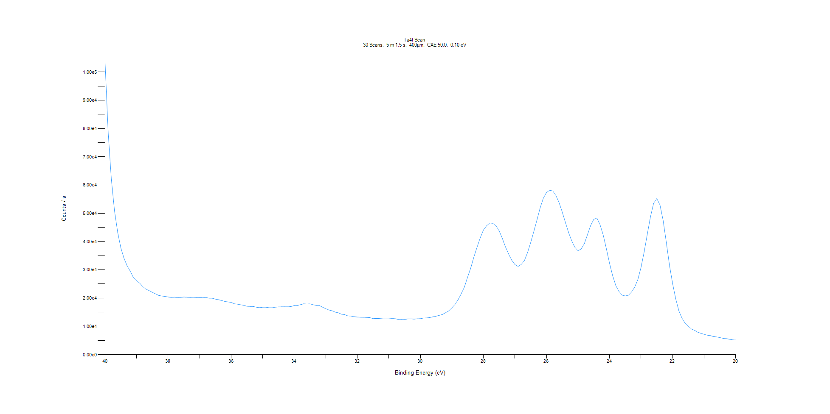
﻿
Axis | Energy | Elements= | 201

C:\XPS-UPS-Data\djung\TaRe_1215\Experiment\Experiment\X-Ray002 400um - FG ON\BOE_WK3\Ta4f Scan.VGD

Binding Energy (E)
eV |  | Counts / s
40 |  | 103222
39.9 |  | 78441.2
39.8 |  | 61964.1
39.7 |  | 50828.6
39.6 |  | 43277.9
39.5 |  | 37770.5
39.4 |  | 34078.8
39.3 |  | 31395
39.2 |  | 29507.3
39.1 |  | 27241.4
39 |  | 26148.4
38.9 |  | 25273.3
38.8 |  | 24035.2
38.7 |  | 23145.4
38.6 |  | 22626.4
38.5 |  | 22027.5
38.4 |  | 21501.1
38.3 |  | 20952.2
38.2 |  | 20726.6
38.1 |  | 20594.9
38 |  | 20394.6
37.9 |  | 20235.9
37.8 |  | 20334.4
37.7 |  | 20112.1
37.6 |  | 20251.8
37.5 |  | 20368.7
37.4 |  | 20312.4
37.3 |  | 20221.1
37.2 |  | 20302.4
37.1 |  | 20158.1
37 |  | 20177.2
36.9 |  | 20094.7
36.8 |  | 20222.2
36.7 |  | 19942.4
36.6 |  | 19937.3
36.5 |  | 19633.2
36.4 |  | 19421.6
36.3 |  | 19144.4
36.2 |  | 18789.3
36.1 |  | 18640.9
36 |  | 18491.4
35.9 |  | 17972.7
35.8 |  | 17842.9
35.7 |  | 17622.1
35.6 |  | 17451.9
35.5 |  | 17097.9
35.4 |  | 17051.3
35.3 |  | 17033.1
35.2 |  | 16769.9
35.1 |  | 16596
35 |  | 16778.6
34.9 |  | 16766.2
34.8 |  | 16588.9
34.7 |  | 16572
34.6 |  | 16776
34.5 |  | 16871.5
34.4 |  | 16910
34.3 |  | 16924.9
34.2 |  | 16913.5
34.1 |  | 17006.8
34 |  | 17354.8
33.9 |  | 17402.4
33.8 |  | 17659.8
33.7 |  | 17975.9
33.6 |  | 17875.6
33.5 |  | 17962.3
33.4 |  | 17632.6
33.3 |  | 17432.8
33.2 |  | 17351.6
33.1 |  | 16773.4
33 |  | 16242.8
32.9 |  | 15783.4
32.8 |  | 15513.1
32.7 |  | 15022.5
32.6 |  | 14787.2
32.5 |  | 14287.5
32.4 |  | 14146.4
32.3 |  | 13697.6
32.2 |  | 13635.6
32.1 |  | 13406.8
32 |  | 13293.8
31.9 |  | 13223.7
31.8 |  | 13207
31.7 |  | 13149.2
31.6 |  | 13072.6
31.5 |  | 12751.9
31.4 |  | 12806.7
31.3 |  | 12788.1
31.2 |  | 12662.1
31.1 |  | 12638.2
31 |  | 12665.9
30.9 |  | 12768.1
30.8 |  | 12715
30.7 |  | 12430
30.6 |  | 12395.9
30.5 |  | 12377.3
30.4 |  | 12648.7
30.3 |  | 12667.3
30.2 |  | 12548.9
30.1 |  | 12678.5
30 |  | 12705.3
29.9 |  | 12933.5
29.8 |  | 12980.9
29.7 |  | 13112.5
29.6 |  | 13368.6
29.5 |  | 13590.3
29.4 |  | 13893.4
29.3 |  | 14191.5
29.2 |  | 14814.2
29.1 |  | 15461.3
29 |  | 16546.1
28.9 |  | 17772.7
28.8 |  | 19478.2
28.7 |  | 21587.3
28.6 |  | 24000.4
28.5 |  | 27459.1
28.4 |  | 30715
28.3 |  | 34645.4
28.2 |  | 38044.3
28.1 |  | 41335
28 |  | 44093.6
27.9 |  | 45581.5
27.8 |  | 46555.2
27.7 |  | 46446.4
27.6 |  | 45572.6
27.5 |  | 43785.8
27.4 |  | 41109.7
27.3 |  | 38087.2
27.2 |  | 35588.8
27.1 |  | 33386.1
27 |  | 31869.8
26.9 |  | 31206.1
26.8 |  | 31910.5
26.7 |  | 33293.9
26.6 |  | 36090.8
26.5 |  | 39663.5
26.4 |  | 43604.9
26.3 |  | 47701.2
26.2 |  | 51960.1
26.1 |  | 55332.5
26 |  | 57345.3
25.9 |  | 58172.6
25.8 |  | 57906.8
25.7 |  | 56294.6
25.6 |  | 53785.9
25.5 |  | 50477.8
25.4 |  | 46825.2
25.3 |  | 43245.1
25.2 |  | 40275
25.1 |  | 37988.5
25 |  | 36746.3
24.9 |  | 37377.9
24.8 |  | 39236.9
24.7 |  | 42400
24.6 |  | 45677.3
24.5 |  | 47880.2
24.4 |  | 48325
24.3 |  | 45979.5
24.2 |  | 42320.2
24.1 |  | 37466
24 |  | 32342.3
23.9 |  | 27889.6
23.8 |  | 24429.7
23.7 |  | 22370.8
23.6 |  | 21041.8
23.5 |  | 20742.1
23.4 |  | 21026.7
23.3 |  | 22163.2
23.2 |  | 23892.9
23.1 |  | 26620.6
23 |  | 30901.4
22.9 |  | 36429.5
22.8 |  | 42752.8
22.7 |  | 48836.1
22.6 |  | 53597.1
22.5 |  | 55221
22.4 |  | 52992.3
22.3 |  | 47496.4
22.2 |  | 39781
22.1 |  | 31762.2
22 |  | 25203
21.9 |  | 19701.6
21.8 |  | 15478.2
21.7 |  | 12873.6
21.6 |  | 11058.8
21.5 |  | 10040.4
21.4 |  | 9054.95
21.3 |  | 8559.46
21.2 |  | 7917.09
21.1 |  | 7513.71
21 |  | 7180.05
20.9 |  | 6866.02
20.8 |  | 6708.94
20.7 |  | 6368.64
20.6 |  | 6242.88
20.5 |  | 6046.25
20.4 |  | 5761.95
20.3 |  | 5657.62
20.2 |  | 5422
20.1 |  | 5224.25
20 |  | 5165.41

Re4f Scan
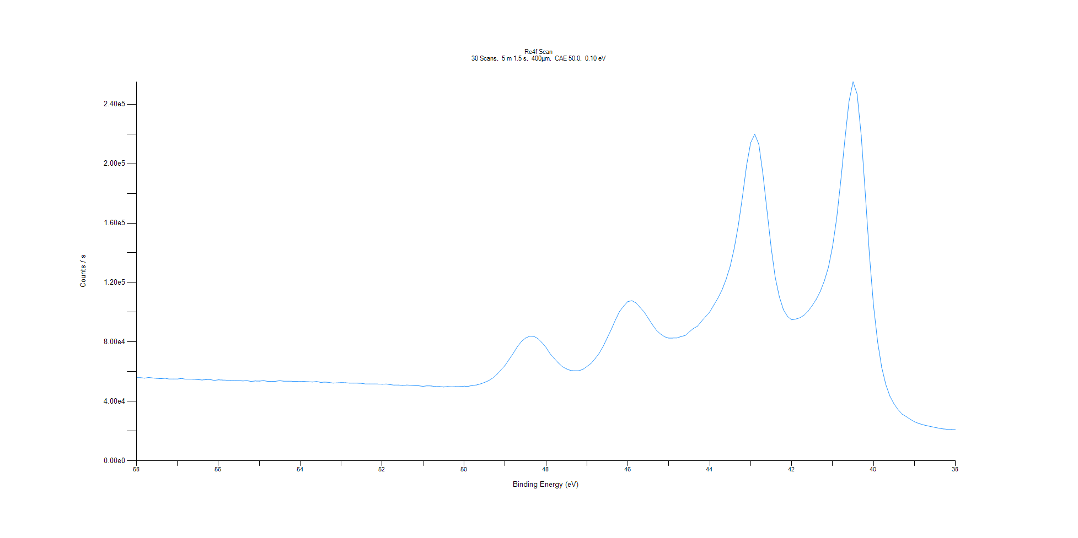
﻿
Axis | Energy | Elements= | 201

C:\XPS-UPS-Data\djung\TaRe_1215\Experiment\Experiment\X-Ray002 400um - FG ON\BOE_WK3\Re4f Scan.VGD

Binding Energy (E)
eV |  | Counts / s
58 |  | 56047.1
57.9 |  | 55953.8
57.8 |  | 55621
57.7 |  | 56120.8
57.6 |  | 55730.1
57.5 |  | 55500.2
57.4 |  | 55302.6
57.3 |  | 55607
57.2 |  | 55027.3
57.1 |  | 55066.3
57 |  | 55043.8
56.9 |  | 55434.1
56.8 |  | 54938.3
56.7 |  | 54979.1
56.6 |  | 54911
56.5 |  | 54658.1
56.4 |  | 54410.4
56.3 |  | 54638.2
56.2 |  | 54715.9
56.1 |  | 54097.2
56 |  | 54517.4
55.9 |  | 54382.8
55.8 |  | 54269.7
55.7 |  | 54078.7
55.6 |  | 54284.3
55.5 |  | 53956.7
55.4 |  | 53746.3
55.3 |  | 53937.7
55.2 |  | 53448
55.1 |  | 53749.9
55 |  | 53632.9
54.9 |  | 53950.2
54.8 |  | 53525.5
54.7 |  | 53463
54.6 |  | 53542.7
54.5 |  | 53930.5
54.4 |  | 53578.5
54.3 |  | 53578.5
54.2 |  | 53539.6
54.1 |  | 53476.9
54 |  | 53428.8
53.9 |  | 53479.4
53.8 |  | 53222.4
53.7 |  | 53039.4
53.6 |  | 53438
53.5 |  | 52759.1
53.4 |  | 52995.7
53.3 |  | 52767.8
53.2 |  | 52320.7
53.1 |  | 52468
53 |  | 52651.8
52.9 |  | 52600.2
52.8 |  | 52290.7
52.7 |  | 52293.5
52.6 |  | 52273.8
52.5 |  | 52149.8
52.4 |  | 51694.9
52.3 |  | 51755.6
52.2 |  | 51755.8
52.1 |  | 51681.3
52 |  | 51575.8
51.9 |  | 51711.3
51.8 |  | 51244.4
51.7 |  | 50945.5
51.6 |  | 51015.4
51.5 |  | 50740.1
51.4 |  | 51009.1
51.3 |  | 50851.2
51.2 |  | 50538.9
51.1 |  | 50483.6
51 |  | 50124.4
50.9 |  | 50482.5
50.8 |  | 50360.9
50.7 |  | 50002.5
50.6 |  | 50041.1
50.5 |  | 49673.2
50.4 |  | 50026.1
50.3 |  | 49742.9
50.2 |  | 49968.2
50.1 |  | 50020.1
50 |  | 50222.3
49.9 |  | 50103.4
49.8 |  | 50709.4
49.7 |  | 51021.7
49.6 |  | 51762.9
49.5 |  | 52758.3
49.4 |  | 53955.5
49.3 |  | 55707.5
49.2 |  | 58073.1
49.1 |  | 61184
49 |  | 64159.2
48.9 |  | 68199.4
48.8 |  | 72292.8
48.7 |  | 76732.3
48.6 |  | 80311.2
48.5 |  | 82596.4
48.4 |  | 83857.2
48.3 |  | 83817.6
48.2 |  | 82356.5
48.1 |  | 79631
48 |  | 76400.6
47.9 |  | 72134.3
47.8 |  | 68982.1
47.7 |  | 65953.8
47.6 |  | 63398.1
47.5 |  | 61898.6
47.4 |  | 60804.6
47.3 |  | 60582.8
47.2 |  | 60632.1
47.1 |  | 61511.8
47 |  | 63449.9
46.9 |  | 65541.3
46.8 |  | 68720.1
46.7 |  | 72367.2
46.6 |  | 77163.1
46.5 |  | 82969.8
46.4 |  | 88731.9
46.3 |  | 95080.5
46.2 |  | 100588
46.1 |  | 104208
46 |  | 107200
45.9 |  | 107771
45.8 |  | 106273
45.7 |  | 103241
45.6 |  | 100132
45.5 |  | 95866.1
45.4 |  | 91598.7
45.3 |  | 87823.3
45.2 |  | 85298.2
45.1 |  | 83479.4
45 |  | 82601.6
44.9 |  | 82640.3
44.8 |  | 82671.3
44.7 |  | 83695.8
44.6 |  | 84321.9
44.5 |  | 86747.6
44.4 |  | 89078.7
44.3 |  | 90618.8
44.2 |  | 93971.6
44.1 |  | 97101.1
44 |  | 100184
43.9 |  | 104832
43.8 |  | 109514
43.7 |  | 115003
43.6 |  | 122224
43.5 |  | 130994
43.4 |  | 143216
43.3 |  | 158846
43.2 |  | 177957
43.1 |  | 198928
43 |  | 214224
42.9 |  | 219853
42.8 |  | 212963
42.7 |  | 192777
42.6 |  | 168025
42.5 |  | 143404
42.4 |  | 123417
42.3 |  | 110426
42.2 |  | 101685
42.1 |  | 97191.7
42 |  | 94907.4
41.9 |  | 95418.9
41.8 |  | 96259.9
41.7 |  | 97939.2
41.6 |  | 100679
41.5 |  | 104400
41.4 |  | 108666
41.3 |  | 114052
41.2 |  | 121209
41.1 |  | 130439
41 |  | 144337
40.9 |  | 163358
40.8 |  | 188489
40.7 |  | 215964
40.6 |  | 241756
40.5 |  | 255131
40.4 |  | 246778
40.3 |  | 218802
40.2 |  | 179106
40.1 |  | 138597
40 |  | 104466
39.9 |  | 80068.5
39.8 |  | 62818.1
39.7 |  | 51292.2
39.6 |  | 43520.6
39.5 |  | 38342.5
39.4 |  | 34393.4
39.3 |  | 31392.3
39.2 |  | 29717.2
39.1 |  | 27879.7
39 |  | 26295.6
38.9 |  | 25177.2
38.8 |  | 24322
38.7 |  | 23641.6
38.6 |  | 23049
38.5 |  | 22489.8
38.4 |  | 21925.3
38.3 |  | 21486.8
38.2 |  | 21213.2
38.1 |  | 21102.4
38 |  | 20904.8

Al2p Scan
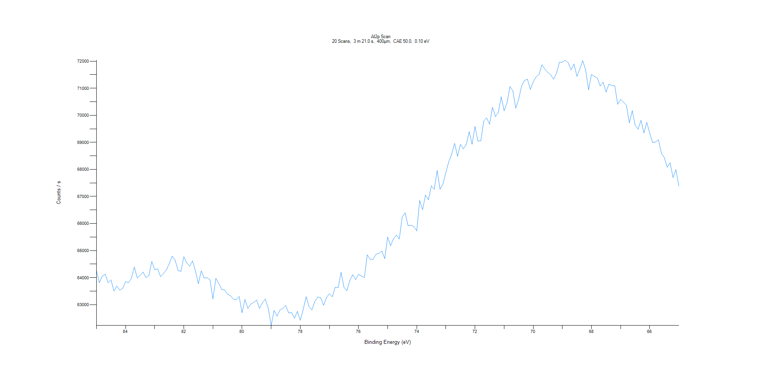
﻿
Axis | Energy | Elements= | 201

C:\XPS-UPS-Data\djung\TaRe_1215\Experiment\Experiment\X-Ray002 400um - FG ON\BOE_WK3\Al2p Scan.VGD

Binding Energy (E)
eV |  | Counts / s
85 |  | 64259.3
84.9 |  | 63812.9
84.8 |  | 64059.8
84.7 |  | 64128.4
84.6 |  | 63811.1
84.5 |  | 63915.8
84.4 |  | 63509
84.3 |  | 63688.5
84.2 |  | 63538.6
84.1 |  | 63603.7
84 |  | 63854.4
83.9 |  | 63815.2
83.8 |  | 63973.5
83.7 |  | 64396
83.6 |  | 63992.9
83.5 |  | 64085
83.4 |  | 64206.3
83.3 |  | 63999.8
83.2 |  | 64071.2
83.1 |  | 64602.7
83 |  | 64291.3
82.9 |  | 64327
82.8 |  | 64042.6
82.7 |  | 64153
82.6 |  | 64286.7
82.5 |  | 64515.1
82.4 |  | 64795.2
82.3 |  | 64651.2
82.2 |  | 64271.9
82.1 |  | 64229.7
82 |  | 64773.9
81.9 |  | 64541.7
81.8 |  | 64423.6
81.7 |  | 64616.5
81.6 |  | 64243.3
81.5 |  | 63777.7
81.4 |  | 64254.6
81.3 |  | 63985.2
81.2 |  | 63998.8
81.1 |  | 63917.9
81 |  | 63212.7
80.9 |  | 63975
80.8 |  | 63784.3
80.7 |  | 63567.5
80.6 |  | 63544.6
80.5 |  | 63391.2
80.4 |  | 63332.1
80.3 |  | 63210.3
80.2 |  | 63181.1
80.1 |  | 63304.6
80 |  | 62704.9
79.9 |  | 63197.7
79.8 |  | 62863.9
79.7 |  | 63027.6
79.6 |  | 63090.2
79.5 |  | 63169.6
79.4 |  | 62867.6
79.3 |  | 63072.9
79.2 |  | 63211.6
79.1 |  | 62867.7
79 |  | 62233.3
78.9 |  | 62787.1
78.8 |  | 62576.7
78.7 |  | 62804
78.6 |  | 62867.1
78.5 |  | 62971.9
78.4 |  | 62697.8
78.3 |  | 62710.6
78.2 |  | 62501.4
78.1 |  | 62754.6
78 |  | 62424.4
77.9 |  | 62821.6
77.8 |  | 63297.3
77.7 |  | 62934.5
77.6 |  | 62810.7
77.5 |  | 63126.6
77.4 |  | 63285.5
77.3 |  | 63254.2
77.2 |  | 62981.1
77.1 |  | 63270.1
77 |  | 63405.2
76.9 |  | 63293.7
76.8 |  | 63647.8
76.7 |  | 63627.5
76.6 |  | 64195.3
76.5 |  | 63642.7
76.4 |  | 63517.4
76.3 |  | 63897.9
76.2 |  | 64108.8
76.1 |  | 63926.4
76 |  | 64118.2
75.9 |  | 64058.5
75.8 |  | 64005.8
75.7 |  | 64845.1
75.6 |  | 64680.4
75.5 |  | 64677.2
75.4 |  | 64863.5
75.3 |  | 64897.3
75.2 |  | 64983.7
75.1 |  | 64705.5
75 |  | 65498.9
74.9 |  | 65183.8
74.8 |  | 65436
74.7 |  | 65570.6
74.6 |  | 65429.8
74.5 |  | 66244.3
74.4 |  | 66396.8
74.3 |  | 65925.6
74.2 |  | 65935.8
74.1 |  | 65889.9
74 |  | 65732
73.9 |  | 66850.7
73.8 |  | 66511.2
73.7 |  | 67052.2
73.6 |  | 66877.1
73.5 |  | 67390.8
73.4 |  | 67265.9
73.3 |  | 67961
73.2 |  | 67263.1
73.1 |  | 67462.8
73 |  | 67889.9
72.9 |  | 68288.7
72.8 |  | 68569.1
72.7 |  | 68962.8
72.6 |  | 68483.8
72.5 |  | 68927
72.4 |  | 68759.5
72.3 |  | 68920.9
72.2 |  | 69391.4
72.1 |  | 68929.5
72 |  | 69587.7
71.9 |  | 69050.3
71.8 |  | 69054.8
71.7 |  | 69786.3
71.6 |  | 69903.4
71.5 |  | 69672.4
71.4 |  | 70296
71.3 |  | 69952.6
71.2 |  | 70099.7
71.1 |  | 70683.2
71 |  | 70163.1
70.9 |  | 70458.1
70.8 |  | 71065
70.7 |  | 70900.5
70.6 |  | 70264
70.5 |  | 70593.9
70.4 |  | 71079
70.3 |  | 71287.8
70.2 |  | 71331.6
70.1 |  | 70956.1
70 |  | 71236.6
69.9 |  | 71419.9
69.8 |  | 71510.8
69.7 |  | 71868.7
69.6 |  | 71706.2
69.5 |  | 71583.9
69.4 |  | 71491.8
69.3 |  | 71332.3
69.2 |  | 71556
69.1 |  | 71958.9
69 |  | 71960.1
68.9 |  | 72036.1
68.8 |  | 71938.4
68.7 |  | 71679.5
68.6 |  | 71896.2
68.5 |  | 71438.5
68.4 |  | 71710.6
68.3 |  | 72015.8
68.2 |  | 71670
68.1 |  | 70942.2
68 |  | 71507.1
67.9 |  | 71437
67.8 |  | 71379.2
67.7 |  | 71082.5
67.6 |  | 71223.7
67.5 |  | 70859.1
67.4 |  | 71151.3
67.3 |  | 71101.2
67.2 |  | 71086.1
67.1 |  | 70407
67 |  | 70585.1
66.9 |  | 70484.8
66.8 |  | 70369
66.7 |  | 69718.4
66.6 |  | 70167.9
66.5 |  | 69629.3
66.4 |  | 69487.7
66.3 |  | 69815.4
66.2 |  | 69344.3
66.1 |  | 69743.7
66 |  | 69335.4
65.9 |  | 68992
65.8 |  | 69014.3
65.7 |  | 69092.1
65.6 |  | 68598.9
65.5 |  | 68435.8
65.4 |  | 68081.6
65.3 |  | 68245.2
65.2 |  | 67700.9
65.1 |  | 67987.5
65 |  | 67380.6

C1s Scan
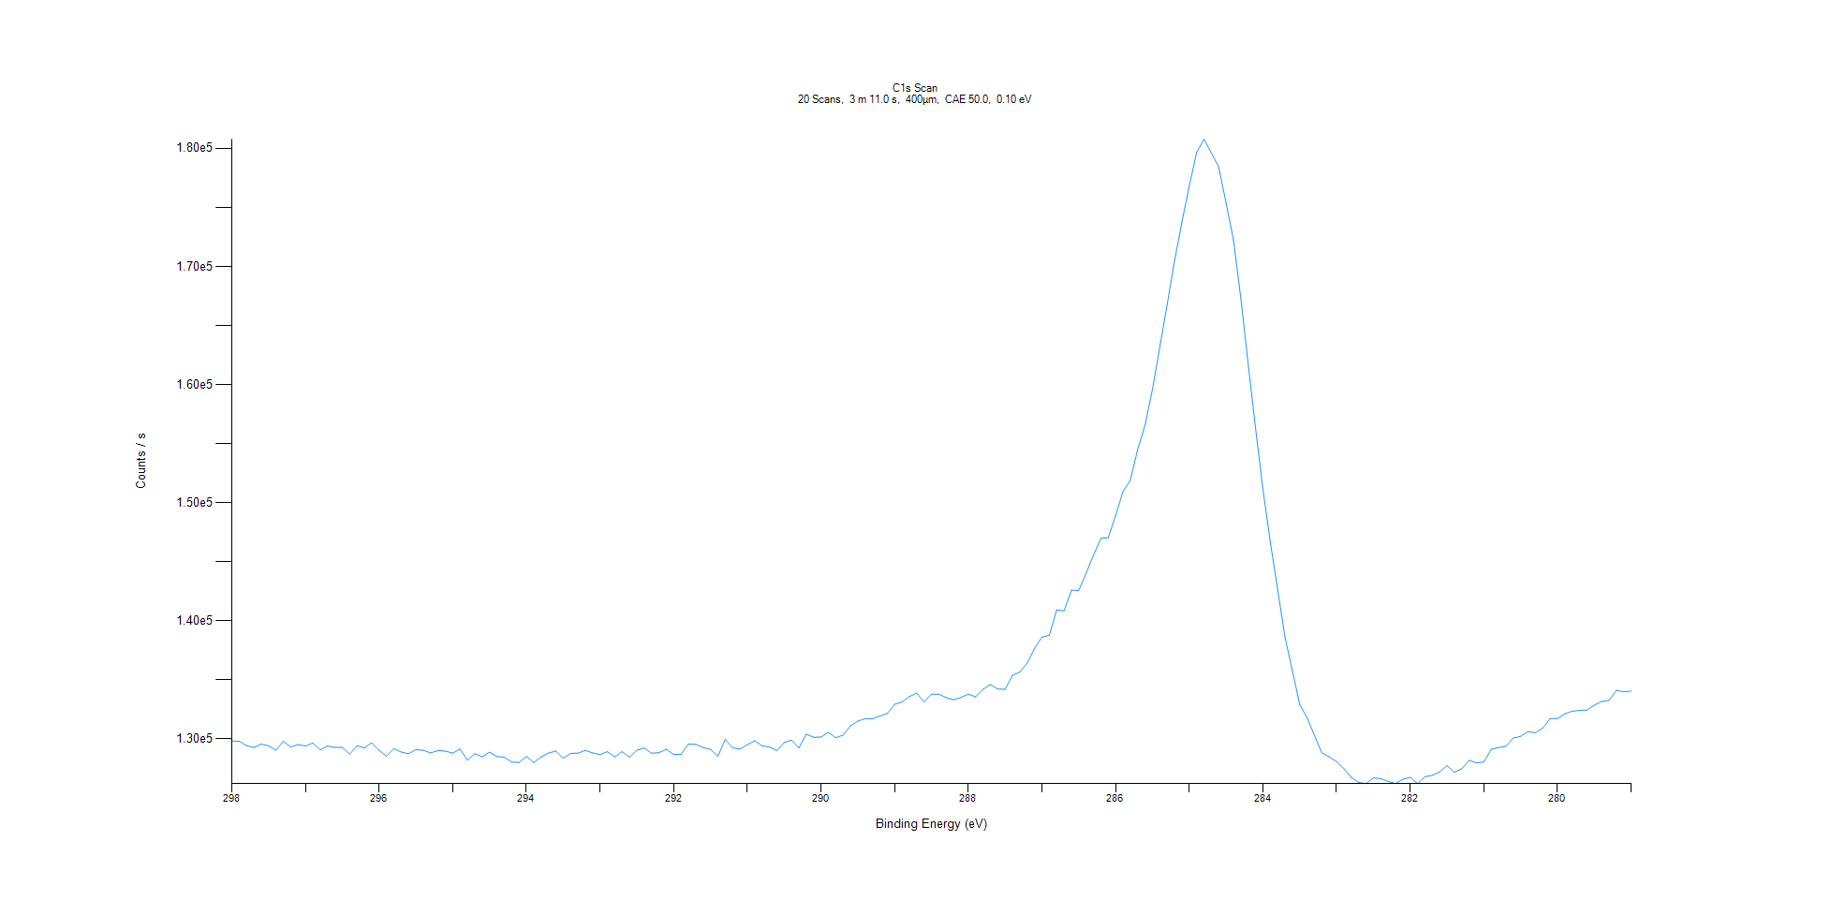
﻿
Axis | Energy | Elements= | 191

C:\XPS-UPS-Data\djung\TaRe_1215\Experiment\Experiment\X-Ray002 400um - FG ON\BOE_WK3\C1s Scan.VGD

Binding Energy (E)
eV |  | Counts / s
298 |  | 129833
297.9 |  | 129816
297.8 |  | 129439
297.7 |  | 129280
297.6 |  | 129573
297.5 |  | 129416
297.4 |  | 129051
297.3 |  | 129812
297.2 |  | 129333
297.1 |  | 129533
297 |  | 129406
296.9 |  | 129666
296.8 |  | 129078
296.7 |  | 129408
296.6 |  | 129286
296.5 |  | 129290
296.4 |  | 128719
296.3 |  | 129428
296.2 |  | 129255
296.1 |  | 129675
296 |  | 129041
295.9 |  | 128548
295.8 |  | 129196
295.7 |  | 128898
295.6 |  | 128754
295.5 |  | 129101
295.4 |  | 129042
295.3 |  | 128832
295.2 |  | 129021
295.1 |  | 128980
295 |  | 128807
294.9 |  | 129151
294.8 |  | 128210
294.7 |  | 128759
294.6 |  | 128497
294.5 |  | 128882
294.4 |  | 128515
294.3 |  | 128475
294.2 |  | 128045
294.1 |  | 128010
294 |  | 128517
293.9 |  | 128006
293.8 |  | 128492
293.7 |  | 128809
293.6 |  | 128990
293.5 |  | 128368
293.4 |  | 128783
293.3 |  | 128799
293.2 |  | 129037
293.1 |  | 128824
293 |  | 128679
292.9 |  | 128927
292.8 |  | 128490
292.7 |  | 128935
292.6 |  | 128463
292.5 |  | 129045
292.4 |  | 129243
292.3 |  | 128800
292.2 |  | 128843
292.1 |  | 129130
292 |  | 128702
291.9 |  | 128701
291.8 |  | 129570
291.7 |  | 129559
291.6 |  | 129278
291.5 |  | 129121
291.4 |  | 128543
291.3 |  | 129971
291.2 |  | 129255
291.1 |  | 129150
291 |  | 129519
290.9 |  | 129851
290.8 |  | 129428
290.7 |  | 129315
290.6 |  | 129025
290.5 |  | 129704
290.4 |  | 129906
290.3 |  | 129245
290.2 |  | 130408
290.1 |  | 130154
290 |  | 130163
289.9 |  | 130571
289.8 |  | 130110
289.7 |  | 130338
289.6 |  | 131116
289.5 |  | 131508
289.4 |  | 131732
289.3 |  | 131706
289.2 |  | 131955
289.1 |  | 132161
289 |  | 132944
288.9 |  | 133141
288.8 |  | 133593
288.7 |  | 133884
288.6 |  | 133134
288.5 |  | 133804
288.4 |  | 133795
288.3 |  | 133511
288.2 |  | 133323
288.1 |  | 133525
288 |  | 133794
287.9 |  | 133571
287.8 |  | 134210
287.7 |  | 134611
287.6 |  | 134238
287.5 |  | 134207
287.4 |  | 135389
287.3 |  | 135673
287.2 |  | 136441
287.1 |  | 137676
287 |  | 138624
286.9 |  | 138773
286.8 |  | 140923
286.7 |  | 140843
286.6 |  | 142600
286.5 |  | 142577
286.4 |  | 144031
286.3 |  | 145566
286.2 |  | 146983
286.1 |  | 147045
286 |  | 148907
285.9 |  | 150949
285.8 |  | 151901
285.7 |  | 154527
285.6 |  | 156583
285.5 |  | 159595
285.4 |  | 163197
285.3 |  | 166756
285.2 |  | 170472
285.1 |  | 173743
285 |  | 176824
284.9 |  | 179650
284.8 |  | 180781
284.7 |  | 179606
284.6 |  | 178429
284.5 |  | 175364
284.4 |  | 172253
284.3 |  | 167301
284.2 |  | 161758
284.1 |  | 156331
284 |  | 151151
283.9 |  | 146681
283.8 |  | 142670
283.7 |  | 138598
283.6 |  | 135791
283.5 |  | 132931
283.4 |  | 131802
283.3 |  | 130295
283.2 |  | 128823
283.1 |  | 128493
283 |  | 128088
282.9 |  | 127490
282.8 |  | 126754
282.7 |  | 126326
282.6 |  | 126226
282.5 |  | 126699
282.4 |  | 126659
282.3 |  | 126405
282.2 |  | 126240
282.1 |  | 126592
282 |  | 126759
281.9 |  | 126219
281.8 |  | 126803
281.7 |  | 126934
281.6 |  | 127214
281.5 |  | 127747
281.4 |  | 127192
281.3 |  | 127487
281.2 |  | 128189
281.1 |  | 127988
281 |  | 128053
280.9 |  | 129132
280.8 |  | 129279
280.7 |  | 129384
280.6 |  | 130081
280.5 |  | 130227
280.4 |  | 130635
280.3 |  | 130530
280.2 |  | 130927
280.1 |  | 131725
280 |  | 131729
279.9 |  | 132142
279.8 |  | 132358
279.7 |  | 132427
279.6 |  | 132455
279.5 |  | 132864
279.4 |  | 133185
279.3 |  | 133269
279.2 |  | 134127
279.1 |  | 134000
279 |  | 134056

O1s Scan
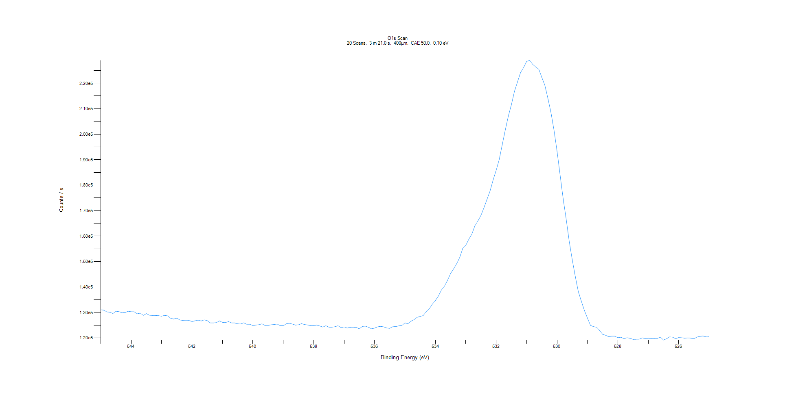
﻿
Axis | Energy | Elements= | 201

C:\XPS-UPS-Data\djung\TaRe_1215\Experiment\Experiment\X-Ray002 400um - FG ON\BOE_WK3\O1s Scan.VGD

Binding Energy (E)
eV |  | Counts / s
545 |  | 131063
544.9 |  | 130929
544.8 |  | 130242
544.7 |  | 130099
544.6 |  | 129585
544.5 |  | 130500
544.4 |  | 130338
544.3 |  | 129891
544.2 |  | 129962
544.1 |  | 130496
544 |  | 130304
543.9 |  | 130269
543.8 |  | 129482
543.7 |  | 129760
543.6 |  | 128872
543.5 |  | 129563
543.4 |  | 128934
543.3 |  | 128842
543.2 |  | 128845
543.1 |  | 128754
543 |  | 128553
542.9 |  | 128878
542.8 |  | 128671
542.7 |  | 127719
542.6 |  | 127440
542.5 |  | 127790
542.4 |  | 127074
542.3 |  | 126880
542.2 |  | 126790
542.1 |  | 126875
542 |  | 126454
541.9 |  | 126725
541.8 |  | 127004
541.7 |  | 126663
541.6 |  | 127112
541.5 |  | 126806
541.4 |  | 125908
541.3 |  | 125906
541.2 |  | 126006
541.1 |  | 126701
541 |  | 126140
540.9 |  | 126036
540.8 |  | 126436
540.7 |  | 125915
540.6 |  | 125909
540.5 |  | 125553
540.4 |  | 125493
540.3 |  | 125957
540.2 |  | 125386
540.1 |  | 125397
540 |  | 124888
539.9 |  | 125075
539.8 |  | 125189
539.7 |  | 125549
539.6 |  | 124913
539.5 |  | 124952
539.4 |  | 125167
539.3 |  | 125293
539.2 |  | 125461
539.1 |  | 124837
539 |  | 124800
538.9 |  | 125569
538.8 |  | 125776
538.7 |  | 125459
538.6 |  | 125065
538.5 |  | 125165
538.4 |  | 125633
538.3 |  | 125263
538.2 |  | 125100
538.1 |  | 124887
538 |  | 124848
537.9 |  | 125081
537.8 |  | 124709
537.7 |  | 124291
537.6 |  | 124805
537.5 |  | 124250
537.4 |  | 124241
537.3 |  | 124422
537.2 |  | 124808
537.1 |  | 124038
537 |  | 124371
536.9 |  | 123881
536.8 |  | 124194
536.7 |  | 124223
536.6 |  | 124160
536.5 |  | 123590
536.4 |  | 124531
536.3 |  | 124649
536.2 |  | 124210
536.1 |  | 123603
536 |  | 123865
535.9 |  | 124355
535.8 |  | 124573
535.7 |  | 124364
535.6 |  | 123920
535.5 |  | 123789
535.4 |  | 124418
535.3 |  | 124482
535.2 |  | 124759
535.1 |  | 124927
535 |  | 125912
534.9 |  | 125611
534.8 |  | 126577
534.7 |  | 127195
534.6 |  | 128109
534.5 |  | 128466
534.4 |  | 128792
534.3 |  | 130371
534.2 |  | 131421
534.1 |  | 133267
534 |  | 134689
533.9 |  | 136466
533.8 |  | 138847
533.7 |  | 140364
533.6 |  | 142624
533.5 |  | 145297
533.4 |  | 147126
533.3 |  | 149131
533.2 |  | 151590
533.1 |  | 155167
533 |  | 156371
532.9 |  | 158746
532.8 |  | 160802
532.7 |  | 164046
532.6 |  | 165952
532.5 |  | 168147
532.4 |  | 171205
532.3 |  | 174480
532.2 |  | 177778
532.1 |  | 182073
532 |  | 185870
531.9 |  | 190057
531.8 |  | 195943
531.7 |  | 201750
531.6 |  | 207130
531.5 |  | 211611
531.4 |  | 216787
531.3 |  | 220507
531.2 |  | 224169
531.1 |  | 226142
531 |  | 228550
530.9 |  | 228972
530.8 |  | 227405
530.7 |  | 226378
530.6 |  | 225516
530.5 |  | 222272
530.4 |  | 219173
530.3 |  | 214029
530.2 |  | 208481
530.1 |  | 201584
530 |  | 193299
529.9 |  | 184048
529.8 |  | 174716
529.7 |  | 166715
529.6 |  | 157955
529.5 |  | 150728
529.4 |  | 144111
529.3 |  | 138172
529.2 |  | 134386
529.1 |  | 130785
529 |  | 127798
528.9 |  | 124934
528.8 |  | 124443
528.7 |  | 124232
528.6 |  | 122952
528.5 |  | 121419
528.4 |  | 121054
528.3 |  | 120520
528.2 |  | 120724
528.1 |  | 120702
528 |  | 120117
527.9 |  | 120303
527.8 |  | 119716
527.7 |  | 120096
527.6 |  | 119884
527.5 |  | 119447
527.4 |  | 119497
527.3 |  | 119521
527.2 |  | 120041
527.1 |  | 119788
527 |  | 119918
526.9 |  | 119759
526.8 |  | 119822
526.7 |  | 119854
526.6 |  | 120309
526.5 |  | 119193
526.4 |  | 119703
526.3 |  | 120414
526.2 |  | 120315
526.1 |  | 119722
526 |  | 120159
525.9 |  | 120079
525.8 |  | 119922
525.7 |  | 120028
525.6 |  | 119950
525.5 |  | 119680
525.4 |  | 120352
525.3 |  | 120650
525.2 |  | 120777
525.1 |  | 120415
525 |  | 120481

