First_Test
Step Number | Steps | Expected results | Actual Results
1 | Open salesforce site: https://seavus-testing-vlocity--vlocitysbx.my.salesforce.com/ | Site is successfully opened. | 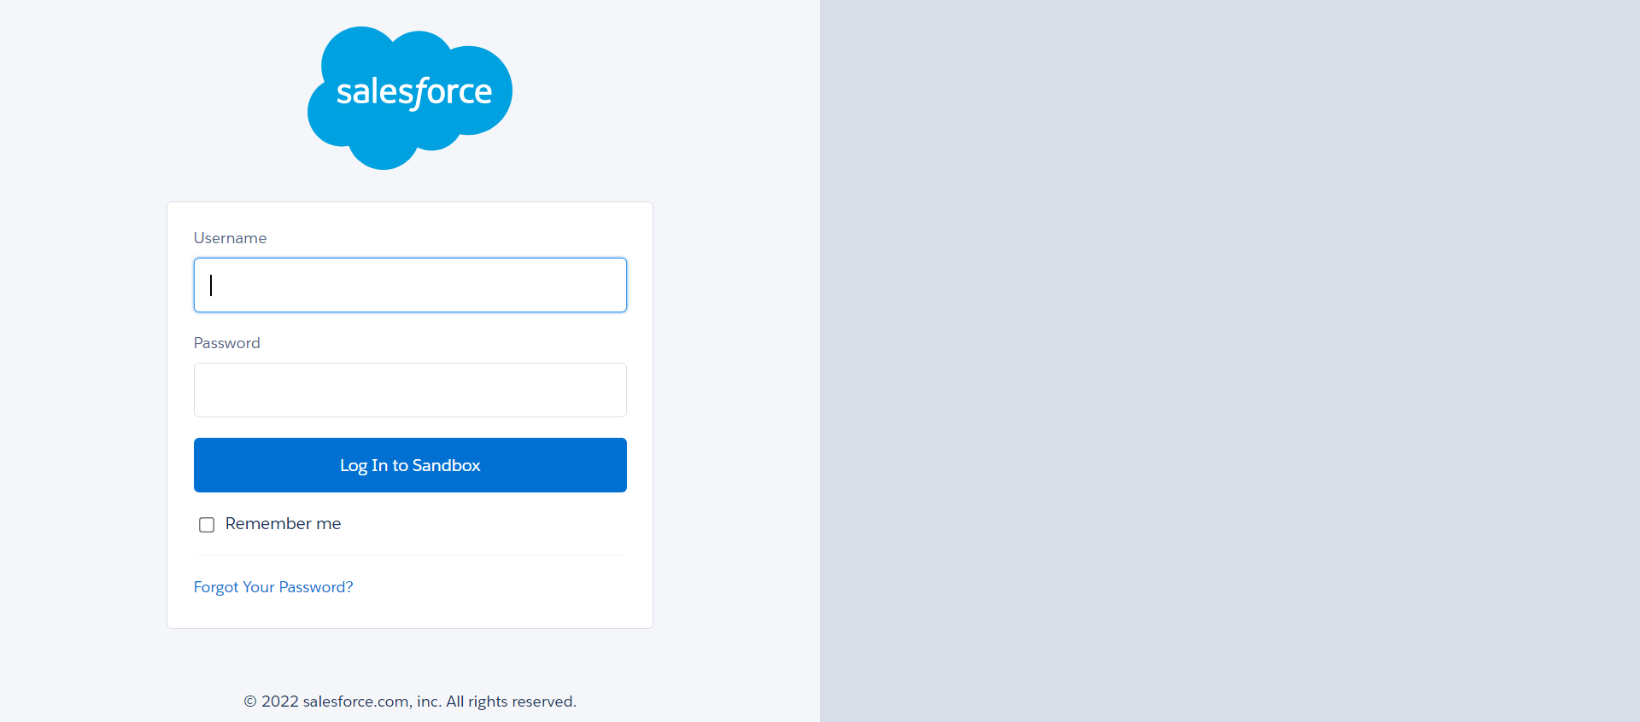
2 | Try to log in to the system with cridentials: - username: team.seavus@partner-prod.com.vlocitysbx - password: seavusQA123! | Successfully logged in to the system. | 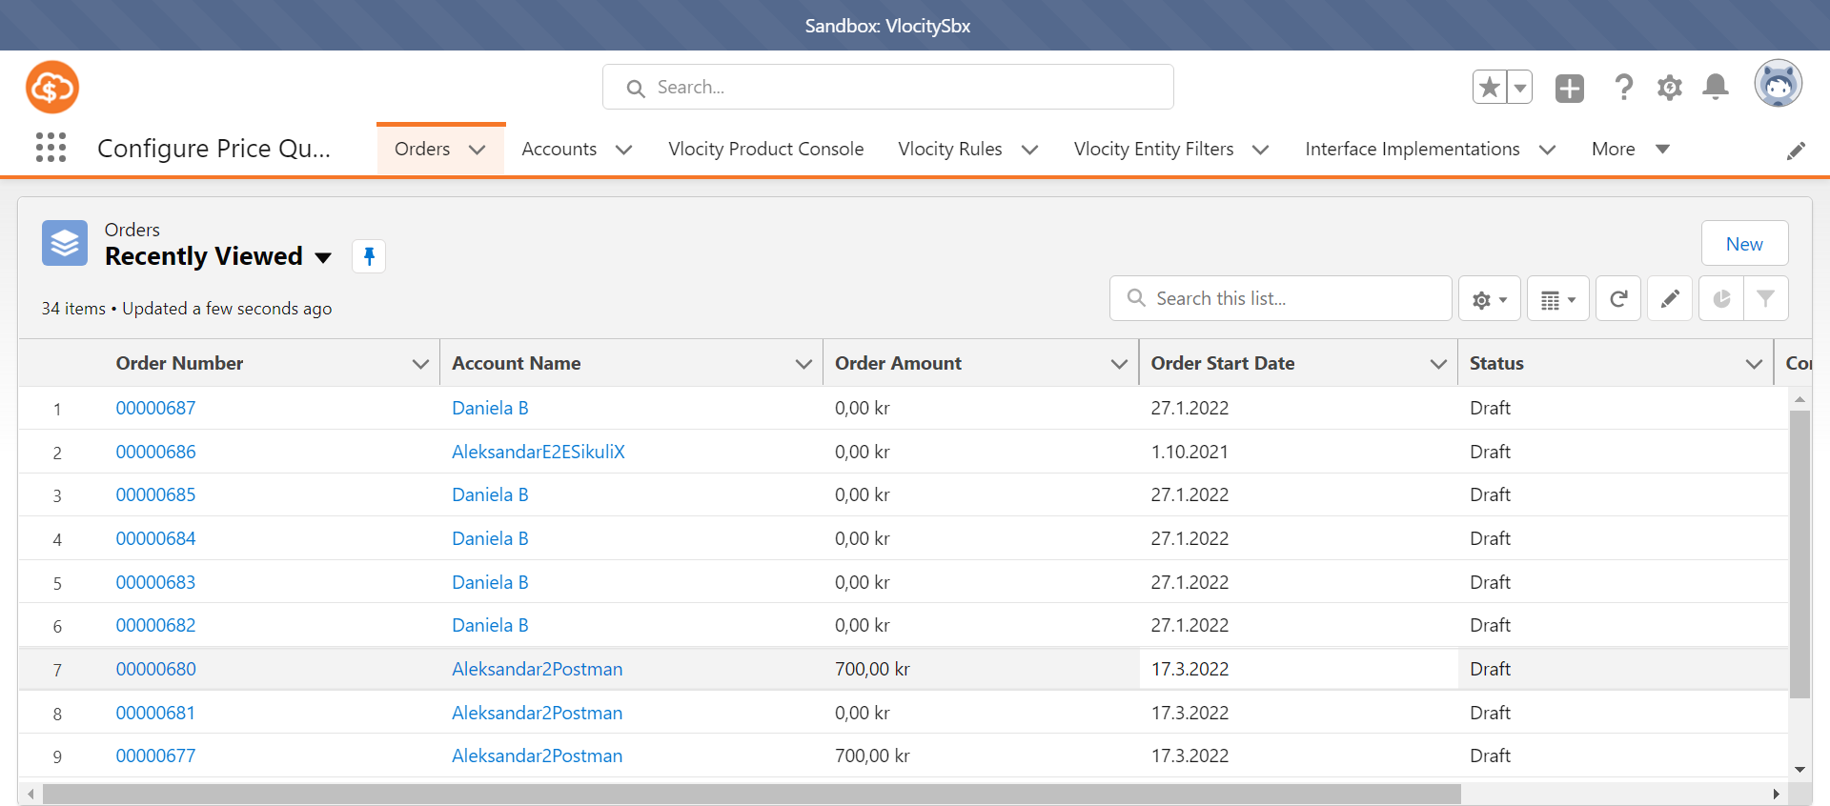
3 | Click on the icon for searching the specific section. Specify Order and click from the drop down. | Order section should be open. | 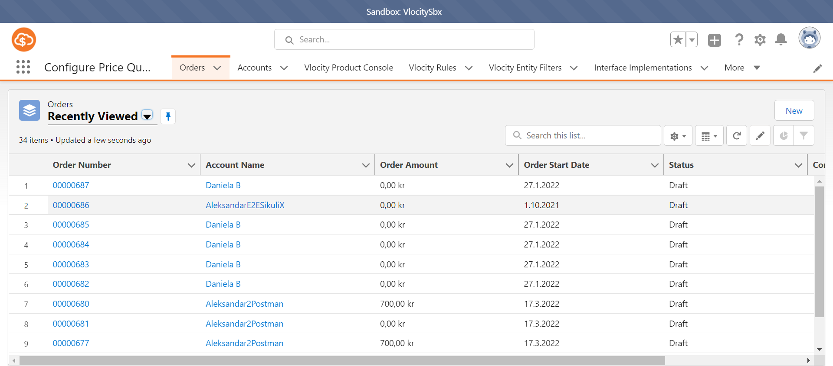
4 | Change the list to be seen all Orders that are created. | Successfully performed. |  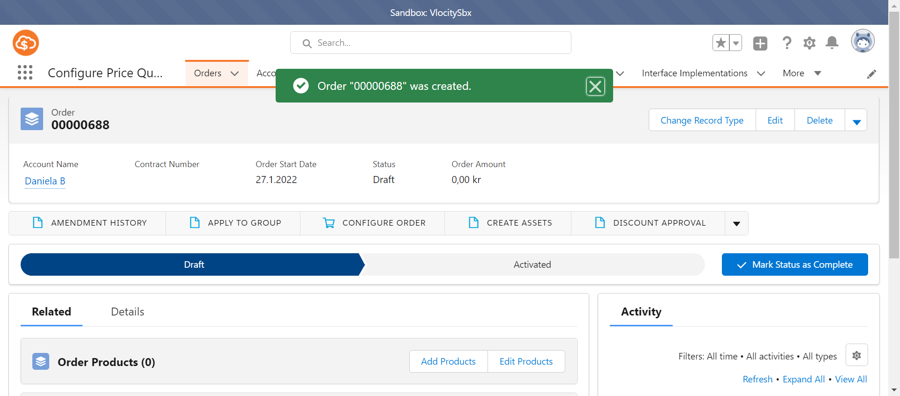
5 | Create new order with parameters: - Accout Name: Daniela B - date: 27.1.2022 | Order is succesfully created. | 

