Noi_Suy_63_Kich_Ban
BẢNG THỐNG KÊ VÀ NỘI SUY FULL 63 KỊCH BẢN (THÔNG KÊ TỪ 1.000 PHIẾU KHẢO SÁT)
(Logic: Mốc 5k Xe Buýt tham chiếu làm mốc 100%; Mốc 25k + 15p giảm xuống ~1.8% gần bằng 0)

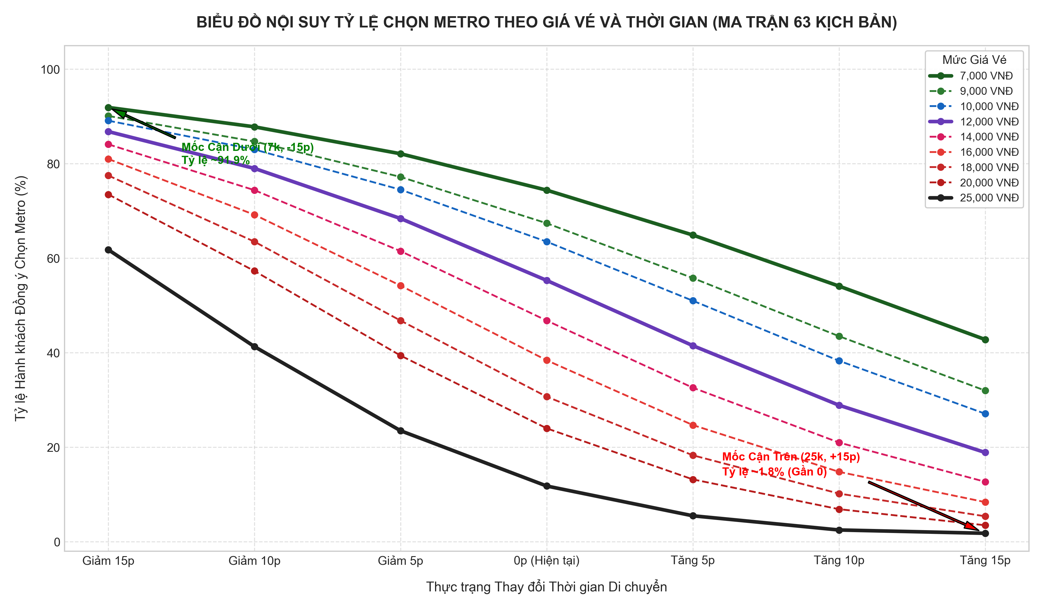
Giá Vé (VNĐ) \ Thời Gian | Giảm 15p | Giảm 10p | Giảm 5p | Như hiện tại (0p) | Tăng 5p | Tăng 10p | Tăng 15p
7,000 VNĐ | 91.9% | 87.8% | 82.1% | 74.4% | 64.9% | 54.1% | 42.8%
9,000 VNĐ | 90.1% | 84.7% | 77.2% | 67.4% | 55.8% | 43.5% | 32.0%
10,000 VNĐ | 89.1% | 83.0% | 74.5% | 63.5% | 51.0% | 38.3% | 27.1%
12,000 VNĐ | 86.8% | 79.0% | 68.4% | 55.3% | 41.5% | 28.9% | 18.9%
14,000 VNĐ | 84.1% | 74.4% | 61.5% | 46.8% | 32.6% | 21.0% | 12.7%
16,000 VNĐ | 81.0% | 69.2% | 54.2% | 38.4% | 24.7% | 14.8% | 8.4%
18,000 VNĐ | 77.5% | 63.5% | 46.8% | 30.7% | 18.3% | 10.2% | 5.4%
20,000 VNĐ | 73.5% | 57.3% | 39.4% | 24.0% | 13.2% | 6.9% | 3.5%
25,000 VNĐ | 61.8% | 41.3% | 23.5% | 11.8% | 5.5% | 2.5% | 1.8%

