nCino ERD
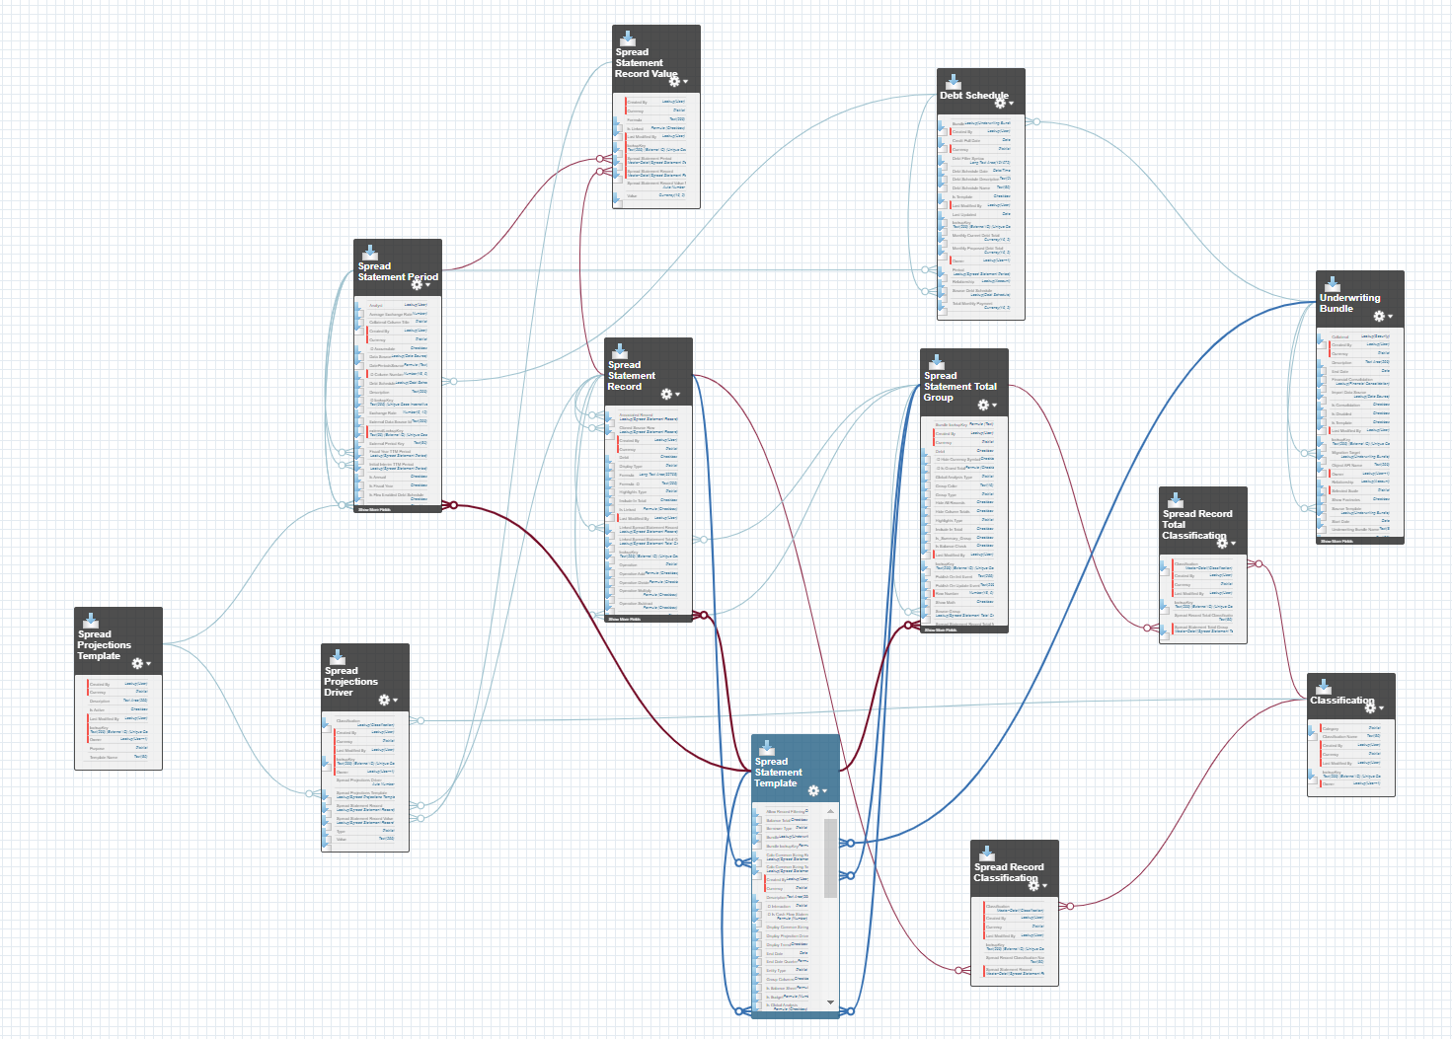

Kafka | Field Mappings
Kafka Message |  | Raw Table |  |  | Staging Table |  |  |  | Curated Table |  |  |  |  | Consumption View
Field Name | Field Description | Field Name | Data Type | String Length | Field Name | Nullable? | Field Type | String Length | Field Name | Nullable? | Field Type | String Length | Notes | Field Name | Nullable? | Field Type | String Length
ReplayId | Found intermingled with nCINO object field data | EventMessage_ReplayId | INT64 | n/a | EventMessage_ReplayId | no | INT64 | n/a | n/a | n/a | n/a | n/a | Field not mapped beyond staging | n/a | n/a | n/a | n/a
entityName | Found inside the "ChangeEventHeader" section | EventMessage_EntityName | STRING | 255 | EventMessage_EntityName | no | STRING | 255 | n/a | n/a | n/a | n/a | Field not mapped beyond staging | n/a | n/a | n/a | n/a
recordsIds | Found inside the "ChangeEventHeader" section | EventMessage_RecordIds | ARRAY<STRING> | 255 | EventMessage_RecordIds | no | ARRAY<STRING> | 255 | n/a | n/a | n/a | n/a | Field not mapped beyond staging | n/a | n/a | n/a | n/a
changeType | Found inside the "ChangeEventHeader" section | EventMessage_ChangeType | STRING | 255 | EventMessage_ChangeType | no | STRING | 255 | EventMessage_ChangeType | no | STRING | 255 | If change type of earliest message for object is "CREATE" value stored in curated table should be "CREATE" even if subsequent update events exist | EventMessage_ChangeType | no | STRING | 255
changeFields | Found inside the "ChangeEventHeader" section | EventMessage_ChangeFields | ARRAY<STRING> | 255 | EventMessage_ChangeFields | no | ARRAY<STRING> | 255 | n/a | n/a | n/a | n/a | Field not mapped beyond staging | n/a | n/a | n/a | n/a
changeOrigin | Found inside the "ChangeEventHeader" section | EventMessage_ChangeOrigin | STRING | 255 | EventMessage_ChangeOrigin | no | STRING | 255 | n/a | n/a | n/a | n/a | Field not mapped beyond staging | n/a | n/a | n/a | n/a
transactionKey | Found inside the "ChangeEventHeader" section | EventMessage_TransactionKey | STRING | 255 | EventMessage_TransactionKey | no | STRING | 255 | n/a | n/a | n/a | n/a | Field not mapped beyond staging | n/a | n/a | n/a | n/a
sequenceNumber | Found inside the "ChangeEventHeader" section | EventMessage_Sequencenumber | INT64 | n/a | EventMessage_Sequencenumber | no | INT64 | n/a | n/a | n/a | n/a | n/a | Field not mapped beyond staging | n/a | n/a | n/a | n/a
commitTimestamp | Found inside the "ChangeEventHeader" section | EventMessage_Sequencenumber | INT64 | n/a | EventMessage_Sequencenumber | no | INT64 | n/a | n/a | n/a | n/a | n/a | Field not mapped beyond staging | n/a | n/a | n/a | n/a
commitUser | Found inside the "ChangeEventHeader" section | EventMessage_Commituser | STRING | 255 | EventMessage_Commituser | no | STRING | 255 | n/a | n/a | n/a | n/a | Field not mapped beyond staging | n/a | n/a | n/a | n/a
commitNumber | Found inside the "ChangeEventHeader" section | EventMessage_CommitNumber | INT64 | n/a | EventMessage_CommitNumber | no | INT64 | n/a | n/a | n/a | n/a | n/a | Field not mapped beyond staging | n/a | n/a | n/a | n/a
_ObjectType | Found intermingled with nCINO object field data | EventMessage_ObjectType | STRING | 255 | EventMessage_ObjectType | no | STRING | 255 | n/a | n/a | n/a | n/a | Field not mapped beyond staging | n/a | n/a | n/a | n/a
_EventType | Found intermingled with nCINO object field data | EventMessage_EventType | STRING | 255 | EventMessage_EventType | no | STRING | 255 | n/a | n/a | n/a | n/a | Field not mapped beyond staging | n/a | n/a | n/a | n/a
n/a | n/a | n/a | n/a | n/a | loadTimestamp | no | DATETIME | n/a | loadTimestamp | no | DATETIME | n/a | Timestamp for when the record is loaded from RAW into STAGING. If there are multiple records for an ID in Staging, all updates are consolidated into one record based on the commitTimestamp | loadTimestamp | no | DATETIME | n/a

Only the "ChangeType" value is required to be mapped beyond the Staging layer.

DataType Conversion
nCINO Data Types | https://developer.salesforce.com/docs/atlas.en-us.apexcode.meta/apexcode/langCon_apex_primitives.htm
GCP Data Types | Data types | BigQuery | Google Cloud

nCino Data Types |  | BigQuery data type mapping
nCino Data Type | Description | Data Type | Description | Size | Range | Format | Precision | Scale
Blob | A collection of binary data stored as a single object. You can convert this data type to String or from String using the toString and valueOf methods, respectively. Blobs can be accepted as Web service arguments, stored in a document (the body of a document is a Blob), or sent as attachments. For more information, see Crypto Class. | BYTES | Variable-length binary data
Boolean | A value that can only be assigned true, false, or null. | BOOL | Boolean values are represented by the keywords TRUE and FALSE (case-insensitive) | 1 logical byte
Date | A value that indicates a particular day. Unlike Datetime values, Date values contain no information about time. Always create date values with a system static method. | DATE | The DATE type represents a logical calendar date, independent of time zone. A DATE value does not represent a specific 24-hour time period. Rather, a given DATE value represents a different 24-hour period when interpreted in different time zones, and may represent a shorter or longer day during Daylight Savings Time transitions. To represent an absolute point in time, use a timestamp | 8 logical bytes | 0001-01-01 to 9999-12-31 | YYYY-[M]M-[D]D
Datetime | A value that indicates a particular day and time, such as a timestamp. Always create datetime values with a system static method. | DATETIME | A DATETIME value represents a date and time, as they might be displayed on a watch, independent of time zone. It includes the year, month, day, hour, minute, second, and subsecond. To represent an absolute point in time, use a timestamp | 8 logical bytes | 0001-01-01 00:00:00 to 9999-12-31 23:59:59.999999 | YYYY-[M]M-[D]D[( |T)[H]H:[M]M:[S]S[.F]]
Decimal | A number that includes a decimal point. Decimal is an arbitrary precision number. Currency fields are automatically assigned the type Decimal. | DECIMAL | Decimal type values are numeric values with fixed decimal precision and scale. Precision is the number of digits that the number contains. Scale is how many of these digits appear after the decimal point. | 16 logical bytes | -9.9999999999999999999999999999999999999E+28 to 9.9999999999999999999999999999999999999E+28 |  | 38 | 9
Double | A 64-bit number that includes a decimal point. Doubles have a minimum value of -263 and a maximum value of 263-1. | DECIMAL | Decimal type values are numeric values with fixed decimal precision and scale. Precision is the number of digits that the number contains. Scale is how many of these digits appear after the decimal point. | 16 logical bytes | -9.9999999999999999999999999999999999999E+28 to 9.9999999999999999999999999999999999999E+28 |  | 38 | 9
Place here the data type conversion reference tables for the systems you are working with
It could be from Oracle to SQL Server, or GCP to Oracle.
(data types mapping can be found @ BIG Query Data Types - Commercial Credit Transformation - Lloyds Banking Group Confluence
ID | Any valid 18-character Lightning Platform record identifier. | STRING | Variable-length character (Unicode) data | 2 logical bytes + the UTF-8 encoded string size |  | Variable-length character (Unicode) data
Integer | A 32-bit number that doesn’t include a decimal point. Integers have a minimum value of -2,147,483,648 and a maximum value of 2,147,483,647. | INTEGER | Integers are numeric values that do not have fractional components. INT, SMALLINT, INTEGER, BIGINT, TINYINT, and BYTEINT are aliases for INT64. | 8 logical bytes | -9,223,372,036,854,775,808 to 9,223,372,036,854,775,807
Long | A 64-bit number that doesn’t include a decimal point. Longs have a minimum value of -263 and a maximum value of 263-1. Use this data type when you need a range of values wider than the range provided by Integer. | INTEGER | Integers are numeric values that do not have fractional components. INT, SMALLINT, INTEGER, BIGINT, TINYINT, and BYTEINT are aliases for INT64. | 8 logical bytes | -9,223,372,036,854,775,808 to 9,223,372,036,854,775,807
Object | Any data type that is supported in Apex. Apex supports primitive data types (such as Integer), user-defined custom classes, the sObject generic type, or an sObject specific type (such as Account). All Apex data types inherit from Object. | STRING | Variable-length character (Unicode) data | 2 logical bytes + the UTF-8 encoded string size |  | Variable-length character (Unicode) data
String | Any set of characters surrounded by single quotes. Strings have no limit on the number of characters they can include. Instead, the heap size limit is used to ensure that your Apex programs don't grow too large. | STRING | Variable-length character (Unicode) data | 2 logical bytes + the UTF-8 encoded string size |  | Variable-length character (Unicode) data
Time | A value that indicates a particular time. For example, "2:40 PM", "14:40", "14:40:00", and "14:40:50.600" are all valid times for this field. | TIME | A TIME value represents a time of day, as might be displayed on a clock, independent of a specific date and time zone | 8 logical bytes | 00:00:00 to 23:59:59.999999 | [H]H:[M]M:[S]S[.DDDDDD|.F]
Auto Number | A system-generated sequence number that uses a display format you define. The number is automatically incremented for each new record. | INTEGER | Integers are numeric values that do not have fractional components. INT, SMALLINT, INTEGER, BIGINT, TINYINT, and BYTEINT are aliases for INT64. | 8 logical bytes | -9,223,372,036,854,775,808 to 9,223,372,036,854,775,807
Formula | A read-only field that derives its value from a formula expression you define. The formula field is updated when any of the source fields change. | DECIMAL | Decimal type values are numeric values with fixed decimal precision and scale. Precision is the number of digits that the number contains. Scale is how many of these digits appear after the decimal point. | 16 logical bytes | -9.9999999999999999999999999999999999999E+28 to 9.9999999999999999999999999999999999999E+28 |  | 38 | 9
Roll-Up Summary | A read-only field that displays the sum, minimum, or maximum value of a field in a related list or the record count of all records listed in a related list. | BIGDECIMAL |  | 32 logical bytes | Min: -5.7896044618658097711785492504343953926634992332820282019728792003956564819968E+38 Max: 5.7896044618658097711785492504343953926634992332820282019728792003956564819967E+38 |  | 76 | 38
Checkbox | Allows users to select a True (checked) or False (unchecked) value. | BOOL | Boolean values are represented by the keywords TRUE and FALSE (case-insensitive) | 1 logical byte
Currency | Allows users to enter a dollar or other currency amount and automatically formats the field as a currency amount. | BIGDECIMAL |  | 32 logical bytes | Min: -5.7896044618658097711785492504343953926634992332820282019728792003956564819968E+38 Max: 5.7896044618658097711785492504343953926634992332820282019728792003956564819967E+38 |  | 76 | 38
Email | Allows users to enter an email address, which is validated to ensure proper format. If this field is specified for a contact or lead, users can choose the address when clicking Send an Email. Note that custom email addresses cannot be used for mass emails. | STRING | Variable-length character (Unicode) data | 2 logical bytes + the UTF-8 encoded string size |  | Variable-length character (Unicode) data
Geolocation | Allows users to define locations. Includes latitude and longitude components, and can be used to calculate distance. | GEOGRAPHY | A collection of points, linestrings, and polygons, which is represented as a point set, or a subset of the surface of the Earth | 16 logical bytes + 24 logical bytes * the number of vertices in the geography type. To verify the number of vertices, use the ST_NumPoints function.
Number | Allows users to enter any number. Leading zeros are removed. | DECIMAL | Decimal type values are numeric values with fixed decimal precision and scale. Precision is the number of digits that the number contains. Scale is how many of these digits appear after the decimal point. |  | -9.9999999999999999999999999999999999999E+28 to 9.9999999999999999999999999999999999999E+28 |  | 38 | 9
Percent | Allows users to enter a percentage number, for example, '10' and automatically adds the percent sign to the number. | DECIMAL | Decimal type values are numeric values with fixed decimal precision and scale. Precision is the number of digits that the number contains. Scale is how many of these digits appear after the decimal point. |  | -9.9999999999999999999999999999999999999E+28 to 9.9999999999999999999999999999999999999E+28 |  | 38 | 9
Phone | Allows users to enter any phone number. Automatically formats it as a phone number. | INTEGER | Integers are numeric values that do not have fractional components. INT, SMALLINT, INTEGER, BIGINT, TINYINT, and BYTEINT are aliases for INT64. | 8 logical bytes | -9,223,372,036,854,775,808 to 9,223,372,036,854,775,807
Picklist | Allows users to select a value from a list you define. | STRING | Variable-length character (Unicode) data | 2 logical bytes + the UTF-8 encoded string size |  | Variable-length character (Unicode) data
Picklist (Multi-Select) | Allows users to select multiple values from a list you define. | ARRAY | Ordered list of zero or more elements of any non-ARRAY type | The sum of the size of its elements. For example, an array defined as (ARRAY<INT64>) that contains 4 entries is calculated as 32 logical bytes (4 entries x 8 logical bytes).
Text | Allows users to enter any combination of letters and numbers. | STRING | Variable-length character (Unicode) data | 2 logical bytes + the UTF-8 encoded string size |  | Variable-length character (Unicode) data
TextArea | Allows users to enter up to 255 characters on separate lines. | STRING | Variable-length character (Unicode) data | 2 logical bytes + the UTF-8 encoded string size |  | Variable-length character (Unicode) data
Text Area (Long) | Allows users to enter up to 131,072 characters on separate lines. | STRING | Variable-length character (Unicode) data | 2 logical bytes + the UTF-8 encoded string size |  | Variable-length character (Unicode) data
Text Area (Rich) | Allows users to enter formatted text, add images and links. Up to 131,072 characters on separate lines. | STRING | Variable-length character (Unicode) data | 2 logical bytes + the UTF-8 encoded string size |  | Variable-length character (Unicode) data
Text (Encrypted) | Allows users to enter any combination of letters and numbers and store them in encrypted form. | STRING | Variable-length character (Unicode) data | 2 logical bytes + the UTF-8 encoded string size |  | Variable-length character (Unicode) data
URL | Allows users to enter any valid website address. When users click on the field, the URL will open in a separate browser window. | STRING | Variable-length character (Unicode) data | 2 logical bytes + the UTF-8 encoded string size |  | Variable-length character (Unicode) data

