Lab4_Manual


ECE 318 - Communication Systems 1

Lab4: Frequency Modulation

 | Section # |  | Group# |  |  |  | Student 1
 | 203 |  | 10 |  |  | Firstname: | Quan |  |  |  | Userid: |  | aqmle

 |  |  |  |  |  | Lastname: | Le
 |  | 10/07/2025
 |  |  |  |  |  |  | Student 2
 |  |  |  |  |  | Firstname: | Dang |  |  |  | Userid: |  | dvmle

 |  |  |  |  |  | Lastname: | Le

Objectives
 |  |  |  | In this experiment, you will study different aspects of frequency modulation (FM). This includes narrow band FM (NBFM) and wide band FM (WBFM) modulation and demodulation techniques, how to set β using the Bessel functions and how to calculate total harmonic power (THP) from the frequency spectrum.

Safety Information
 |  |  |  | - Food / drinks are not permitted in the laboratory,
 |  |  |  | - ambulance dial 911, UW Police extension 22222 (or 519-888-4911),
 |  |  |  | - keep walking areas clear of knapsacks and other obstructions,
 |  |  |  | - grasp leads by their connectors when removing them,
 |  |  |  | - avoid connecting outputs to ground or to each other,
 |  |  |  | - avoid connecting voltages to the oscilloscope’s BNC connector ground terminal,
 |  |  |  | - remember to turn off the equipment when you are done.

Lab Procedures
 | - One set of observations (screenshots, data and notes) per group of two students is to be handed in to your LEARN Dropbox Lab4 folder,
 | - for the FFT, dBV = 20log10V (magnitude no sign), where 0 dBV is displayed for a 1 volt RMS sinewave. Use the appropriate FFT window based on the template for the best frequency accuracy,

 | - the postlab questions are at the end of each procedure,
 | - pay enough attention to each template to capture the exactly matching screenshot as the settings have been optimized for each procedure individually; otherwise, you will lose some marks,

 | - to capture a screenshot, use Q:\eng\ece\Util\DSOpix.exe using PNG Colour format. You can also connect your USB key directly to the oscilloscope and use the SAVE option.

 | - the screenshots from DSOpix should be captured in the entirety showing all the information at the top and bottom of the screen.
 | - to add your screenshots, you need to delete the present blank screenshot, click the field with a yellow background, then insert the appropriate screenshot as a picture. You do not need to resize the screenshot since the size of this box is set based on the size of the screenshots,

 | - in multiple choice-questions, always try to find the closest or the best choice because the numbers in multiple choices might be a bit different with your measurements.

 | Insert the captured screenshots into the corresponding fields. Enter the measured values into the tables provided. Save the file as instructed at the end of this manual. Submit the file to the LAB3.Report.20x by the due date.

Bessel Function Tables

 |  |  |  |  |  | 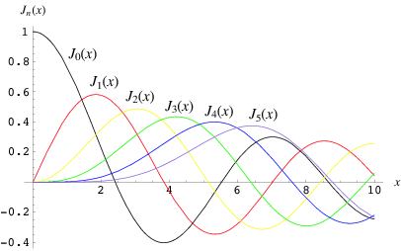

Table 1: Comprehensive Bessel Function Table
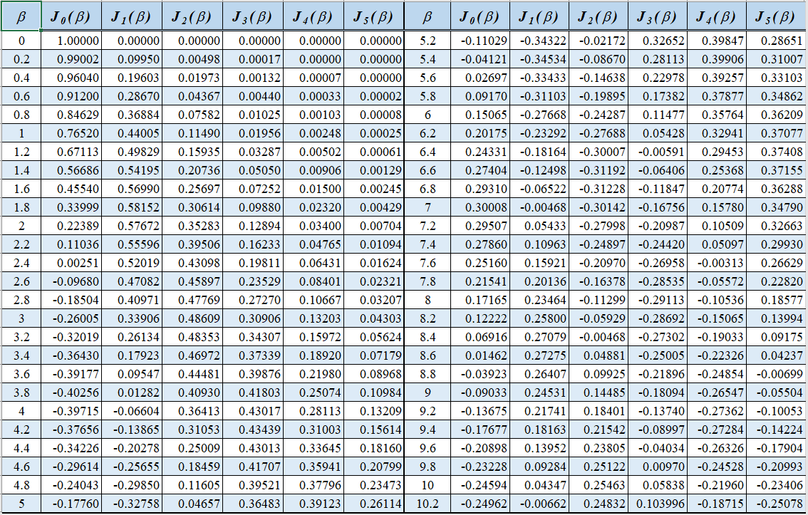

Table 2: Roots of the Function Jn(b)

This lab has 6 procedures
Narrow band FM (NBFM) modulation
Procedure 1. Study a narrow band FM system.
Your group number is 10
The modulator in Figure 1a will be used to produce a NBFM signal with β = 0.2. For this β, the Bessel function table (Table 1) shows that J0=0.99 and Jl=0.1. In the frequency spectrum, J0 corresponds to the carrier and Jl corresponds to the first sideband components. The ratio of J0/J1 is important as J0 and J1 are normalized values. Remember to convert the specified J0/Jl ratio to dB. Set the carrier frequency on the Tektronix generator to (100+N) kHz (where N is your LEARN group number). While observing the frequency spectrum of u( t), adjust the amplitude of the modulating signal to obtain the desired β. Plot the NBFM signal u( t) in the frequency domain on Ch1. All settings of Ch1, Ch2 and settings of the spectrum analyzer on your screenshot should be the same as shown in the template.

 |  | 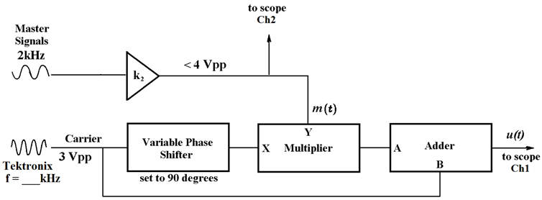

 |  | Figure 1a NBFM diagram

 | 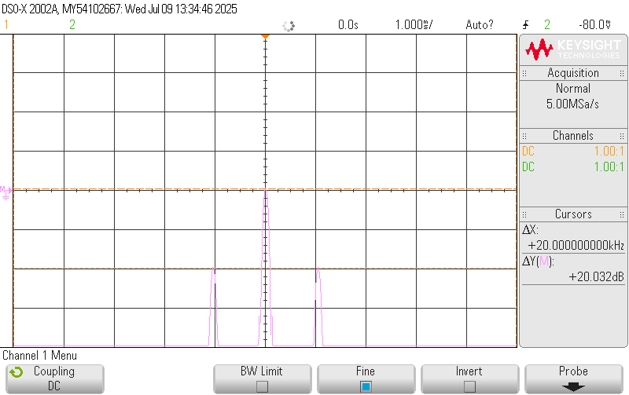

 | Figure 1b NBFM in the frequency domain

1b.1) | Measure the actual amplitude of the mudulating signal which produces β = 0.2:
1 mark
 |  | Amplitude of m( t): |  | 1.000 |  | VPP

1b.1) | Measure the actual magnitude of the sidebands in Figure 1b while β = 0.2:
2 marks
 | Sideband's Magnitude: |  |  | 20.28 |  | dBV |  | Carrier's Magnitude: |  | 40.22 |  | dBV |  | J0 / J1 = |  | 9.93

1b.3) | In NBFM, the modulation index β plays a critical role in determining the bandwidth and the behavior of the FM signal. Which of the following statements about the modulation index β is correct? |  |  |  |  |  |  |  |  |  |  |  |  |  |  |  | a

2 marks | a. | β represents the extent of frequency deviation dependent to the amplitude of the modulating signal.
 | b. | β is the inverse of the frequency deviation and determines the overall power consumption of the system.
 | c. | β has no impact on the bandwidth of the FM signal and does not influence the sidebands.
 | d. | The modulation index β increases the peak frequency shift by a factor of the ratio between the carrier frequency and modulating signal frequency.

 | e. | A modulation index β greater than 1 means the FM signal is classified as narrowband, and its spectrum extends significantly outside the carrier frequency.

 | f. | The modulation index β is calculated as the square of the ratio between the frequency deviation and the frequency of the modulating signal, and it has a direct effect on the phase shift of the signal.

1b.4) | In Narrowband Frequency Modulation (NBFM), which of the following statements most accurately describes the effect of limited frequency deviation on human voice communication? |  |  |  |  |  |  |  |  |  |  |  |  |  |  |  | f

2 marks | a. | Narrowband FM maintains the clarity of human voice by capturing all frequencies within the full range of human speech, resulting in high-quality voice transmission.

 | b. | Narrowband FM has no impact on the higher frequency components of speech because the frequency deviation is large enough to accommodate the entire speech spectrum.

 | c. | The limited frequency deviation in NBFM compresses the frequency spectrum of the voice, resulting in a muffled sound with reduced intelligibility, especially for lower frequency components like vowels.

 | d. | Limited frequency deviation in NBFM reduces the bandwidth of the signal, which leads to a loss of higher frequency components of the human voice, impacting intelligibility and naturalness.

 | e. | The restricted frequency deviation of NBFM only affects the carrier frequency and does not influence the frequency spectrum of the human voice.

 | f. | Limited frequency deviation in NBFM reduces the bandwidth and compresses the audio spectrum, resulting in a loss of high-frequency harmonics, leading to decreased voice clarity and muffled speech reproduction. The effect is especially noticeable for complex sounds like consonants, which are essential for intelligibility.

1b.5) | Comment on your observations of the frequency spectrum for NBFM with respect to that of amplitude modulation. |  |  |  |  |  |  |  |  |  |  |  |  |  |  |  | b
2 marks | a. | NBFM is quite similar to DSB-SC
 | b. | NBFM is quite similar to DSB-LC
 | c. | NBFM is quite similar to SSB-SC
 | d. | We did not see any similarity.

Wide band FM (WBFM) Modulation
Procedure 2. Set the β of the modulated FM signal by adjusting the modulating frequency.
Your group number is 10
The Tektronix function generator’s modulation function will be used to produce the desired WBFM signal.
• Set the Tektronix generator’s amplitude as shown in Figure 2a and the frequency to 110 kHz.
• To setup FM modulation, press the MOD button and then the MOD function key (to exit modulation mode, press Continuous instead). Select Type = FM, Shape = Sine and Source = Internal.

• Set the Deviation, Δf, to 2100 Hz.
• Working down from 10 kHz, adjust the FM frequency, fm, to obtain β = 2.4 (experimentally! by observing the frequency spectrum). Record the value of fm.
• Plot the frequency spectrum of the WBFM signal u( t) with center frequency set to your carrier frequency, 110 kHz.

 |  |  | Figure 2a WBFM diagram

 | 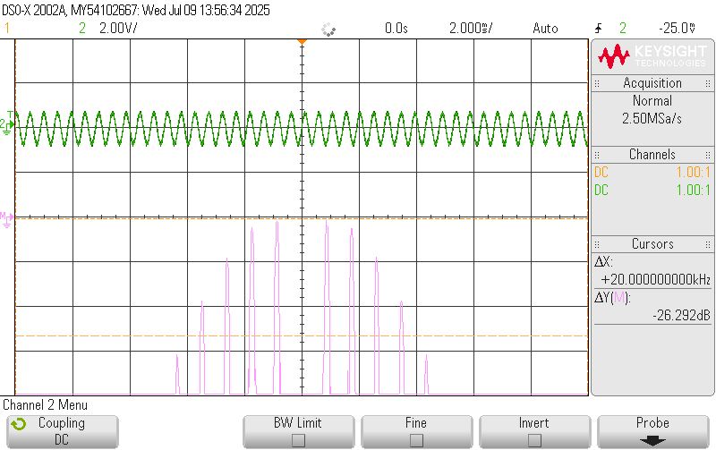

 | Figure 2b WBFM in the frequency domain

2b.1) | How many spikes can you see in the screenshot of Figure 2b?
1 mark
 |  | Number of Spikes: |  |  | 10

2b.2) | Which statement shows the Bessel functions that correspond to the frequency harmonics in Figure 2b? |  |  |  |  |  |  |  |  |  |  |  |  |  |  |  | d
2 marks | a. | J0, J1, J2, J3, J4, J5
 | b. | J0, J2, J4, J6, J8, J10
 | c. | J1, J3, J5, J7, J9
 | d. | J1, J2, J3, J4, J5

2b.3) | Measure the frequencies of the existing harmonics in Figure 2b. If no harmonic exists for a specific table entry, leave it blank.
2 marks
 |  | Bessel Function Order |  |  | J0 | J1 | J2 | J3 | J4 | J5 | J6 | J7
 |  | Frequency |  |  |  | 110870.0 | 111700.0 | 112600.0 | 113500.0 | 115300.0 |  |  | Enter all the frequencies in Hz.

2b.4) | For the required b and given Δ f, calculate the needed modulating frequency.
1 mark
 |  |  | Calculated fm |  | 883.3 | Hz

2b.5) | Enter the measured fm in Hz.
1 mark |  |  | Measured fm |  | 870.00 | Hz

1 mark |  |  |  | Error = | 1.51%

2b.6) | How does the amplitude of m( t) affect the frequency deviation? |  |  |  |  |  |  |  |  |  |  |  |  |  |  |  | c
2 marks | a. | The carrier frequency is controlled by the amplitude of m( t).
 | b. | The instantaneous frequency in FM is proportional to the modulating signal's derivative.
 | c. | The instantaneous frequency in FM is proportional to the modulating signal.
 | d. | The instantaneous frequency in FM is proportional to the modulating signal's integral.

2b.7) | From the frequency spectrum, what is unique about this particular β? |  |  |  |  |  |  |  |  |  |  |  |  |  |  |  | d
2 marks | a. | At this b, the magnitude of J4 is zero.
 | b. | At this b, the magnitude of J2 is zero.
 | c. | At this b, the magnitude of J1 is zero.
 | d. | At this b, the magnitude of J0 is zero.

Procedure 3. Set the β of the modulated FM signal by adjusting the peak frequency deviation.
Your group number is 10
Using the diagram in Figure 2a, fix the FM modulating frequency at 2100 Hz.
• Working up from 2 kHz, adjust the frequency deviation to realize the points indicated on the curves in Figure 3. Each point is the first zero-crossing of the corresponding Bessel function when β > 0 (Check the chart at the beginning of the manual).

• Fill out Table 3 with the observed frequency deviation values.

 |  | Figure 3 Bessel function curves

 |  |  |  |  | Table 3: Data for β calculations

 |  |  |  |  | Point | Df (Hz) |  | Percent difference between 'calculated b' and b in Table 2

 |  |  |  |  | 1 | 5060 | 2.4095 | -0.20%
 |  |  |  |  | 2 | 10820 | 5.1524 | -0.37%
 |  |  |  |  | 3 | 15950 | 7.5952 | -0.09%
 |  |  |  |  |  | 3 marks | 1.5 marks |  | 1.5 marks

Questions
3.1) | Are the results reasonable? |  |  |  |  |  |  |  |  |  |  |  |  |  |  |  | c
2 mark | a. | The results are not reasonable bacause the percent differences are too high.
 | b. | The results are not reasonable because the approach is not correct.
 | c. | The results are reasonable because the percent differences are in engineering tolerance.
 | d. | None of the above.

Procedure 4. Perform measurements to find the Total Harmonic Power (THP) at a specific value of b.
Using the diagram in Figure 2a, fix the FM modulating frequency at 2 kHz. • Adjust the frequency deviation to realize the point indicated by ▲ on the curve in Figure 4 and make measurements of the frequency spectrum to fill out Table 4. • The dBV values will be automatically converted to Vrms in Table 4.

$$THP=\frac{\sum_{n=2}^{6}{{ \left|{ J}_{n}\right|}^{2}}}{{\left| J_{1}\right|}^{2}}$$

 |  | 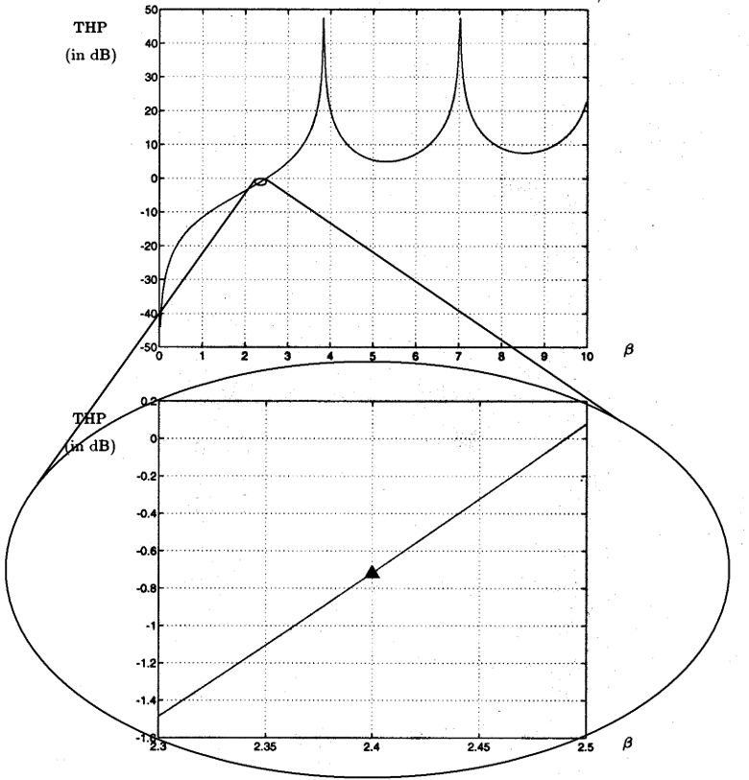

 |  | Figure 4 The desired b value for THP measurement

 | Table 4: Data for THP calculation

 |  |  | J1 |  | J2 | J3 | J4 | J5 | J6 | S|Jn|2 | S|Jn|2 | THP (dB) | The difference with the expected value
 |  |  |  |  |  |  |  |  |  |  | |J1|2
3 marks | dBV |  | -0.790 |  | -2.500 | -9.340 | -17.976 | -29.200 | -43.670
1.5 marks | Vrms |  | 0.913 |  | 0.750 | 0.341 | 0.126 | 0.035 | 0.007
1.5 marks | |Vrms|2 |  | 0.834 |  | 0.562 | 0.116 | 0.016 | 0.001 | 0.000 | 0.696 | 0.835 | -0.784 | 7.44%
 |  |  |  |  |  |  |  |  |  |  |  | 1 mark |  |  | 1 mark

Question of Procedure 4
4.1) | Is the result reasonable? |  |  |  |  |  |  |  |  |  |  |  |  |  |  |  | c
2 marks | a. | The result is not reasonable bacause the percent differences are too high.
 | b. | The result is not reasonable because the approach is not correct.
 | c. | The results are reasonable because the percent differences are in engineering tolerance.
 | d. | None of the above.

Procedure 5. Examine the effects of the modulating signal wave shape on the frequency spectrum.
Your group number is 10
Using the diagram in Figure 2a, fix the FM modulating frequency at 200 Hz and the frequency deviation at 30 kHz.
• Set the center frequency to your carrier frequency, 110 kHz.
• Plot the spectrum of the resulting modulated signal for an FM modulation signal Shape of Sine, Square and Triangle. (To change the modulation signal shape, refer to the procedure described in part 2.) • Notice how the envelope of the frequency spectrum changes for each of the modulation shapes.

 | 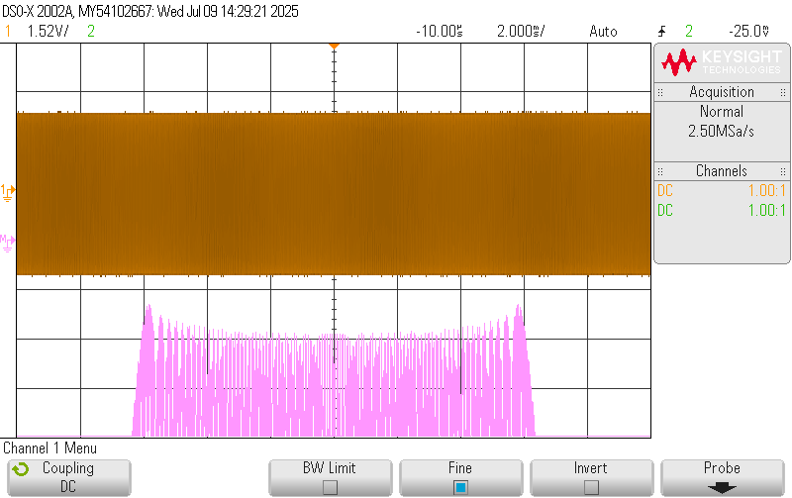

 | Figure 5a WBFM for sinusoidal modulating signal

5a.1) | What does the envelope of the frequency spectrum in Figure 5a look like? ( fC is the carrier frequency.) |  |  |  |  |  |  |  |  |  |  |  |  |  |  |  | b
2 marks | a. | It has a flat envelope within the range of ( fC ± Δ f).
 | b. | It has a basin-shape envelope with the trough at fC and peaks at ( fC ± Δ f) within the range of ( fC ± Δ f).
 | c. | It has a linear envelope inreasing from lower frequencies toward higher frequencies within the range of ± Δ f from fC.
 | d. | It has a linear envelope decreasing from lower frequencies toward higher frequencies within the range of ± Δ f from fC.
 | e. | It has a basin-shape envelope with the trough at fC and peaks at ( fC ± Δ f) within the range of ( fC ± 2·Δ f).
 | f. | It has two sharp peaks at ± Δ f, a few small harmonics around ± Δ f, and almost no other harmonics elsewhere.

5a.2) | Why does the envelope of the frequency spectrum in Figure 5a look like this? |  |  |  |  |  |  |  |  |  |  |  |  |  |  |  | a
2 marks | a. | In the time domain, the modulating signal has fast changes in crests and troughs and slow changes close to the zero-crossings. Slow-changing zero-crossings cannot deviate fC that much, causing a lower magnitude at fC ; but maximum amplitude at fast-changing crests and troughs will deviate fC significantly making peaks at ( fC ± Δ f ).

 | b. | The envelope shows peaks at fC​ because frequency modulation always increases signal power at the carrier frequency, regardless of the modulating signal shape.

 | c. | The sharp envelope shape at ± Δ f occurs because the frequency deviation is too small compared to the modulating signal's harmonics, causing all spectral energy to concentrate at a single frequency at ± Δ f with very few sidebands.

 | d. | The envelope results from spectral aliasing due to non-bandlimited baseband modulation, where the harmonics of the message waveform overlap in the frequency domain and fold into the Nyquist band.

 | e. | The shape of the envelope is due to the amplitude of the modulating sine wave being maximum at zero-crossings, which causes the strongest frequency shift at the carrier frequency itself.

 | f. | The spectrum shows this shape because the frequency deviation is distributed equally across all parts of the sine wave; therefore, the carrier frequency remains dominant and sidebands decay symmetrically. This symmetrical decay forms the observed pattern.

5a.3) | Why does the envelope of the frequency spectrum in Figure 5a show prominent peaks at both ends of the spectrum? |  |  |  |  |  |  |  |  |  |  |  |  |  |  |  | c
2 marks | a. | Sharp spectral edges only occur when the modulating signal has nonlinear phase transitions, which triangle waves lack due to their second-order harmonic suppression.

 | b. | The outer peaks occur due to constructive interference between the sidebands of the carrier and the higher harmonics of the sine wave.

 | c. | Because the sine wave changes most rapidly at its crests and troughs, causing maximum frequency deviation at those points, which creates peaks at f𝐶 ± Δ f.

 | d. | The sharp peaks are caused by instantaneous spectral folding near the modulation index thresholds, where the Bessel functions reinforce outer lobes.

 | e. | The peaks are centered at fC and spread symmetrically only if the modulating waveform is perfectly triangular or rectangular.
 | f. | The reason for the outer peaks is that sine waves create more significant spectral shifts than other waveforms due to their continuously varying amplitude and smooth periodicity, making the signal spread more clearly to the band edges.

 | 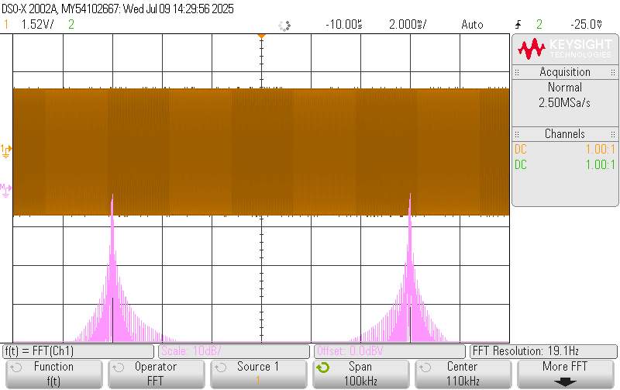

 | Figure 5b WBFM for square wave modulating signal

5b.1) | What does the envelope of the frequency spectrum in Figure 5b look like? ( fC is the carrier frequency.) |  |  |  |  |  |  |  |  |  |  |  |  |  |  |  | f
2 marks | a. | It has a flat envelope within the range of ( fC ± Δ f).
 | b. | It has a basin-shape envelope with the trough at fC and peaks at ( fC ± Δ f) within the range of ( fC ± Δ f).
 | c. | It has a linear envelope inreasing from lower frequencies toward higher frequencies within the range of ± Δ f from fC.
 | d. | It has a linear envelope decreasing from lower frequencies toward higher frequencies within the range of ± Δ f from fC.
 | e. | It has a basin-shape envelope with the trough at fC and peaks at ( fC ± Δ f) within the range of ( fC ± 2·Δ f).
 | f. | It has two sharp peaks at ± Δ f, a few small harmonics around ± Δ f, and almost no other harmonics elsewhere.

5b.2) | Why does the envelope of the frequency spectrum in Figure 5b look like this? |  |  |  |  |  |  |  |  |  |  |  |  |  |  |  | c
2 marks | a. | In the time domain, the modulating signal has fast changes in crests and troughs and slow changes close to the zero-crossings. Slow-changing zero-crossings cannot deviate fC that much, causing a lower magnitude at fC ; but maximum amplitude at fast-changing crests and troughs will deviate fC significantly making peaks at ( fC ± Δ f ).

 | b. | The envelope shows peaks at fC​ because frequency modulation always increases signal power at the carrier frequency, regardless of the modulating signal shape.

 | c. | The sharp envelope shape at ± Δ f occurs because the frequency deviation is too small compared to the modulating signal's harmonics, causing all spectral energy to concentrate at a single frequency at ± Δ f with very few sidebands.

 | d. | The envelope results from spectral aliasing due to non-bandlimited baseband modulation, where the harmonics of the message waveform overlap in the frequency domain and fold into the Nyquist band.

 | e. | The shape of the envelope is due to the amplitude of the modulating sine wave being maximum at zero-crossings, which causes the strongest frequency shift at the carrier frequency itself.

 | f. | The spectrum shows this shape because the frequency deviation is distributed equally across all parts of the triangle wave; therefore, the carrier frequency remains dominant and sidebands decay symmetrically. This symmetrical decay forms the observed pattern.

5b.3) | In the frequency spectrum of an FM signal with a square-wave modulating signal, why do we observe strong peaks at f𝐶 ± Δ f? |  |  |  |  |  |  |  |  |  |  |  |  |  |  |  | a
2 marks | a. | Because square waves have abrupt transitions between high and low levels, the frequency deviation changes instantly, pushing energy to the extreme values of f𝐶 ± Δ f.

 | b. | The strong peaks occur because square waves are made of multiple sine components, all of which constructively interfere at the carrier frequency.

 | c. | The envelope exhibits sharp peaks due to step-function discontinuities in the modulating signal, which causes harmonically synchronized spectral lobes aligned with the deviation bandwidth.

 | d. | Since the square wave remains constant for most of its cycle, the frequency deviation stays near zero, resulting in spectral energy focused mainly around the carrier frequency.

 | e. | The peaks appear at fC ± Δ f because FM always places the highest energy at the edges of the allocated bandwidth, regardless of modulation type.

 | f. | Square waves produce strong outer peaks because their duty cycle amplifies the average deviation time, distributing energy more uniformly across the full spectrum.

 | 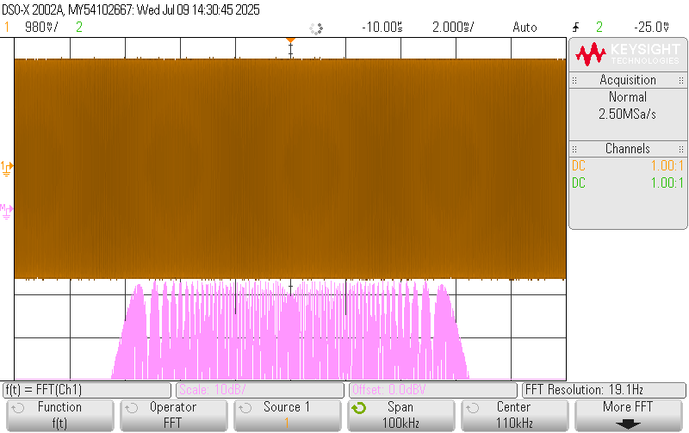

 | Figure 5c WBFM for triangular modulating signal

5c.1) | What does the envelope of the frequency spectrum in Figure 5c look like? ( fC is the carrier frequency.) |  |  |  |  |  |  |  |  |  |  |  |  |  |  |  | a
2 marks | a. | It has a flat envelope within the range of ( fC ± Δ f).
 | b. | It has a basin-shape envelope with the trough at fC and peaks at ( fC ± Δ f) within the range of ( fC ± Δ f).
 | c. | It has a linear envelope inreasing from lower frequencies toward higher frequencies within the range of ± Δ f from fC.
 | d. | It has a linear envelope decreasing from lower frequencies toward higher frequencies within the range of ± Δ f from fC.
 | e. | It has a basin-shape envelope with the trough at fC and peaks at ( fC ± Δ f) within the range of ( fC ± 2·Δ f).
 | f. | It has two sharp peaks at ± Δ f, a few small harmonics around ± Δ f, and almost no other harmonics elsewhere.

5c.2) | Why does the envelope of the frequency spectrum in Figure 5c look like this? |  |  |  |  |  |  |  |  |  |  |  |  |  |  |  | d
2 marks | a. | Triangle-wave modulation leads to reduced spectral spread because the waveform lacks abrupt transitions, thus concentrating energy at ( fC ± fm ) with limited sidebands.

 | b. | The flat spectrum is due to the triangle wave causing alternating bursts of positive and negative frequency deviation, which cancel out around f𝐶.

 | c. | The carrier frequency is dominant because triangle waves contain more energy at the fundamental frequency than at the harmonics.

 | d. | A triangle wave has a constant rate of change between its peaks and zero-crossings, causing the frequency deviation to be more uniform. This results in a flatter spectral envelope centered around the carrier.

 | e. | The spectrum is flat because triangle waves are composed of only even harmonics, which cluster around the carrier frequency.
 | f. | The flattened envelope is due to dynamic spectral folding caused by temporal symmetry in the triangular waveform, leading to uniform sideband energy distribution.

5c.3) | In the frequency-modulated spectrum of a triangle-wave signal, as shown in Figure 5c, why don’t we observe sharp peaks at both ends of the spectrum? |  |  |  |  |  |  |  |  |  |  |  |  |  |  |  | e
2 marks
 | a. | The triangle wave produces no spectral sidebands beyond the carrier frequency, so there are no outer peaks by definition.
 | b. | Since triangle waves do not contain any abrupt voltage changes, the carrier frequency stays fixed throughout the cycle, eliminating outer peaks.

 | c. | Sharp spectral edges only occur when the modulating signal has nonlinear phase transitions, which triangle waves lack due to their second-order harmonic suppression.

 | d. | The edges are flat because the carrier signal is amplitude modulated by the peak points of the triangle waveform.
 | e. | Because a triangle wave has a constant slope between peaks and zero-crossings, it causes uniform frequency deviation, spreading energy evenly across the spectrum instead of concentrating it at the edges.

 | f. | Triangle waves reduce the carrier deviation during their linear regions, concentrating energy at the center and forcing outer frequencies to collapse.

5c.3) | In the frequency-modulated spectrum of a triangle-wave signal, as shown in Figure 5c, why don’t we observe sharp peaks at both ends of the spectrum? |  |  |  |  |  |  |  |  |  |  |  |  |  |  |  | e
2 marks
 | a. | The triangle wave produces no spectral sidebands beyond the carrier frequency, so there are no outer peaks by definition.
 | b. | Since triangle waves do not contain any abrupt voltage changes, the carrier frequency stays fixed throughout the cycle, eliminating outer peaks.

 | c. | Sharp spectral edges only occur when the modulating signal has nonlinear phase transitions, which triangle waves lack due to their second-order harmonic suppression.

 | d. | The edges are flat because the carrier signal is amplitude modulated by the peak points of the triangle waveform.
 | e. | Because a triangle wave has a constant slope between peaks and zero-crossings, it causes uniform frequency deviation, spreading energy evenly across the spectrum instead of concentrating it at the edges.

 | f. | Triangle waves reduce the carrier deviation during their linear regions, concentrating energy at the center and forcing outer frequencies to collapse.

Wide band FM (WBFM) demodulation
Procedure 6: Use a phase-locked loop (PLL) to demodulate an FM signal.
Before beginning, disconnect any BNC cables from the function generator and turn it off. The FM broadcast band (88-108MHz) is much higher in frequency than the AM broadcast band (522-1710kHz), which precludes amplifying and down-converting the RF signal using the TIMS modules (which are viable to about 1MHz). Instead, a lower carrier frequency FM signal, u( t) will be generated using an audio-frequency modulating signal by the lab instructor's function generator. • Build the PLL FM demodulator shown in Figure 6a to demodulate u( t). • The VCO fo should be set to 100 kHz. • Set the tuneable LPF GAIN and TUNE dials to about their 12 o’clock positions. • Starting from counter-clockwise, adjust the VCO GAIN dial until phase lock is achieved (the point where the number on the frequency counter stays almost stable). • Plot u( t) in the frequency domain and y( t) in the time domain on separate graphs. • Demonstrate your working receiver to the laboratory staff.

 |  | 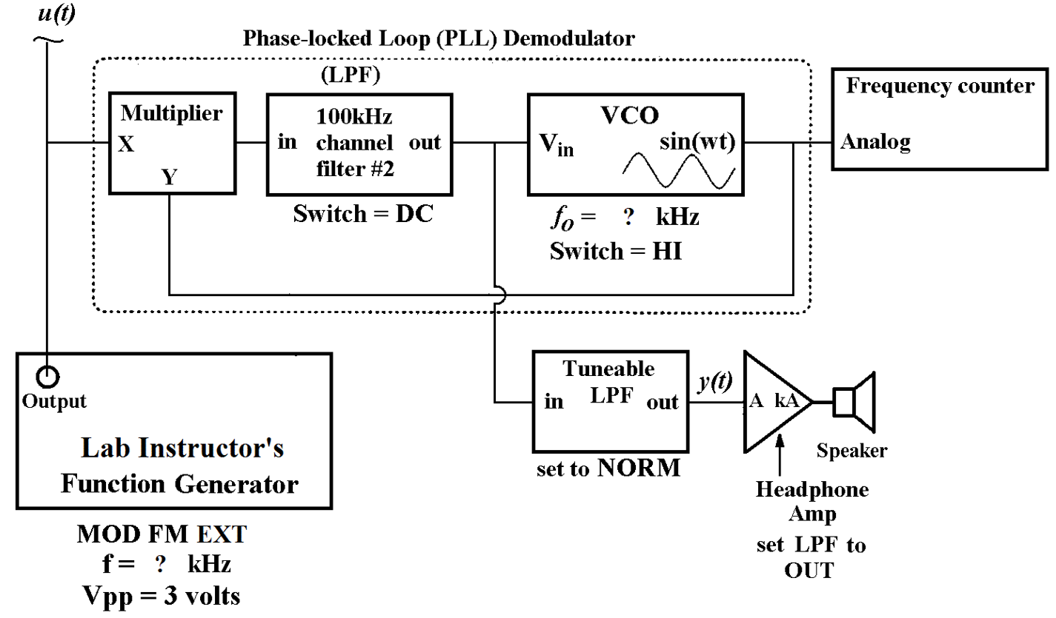 Figure 6a: FM demodulation using a PLL

 |  | Figure 6a FM demodulation using a PLL

 | 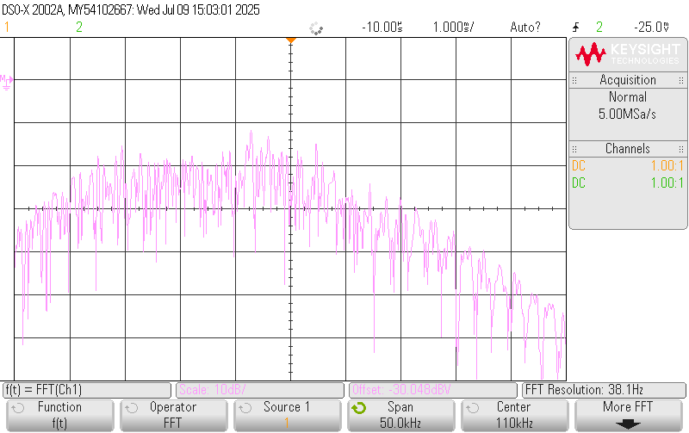

 | Figure 6b FM modulated signal u( t) in the frequency domain

6b.1) | What best describes the frequency spectrum of a frequency-modulated human voice signal? ( fC is the carrier frequency.) |  |  |  |  |  |  |  |  |  |  |  |  |  |  |  | c
2 marks | a. | It consists of discrete sidebands located at integer multiples of the average syllable rate, symmetric around the carrier.
 | b. | The spectral shape is governed by instantaneous phase distortion and higher-order modulation products caused by the nonlinearity of the voice waveform.

 | c. | The spectrum is broad and continuous, with energy centered around the carrier and shaped by the spectral content of the voice.
 | d. | The modulated signal’s spectrum forms two narrow peaks at fC ± 3 kHz, because most human speech energy is concentrated at low frequencies.

 | e. | Because speech is periodic like a triangle wave, its FM spectrum contains harmonically spaced spectral lines.
 | f. | The spectrum resembles that of a filtered square wave and concentrates energy at a few offset frequencies depending on how loudly the person is speaking and how often the pitch rises or falls over time.

6b.2) | Why doesn’t the FM spectrum of a voice signal show sharp spectral lines like those of a sine wave modulation? |  |  |  |  |  |  |  |  |  |  |  |  |  |  |  | b
2 marks | a. | Voice-modulated FM signals have sharp lines, but they are filtered out by the demodulator.
 | b. | Because voice signals are aperiodic and contain many varying frequency components, their modulation produces a smooth, noise-like spectral spread instead of discrete lines.

 | c. | The absence of spectral lines is due to envelope cancellation at instantaneous zero crossings of voiced phonemes, as modeled by stochastic Bessel function weighting.

 | d. | Because the carrier is suppressed in FM with voice, only harmonics of the voice remain visible.
 | e. | FM of voice always generates two narrow peaks at the carrier’s deviation limits due to the typical frequency range of human hearing.

 | f. | The lack of lines occurs because the FM system suppresses high-frequency consonants and distributes the rest of the energy evenly across a narrow band, making it difficult to isolate individual features in the frequency domain.

 | 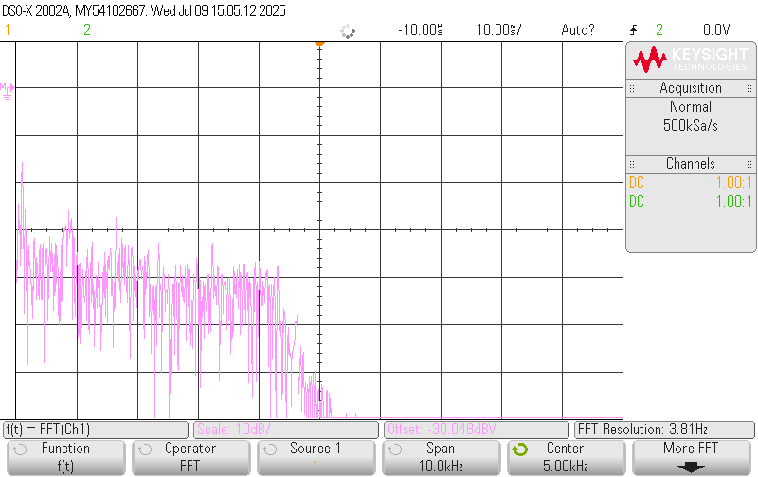

 | Figure 6c Demodulated message y( t) in the time and frequency domains

6c.1) | What does a human voice signal typically look like in the time domain? |  |  |  |  |  |  |  |  |  |  |  |  |  |  |  | a
2 marks | a. | It appears as a non-repeating, fluctuating waveform that changes shape moment by moment with no fixed pattern.
 | b. | It appears as a triangle-like pattern repeating at a constant rate because human speech cycles with syllables.
 | c. | It is a flat signal with periodic amplitude jumps occurring at each consonant.
 | d. | The time-domain response exhibits stochastic envelope modulation due to glottal pulse shaping and resonance interference.
 | e. | It repeats consistently like a low-frequency square wave during normal speech.
 | f. | The waveform maintains a quasi-symmetric pattern with respect to the time axis, showing predictable repetition during prolonged vowel articulation but irregular behavior during silence.

6c.2) | What causes the irregular shape of the human voice signal in the time domain? |  |  |  |  |  |  |  |  |  |  |  |  |  |  |  | b
2 marks | a. | The waveform is unstable because the voice signal is being amplitude modulated by high-frequency RF noise.
 | b. | Speech includes a mixture of vowels, consonants, and pauses, each with different durations and amplitudes, making the signal constantly change.

 | c. | Irregularity arises from nonlinear formant trajectory warping across variable-length phonetic windows.
 | d. | The waveform varies because it undergoes dynamic range expansion and compression depending on how fast or slow the person talks, along with fluctuations from background noise and breathing

 | e. | The voice waveform is the result of an ultrasonic carrier being clipped into a low-pass envelope.
 | f. | Speech signals are symmetrical with brief dips caused by harmonics aligning at each fundamental pitch.

6c.3) | How does the frequency spectrum of a human voice signal typically appear on a spectrum analyzer (0–10 kHz span, 5 kHz center frequency)? |  |  |  |  |  |  |  |  |  |  |  |  |  |  |  | f
2 marks | a. | It appears as narrow spikes centered at 1 kHz and 3 kHz due to vocal harmonics.
 | b. | The spectrum forms a symmetric mirror image around 5 kHz and shows consistent flatness because speech has evenly distributed spectral components across all frequencies.

 | c. | The frequency-domain output is shaped by quasi-stationary phase discontinuities caused by time-varying impulse trains.
 | d. | It shows a clean sinusoidal line for vowels and a sawtooth pattern for consonants.
 | e. | You see only three distinct peaks that correspond to the average formant frequencies of the speaker.
 | f. | It appears as a broad, continuous, noise-like spectrum with energy concentrated below 4 kHz and tapering off at higher frequencies.

6c.4) | Why doesn’t the FM spectrum of a human voice signal show distinct spectral lines like a modulated sine wave? |  |  |  |  |  |  |  |  |  |  |  |  |  |  |  | c
2 marks | a. | The lines are hidden due to phase cancellation between syllables at the same pitch.
 | b. | The absence of distinct lines results from adaptive sideband overlap caused by random formant transitions and spectral density folding.

 | c. | Because speech is aperiodic and includes many time-varying components, the spectrum becomes a smooth spread rather than discrete peaks.
 | d. | Because FM inherently suppresses harmonics in voice signals, only the carrier is visible.
 | e. | The spectrum is line-based, but the analyzer’s resolution bandwidth is too wide to resolve them.
 | f. | Because the voice's dynamic frequency shifts flatten out individual features and redistribute energy uniformly across the spectrum, leaving no peaks.

Questions of Procedure 6
6.1) | How does the VCO gain in an FM receiver's PLL circuit affect the receiver’s ability to track frequency deviations? |  |  |  |  |  |  |  |  |  |  |  |  |  |  |  | d
2 marks | a. | A higher VCO gain causes the PLL to track the FM signal more accurately but reduces the loop's bandwidth, making it less responsive to fast frequency changes.

 | b. | A lower VCO gain results in faster tracking of the FM signal, making it more suitable for tracking weak signals without distortion.

 | c. | The VCO gain doesn’t affect the tracking ability; the PLL always tracks the signal with equal accuracy regardless of VCO gain.
 | d. | A higher VCO gain increases the loop's bandwidth, making the PLL more responsive to frequency changes but possibly causing instability and distortion.

 | e. | A very high VCO gain makes the PLL less responsive, as the control voltage will become too sensitive to small frequency deviations.
 | f. | The VCO gain primarily affects the output audio quality, not the tracking accuracy of the FM signal.

6.2) | What is the effect of too high or too low a VCO gain in the PLL circuit of an FM receiver? |  |  |  |  |  |  |  |  |  |  |  |  |  |  |  | b
2 marks | a. | Too high a VCO gain makes the PLL more stable, and it improves demodulation by increasing the bandwidth, making the system faster and more responsive.

 | b. | Too high a VCO gain can cause instability and unwanted oscillations, while too low a gain can result in slow tracking of frequency changes.

 | c. | Too low a VCO gain increases the tracking speed of the PLL, making it more responsive to weak signals without any risk of instability.
 | d. | Both too high and too low a VCO gain result in loss of the signal and inaccurate demodulation, as the PLL cannot track any frequency deviations.

 | e. | Too high a VCO gain results in a more stable PLL, but too low a gain causes increased noise in the demodulated signal.
 | f. | A higher VCO gain reduces the loop's ability to track fast frequency changes but makes the system less sensitive to noise and interference.

Prelab4: 17 marks, Post-lab4: 75 marks, Quiz: 8 marks
End of Lab4

 |  |  | Student's comments (optional)

Lab Instructor: |  | hnafissi@uwaterloo.ca
Save the file as 318_lab4_in-lab_203_G10.xlsx and
upload it to the Lab4.Post-Lab.203 folder by the due date.

