Workflow
WORKFLOW

1. Flow 1: [ Flow Name]
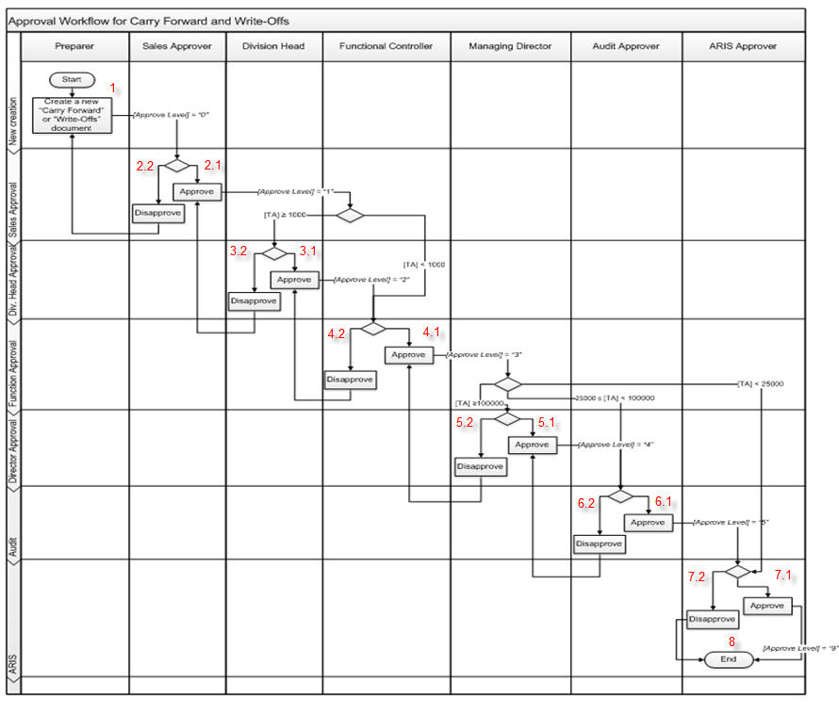

 | Test case Id | Workflow Name | Action | Role | State | Involved TCs | Assign To | Test pass 1 result | Test pass 2 result | Test pass 3 result | Note
 | WF_1 | <<Workflow 1 title>>
 |  | 1 | Create a new "Carry Forward " or "Write-Offs "document | Preparer | Pending
 |  | 1->2.1 | Approve | Sales Approver | Open
 |  | 1->2.1->3.1 | Approve | Division Head | Open
 |  | 1->2.1->3.1->4.1 | Approve | Functional Controller | Open
 |  | 1->2.1->3.1->4.1>5.1 | Approve | Managing Director | Open
 |  | 1->2.1->3.1->4.1>5.1->6.1 | Approve | Audit Approver | Open
 |  | 1->2.1->3.1->4.1>5.1->6.1->7.1 | Approve | ARIS approver | Open
 |  | 1->2.1->3.1->4.1>5.1->6.1->7.1->8 | End | ARIS approver | Close
 | WF_2 | Disapprove (TA >= 100.000) at 2.2
 |  | 1 | Create a new "Carry Forward " or "Write-Offs "document | Preparer | Pending
 |  | 1->2.2 | Disapprove | Sales Approver | Open
 |  | 1->2.2->1 | Create a new "Carry Forward " or "Write-Offs "document | Preparer | Return
 |  | 1->2.2->1>2.1 | Approve | Sales Approver | Open
 |  | 1->2.2->1>2.1>3.1 | Approve | Division Head | Open
 |  | 1->2.2->1>2.1>3.1>4.1 | Approve | Functional Controller | Open
 |  | 1->2.2->1>2.1>3.1>4.1>5.1 | Approve | Managing Director | Open
 |  | 1->2.2->1>2.1>3.1>4.1>5.1>6.1 | Approve | Audit Approver | Open
 |  | 1->2.2->1>2.1>3.1>4.1>5.1>6.1>7.1 | Approve | ARIS approver | Open
 |  | 1->2.2->1>2.1>3.1>4.1>5.1>6.1>7.1>8 | End | ARIS approver | Close
 | WF_3 | Disapprove (TA >= 100.000) at 3.2
 |  | 1 | Create a new "Carry Forward " or "Write-Offs "document | Preparer | Pending
 |  | 1->2.1 | Approve | Sales Approver | Open
 |  | 1->2.1->3.2 | Disapprove | Division Head | Open
 |  | 1->2.1->3.2->2.1 | Approve | Sales Approver | Return
 |  | 1->2.1->3.2->2.1->3.1 | Approve | Division Head | Open
 |  | 1->2.1->3.2->2.1->3.1->4.1 | Approve | Functional Controller | Open
 |  | 1->2.1->3.2->2.1->3.1->4.1->5.1 | Approve | Managing Director | Open
 |  | 1->2.1->3.2->2.1->3.1->4.1->5.1->6.1 | Approve | Audit Approver | Open
 |  | 1->2.1->3.2->2.1->3.1->4.1->5.1->6.1->7.1 | Approve | ARIS approver | Open
 |  | 1->2.1->3.2->2.1->3.1->4.1->5.1->6.1->7.1->8 | End | ARIS approver | Close
 | WF_4 | Disapprove (TA >= 100.000) at 4.2
 |  | 1 | Create a new "Carry Forward " or "Write-Offs "document | Preparer | Pending
 |  | 1->2.1 | Approve | Sales Approver | Open
 |  | 1->2.1->3.1 | Approve | Division Head | Open
 |  | 1->2.1->3.1->4.2 | Disapprove | Functional Controller | Open
 |  | 1->2.1->3.1->4.2->3.1 | Approve | Division Head | Return
 |  | 1->2.1->3.1->4.2->3.1->4.1 | Approve | Functional Controller | Open
 |  | 1->2.1->3.1->4.2->3.1->4.1->5.1 | Approve | Managing Director | Open
 |  | 1->2.1->3.1->4.2->3.1->4.1->5.1->6.1 | Approve | Audit Approver | Open
 |  | 1->2.1->3.1->4.2->3.1->4.1->5.1->6.1->7.1 | Approve | ARIS approver | Open
 |  | 1->2.1->3.1->4.2->3.1->4.1->5.1->6.1->7.1->8 | End | ARIS approver | Close
 | WF_5 | Disapprove (TA >= 100.000) at 5.2
 |  | 1 | Create a new "Carry Forward " or "Write-Offs "document | Preparer | Pending
 |  | 1->2.1 | Approve | Sales Approver | Open
 |  | 1->2.1->3.1 | Approve | Division Head | Open
 |  | 1->2.1->3.1->4.1 | Approve | Functional Controller | Open
 |  | 1->2.1->3.1->4.1->5.2 | Disapprove | Managing Director | Open
 |  | 1->2.1->3.1->4.1->5.2->4.1 | Approve | Functional Controller | Return
 |  | 1->2.1->3.1->4.1->5.2->4.1->5.1 | Approve | Managing Director | Open
 |  | 1->2.1->3.1->4.1->5.2->4.1->5.1->6.1 | Approve | Audit Approver | Open
 |  | 1->2.1->3.1->4.1->5.2->4.1->5.1->6.1->7.1 | Approve | ARIS approver | Open
 |  | 1->2.1->3.1->4.1->5.2->4.1->5.1->6.1->7.1->8 | End | ARIS approver | Close
 | WF_6 | Disapprove (TA >= 100.000) at 6.2
 |  | 1 | Create a new "Carry Forward " or "Write-Offs "document | Preparer | Pending
 |  | 1->2.1 | Approve | Sales Approver | Open
 |  | 1->2.1->3.1 | Approve | Division Head | Open
 |  | 1->2.1->3.1->4.1 | Approve | Functional Controller | Open
 |  | 1->2.1->3.1->4.1->5.1 | Approve | Managing Director | Open
 |  | 1->2.1->3.1->4.1->5.1->6.2 | Disapprove | Audit Approver | Open
 |  | 1->2.1->3.1->4.1->5.1->6.2->5.1 | Approve | Managing Director | Return
 |  | 1->2.1->3.1->4.1->5.1->6.2->5.1->6.1 | Approve | Audit Approver | Open
 |  | 1->2.1->3.1->4.1->5.1->6.2->5.1->6.1->7.1 | Approve | ARIS approver | Open
 |  | 1->2.1->3.1->4.1->5.1->6.2->5.1->6.1->7.1->8 | End | ARIS approver | Close

 | WF_7 | Disapprove (TA >= 100.000) at 7.2
 |  | 1 | Create a new "Carry Forward " or "Write-Offs "document | Preparer | Pending
 |  | 1->2.1 | Approve | Sales Approver | Open
 |  | 1->2.1->3.1 | Approve | Division Head | Open
 |  | 1->2.1->3.1->4.1 | Approve | Functional Controller | Open
 |  | 1->2.1->3.1->4.1->5.1 | Approve | Managing Director | Open
 |  | 1->2.1->3.1->4.1->5.1->6.1 | Approve | Audit Approver | Open
 |  | 1->2.1->3.1->4.1->5.1->6.1->7.2 | Disapprove | ARIS approver | Open
 |  | 1->2.1->3.1->4.1->5.1->6.1->7.2->8 | End | ARIS approver | Close

 | WF_8 | Approve (25.000<=TA<100.000)
 |  | 1 | Create a new "Carry Forward " or "Write-Offs "document | Preparer | Pending
 |  | 1->2.1 | Approve | Sales Approver | Open
 |  | 1->2.1->3.1 | Approve | Division Head | Open
 |  | 1->2.1->3.1->4.1 | Approve | Functional Controller | Open
 |  | 1->2.1->3.1->4.1 ->6.1 | Approve | Audit Approver | Open
 |  | 1->2.1->3.1->4.1 ->6.1->7.1 | Approve | ARIS approver | Open
 |  | 1->2.1->3.1->4.1 ->6.1->7.1->8 | End | ARIS approver | Close

 | WF_9 | Disapprove (25.000<=TA<100.000) at 6.2
 |  | 1 | Create a new "Carry Forward " or "Write-Offs "document | Preparer | Pending
 |  | 1->2.1 | Approve | Sales Approver | Open
 |  | 1->2.1->3.1 | Approve | Division Head | Open
 |  | 1->2.1->3.1->4.1 | Approve | Functional Controller | Open
 |  | 1->2.1->3.1->4.1 ->6.2 | Approve | Audit Approver | Open
 |  | 1->2.1->3.1->4.1 ->6.2->5.1 | Approve | Managing Director | Return
 |  | 1->2.1->3.1->4.1 ->6.2->5.1->6.1 | Approve | Audit Approver | Open
 |  | 1->2.1->3.1->4.1 ->6.2->5.1->6.1->7.1 | Approve | ARIS approver | Open
 |  | 1->2.1->3.1->4.1 ->6.2->5.1->6.1->7.1->8 | End | ARIS approver | Close

 | WF_10 | Approve ( 1.000<=TA <25.000)
 |  | 1 | Create a new "Carry Forward " or "Write-Offs "document | Preparer | Pending
 |  | 1->2.1 | Approve | Sales Approver | Open
 |  | 1->2.1->3.1 | Approve | Division Head | Open
 |  | 1->2.1->3.1->4.1 | Approve | Functional Controller | Open
 |  | 1->2.1->3.1->4.1->7.1 | Approve | ARIS approver | Open
 |  | 1->2.1->3.1->4.1->7.1->8 | End | ARIS approver | Close

 | WF_11 | Disapprove ( 1.000<=TA <25.000) at 7.2
 |  | 1 | Create a new "Carry Forward " or "Write-Offs "document | Preparer | Pending
 |  | 1->2.1 | Approve | Sales Approver | Open
 |  | 1->2.1->3.1 | Approve | Functional Controller | Open
 |  | 1->2.1->3.1->4.1 | Approve | Functional Controller | Open
 |  | 1->2.1->3.1->4.1->7.2 | Disapprove | ARIS approver | Open
 |  | 1->2.1->3.1->4.1->7.2->6.1 | Approve | Audit Approver | Return
 |  | 1->2.1->3.1->4.1->7.2->6.1->7.1 | Approve | ARIS approver | Open
 |  | 1->2.1->3.1->4.1->7.2->6.1->7.1->8 | End | ARIS approver | Close

 | WF_12 | Approve (TA <1.000)
 |  | 1 | Create a new "Carry Forward " or "Write-Offs "document | Preparer | Pending
 |  | 1->2.1 | Approve | Sales Approver | Open
 |  | 1->2.1->4.1 | Approve | Functional Controller | Open
 |  | 1->2.1->4.1->7.1 | Approve | ARIS approver | Open
 |  | 1->2.1->4.1->7.1->8 | End | ARIS approver | Close

 | WF_13 | Disapprove (TA <1.000) at 7.2
 |  | 1 | Create a new "Carry Forward " or "Write-Offs "document | Preparer | Pending
 |  | 1->2.1 | Approve | Sales Approver | Open
 |  | 1->2.1->4.1 | Approve | Functional Controller | Open
 |  | 1->2.1->4.1->7.2 | Disapprove | ARIS approver | Open
 |  | 1->2.1->4.1->7.2->8 | End | ARIS approver | Close

 | WF_14 | Disapprove (TA <1.000) at 4.2
 |  | 1 | Create a new "Carry Forward " or "Write-Offs "document | Preparer | Pending
 |  | 1->2.1 | Approve | Sales Approver | Open
 |  | 1->2.1->4.2 | Disapprove | Functional Controller | Open
 |  | 1->2.1->4.2->3.1 | Approve | Division Head | Return
 |  | 1->2.1->4.2->3.1->4.1 | Approve | Functional Controller | Open
 |  | 1->2.1->4.2->3.1->4.1->7.1 | Approve | ARIS approver | Open
 |  | 1->2.1->4.2->3.1->4.1->7.1->8 | End | ARIS approver | Close

 | Dữ liệu đầu vào: Approve(TA >100000) at 2.2
 | Name | Workflow | Role | Kết quả mong đợi
 | WF1 | 1 | Preparer | Approve
 |  | 1->2.1 | Sales Approver | Approve
 |  | 1->2.1->3.1 | Division Head | Approve
 |  | 1->2.1->3.1->4.1 | Functional Controller | Approve
 |  | 1->2.1->3.1->4.1>5.1 | Managing Director | Approve
 |  | 1->2.1->3.1->4.1>5.1->6.1 | Audit Approver | Approve
 |  | 1->2.1->3.1->4.1>5.1->6.1->7.1 | ARIS approver | Approve
 |  | 1->2.1->3.1->4.1>5.1->6.1->7.1->8 | ARIS approver | End

 | Dữ liệu đầu vào: Disapprove (TA >= 100.000) at 2.2
 | Name | Workflow | Role | Kết quả mong đợi
 | WF2 | 1 | Preparer | Create a new "Carry Forward " or "Write-Offs "document
 |  | 1->2.2 | Sales Approver | Disapprove
 |  | 1->2.2->1 | Preparer | Create a new "Carry Forward " or "Write-Offs "document
 |  | 1->2.2->1>2.1 | Sales Approver | Approve
 |  | 1->2.2->1>2.1>3.1 | Division Head | Approve
 |  | 1->2.2->1>2.1>3.1>4.1 | Functional Controller | Approve
 |  | 1->2.2->1>2.1>3.1>4.1>5.1 | Managing Director | Approve
 |  | 1->2.2->1>2.1>3.1>4.1>5.1>6.1 | Audit Approver | Approve
 |  | 1->2.2->1>2.1>3.1>4.1>5.1>6.1>7.1 | ARIS approver | Approve
 |  | 1->2.2->1>2.1>3.1>4.1>5.1>6.1>7.1>8 | ARIS approver | End

 | Dữ liệu đầu vào: Disapprove (TA >= 100.000) at 2.2 | Disapprove (TA >= 100.000) at 3.2
 | Name | Workflow | Role | Kết quả mong đợi
 | WF3 | 1 | Preparer | Create a new "Carry Forward " or "Write-Offs "document
 |  | 1->2.1 | Sales Approver | Approve
 |  | 1->2.1->3.2 | Division Head | Disapprove
 |  | 1->2.1->3.2->2.1 | Functional Controller | Approve
 |  | 1->2.1->3.2->2.1->3.1 | Division Head | Approve
 |  | 1->2.1->3.2->2.1->3.1->4.1 | Functional Controller | Approve
 |  | 1->2.1->3.2->2.1->3.1->4.1->5.1 | Managing Director | Approve
 |  | 1->2.1->3.2->2.1->3.1->4.1->5.1->6.1 | Audit Approver | Approve
 |  | 1->2.1->3.2->2.1->3.1->4.1->5.1->6.1->7.1 | ARIS approver | Approve
 |  | 1->2.1->3.2->2.1->3.1->4.1->5.1->6.1->7.1->8 | ARIS approver | End

 | Dữ liệu đầu vào: Disapprove (TA >= 100.000) at 2.2 | Disapprove (TA >= 100.000) at 4.2
 | Name | Workflow | Role | Kết quả mong đợi
 | WF4 | 1 | Preparer | Create a new "Carry Forward " or "Write-Offs "document
 |  | 1->2.1 | Sales Approver | Approve
 |  | 1->2.1->3.2 | Division Head | Approve
 |  | 1->2.1->3.2->2.1 | Sales Approver | Disapprove
 |  | 1->2.1->3.2->2.1->3.1 | Division Head | Approve
 |  | 1->2.1->3.2->2.1->3.1->4.1 | Functional Controller | Approve
 |  | 1->2.1->3.2->2.1->3.1->4.1->5.1 | Managing Director | Approve
 |  | 1->2.1->3.2->2.1->3.1->4.1->5.1->6.1 | Audit Approver | Approve
 |  | 1->2.1->3.2->2.1->3.1->4.1->5.1->6.1->7.1 | ARIS approver | Approve
 |  | 1->2.1->3.2->2.1->3.1->4.1->5.1->6.1->7.1->8 | ARIS approver | End

 | Dữ liệu đầu vào: Disapprove (TA >= 100.000) at 2.2 | Disapprove (TA >= 100.000) at 5.2
 | Name | Workflow | Role | Kết quả mong đợi
 | WF5 | 1 | Preparer | Create a new "Carry Forward " or "Write-Offs "document
 |  | 1->2.1 | Sales Approver | Approve
 |  | 1->2.1->3.1 | Division Head | Approve
 |  | 1->2.1->3.1->4.1 | Functional Controller | Approve
 |  | 1->2.1->3.1->4.1->5.2 | Managing Director | Disapprove
 |  | 1->2.1->3.1->4.1->5.2->4.1 | Functional Controller | Approve
 |  | 1->2.1->3.1->4.1->5.2->4.1->5.1 | Managing Director | Approve
 |  | 1->2.1->3.1->4.1->5.2->4.1->5.1->6.1 | Audit Approver | Approve
 |  | 1->2.1->3.1->4.1->5.2->4.1->5.1->6.1->7.1 | ARIS approver | Approve
 |  | 1->2.1->3.1->4.1->5.2->4.1->5.1->6.1->7.1->8 | ARIS approver | End

 | Dữ liệu đầu vào: Disapprove (TA >= 100.000) at 2.2 | Disapprove (TA >= 100.000) at 6.2
 | Name | Workflow | Role | Kết quả mong đợi
 | WF6 | 1 | Preparer | Create a new "Carry Forward " or "Write-Offs "document
 |  | 1->2.1 | Sales Approver | Approve
 |  | 1->2.1->3.1 | Division Head | Approve
 |  | 1->2.1->3.1->4.1 | Functional Controller | Approve
 |  | 1->2.1->3.1->4.1->5.1 | Managing Director | Approve
 |  | 1->2.1->3.1->4.1->5.1->6.2 | Functional Controller | Disapprove
 |  | 1->2.1->3.1->4.1->5.1->6.2->5.1 | Managing Director | Approve
 |  | 1->2.1->3.1->4.1->5.1->6.2->5.1->6.1 | Audit Approver | Approve
 |  | 1->2.1->3.1->4.1->5.1->6.2->5.1->6.1->7.1 | ARIS approver | Approve
 |  | 1->2.1->3.1->4.1->5.1->6.2->5.1->6.1->7.1->8 | ARIS approver | End

 | Dữ liệu đầu vào: Disapprove (TA >= 100.000) at 2.2 | Disapprove (TA >= 100.000) at 7.2
 | Name | Workflow | Role | Kết quả mong đợi
 | WF7 | 1 | Preparer | Create a new "Carry Forward " or "Write-Offs "document
 |  | 1->2.1 | Sales Approver | Approve
 |  | 1->2.1->3.1 | Division Head | Approve
 |  | 1->2.1->3.1->4.1 | Functional Controller | Approve
 |  | 1->2.1->3.1->4.1->5.1 | Managing Director | Approve
 |  | 1->2.1->3.1->4.1->5.1->6.1 | Audit Approver | Approve
 |  | 1->2.1->3.1->4.1->5.1->6.1->7.2 | ARIS approver | Disapprove
 |  | 1->2.1->3.1->4.1->5.1->6.1->7.2->8 | ARIS approver | End

 | Dữ liệu đầu vào: Disapprove (TA >= 100.000) at 2.2 | Approve (25.000<=TA<100.000)
 | Name | Workflow | Role | Kết quả mong đợi
 | WF8 | 1 | Preparer | Create a new "Carry Forward " or "Write-Offs "document
 |  | 1->2.1 | Sales Approver | Approve
 |  | 1->2.1->3.1 | Division Head | Approve
 |  | 1->2.1->3.1->4.1 | Functional Controller | Approve
 |  | 1->2.1->3.1->4.1 ->6.1 | Managing Director | Approve
 |  | 1->2.1->3.1->4.1 ->6.1->7.1 | Audit Approver | Approve
 |  | 1->2.1->3.1->4.1 ->6.1->7.1->8 | ARIS approver | End

 | Dữ liệu đầu vào: Disapprove (TA >= 100.000) at 2.2 | Disapprove (25.000<=TA<100.000) at 6.2
 | Name | Workflow | Role | Kết quả mong đợi
 | WF9 | 1 | Preparer | Create a new "Carry Forward " or "Write-Offs "document
 |  | 1->2.1 | Sales Approver | Approve
 |  | 1->2.1->3.1 | Division Head | Approve
 |  | 1->2.1->3.1->4.1 | Functional Controller | Approve
 |  | 1->2.1->3.1->4.1 ->6.2 | Audit Approver | Approve
 |  | 1->2.1->3.1->4.1 ->6.2->5.1 | Managing Director | Approve
 |  | 1->2.1->3.1->4.1 ->6.2->5.1->6.1 | Audit Approver | Approve
 |  | 1->2.1->3.1->4.1 ->6.2->5.1->6.1->7.1 | ARIS approver | Approve
 |  | 1->2.1->3.1->4.1 ->6.2->5.1->6.1->7.1->8 | ARIS approver | End

 | Dữ liệu đầu vào: Disapprove (TA >= 100.000) at 2.2 | Approve ( 1.000<=TA <25.000)
 | Name | Workflow | Role | Kết quả mong đợi
 | WF10 | 1 | Preparer | Create a new "Carry Forward " or "Write-Offs "document
 |  | 1->2.1 | Sales Approver | Approve
 |  | 1->2.1->3.1 | Division Head | Approve
 |  | 1->2.1->3.1->4.1 | Functional Controller | Approve
 |  | 1->2.1->3.1->4.1->7.1 | ARIS approver | Approve
 |  | 1->2.1->3.1->4.1->7.1->8 | ARIS approver | End

 | Dữ liệu đầu vào: Disapprove (TA >= 100.000) at 2.2 | Disapprove ( 1.000<=TA <25.000) at 7.2
 | Name | Workflow | Role | Kết quả mong đợi
 | WF11 | 1 | Preparer | Create a new "Carry Forward " or "Write-Offs "document
 |  | 1->2.1 | Sales Approver | Approve
 |  | 1->2.1->3.1 | Functional Controller | Approve
 |  | 1->2.1->3.1->4.1 | Functional Controller | Approve
 |  | 1->2.1->3.1->4.1->7.2 | ARIS approver | Disapprove
 |  | 1->2.1->3.1->4.1->7.2->6.1 | Audit Approver | Approve
 |  | 1->2.1->3.1->4.1->7.2->6.1->7.1 | ARIS approver | Approve
 |  | 1->2.1->3.1->4.1->7.2->6.1->7.1->8 | ARIS approver | End

 | Dữ liệu đầu vào: Disapprove (TA >= 100.000) at 2.2 | Approve (TA <1.000)
 | Name | Workflow | Role | Kết quả mong đợi
 | WF12 | 1 | Preparer | Create a new "Carry Forward " or "Write-Offs "document
 |  | 1->2.1 | Sales Approver | Approve
 |  | 1->2.1->4.1 | Functional Controller | Approve
 |  | 1->2.1->4.1->7.1 | ARIS approver | Approve
 |  | 1->2.1->4.1->7.1->8 | ARIS approver | End

 | Dữ liệu đầu vào: Disapprove (TA >= 100.000) at 2.2 | Approve (TA <1.000) at 7.2
 | Name | Workflow | Role | Kết quả mong đợi
 | WF13 | 1 | Preparer | Create a new "Carry Forward " or "Write-Offs "document
 |  | 1->2.1 | Sales Approver | Approve
 |  | 1->2.1->4.1 | Functional Controller | Approve
 |  | 1->2.1->4.1->7.2 | ARIS approver | Disapprove
 |  | 1->2.1->4.1->7.2->8 | ARIS approver | End

 | Dữ liệu đầu vào: Disapprove (TA >= 100.000) at 2.2 | Approve (TA <1.000) at 4.2
 | Name | Workflow | Role | Kết quả mong đợi
 | WF14 | 1 | Preparer | Create a new "Carry Forward " or "Write-Offs "document
 |  | 1->2.1 | Sales Approver | Approve
 |  | 1->2.1->4.2 | Functional Controller | Disapprove
 |  | 1->2.1->4.2->3.1 | Division Head | Approve
 |  | 1->2.1->4.2->3.1->4.1 | Functional Controller | Approve
 |  | 1->2.1->4.2->3.1->4.1->7.1 | ARIS approver | Approve
 |  | 1->2.1->4.2->3.1->4.1->7.1->8 | ARIS approver | End

2. Flow 2: [Flow name]

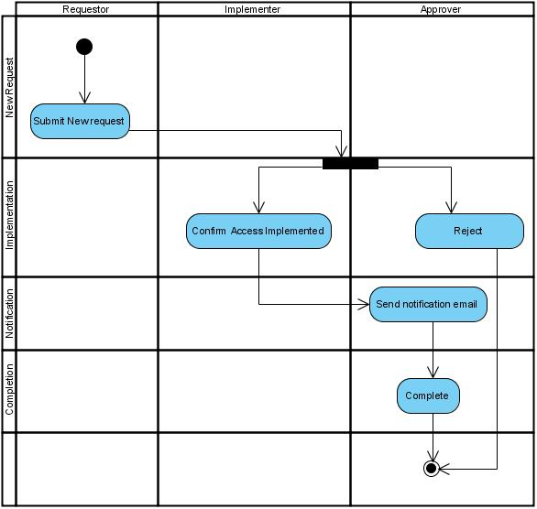

 | Test case Id | Workflow Name | Action | Role | State | Involved TCs | Assign To | Test pass 1 result | Test pass 2 result | Test pass 3 result | Note
 | WF1 | Submit new request success
 |  | 1 | submit new request | Requestor | Pending
 |  | 1->2.1 | comfirm access implemented | Implementer | Open
 |  | 1->2.1->3 | send notification email | Approver | Open
 |  | 1->2.1->3->4 | complete | Approver | Close

 | WF2 | Submit new request success

 |  | 1 | submit new request | Requestor | Pending
 |  | 1->2.2 | Reject | Approver | Open
 |  | 1->2.2->4 | Complete | Approver | Close

 | Workflow | Dữ liệu đầu vào | Điều kiện xử lý | Kết quả mong đợi
 | WF1 | Request | Implementer comfirm access | send email and complete
 | WF2 | Request | Approver reject request | end

