Country counts
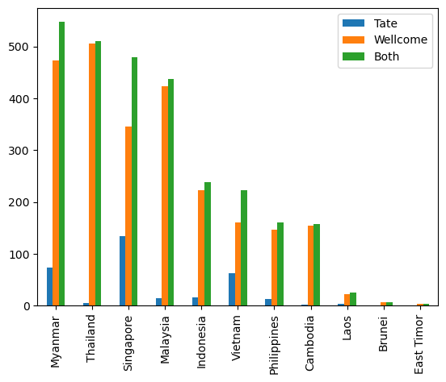
 | Tate | Wellcome | Both
Myanmar | 74 | 473 | 547
Thailand | 5 | 505 | 510
Singapore | 134 | 345 | 479
Malaysia | 14 | 424 | 438
Indonesia | 16 | 223 | 239
Vietnam | 63 | 160 | 223
Philippines | 13 | 147 | 160
Cambodia | 2 | 155 | 157
Laos | 4 | 22 | 26
Brunei | 0 | 7 | 7
East Timor | 0 | 4 | 4

 |  |  |  | Total Countries | Tate | Wellcome
 |  |  |  | 11 | 9 | 11

