Sheet1
 | DATAFRAMES
 | files_metadata | ints_metadata | ints | ints_gapped_metadata | ints_gapped | sfs | sfs_gapped | lookup_table (_2d, _3d) | summary_stats
 | (one row per file) | (one row per interval) | (one row per interval and timestamp) | (one row per interval version and gap handling) | (one row per interval, version, gap handling, timestamp) | (one row per interval and lag) | (one row per interval, version, gap handling, lag) | (one row per lag, missing_percent, power) | (one row per dataset and gap handling)
 |  |  | not currently implemented - just a list of dataframes
 | file_index | file_index | file_index | file_index | file_index | file_index | file_index | lag (lower and upper) | dataset | (e.g. psp_training, psp_test, wind_test)
 | file_start | int_index | int_index | int_index | int_index | int_index | int_index | missing_percent (lower and upper) | gap handling
 | file_end | int_start | timestamp | version | version |  | version | sf_2 (lower and upper) | missing_percent_mean
 | tc | int_end | value | missing_percent_overall | gap_handling |  | gap_handling | n | mape_mean
 | cadence | slope |  | missing_percent_chunks | timestamp | lag | lag | mpe | slope_pe_mean
 |  |  |  | gap_handling (none, lint, 2d_corrected, 3d_corrected, ann) | value (Bx, By, Bz) | lag_min | lag_min | pe_min
 |  |  |  |  |  | lag_max | lag_max | pe_max
 |  |  |  | FOR TEST SETS |  | lag_midpoint | lag_midpoint | mpe_sd
 |  |  |  | slope |  | n | n | scaling
 |  |  |  | mape |  | missing_percent | missing_percent | scaling_lower
 |  |  |  | slope_pe |  | sf_2 | sf_power (sf_2) | scaling_upper
 |  |  |  |  |  | sf_2_se | sf_power_se
 |  |  |  |  |  | diffs_power | sf_2_pe
 |  |  |  |  |  | diffs_power_std | diffs_power
 |  |  |  |  |  | sf_2_ch | diffs_power_std
 |  |  |  |  |  | sf_2_dowd | sf_2_ch
 |  |  |  |  |  | sf_2_pe | sf_2_dowd
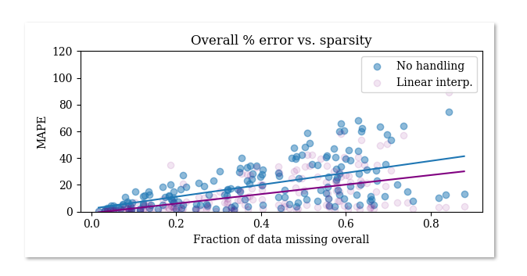
 |  |  |  |  |  |  | FOR TEST SETS
 |  |  |  |  |  |  | sf_2_lower
 |  |  |  |  |  |  | sf_2_upper

 |  |  |  |  |  |  |  |  |  |  | if handling ==none
 |  |  |  |  |  |  |  |  |  |  |  | int_final_metadata.slope = slpoe
 |  |  |  |  |  |  |  |  |  |  | elif handling = lint
 |  |  |  |  |  |  |  |  |  |  |  | lint_input= lint(bad_input)
 | Case studies |  |  |  |  |  | Case studies (grouped by handling) |  | Statistical | Statistical |  | lint_inputs_list.append()
 |  |  |  |  |  |  | sf_2 vs. lag |  | 2D heatmaps (bin colour = error_percent_mean) | For the test sets: |  | lint_sf, slope = compute_sf(lint_input)
 |  |  |  |  |  |  | missing_percent vs lag |  | also, bin colour = n | mape_mean vs. dataset |  | int_final_metadata.slope = slpoe
 |  |  |  |  |  |  | sf_2_pe vs. lag |  | missing_percent vs. lag | slope_pe_mean vs. dataset |  | lint_outputs_list.append()
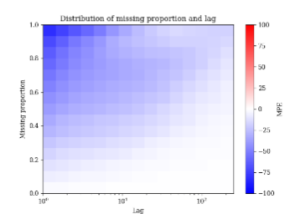
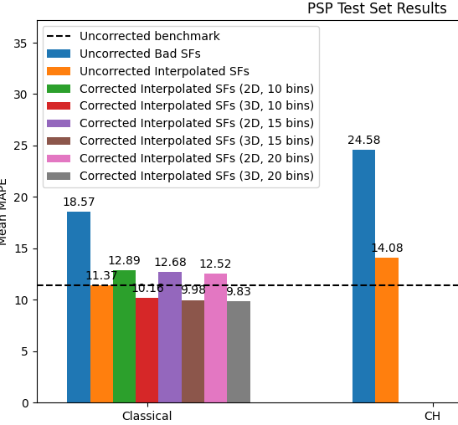
 |  |  |  |  |  |  | n, sf_2 vs. lag (cf Fraternale)

 |  |  |  |  |  |  | sf_2, sf_2_dowd, sf_2_ch, diffs_2 vs. lag
 |  |  |  |  |  |  |  |  | 3d heatmaps (coloured as above)
 |  |  |  |  |  |  |  |  | missing_percent vs. lag
 |  |  |  |  |  |  |  |  | sf_2 vs. lag
 |  |  |  |  |  |  |  |  | sf_2 vs. missing_percent

 |  |  |  |  |  |  | Statistical
 |  |  |  |  |  |  | sf_2_pe vs. lag, coloured by missing_percent



0

1

2

3

4

