Hoja_1_Reporte
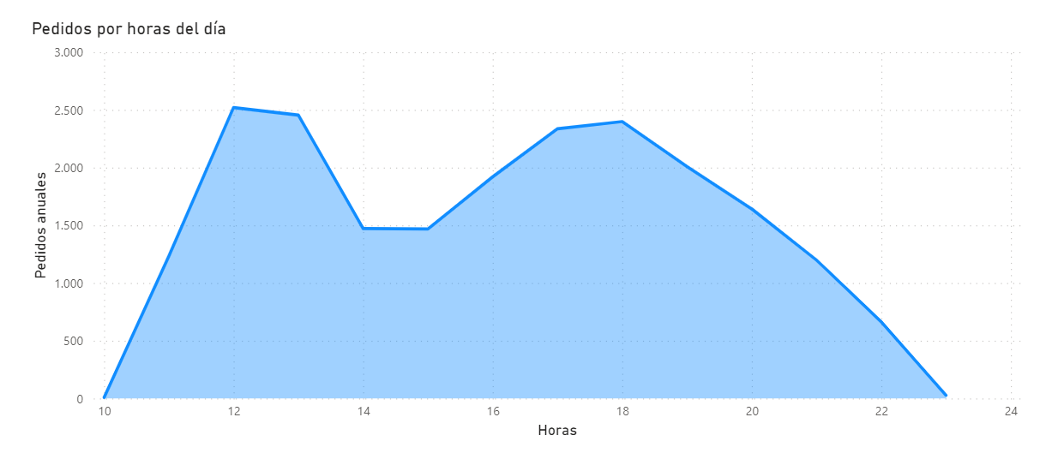
Unnamed: 0 | pizza_id | quantity
3 | big_meat_s | 1914 | Pedidos por hora del día:
80 | thai_ckn_l | 1410
20 | five_cheese_l | 1409
21 | four_cheese_l | 1316
18 | classic_dlx_m | 1181
68 | spicy_ital_l | 1109
28 | hawaiian_s | 1020
65 | southw_ckn_l | 1016
0 | bbq_ckn_l | 992
1 | bbq_ckn_m | 956
9 | cali_ckn_m | 944
33 | ital_supr_m | 941
51 | pepperoni_m | 939
8 | cali_ckn_l | 927
Pizzas más vendidas al año
26 | hawaiian_l | 919
41 | mexicana_l | 867
19 | classic_dlx_s | 799
52 | pepperoni_s | 751
61 | sicilian_s | 751
32 | ital_supr_l | 747
29 | ital_cpcllo_l | 732
50 | pepperoni_l | 728
12 | ckn_alfredo_m | 703
53 | peppr_salami_l | 696
89 | veggie_veg_m | 635
59 | sicilian_l | 613
25 | green_garden_s | 600
57 | prsc_argla_m | 598
22 | four_cheese_m | 586
49 | pep_msh_pep_s | 578
60 | sicilian_m | 574
44 | napolitana_l | 566
75 | spinach_fet_m | 562
6 | calabrese_m | 562
86 | the_greek_xl | 552
66 | southw_ckn_m | 534
10 | cali_ckn_s | 499
4 | brie_carre_s | 490
36 | ital_veggie_m | 486
2 | bbq_ckn_s | 484
27 | hawaiian_m | 483
81 | thai_ckn_m | 481
82 | thai_ckn_s | 480
17 | classic_dlx_l | 473
46 | napolitana_s | 471
90 | veggie_veg_s | 464
42 | mexicana_m | 455
74 | spinach_fet_l | 445
76 | spinach_fet_s | 439
56 | prsc_argla_l | 435
54 | peppr_salami_m | 428
45 | napolitana_m | 427
88 | veggie_veg_l | 427
58 | prsc_argla_s | 424
69 | spicy_ital_m | 408
70 | spicy_ital_s | 407
62 | soppressata_l | 405
30 | ital_cpcllo_m | 404
73 | spin_pesto_s | 404
79 | spinach_supr_s | 400
14 | ckn_pesto_l | 399
48 | pep_msh_pep_m | 397
47 | pep_msh_pep_l | 384
38 | mediterraneo_l | 370
67 | southw_ckn_s | 367
55 | peppr_salami_s | 322
37 | ital_veggie_s | 305
85 | the_greek_s | 304
31 | ital_cpcllo_s | 302
24 | green_garden_m | 302
16 | ckn_pesto_s | 298
40 | mediterraneo_s | 289
64 | soppressata_s | 288
71 | spin_pesto_l | 284
77 | spinach_supr_l | 283
72 | spin_pesto_m | 282
84 | the_greek_m | 281
5 | calabrese_l | 276
15 | ckn_pesto_m | 276
39 | mediterraneo_m | 275
63 | soppressata_m | 268
78 | spinach_supr_m | 267
83 | the_greek_l | 255
34 | ital_supr_s | 196
35 | ital_veggie_l | 190
11 | ckn_alfredo_l | 188
43 | mexicana_s | 162
7 | calabrese_s | 99
13 | ckn_alfredo_s | 96
23 | green_garden_l | 95
87 | the_greek_xxl | 28

