ANOVA
 | Df | Sum Sq | Mean Sq | F value | Pr(>F) | Significance | Regresión
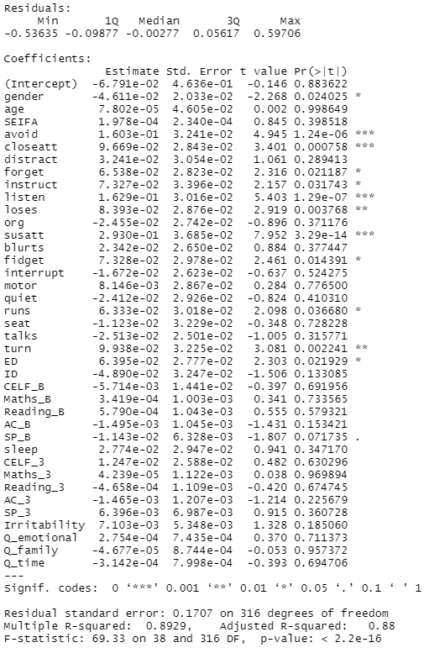
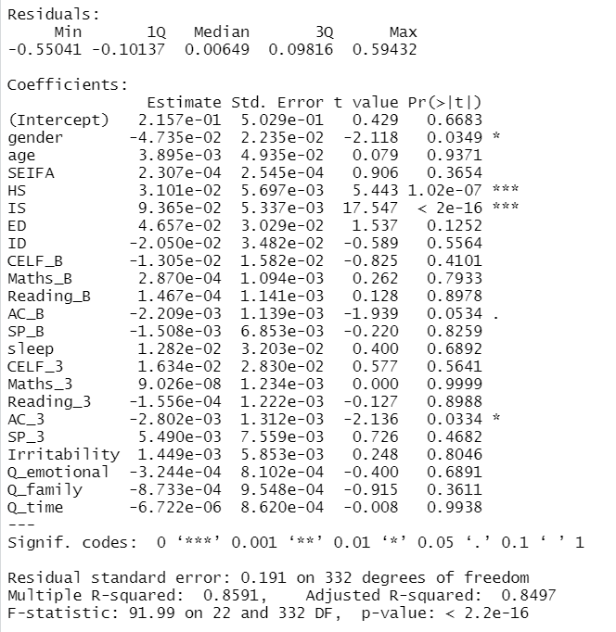
gender | 1 | 0.26 | 0.2616 | 1.078 | 0.3
Residuals | 353 | 85.69 | 0.2428

age | 1 | 0.48 | 0.4777 | 1.973 | 0.161
Residuals | 353 | 85.48 | 0.2421

SEIFA | 1 | 0.01 | 0.00865 | 0.036 | 0.851
Residuals | 353 | 85.95 | 0.24347

TS | 1 | 69.75 | 69.75 | 1519 | <2e-16 | ***
Residuals | 353 | 16.2 | 0.05

HS | 1 | 51.23 | 51.23 | 520.9 | <2e-16 | ***
Residuals | 353 | 34.72 | 0.1

IS | 1 | 70.23 | 70.23 | 1576 | <2e-16 | ***
Residuals | 353 | 15.73 | 0.04

ED | 1 | 20.86 | 20.863 | 113.1 | <2e-16 | ***
Residuals | 353 | 65.09 | 0.184

ID | 1 | 7.66 | 7.657 | 34.52 | 9.75E-09 | ***
Residuals | 353 | 78.3 | 0.222

CELF_B | 1 | 0.32 | 0.3234 | 1.333 | 0.249
Residuals | 353 | 85.63 | 0.2426

Maths_B | 1 | 12.45 | 12.449 | 59.78 | 1.12E-13 | ***
Residuals | 353 | 73.51 | 0.208

Reading_B | 1 | 14.44 | 14.442 | 71.29 | 8.11E-16 | ***
Residuals | 353 | 71.51 | 0.203

AC_B | 1 | 26.79 | 26.786 | 159.8 | <2e-16 | ***
Residuals | 353 | 59.17 | 0.168

SP_B | 1 | 19.87 | 19.873 | 106.2 | <2e-16 | ***
Residuals | 353 | 66.08 | 0.187

sleep | 1 | 5.61 | 5.609 | 24.64 | 1.08E-06 | ***
Residuals | 353 | 80.35 | 0.228

CELF_3 | 1 | 0.08 | 0.07884 | 0.324 | 0.57
Residuals | 353 | 85.88 | 0.24328

Maths_3 | 1 | 14.33 | 14.329 | 70.62 | 1.08E-15 | ***
Residuals | 353 | 71.63 | 0.203

Reading_3 | 1 | 14.51 | 14.51 | 71.69 | 6.85E-16 | ***
Residuals | 353 | 71.44 | 0.202

AC_3 | 1 | 26.41 | 26.414 | 156.6 | <2e-16 | ***
Residuals | 353 | 59.54 | 0.169

SP_B | 1 | 19.87 | 19.873 | 106.2 | <2e-16 | ***
Residuals | 353 | 66.08 | 0.187

Irritability | 1 | 26.76 | 26.758 | 159.6 | <2e-16 | ***
Residuals | 353 | 59.2 | 0.168

Q_emotional | 1 | 29.42 | 29.42 | 183.7 | <2e-16 | ***
Residuals | 353 | 56.54 | 0.16

Q_family | 1 | 30.87 | 30.868 | 197.8 | <2e-16 | ***
Residuals | 353 | 55.09 | 0.156

Q_time | 1 | 22.3 | 22.3 | 123.6 | <2e-16 | ***
Residuals | 353 | 63.66 | 0.18

